Pemodelan Laba & Titik impas
Quality Sweater Co.

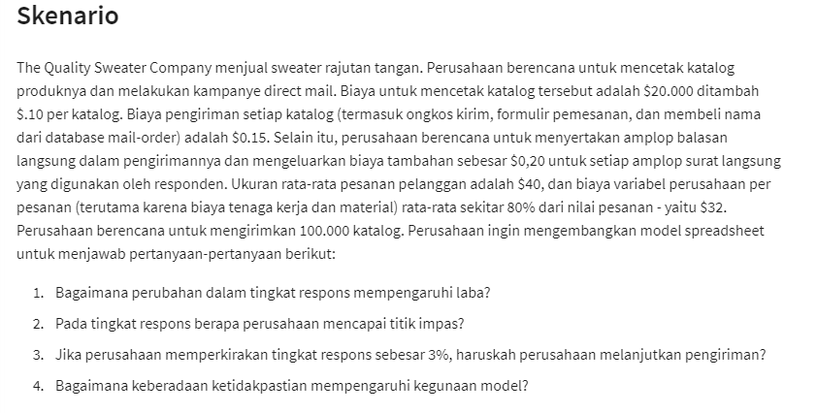
Quality Sweater Co. Response Rate Vs Profit
Input |  |  | 1) Data Table | <- Tools What-if-Analysis (Data Table)
Costs
Printing | $20,000 |  | Response Rate | Profit
Variable |  |  |  | $1,800
Printing | $0.10 | per Catalog | 3.0% | $-21,600
mailing | $0.15 | per Catalog | 3.5% | $-17,700
 |  |  | 4.0% | $-13,800
Reply Envelopes | $0.20 | per order | 4.5% | $-9,900
Labors Material | $32.00 | per order | 5.0% | $-6,000
 |  |  | 5.5% | $-2,100
Catalogs Orders | 100,000 |  | 6.0% | $1,800
Response rate | 6.00% | <- Dummy value | 6.5% | $5,700
Total Orders | 6,000 |  | 7.0% | $9,600
Total Cost | $238,200 |  | 7.5% | $13,500
Revenue |  |  | 8.0% | $17,400
Avg. Custumer Order | $40.00
Total Revenue | $240,000 |  | 2) Titik Impas = Profit = 0
Total Profit | $1,800 |  | Response Rate | 6.00% | <- Tools What-if-Analysis (Goal Seek)

Pemodelan Permintaan Tak Pasti
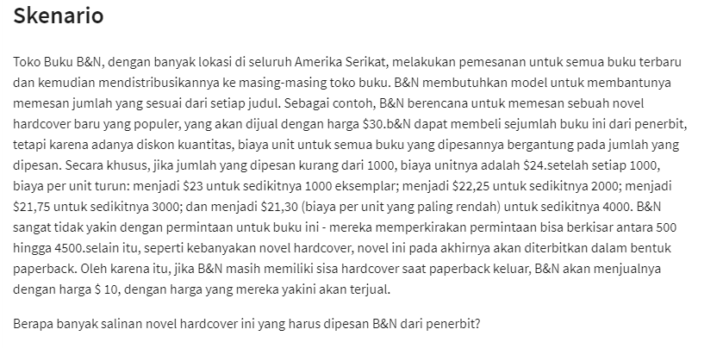
B&N Book Store

 |  |  |  | Table order and cost
Regularly Price | $30.0 |  |  | ordered | cost
Sale Price | $10.0 |  |  | 0 | $24.0
 |  |  |  | 1000 | $23.0
demands : | 500 | 500-4500 |  | 2000 | $22.3
order : | 500 |  |  | 3000 | $21.8
 |  |  |  | 4000 | $21.3
surplus : | 0

Total Cost | $12,000 | Data Table 2 arah
 |  |  | Order
Total Revenue | $15,000 | Demands | $3,000 | $500 | $1,000 | $1,500 | $2,000 | $2,500 | $3,000 | $3,500 | $4,000 | $4,500 | summary :
 |  |  | $500 | $3,000 | $-3,000 | $-9,500 | $-14,500 | $-20,625 | $-25,250 | $-31,125 | $-35,200 | $-40,850 |  | Salinan novel hardcover akan mendapatkan profit tertinggi dengan order 4500 dan demand 4500
Total Profit | $3,000 |  | $1,000 | $3,000 | $7,000 | $500 | $-4,500 | $-10,625 | $-15,250 | $-21,125 | $-25,200 | $-30,850
 |  |  | $1,500 | $3,000 | $7,000 | $10,500 | $5,500 | $-625 | $-5,250 | $-11,125 | $-15,200 | $-20,850
 |  |  | $2,000 | $3,000 | $7,000 | $10,500 | $15,500 | $9,375 | $4,750 | $-1,125 | $-5,200 | $-10,850
 |  |  | $2,500 | $3,000 | $7,000 | $10,500 | $15,500 | $19,375 | $14,750 | $8,875 | $4,800 | $-850
 |  |  | $3,000 | $3,000 | $7,000 | $10,500 | $15,500 | $19,375 | $24,750 | $18,875 | $14,800 | $9,150
 |  |  | $3,500 | $3,000 | $7,000 | $10,500 | $15,500 | $19,375 | $24,750 | $28,875 | $24,800 | $19,150
 |  |  | $4,000 | $3,000 | $7,000 | $10,500 | $15,500 | $19,375 | $24,750 | $28,875 | $34,800 | $29,150
 |  |  | $4,500 | $3,000 | $7,000 | $10,500 | $15,500 | $19,375 | $24,750 | $28,875 | $34,800 | $39,150

