LP
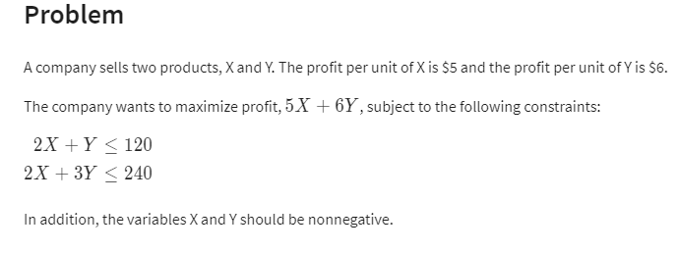
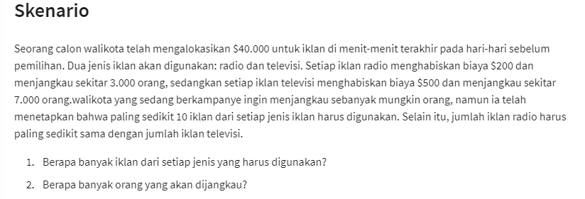
 | X | Y |  |  |  |  |  | Ads on Radio | Ads on TV
Variables | 30 | 60 | <= dummy values |  |  |  | Variables | 175 | 10 | <- Dummy Value |  | 2)
Profit per unit | 7 | 6 |  |  |  |  | Target | 3000 | 7000

Objective (max) |  |  |  |  |  |  | Objective max
Profit | 570 |  |  |  |  | =SUMPRODUCT(B2:C2;B3:C3) | Target | 595,000 | 1)
 |  |  | {Formula}
Constraints |  |  | LHS | Sign | RHS |  | Constraints |  |  | LHS | Sign | RHS
2X + Y <= 120 | 2 | 1 | 120 | <= | 120 | =SUMPRODUCT(B9:C9;$B$2:$C$2) | Badgets | 200 | 500 | 40000 | <= | 40000
2X + 3Y <= 240 | 2 | 3 | 240 | <= | 240 | =SUMPRODUCT(B10:C10;$B$2:$C$2) | min 10 Radio | 1 |  | 175 | >= | 10
 |  |  |  |  |  |  | min 10 Tv |  | 1 | 10 | >= | 10
 |  |  |  |  |  |  | R >= T | 1 | -1 | 165 | >= | 0

LP & Net Profit
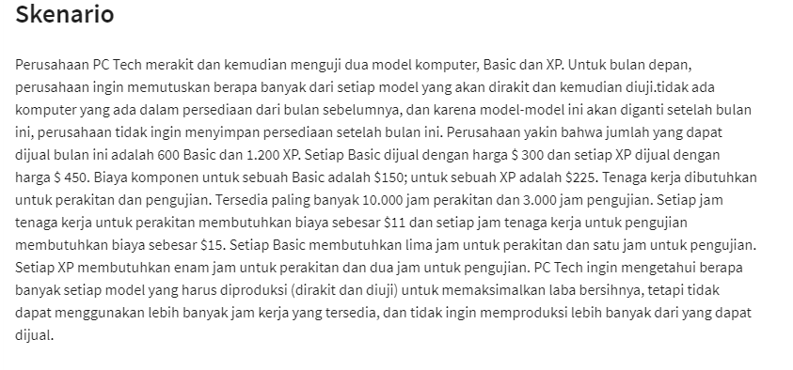
 | Basic | XP |  |  |  |  |  |  | Brenches | Tables
Variables | 560 | 1200 | <-dummy value |  | <- Max Product |  |  | variables | 260 | 35 | <-dummy value
 |  |  |  |  |  |  |  | profit | 12 | 20

Objective (Max) |  |  |  |  |  |  |  | Objective (Max)
 |  |  |  | total : |  |  |  | Profit : | $3,820
Revenue | $300 | $450 |  | $708,000
Cost |  |  |  |  |  |  |  | Constraint |  |  | LHS | Sign | RHS
Component | $150 | $225 |  | $354,000 |  |  |  | time work | 4 | 6 | 1250 | <= | 1250
perakitan | 5 | 6 |  | $110,000 |  | $11 | per jam perakitan | stock wood | 9 | 36 | 3600 | <= | 3600
pengujian | 1 | 2 |  | $44,400 |  | $15 | per jam pengujian
 |  |  | total : | $508,400 |  |  |  | summary sentence
Profit |  |  |  |  |  |  |  | Profit wil be maksimum is |  | $ 3820 with product 260 brenches and 35 tables
 |  |  | total : | $199,600 | <- Net Profit Max

Constraint |  |  | LHS | Sign | RHS
perakitan | 5 | 6 | 10000 | <= | 10000
pengujian | 1 | 2 | 2960 | <= | 3000
600 Basic | 1 |  | 560 | <= | 600
1200 XP |  | 1 | 1200 | <= | 1200

LP & Investment Allocation
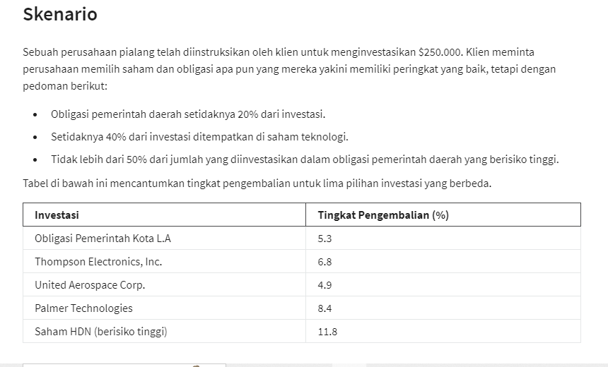
 | X1 | X2 | X3 | X4 | X5
Variables | $50,000 | $- | $- | $175,000 | $25,000
 | 5.3% | 6.8% | 4.9% | 8.4% | 11.8%

Objective (Max)
Rate of Return : | $20,300.00

Constraints | X1 | X2 | X3 | X4 | X5 | LHS | Sign | RHS
Budget | 1 | 1 | 1 | 1 | 1 | 250000 | <= | 250000
bond 20 % | 1 |  |  |  |  | 50000 | >= | 50000
in tech 20 % |  | 1 | 1 | 1 |  | 175000 | >= | 100000
no more 50% in high risk | -50% |  |  |  | 1 | 0 | <= | 0

Summary : |  |  |  |  |  |  |  |  | X1
if company want to return maximize we must investment in : |  |  |  |  | X1 = | $50,000 |  |  | X2
 |  |  |  |  | X4 = | $175,000 |  |  | X3
 |  |  |  |  | X5 = | $25,000 |  |  | X4
 |  |  |  |  |  | $250,000 |  |  | X5

