modeling demand & price
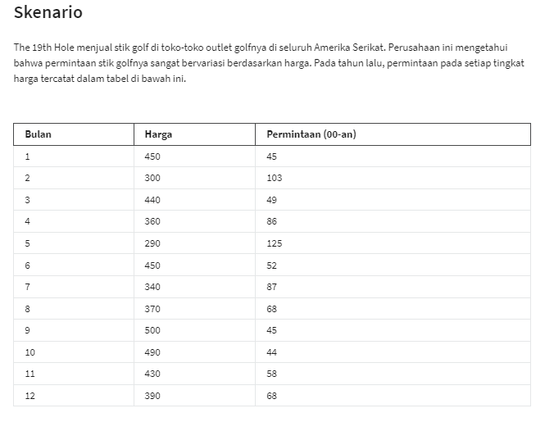
linear : |  | Power |  | Eksponential
y= mx+b | value | y = ax^b | value | y = ae^bx | value
intercept (b) : | 211.3147 | variable (a) : | 5871064.2031 | variable (a) : | 466.51
slope (m) : | -0.3546 | konstanta (b) : | -1.9082 | konstanta (b) : | -0.005

Price vs Demans
Month | Price (X) | Demans (00s)(Y)
1 | 450 | 45
2 | 300 | 103
3 | 440 | 49
4 | 360 | 86
5 | 290 | 125
6 | 450 | 52
7 | 340 | 87
8 | 370 | 68
9 | 500 | 45
10 | 490 | 44
11 | 430 | 58
12 | 390 | 68

Prediction based on models |  |  |  |  | Error absoulute prediction models
Price (X) | (Y) Linear | (Y) Power | (Y) Eksponential | demands (00s) | Linear Error | Power Error | Eksponential Error
450 | 51.7 | 50.8 | 49.2 | 45 | 14.99% | 12.89% | 9.27%
300 | 104.9 | 110.1 | 104.1 | 103 | 1.88% | 6.91% | 1.06%
440 | 55.3 | 53.0 | 51.7 | 49 | 12.84% | 8.21% | 5.49%
360 | 83.7 | 77.8 | 77.1 | 86 | 2.72% | 9.58% | 10.33%
290 | 108.5 | 117.5 | 109.4 | 125 | 13.22% | 6.01% | 12.46%
450 | 51.7 | 50.8 | 49.2 | 52 | 0.49% | 2.31% | 5.44%
340 | 90.8 | 86.7 | 85.2 | 87 | 4.31% | 0.32% | 2.04%
370 | 80.1 | 73.8 | 73.4 | 68 | 17.81% | 8.53% | 7.87%
500 | 34.0 | 41.5 | 38.3 | 45 | 24.41% | 7.67% | 14.90%
490 | 37.6 | 43.2 | 40.3 | 44 | 14.63% | 1.86% | 8.51%
430 | 58.8 | 55.4 | 54.3 | 58 | 1.44% | 4.48% | 6.31% | use prediction models with average error smallest
390 | 73.0 | 66.7 | 66.4 | 68 | 7.38% | 1.84% | 2.39%
 |  |  |  | Average : | 9.68% | 5.88% | 7.17%

Modeling Business : |  |  |  | Question 1. |  |  | Question 2. |  | Unit Cost
Unit Cost | $250 | <-- per set of club |  | Price | Profit |  |  | $954,019 | $250 | $300 | $350 | $400 | $450 | $500 | $550
Sales | $400 | <-- multiple of 10 |  |  | $954,019.42 |  | Price | $260 | $144,699 | $-578,795 | $-1,302,288 | $-2,025,782 | $-2,749,276 | $-3,472,769 | $-4,196,263
demands | 64 | <-- power model |  | $260.00 | $144,698.72 |  |  | $270 | $269,289 | $-403,933 | $-1,077,156 | $-1,750,378 | $-2,423,600 | $-3,096,823 | $-3,770,045
actual demand | 6360 |  |  | $270.00 | $269,288.92 |  |  | $280 | $376,852 | $-251,235 | $-879,322 | $-1,507,409 | $-2,135,496 | $-2,763,583 | $-3,391,670
 |  |  |  | $280.00 | $376,852.26 |  |  | $290 | $469,925 | $-117,481 | $-704,888 | $-1,292,295 | $-1,879,702 | $-2,467,109 | $-3,054,515
Cost | $1,590,032 |  |  | $290.00 | $469,925.45 |  |  | $300 | $550,610 | $- | $-550,610 | $-1,101,220 | $-1,651,830 | $-2,202,440 | $-2,753,050
Revenue | $2,544,052 |  |  | $300.00 | $550,609.95 |  |  | $310 | $620,657 | $103,443 | $-413,771 | $-930,986 | $-1,448,200 | $-1,965,414 | $-2,482,628
Profit | $954,019 |  |  | $310.00 | $620,657.05 |  |  | $320 | $681,534 | $194,724 | $-292,086 | $-778,896 | $-1,265,706 | $-1,752,517 | $-2,239,327
 |  |  |  | $320.00 | $681,534.24 |  |  | $330 | $734,478 | $275,429 | $-183,619 | $-642,668 | $-1,101,716 | $-1,560,765 | $-2,019,813
 |  |  |  | $330.00 | $734,477.53 |  |  | $340 | $780,533 | $346,904 | $-86,726 | $-520,355 | $-953,985 | $-1,387,614 | $-1,821,244
 |  |  |  | $340.00 | $780,533.00 |  |  | $350 | $820,590 | $410,295 | $- | $-410,295 | $-820,590 | $-1,230,885 | $-1,641,180
 |  |  |  | $350.00 | $820,589.94 |  |  | $360 | $855,408 | $466,586 | $77,764 | $-311,057 | $-699,879 | $-1,088,701 | $-1,477,522
 |  |  |  | $360.00 | $855,407.56 |  |  | $370 | $885,637 | $516,621 | $147,606 | $-221,409 | $-590,424 | $-959,440 | $-1,328,455
 |  |  |  | $370.00 | $885,636.58 |  |  | $380 | $911,837 | $561,130 | $210,424 | $-140,283 | $-490,989 | $-841,696 | $-1,192,402
 |  |  |  | $380.00 | $911,836.82 |  |  | $390 | $934,492 | $600,745 | $266,998 | $-66,749 | $-400,496 | $-734,243 | $-1,067,990
 |  |  |  | $390.00 | $934,491.56 |  |  | $400 | $954,019 | $636,013 | $318,006 | $- | $-318,006 | $-636,013 | $-954,019
 |  |  |  | $400.00 | $954,019.42 |  |  | $410 | $970,784 | $667,414 | $364,044 | $60,674 | $-242,696 | $-546,066 | $-849,436
 |  |  |  | $410.00 | $970,784.11 |  |  | $420 | $985,103 | $695,367 | $405,630 | $115,894 | $-173,842 | $-463,578 | $-753,314
 |  |  |  | $420.00 | $985,102.58 |  |  | $430 | $997,252 | $720,237 | $443,223 | $166,209 | $-110,806 | $-387,820 | $-664,835
 |  |  |  | $430.00 | $997,251.80 |  |  | $440 | $1,007,474 | $742,350 | $477,225 | $212,100 | $-53,025 | $-318,150 | $-583,275
 |  |  |  | $440.00 | $1,007,474.43 |  |  | $450 | $1,015,984 | $761,988 | $507,992 | $253,996 | $- | $-253,996 | $-507,992
 |  |  |  | $450.00 | $1,015,983.62 |  |  | $460 | $1,022,967 | $779,403 | $535,840 | $292,276 | $48,713 | $-194,851 | $-438,414
 |  |  |  | $460.00 | $1,022,967.01 |  |  | $470 | $1,028,590 | $794,820 | $561,049 | $327,279 | $93,508 | $-140,262 | $-374,033
 |  |  |  | $470.00 | $1,028,590.19 |  |  | $480 | $1,033,000 | $808,434 | $583,869 | $359,304 | $134,739 | $-89,826 | $-314,391
 |  |  |  | $480.00 | $1,032,999.56 |  |  | $490 | $1,036,325 | $820,424 | $604,523 | $388,622 | $172,721 | $-43,180 | $-259,081
 |  |  |  | $490.00 | $1,036,324.85

Modeling NPV
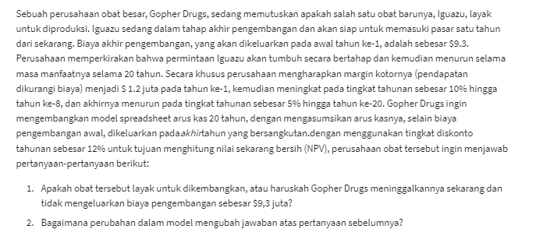
Gopher Drugs Co
 |  |  | Cast Flows
Development Cost | $9.30 | millions | End of years | Gross Margin ($M)
Lifetime: | 20 | years | 1 | $1.20 | =B6
Year 1 Margin | $1.2 | millions | 2 | $1.32 | =IF(D6<=$B$7;E5*(1+$B$8);E5*(1-$B$9))
Inc through year | 8 | year | 3 | $1.45 | =IF(D7<=$B$7;E6*(1+$B$8);E6*(1-$B$9))
Rate of increase | 10% |  | 4 | $1.60 | =IF(D8<=$B$7;E7*(1+$B$8);E7*(1-$B$9))
Rate of decrease | 5% |  | 5 | $1.76 | =IF(D9<=$B$7;E8*(1+$B$8);E8*(1-$B$9))
Discount Rate | 12% |  | 6 | $1.93 | =IF(D10<=$B$7;E9*(1+$B$8);E9*(1-$B$9))
 |  |  | 7 | $2.13 | =IF(D11<=$B$7;E10*(1+$B$8);E10*(1-$B$9))
(Net) Present Value | $12.60 | =NPV(B10;E5:E24) | 8 | $2.34 | =IF(D12<=$B$7;E11*(1+$B$8);E11*(1-$B$9))
Development Cost | $9.30 | millions | 9 | $2.22 | =IF(D13<=$B$7;E12*(1+$B$8);E12*(1-$B$9))
Net Present Value | $3.30 | million | 10 | $2.11 | =IF(D14<=$B$7;E13*(1+$B$8);E13*(1-$B$9))
 |  |  | 11 | $2.00 | =IF(D15<=$B$7;E14*(1+$B$8);E14*(1-$B$9))
Question 1. |  |  | 12 | $1.90 | =IF(D16<=$B$7;E15*(1+$B$8);E15*(1-$B$9))
 |  |  | 13 | $1.81 | =IF(D17<=$B$7;E16*(1+$B$8);E16*(1-$B$9))
 |  |  | 14 | $1.72 | =IF(D18<=$B$7;E17*(1+$B$8);E17*(1-$B$9))
 |  |  | 15 | $1.63 | =IF(D19<=$B$7;E18*(1+$B$8);E18*(1-$B$9))
 |  |  | 16 | $1.55 | =IF(D20<=$B$7;E19*(1+$B$8);E19*(1-$B$9))
 |  |  | 17 | $1.47 | =IF(D21<=$B$7;E20*(1+$B$8);E20*(1-$B$9))
 |  |  | 18 | $1.40 | =IF(D22<=$B$7;E21*(1+$B$8);E21*(1-$B$9))
 |  |  | 19 | $1.33 | =IF(D23<=$B$7;E22*(1+$B$8);E22*(1-$B$9))
 |  |  | 20 | $1.26 | =IF(D24<=$B$7;E23*(1+$B$8);E23*(1-$B$9))

