1. Title Page
Instacart Insights on Orders, Products & Customers (2017)

Project Name: Instacart Insightsd on Orders, Products, & Customer Insights 2017.
Date: February 17, 2022
Analyst Name: Andrea Garcia-Bracho

Contents:
Population Flow
Consistency checks
Wrangling steps
Column derivations
Visualizations
Recommendations

Project Details:
Instacart is an online grocery store that operates through an app. Instacart already has very good sales, but they want to incover more information about their sales patterns. The task is to perform an initial data and exploratory analysis of some of their data in order to derive insights and suggest strategies for better segmentation based on provided criteria.

Data Citation:
" The Instacart Online Grocery Shopping Dataset 2017"
Access the data here

Note:
Instacart is a real successful online company, however the data used on this project has been modified or fabricated.

2. Population Flow
Title page

Population flow

Orders_products_combined
Orders_products_merged
Orders_products_all

Total: 32,641,267
Total: 32,640,697
Total: 32,641,267

Exclusion flag
Condition: max_order < 5
Obervations to be removed: 711,289
Final total count of order_products_all: 31,929,979

3. Consistency checks
 |  |  |  | Title page
Consistency checks

Dataset | Missing values | Missing values treatment | Duplicates
orders | 206,209 NANs 'days_since_prior_order' | left them because those are the first order of each customer
orders |  |  | no duplicates found
products | product_name | 16 values are removed
products |  |  | 5 duplicates found and removed
customer | first_name | delete column

4. Wrangling steps
 |  |  |  | Title page
Wrangling steps

Columns dropped | Columns renamed | Columns' type changed | Comment/Reason
Orders: 'eval_set' |  |  | Does not contain any relevant information
 | Orders: 'order_dow' : 'orders_day_of_week' |  | To understand the eaning of 'dow'
 |  | Orders: Order_id as 'str' | order _id is categorical data to be stored as a 'string'
 | Departments: table was transposed |  | Table hwas horizontal, needed to change it.
 |  | Orders: User_id as 'str' | user_id is caregorical data to be stored as a 'string'
 | Orders: 'order_hour_of_day' : 'order_time' |  | Easier to understand
 |  | Products: 'product_name' as 'str' | Used to be a mixed-type
Products: 'Unnamed' |  |  | Had numbers strating from 0, do not need it.
 | Customers: 'First Name' : 'first_name', 'Surnam' : 'last_name', 'Gender' : 'gender', 'STATE' : 'state', 'Age' : 'age', 'n_dependants' : 'num_dependents' |  | To be consistent with the rest of the variables.
 |  | Ords_prods_all: 'order_id' : 'category', 'user_id' : 'category', 'product_name' : 'category', 'price_label' : 'category', 'Busy_days_by_orders' : 'category', 'Busiest_period_of_day' : 'category', 'loyalty_flag' : 'category', 'spending_flag' : 'category', 'order_frequency_flag' : 'category', 'gender' : 'category', 'state' : 'category', 'date_joined' : 'category', 'fam_status' : 'category', 'region' : 'category', 'exclusion_flag' : 'category', 'age_group' : 'category', 'income_group' : 'category', 'parental_status' : 'category', 'order_time_group' : 'category', 'weekday' : 'category', 'department_name' : 'category',order_number' : 'int16', 'orders_day_of_week' : 'int8', 'order_time' : 'int8', 'max_order' : 'int16', 'age' : 'int8', 'num_dependents' : 'int8', 'income' : 'int32' | Save memory. Memory usage went down from 9GB to 3.8GB!

5. Column derivations
 |  |  |  | Title page

Column derivations and aggregations

Dataset | New column | Column derived from | Conditions
Ords_prods_merged | 'loyalty_flag' | 'max_order' | 'max_order > 40 → Loyal customer 10 < 'max_order ≤ 40 → Regular customer 'max_order ≤ 10 → New customer
Ords_prods_merged | 'spending_flag' | 'avg_price' | 'avg_price' < 10 → Low spender 'avg_price' ≥ 10 → High spender
Ords_prods_merged | 'order_frequency_flag' | 'frequency_of_orders' | 'frequency_of_orders' ≤ 10 → Non-frequent customer 10 < 'frequency_of_orders' ≤ 20 → Regular customer 'frequency_of_orders' > 20 → Frequent customer
Ords_prods_merged | 'exclusion_flag' | 'max_order' | 'max_order' < 5 → Low activiy customer 'max_order' ≥ 5 → High activity customer

6. Visualizations
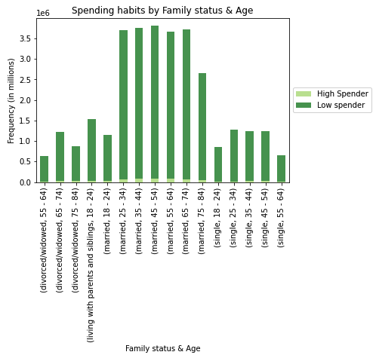
 |  | Title page

Visualizations

+ 32.6 million orders
1 year
18 - 81 years
Age of customers

+ 206,000
Customers in the U.S.

Customers at-glance:
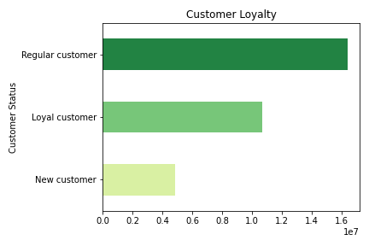
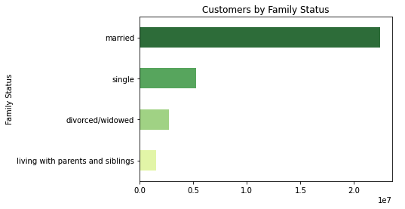
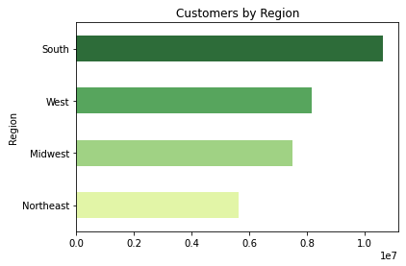

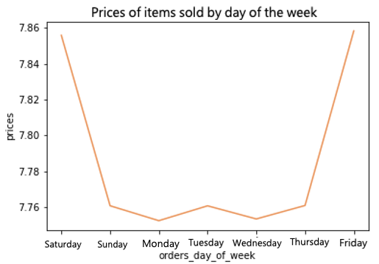
Orders at-glance
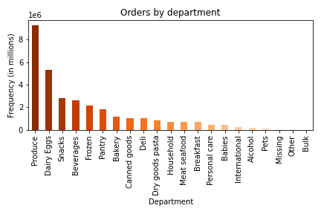
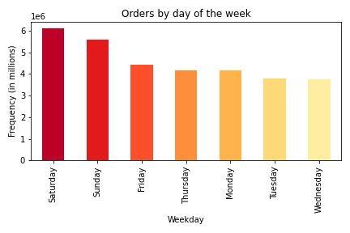

The following profiles were created: | Low income Parent: Has 2 or more dependents, income is less than $50,000 and buys from the top 9 departments. Low income Single: Has 0 dependents, income is less than $50,000 and buys from the top 9 departments. Young Parent: Age between 24 and 44, has 2 or more dependents, income is between $50,000 and $300,000 and buys from the top 9 departments. Young Single: Age between 24 and 44, has 0 dependents, income is between $50,000 and $300,000 and buys from the top 9 departments. Adult Parent: Age between 45 and 64, has 2 or more dependents, income is between $50,000 and $300,000 and buys from the top 9 departments. Adult Single: Age between 45 and 64, has 0 dependents, income is between $50,000 and $300,000 and buys from the top 9 departments. Older Parent: Age is 65 and older, has 2 or more dependents, income is between $50,000 and $300,000 and buys from the top 9 departments. Older Single: Age is 65 and older, has0 dependents, income is between $50,000 and $300,000 and buys from the top 9 departments. High income Parent: Has 2 or more dependents, income is more than $300,000 and buys from the top 9 departments. High income Single: Has 0 dependents, income is more than $300,000 and buys from the top 9 departments. Other: Customers that do not fit in any of the profiles listed above.
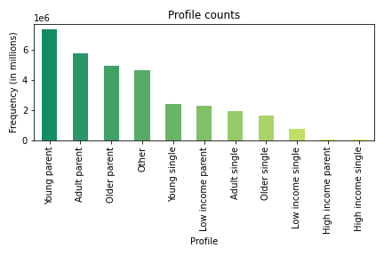
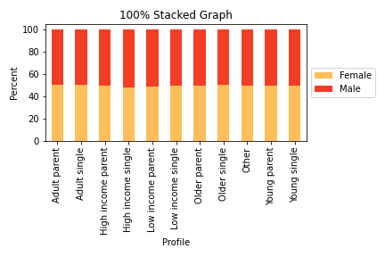

Parents (age 24 - 64) with an income greater than $50,000 are almost 57% of our customers.
&
We have almost the same number of female and male customers.

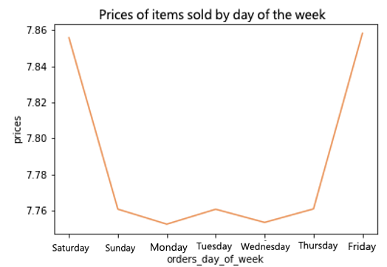
1. Busiest day of the week:

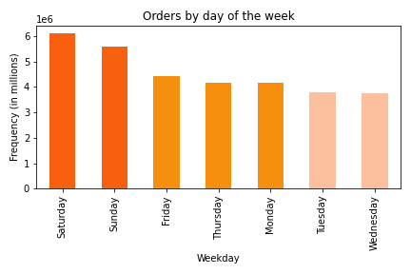
Saturday and Sunday are the Busiest days.
Friday, Thursday, and Monday are Regular days.
Tuesday and Wednesday are Slowest days
Although, on Saturday and Friday, customers buy more expensive products.

2. Times of the day when people spend the most money.
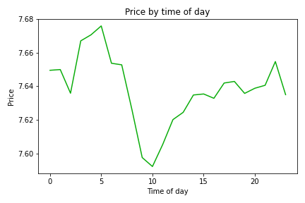
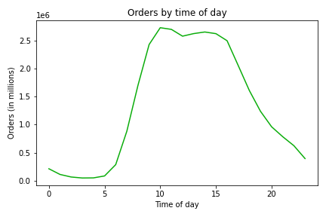
Customers start placing more order right after 5am, those items tend to be more expensive.
Eventhough the maximum amount of order is around 10 am, those item tend to be of a lower price.

3. Use a different price-range-grouping to help the Marketing and Sales departments.
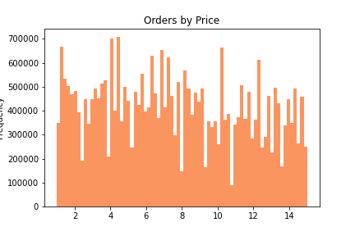
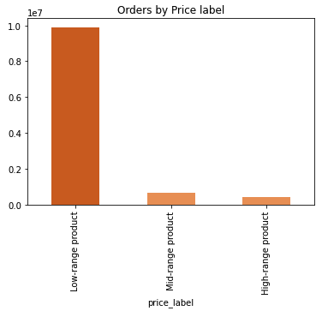

Most of the products sold are under $15.
Low-range products are less than $5.
Mid-Range products fall between $5 - $15.
High-range products are more than $15.

4. Are certain products more popular than others? Which departments have the highest frequency of products?
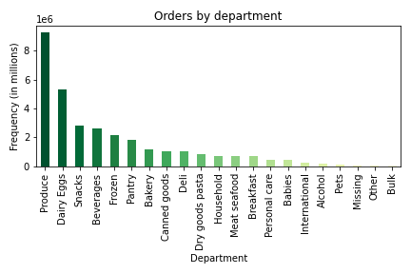
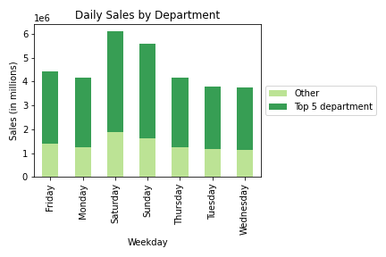

From the top 100 items sold, 49 are an organic type of produce.

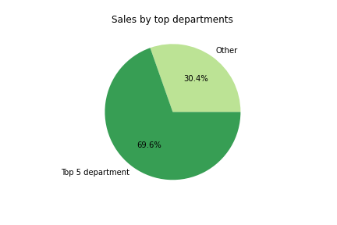

5. The marketing and sales teams are particularly interested in the different types of customers in their system and how their ordering behaviors differ. For example:
● What’s the distribution among users in regards to their brand loyalty (i.e., how often do they return to Instacart)?
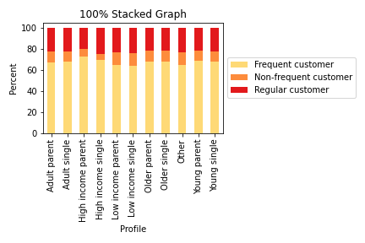
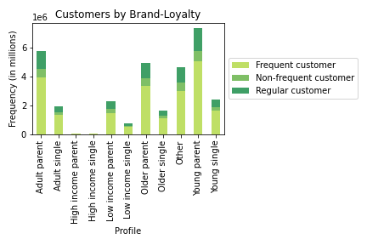

● Are there differences in ordering habits based on a customer’s loyalty status?
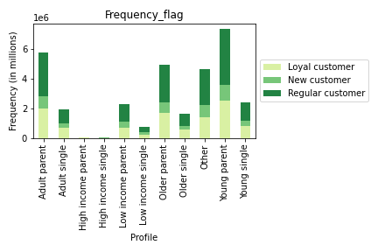
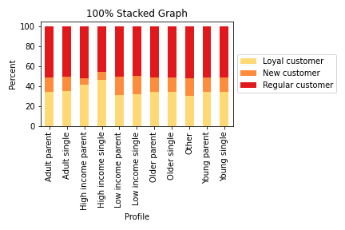

● Are there differences in ordering habits based on a customer’s region?
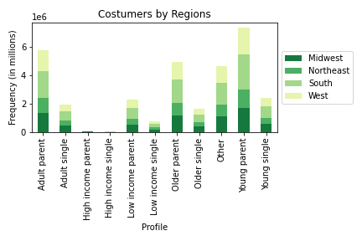
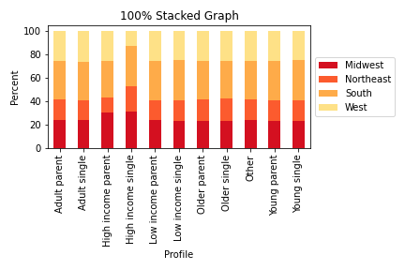

● Is there a connection between age and family status in terms of ordering habits?

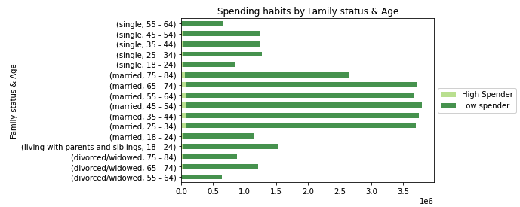
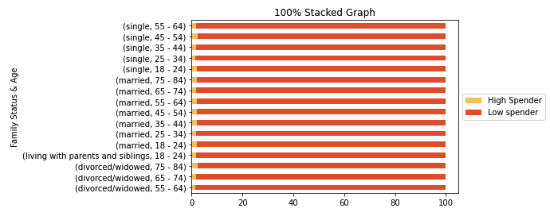

● What different classifications does the demographic information suggest? Age? Income? Certain types of goods? Family status?

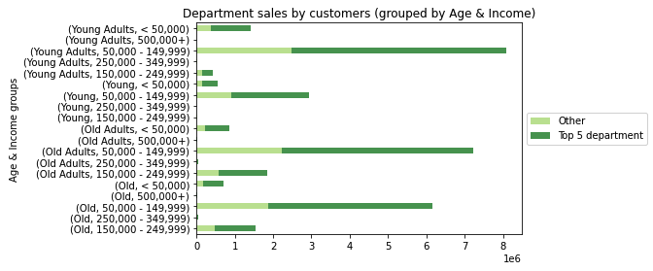
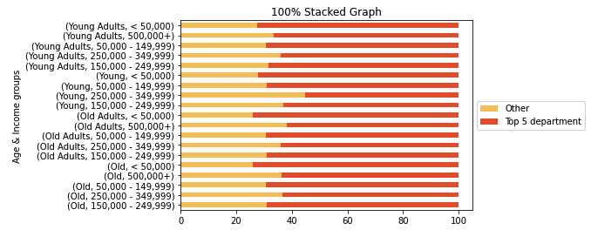

● What differences can you find in ordering habits of different customer profiles? Consider the price of orders, the frequency of orders, the products customers are ordering, and anything else you can think of.
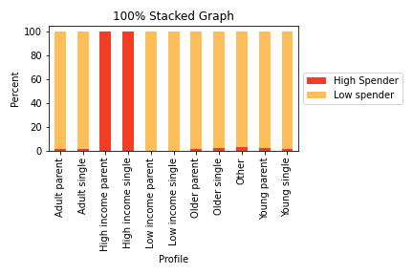
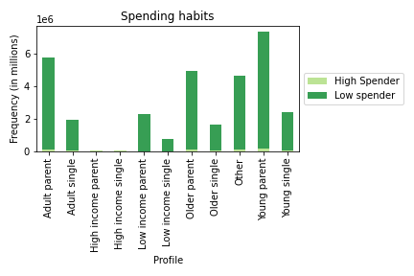

High income customers only buy products that cost $15 or more

7. Recommendations
 | Title page

Recommendations

1. The sales team needs to know what the busiest days of the week and hours of the day are in order to schedule ads at times when there are fewer orders.

Tuesdays and Wedensdays are the least busy days.
After 5pm the sales start to decrease until 5am.
RECOMMENDATION:
Schedule ads on Tuesday and Wednesday after 3pm.

2. They also want to know whether there are particular times of the day when people spend the most money, as this might inform the type of products they advertise at these times.

Customers buy more expensive items throughout Friday and Saturday.
There is also a spike between Wedensdays nights and Thursdays late night (Wed 9pm - Thurs 4am)
RECOMMENDATION:
Sundays are usually a busy day, but around 9am-12pm (late-morning) customers buy more inexpensive items. So there should some ads promoting items that are above the mean price.

3. Instacart has a lot of products with different price tags. Marketing and sales want to use simpler price range groupings to help direct their efforts.
Most of the items sold are below $15. The current price range price tags do not give us much information on the items sold.
RECOMMENDATION:
Update the current price-range-pric-tags:
Example:
Low-range-product < 4dlls
Mid-range-product is between [4 - 8 dlls)
High-range-product >= 8dlls
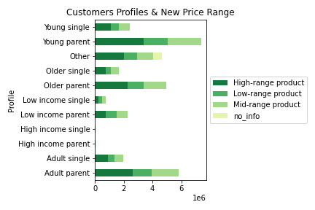

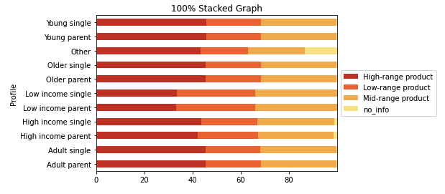

4. Are there certain types of products that are more popular than others? The marketing and sales teams want to know which departments have the highest frequency of product orders.

The top 5 departments have close to 70% of the total items ordered.
During Wedensdays & Thursdays we see the most amount of items sold from the Top 5 departments.
RECOMMENDATION:
Run a promotional campaing during the weekend to increase the sales of the most populat departments.

5. The marketing and sales teams are particularly interested in the different types of customers in their system and how their ordering behaviors differ
● What’s the distribution among users in regards to their brand loyalty (i.e., how often do they return to Instacart)?
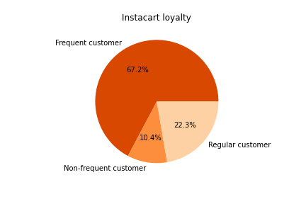

The distribution of our customers by profile is very similar, and we have a big percent of Frequent customers
RECOMMENDATION:
Have a promotion, probably during the weekends, to make regular customers become a frequent customer. and Non-frequent-customer to become regular or frequent customers. A point-reward system might work.

● Are there differences in ordering habits based on a customer’s loyalty status?
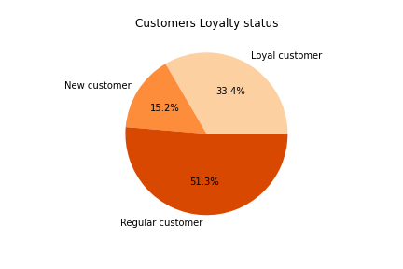

Most of out customer regular customers.
RECOMMENDATION:
We can use the point reward system described above. Include the point system and also a Tier system that can give customers benefits according to the points earned each time they place an order.

● Are there differences in ordering habits based on a customer’s region?
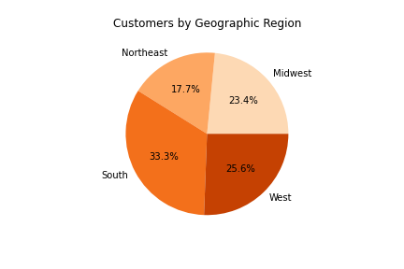

There is usually more people in the South region on the country.
RECOMMENDATION:
Since the Northeast has the lowest number of customers, and the winter tends to be strong, we might offer our services during those snowy days.

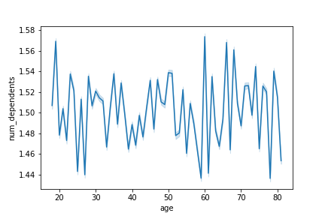
● Is there a connection between age and family status in terms of ordering habits?

The number of dependents varies in all ages.
RECOMMENDATION:
Do not focus on the number of dependents and age, since this 2 variables do not have a correlation.

● What different classifications does the demographic information suggest? Age? Income? Certain types of goods? Family status?
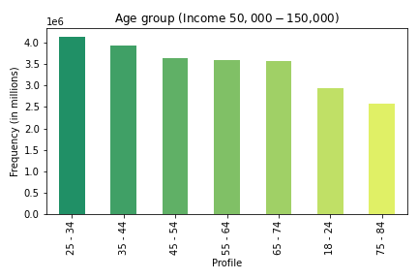
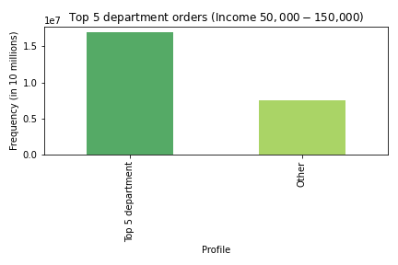
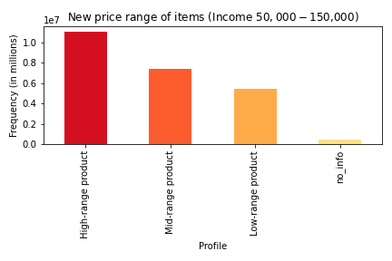

There is a big difference on spending habits if we see all of out customers (green) compared to our target group (orange).

Around 77% of our customers have an income between $50,000 and $150,000.
I created a subset showing only these customers.
RECOMMENDATION:
If we change the classificationof items (question3):
- Low-range-product < 4dlls
- Mid-range-product is between [4 - 8 dlls)
- High-range-product >= 8dlls
Then we can see a better distribution, and notice that our target group mostly buys products that are above 8dlls.
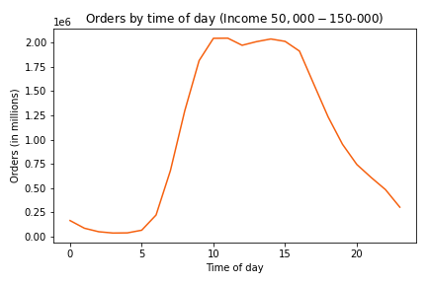
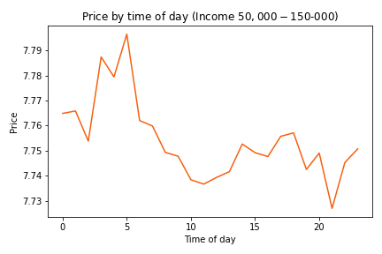

● What differences can you find in ordering habits of different customer profiles? Consider the price of orders, the frequency of orders, the products customers are ordering, and anything else you can think of.

All of our customers tend to have the same behaviors accross the country. The only difference is that people with an income greater than $300,000 will order expensive items ($15 or more). But ther are just a few customers that have that income.
RECOMMENDATION:
Focus on people, any age, any gender, any family status that have an income between $50,000 and $150,000. They are the ones that use Instacart the most.

