CFG-Paths
 | VVTA, PPFDP Informatica, 2021-2022

Covered source code |  | Control Flow Graph (CFG) | Cyclomatic Complexity (CC)

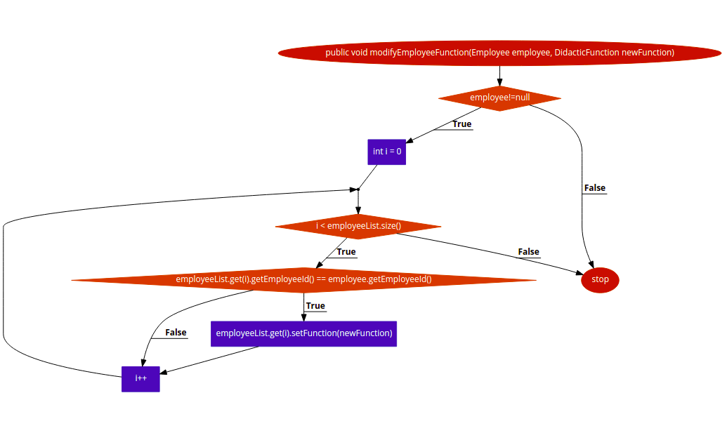
Line No. | Source code | please insert the CFG for tested method | CC1 = No. of regions = 4
1 | public void modifyEmployeeFunction(Employee employee, DidacticFunction newFunction) { | It may be a screen capture, image, picture taken by phone, etc. | CC2 = Edges - Nodes + 2 = 10-8+2 = 4
2 | if (employee!=null) { |  | CC3 = No. of Conditions + 1 = 4
3 | int i = 0;
4 | while (i < employeeList.size()) {
5 | if (employeeList.get(i).getEmployeeId() == employee.getEmployeeId()) |  | Individual Paths
6 | employeeList.get(i).setFunction(newFunction);
7 | I++; |  | Path No. | Path
8 | } |  | P01 | 1-2F-10
9 | } |  | P02 | 1-2T-3-4F-9-10
10 | } |  | P03 | 1-2T-3-4T-5F-7-8-4F-9-10
11 |  |  | P04 | 1-2T-3-4T-5T-6-7-8-4F-9-10
1
12
13
14
15
16
17
18
2
19
20
21
22
23

3
4

