Fig. 2
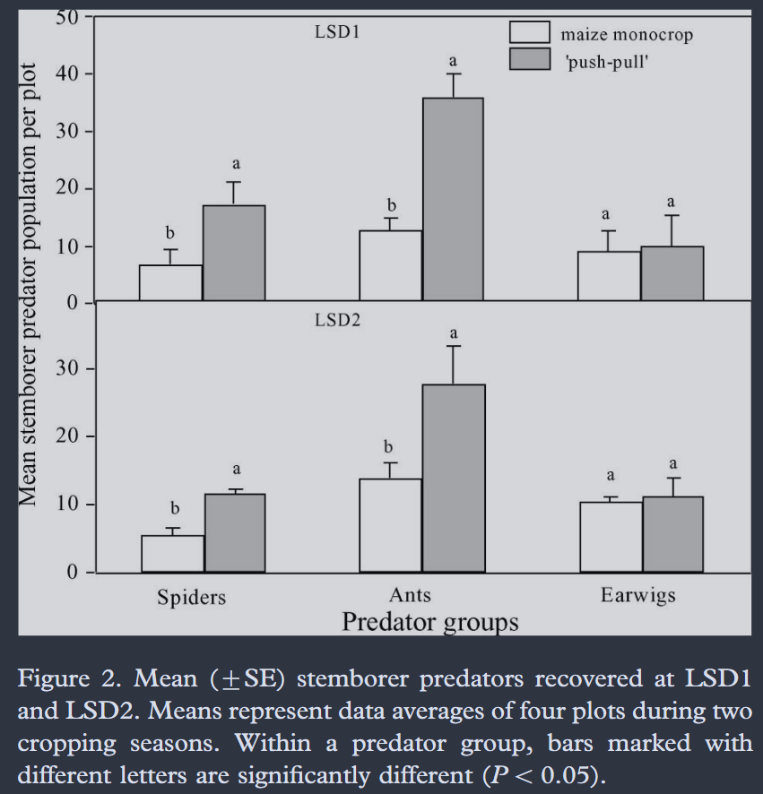
 | LSD1 |  |  |  |  |  |  |  |  |  |  |  | LSD2
 | Monocrop |  |  |  |  |  | Push-pull |  |  |  |  |  | Monocrop |  |  |  |  |  | Push-pull
 | Spiders |  | Ants |  | Earwigs |  | Spiders |  | Ants |  | Earwigs |  | Spiders |  | Ants |  | Earwigs |  | Spiders |  | Ants |  | Earwigs
 | 9.1836734694 | 6.6326530612 | 14.795918367 | 12.5 | 12.755102041 | 8.9285714286 | 20.918367347 | 17.346938776 | 40.051020408 | 35.714285714 | 15.306122449 | 9.693877551 | 6.6428571429 | 5.5714285714 | 16.071428571 | 13.928571429 | 11.357142857 | 10.5 | 12.428571429 | 11.571428571 | 33.428571429 | 27.857142857 | 14.142857143 | 11.357142857
 | Upper | Mean | Upper | Mean | Upper | Mean | Upper | Mean | Upper | Mean | Upper | Mean | Upper | Mean | Upper | Mean | Upper | Mean | Upper | Mean | Upper | Mean | Upper | Mean
SE | 2.5510204082 |  | 2.2959183673 |  | 3.8265306122 |  | 3.5714285714 |  | 4.3367346939 |  | 5.612244898 |  | 1.0714285714 |  | 2.1428571429 |  | 0.85714285714 |  | 0.85714285714 |  | 5.5714285714 |  | 2.7857142857

Fig. 3
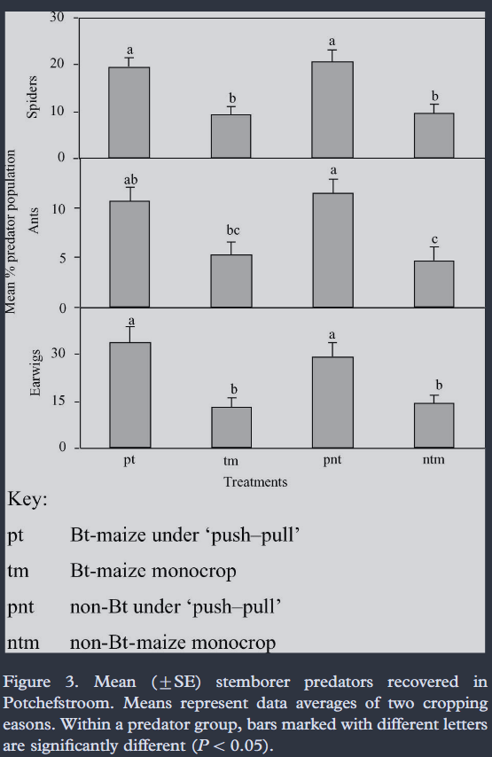
 | Spiders |  |  |  |  |  |  |  | Ants |  |  |  |  |  |  |  | Earwigs
 | pt |  | tm |  | pnt |  | ntm |  | pt |  | tm |  | pnt |  | ntm |  | pt |  | tm |  | pnt |  | ntm
Upper/Mean | 21.176470588 | 19.117647059 | 10.882352941 | 9.1176470588 | 22.941176471 | 20.294117647 | 11.470588235 | 9.4117647059 | 12.083333333 | 10.694444444 | 6.6666666667 | 5.2777777778 | 12.916666667 | 11.527777778 | 6.1111111111 | 4.7222222222 | 38.955223881 | 34.029850746 | 16.119402985 | 12.985074627 | 34.029850746 | 29.104477612 | 17.014925373 | 14.328358209
SE |  | 2.0588235294 |  | 1.7647058824 |  | 2.6470588235 |  | 2.0588235294 |  | 1.3888888889 |  | 1.3888888889 |  | 1.3888888889 |  | 1.3888888889 |  | 4.9253731343 |  | 3.1343283582 |  | 4.9253731343 |  | 2.6865671642

