Sheet1
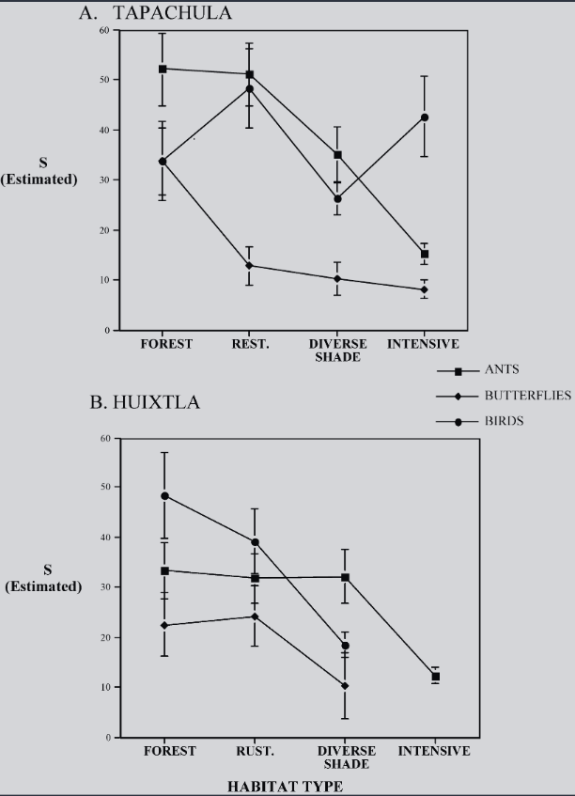
 | Tap - Forest |  | Tap - Rest |  | Tap - DivShad |  | Tap - Intens |  | Huix - Forest |  | Huix - Rust |  | Huix - Divshad |  | Huix - Int
Butterflies | 40.754716981 | 33.962264151 | 16.981132075 | 13.20754717 | 13.962264151 | 10.566037736 | 10.566037736 | 8.3018867925 | 29.044585987 | 22.547770701 | 30.573248408 | 24.076433121 | 17.197452229 | 10.318471338
 |  | 6.7924528302 |  | 3.7735849057 |  | 3.3962264151 |  | 2.2641509434 |  | 6.4968152866 |  | 6.4968152866 |  | 6.8789808917
Birds | 41.886792453 | 33.962264151 | 56.603773585 | 48.301886792 | 29.811320755 | 26.79245283 | 50.943396226 | 42.641509434 | 57.707006369 | 48.917197452 | 46.242038217 | 39.363057325 | 21.401273885 | 18.343949045
 |  | 7.9245283019 |  | 8.3018867925 |  | 3.0188679245 |  | 8.3018867925 |  | 8.7898089172 |  | 6.8789808917 |  | 3.0573248408
Ants | 59.622641509 | 52.452830189 | 57.735849057 | 51.320754717 | 41.132075472 | 35.094339623 | 17.735849057 | 15.471698113 | 39.363057325 | 33.630573248 | 37.070063694 | 32.101910828 | 37.834394904 | 32.484076433 | 14.140127389 | 12.229299363
 |  | 7.1698113208 |  | 6.4150943396 |  | 6.0377358491 |  | 2.2641509434 |  | 5.7324840764 |  | 4.9681528662 |  | 5.3503184713 |  | 1.9108280255

