Charts
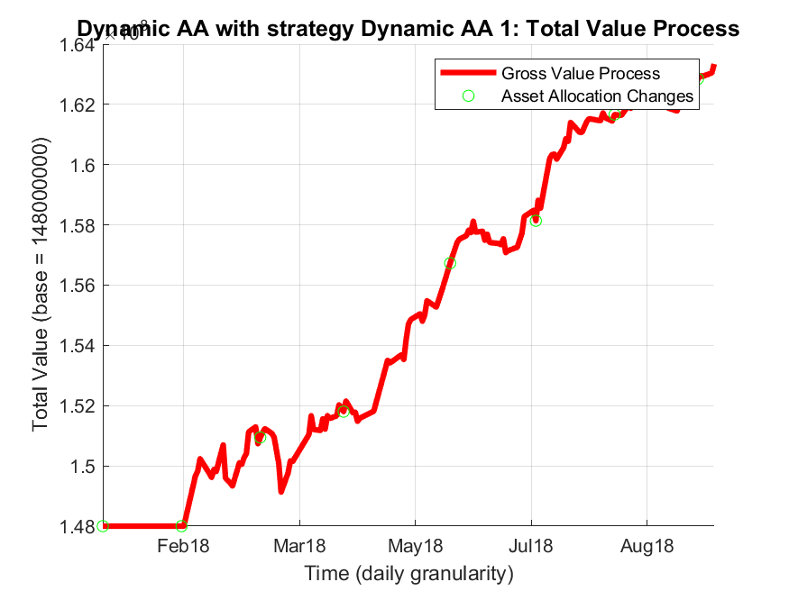




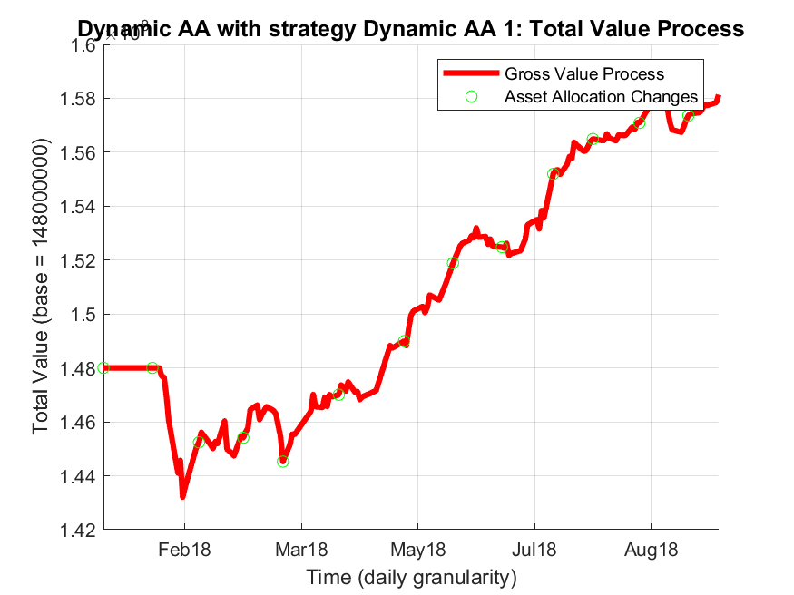
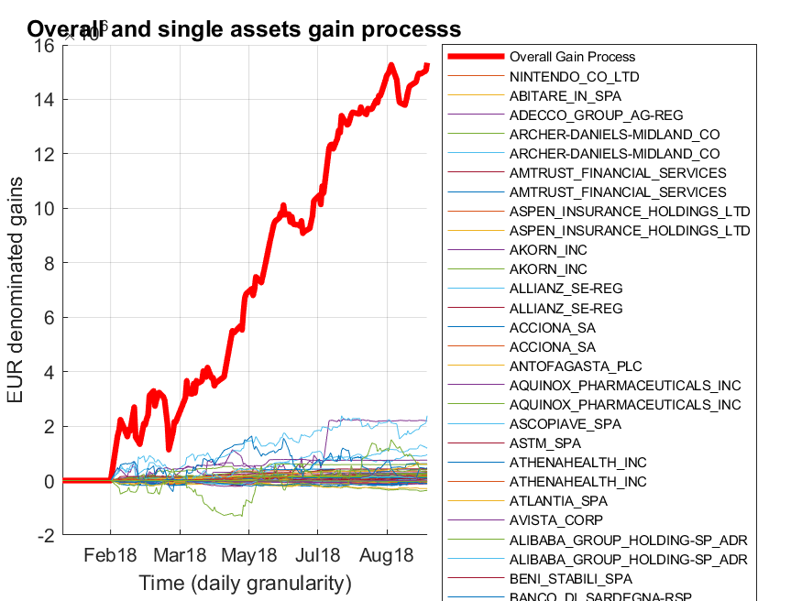




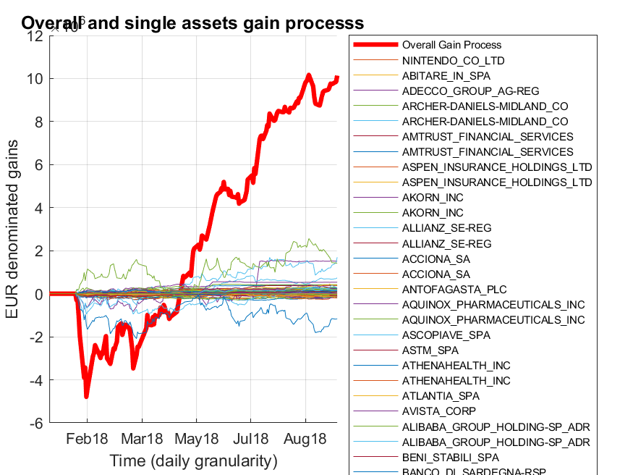
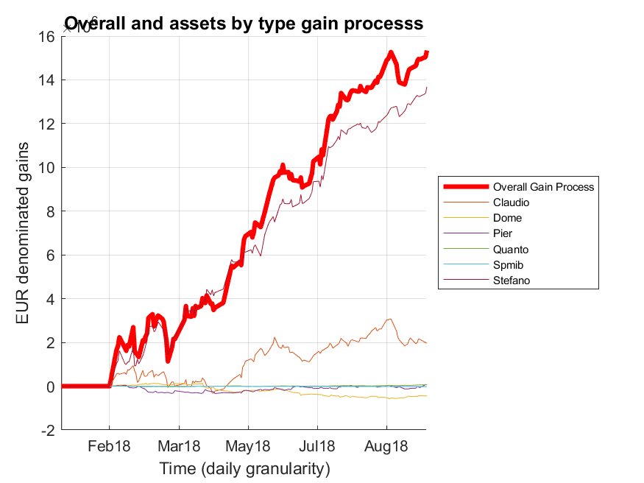




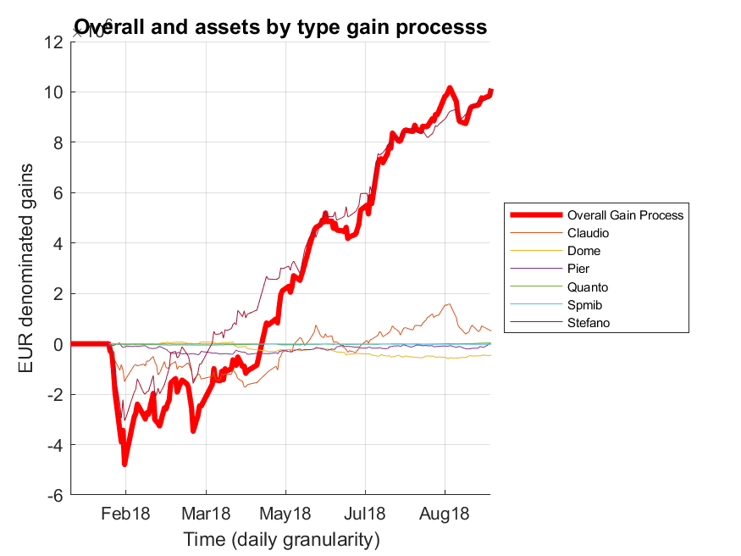
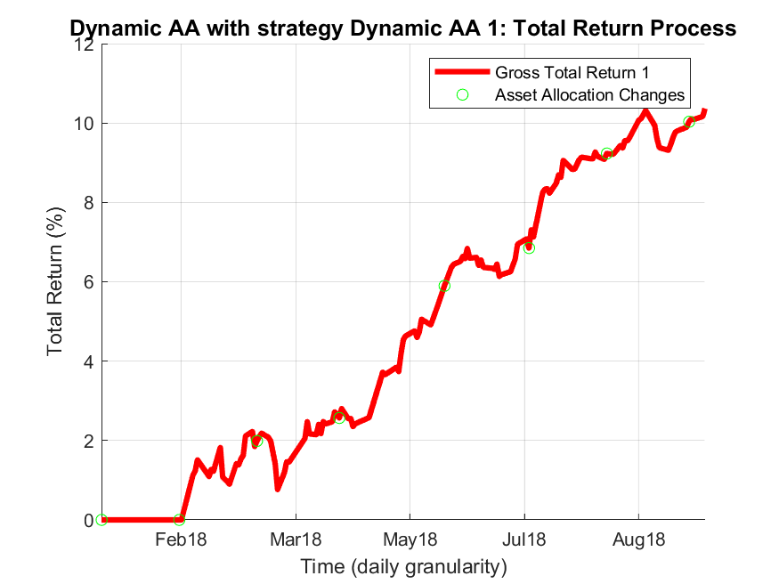




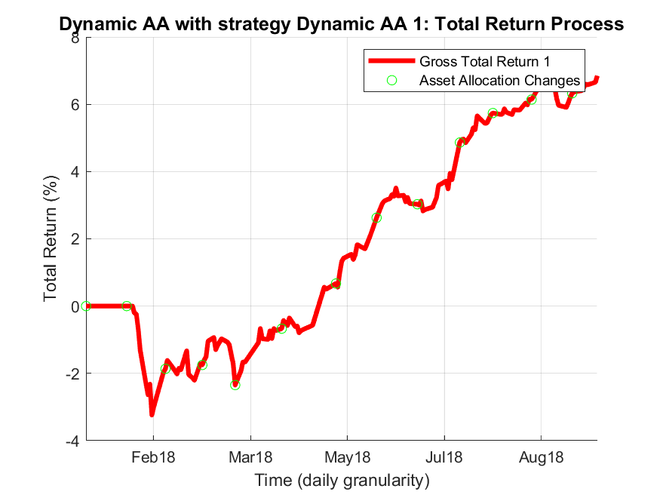
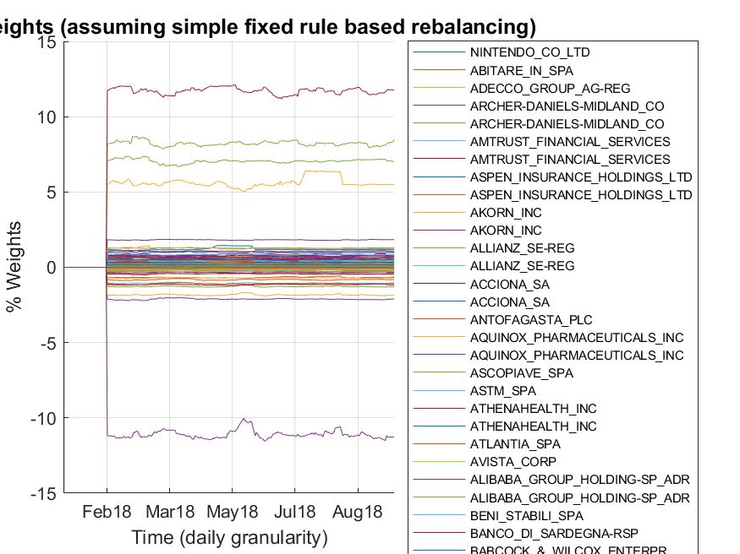




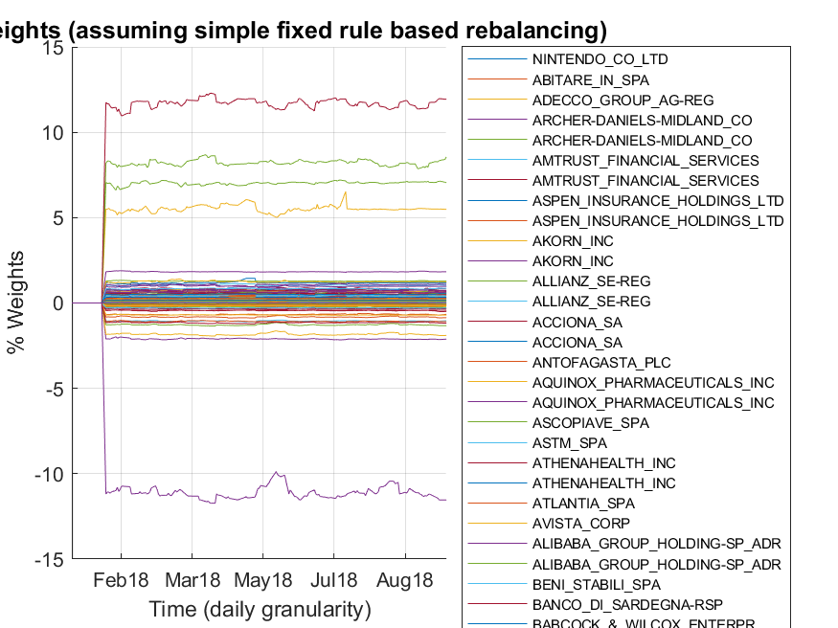
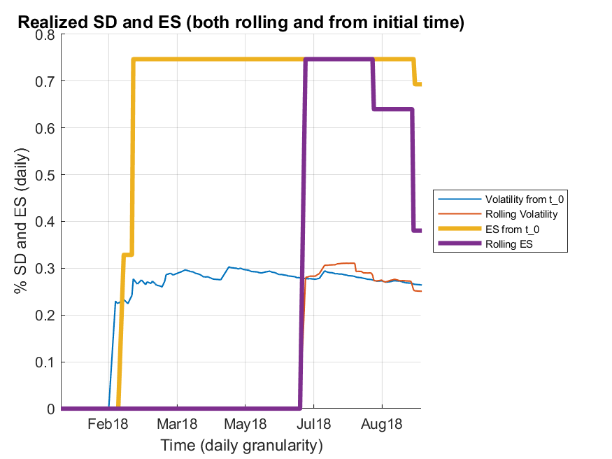




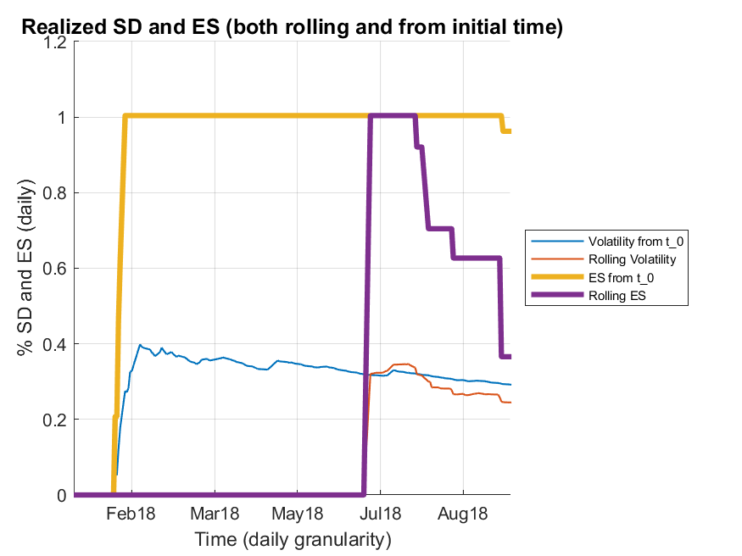
6
 | EquityDeskDaily in Variance/Return space Target: Risk Hiddensize=40 - selected range = 0.2% - 0.4% | EquityDeskDaily in Variance/Return space Target: Risk Hiddensize=40 - selected range = 0.2% - 0.4% | EquityDeskDaily in Variance/Return space Target: Risk Hiddensize=40 - selected range = 0.2% - 0.4% | EquityDeskDaily in Variance/Return space Target: Risk Hiddensize=40 - selected range = 0.2% - 0.4% | EquityDeskDaily in Variance/Return space Target: Risk - selected range = 0.2% - 0.4% | EquityDeskDaily in Variance/Return space Target: Risk - selected range = 0.2% - 0.4%

