En_clase
 | Estimado | Real
n | x | y | y=b0+b1*x | x^2 | x*y | y^2
1 | 130 | 186 | 202.07868265 | 16900 | 24180 | 34596
2 | 650 | 699 | 1100.6035443 | 422500 | 454350 | 488601
3 | 99 | 132 | 148.51277744 | 9801 | 13068 | 17424
 | y | y=b0+b1*x
130 | 186 | 202.07868265
650 | 699 | 1100.6035443
99 | 132 | 148.51277744
150 | 272 | 236.63733118
128 | 291 | 198.6228178
302 | 331 | 499.28305996
95 | 199 | 141.60104774
945 | 1890 | 1610.34361
368 | 788 | 613.32660009
961 | 1601 | 1637.9905288
4 | 150 | 272 | 236.63733118 | 22500 | 40800 | 73984
5 | 128 | 291 | 198.6228178 | 16384 | 37248 | 84681
6 | 302 | 331 | 499.28305996 | 91204 | 99962 | 109561
7 | 95 | 199 | 141.60104774 | 9025 | 18905 | 39601
8 | 945 | 1890 | 1610.34361 | 893025 | 1786050 | 3572100
9 | 368 | 788 | 613.32660009 | 135424 | 289984 | 620944
10 | 961 | 1601 | 1637.9905288 | 923521 | 1538561 | 2563201
x= | 386 |  | 644.42938376 | 148996
sum | 3828 | 6389 | 6389 | 2540284 | 4303108 | 7604693
avg | 382.8 | 638.9
 |  |  |  |  |  | Comprobacion
 |  |  | b1 | 1857398.8 | covar | 185739.88
 |  |  |  | 1074925.6 | var.p | 107492.56

 |  |  | b1 | 1.7279324262 | 0 | 1.7279324262

 |  |  | b0 | -22.552532752 | 0

 |  |  | r | 18573988 | covar*100 | 18573988
 |  |  |  | 10749256 | 35227609 | 378670587408904 | 19459460.101
 |  |  |  | Termino 1 | Termino 2 | Ter1*Ter2 | Raiz()

 |  |  | r | 18573988
 |  |  |  | 19459460.101

 |  |  | r | 0.9544965741

 |  |  | r^2 | 0.91106370998 | Predictive; Use it with high confidence

Ej.1
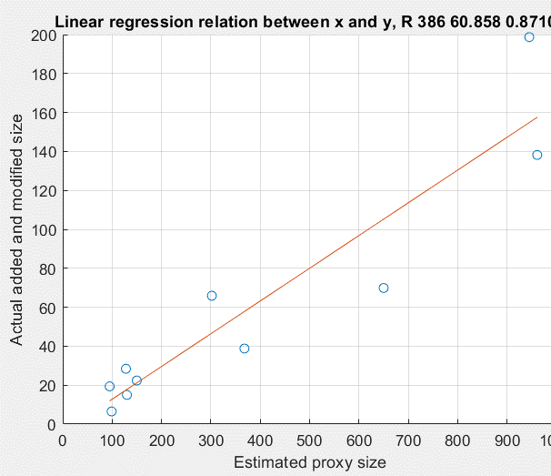
 | y | y=b0+b1*x
130 | 15 | 17.81758291
650 | 69.9 | 105.24344085
99 | 6.5 | 12.605656764
150 | 22.4 | 21.180115908
128 | 28.4 | 17.48132961
302 | 65.9 | 46.73536669
95 | 19.4 | 11.933150164
945 | 198.7 | 154.84080256
368 | 38.8 | 57.831725582
961 | 138.2 | 157.53082896
 | Estimado | Real
n | x | y | y=b0+b1*x | x^2 | x*y | y^2
1 | 130 | 15 | 17.81758291 | 16900 | 1950 | 225
2 | 650 | 69.9 | 105.24344085 | 422500 | 45435 | 4886.01
3 | 99 | 6.5 | 12.605656764 | 9801 | 643.5 | 42.25
4 | 150 | 22.4 | 21.180115908 | 22500 | 3360 | 501.76
5 | 128 | 28.4 | 17.48132961 | 16384 | 3635.2 | 806.56
6 | 302 | 65.9 | 46.73536669 | 91204 | 19901.8 | 4342.81
7 | 95 | 19.4 | 11.933150164 | 9025 | 1843 | 376.36
8 | 945 | 198.7 | 154.84080256 | 893025 | 187771.5 | 39481.69
9 | 368 | 38.8 | 57.831725582 | 135424 | 14278.4 | 1505.44
10 | 961 | 138.2 | 157.53082896 | 923521 | 132810.2 | 19099.24
x= | 386 |  | 60.85800528 | 148996
sum | 3828 | 603.2 | 603.2 | 2540284 | 411628.6 | 71267.12
avg | 382.8 | 60.32
 |  |  |  |  |  | Comprobacion
 |  |  | b1 | 180723.64 | covar | 18072.364
 |  |  |  | 1074925.6 | var.p | 107492.56

 |  |  | b1 | 0.16812664988 | 0 | 0.16812664988

 |  |  | b0 | -4.0388815747 | 0

 |  |  | r | 1807236.4 | covar*100 | 1807236.4
 |  |  |  | 10749256 | 348820.96 | 3.7495657972E+12 | 1936379.5592
 |  |  |  | Termino 1 | Termino 2 | Ter1*Ter2 | Raiz()

 |  |  | r | 1807236.4
 |  |  |  | 1936379.5592

 |  |  | r | 0.93330689814

 |  |  | r^2 | 0.87106176612 | Predictive; Use it with high confidence

Ej. 2
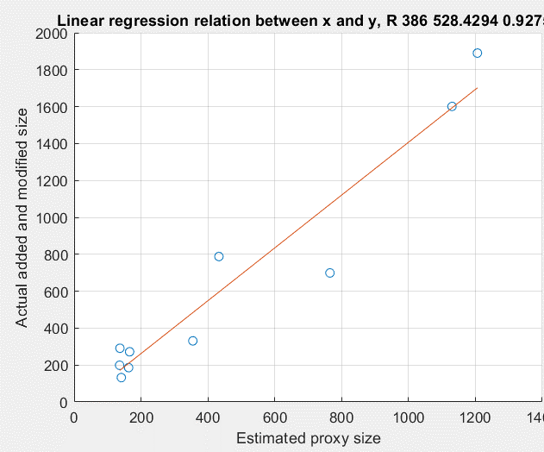
 | y | y=b0+b1*x
163 | 186 | 209.32372355
765 | 699 | 1070.7658236
141 | 132 | 177.84245079
166 | 272 | 213.61662438
137 | 291 | 172.11858301
355 | 331 | 484.06937671
136 | 199 | 170.68761607
1206 | 1890 | 1701.8222457
433 | 788 | 595.6847983
1130 | 1601 | 1593.068758
 | Estimado | Real
n | x | y | y=b0+b1*x | x^2 | x*y | y^2
1 | 163 | 186 | 209.32372355 | 26569 | 30318 | 34596
2 | 765 | 699 | 1070.7658236 | 585225 | 534735 | 488601
3 | 141 | 132 | 177.84245079 | 19881 | 18612 | 17424
4 | 166 | 272 | 213.61662438 | 27556 | 45152 | 73984
5 | 137 | 291 | 172.11858301 | 18769 | 39867 | 84681
6 | 355 | 331 | 484.06937671 | 126025 | 117505 | 109561
7 | 136 | 199 | 170.68761607 | 18496 | 27064 | 39601
8 | 1206 | 1890 | 1701.8222457 | 1454436 | 2279340 | 3572100
9 | 433 | 788 | 595.6847983 | 187489 | 341204 | 620944
10 | 1130 | 1601 | 1593.068758 | 1276900 | 1809130 | 2563201
x= | 386 |  | 528.42935196 | 148996
sum | 4632 | 6389 | 6389 | 3741346 | 5242927 | 7604693
avg | 463.2 | 638.9
 |  |  |  |  |  | Comprobacion
 |  |  | b1 | 2283542.2 | covar | 228354.22
 |  |  |  | 1595803.6 | var.p | 159580.36

 |  |  | b1 | 1.4309669436 | 0 | 1.4309669436

 |  |  | b0 | -23.923888253 | 0

 |  |  | r | 22835422 | covar*100 | 22835422
 |  |  |  | 15958036 | 35227609 | 562163452615924 | 23709986.348
 |  |  |  | Termino 1 | Termino 2 | Ter1*Ter2 | Raiz()

 |  |  | r | 22835422
 |  |  |  | 23709986.348

 |  |  | r | 0.96311409315

 |  |  | r^2 | 0.92758875642 | Predictive; Use it with high confidence

Ej. 3
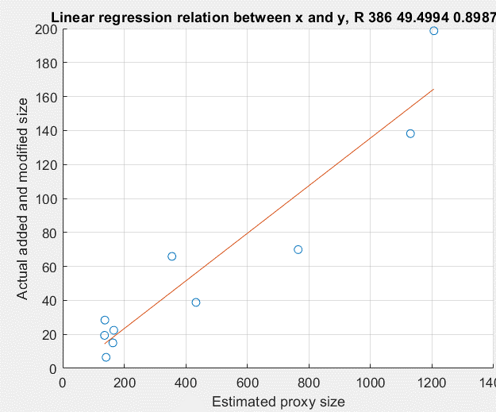
 | y | y=b0+b1*x
163 | 15 | 18.242909378
765 | 69.9 | 102.62135226
141 | 6.5 | 15.159311798
166 | 22.4 | 18.663399957
137 | 28.4 | 14.598657692
355 | 65.9 | 45.154306445
136 | 19.4 | 14.458494166
1206 | 198.7 | 164.4334674
433 | 38.8 | 56.087061503
1130 | 138.2 | 153.7810394
 |  | Estimado | Real
 | n | x | y | y=b0+b1*x | x^2 | x*y | y^2
 | 1 | 163 | 15 | 18.242909378 | 26569 | 2445 | 225
 | 2 | 765 | 69.9 | 102.62135226 | 585225 | 53473.5 | 4886.01
 | 3 | 141 | 6.5 | 15.159311798 | 19881 | 916.5 | 42.25
 | 4 | 166 | 22.4 | 18.663399957 | 27556 | 3718.4 | 501.76
 | 5 | 137 | 28.4 | 14.598657692 | 18769 | 3890.8 | 806.56
 | 6 | 355 | 65.9 | 45.154306445 | 126025 | 23394.5 | 4342.81
 | 7 | 136 | 19.4 | 14.458494166 | 18496 | 2638.4 | 376.36
 | 8 | 1206 | 198.7 | 164.4334674 | 1454436 | 239632.2 | 39481.69
 | 9 | 433 | 38.8 | 56.087061503 | 187489 | 16800.4 | 1505.44
n= | 10 | 1130 | 138.2 | 153.7810394 | 1276900 | 156166 | 19099.24
 | x= | 386 |  | 49.499375763 | 148996
 | sum | 4632 | 603.2 | 603.2 | 3741346 | 503075.7 | 71267.12
 | avg | 463.2 | 60.32
 |  |  |  |  |  |  | Comprobacion
 |  |  |  | b1 | 223673.46 | covar | 22367.346
 |  |  |  |  | 1595803.6 | var.p | 159580.36

 |  |  |  | b1 | 0.14016352639 | 0 | 0.14016352639

 |  |  |  | b0 | -4.6037454233 | 0

 |  |  |  | r | 2236734.6 | covar*100 | 2236734.6
 |  |  |  |  | 15958036 | 348820.96 | 5.5664974372E+12 | 2359342.5858
 |  |  |  |  | Termino 1 | Termino 2 | Ter1*Ter2 | Raiz()

 |  |  |  | r | 2236734.6
 |  |  |  |  | 2359342.5858

 |  |  |  | r | 0.94803298743

 |  |  |  | r^2 | 0.89876654526 | Predictive; Use it with high confidence

