Hoja1
 | Metodo de Bairstow |  |  |  |  | r | s
 |  | X^4 – 8x^3 + 39x^2 -62x + 50 |  |  |  | -1 | -1

x | f(x) |  |  | a4 | a3 | a2 | a1 | a0 | r | s | b0 | b1 | c3 | c2 | c1 | DeltaR | DeltaS | Error1 | Error2
-4.0000 | 1690 |  |  | 1 | -8 | 39 | -62 | 50 | -1 | -1 | 103 | -100 | -10 | 56 | -146 | 2.726730 | 5.269690 | 272.673031 | 526.968974
-3.8000 | 1496.2496 | r | -1 |  | -1 | 9 | -47 | 100 | 1.7267303103 | 4.2696897375 | 131.90562753 | -32.774196057 | -4.5465393795 | 28.856487204 | -2.3591374838 | 0.420981 | -4.536674 | 24.380233 | 106.253014
-3.6000 | 1319.8496 | s | -1 |  |  | -1 | 9 | -47 | 2.1477111764 | -0.26698428195 | 33.897940052 | -4.2448379794 | -3.7045776473 | 17.940642506 | 35.275544444 | -0.109209 | -1.674718 | 5.084917 | 627.272220
-3.4000 | 1159.7056 |  |  | 1 | -9 | 47 | -100 | 103 | 2.038502 | -1.941703 | 2.3455553748 | 0.3459189957 | -3.9229963294 | 14.967034806 | 38.47353875 | -0.038350 | -0.058135 | 1.881270 | 2.994012
-3.2000 | 1014.7616 |  |  |  | -1 | 10 | -56 |  | 2.000152 | -1.999837
-3.0000 | 884 |  |  |  |  | -1 | 10
-2.8000 | 766.4416 |  |  | 1 | -10 | 56 | -146 |  | FORMULA DE R
-2.6000 | 661.1456 |  |  |  |  |  |  |  | ( r +- raiz( r*r + 4s) ) /2 |  | raiz | raiz | raiz
-2.4000 | 567.2096 |  |  |  |  |  |  |  | r0 | 2.000152 | -3.9987408399 | 3.9987408399 | -1 | 1.0000760556 | + | 0.9998425926 | i
-2.2000 | 483.7696 |  |  | 1 | -8 | 39 | -62 | 50 | r1 | 2.000152 | -3.9987408399 | 3.9987408399 | -1 | 1.0000760556 | - | 0.9998425926 | i
-2.0000 | 410 | r | 1.7267303103 |  | 1.7267303103 | -10.832244918 | 56.010719158 | -56.592197726
-1.8000 | 345.1136 | s | 4.2696897375 |  |  | 4.2696897375 | -26.784915215 | 138.49782526 | FORMULA GENERAL
-1.6000 | 288.3616 |  |  | 1 | -6.2732696897 | 32.43744482 | -32.774196057 | 131.90562753 | a | b | c
-1.4000 | 239.0336 |  |  |  | 1.7267303103 | -7.8506473533 | 49.827371103 |  | 1 | -5.9614981647 | 24.905772537
-1.2000 | 196.4576 |  |  |  |  | 4.2696897375 | -19.41231253 |  | x^2 - | 6x + | 25
-1.0000 | 160 |  |  | 1 | -4.5465393795 | 28.856487204 | -2.3591374838 |  |  |  |  | b*b | 4ac |  | raiz / 2 | raiz
-0.8000 | 129.0656 |  |  |  |  |  |  |  | r3 | 5.9614981647 | + | 35.539460368 | 99.623090147 | -64.083629779 | 4.0026125774 | -1 | 2.9807490824 | + | 4.0026125774 | i
-0.6000 | 103.0976 |  |  |  |  |  |  |  | r4 | 5.9614981647 | - | 35.539460368 | 99.623090147 | -64.083629779 | 4.0026125774 | -1 | 2.9807490824 | - | 4.0026125774 | i
-0.4000 | 81.5776 |  |  | 1 | -8 | 39 | -62 | 50
-4.0000 | 1690
-3.8000 | 1496.2496
-3.6000 | 1319.8496
-3.4000 | 1159.7056
-3.2000 | 1014.7616
-3.0000 | 884
-2.8000 | 766.4416
-2.6000 | 661.1456
-2.4000 | 567.2096
-2.2000 | 483.7696
-2.0000 | 410
-1.8000 | 345.1136
-1.6000 | 288.3616
-1.4000 | 239.0336
-1.2000 | 196.4576
-1.0000 | 160
-0.8000 | 129.0656
-0.6000 | 103.0976
-0.4000 | 81.5776
-0.2000 | 64.0256
0.0000 | 50
0.2000 | 39.0976
0.4000 | 30.9536
0.6000 | 25.2416
0.8000 | 21.6736
1.0000 | 20
1.2000 | 20.0096
1.4000 | 21.5296
1.6000 | 24.4256
1.8000 | 28.6016
2.0000 | 34
2.2000 | 40.6016
2.4000 | 48.4256
2.6000 | 57.5296
2.8000 | 68.0096
3.0000 | 80
3.2000 | 93.6736
3.4000 | 109.2416
3.6000 | 126.9536
3.8000 | 147.0976
4.0000 | 170
-0.2000 | 64.0256 | r | 2.1477111764 |  | 2.1477111764 | -12.569026114 | 56.192692891 | -9.1166859702
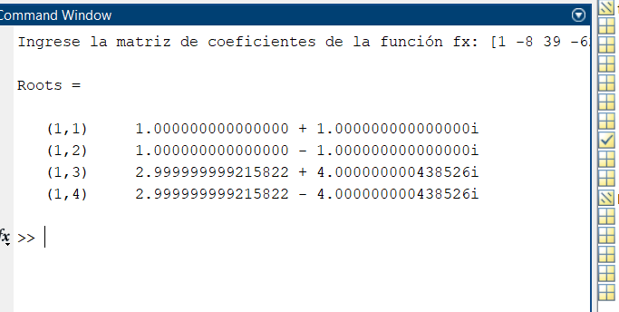
0.0000 | 50 | s | -0.26698428195 |  |  | -0.26698428195 | 1.5624691293 | -6.9853739773
0.2000 | 39.0976 |  |  | 1 | -5.8522888236 | 26.163989604 | -4.2448379794 | 33.897940052
0.4000 | 30.9536 |  |  |  | 2.1477111764 | -7.9563628168 | 38.53131842
0.6000 | 25.2416 |  |  |  |  | -0.26698428195 | 0.98906400307
0.8000 | 21.6736 |  |  | 1 | -3.7045776473 | 17.940642506 | 35.275544444
1.0000 | 20
1.2000 | 20.0096
1.4000 | 21.5296 |  |  | 1 | -8 | 39 | -62 | 50
1.6000 | 24.4256 | r | 2.038502 |  | 2.0385018353 | -12.15252495 | 50.770463026 | 0.7051565076
1.8000 | 28.6016 | s | -1.941703 |  |  | -1.9417025134 | 11.57545597 | -48.359601133
2.0000 | 34 |  |  | 1 | -5.9614981647 | 24.905772537 | 0.3459189957 | 2.3455553748
2.2000 | 40.6016 |  |  |  | 2.0385018353 | -7.9970352174 | 30.510327921
2.4000 | 48.4256 |  |  |  |  | -1.9417025134 | 7.6172918329
2.6000 | 57.5296 |  |  | 1 | -3.9229963294 | 14.967034806 | 38.47353875
2.8000 | 68.0096
3.0000 | 80
3.2000 | 93.6736
3.4000 | 109.2416
3.6000 | 126.9536
3.8000 | 147.0976
4.0000 | 170

