Tarea
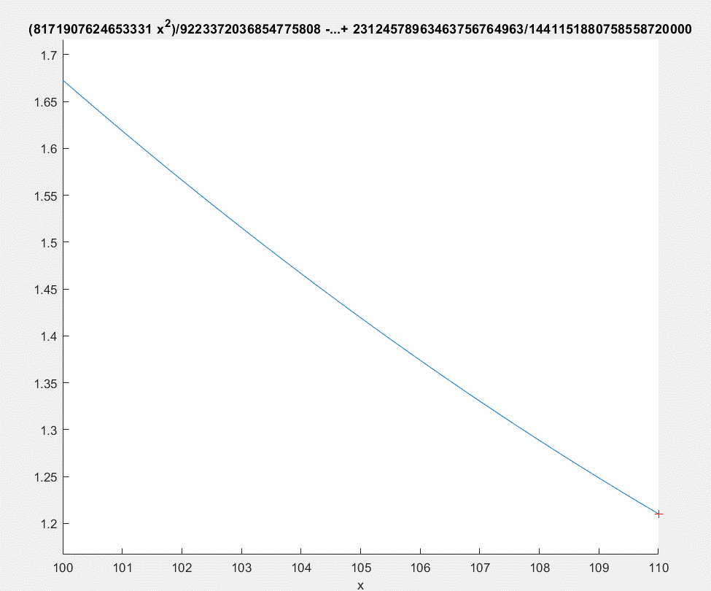
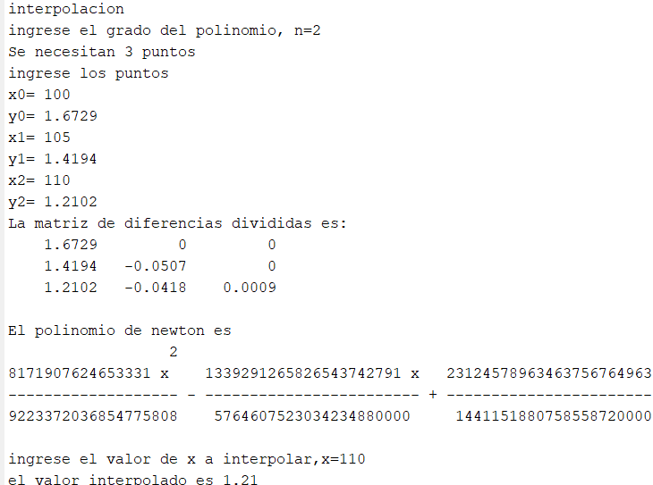
Polinomio Newthon
x | f(x) | xi | yi | D yi | D2 yi | H
90 | 2.3128 | 100 | 1.6729
95 | 1.9707 | 105 | 1.4194 | -0.2535 |  | 5
100 | 1.6729 | 110 | 1.2102 | -0.2092 | 0.0443
105 | 1.4194
110 | 1.2102
115 | 1.0453 |  | C0 | 1.6729 | Yi
120 | 0.9247 |  | C1 | -0.0507 | Yi/H
125 | 0.8484 |  | C2 | 0.000886 | Yi/2*H^2
130 | 0.8164
135 | 0.8287 |  | P2(x)= | 1.6729+(-0.0507)(x-100)+(0.000886)[(x-100)(x-105)]
140 | 0.8853 |  | P2(x)= | 0.000886x²-0.23233x+16.0459
145 | 0.9862
150 | 1.1314
155 | 1.3209
160 | 1.5547
165 | 1.8328
170 | 2.1552
175 | 2.5219
180 | 2.9329
185 | 3.3882
190 | 3.8878
90 | 2.3128 | 100 | 1.6729
95 | 1.9707 | 105 | 1.4194
100 | 1.6729 | 110 | 1.2102
105 | 1.4194
110 | 1.2102
115 | 1.0453
120 | 0.9247
125 | 0.8484
130 | 0.8164
135 | 0.8287
140 | 0.8853
145 | 0.9862
150 | 1.1314
155 | 1.3209
160 | 1.5547
165 | 1.8328
170 | 2.1552
175 | 2.5219
180 | 2.9329
185 | 3.3882
190 | 3.8878

