IndividualTeam

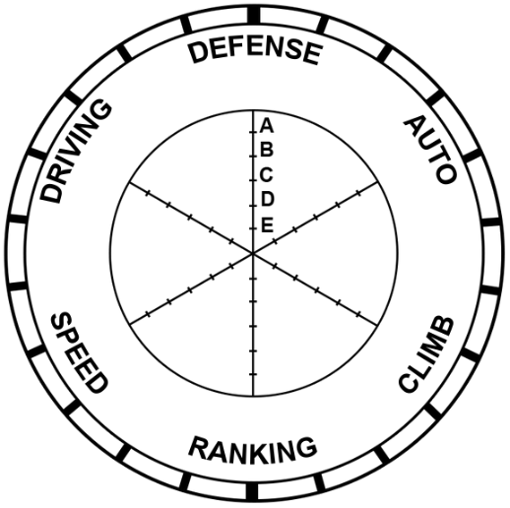
2508
2508 |  |  |  | 2508 | 2508
Armada Robotics |  |  | Defense | 1900% | 1000%
 |  |  | Auto | 20 | 15.5
 |  |  | climb, if they climbed in a match succesfully | 5 | 8
 |  |  | Ranking | 1980% | 640%
 |  |  | Speed | 1800% | 1200%
 |  |  | Driver Skill | 1800% | 1333%

Armada Robotics

 | 0 | 2508
 | Avg Defense | 50%
 | Avg Auto | 15.5
 | climb, if they climbed in a match succesfully | 8
 | Avg Speed | 60%
 | Avg Driver Skill | 67%
 | Ranking | 3.2

Teams
Team Number | Team Name | Robot Image | Column1 | Column2 | Column3 | Column4 | Column5 | Column6 | Column7 | Column8
2508 | Armada Robotics | 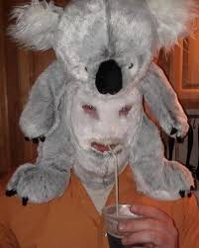
246 | BootyCheeks | 
8396 | Arm Unda da sea
8765 | Chicken coop
3646 | Talon Stinky

