Cover


RT Tax Mapping for ISV
eBusiness Suite
Revised to Release 12.2.6 or greater (Outbound Scenarios)
Brazilian Tax Reform

eBusiness Suite
Change Record
Date | Author | Version | Change Reference
4-Aug-25 | LACLS Team | 1 | Initial version
23-Sep-25 | LACLS Team | 2 | Review GLOBAL_ATTRIBUTES in AR_VAT_TAX_ALL for CBS and IBS - "Full Taxation" scenario
31-Oct-25 | LACLS Team | 3 | Scenarios: VAT Deferred, VAT Tax Reduction and VAT Suspension / Service Fiscal Document (ISS)
12-Dec-25 | LACLS Team | 4 | - Correct mapping of <vBC> tag in all scenarios - Correct rule to defined if Taxation is Full or Deferred in <pDif> tag - Correct mapping of <pIBSMun>and <pIBSUF> tags in Suspended Taxation scenario - Create Consolidated Mapping sheet

Purpose
eBusiness Suite

Purpose

The purpose of this document is to uniformize the Oracle eBusiness Suite setup to guarantee conformity with the demands of the Brazilian Tax Reform.

Safe Harbor
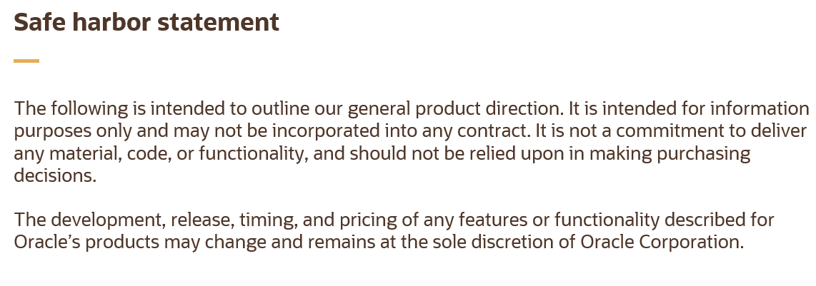
eBusiness Suite

Safe Harbor

Definition
eBusiness Suite

Definition

Subject | Description
VAT_Tributary_Situation for CBS, IBS and IS (CST) | For emission FD, must to consider column: ZL_GLOBAL_ATTRIBUTE13 in view: CLL_F255_AR_TOTAL_INV_TAXES_V: Example: 000 For identify the tax, use column: ARVT_GLOBAL_ATTRIBUTE10 If FD haven't taxes information in ZL_GLOBAL_ATTRIBUTE13 column, must to consider three first position of columns below in view: CLL_F255_AR_INVOICE_ITEMS_V: - rctt_global_attribute7 (CBS_Tax_Classification_Code) - rctt_global_attribute8 (IBS_Tax_Classification_Code) - rctt_global_attribute9 (IS_Tax_Classification_Code) Example: 000001
VAT_Tax_Classification_Code for CBS, IBS and IS (ClassTrib) | For emission FD, must to consider column: ZL_GLOBAL_ATTRIBUTE14 in view: CLL_F255_AR_TOTAL_INV_TAXES_V: Example: 000001 For identify the tax, use column: ARVT_GLOBAL_ATTRIBUTE10 If FD haven't taxes information in ZL_GLOBAL_ATTRIBUTE14 column, must to consider the columns below in view: CLL_F255_AR_INVOICE_ITEMS_V: - rctt_global_attribute7 (CBS_Tax_Classification_Code) - rctt_global_attribute8 (IBS_Tax_Classification_Code) - rctt_global_attribute9 (IS_Tax_Classification_Code) Example: 000001
Tax Type | Consider ARVT_GLOBAL_ATTRIBUTE10 column in view: CLL_F255_AR_TOTAL_INV_TAXES_V. Possible Values: - IS - CBS - IBS-MUN - IBS-UF
VAT_Tributary_Situation for CBS, IBS and IS (CST) "Tributacao Regular" | For emission FD, must to consider column: ARVT_GLOBAL_ATTRIBUTE19 in view: CLL_F255_AR_TOTAL_INV_TAXES_V: Example: 000 For identify the tax, use column: ARVT_GLOBAL_ATTRIBUTE10
VAT_Tax_Classification_Code for CBS, IBS and IS (ClassTrib) "Tributacao Regular" | For emission FD, must to consider column: ARVT_GLOBAL_ATTRIBUTE20 in view: CLL_F255_AR_TOTAL_INV_TAXES_V: Example: 000001 For identify the tax, use column: ARVT_GLOBAL_ATTRIBUTE10
LC116 (RPS) NFSe Nacional (DPS) - cTribMun | Item GDF (JG_MTL_SYSTEM_ITEMS): Service Code CLL_F255_INV_CATEGORY_ITEMS_V.ITEM_GLOBAL_ATTRIBUTE11
Código Municipal (RPS) NFSe Nacional (DPS) - cTribNac | Item Category: JLZZ_TAX_CITY_SERVICE_CODE CLL_F255_INV_CATEGORY_ITEMS_V.CATEGORY_NAME when CATEGORY_SET_NAME = 'JLZZ_TAX_CITY_SERVICE_CODE'
Codigo NBS | Item GDF (JG_MTL_SYSTEM_ITEMS): Service Nomenclature Code CLL_F255_INV_CATEGORY_ITEMS_V.ITEM_GLOBAL_ATTRIBUTE20
Ind Op | Item Category: JLZZ_TAX_INDOP CLL_F255_INV_CATEGORY_ITEMS_V.CATEGORY_NAME when CATEGORY_SET_NAME = 'JLZZ_TAX_INDOP'

