Requirements Phase Defects
do not print this form |  |  |  | Echipa
Review Form. Requirements Defects |  |  |  |  | Numele si prenumele | Grupa
 |  |  |  | Student 1: | Baboiu Razvan | 231
 | Document Title: | Requirements Document |  | Student 2: | Dragulescu Sonia | 233
 | Author Name: | Firicescu George |  | Student 3: | Vrabie Andreea | 237
 | Reviewer Name: | Baboiu Razvan, Dragulescu Sonia, Vrabie Andreea
 | Review date: | 05.03.2021

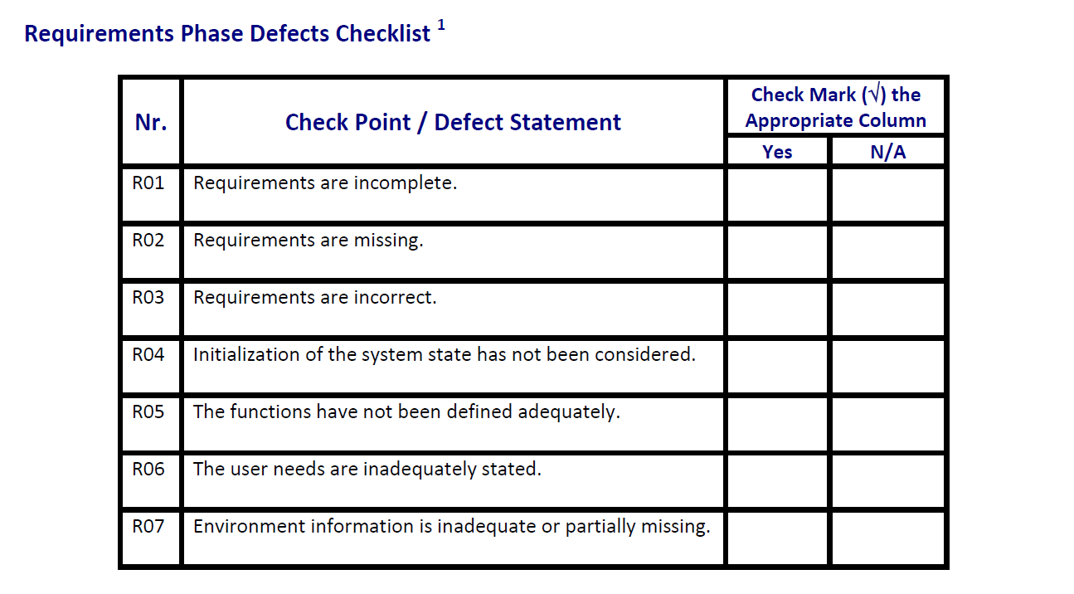
Crt. No. | Checked Item | Doc. page/line | Comments/ improvements
1 | R01 | cerinta | nu se specifica cum sunt formatate fisierul text (separatori?, cum sunt diferentiate piesele de produse?)
2 | R01 | F01b | nu se specifica cum se retin piesele componente(id?, denumire?)
3 | R02 | F01a | cum se diferentiaza intre identificator de masina si nume de companie
4 | R02 | F04 | stergere dupa ce (sau cum?)
5 | R02 | F01, F02, F04 | la adaugare ce se intampla daca exista deja un produs/piesa cu aceeasi denumire; la fel la cautare ( daca nu exista nimic); la fel la stergere ( daca nu exista)
6 | R02 | F01, F04 | adaugarea, stergerea persista in fisierul text?
7 | R02 | F03 | ce informatii sunt actualizate la un produs/piesa in momentul update-ului
8 | R01 | F01, F03 | la adaugare/ actualizare -> constrangeri per field-uri ( lungimea maxima a denumirii, pretul int sau double, nr maxim/min validari ( sa nu se introduca valori negative))
9 | R07 | cerinta | nu este specificat tipul de aplicatie ( mobile, web, desktop)
10 | R07 | cerinta | sistemul de operare pe care poate rula aplicatia
11 | R04 | cerinta | nu este specificat
12 | R05 | F01, F02, F03, F04 | observatiile legate de R01, R02
13
14
15
16

 | Effort to review document (hours): |  | 0.5

Architect. Design Phase Defects
do not print this form |  |  |  | Echipa
Review Form. Architectural Design Defects |  |  |  |  | Numele si prenumele | Grupa
 |  |  |  | Student 1: | Baboiu Razvan | 231
 | Document Title: | Architectural Design Document |  | Student 2: | Dragulescu Sonia | 233
 | Author Name: | Georgescu Anca |  | Student 3: | Vrabie Andreea | 237
 | Reviewer Name: | Baboiu Razvan, Dragulescu Sonia, Vrabie Andreea
 | Review date: | 05.03.2021

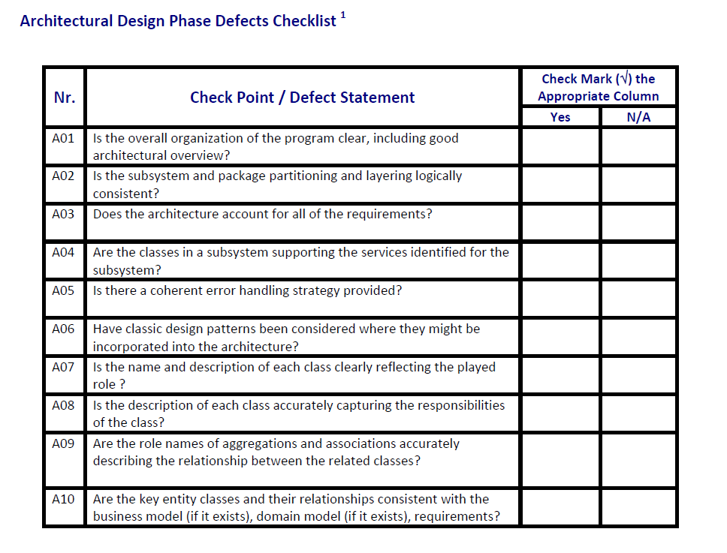
Crt. No. | Checked Item | Doc. page/line | Comments/ improvements
1 | A07 | Inventory, InventoryRepository | Entitatea Inventory reprezinta de fapt un in memory repository si ar trebui numit corespunzator, si InventoryRepository -> InventoryFileRepository
2 | A02 | Inventory | Considerand observatia de mai sus, Inventory ar trebui mutat in package repository
3 | A05 | Controllers | Fiecare controller contine un errorMessage dar nu e clar cum sunt gestionate excat erorile (ar trebui sa existe o clasa separata care sa se ocupe de asta/ o metoda handleError)
4
5
6
7
8
9
10
11
12
13
14
15
16
17

 | Effort to review document (hours): |  | 1.5

Coding Phase Defects
do not print this form |  |  |  | Echipa
Review Form. Coding Defects |  |  |  |  | Numele si prenumele | Grupa
 |  |  |  | Student 1: | Baboiu Razvan | 231
 | Document Title: | Coding Document |  | Student 2: | Dragulescu Sonia | 233
 | Author Name: | Popescu Ionel |  | Student 3: | Vrabie Andreea | 237
 | Reviewer Name: | Baboiu Razvan, Dragulescu Sonia, Vrabie Andreea
 | Review date: | 05.03.2021

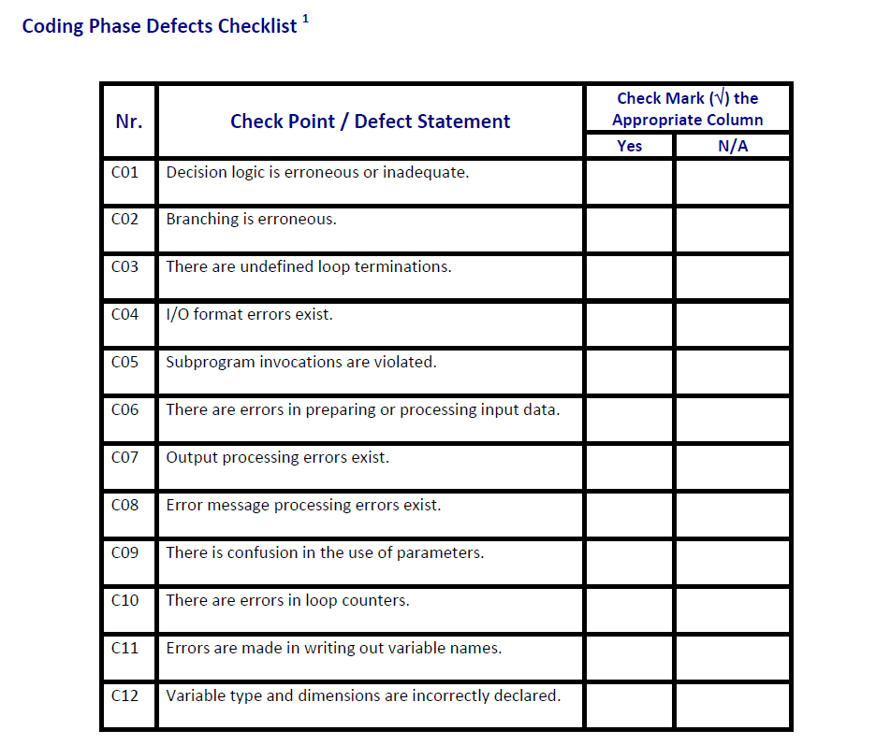
Crt. No. | Checked Item | Doc. page/line | Comments/ improvements
1 | C08 | Controllers | erorile de parsare la adaugare produs/piese vor fi afisate toate drept "Blank fields"
2 | C06 | InventoryFileRepository | nu se gestioneaza cazul in care nu exista fisierul de intrare
3 | C01 | InventoryInMemoryRepository - >lookupProduct | daca produsul nu este gasit putem pur si simplu sa returnam null nu sa facem un produs nou cu valori default
4
5
6
7
8
9
10
11
12
13
14
15
16
17
18
19
20
21

 | Effort to review document (hours): |  | 1.5

