Planilha1
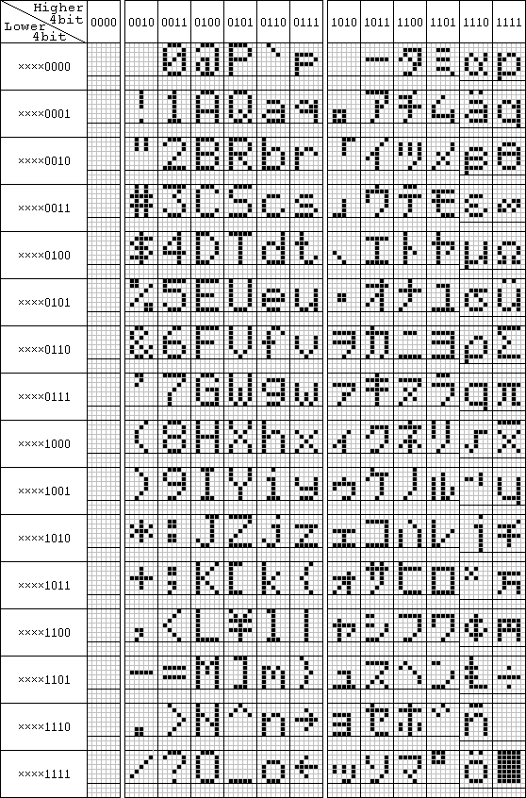
...
0 |  |  |  | ", | {" e-PAC v1.0 ","< TESTES >"},
 |  |  | > | "},

 |  |  |  | ", | {" DEV POR: ","ANDRE CRESCENZO "},
N | Z | O |  | "},

0 | : | 0 | 0 | ", | {"N00000 000:00:00","A0C0+000.0000000"},
0 | 0 | 0 | 0 | "},

0 |  |  |  | ", | {" e-PAC v1.0 ","< CALIBRAR >"},
 |  |  | > | "},

 |  |  |  | ", | {" DESLIGAR ","<SIM> <NAO>"},
N | A | O | > | "},

 |  |  |  | ", | {" CALIBRAR ","< 4..20 LOOP >"},
P |  |  | > | "},

 |  |  |  | ", | {" CALIBRAR ","< VOLTAGEM >"},
 |  |  | > | "},

R | E |  | O | ", | {" ATENCAO! PARE O","DATALOG P/ CALIB"},
A | L | I | B | "},

P |  |  |  | ", | {" 4..20 LOOP ","< S0 >"},
 |  |  | > | "},

P |  |  |  | ", | {" 4..20 LOOP ","< S1 >"},
 |  |  | > | "},

P |  |  |  | ", | {" 4..20 LOOP ","< S2 >"},
 |  |  | > | "},

P |  |  |  | ", | {" 4..20 LOOP ","< S3 >"},
 |  |  | > | "},

P |  |  |  | ", | {" 4..20 LOOP ","< S4 >"},
 |  |  | > | "},

P |  |  |  | ", | {" 4..20 LOOP ","< S5 >"},
 |  |  | > | "},

P |  |  |  | ", | {" 4..20 LOOP ","< S6 >"},
 |  |  | > | "},

P |  |  |  | ", | {" 4..20 LOOP ","< S7 >"},
 |  |  | > | "},

N | T | O | S | ", | {"NUMERO DE PONTOS","< n=1 2^n+1=000>"},
0 | 0 | 0 | > | "},
...

