sales-data-Exploration
Sales Input data Exploration
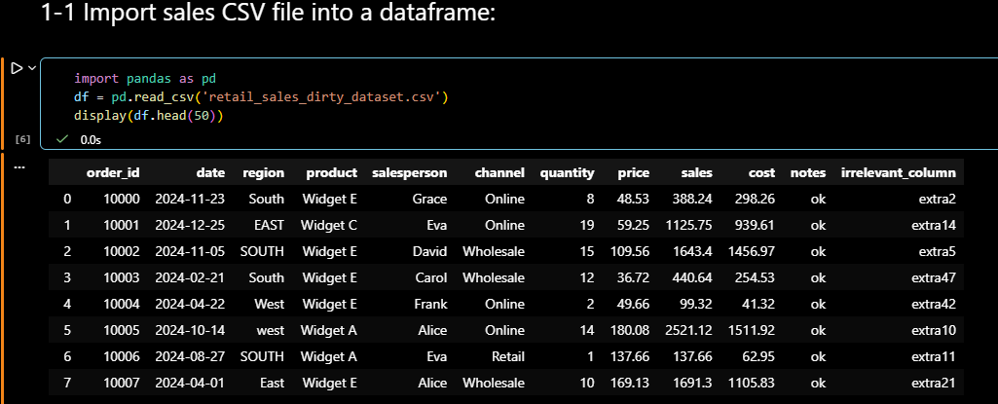
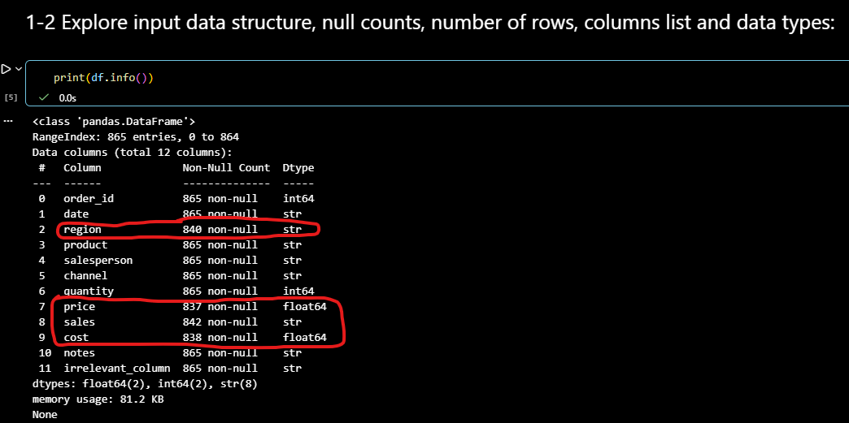

Reviewing null-count values, I observe 4 columns have missing data issue as below:

Columns with Missing data issue:
region
price
sales
cost

Data Type Issue:
The data type of the following columns should be changed:

Column name | data type | change to
date | str | date
sales | str | float64

