Planilha1
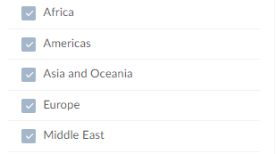
Deaths in state-based conflicts by region

