Gráfico Geral
 |  |  |  |  |  |  |  |  |  |  |  |  |  |  |  |  |  |  |  |  |  |  |  |  |  |  |  |  |  |  |  |  |  |  |  |  |  |  |  |  |  |  |  |  |  |  |  |  |  |  |  |  | Classificação de Ataque
 | Período | 2010 | 2011 | 2012 | 2013 | 2014 | 2015 | 2016 | 2017 | 2018 | 2019 | 2020 | 2021 | Total | Coluna1 | Coluna2 | Coluna3 |  |  | Área Navegação | 2010 | 2011 | 2012 | 2013 | 2014 | 2015 | 2016 | 2017 | 2018 | 2019 | 2020 | 2021 | Total | % |  | Área Navegação | 2010 | 2011 | 2012 | 2013 | 2014 | 2015 | 2016 | 2017 | 2018 | 2019 | 2020 | 2021 | Coluna1 | Coluna2 |  |  | Não Conseguido | Roubo | Sequestro | Rapto | Hijack |  |  | Ataque com Sucesso | Ataque Não Conseguido |  | Estado do Mar | Encrespado | Pequena Vaga | Cavado |  |  |  | Ataque com Sucesso | Ataque Não Conseguido |  |  |  | Estado do Vento | Bafagem | Aragem | Fraco | Moderado | Fresco |  | Níveis de Precipitação | Leve | Moderada | Forte
 | Noturno | 31 | 42 | 50 | 43 | 33 | 25 | 31 | 23 | 44 | 48 | 45 | 17 | 432 |  |  |  |  |  | Área Portuária | 10 | 9 | 9 | 11 | 12 | 10 | 12 | 4 | 10 | 8 | 18 | 9 | 122 |  |  | Área Portuária | 26% | 17% | 15% | 21% | 27% | 34% | 24% | 10% | 16% | 14% | 26% | 33% |  |  | Nº Criminosos | Baixo | 100 | 85 | 5 | 11 | 1 | 202 | Baixo | 265 | 112 | 377 |  | 55 | 391 | 149 | 595 |  | Encrespado | 40 | 15 |  |  |  |  | 13 | 193 | 321 | 66 | 2 | 595 |  | 503 | 73 | 19 | 595
 | Diurno | 8 | 10 | 12 | 9 | 11 | 4 | 20 | 19 | 20 | 11 | 25 | 10 | 159 |  |  |  |  |  | Mar Territorial | 15 | 22 | 26 | 12 | 11 | 10 | 9 | 13 | 21 | 25 | 12 | 5 | 181 |  |  | Mar Territorial | 38% | 42% | 42% | 23% | 25% | 34% | 18% | 31% | 33% | 42% | 17% | 19% |  |  |  | Médio | 146 | 97 | 24 | 32 | 24 | 323 | Médio | 50 | 105 | 155 |  | 9% | 66% | 25% |  |  | Pequena Vaga | 192 | 199 |  |  |  |  | 2% | 32% | 54% | 11% | 0% |  |  | 85% | 12% | 3%
 | Total | 39 | 52 | 62 | 52 | 44 | 29 | 51 | 42 | 64 | 59 | 70 | 27 | 591 |  |  |  |  |  | Águas Internacionais | 14 | 21 | 27 | 29 | 21 | 9 | 30 | 25 | 33 | 26 | 40 | 13 | 288 |  |  | Águas Internacionais | 36% | 40% | 44% | 56% | 48% | 31% | 59% | 60% | 52% | 44% | 57% | 48% |  |  |  | Alto | 19 | 10 | 7 | 5 | 15 | 56 | Alto | 11 | 48 | 59 |  |  |  |  |  |  | Cavado | 89 | 60
 |  |  |  |  |  |  |  |  |  |  |  |  |  |  |  |  |  |  |  | Total | 39 | 52 | 62 | 52 | 44 | 29 | 51 | 42 | 64 | 59 | 70 | 27 | 591 |  |  | Total | 1 | 1 | 1 | 1 | 1 | 1 | 1 | 1 | 1 | 1 | 1 | 1
 | Tipo de Navio | Total | %
 | Cargo Ship | 246 | 42% |  |  |  |  |  |  |  |  |  |  |  |  |  |  |  |  |  |  |  |  |  |  |  |  |  |  |  |  |  |  |  |  |  |  |  |  |  |  |  |  |  |  |  |  |  |  |  |  |  | Classificação de Ataque |  |  |  |  |  |  |  |  |  |  |  |  |  |  |  |  |  |  |  |  |  |  |  |  |  |  |  |  | Meteorologia | Ataque com Sucesso | Ataque Não Conseguido
Relação entre o Nível de Proteção e o Sucesso de Ataque
 | Oil Ship Transporter | 203 | 34% |  |  |  |  |  |  |  |  |  |  |  |  |  |  | Estado Costeiro | Total |  | Estado Costeiro | Total |  | Estado Bandeira | Total | % |  | Ajuda Autoridades | Noturno | Diurno | Total |  | Ajuda Autoridades | Noturno | Diurno |  | Estado Navio | Sucesso | NCONSEGUIDO | Total |  | Estado Navio | Sucesso | Não Conseguido | Total |  |  |  |  |  |  |  | Não Conseguido | Roubo | Sequestro | Rapto | Hijack |  |  | Ataque com Sucesso | Ataque Não Conseguido | Total | Mês | Janeiro | Fevereiro | Março | Abril | Maio | Junho | Julho | Agosto | Setembro | Outubro | Novembro | Dezembro |  |  |  |  |  |  | 1 | 112 | 72 | 184
 | Chemical Tanker | 60 | 10% |  |  | Estado Navio | Diurno | Noturno | Total |  |  |  | Área de Navegação | Diurno | Noturno | Total |  | Angola | 18 |  | Togo | 5% |  | Ilhas Marshall | 100 | 17% |  | Foi prestado auxílio | 73 | 39 | 112 |  | Sim | 65% | 35% |  | Atracado | 17 | 9 | 26 |  | Atracado | 65% | 35% | 100% |  |  |  |  |  | Nº Criminosos | Baixo | 50% | 42% | 2% | 5% | 0% | 1 | Baixo | 70% | 30% | 1 | Nº Ataques | 55 | 69 | 55 | 54 | 53 | 40 | 52 | 42 | 39 | 43 | 45 | 44 | 591 |  |  |  |  |  | 2 | 212 | 189 | 401
 | Outros | 82 | 14% |  |  | Atracado | 1 | 25 | 26 |  |  |  | Área Portuária | 11 | 111 | 122 |  | Benim | 42 |  | Guiné | 6% |  | Libéria | 85 | 14% |  | Não houve intervenção | 360 | 119 | 479 |  | Não | 75% | 25% |  | Fundeado | 168 | 104 | 272 |  | Fundeado | 62% | 38% | 100% |  |  |  |  |  |  | Médio | 45% | 30% | 7% | 10% | 7% | 1 | Médio | 32% | 68% | 1 |  |  |  |  |  |  |  |  |  |  |  |  |  |  |  |  |  |  |  | 3 | 4 | 6 | 10
 |  | 591 | 1 |  |  | Fundeado | 17 | 255 | 272 |  |  |  | Mar Territorial | 25 | 156 | 181 |  | Camarões | 16 |  | Benim | 7% |  | Panamá | 80 | 14% |  |  |  |  |  |  |  |  |  |  | Navegar | 141 | 152 | 293 |  | Navegar | 48% | 52% | 100% |  |  |  |  |  |  | Alto | 34% | 18% | 13% | 9% | 27% | 1 | Alto | 19% | 81% | 1
Relação entre a Ajuda de Autoridades e o Período
Relação entre o Sucesso de um ataque e o Estado do Navio
Relação entre a Classificação do Ataque e o Nº de Criminosos
 |  |  |  |  |  | Navegar | 140 | 153 | 293 |  |  |  | Águas Internacionais | 122 | 166 | 288 |  | Congo | 43 |  | Congo | 7% |  | Singapura | 65 | 11% |  |  |  |  |  |  |  |  |  |  | Total | 326 | 265 | 591
 |  |  |  |  |  | Total | 158 | 433 | 591 |  |  |  | Total | 158 | 433 | 591 |  | Costa do Marfim | 26 |  | Gana | 7% |  | Outros | 261 | 44% |  |  |  |  |  |  |  |  |  |  |  |  |  |  |  |  |  |  |  |  |  |  |  |  |  |  |  |  |  |  |  |  |  |  |  |  |  |  |  |  |  |  |  |  |  |  |  |  |  |  |  |  |  |  |  | Meteorologia | Ataque Não Conseguido | Ataque com Sucesso
 |  |  |  |  |  |  |  |  |  |  |  |  |  |  |  |  |  | Gabão | 7 |  | Nigéria | 49% |  | Total | 591 | 1 |  |  |  |  |  |  |  |  |  |  |  |  |  |  |  |  |  |  |  |  |  |  |  |  |  |  |  |  |  |  |  |  |  |  |  |  |  |  |  |  |  |  |  |  |  |  |  |  |  |  |  |  |  |  |  | 1 | 39% | 61%
Número de Casos por Mês
 | Ataques com Sucesso | Ataques Não Conseguidos | TOTAL |  |  |  |  |  |  |  |  |  |  |  |  |  |  | Gana | 42 |  | Outros | 19% |  |  |  |  |  |  |  |  |  |  |  |  |  |  |  |  |  |  |  |  |  |  |  |  |  |  |  |  |  |  |  |  |  |  |  |  |  |  |  |  |  |  |  |  |  |  |  |  |  |  |  |  |  |  |  |  |  |  |  | 2 | 47% | 53%
Noturno | 256 | 177 | 433 |  |  | 2010 | 2011 | 2012 | 2013 | 2014 | 2015 | 2016 | 2017 | 2018 | 2019 | 2020 | 2021 | Guiné | 34 |  | Total | 100% | #REF! |  |  |  |  |  |  |  |  |  |  |  |  |  |  |  |  |  |  |  |  |  |  |  |  |  |  |  |  |  |  |  |  |  |  |  |  |  |  |  |  |  |  |  |  |  |  |  |  |  |  |  |  |  |  |  |  |  |  | 3 | 60% | 40%
Percentagem de ataques por Estado do Mar
Percentagem de ataques por Estado do Vento
Percentagem de ataques por Nível de Precipitação
Diurno | 70 | 88 | 158 |  | Nº NCONSEGUIDOS | 8 | 15 | 22 | 29 | 21 | 15 | 24 | 22 | 41 | 26 | 29 | 13 | Guiné-Equatorial | 4
Estados Costeiros mais afetados
 | 326 | 265 | 591 |  | % Não Conseguidos por Ano | 21% | 29% | 35% | 56% | 48% | 52% | 47% | 52% | 64% | 44% | 41% | 48% | Libéria | 6 |  |  |  |  | Mês | Nº de Ataques
Evolução Temporal dos ataques por Áreas de Navegação
Relação entre a Meteorologia e o Sucesso de Ataque
Nº de Casos por mês
 |  |  |  |  |  |  |  |  |  |  |  |  |  |  |  |  |  | Nigéria | 290 |  |  |  |  | Janeiro | 55
 | Ataques com Sucesso | Ataques Não Conseguidos |  |  |  |  |  |  |  |  |  |  |  |  |  |  |  | Rép. Dem. Congo | 13 |  |  |  |  | Fevereiro | 72
Noturno | 79% | 67% |  |  |  |  |  |  |  |  |  |  |  |  |  |  |  | S.Tomé e Príncipe | 11 |  |  |  |  | Março | 57
Diurno | 21% | 33% |  |  |  |  |  |  |  |  |  |  |  |  |  |  |  | Serra Leoa | 10 |  |  |  |  | Abril | 55
 | 1 | 1 |  |  |  |  |  |  |  |  |  |  |  |  |  |  |  | Togo | 29 |  |  |  |  | Maio | 53
 |  |  |  |  |  |  |  |  |  |  |  |  |  |  |  |  |  | Total | 591 |  |  |  |  | Junho | 39
Período | 2010 | 2011 | 2012 | 2013 | 2014 | 2015 | 2016 | 2017 | 2018 | 2019 | 2020 | 2021 | Total |  |  |  |  |  |  |  |  |  |  | Julho | 50
Hijack | 1 | 5 | 9 | 7 | 6 | 2 | 2 | 1 | 4 | 3 | 0 | 1 | 41 |  |  |  |  |  | 111 |  |  |  |  | Agosto | 41
Rapto | 0 | 0 | 0 | 0 | 3 | 0 | 0 | 7 | 7 | 14 | 17 | 1 | 49 |  |  |  |  |  |  |  |  |  |  | Setembro | 38
Sequestro | 5 | 1 | 4 | 8 | 1 | 4 | 7 | 0 | 1 | 2 | 2 | 4 | 39 |  |  |  |  |  |  |  |  |  |  | Outubro | 42
Roubo | 25 | 31 | 27 | 8 | 13 | 8 | 18 | 12 | 11 | 14 | 22 | 8 | 197 |  |  |  |  |  |  |  |  |  |  | Novembro | 45
Não Conseguido | 8 | 15 | 22 | 29 | 21 | 15 | 24 | 22 | 41 | 26 | 29 | 13 | 265 |  |  |  |  |  |  |  |  |  |  | Dezembro | 44
Total | 39 | 52 | 62 | 52 | 44 | 29 | 51 | 42 | 64 | 59 | 70 | 27 | 591 |  |  |  |  |  |  |  |  |  |  |  | 591
Nº Casos por Classificação Ataque
Nº de Casos por Período
Tipos de Navios mais afetados

Nº de Casos por Estado Costeiro

(45 %)

Estados de Bandeira mais afetados

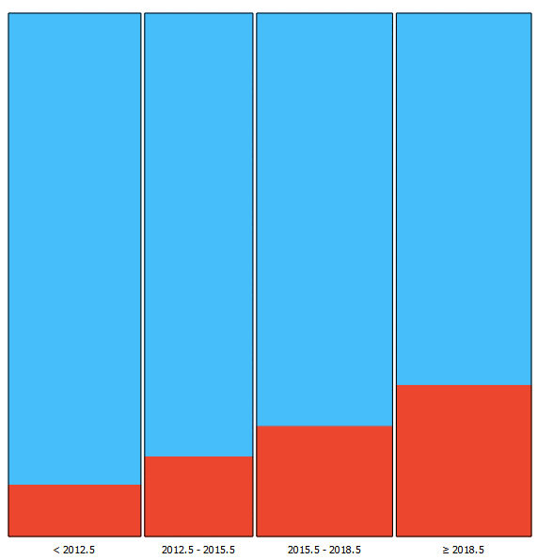

Nº Ataques por Área de Navegação
Evolução Temporal dos Ataques por Área de Navegação

Nº Ataques por ano

Nº de Casos de Sucesso no Ataque

< 2012.5 2012.5 - 2015.5 2015.5 - 2018.5 ≥ 2018.5
Ano

Taxa de Sucesso consoante o Período
Evolução Temporal da Classificação de Ataque
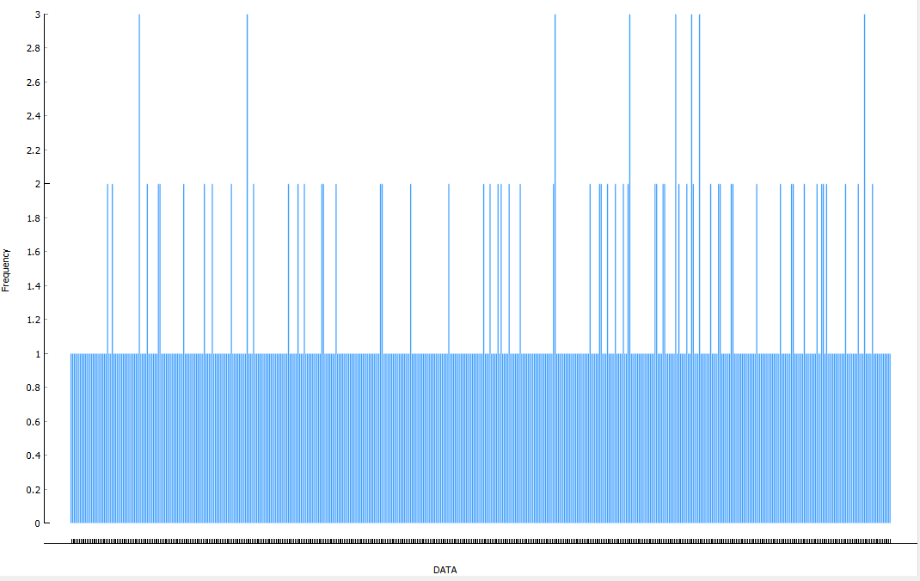
Data
Nº Casos
Nº Casos por Data
Nº Ataques por Estado de Navio

Nº de Casos consoante a Área de Navegação e o Período

Nº de casos consoante o Estado do Navio e o Período

 |  |  |  |  |  |  |  |  |  |  |  |  |  |  |  |  |  |  |  |  |  |  |  |  |  |  |  | Área Portuária | Mar Territorial | Águas Internacionais
 |  |  |  |  |  |  |  |  |  |  |  |  |  |  |  |  |  |  |  |  |  |  |  |  |  |  | Low | 83 | 85 | 34
 |  |  |  |  |  |  |  |  |  |  |  |  |  |  |  |  |  |  |  |  |  |  |  |  |  |  | Medium | 32 | 79 | 212
 |  |  |  |  |  |  |  |  |  |  |  |  |  |  |  |  |  |  |  |  |  |  |  |  |  |  | High | 3 | 15 | 38

