Planification
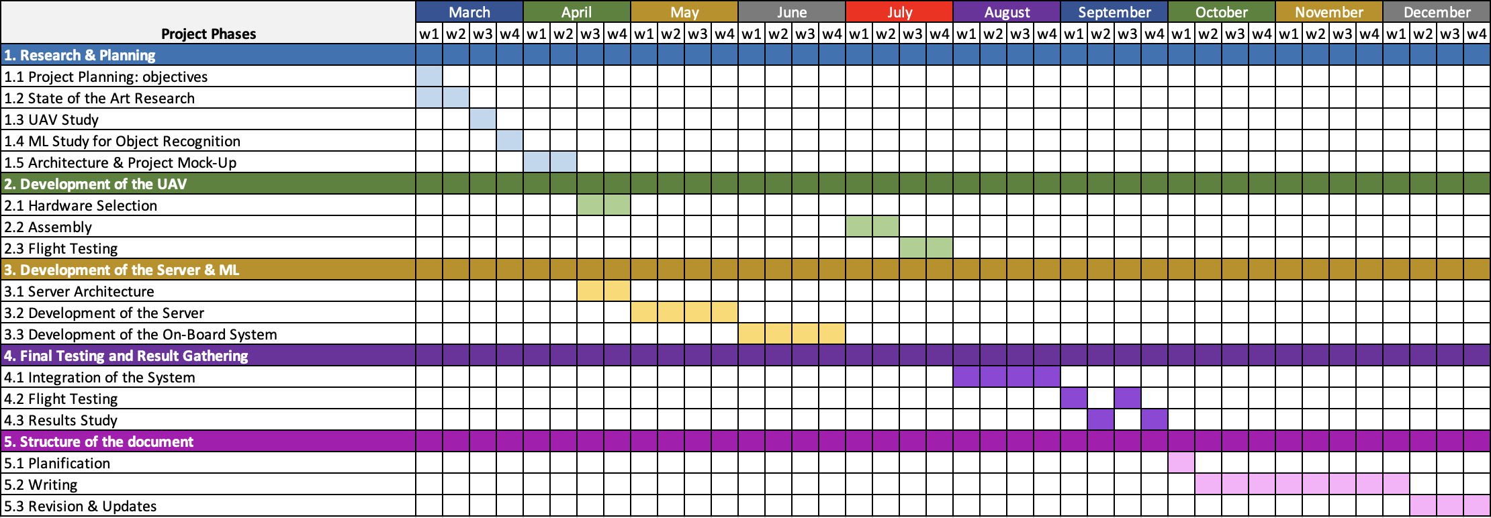
Project Phases | March |  |  |  | April |  |  |  | May |  |  |  | June |  |  |  | July |  |  |  | August |  |  |  | September |  |  |  | October |  |  |  | November |  |  |  | December
 | w1 | w2 | w3 | w4 | w1 | w2 | w3 | w4 | w1 | w2 | w3 | w4 | w1 | w2 | w3 | w4 | w1 | w2 | w3 | w4 | w1 | w2 | w3 | w4 | w1 | w2 | w3 | w4 | w1 | w2 | w3 | w4 | w1 | w2 | w3 | w4 | w1 | w2 | w3 | w4
1. Research & Planning
1.1 Project Planning: objectives
1.2 State of the Art Research
1.3 UAV Study
1.4 ML Study for Object Recognition
1.5 Architecture & Project Mock-Up
2. Development of the UAV
2.1 Hardware Selection
2.2 Assembly
2.3 Flight Testing
3. Development of the Server & ML
3.1 Server Architecture
3.2 Development of the Server
3.3 Development of the On-Board System
4. Final Testing and Result Gathering
4.1 Integration of the System
4.2 Flight Testing
4.3 Results Study
5. Structure of the document
5.1 Planification
5.2 Writing
5.3 Revision & Updates

