Planification
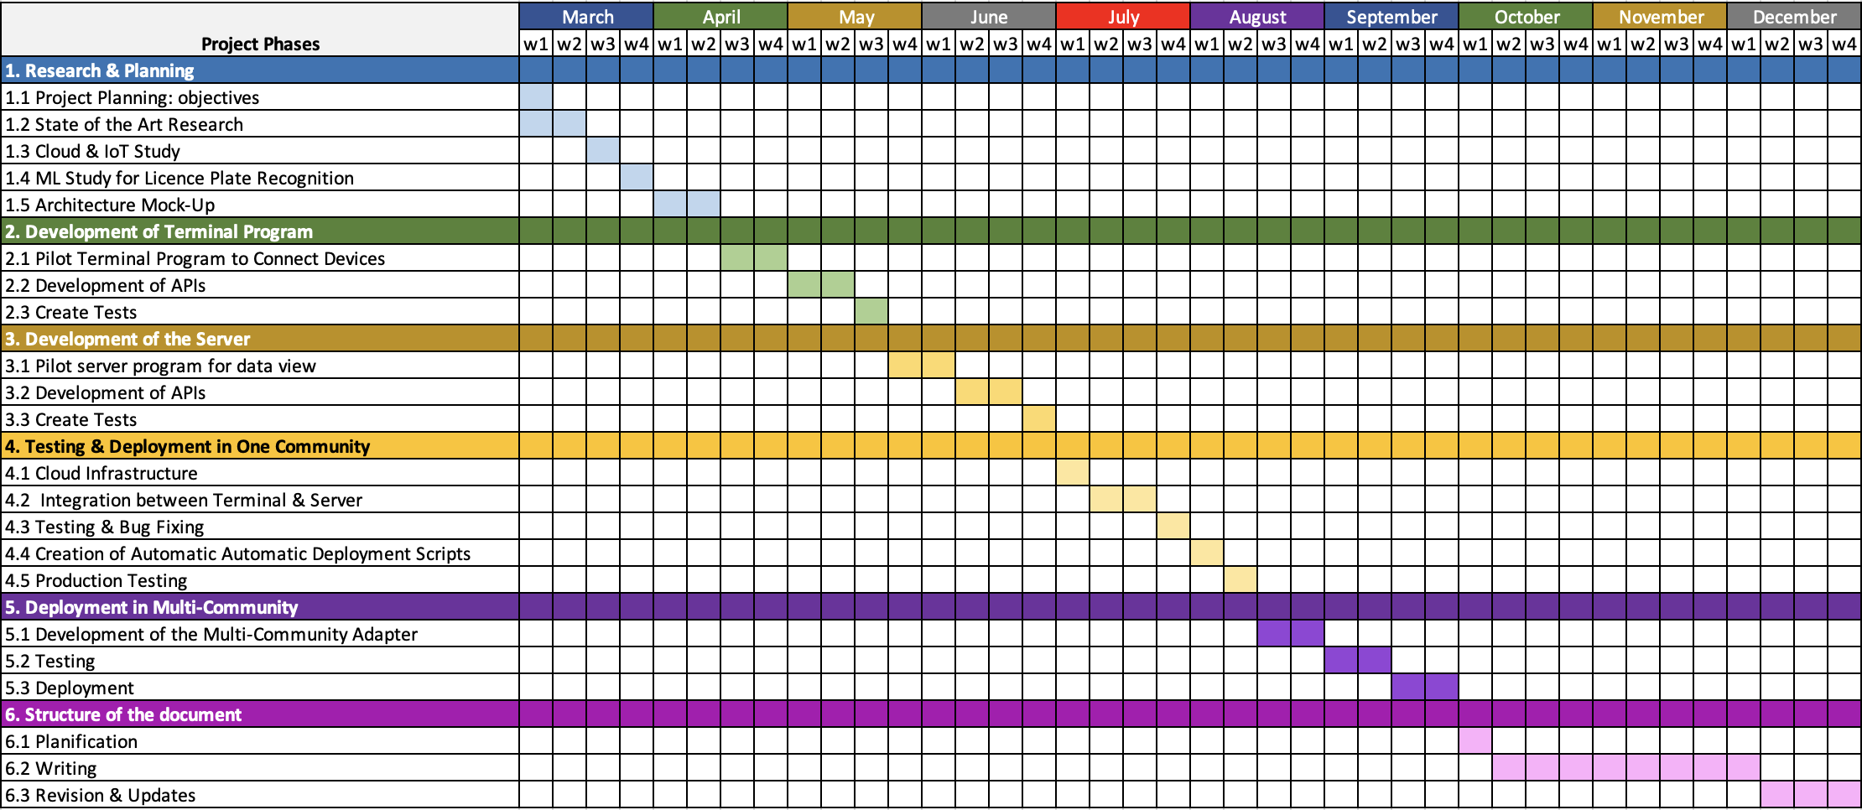
Project Phases | March |  |  |  | April |  |  |  | May |  |  |  | June |  |  |  | July |  |  |  | August |  |  |  | September |  |  |  | October |  |  |  | November |  |  |  | December
 | w1 | w2 | w3 | w4 | w1 | w2 | w3 | w4 | w1 | w2 | w3 | w4 | w1 | w2 | w3 | w4 | w1 | w2 | w3 | w4 | w1 | w2 | w3 | w4 | w1 | w2 | w3 | w4 | w1 | w2 | w3 | w4 | w1 | w2 | w3 | w4 | w1 | w2 | w3 | w4
1. Research & Planning
1.1 Project Planning: objectives
1.2 State of the Art Research
1.3 Cloud & IoT Study
1.4 ML Study for Licence Plate Recognition
1.5 Architecture Mock-Up
2. Development of Terminal Program
2.1 Pilot Terminal Program to Connect Devices
2.2 Development of APIs
2.3 Create Tests
3. Development of the Server
3.1 Pilot server program for data view
3.2 Development of APIs
3.3 Create Tests
4. Testing & Deployment in One Community
4.1 Cloud Infrastructure
4.2 Integration between Terminal & Server
4.3 Testing & Bug Fixing
4.4 Creation of Automatic Automatic Deployment Scripts
4.5 Production Testing
5. Deployment in Multi-Community
5.1 Development of the Multi-Community Adapter
5.2 Testing
5.3 Deployment
6. Structure of the document
6.1 Planification
6.2 Writing
6.3 Revision & Updates

