GO-2BINS
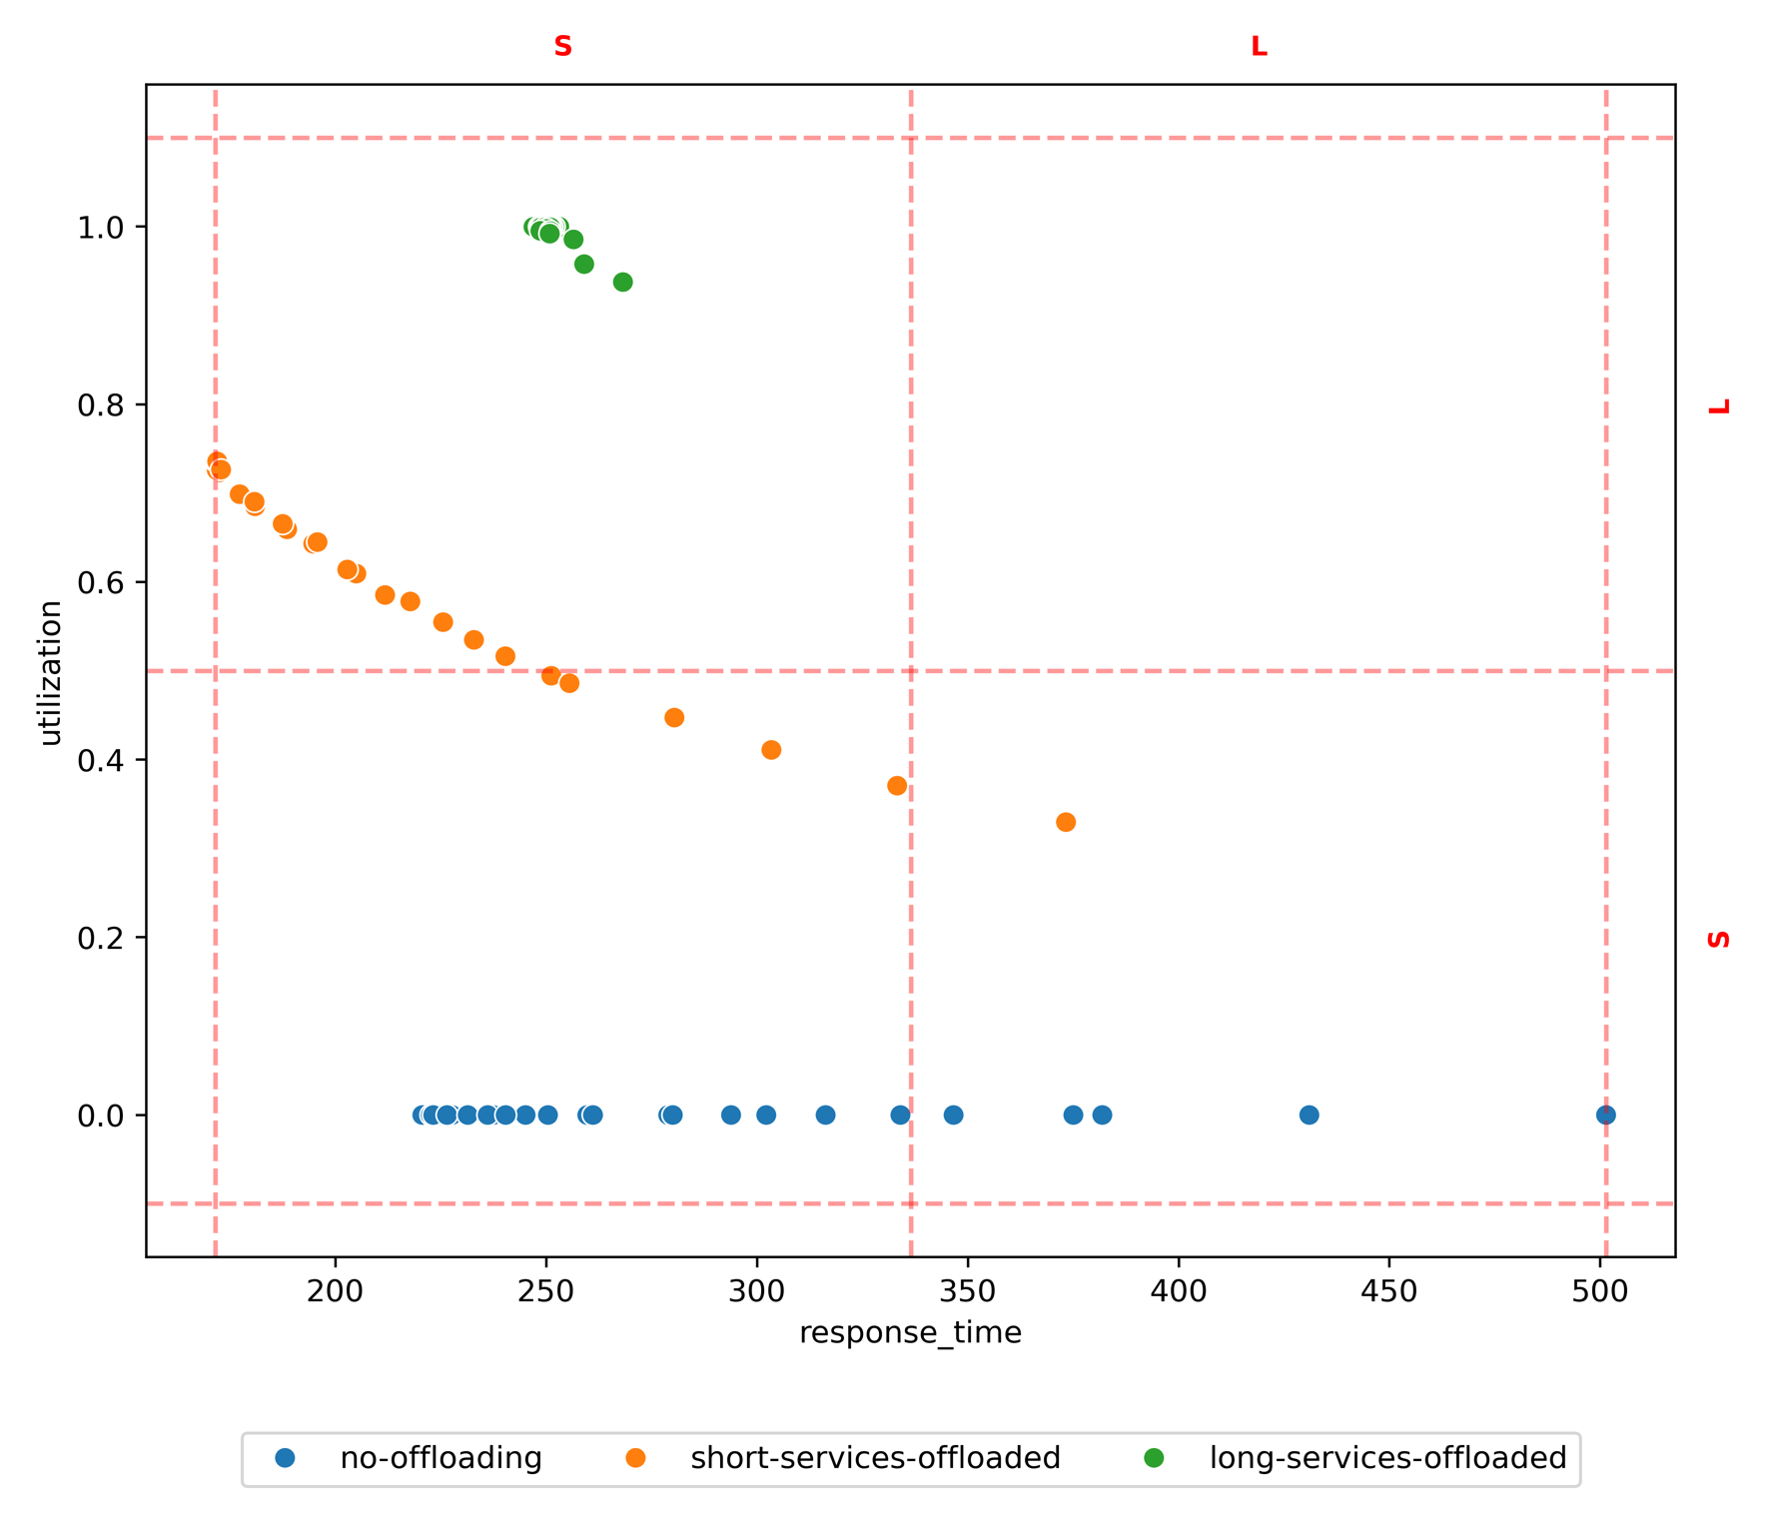
method | policy | target | L-L | L-S | S-L | S-S
test set | long-services-offloaded |  |  | 0.00 | 1.00 | 0.00
test set | no-offloading |  |  | 0.11 | 0.00 | 0.89
test set | short-services-offloaded |  |  | 0.10 | 0.70 | 0.20
prim | long-services-offloaded | L-S |  | 0.00 | 0.00 | 0.00
prim | long-services-offloaded | L-S |  | 0.11 | 0.00 | 0.89
prim | long-services-offloaded | L-S |  | 0.00 | 0.00 | 0.00
prim | no-offloading | S-L |  | 0.00 | 1.00 | 0.00
prim | no-offloading | S-L |  | 0.00 | 0.00 | 0.00
prim | no-offloading | S-L |  | 0.00 | 0.00 | 0.00
prim | short-services-offloaded | S-S |  | 0.00 | 0.00 | 0.00
prim | short-services-offloaded | S-S |  | 0.11 | 0.00 | 0.89
prim | short-services-offloaded | S-S |  | 0.00 | 0.00 | 0.00
cart | long-services-offloaded | S-L |  | 0.00 | 1.00 | 0.00
cart | no-offloading | S-L |  | 0.00 | 0.00 | 0.00
cart | short-services-offloaded | S-L |  | 0.00 | 0.00 | 0.00
cart | long-services-offloaded | S-S |  | 0.00 | 1.00 | 0.00
cart | no-offloading | S-S |  | 0.00 | 0.00 | 1.00
cart | short-services-offloaded | S-S |  | 0.00 | 1.00 | 0.00

GO-PARETO
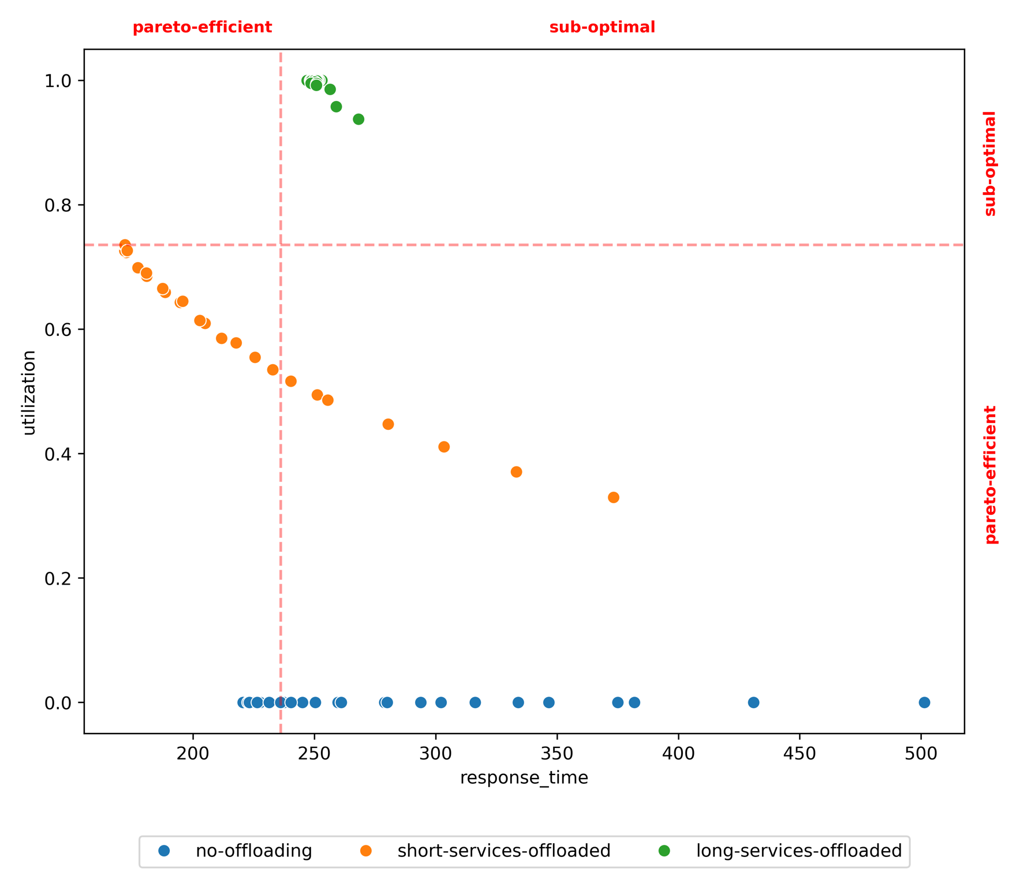
method | policy | target | pareto-efficient-sub-optimal | pareto-efficient-pareto-efficient | sub-optimal-pareto-efficient | sub-optimal-sub-optimal
test set | long-services-offloaded |  | 0.00 | 0.00 | 0.00 | 1.00
test set | no-offloading |  | 0.00 | 0.44 | 0.56 | 0.00
test set | short-services-offloaded |  | 0.07 | 0.64 | 0.29 | 0.00
prim | long-services-offloaded | pareto-efficient-pareto-efficient | 0.00 | 0.00 | 0.00 | 0.00
prim | no-offloading | pareto-efficient-pareto-efficient | 0.00 | 0.00 | 0.00 | 0.00
prim | short-services-offloaded | pareto-efficient-pareto-efficient | 0.14 | 0.86 | 0.00 | 0.00
prim | long-services-offloaded | sub-optimal-pareto-efficient | 0.00 | 0.00 | 0.00 | 0.00
prim | no-offloading | sub-optimal-pareto-efficient | 0.00 | 0.44 | 0.56 | 0.00
prim | short-services-offloaded | sub-optimal-pareto-efficient | 0.00 | 0.00 | 0.00 | 0.00
prim | long-services-offloaded | sub-optimal-sub-optimal | 0.00 | 0.00 | 0.00 | 1.00
prim | no-offloading | sub-optimal-sub-optimal | 0.00 | 0.00 | 0.00 | 0.00
prim | short-services-offloaded | sub-optimal-sub-optimal | 0.00 | 0.00 | 0.00 | 0.00
cart | long-services-offloaded | sub-optimal-sub-optimal | 0.00 | 0.00 | 0.00 | 1.00
cart | no-offloading | sub-optimal-sub-optimal | 0.00 | 0.00 | 0.00 | 0.00
cart | short-services-offloaded | sub-optimal-sub-optimal | 0.00 | 0.00 | 0.00 | 0.00

GO-CLUSTERING
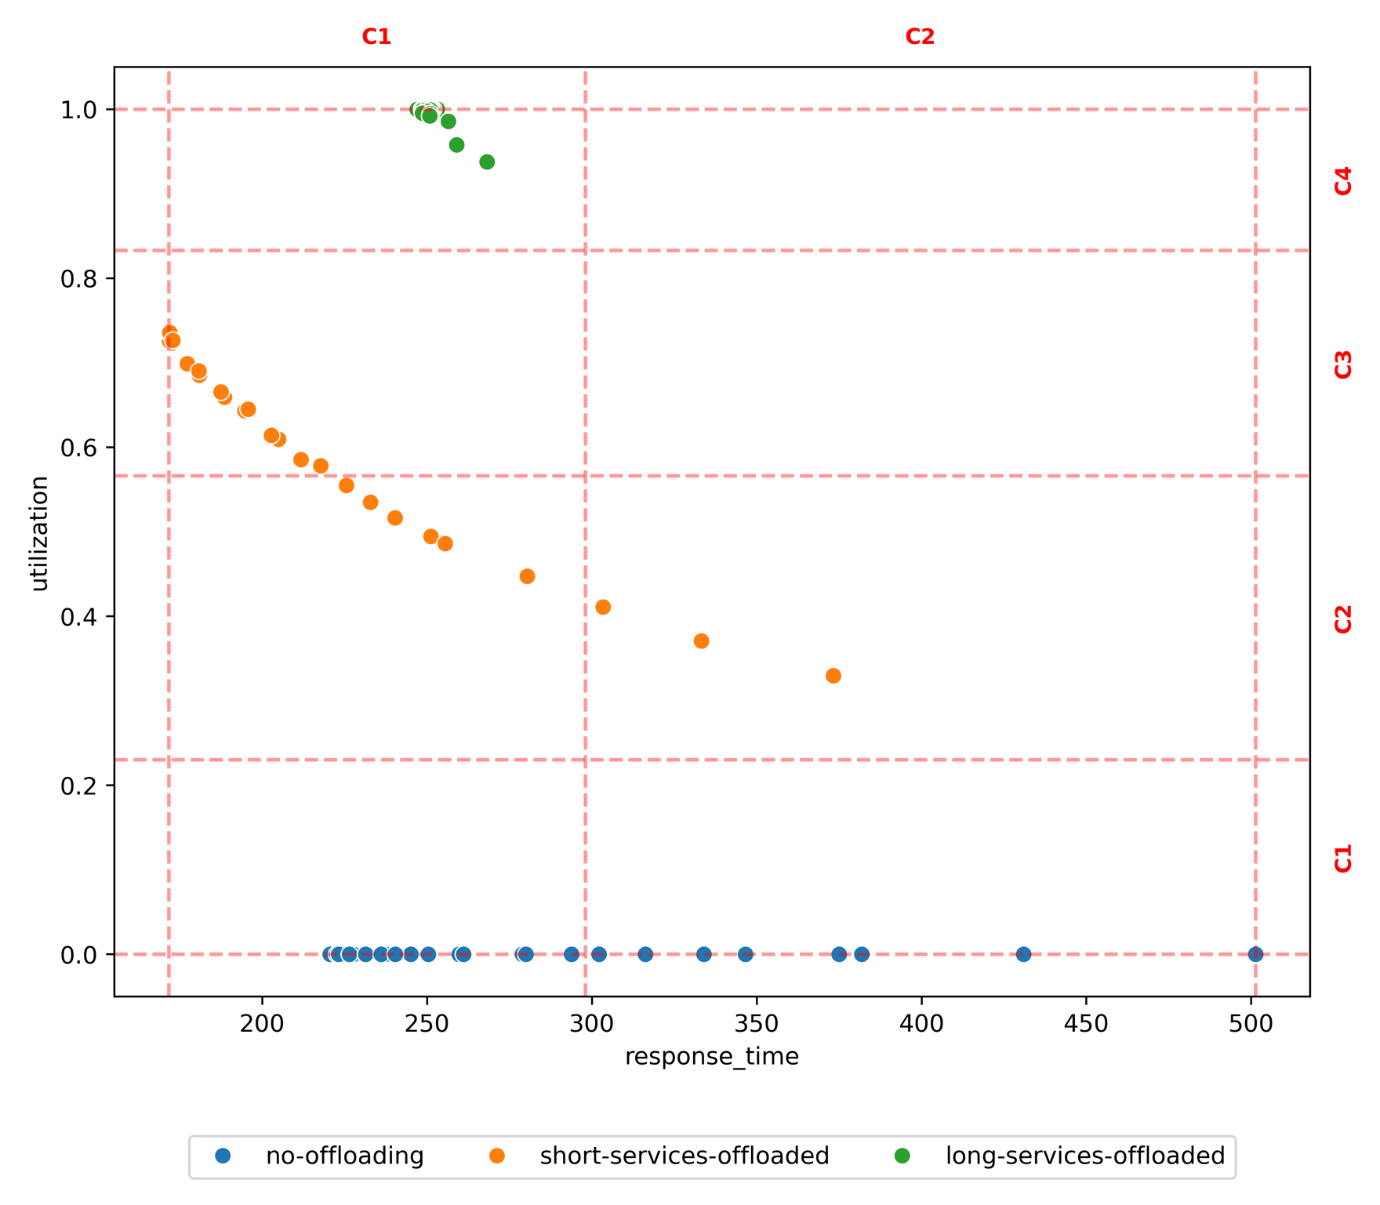
method | policy | target | C1-C1 | C1-C2 | C1-C3 | C1-C4 | C2-C1 | C2-C2 | C2-C3 | C2-C4
test set | long-services-offloaded |  | 0.00 | 0.00 | 0.00 | 1.00 | 0.00 | 0.00
test set | no-offloading |  | 0.78 | 0.00 | 0.00 | 0.00 | 0.22 | 0.00
test set | short-services-offloaded |  | 0.00 | 0.27 | 0.64 | 0.00 | 0.00 | 0.09
prim | long-services-offloaded | C1-C1 | 0.00 | 0.00 | 0.00 | 0.00 | 0.00 | 0.00
prim | no-offloading | C1-C1 | 1.00 | 0.00 | 0.00 | 0.00 | 0.00 | 0.00
prim | short-services-offloaded | C1-C1 | 0.00 | 0.00 | 0.00 | 0.00 | 0.00 | 0.00
prim | long-services-offloaded | C1-C2 | 0.00 | 0.00 | 0.00 | 0.00 | 0.00 | 0.00
prim | no-offloading | C1-C2 | 0.00 | 0.00 | 0.00 | 0.00 | 0.00 | 0.00
prim | short-services-offloaded | C1-C2 | 0.00 | 1.00 | 0.00 | 0.00 | 0.00 | 0.00
prim | long-services-offloaded | C1-C3 | 0.00 | 0.00 | 0.00 | 0.00 | 0.00 | 0.00
prim | no-offloading | C1-C3 | 0.00 | 0.00 | 0.00 | 0.00 | 0.00 | 0.00
prim | short-services-offloaded | C1-C3 | 0.00 | 0.22 | 0.78 | 0.00 | 0.00 | 0.00
prim | long-services-offloaded | C1-C4 | 0.00 | 0.00 | 0.00 | 1.00 | 0.00 | 0.00
prim | no-offloading | C1-C4 | 0.00 | 0.00 | 0.00 | 0.00 | 0.00 | 0.00
prim | short-services-offloaded | C1-C4 | 0.00 | 0.00 | 0.00 | 0.00 | 0.00 | 0.00
prim | long-services-offloaded | C2-C1 | 0.00 | 0.00 | 0.00 | 0.00 | 0.00 | 0.00
prim | no-offloading | C2-C1 | 0.78 | 0.00 | 0.00 | 0.00 | 0.22 | 0.00
prim | short-services-offloaded | C2-C1 | 0.00 | 0.00 | 0.00 | 0.00 | 0.00 | 0.00
prim | long-services-offloaded | C2-C2 | 0.00 | 0.00 | 0.00 | 0.00 | 0.00 | 0.00
prim | no-offloading | C2-C2 | 0.00 | 0.00 | 0.00 | 0.00 | 0.00 | 0.00
prim | short-services-offloaded | C2-C2 | 0.00 | 0.00 | 0.00 | 0.00 | 0.00 | 1.00
cart | long-services-offloaded | C1-C1 | 0.00 | 0.00 | 0.00 | 1.00 | 0.00 | 0.00
cart | no-offloading | C1-C1 | 1.00 | 0.00 | 0.00 | 0.00 | 0.00 | 0.00
cart | short-services-offloaded | C1-C1 | 0.00 | 0.33 | 0.67 | 0.00 | 0.00 | 0.00
cart | long-services-offloaded | C1-C2 | 0.00 | 0.00 | 0.00 | 0.00 | 0.00 | 0.00
cart | no-offloading | C1-C2 | 0.00 | 0.00 | 0.00 | 0.00 | 0.00 | 0.00
cart | short-services-offloaded | C1-C2 | 0.00 | 1.00 | 0.00 | 0.00 | 0.00 | 0.00
cart | long-services-offloaded | C1-C3 | 0.00 | 0.00 | 0.00 | 0.00 | 0.00 | 0.00
cart | no-offloading | C1-C3 | 0.00 | 0.00 | 0.00 | 0.00 | 0.00 | 0.00
cart | short-services-offloaded | C1-C3 | 0.00 | 0.00 | 1.00 | 0.00 | 0.00 | 0.00
cart | long-services-offloaded | C1-C4 | 0.00 | 0.00 | 0.00 | 1.00 | 0.00 | 0.00
cart | no-offloading | C1-C4 | 0.00 | 0.00 | 0.00 | 0.00 | 0.00 | 0.00
cart | short-services-offloaded | C1-C4 | 0.00 | 0.00 | 0.00 | 0.00 | 0.00 | 0.00
cart | long-services-offloaded | C2-C1 | 0.00 | 0.00 | 0.00 | 1.00 | 0.00 | 0.00
cart | no-offloading | C2-C1 | 0.00 | 0.00 | 0.00 | 0.00 | 1.00 | 0.00
cart | short-services-offloaded | C2-C1 | 0.00 | 0.00 | 0.00 | 0.00 | 0.00 | 1.00
cart | long-services-offloaded | C2-C2 | 0.00 | 0.00 | 0.00 | 0.00 | 0.00 | 0.00
cart | no-offloading | C2-C2 | 0.00 | 0.00 | 0.00 | 0.00 | 0.00 | 0.00
cart | short-services-offloaded | C2-C2 | 0.00 | 0.00 | 0.00 | 0.00 | 0.00 | 1.00

