CQRS-2BINS
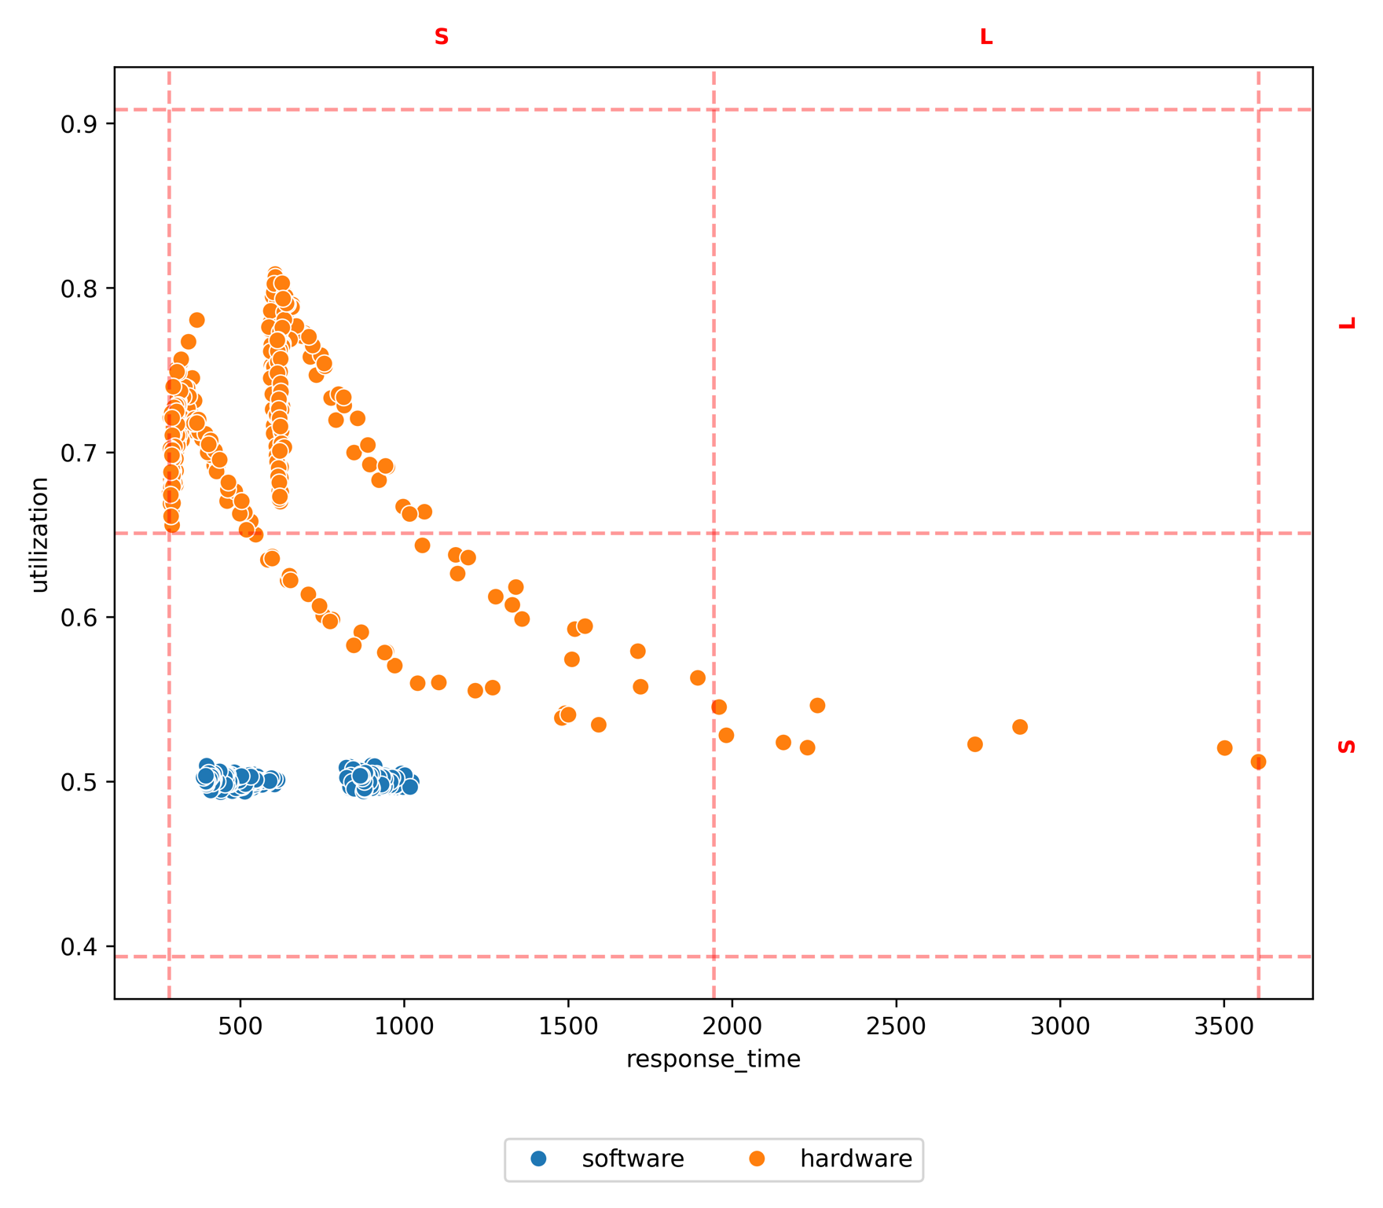
method | policy | target | L-L | L-S | S-L | S-S
test set | hardware |  |  |  | 0.87 | 0.13
test set | software |  |  |  | 0.00 | 1.00
prim | hardware | S-L |  |  | 1.00
prim | software | S-L |  |  | 0.00 | 1.00
prim | hardware | S-S |  |  | 0.80 | 0.20
prim | software | S-S |  |  |  | 1.00
cart | hardware | S-S |  |  |  | 1.00
cart | software | S-S |  |  |  | 1.00

 | precision | recall | f1 | lift | complexity | success_rate | precision_std | recall_std | f1_std | lift_std | complexity_std
prim | 0.50 | 0.36 | 0.42 | 0.00 | 2.00 | 1.00 | 0.07 | 0.08 | 0.08 | 0.00 | 0.00
cart | 0.50 | 0.04 | 0.08 | 0.00 | 1.00 | 0.50 | 0.50 | 0.04 | 0.08 | 0.43 | 0.00

CQRS-PARETO
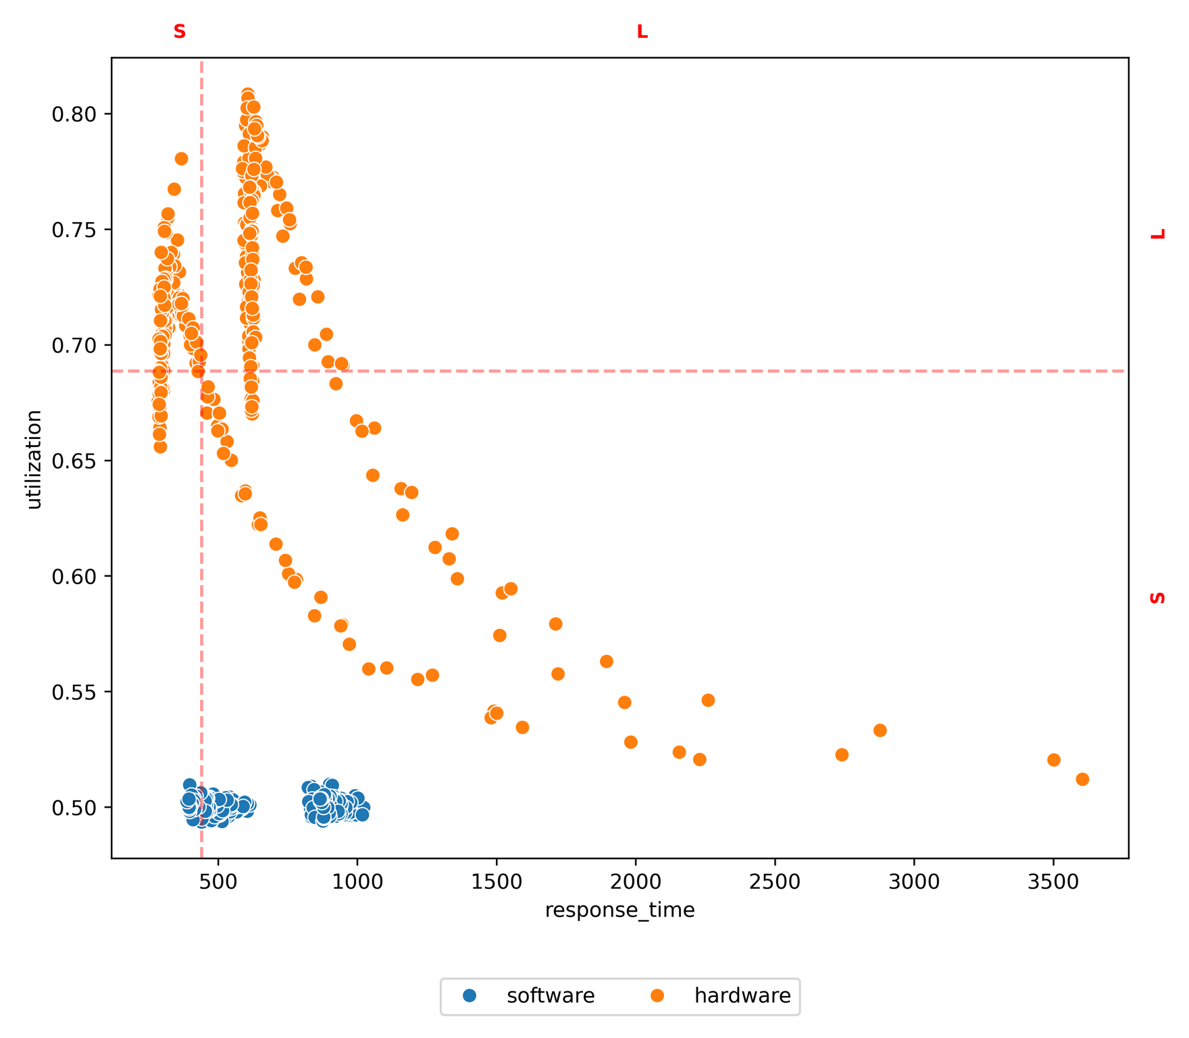
method | policy | target | L-L | L-S | S-L | S-S
test set | hardware |  | 0.39 | 0.22 | 0.31 | 0.08
test set | software |  | 0.00 | 0.84 | 0.00 | 0.16
prim | hardware | L-L | 1.00
prim | software | L-L | 0.00 | 1.00
prim | hardware | L-S |  | 0.92 | 0.08
prim | software | L-S |  | 1.00
prim | hardware | S-L |  |  | 0.97 | 0.03
prim | software | S-L |  | 0.67 | 0.00 | 0.33
prim | hardware | S-S |  |  | 0.50 | 0.50
prim | software | S-S |  |  |  | 1.00
cart | hardware | L-L | 1.00
cart | software | L-L | 0.00 | 1.00
cart | hardware | L-S |  | 1.00
cart | software | L-S |  | 1.00
cart | hardware | S-S |  |  | 0.60 | 0.40
cart | software | S-S |  |  |  | 1.00

 | precision | recall | f1 | lift | complexity | success_rate | precision_std | recall_std | f1_std | lift_std | complexity_std
prim | 0.64 | 0.43 | 0.46 | 0.39 | 2.00 | 1.00 | 0.21 | 0.19 | 0.10 | 0.12 | 0.00
cart | 0.45 | 0.07 | 0.13 | 0.20 | 2.00 | 0.75 | 0.37 | 0.06 | 0.10 | 0.25 | 0.00

CQRS-CLUSTERING
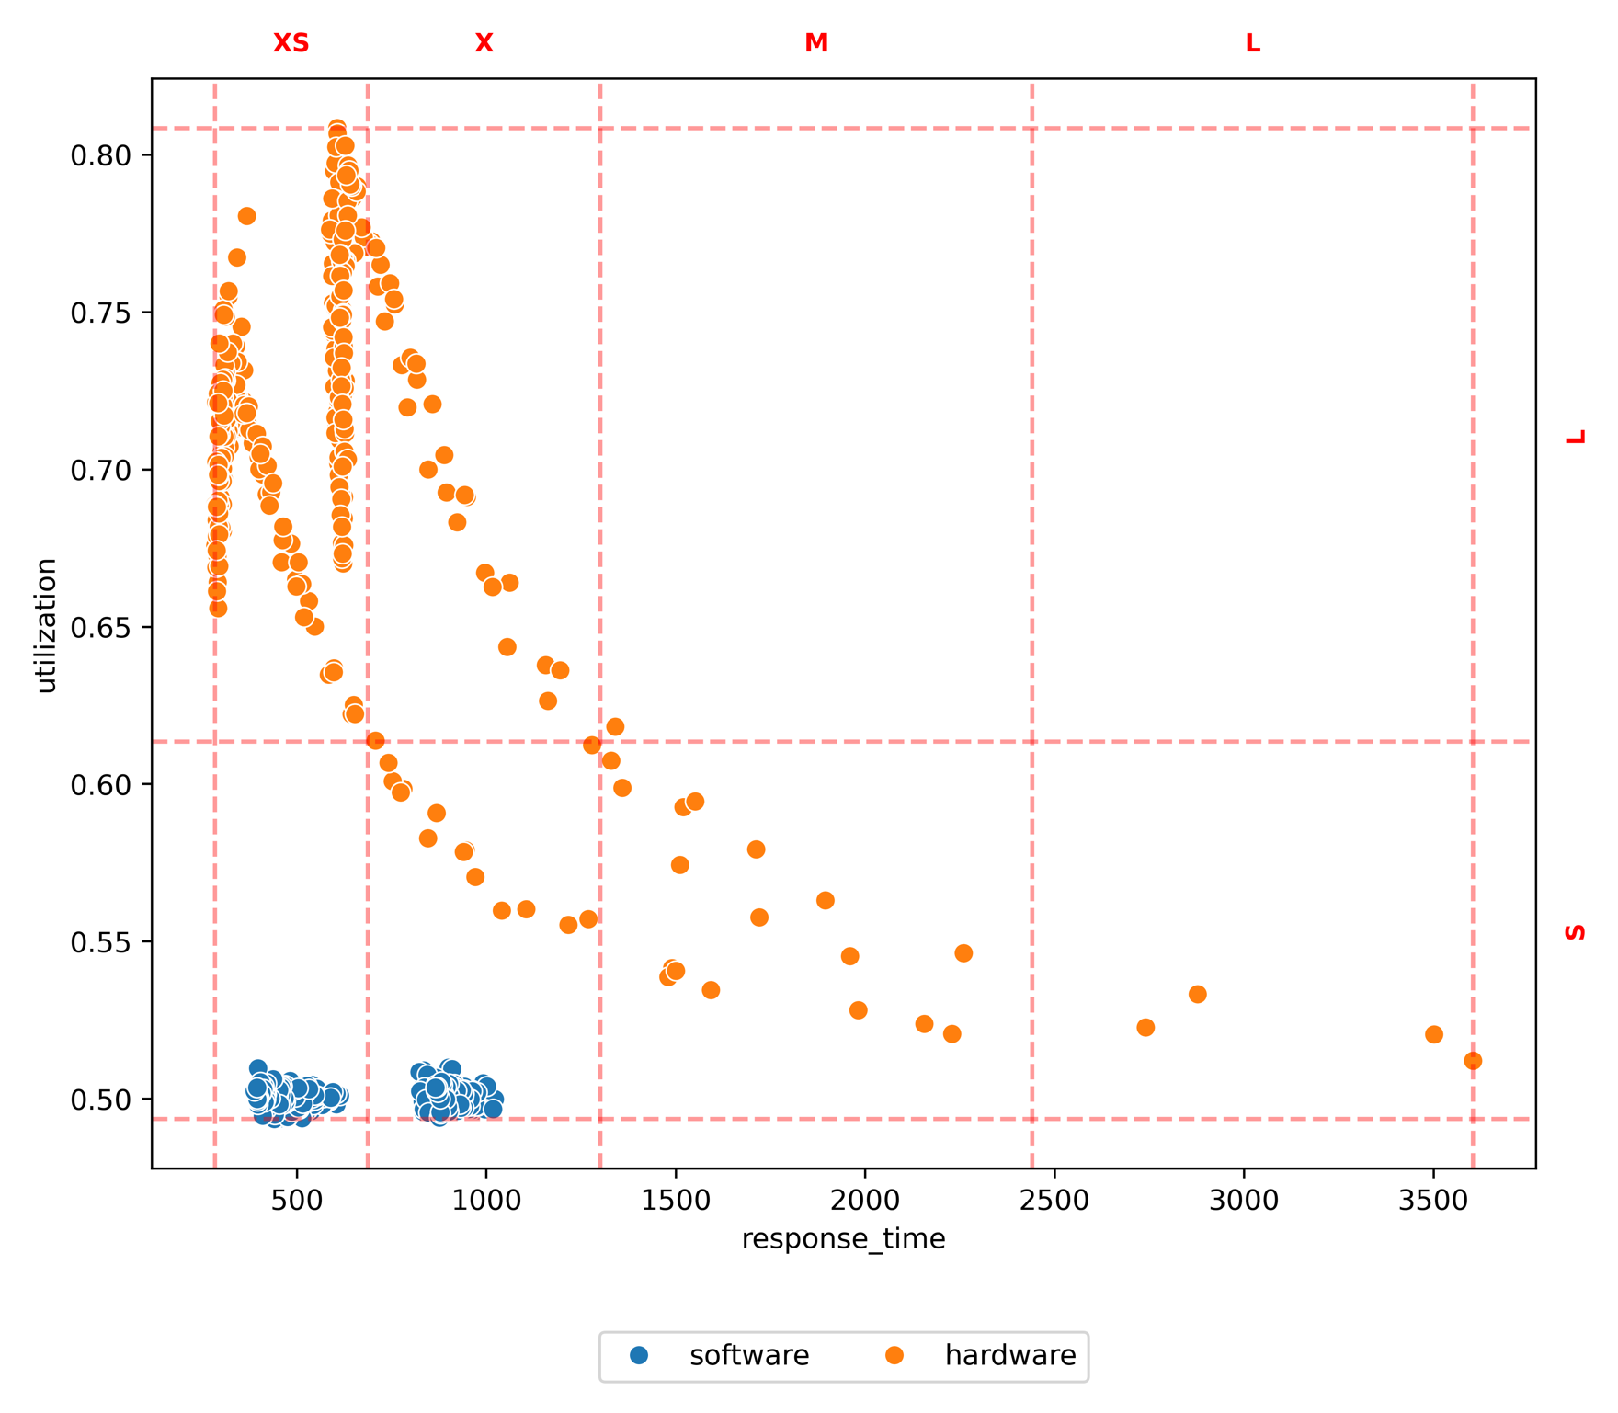
method | policy | target | L-L | L-S | M-L | M-S | X-S | X-X | XS-L | XS-XS
test set | hardware |  |  |  | 0.01 | 0.06 | 0.03 | 0.14 | 0.76 | 0.00
test set | software |  |  |  | 0.00 | 0.00 | 0.46 | 0.00 | 0.00 | 0.54
prim | hardware | M-S |  |  |  | 0.33 | 0.33 | 0.33
prim | software | M-S |  |  |  | 0.00 | 0.50 |  |  | 0.50
prim | hardware | X-S |  |  | 0.02 | 0.08 | 0.02 | 0.25 | 0.65
prim | software | X-S |  |  |  |  | 1.00
prim | hardware | X-X |  |  | 0.05 | 0.18 |  | 0.59 | 0.18
prim | software | X-X |  |  |  |  | 1.00 | 0.00
prim | hardware | XS-L |  |  |  |  |  |  | 1.00
prim | software | XS-L |  |  |  |  |  |  | 0.00 | 1.00
prim | hardware | XS-XS |  |  |  | 0.05 | 0.05 | 0.02 | 0.89
prim | software | XS-XS |  |  |  |  |  |  |  | 1.00
cart | hardware | X-S |  |  |  | 1.00 | 0.00
cart | software | X-S |  |  |  |  | 1.00
cart | hardware | XS-XS |  |  |  |  |  |  | 1.00 | 0.00
cart | software | XS-XS |  |  |  |  |  |  |  | 1.00

 | precision | recall | f1 | lift | complexity | success_rate | precision_std | recall_std | f1_std | lift_std | complexity_std
prim | 0.31 | 0.51 | 0.37 | 0.15 | 1.60 | 0.83 | 0.20 | 0.34 | 0.24 | 0.11 | 0.49
cart | 0.14 | 0.00 | 0.01 | -0.03 | 2.00 | 0.33 | 0.20 | 0.01 | 0.01 | 0.17 | 0.00

