PAF-2BINS
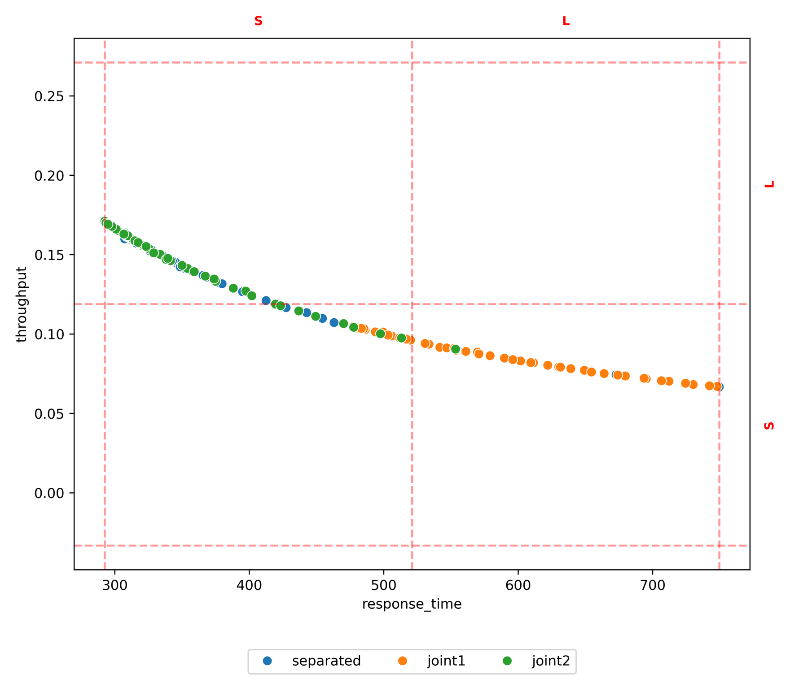
method | policy | target | L-L | L-S | S-L | S-S
test set | joint1 |  |  | 0.60 | 0.00 | 0.40
test set | joint2 |  |  | 0.05 | 0.82 | 0.14
test set | separated |  |  | 0.15 | 0.75 | 0.10
prim | joint1 | L-S |  | 0.64 | 0.00 | 0.36
prim | joint2 | L-S |  | 0.00 | 0.00 | 0.00
prim | separated | L-S |  | 0.00 | 0.00 | 0.00
prim | joint1 | S-L |  | 0.56 | 0.00 | 0.44
prim | joint2 | S-L |  | 0.06 | 0.88 | 0.06
prim | separated | S-L |  | 0.06 | 0.88 | 0.06
prim | joint1 | S-S |  | 0.58 | 0.00 | 0.42
prim | joint2 | S-S |  | 0.00 | 0.00 | 0.00
prim | separated | S-S |  | 0.00 | 0.00 | 0.00
cart | joint1 | L-S |  | 0.58 | 0.00 | 0.42
cart | joint2 | L-S |  | 0.00 | 0.00 | 0.00
cart | separated | L-S |  | 0.00 | 0.00 | 0.00
cart | joint1 | S-L |  | 0.00 | 0.00 | 0.00
cart | joint2 | S-L |  | 0.00 | 0.00 | 0.00
cart | separated | S-L |  | 0.25 | 0.50 | 0.25
cart | joint1 | S-S |  | 0.33 | 0.00 | 0.67
cart | joint2 | S-S |  | 0.00 | 0.00 | 0.00
cart | separated | S-S |  | 0.00 | 0.00 | 0.00

 | precision | recall | f1 | lift | complexity | success_rate | precision_std | recall_std | f1_std | lift_std | complexity_std
prim | 0.54 | 0.69 | 0.60 | 0.21 | 1.66 | 1.00 | 0.09 | 0.14 | 0.08 | 0.14 | 0.47
cart | 0.58 | 0.22 | 0.29 | 0.25 | 2.00 | 1.00 | 0.07 | 0.16 | 0.16 | 0.21 | 0.00

PAF-PARETO
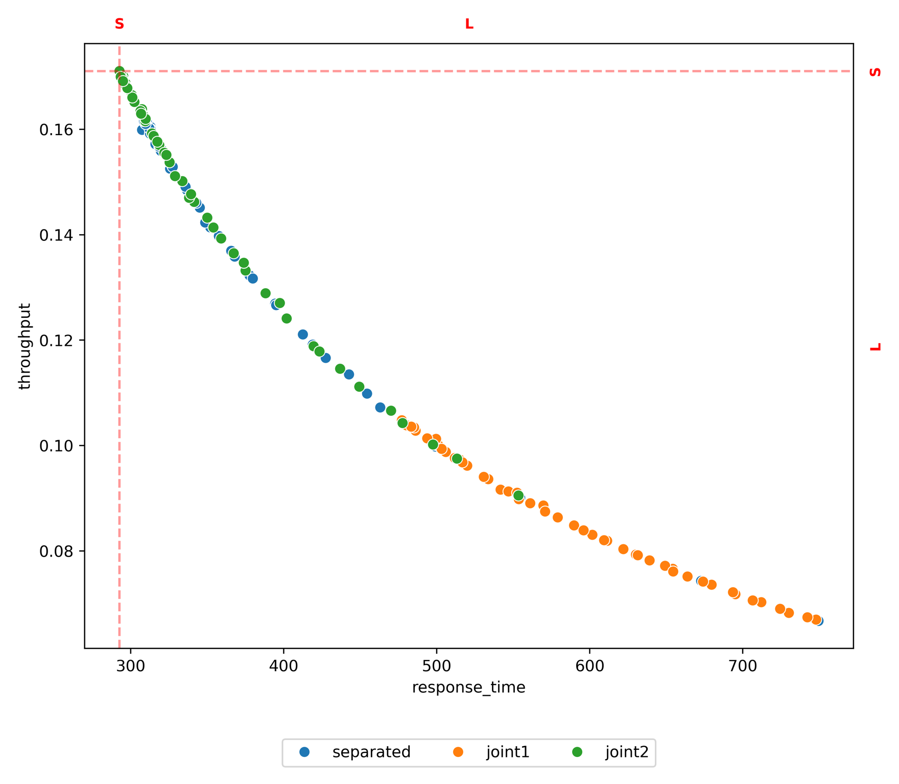
method | policy | target | L-L | L-S | S-L | S-S
test set | joint1 |  | 1.00
test set | joint2 |  | 1.00
test set | separated |  | 1.00
prim | joint1 | L-L | 1.00
prim | joint2 | L-L | 0.00
prim | separated | L-L | 1.00
cart | joint1 | L-L | 1.00
cart | joint2 | L-L | 1.00
cart | separated | L-L | 1.00

 | precision | recall | f1 | lift | complexity | success_rate | precision_std | recall_std | f1_std | lift_std | complexity_std
prim | 1.00 | 0.69 | 0.82 | 0.00 | 1.00 | 0.00 | 0.00 | 0.00 | 0.00 | 0.00 | 0.00
cart | 1.00 | 0.55 | 0.71 | 0.00 | 1.00 | 0.00 | 0.00 | 0.00 | 0.00 | 0.00 | 0.00

PAF-CLUSTERING
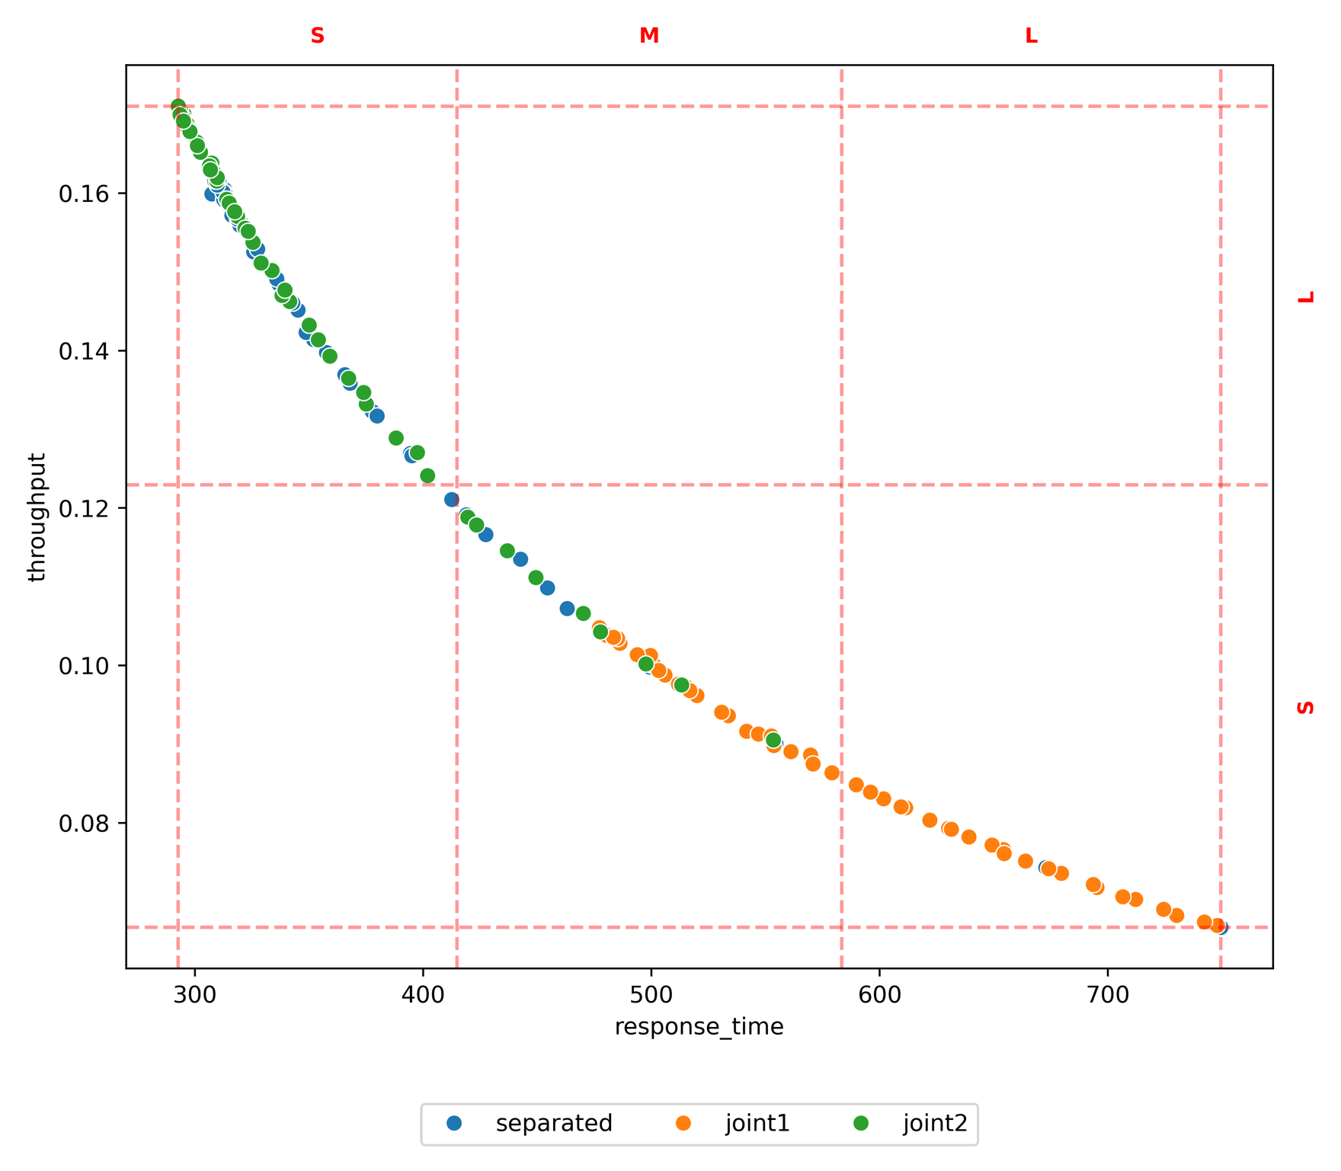
method | policy | target | L-L | L-S | M-M | M-S | S-L | S-S
test set | joint1 |  |  | 0.43 |  | 0.57 | 0.00
test set | joint2 |  |  | 0.00 |  | 0.16 | 0.84
test set | separated |  |  | 0.05 |  | 0.14 | 0.82
prim | joint1 | L-S |  | 0.82 |  | 0.18
prim | joint2 | L-S |  | 0.00
prim | separated | L-S |  | 0.00
prim | joint1 | M-S |  | 0.08 |  | 0.92
prim | joint2 | M-S |  |  |  | 0.00
prim | separated | M-S |  |  |  | 0.00
prim | joint1 | S-L |  | 0.40 |  | 0.60 | 0.00
prim | joint2 | S-L |  |  |  | 0.11 | 0.89
prim | separated | S-L |  | 0.05 |  | 0.14 | 0.82
cart | joint1 | L-S |  | 1.00
cart | joint2 | L-S |  | 0.00
cart | separated | L-S |  | 0.00
cart | joint1 | M-S |  |  |  | 1.00
cart | joint2 | M-S |  |  |  | 0.00
cart | separated | M-S |  |  |  | 0.00
cart | joint1 | S-L |  |  |  |  | 0.00
cart | joint2 | S-L |  |  |  | 0.33 | 0.67
cart | separated | S-L |  |  |  |  | 0.00

 | precision | recall | f1 | lift | complexity | success_rate | precision_std | recall_std | f1_std | lift_std | complexity_std
prim | 0.77 | 0.86 | 0.78 | 0.44 | 1.66 | 1.00 | 0.15 | 0.14 | 0.06 | 0.30 | 0.47
cart | 0.89 | 0.32 | 0.46 | 0.56 | 2.00 | 1.00 | 0.16 | 0.18 | 0.21 | 0.31 | 0.00

