GO
method | policy | target | L-L | L-M | L-S | L-XS | M-L | M-M | M-S | M-XS | S-L | S-M | S-S | S-XS | XS-L | XS-M | XS-S | XS-XS
test set | long-services-offloaded |  |  |  |  |  |  |  |  | 0.00 |  |  | 0.00 | 0.00 | 1.00 | 0.00 |  | 0.00 | 1.00
test set | no-offloading |  |  |  |  |  |  |  |  | 0.11 |  |  | 0.00 | 0.33 | 0.00 | 0.00 |  | 0.56 | 1.00
test set | short-services-offloaded |  |  |  |  |  |  |  |  | 0.00 |  |  | 0.29 | 0.00 | 0.00 | 0.71 |  | 0.00 | 1.00
prim | long-services-offloaded | S-XS |  |  |  |  |  |  |  | 0.00 |  |  | 0.00 | 0.00 | 0.00 | 0.00 |  | 0.00 | 0.00
prim | no-offloading | S-XS |  |  |  |  |  |  |  | 0.11 |  |  | 0.00 | 0.33 | 0.00 | 0.00 |  | 0.56 | 1.00
prim | short-services-offloaded | S-XS |  |  |  |  |  |  |  | 0.00 |  |  | 0.00 | 0.00 | 0.00 | 0.00 |  | 0.00 | 0.00
prim | long-services-offloaded | XS-L |  |  |  |  |  |  |  | 0.00 |  |  | 0.00 | 0.00 | 1.00 | 0.00 |  | 0.00 | 1.00
prim | no-offloading | XS-L |  |  |  |  |  |  |  | 0.00 |  |  | 0.00 | 0.00 | 0.00 | 0.00 |  | 0.00 | 0.00
prim | short-services-offloaded | XS-L |  |  |  |  |  |  |  | 0.00 |  |  | 0.00 | 0.00 | 0.00 | 0.00 |  | 0.00 | 0.00
prim | long-services-offloaded | XS-M |  |  |  |  |  |  |  | 0.00 |  |  | 0.00 | 0.00 | 0.00 | 0.00 |  | 0.00 | 0.00
prim | no-offloading | XS-M |  |  |  |  |  |  |  | 0.00 |  |  | 0.00 | 0.00 | 0.00 | 0.00 |  | 0.00 | 0.00
prim | short-services-offloaded | XS-M |  |  |  |  |  |  |  | 0.00 |  |  | 0.18 | 0.00 | 0.00 | 0.82 |  | 0.00 | 1.00
prim | long-services-offloaded | XS-XS |  |  |  |  |  |  |  | 0.00 |  |  | 0.00 | 0.00 | 0.00 | 0.00 |  | 0.00 | 0.00
prim | no-offloading | XS-XS |  |  |  |  |  |  |  | 0.00 |  |  | 0.00 | 0.29 | 0.00 | 0.00 |  | 0.71 | 1.00
prim | short-services-offloaded | XS-XS |  |  |  |  |  |  |  | 0.00 |  |  | 0.00 | 0.00 | 0.00 | 0.00 |  | 0.00 | 0.00
cart | long-services-offloaded | S-XS |  |  |  |  |  |  |  | 0.00 |  |  | 0.00 | 0.00 | 1.00 | 0.00 |  | 0.00 | 1.00
cart | no-offloading | S-XS |  |  |  |  |  |  |  | 0.50 |  |  | 0.00 | 0.50 | 0.00 | 0.00 |  | 0.00 | 1.00
cart | short-services-offloaded | S-XS |  |  |  |  |  |  |  | 0.00 |  |  | 0.00 | 0.00 | 0.00 | 1.00 |  | 0.00 | 1.00
cart | long-services-offloaded | XS-L |  |  |  |  |  |  |  | 0.00 |  |  | 0.00 | 0.00 | 1.00 | 0.00 |  | 0.00 | 1.00
cart | no-offloading | XS-L |  |  |  |  |  |  |  | 0.00 |  |  | 0.00 | 0.00 | 0.00 | 0.00 |  | 0.00 | 0.00
cart | short-services-offloaded | XS-L |  |  |  |  |  |  |  | 0.00 |  |  | 0.00 | 0.00 | 0.00 | 0.00 |  | 0.00 | 0.00
cart | long-services-offloaded | XS-XS |  |  |  |  |  |  |  | 0.00 |  |  | 0.00 | 0.00 | 1.00 | 0.00 |  | 0.00 | 1.00
cart | no-offloading | XS-XS |  |  |  |  |  |  |  | 0.00 |  |  | 0.00 | 0.25 | 0.00 | 0.00 |  | 0.75 | 1.00
cart | short-services-offloaded | XS-XS |  |  |  |  |  |  |  | 0.00 |  |  | 0.00 | 0.00 | 0.00 | 1.00 |  | 0.00 | 1.00

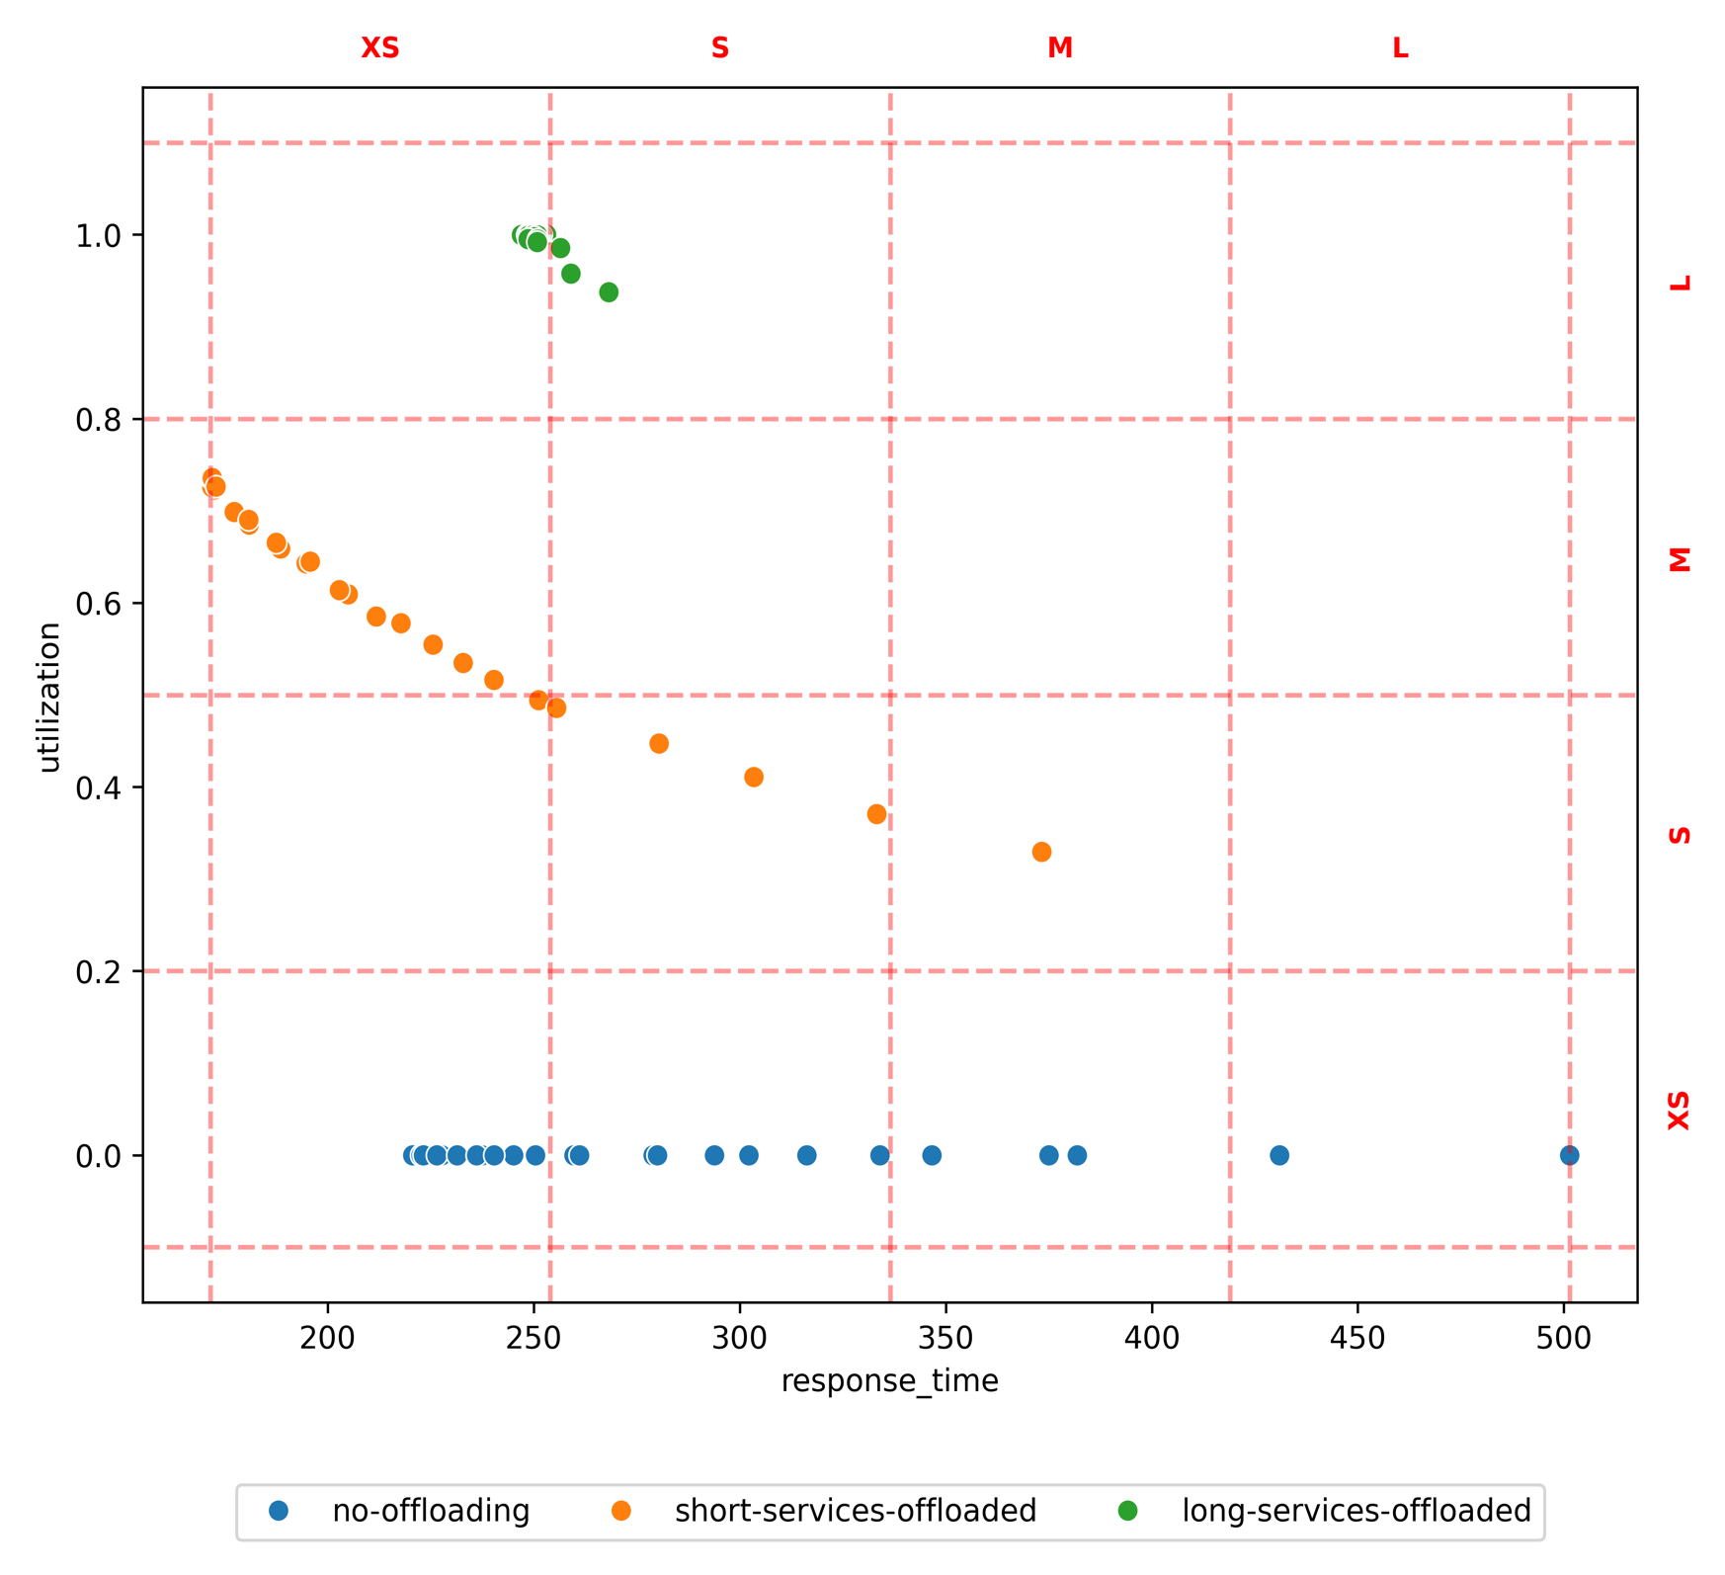
prim: 4 boxes
cart: 3 boxes

CQRS
method | policy | target | L-L | L-M | L-S | L-XS | M-L | M-M | M-S | M-XS | S-L | S-M | S-S | S-XS | XS-L | XS-M | XS-S | XS-XS
test set | hardware |  |  |  |  |  |  |  |  |  |  |  | 0.06 |  | 0.09 | 0.79 | 0.06 | 0.00 | 1.00
test set | software |  |  |  |  |  |  |  |  |  |  |  | 0.00 |  | 0.00 | 0.00 | 0.00 | 1.00 | 1.00
prim | hardware | S-S |  |  |  |  |  |  |  |  |  |  | 0.50 |  | 0.00 | 0.50 | 0.00 | 0.00 | 1.00
prim | software | S-S |  |  |  |  |  |  |  |  |  |  | 0.00 |  | 0.00 | 0.00 | 0.00 | 1.00 | 1.00
prim | hardware | XS-L |  |  |  |  |  |  |  |  |  |  | 0.00 |  | 0.65 | 0.35 | 0.00 | 0.00 | 1.00
prim | software | XS-L |  |  |  |  |  |  |  |  |  |  | 0.00 |  | 0.00 | 0.00 | 0.00 | 1.00 | 1.00
prim | hardware | XS-M |  |  |  |  |  |  |  |  |  |  | 0.00 |  | 0.00 | 1.00 | 0.00 | 0.00 | 1.00
prim | software | XS-M |  |  |  |  |  |  |  |  |  |  | 0.00 |  | 0.00 | 0.00 | 0.00 | 1.00 | 1.00
prim | hardware | XS-S |  |  |  |  |  |  |  |  |  |  | 0.08 |  | 0.00 | 0.33 | 0.58 | 0.00 | 1.00
prim | software | XS-S |  |  |  |  |  |  |  |  |  |  | 0.00 |  | 0.00 | 0.00 | 0.00 | 1.00 | 1.00
prim | hardware | XS-XS |  |  |  |  |  |  |  |  |  |  | 0.08 |  | 0.18 | 0.74 | 0.00 | 0.00 | 1.00
prim | software | XS-XS |  |  |  |  |  |  |  |  |  |  | 0.00 |  | 0.00 | 0.00 | 0.00 | 1.00 | 1.00
cart | hardware | XS-M |  |  |  |  |  |  |  |  |  |  | 0.03 |  | 0.00 | 0.85 | 0.12 | 0.00 | 1.00
cart | software | XS-M |  |  |  |  |  |  |  |  |  |  | 0.00 |  | 0.00 | 0.00 | 0.00 | 1.00 | 1.00

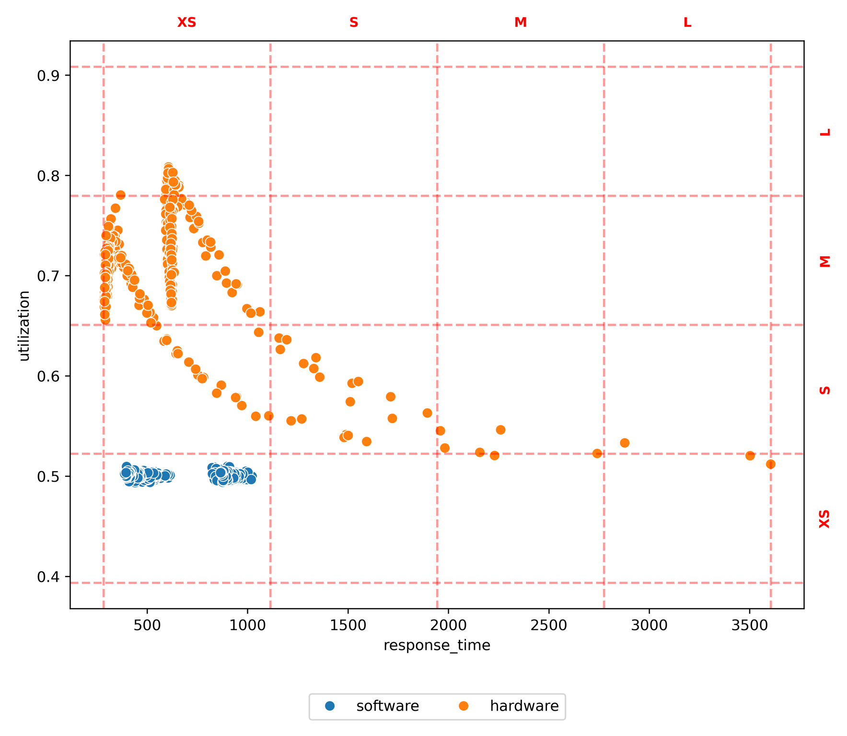
prim: 5 boxes
cart: 1 box

ACL
method | policy | target | L-L | L-M | L-S | L-XS | M-L | M-M | M-S | M-XS | S-L | S-M | S-S | S-XS | XS-L | XS-M | XS-S | XS-XS
test set | standard |  |  |  |  |  |  |  |  |  |  | 0.01 |  |  | 0.26 | 0.71 | 0.01 | 0.01 | 1.00
prim | standard | XS-L |  |  |  |  |  |  |  |  |  | 0.00 |  |  | 0.79 | 0.21 | 0.00 | 0.00 | 1.00
prim | standard | XS-M |  |  |  |  |  |  |  |  |  | 0.03 |  |  | 0.00 | 0.97 | 0.00 | 0.00 | 1.00
cart | standard | XS-L |  |  |  |  |  |  |  |  |  | 0.00 |  |  | 0.11 | 0.89 | 0.00 | 0.00 | 1.00
cart | standard | XS-M |  |  |  |  |  |  |  |  |  | 0.05 |  |  | 0.00 | 0.95 | 0.00 | 0.00 | 1.00

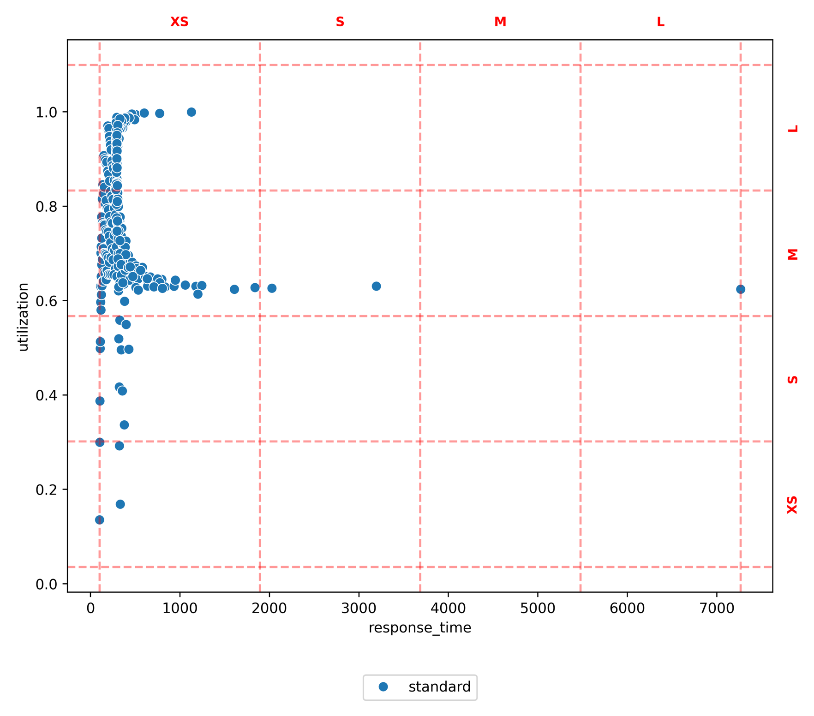
prim: 2 boxes
cart: 2 boxes

GA
method | policy | target | L-L | L-M | L-S | L-XS | M-L | M-M | M-S | M-XS | S-L | S-M | S-S | S-XS | XS-L | XS-M | XS-S | XS-XS
test set | standard |  | 0.41 |  |  |  |  | 0.06 |  | 0.03 | 0.19 | 0.03 |  | 0.06 |  |  |  | 0.22 | 1.00
prim | standard | L-L | 1.00 |  |  |  |  | 0.00 |  | 0.00 | 0.00 | 0.00 |  | 0.00 |  |  |  | 0.00 | 1.00
prim | standard | M-M | 0.00 |  |  |  |  | 0.22 |  | 0.00 | 0.67 | 0.11 |  | 0.00 |  |  |  | 0.00 | 1.00
prim | standard | M-XS | 0.00 |  |  |  |  | 0.00 |  | 0.10 | 0.00 | 0.00 |  | 0.20 |  |  |  | 0.70 | 1.00
prim | standard | S-L | 0.00 |  |  |  |  | 0.13 |  | 0.00 | 0.75 | 0.13 |  | 0.00 |  |  |  | 0.00 | 1.00
prim | standard | S-XS | 0.00 |  |  |  |  | 0.00 |  | 0.00 | 0.00 | 0.00 |  | 0.22 |  |  |  | 0.78 | 1.00
prim | standard | XS-XS | 0.00 |  |  |  |  | 0.00 |  | 0.00 | 0.00 | 0.00 |  | 0.00 |  |  |  | 1.00 | 1.00
cart | standard | S-XS | 0.00 |  |  |  |  | 0.00 |  | 0.00 | 0.00 | 0.00 |  | 1.00 |  |  |  | 0.00 | 1.00
cart | standard | XS-XS | 0.00 |  |  |  |  | 0.00 |  | 0.00 | 0.00 | 0.00 |  | 0.00 |  |  |  | 1.00 | 1.00

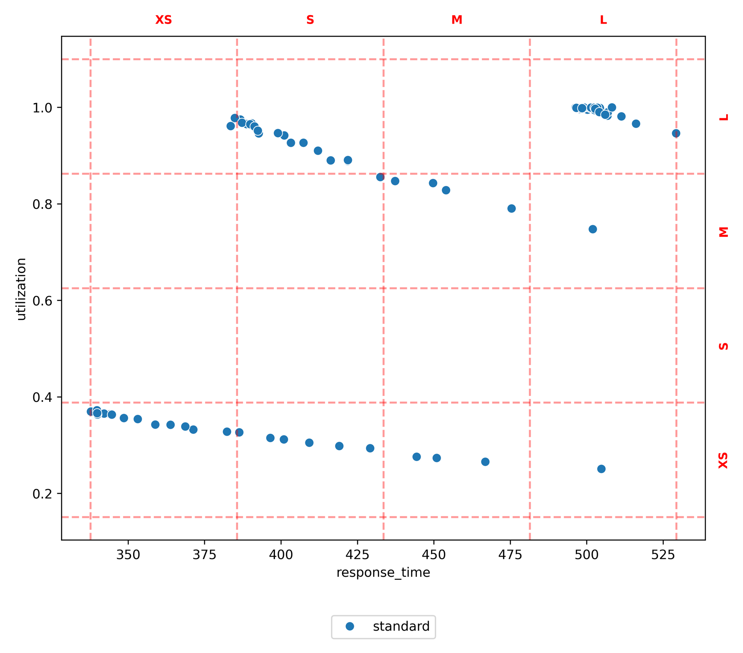
prim: 6 boxes
cart: 2 boxes

PAF
method | policy | target | L-L | L-M | L-S | L-XS | M-L | M-M | M-S | M-XS | S-L | S-M | S-S | S-XS | XS-L | XS-M | XS-S | XS-XS
test set | joint1 |  |  |  | 0.33 |  |  |  | 0.39 |  |  | 0.00 | 0.28 |  |  | 0.00 |  |  | 1.00
test set | joint2 |  |  |  | 0.00 |  |  |  | 0.04 |  |  | 0.00 | 0.24 |  |  | 0.72 |  |  | 1.00
test set | separated |  |  |  | 0.05 |  |  |  | 0.05 |  |  | 0.05 | 0.11 |  |  | 0.74 |  |  | 1.00
prim | joint1 | L-S |  |  | 0.83 |  |  |  | 0.17 |  |  | 0.00 | 0.00 |  |  | 0.00 |  |  | 1.00
prim | joint2 | L-S |  |  | 0.00 |  |  |  | 0.00 |  |  | 0.00 | 0.00 |  |  | 0.00 |  |  | 0.00
prim | separated | L-S |  |  | 0.00 |  |  |  | 0.00 |  |  | 0.00 | 0.00 |  |  | 0.00 |  |  | 0.00
prim | joint1 | M-S |  |  | 0.33 |  |  |  | 0.67 |  |  | 0.00 | 0.00 |  |  | 0.00 |  |  | 1.00
prim | joint2 | M-S |  |  | 0.00 |  |  |  | 0.00 |  |  | 0.00 | 0.00 |  |  | 0.00 |  |  | 0.00
prim | separated | M-S |  |  | 0.00 |  |  |  | 0.00 |  |  | 0.00 | 0.00 |  |  | 0.00 |  |  | 0.00
prim | joint1 | S-S |  |  | 0.33 |  |  |  | 0.39 |  |  | 0.00 | 0.28 |  |  | 0.00 |  |  | 1.00
prim | joint2 | S-S |  |  | 0.00 |  |  |  | 0.00 |  |  | 0.00 | 0.00 |  |  | 0.00 |  |  | 0.00
prim | separated | S-S |  |  | 0.00 |  |  |  | 0.00 |  |  | 0.00 | 0.00 |  |  | 0.00 |  |  | 0.00
prim | joint1 | XS-M |  |  | 0.15 |  |  |  | 0.46 |  |  | 0.00 | 0.38 |  |  | 0.00 |  |  | 1.00
prim | joint2 | XS-M |  |  | 0.00 |  |  |  | 0.00 |  |  | 0.00 | 0.14 |  |  | 0.86 |  |  | 1.00
prim | separated | XS-M |  |  | 0.00 |  |  |  | 0.00 |  |  | 0.07 | 0.07 |  |  | 0.86 |  |  | 1.00
cart | joint1 | L-S |  |  | 0.33 |  |  |  | 0.39 |  |  | 0.00 | 0.28 |  |  | 0.00 |  |  | 1.00
cart | joint2 | L-S |  |  | 0.00 |  |  |  | 0.00 |  |  | 0.00 | 0.00 |  |  | 0.00 |  |  | 0.00
cart | separated | L-S |  |  | 0.00 |  |  |  | 0.00 |  |  | 0.00 | 0.00 |  |  | 0.00 |  |  | 0.00
cart | joint1 | M-S |  |  | 0.33 |  |  |  | 0.39 |  |  | 0.00 | 0.28 |  |  | 0.00 |  |  | 1.00
cart | joint2 | M-S |  |  | 0.00 |  |  |  | 0.00 |  |  | 0.00 | 0.00 |  |  | 0.00 |  |  | 0.00
cart | separated | M-S |  |  | 0.00 |  |  |  | 0.00 |  |  | 0.00 | 0.00 |  |  | 0.00 |  |  | 0.00
cart | joint1 | XS-M |  |  | 0.00 |  |  |  | 0.29 |  |  | 0.00 | 0.71 |  |  | 0.00 |  |  | 1.00
cart | joint2 | XS-M |  |  | 0.00 |  |  |  | 0.00 |  |  | 0.00 | 0.20 |  |  | 0.80 |  |  | 1.00
cart | separated | XS-M |  |  | 0.00 |  |  |  | 0.00 |  |  | 0.00 | 0.25 |  |  | 0.75 |  |  | 1.00

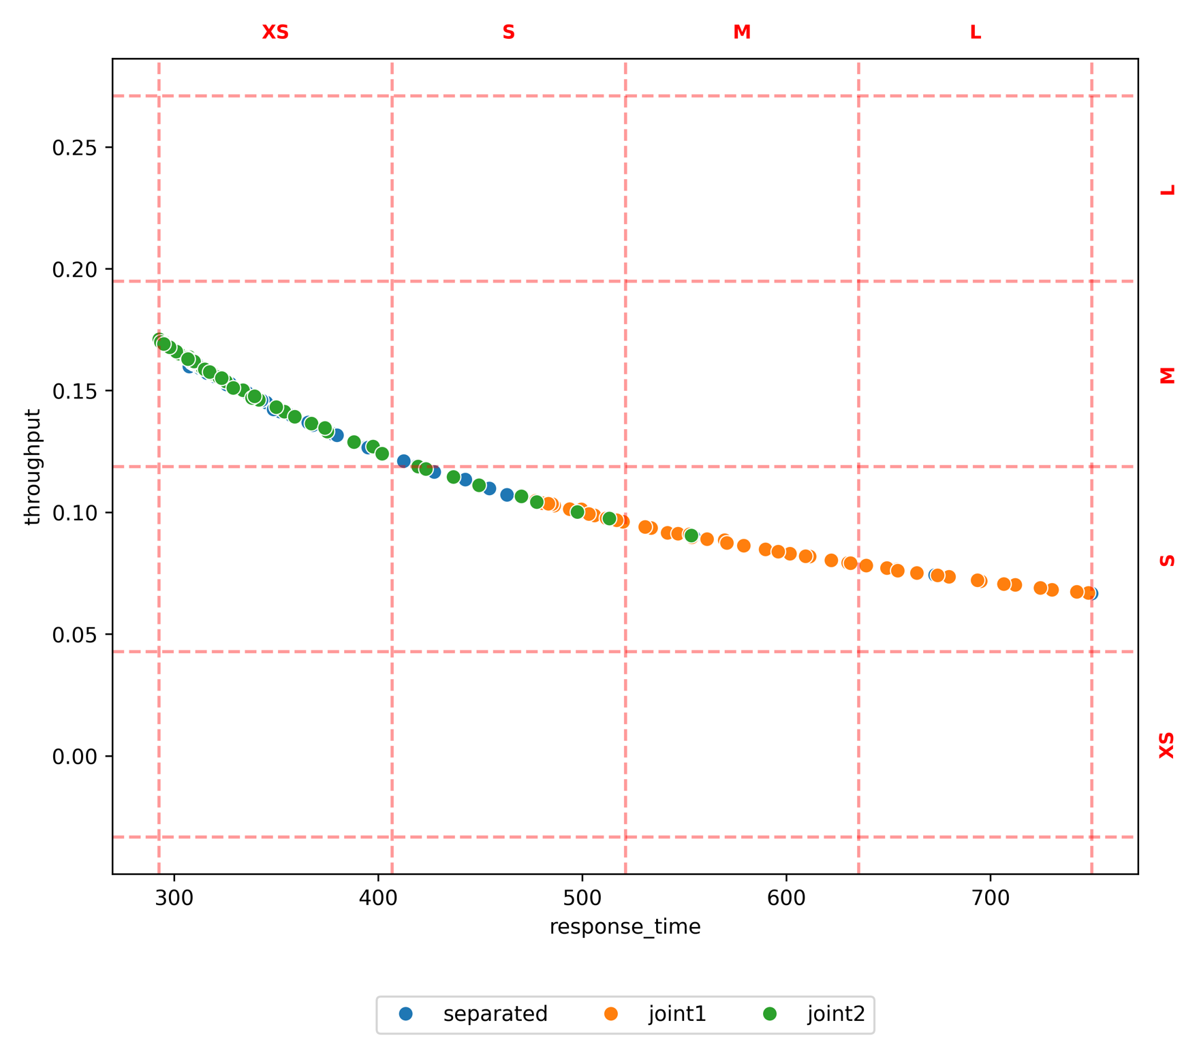
prim: 4 boxes
cart: 3 boxes

