Overview
 Portolio Project | Grammy.com Web Analytics

— Your Job
Are you excited to dive into data work for an exciting project at The Recording Academy? You know, the non-profit organization behind the Grammy Awards! In this project, you'll work on real data from both websites owned by The Recording Academy, the non-profit organization behind the famous Grammy Awards. As you just learned, Ray Starck, the VP of Digital Strategy, decided to split the websites into grammy.com and recordingacademy.com to better serve the Recording Academy's various audience needs. Now, you are tasked with examining the effect of splitting up the two websites, and analyzing the data for a better understanding of trends and audience behavior on both sites. Are you ready?!?! Let's do this!

— Your Skills
For this task, you'll engage the following skills: (1) Prepare the data by transforming it. (2) Calculate business KPIs (3) Make recommendations for the organization.

— Ready to Begin? Click the next tab below to explore the data dictionary!

Complete Your Analysis!
About Your Analysis
• All of your answers should be typed or pasted into the grey boxes. • Questions with grey answer boxes expect a specific answer. If you input the correct answer, the question number box will change from blue to green. • Questions with yellow answer boxes are free response questions. There will be no change in the question number boxes (in blue), regardless of answer. • For hints for each question, hover your mouse over the blue hint box to get helpful information!

Now, it's time to analyze!

Part 1: Explore the Data
 | To begin the data exploration you will be looking at the Grammys Data sheet. The data contained there includes all the data provided by The Recording Academy, the organization behind The Grammy Awards. |  | Note!

1a | Create a line chart of the number of daily visitors to the Grammy.com website. See if you can spot the days the Grammy Awards are hosted. Use the Grammys Data sheet for this graph. The horizontal axis should be the date field. |  | Hint!

Daily Visitors
 | visitors
1/1/2017 | 9611
1/2/2017 | 10752
1/3/2017 | 11425
1/4/2017 | 13098
1/5/2017 | 12234
1/6/2017 | 11461
1/7/2017 | 11183
1/8/2017 | 16265
1/9/2017 | 17852
1/10/2017 | 14211
1/11/2017 | 13456
1/12/2017 | 13616
1/13/2017 | 11880
1/14/2017 | 11888
1/15/2017 | 12706
1/16/2017 | 12691
1/17/2017 | 13260
1/18/2017 | 14483
1/19/2017 | 13551
1/20/2017 | 13215
1/21/2017 | 12578
1/22/2017 | 16502
1/23/2017 | 14620
1/24/2017 | 17787
1/25/2017 | 15447
1/26/2017 | 15211
1/27/2017 | 14007
1/28/2017 | 12950
1/29/2017 | 16137
1/30/2017 | 18765
1/31/2017 | 35148
2/1/2017 | 28565
2/2/2017 | 27502
2/3/2017 | 22888
2/4/2017 | 25069
2/5/2017 | 30728
2/6/2017 | 34723
2/7/2017 | 47583
2/8/2017 | 52279
2/9/2017 | 73648
2/10/2017 | 91058
2/11/2017 | 133362
2/12/2017 | 1930245
2/13/2017 | 1057729
2/14/2017 | 213939
2/15/2017 | 105345
2/16/2017 | 72888
2/17/2017 | 62042
2/18/2017 | 56309
2/19/2017 | 45545
...

1b | What can you say about the visitors to the website by looking at the graph?

 | Acoss the graph we can see several spikes that happen every year, we can assume these spikes are happening on days where the grammy awards are held. We can infer that on grammy days the grammys.com website receives a lot more traffic than it would on any other day.

 |  |  |  | Place the PivotTable for Task 2a below.
2a | Using the Grammys Data sheet, create a PivotTable to compare the average daily website visitors on days when an award ceremony was held to those when no awards ceremonies were held. |  | Hint! | Event Type | Average of Daily Visitors | Difference in Visitors
 |  |  |  | Grammy Awards | 1389590.23 | 1357201.95
2b | What can you say about these results? Roughly how many more visitors are on the website for the Grammy Awards ceremony versus a regular day? |  |  | Regular Day | 32388.28 | 42.90
 |  |  |  | Grand Total | 39921.85
 | At first glance we can clearly see that the grammys.com website gets way more traffic on grammy award days than they do on any other day. Roughly, we see a 1,357,201 or 42 times more visitors on a Grammy Awards day than on a regular day.

3 | February 1st, 2022 marks the transition from when Grammy.com began to only host Grammys content instead of both Recording Academy and Grammys content. Fill in the values in the website_content column in the Grammys Data sheet. This column will have the value "Grammys" if the date occurred on or after 2/1/2022 and the value "Grammys + TRA" otherwise. |  | Hint!

Part 2: Analyze the Data
 | The Recording Academy is interested in several KPIs (Key Performance Indicators) to determine if the change from one site to two separate sites has improved these KPIs. In the section below you will calculate bounce rate, pages per session, and average time on site KPIs. |  | Note!

 | Calculate the pages_per_session metric by first finding the total pageviews and then dividing that by the total number of sessions. Pages per session is an important measure of how many unique pages a user views before leaving the site -- it's a strong indicator of user engagement.
4a | What is the pages_per_session on the Recording Academy data? | 2.78 | Hint!
4b | What is the pages_per_session on the Grammys data? | 2.25
4c | What is the pages_per_session on the Grammys + TRA data? | 1.86
 | Calculate the bounce_rate metric. You will need to first calculate the total bounced_sessions and divide by the total number of sessions. Bounce rate is an important metric that calculates the percentage of users (aka sessions) that come to your site and never interact with the page and leave. They are said to have "bounced" off your home page. It is a measure of how engaging your home page is with users.
5a | What is the bounce_rate on the Recording Academy data? | 33.7% | Hint!
5b | What is the bounce_rate on the Grammys data? | 40.2%
5c | What is the bounce_rate on the Grammys + TRA data? | 41.6%
 | Calculate the average_time_on_site metric. To do this, you only need to calculate the average of the avg_session_duration_secs column. Average Time on Site measures how engaging your website experience is for your users. The higher the number, the longer they are staying on your page and engaging with the content.
6a | What is the average_time_on_site on the Recording Academy data? | 128.50 | Hint!
6b | What is the average_time_on_site on the Grammys data? | 82.99
6c | What is the average_time_on_site on the Grammys + TRA data? | 102.85
Part 3: Device Breakdown
 | Ray and team want to know the percentage of visitors coming from mobile devices (iOS, Android, Tablets). They want to optimize the experience for mobile users but need to understand the percentage of mobile users in order to determine the impact it will have on the site.

7a | In the Grammys Data sheet, use XLOOKUP to populate the missing column in the grammys table. Search for dates within the mobile_visits table, return corresponding mobile_visitors values. If the date is not found, the function should return the numeric value 0. |  | Hint!

7b | What percentage of uses across all dates in the dataset use a mobile device to visit the website? To calculate this value, you will calculate the total number of mobile_visitors and divide by the total number of visitors | 73.7% | Hint!
Part 4: Communicate Findings
8 | Using the work you did in this project, would you recommend that the websites stay separate? Please give a 2-3 paragraph answer using details from the analysis work above explaining why or why not they should stay separate. |  | Hint!

 | After calculating several KPI's for the Grammys, TRA, and Grammys + TRA, we are now able to take a closer look at what all this data presented to us means. For starters we can see that, on average, the pages per session is 2.78 and 2.25 for both the Recording Academy and Grammys respectively. They each garner a higher retention rate based off this metric compared to when they were combined, which previously had an average pages per session of 1.86. Separating the two led to a benifit in retention as both websites are geared to more specific audiences leading to them staying longer. This could also be said about bounce rates as on average the Recording Academy had a 33.7% bounce rate and the Grammys had a 40.2% bounce rate. This is significant because when both were just one website they had an average bounce rate of 41.6% indicating a lower retention rate for Grammys + RTA just like with pages per session. Finally, looking at our last KPI, we found the average time on site, which came to be 128.50 seconds for TRA, 82.99 seconds for the Grammys, and 102.85 seconds for Grammys + TRA. With this final metric it appears that TRA has the best retention time and the grammys the lowest compared to Grammys + TRA, but when thinking about the kinds of audiences both websites attract it makes more sense as to why that is. TRA focuses on being geared more towards music professionals and the grammy.com more for your average joe that likes to keep up with the awards, when thinking about it this way we can see that a music professional would spend more time on a site that is tailored specifically for someone like them than an average fan would on the Grammys website. This would also explain why the average time on site for Grammys + TRA is higher than just the Grammys as the TRA data would skew this a little when putting them together. Overall based on the data I have presented here I would recommend both sites to stay separate as they have shown to hold higher retention rates sepe

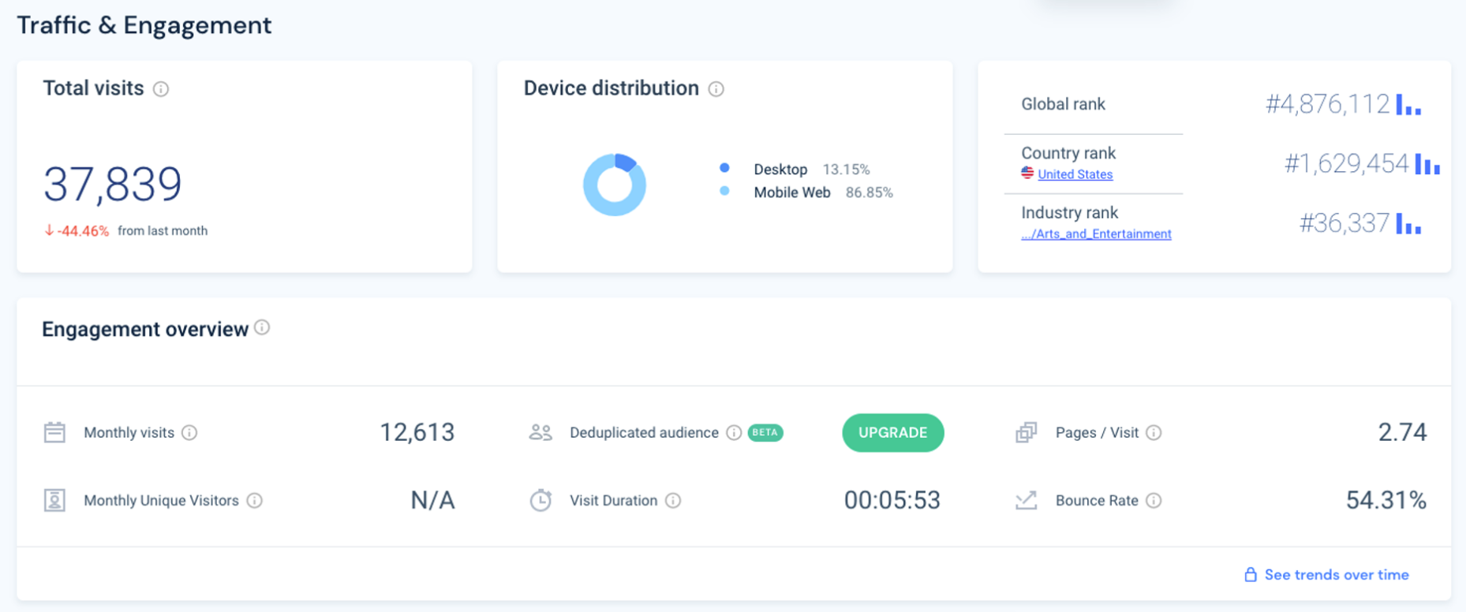
9 | Ray's team is also interested in comparing metrics of the Grammy.com website to that of their main competitor, The American Music Awards (theAMAs.com). On the right you will find a dashboard of the key metrics from The AMAs, use your findings from above to give feedback to Ray and team on which metrics are performing better / worse relative to the competition.

 | Comparing the Grammys against the AMAs we first off, see that they have a higher bounce rate at 54.31% compared to ours of 40.2%. They also have less total visits at 37,839 compared to ours of 39,920. On the other hand they have the slight edge on our site when it comes to pages a visit as on average a user on the AMAs typically views 2.74 pages per visit compared to ours of 2.25. A majority of their users also come from mobile devices as 86.85% of them come from some form of device that is not a desktop which compared to our mobile user base of 73.7%, is higher. Overall the Grammys has the edge in metrics like bounce rate and slightly more popularity with a higher amount of total visits and both sites are pretty even when it comes to pages per session. We could infer however that the AMAs site is slight better for mobile users as a majority of their user base comes from devices other than desktops. With that being said we could look to better optimize grammy.com for mobile users providing a friendlier user interface as 73.7% of our own users come from mobile devices as well.

LevelUp! A/B Test in Excel
 | In your calculations for Ray, you noticed that there was indeed a difference in the pages_per_session metric between the "Grammys + TRA" content and the Recording Academy Data sheet. He wants to know if that difference is statistically significant and wants you to performan an A/B Test on the results. You have been provided with the control and test numbers in the AB Testing sheet. Use those to complete the analysis below.

10a | In words, state the null hypothesis for the A/B test. |  | Hint!
 | The difference in pages per session between Grammys + TRA and the Recording Academy Data will not be statisitcally significant showing no difference.

 | In words, state the alternative hypothesis for the A/B test.
 | The difference in pages per session between Grammys + TRA and the Recording Academy Data will be statisitcally significant showing a difference.

10b | Use the Data Analysis Toolpak to run an A/B test between the control group and test group. |  | Note!

10c | From the output of the A/B test, is there evidence at the 95% confidence level that the pages_per_session between the two websites are different? Why or Why not? Note: Pay attention to scientific notation when analyzing the results!

 | From our A/B test we are able to reject the null hypothesis in favor of the alternative hypothesis as we saw a 95% confidence level indicating a significant difference in pages per session. This is due to us yielding a p-value less than 0.05 showing statistical significance.

