SR
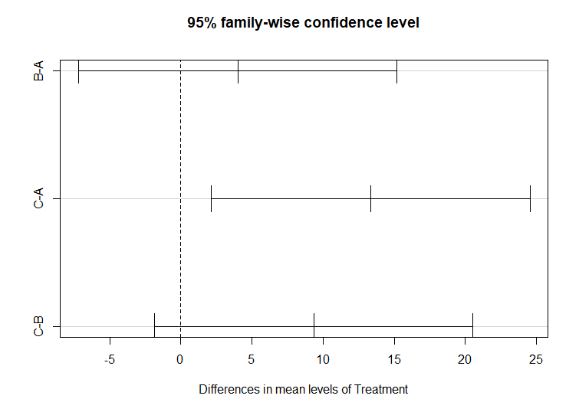
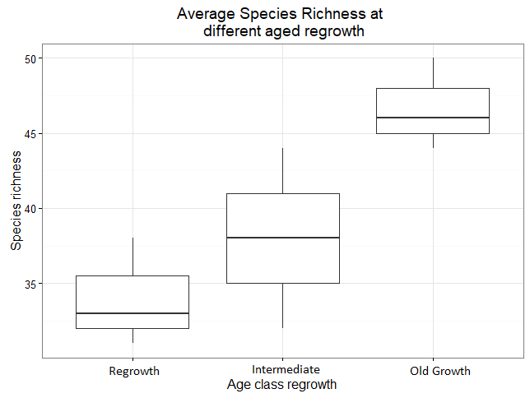
Site | Site | SR | Quality testing data
RM01 | A | 29 | Bartlett test of homogeneity of variances | Bartlett's K-squared = 0.53852, df = 2, p-value = 0.7639
RM02 | A | 33 | Shapiro-Wilk normality test | W = 0.9634, p-value = 0.8331
RM03 | A | 38 | Anova results
IM01 | B | 43 |  | Df Sum Sq Mean Sq F value Pr(>F)
IM02 | B | 32 |  | Treatment 2 280.9 140.4 7.022 0.0268 *
IM03 | B | 37 |  | Residuals 6 120.0 20.0
OM01 | C | 44 |  | ---
OM02 | C | 50 |  | Signif. codes: 0 ‘***’ 0.001 ‘**’ 0.01 ‘*’ 0.05 ‘.’ 0.1 ‘ ’ 1
OM03 | C | 46
 |  |  | Tukey HSD Results
 |  |  |  | $Treatment
 |  |  |  | diff lwr upr p adj
 |  |  |  | B-A 4.000000 -7.203754 15.20375 0.5507981
 |  |  |  | C-A 13.333333 2.129579 24.53709 0.0248763
 |  |  |  | C-B 9.333333 -1.870421 20.53709 0.0950503

Cluster Analysis Matrix
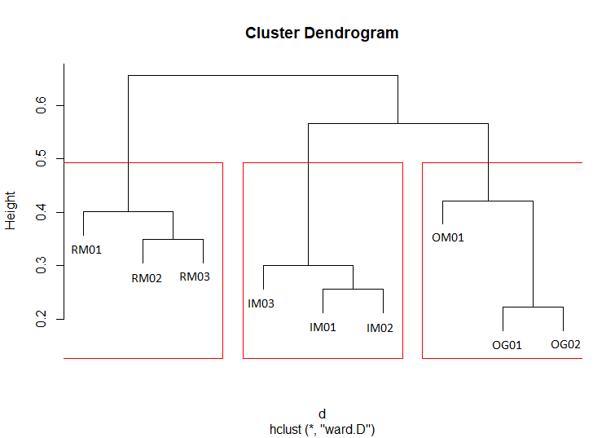
 | 6 | 8 | 9 | 16 | 19 | 27 | 33 | 37 | 49 | 60 | 61 | 71 | 85 | 88 | 95 | 97 | 99 | 100 | 102 | 104 | 107 | 110 | 116 | 117 | 127 | 129 | 140 | 143 | 146 | 153 | 158 | 159 | 161 | 163 | 168 | 169 | 172 | 177 | 180 | 187 | 189 | 194 | 195 | 211 | 212 | 213 | 218 | 227 | 232 | 233 | 235 | 241 | 245 | 247 | 540 | 554 | 559 | 576 | 591 | 599 | 1039 | 1041 | 1092 | 1096 | 1098 | 1467
RM01 | 1 | 1 | 1 | 1 | 1 | 1 | 0 | 0 | 1 | 1 | 0 | 0 | 0 | 0 | 0 | 0 | 1 | 0 | 1 | 1 | 0 | 0 | 0 | 1 | 0 | 1 | 0 | 1 | 1 | 0 | 0 | 0 | 0 | 1 | 1 | 1 | 0 | 0 | 1 | 1 | 0 | 0 | 0 | 0 | 0 | 0 | 0 | 0 | 0 | 0 | 1 | 0 | 1 | 1 | 1 | 0 | 0 | 0 | 1 | 1 | 0 | 0 | 1 | 1 | 0 | 1 | 29
RM02 | 1 | 1 | 1 | 0 | 1 | 1 | 1 | 0 | 1 | 1 | 1 | 0 | 0 | 1 | 1 | 0 | 1 | 0 | 0 | 1 | 0 | 0 | 0 | 0 | 0 | 1 | 0 | 1 | 1 | 0 | 0 | 1 | 0 | 1 | 1 | 1 | 0 | 0 | 1 | 1 | 0 | 1 | 0 | 1 | 0 | 1 | 0 | 1 | 0 | 0 | 1 | 0 | 0 | 1 | 1 | 0 | 0 | 0 | 1 | 1 | 0 | 1 | 1 | 0 | 0 | 0 | 33
RM03 | 1 | 1 | 1 | 1 | 0 | 1 | 1 | 0 | 1 | 1 | 1 | 0 | 0 | 0 | 1 | 0 | 1 | 0 | 1 | 1 | 1 | 0 | 0 | 0 | 0 | 1 | 0 | 1 | 1 | 0 | 0 | 1 | 0 | 1 | 1 | 1 | 0 | 0 | 1 | 1 | 1 | 0 | 1 | 1 | 0 | 0 | 1 | 0 | 0 | 0 | 1 | 0 | 1 | 1 | 1 | 0 | 0 | 0 | 1 | 1 | 1 | 1 | 1 | 1 | 1 | 0 | 38
IM01 | 1 | 1 | 1 | 1 | 1 | 0 | 0 | 1 | 1 | 1 | 1 | 0 | 1 | 1 | 1 | 0 | 1 | 0 | 1 | 1 | 1 | 1 | 0 | 0 | 1 | 1 | 1 | 1 | 1 | 1 | 1 | 1 | 0 | 1 | 0 | 1 | 0 | 0 | 1 | 1 | 1 | 1 | 1 | 0 | 0 | 1 | 1 | 0 | 0 | 0 | 1 | 0 | 0 | 1 | 1 | 0 | 0 | 1 | 1 | 1 | 0 | 1 | 1 | 0 | 0 | 1 | 43
IM02 | 1 | 1 | 1 | 1 | 1 | 0 | 0 | 1 | 1 | 1 | 1 | 0 | 1 | 1 | 1 | 0 | 1 | 0 | 1 | 1 | 0 | 0 | 0 | 0 | 1 | 1 | 0 | 0 | 1 | 0 | 0 | 0 | 0 | 1 | 0 | 1 | 0 | 0 | 1 | 1 | 0 | 0 | 0 | 0 | 0 | 1 | 1 | 0 | 0 | 0 | 1 | 0 | 0 | 1 | 1 | 0 | 0 | 1 | 1 | 1 | 0 | 1 | 1 | 0 | 0 | 0 | 32
IM03 | 1 | 1 | 1 | 1 | 0 | 1 | 0 | 1 | 1 | 1 | 1 | 0 | 0 | 0 | 1 | 0 | 1 | 1 | 0 | 1 | 1 | 0 | 0 | 0 | 1 | 1 | 0 | 1 | 1 | 0 | 1 | 1 | 0 | 1 | 0 | 1 | 0 | 0 | 1 | 1 | 0 | 1 | 1 | 0 | 0 | 1 | 1 | 0 | 0 | 0 | 1 | 0 | 0 | 1 | 1 | 0 | 0 | 1 | 1 | 1 | 0 | 1 | 1 | 1 | 0 | 0 | 37
OM01 | 1 | 1 | 1 | 0 | 0 | 0 | 1 | 0 | 1 | 1 | 1 | 1 | 0 | 1 | 1 | 1 | 1 | 0 | 1 | 1 | 1 | 0 | 0 | 0 | 1 | 1 | 0 | 1 | 1 | 1 | 1 | 1 | 1 | 1 | 0 | 1 | 0 | 1 | 1 | 1 | 1 | 1 | 1 | 0 | 0 | 1 | 1 | 1 | 0 | 0 | 1 | 1 | 1 | 1 | 1 | 0 | 0 | 1 | 1 | 1 | 0 | 0 | 1 | 0 | 1 | 0 | 44
OM02 | 1 | 1 | 1 | 1 | 1 | 1 | 1 | 1 | 1 | 1 | 1 | 0 | 0 | 1 | 1 | 0 | 1 | 0 | 0 | 1 | 1 | 1 | 0 | 0 | 1 | 1 | 1 | 1 | 1 | 1 | 1 | 1 | 0 | 1 | 0 | 1 | 1 | 1 | 1 | 1 | 1 | 0 | 1 | 0 | 1 | 1 | 0 | 1 | 1 | 1 | 1 | 0 | 1 | 1 | 1 | 1 | 1 | 0 | 1 | 1 | 0 | 1 | 1 | 1 | 1 | 0 | 50
OM03 | 1 | 1 | 1 | 1 | 1 | 1 | 1 | 1 | 1 | 1 | 1 | 0 | 0 | 0 | 1 | 0 | 1 | 1 | 0 | 1 | 1 | 0 | 1 | 0 | 1 | 1 | 1 | 1 | 1 | 1 | 1 | 1 | 1 | 1 | 0 | 1 | 0 | 0 | 1 | 1 | 1 | 0 | 1 | 0 | 1 | 1 | 1 | 1 | 1 | 1 | 1 | 0 | 1 | 1 | 1 | 0 | 0 | 0 | 1 | 1 | 0 | 0 | 1 | 1 | 0 | 0 | 46

FD Matrix
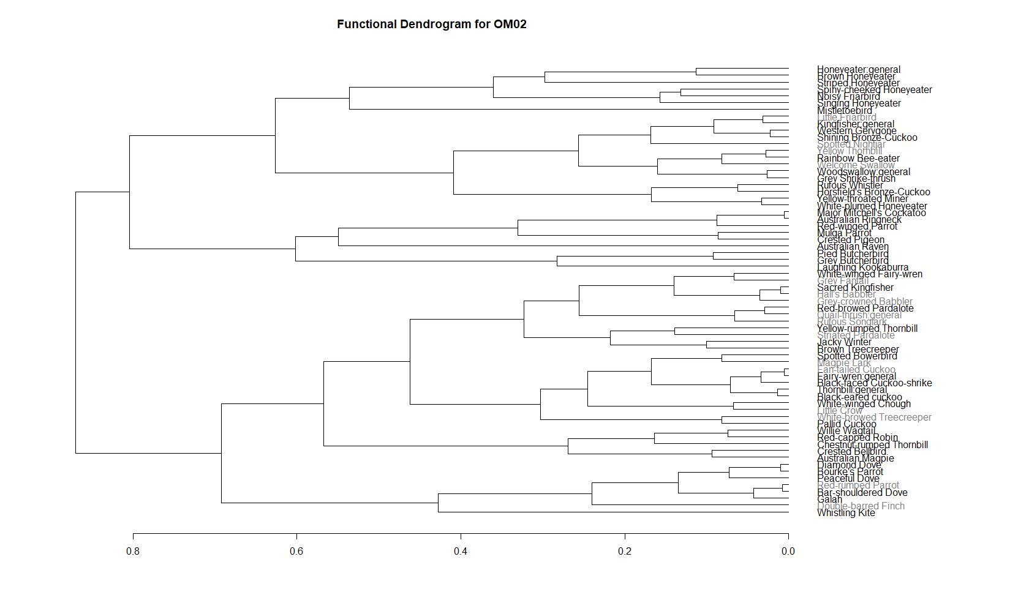
Scientific_name | Code | Common | Weight_g | Length_cm | feedingGuild | foodtype1 | foodtype2 | foodtype 3 | forageLocation | forageHt | Migratory | abundance | abun
Gymnorhina tibicen | 6 | Australian Magpie | 287.5 | 40.5 | Omnivore | Invertebrates | mammals |  | Ground | 1 | 0 | Very common | 5
Corvus coronoides | 8 | Australian Raven | 645 | 51 | Carnivore | Carrion | Invertebrates | mammals | Ground | 1 | 0 | Common | 4
Barnardius zonarius | 9 | Australian Ringneck | 125 | 36 | Granivore | Seeds | Fruit |  | All | 5 | 0 | Common | 4
Geopelia humeralis | 16 | Bar-shouldered Dove | 129 | 28.5 | Granivore | Seeds | Fruit |  | Ground | 1 |  | Uncommon | 2
Coracina novaehollandiae | 19 | Black-faced Cuckoo-shrike | 184.5 | 33 | Insectivore | Invertebrates |  |  | Shrub | 2 |  | Uncommon | 2
Neopsephotus bourkii | 27 | Bourke's Parrot | 29.5 | 20.5 | Granivore | Seeds |  |  | Ground | 1 |  | Uncommon | 2
Lichmera indistincta | 33 | Brown Honeyeater | 10.25 | 14 | Nectarvore | Nectar | Invertebrates |  | Shrub and higher | 5 |  | Fairly Common | 3
Climacteris picumnus | 37 | Brown Treecreeper | 31.5 | 17 | Insectivore | Invertebrates |  |  | Ground, shrub, lower tree | 3 |  | Fairly Common | 3
Acanthiza uropygialis | 49 | Chestnut-rumped Thornbill | 6.5 | 9.5 | Insectivore | Invertebrates |  |  | Shrub | 2 |  | Very common | 5
Oreoica gutturalis | 60 | Crested Bellbird | 65 | 21 | Insectivore | Invertebrates |  |  | Ground | 1 |  | Very common | 5
Ocyphaps lophotes | 61 | Crested Pigeon | 202.5 | 33 | Granivore | Seeds |  |  | Ground | 1 |  | Very common | 5
Taeniopygia bichenovii | 71 | Double-barred Finch | 8.5 | 10.5 | Granivore | Seeds |  |  | Ground | 1 |  | Rare | 1
Cacomantis flabelliformis | 85 | Fan-tailed Cuckoo | 53.5 | 26 | Insectivore | Invertebrates |  |  | Ground and shrub | 2 |  | Uncommon | 2
Eolophus roseicapilla | 88 | Galah | 327.5 | 36.5 | Granivore | Seeds | Invertebrates |  | Ground | 1 |  | Uncommon | 2
Cracticus torquatus | 95 | Grey Butcherbird | 95 | 28 | Carnivore | Reptiles | Birds | Mammals | Lower and Upper Canopy | 4 |  | Common | 4
Rhipidura albiscapa | 97 | Grey Fantail | 8.5 | 15.5 | Insectivore | Invertebrates |  |  | Shurb and lower canopy | 3 |  | Rare | 1
Colluricincla harmonica | 99 | Grey Shrike-thrush | 77 | 23.5 | Omnivore | Invertebrates | Birds |  | All | 5 |  | Fairly Common | 3
Pomatostomus temporalis | 100 | Grey-crowned Babbler | 72.5 | 27.5 | Insectivore | Invertebrates |  |  | Ground Shurb and lower canopy | 3 |  | Rare | 1
Pomatostomus halli | 102 | Hall's Babbler | 37.5 | 23 | Insectivore | Invertebrates |  |  | Ground, shrub, lower tree | 3 |  | Rare | 1
Chrysococcyx basalis | 104 | Horsfield's Bronze-Cuckoo | 24.5 | 15.5 | Insectivore | Invertebrates |  |  | Ground, lower tree | 3 |  | Common | 4
Microeca fascinans | 107 | Jacky Winter | 14 | 13 | Insectivore | Invertebrates |  |  | Ground and shrub | 2 |  | Fairly Common | 3
Dacelo novaeguineae | 110 | Laughing Kookaburra | 325 | 43.5 | Carnivore | Reptiles | Mammals | Birds | Ground, lower tree | 3 |  | Uncommon | 2
Corvus bennetti | 116 | Little Crow | 407.5 | 46.5 | Omnivore | Invertebrates | Carrion | Grains | Ground | 1 |  | Rare | 1
Philemon citreogularis | 117 | Little Friarbird | 85 | 27.5 | Omnivore | Invertebrates | Nectar | Birds | Shrub to upper canopy | 4 | 0.5 | Rare | 1
Dicaeum hirundinaceum | 127 | Mistletoebird | 9 | 10.5 | Frugivore | Fruits | Nectar | Insects | Canopy | 4 |  | Fairly common | 3
Philemon corniculatus | 129 | Noisy Friarbird | 107.5 | 32.5 | Omnivore | Nectar | Invertebrates | Birds | Shurb to canopy | 4 |  | Very common | 5
Cacomantis pallidus | 140 | Pallid Cuckoo | 90.5 | 31 | Insectivore | Invertebrates |  |  | Ground to lower canopy | 3 |  | Uncommon | 2
Geopelia placida | 143 | Peaceful Dove | 52 | 22 | Granivore | Seeds |  |  | Ground | 1 |  | Fairly Common | 3
Cracticus nigrogularis | 146 | Pied Butcherbird | 128 | 34.5 | Carnivore | Reptiles | Birds | Mammals | All | 5 |  | Common | 4
Merops ornatus | 153 | Rainbow Bee-eater | 26.5 | 25 | Insectivore | Invertebrates |  |  | Lower and Upper Canopy | 4 |  | Uncommon | 2
Pardalotus rubricatus | 158 | Red-browed Pardalote | 10.5 | 11 | Insectivore | Invertebrates |  |  | Ground | 1 |  | Rare | 1
Petroica goodenovii | 159 | Red-capped Robin | 8.5 | 11.5 | Insectivore | Invertebrates |  |  | Ground | 1 |  | Very common | 5
Psephotus haematonotus | 161 | Red-rumped Parrot | 67.5 | 27 | Granivore | Seeds |  |  | Ground | 1 |  | Uncommon | 2
Aprosmictus erythropterus | 163 | Red-winged Parrot | 185 | 31.5 | Granivore | Seeds | Fruits | Invertebrates | Canopy | 4 |  | Common | 4
Megalurus mathewsi | 168 | Rufous Songlark | 31 | 17.5 | Insectivore | Invertebrates |  |  | Ground | 1 | 1 | Rare | 1
Pachycephala rufiventris | 169 | Rufous Whistler | 11 | 15.5 | Insectivore | Invertebrates |  |  | Shrub to canopy | 4 |  | Common | 4
Todiramphus macleayii | 172 | Sacred Kingfisher | 38 | 21.5 | Carnivore | Invertebrates | Lizards | Fish | Shrub to lower canopy | 3 | 0.5 | Rare | 1
Chalcites lucidus | 177 | Shining Bronze-Cuckoo | 26 | 17 | Insectivore | Invertebrates |  |  |  | 4 | 1 | Rare | 1
Gavicalis virescens | 180 | Singing Honeyeater | 25 | 16.75 | Omnivore | Nectar | Fruits | Invertebrates | Shrub to canopy | 4 |  | Common | 4
Acanthagenys rufogularis | 187 | Spiny-cheeked Honeyeater | 29.5 | 20 | Omnivore | Nectar | Invertebrates | Birds | All | 5 |  | Very common | 5
Ptilonorynchus maculatus | 189 | Spotted Bowerbird | 47 | 24.5 | Insectivore | Invertebrates |  |  | Ground | 1 |  | Fairly common | 3
Pardalotus quadragintus | 194 | Striated Pardalote | 12 | 10.5 | Insectivore | Invertebrates |  |  | Shrub to upper canopy | 4 | 0.5 | Uncommon | 2
Plectorhyncha lanceolata | 195 | Striped Honeyeater | 142.5 | 28 | Omnivore | Nectar | Fruits | Invertebrates | Shrub | 2 |  | Fairly common | 3
Hirundo neoxena | 211 | Welcome Swallow | 40.5 | 23.5 | Insectivore | Invertebrates |  |  | Aerial | 5 |  | Uncommon | 2
Gerygone fusca | 212 | Western Gerygone | 77.5 | 14.5 | Insectivore | Invertebrates |  |  | Shrub to canopy | 4 |  | Rare | 1
Haliastur sphenurus | 213 | Whistling Kite | 6 | 10.5 | Carnivore | Mammal | Birds | Invertebrates | All | 1 |  | Uncommon | 2
Climacteris affinis | 218 | White-browed Treecreeper | 750 | 55 | Insectivore | Invertebrates |  |  | Ground to lower canopy | 3 |  | Uncommon | 2
Ptilotula penicillata | 227 | White-plumed Honeyeater | 21 | 14.5 | Omnivore | Invertebrates | Nectar | Fruits | All | 5 |  | Common | 4
Corcorax melanorhamphos | 232 | White-winged Chough | 360 | 45 | Insectivore | Invertebrates | Seeds | tubers | Ground | 1 |  | Uncommon | 2
Malurus leucopterus | 233 | White-winged Fairy-wren | 19.5 | 16 | Insectivore | Invertebrates |  |  | Ground and shrub | 2 |  | Rare | 1
Rhipidura leucophrys | 235 | Willie Wagtail | 7.5 | 12.5 | Insectivore | Invertebrates |  |  | Ground | 1 |  | Common | 4
Acanthiza nana | 241 | Yellow Thornbill | 20 | 20.5 | Insectivore | Invertebrates |  |  | Canopy | 4 |  | Uncommon | 2
Acanthiza chrysorrhoa | 245 | Yellow-rumped Thornbill | 6.5 | 9.5 | Insectivore | Invertebrates |  |  | Ground to shrub | 2 |  | Uncommon | 2
Manorina flavigula | 247 | Yellow-throated Miner | 9 | 11.5 | Omnivore | Invertebrates | Nectar |  | All | 5 |  | Common | 4
Malurus splendens | 540 | Splendid fairywren | 59.5 | 27 | Insectivore | Invertebrates |  |  | Ground to Shrub | 2 |  | Uncommon | 2
X | 554 | Honeyeater:general | 29.5 | 20 | Omnivore | Nectar | Invertebrates | Birds | All | 5 |  | Uncommon | 2
Toriramphus pyrrhopygius | 559 | Red-backed kingfisher | 56.5 | 22 | Carnivore | Invertebrates | Lizards |  | Lower and Upper Canopy | 4 | 0.5 | Rare | 1
Cinclosoma castaneothorax | 576 | Chestnut-breasted quail-thrush | 10 | 13.5 | Insectivore | Invertebrates |  |  | Ground | 1 |  | Rare | 1
Acanthiza apicalis | 591 | Inland thornbill | 8 | 22 | Insectivore | Invertebrates |  |  | Shrub layer | 2 |  | Uncommon | 2
Artamis | 599 | Masked woodswallow | 33.5 | 19.5 | Insectivore | Invertebrates |  |  | Aerial | 5 |  | Fairly Common | 3
Eurostopodus argus | 1039 | Spotted Nightjar | 93.5 | 30.5 | Insectivore | Invertebrates |  |  | Aerial | 5 | 0.5 | Rare | 1
Geopelia cuneata | 1041 | Diamond Dove | 33.5 | 22 | Granivore | Seeds |  |  | Ground | 1 |  | Uncommon | 2
Lophochroa leadbeateri | 1092 | Major Mitchell's Cockatoo | 422.5 | 37.5 | Granivore | Seeds |  |  | All | 5 |  | Common | 4
Psephotellus varius | 1096 | Mulga Parrot | 60.5 | 28 | Granivore | Seeds | Fruits |  | Ground | 1 |  | Common | 4
Chrysococcyx osculans | 1098 | Black-eared cuckoo | 31.5 | 20 | Insectivore | Invertebrates |  |  | Ground to shrub | 2 |  | Uncommon | 2
Grallina cyanoleuca | 1467 | Magpie Lark | 81 | 28 | Insectivore | Invertebrates | Seeds |  | Ground | 1 |  | Fairly Common | 2

FD
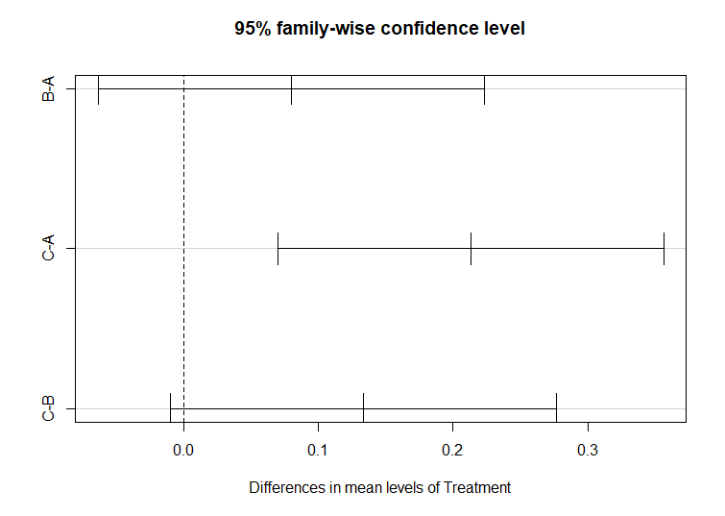
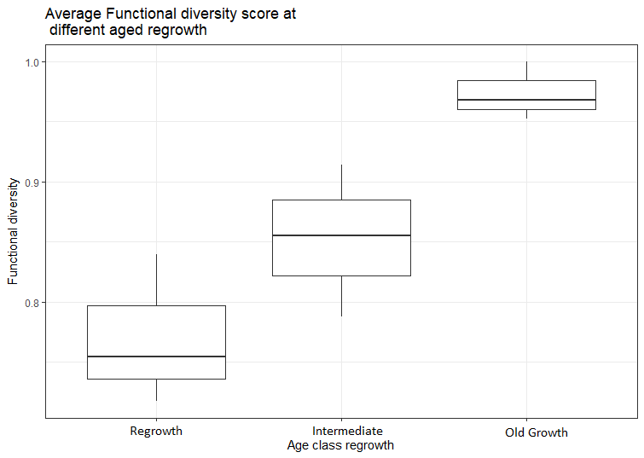
Site | Treatment | FD | Q | Quality test
RM01 | A | 0.7173337 | 0.9191209 | Bartlett test of homogeneity of variances | Bartlett's K-squared = 1.45, df = 2, p-value = 0.4843
RM02 | A | 0.7544069 | 1 | Shapiro-Wilk normality test | W = 0.95289, p-value = 0.7218
RM03 | A | 0.8398021 | 0.9287059 | Anova results
IM01 | B | 0.9139779 | 0.9189429 |  | Df Sum Sq Mean Sq F value Pr(>F)
IM02 | B | 0.7878217 | 0.9787245 |  | Treatment 2 0.06233 0.031163 10.96 0.00993 **
IM03 | B | 0.8551046 | 0.9839653 |  | Residuals 6 0.01706 0.002844
OM01 | C | 0.9518484 | 0.9606794 |  | ---
OM02 | C | 1 | 0.9550568 |  | Signif. codes: 0 ‘***’ 0.001 ‘**’ 0.01 ‘*’ 0.05 ‘.’ 0.1 ‘ ’ 1
OM03 | C | 0.9674659 | 0.9368855
 |  |  |  | Tukey multiple comparisons of means 95% family-wise confidence level
 |  |  |  |  | diff lwr upr p adj
 |  |  |  |  | B-A 0.07975077 -0.06343311 0.2229346 0.2770457
 |  |  |  |  | C-A 0.21302530 0.06984143 0.3562092 0.0091174
 |  |  |  |  | C-B 0.13327453 -0.00990934 0.2764584 0.0650864

Ground cover per site
Site | Treatment | Tree | Shrub | Living | Litter | Rock | Bare | Dead | Variable | Bartlett test | Shapiro Wilks test | Kruskal-wallis test | Notes
RM01 | A | 0 | 0 | 0 | 5 | 0 | 95 | 0 | Tree | Bartlett's K-squared = Inf, df = 8, p-value < 2.2e-16 | W = 0.21119, p-value < 2.2e-16 | Kruskal-Wallis chi-squared = 14.594, df = 8, p-value = 0.06754
RM01 | A | 0 | 5 | 0 | 80 | 0 | 15 | 0 | Shrub | Bartlett's K-squared = Inf, df = 8, p-value, < 2.2e-16 | W = 0.20395, p-value < 2.2e-16 | Kruskal-Wallis chi-squared = 12.74, df = 8, p-value = 0.1211
RM01 | A | 0 | 0 | 0 | 25 | 0 | 75 | 0 | Living | Bartlett's K-squared = Inf, df = 8, p-value, < 2.2e-16 | W = 0.22216, p-value < 2.2e-16 | Kruskal-Wallis chi-squared = 34.737, df = 8,p-value = 2.986e-05 | Significant but not biologically important (one site carrying the trend OM01)
RM01 | A | 0 | 0 | 0 | 0 | 0 | 100 | 0 | Litter | Bartlett's K-squared = 9.7216, df = 8, p-value = 0.2851 | W = 0.87322, p-value = 2.248e-09 | Kruskal-Wallis chi-squared = 17.565, df = 8, p-value = 0.02473 | Note: Significant - but I don't understand how
RM01 | A | 0 | 0 | 0 | 90 | 0 | 10 | 0 | Rock | Bartlett's K-squared = Inf, df = 8, p-value < 2.2e-16 | W = 0.38918, p-value < 2.2e-16 | Kruskal-Wallis chi-squared = 89.517, df = 8, p-value = 5.827e-16 | Note: Might be important when discussing quail-thrush presence
RM01 | A | 0 | 0 | 0 | 15 | 0 | 85 | 0 | Bare | Bartlett's K-squared = 4.9586, df = 8, p-value = 0.762 | W = 0.89898, p-value = 4.333e-08 | Kruskal-Wallis chi-squared = 15.223, df = 8, p-value = 0.05495
RM01 | A | 0 | 0 | 0 | 5 | 0 | 95 | 0 | Dead | Bartlett's K-squared = Inf, df = 8, p-value < 2.2e-16 | W = 0.39346, p-value < 2.2e-16 | Kruskal-Wallis chi-squared = 33.818, df = 8, p-value = 4.383e-05 | Unlikely to be representative of time of survey
RM01 | A | 0 | 0 | 0 | 40 | 0 | 60 | 0
RM01 | A | 0 | 0 | 0 | 5 | 0 | 85 | 10
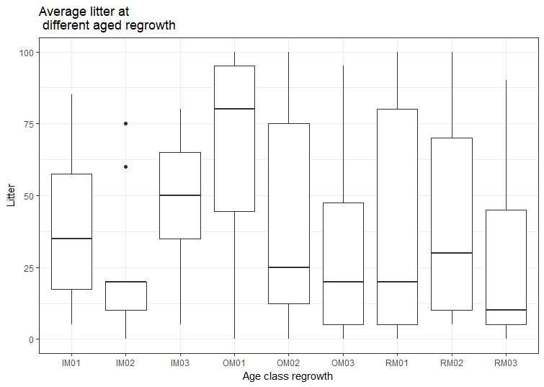
RM01 | A | 0 | 0 | 0 | 100 | 0 | 0 | 0
RM01 | A | 0 | 0 | 0 | 20 | 0 | 80 | 0
RM01 | A | 0 | 0 | 0 | 80 | 0 | 20 | 0
RM01 | A | 0 | 0 | 0 | 95 | 0 | 5 | 0
RM01 | A | 0 | 0 | 0 | 0 | 0 | 100 | 0
RM01 | A | 0 | 0 | 0 | 5 | 0 | 95 | 0
RM02 | A | 2 | 0 | 0 | 100 | 0 | 0 | 0
RM02 | A | 0 | 0 | 0 | 40 | 0 | 60 | 0
RM02 | A | 0 | 0 | 0 | 10 | 0 | 90 | 0
RM02 | A | 1 | 0 | 0 | 20 | 0 | 80 | 0
RM02 | A | 0 | 0 | 0 | 5 | 0 | 95 | 0
RM02 | A | 0 | 0 | 0 | 20 | 0 | 80 | 0
RM02 | A | 0 | 0 | 0 | 5 | 0 | 95 | 1
RM02 | A | 0 | 0 | 0 | 100 | 0 | 0 | 0
RM02 | A | 0 | 0 | 0 | 60 | 0 | 40 | 0
RM02 | A | 0 | 0 | 0 | 95 | 0 | 5 | 0
RM02 | A | 0 | 0 | 0 | 10 | 0 | 40 | 2
RM02 | A | 0 | 0 | 0 | 50 | 0 | 50 | 0
RM02 | A | 1 | 0 | 0 | 80 | 0 | 80 | 0
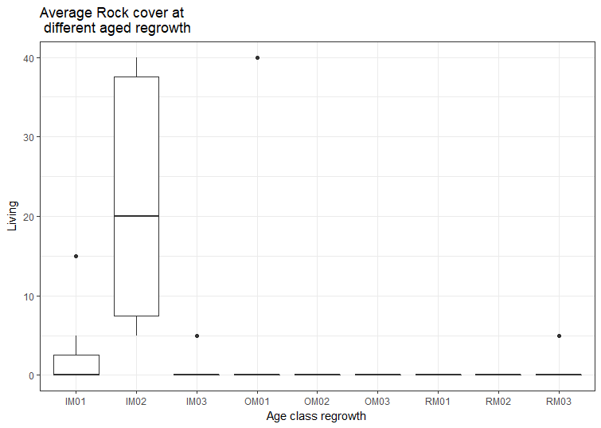
RM02 | A | 0 | 0 | 0 | 5 | 0 | 5 | 0
RM02 | A | 0 | 0 | 0 | 30 | 0 | 30 | 0
RM03 | A | 0 | 0 | 0 | 5 | 5 | 90 | 0
RM03 | A | 0 | 5 | 0 | 10 | 0 | 85 | 0
RM03 | A | 0 | 0 | 0 | 10 | 0 | 85 | 5
RM03 | A | 0 | 0 | 0 | 0 | 5 | 95 | 0
RM03 | A | 0 | 0 | 0 | 5 | 5 | 90 | 0
RM03 | A | 5 | 0 | 0 | 90 | 0 | 5 | 0
RM03 | A | 0 | 0 | 0 | 10 | 0 | 90 | 0
RM03 | A | 0 | 0 | 0 | 85 | 0 | 15 | 0
RM03 | A | 10 | 0 | 0 | 70 | 0 | 20 | 0
RM03 | A | 0 | 0 | 0 | 20 | 0 | 80 | 0
RM03 | A | 0 | 0 | 0 | 0 | 0 | 100 | 0
RM03 | A | 0 | 0 | 0 | 15 | 0 | 85 | 0
RM03 | A | 0 | 0 | 0 | 80 | 0 | 20 | 0
RM03 | A | 0 | 0 | 0 | 5 | 0 | 90 | 5
RM03 | A | 0 | 0 | 5 | 10 | 0 | 85 | 0
IM01 | B | 0 | 0 | 0 | 25 | 5 | 70 | 0
IM01 | B | 0 | 0 | 0 | 15 | 5 | 80 | 0
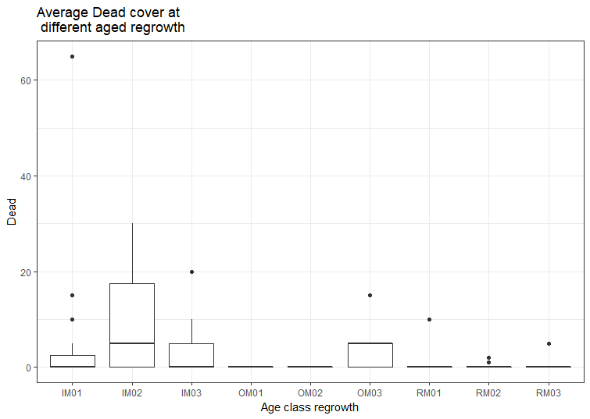
IM01 | B | 0 | 0 | 0 | 20 | 15 | 0 | 65
IM01 | B | 0 | 5 | 0 | 50 | 0 | 45 | 0
IM01 | B | 0 | 0 | 0 | 5 | 0 | 95 | 0
IM01 | B | 0 | 0 | 0 | 5 | 0 | 95 | 0
IM01 | B | 10 | 0 | 0 | 80 | 0 | 10 | 0
IM01 | B | 0 | 10 | 0 | 80 | 0 | 10 | 0
IM01 | B | 0 | 10 | 0 | 85 | 0 | 0 | 5
IM01 | B | 0 | 0 | 0 | 40 | 5 | 40 | 15
IM01 | B | 0 | 0 | 0 | 25 | 0 | 75 | 0
IM01 | B | 0 | 0 | 0 | 15 | 0 | 85 | 0
IM01 | B | 0 | 0 | 0 | 35 | 0 | 65 | 0
IM01 | B | 5 | 0 | 0 | 65 | 0 | 30 | 0
IM01 | B | 10 | 0 | 0 | 50 | 0 | 30 | 10
IM02 | B | 0 | 0 | 0 | 20 | 40 | 35 | 5
IM02 | B | 0 | 0 | 0 | 20 | 40 | 40 | 0
IM02 | B | 0 | 0 | 0 | 20 | 25 | 5 | 30
IM02 | B | 0 | 0 | 0 | 5 | 40 | 35 | 20
IM02 | B | 0 | 0 | 0 | 5 | 5 | 90 | 0
IM02 | B | 0 | 0 | 0 | 10 | 35 | 40 | 15
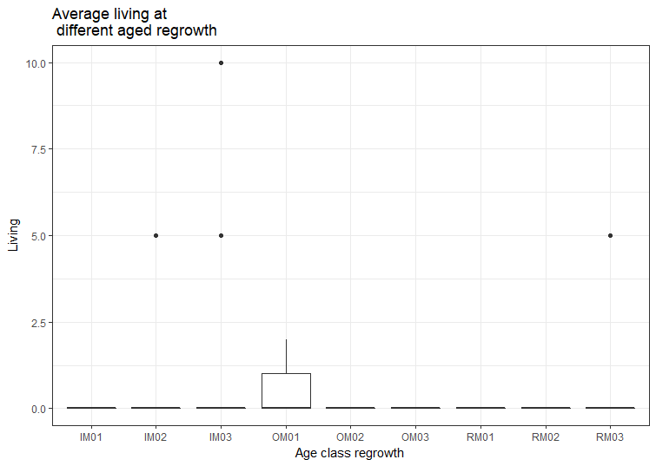
IM02 | B | 0 | 0 | 0 | 20 | 15 | 55 | 10
IM02 | B | 0 | 0 | 0 | 15 | 40 | 45 | 0
IM02 | B | 0 | 0 | 0 | 0 | 5 | 95 | 0
IM02 | B | 0 | 0 | 0 | 20 | 20 | 60 | 0
IM02 | B | 0 | 0 | 0 | 10 | 15 | 25 | 0
IM02 | B | 0 | 0 | 0 | 75 | 5 | 0 | 20
IM02 | B | 0 | 0 | 0 | 20 | 10 | 70 | 0
IM02 | B | 0 | 0 | 0 | 10 | 30 | 50 | 10
IM02 | B | 0 | 0 | 5 | 60 | 5 | 10 | 20
IM03 | B | 0 | 0 | 0 | 80 | 0 | 20 | 0
IM03 | B | 0 | 0 | 0 | 60 | 0 | 40 | 0
IM03 | B | 0 | 0 | 0 | 15 | 5 | 80 | 0
IM03 | B | 0 | 0 | 0 | 20 | 0 | 80 | 20
IM03 | B | 0 | 0 | 0 | 30 | 0 | 70 | 0
IM03 | B | 0 | 0 | 0 | 70 | 0 | 30 | 0
IM03 | B | 0 | 0 | 0 | 80 | 0 | 20 | 0
IM03 | B | 0 | 0 | 0 | 40 | 0 | 60 | 0
IM03 | B | 0 | 0 | 0 | 60 | 0 | 40 | 5
IM03 | B | 20 | 0 | 0 | 50 | 0 | 30 | 0
IM03 | B | 0 | 0 | 0 | 50 | 0 | 40 | 10
IM03 | B | 0 | 0 | 5 | 75 | 0 | 20 | 0
IM03 | B | 0 | 0 | 10 | 40 | 0 | 45 | 5
IM03 | B | 0 | 0 | 0 | 45 | 0 | 45 | 10
IM03 | B | 0 | 0 | 0 | 5 | 0 | 95 | 0
OM01 | C | 0 | 0 | 0 | 55 | 0 | 45 | 0
OM01 | C | 0 | 0 | 0 | 100 | 0 | 0 | 0
OM01 | C | 0 | 0 | 1 | 0 | 40 | 59 | 0
OM01 | C | 0 | 0 | 0 | 95 | 0 | 5 | 0
OM01 | C | 0 | 0 | 0 | 80 | 0 | 20 | 0
OM01 | C | 0 | 0 | 0 | 50 | 0 | 50 | 0
OM01 | C | 0 | 0 | 1 | 90 | 0 | 9 | 0
OM01 | C | 0 | 0 | 1 | 85 | 0 | 14 | 0
OM01 | C | 0 | 0 | 0 | 40 | 0 | 60 | 0
OM01 | C | 0 | 0 | 0 | 100 | 0 | 0 | 0
OM01 | C | 0 | 0 | 1 | 49 | 0 | 50 | 0
OM01 | C | 0 | 0 | 1 | 95 | 0 | 4 | 0
OM01 | C | 0 | 0 | 2 | 8 | 0 | 90 | 0
OM01 | C | 0 | 0 | 1 | 35 | 0 | 64 | 0
OM01 | C | 0 | 0 | 0 | 95 | 0 | 5 | 0
OM02 | C | 0 | 0 | 0 | 80 | 0 | 20 | 0
OM02 | C | 0 | 0 | 0 | 0 | 0 | 100 | 0
OM02 | C | 0 | 0 | 0 | 15 | 0 | 85 | 0
OM02 | C | 0 | 0 | 0 | 5 | 0 | 95 | 0
OM02 | C | 0 | 0 | 0 | 5 | 0 | 95 | 0
OM02 | C | 0 | 0 | 0 | 100 | 0 | 0 | 0
OM02 | C | 0 | 0 | 0 | 15 | 0 | 85 | 0
OM02 | C | 0 | 0 | 0 | 35 | 0 | 65 | 0
OM02 | C | 0 | 0 | 0 | 70 | 0 | 30 | 0
OM02 | C | 0 | 0 | 0 | 15 | 0 | 85 | 0
OM02 | C | 0 | 0 | 0 | 10 | 0 | 90 | 0
OM02 | C | 0 | 0 | 0 | 95 | 0 | 5 | 0
OM02 | C | 0 | 0 | 0 | 25 | 0 | 75 | 0
OM02 | C | 0 | 0 | 0 | 70 | 0 | 30 | 0
OM02 | C | 0 | 0 | 0 | 90 | 0 | 10 | 0
OM03 | C | 0 | 0 | 0 | 35 | 0 | 60 | 5
OM03 | C | 0 | 0 | 0 | 0 | 0 | 95 | 5
OM03 | C | 0 | 0 | 0 | 0 | 0 | 100 | 0
OM03 | C | 0 | 0 | 0 | 0 | 0 | 95 | 5
OM03 | C | 0 | 5 | 0 | 90 | 0 | 5 | 0
OM03 | C | 0 | 0 | 0 | 30 | 0 | 70 | 0
OM03 | C | 0 | 0 | 0 | 20 | 0 | 75 | 5
OM03 | C | 0 | 0 | 0 | 15 | 0 | 80 | 5
OM03 | C | 0 | 0 | 0 | 5 | 0 | 95 | 0
OM03 | C | 0 | 0 | 0 | 60 | 0 | 25 | 15
OM03 | C | 0 | 0 | 0 | 10 | 0 | 85 | 5
OM03 | C | 0 | 0 | 0 | 5 | 0 | 90 | 5
OM03 | C | 0 | 0 | 0 | 95 | 0 | 5 | 0
OM03 | C | 0 | 0 | 0 | 20 | 0 | 80 | 0
OM03 | C | 0 | 0 | 0 | 80 | 0 | 15 | 5

Vege data
Site | Treatment | Tree.cover | Tree.height | DBH | Shrub.height | Shrub.cover | Varaiable | Bartlett's Test | Shapiro | ANOVA | Kruskal-Wallis | Tukey
RM01 | A | 5.1 | 5.5 | 17 | 3.079017857 | 33 | Tree cover | Bartlett's K-squared = 2.0138, df = 2, p-value = 0.3654 | W = 0.93903, p-value = 0.5717 | Df Sum Sq Mean Sq F value Pr(>F) | N/A | $Treatment
RM02 | A | 9.2 | 7.1 | 35 | 2.795 | 6.7 |  |  |  | Treatment 2 4740 2370.1 16.31 0.00375 ** |  | diff lwr upr p adj
RM03 | A | 0 | 0 | 5.866666667 | 2.168666667 | 70.8 |  |  |  | Residuals 6 872 145.3 |  | B-A 37.56667 7.367405 67.76593 0.0205714
IM01 | B | 32.2 | 7.55 | 23.95 | 2.563636364 | 12.2 |  |  |  |  |  | C-A 55.00000 24.800738 85.19926 0.0033697
IM02 | B | 37.3 | 8.635 | 12.107692308 | 1.745 |  |  |  |  |  |  | C-B 17.43333 -12.765928 47.63259 0.2567063
IM03 | B | 57.5 | 7.5 | 27.6125 | 0.5 | 1.4 | Tree height* not full dataset (missing IM02) | Bartlett's K-squared = 6.7942, df = 2, p-value = 0.03347 | W = 0.95178, p-value = 0.7292 | N/A | Kruskal-Wallis chi-squared = 6.25, df = 2, p-value = 0.04394 | N/A
OM01 | C | 61.8 | 12.03846154 | 19.45 | 1.993636364 | 31.51 | DBH | Bartlett's K-squared = 0.74546, df = 2, p-value = 0.6889 | W = 0.9627, p-value = 0.8262 | Df Sum Sq Mean Sq F value Pr(>F) | N/A | diff lwr upr p adj
OM02 | C | 74 | 10.53 | 48.92 | 1.708 | 6.2 |  |  |  | Treatment 2 609.6 304.8 1.71 0.258 |  | B-A 1.934509 -31.50855 35.37757 0.9828335
OM03 | C | 43.5 | 13.9 | 44.533333333 | 3.24 | 12 |  |  |  | Residuals 6 1069.2 178.2 |  | C-A 18.345556 -15.09750 51.78861 0.2858832
 |  |  |  |  |  |  |  |  |  |  |  | C-B 16.411047 -17.03201 49.85411 0.3531144
 |  |  |  |  |  |  | Shrub height | Bartlett's K-squared = 0.95714, df = 2, p-value = 0.6197 | W = 0.94031, p-value = 0.5852 | Df Sum Sq Mean Sq F value Pr(>F) | N/A | diff lwr upr p adj
 |  |  |  |  |  |  |  |  |  | Treatment 2 1.802 0.9012 1.379 0.322 |  | B-A -1.0780161 -3.103191 0.9471586 0.3036154
 |  |  |  |  |  |  |  |  |  | Residuals 6 3.921 0.6535 |  | C-A -0.3670161 -2.392191 1.6581586 0.8473266
 |  |  |  |  |  |  |  |  |  |  |  | C-B 0.7110000 -1.314175 2.7361747 0.5607288
Linear regression |  |  |  |  |  |  | Shrub cover | Bartlett's K-squared = 2.1157, df = 2, p-value = 0.3472 | W = 0.81313, p-value = 0.03949 | N/A | Kruskal-Wallis chi-squared = 2, df = 2, p-value = 0.3679
Explanatory Varaiable | Response variable | Results
Tree cover | SR | Estimate Std. Error t value Pr(>|t|)
 |  | (Intercept) 32.5200 3.1713 10.255 1.81e-05 ***
 |  | Tree.cover 0.1850 0.0729 2.538 0.0388 *
 |  | Residual standard error: 5.461 on 7 degrees of freedom
 |  | Multiple R-squared: 0.4793, Adjusted R-squared: 0.4049
 |  | F-statistic: 6.442 on 1 and 7 DF, p-value: 0.03877
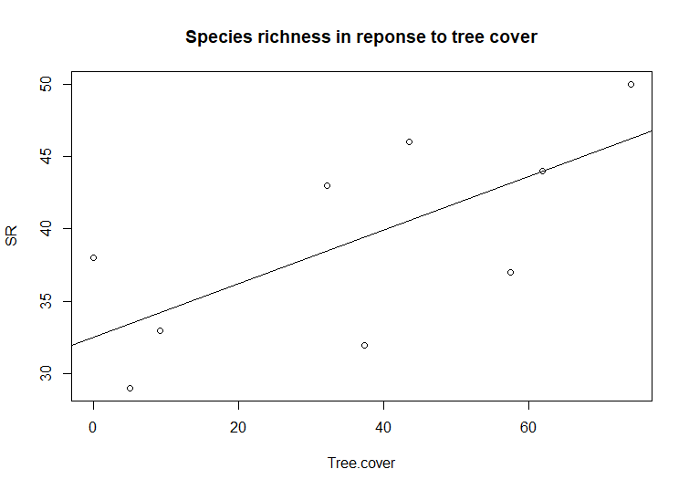
Tree cover | FD | Estimate Std. Error t value Pr(>|t|)
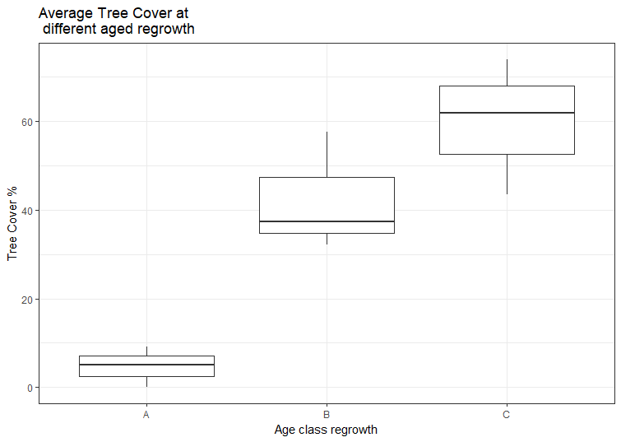
 |  | (Intercept) 0.7632716 0.0400802 19.044 2.74e-07 ***
 |  | Tree.cover 0.0028644 0.0009213 3.109 0.0171 *
 |  | Signif. codes: 0 ‘***’ 0.001 ‘**’ 0.01 ‘*’ 0.05 ‘.’ 0.1 ‘ ’ 1
 |  | Residual standard error: 0.06902 on 7 degrees of freedom
 |  | Multiple R-squared: 0.58, Adjusted R-squared: 0.52
 |  | F-statistic: 9.666 on 1 and 7 DF, p-value: 0.01711
Tree.height | SR | Estimate Std. Error t value Pr(>|t|)
 |  | (Intercept) 32.1235 4.7722 6.731 0.000523 ***
 |  | Tree.height 0.9827 0.5323 1.846 0.114405
 |  | Signif. codes: 0 ‘***’ 0.001 ‘**’ 0.01 ‘*’ 0.05 ‘.’ 0.1 ‘ ’ 1
 |  | Residual standard error: 6.047 on 6 degrees of freedom
 |  | (1 observation deleted due to missingness)
 |  | Multiple R-squared: 0.3623, Adjusted R-squared: 0.256
 |  | F-statistic: 3.408 on 1 and 6 DF, p-value: 0.1144
Tree.height | FD | Estimate Std. Error t value Pr(>|t|)
 |  | (Intercept) 0.75394 0.06697 11.258 2.94e-05 ***
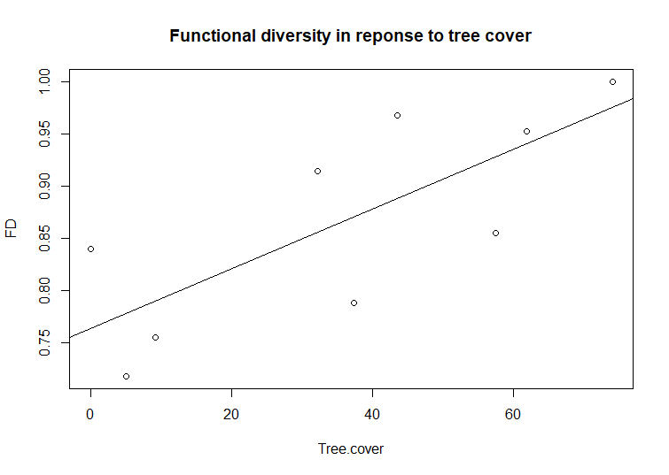
 |  | Tree.height 0.01510 0.00747 2.022 0.0897 .
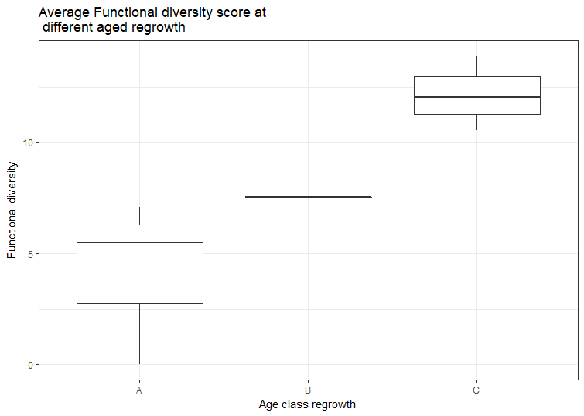
 |  | Signif. codes: 0 ‘***’ 0.001 ‘**’ 0.01 ‘*’ 0.05 ‘.’ 0.1 ‘ ’ 1
 |  | Residual standard error: 0.08485 on 6 degrees of freedom
 |  | (1 observation deleted due to missingness)
 |  | Multiple R-squared: 0.4052, Adjusted R-squared: 0.3061
 |  | F-statistic: 4.088 on 1 and 6 DF, p-value: 0.08967
DBH | SR | Estimate Std. Error t value Pr(>|t|)
 |  | (Intercept) 31.4926 4.3519 7.236 0.000172 ***
 |  | DBH 0.2925 0.1480 1.977 0.088620 .
 |  | Signif. codes: 0 ‘***’ 0.001 ‘**’ 0.01 ‘*’ 0.05 ‘.’ 0.1 ‘ ’ 1
 |  | Residual standard error: 6.063 on 7 degrees of freedom
 |  | Multiple R-squared: 0.3582, Adjusted R-squared: 0.2665
 |  | F-statistic: 3.907 on 1 and 7 DF, p-value: 0.08862
DBH | FD | Estimate Std. Error t value Pr(>|t|)
 |  | (Intercept) 0.768781 0.064399 11.938 6.58e-06 ***
 |  | DBH 0.003706 0.002190 1.692 0.134
 |  | Signif. codes: 0 ‘***’ 0.001 ‘**’ 0.01 ‘*’ 0.05 ‘.’ 0.1 ‘ ’ 1
 |  | Residual standard error: 0.08971 on 7 degrees of freedom
 |  | Multiple R-squared: 0.2904, Adjusted R-squared: 0.189
 |  | F-statistic: 2.864 on 1 and 7 DF, p-value: 0.1344
Shrub.height | SR | Estimate Std. Error t value Pr(>|t|)
 |  | (Intercept) 40.4377 7.3808 5.479 0.000927 ***
 |  | Shrub.height -0.6032 3.1551 -0.191 0.853805
 |  | Signif. codes: 0 ‘***’ 0.001 ‘**’ 0.01 ‘*’ 0.05 ‘.’ 0.1 ‘ ’ 1
 |  | Residual standard error: 7.548 on 7 degrees of freedom
 |  | Multiple R-squared: 0.005195, Adjusted R-squared: -0.1369
 |  | F-statistic: 0.03655 on 1 and 7 DF, p-value: 0.8538
Shrub.height | FD | Estimate Std. Error t value Pr(>|t|)
 |  | (Intercept) 0.90483 0.10292 8.792 4.97e-05 ***
 |  | Shrub.height -0.01797 0.04399 -0.408 0.695
 |  | Signif. codes: 0 ‘***’ 0.001 ‘**’ 0.01 ‘*’ 0.05 ‘.’ 0.1 ‘ ’ 1
 |  | Residual standard error: 0.1052 on 7 degrees of freedom
 |  | Multiple R-squared: 0.02328, Adjusted R-squared: -0.1163
 |  | F-statistic: 0.1668 on 1 and 7 DF, p-value: 0.6952
Shrub.cover | SR | Estimate Std. Error t value Pr(>|t|)
 |  | (Intercept) 41.52267 3.70452 11.209 3.01e-05 ***
 |  | Shrub.cover -0.07008 0.12121 -0.578 0.584
 |  | Signif. codes: 0 ‘***’ 0.001 ‘**’ 0.01 ‘*’ 0.05 ‘.’ 0.1 ‘ ’ 1
 |  | Residual standard error: 7.369 on 6 degrees of freedom
 |  | (1 observation deleted due to missingness)
 |  | Multiple R-squared: 0.05278, Adjusted R-squared: -0.1051
 |  | F-statistic: 0.3343 on 1 and 6 DF, p-value: 0.5842
Shrub.cover | FD | Estimate Std. Error t value Pr(>|t|)
 |  | (Intercept) 0.897021 0.053844 16.660 2.98e-06 ***
 |  | Shrub.cover -0.001014 0.001762 -0.576 0.586
 |  | Signif. codes: 0 ‘***’ 0.001 ‘**’ 0.01 ‘*’ 0.05 ‘.’ 0.1 ‘ ’ 1
 |  | Residual standard error: 0.1071 on 6 degrees of freedom
 |  | (1 observation deleted due to missingness)
 |  | Multiple R-squared: 0.05232, Adjusted R-squared: -0.1056
 |  | F-statistic: 0.3312 on 1 and 6 DF, p-value: 0.5859

