Guidlines
Guidelines
1. The model aims at optimizing the prospective renewable gasoline supply chain/system in Canada
2. The model is demand-driven: based on the spcified demand, the model shows the optimum (minimum-cost) system in Canada
3. (Gasoline demand) has the coordinates of the demand centers (350km*350km) and the demand at each point
4. (H2 calculations) has the cost of renewable energy and green hydrogen at each cell (20km*20km). The tab contains the coordinates, production costs and maximum production at each point.
5. (Potential locations) has the coordinates of the potential locations of the methanol and gasoline production facilities (20km*20km)
6. (CO2) contains the locations and amount of CO2 emissions
7. (Transport) has the (linear) equations/models of different transport modes
8. (Methanol) and (Gasoline) contain the production models (levelized cost vs. capacity).
$$\min{\sum{F(X)}}= {Costs}_{RE}+ {Costs}_{power transimission}+{Costs}_{H2 production}+{Costs}_{H2 transport}+{Costs}_{CO2 capture}+{Costs}_{CO2 transport}+{Costs}_{Methanol production}+{Costs}_{Methanol transport}+{Costs}_{Gasoline production}+{Costs}_{Gasoline transport}$$

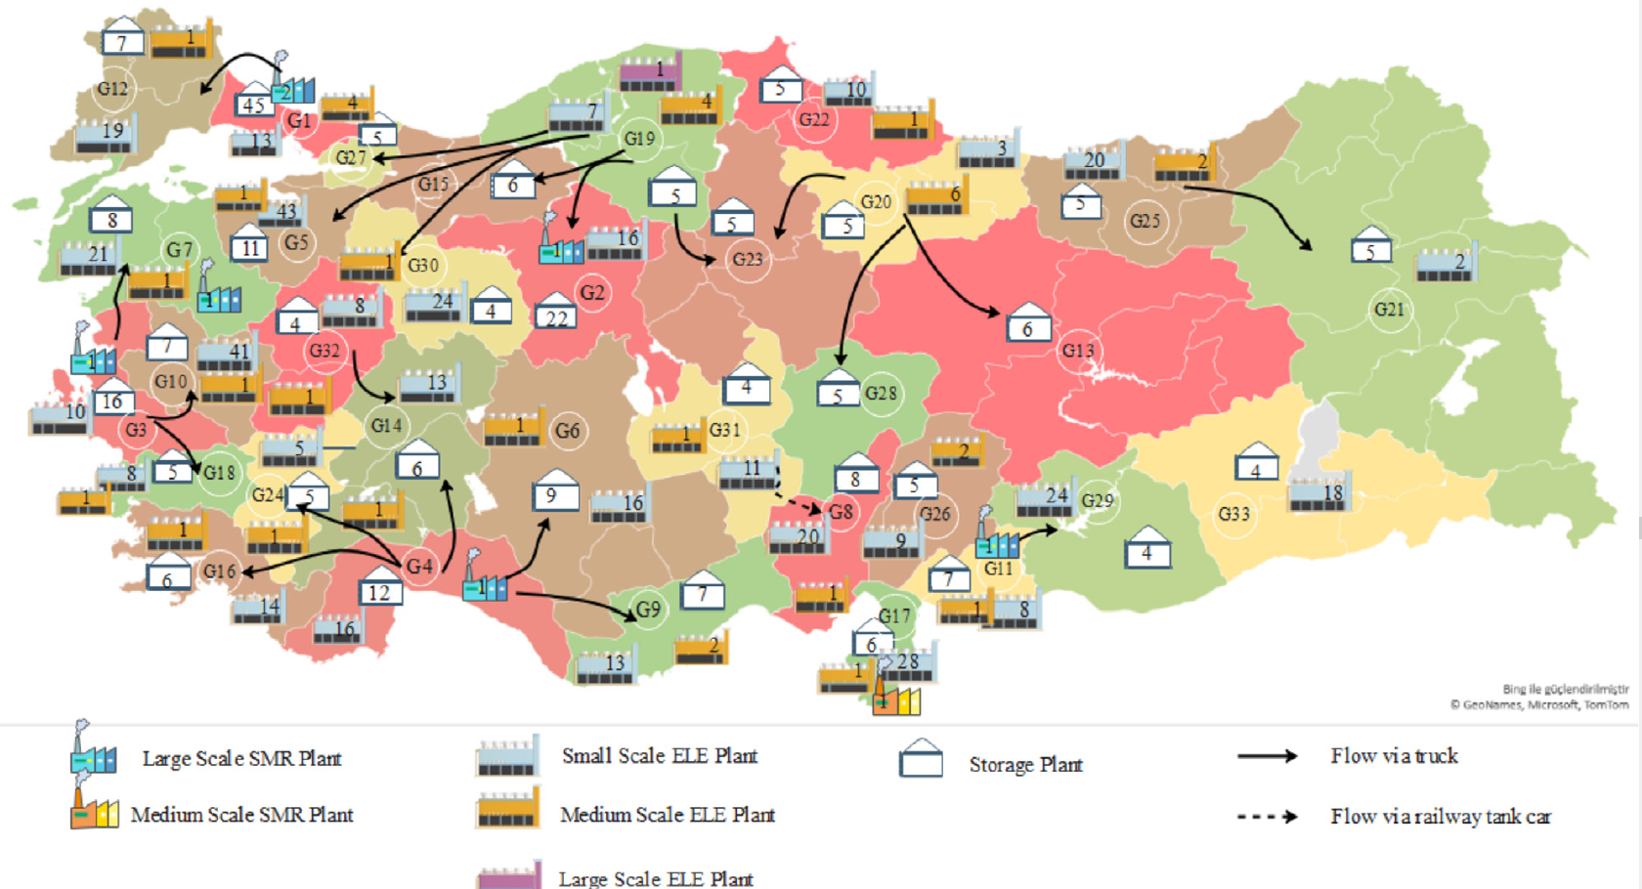

 | Levelized cost of Gasoline (including transport to the demand centers) | Gasoline transport | Gasoline Production |  | Methanol Transport | Methanol Production |  | Transport | Hydrogen Production | Electricity Transport | Electricity Production
 |  | Transport from gasoline plant to demand centers (x = distance km) | CAPEX + Fixed OPEX | Variable OPEX (per ton gasoline) | Transport from methanol plant to gasoline plant (x = distance km) | CAPEX + Fixed OPEX | Variable OPEX (per ton gasoline) | Transport of electricity, CO2 and hydrogen to the methanol plant (x = distance km) | The hydorgen production cost depends on the LCOE | Transport of electricity to the hydrogen and methanol plants (x = distance km) | LCOE is unique in each cell/coordinate, please see H2_Calculations tab
 |  | Pipeline (EUR/t) --> 0.0196x - 0.3043 | y = 23334.X^-0.4 | 2.25 t methanol + 0.005 t hydrogen | Pipeline (EUR/t) --> 0.0196x - 0.3043 | y = 4500.5x^-0.366 | 1.4 tCO2 + 0.192 tH2 + 0.175 MWh | Electricity (EUR/MWh)--> 0.0052x + 2.7896 Hydrogen (EUR/t) --> 0.0196x - 0.3043 CO2 (EUR/t)--> 0.0196x - 0.3043 | LCOH (EUR/kg hydrogen) --> 3.26 + 51.2kWh | Electricity (EUR/MWh)--> 0.0052x + 2.7896
 |  |  | EUR to be converted to CAD $ |  |  |  |  |  | Output here is in kg to be converted to Tons |  | $/kWh To be converted to $MWh
 |  |  | X = Tons of Gasoline

 |  |  |  |  |  | CO2
 |  |  |  |  |  | Locations of CO2 sources --> CO2 tab, for capture costs, we assume 50 EUR/t

Gasoline_Demand
https://www150.statcan.gc.ca/t1/tbl1/en/cv.action?pid=2310006601
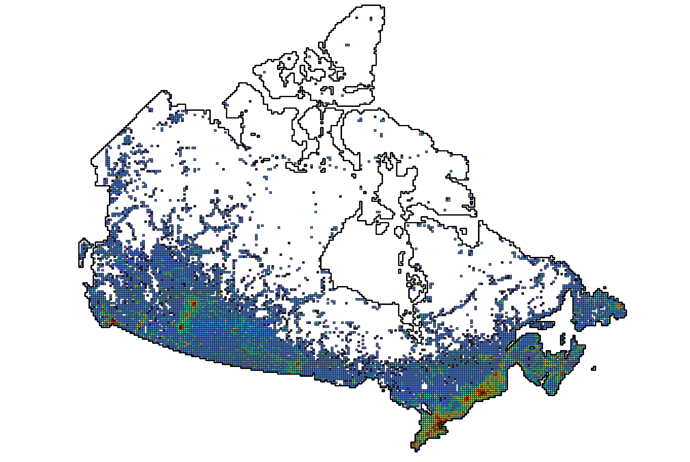

Demand per region/capita
 |  |  |  | Region | Gross sales of gasoline (1000 L) | Population | Litre/capita | Average (Litre/capita)
 |  |  |  | Canada | 43580134 | 40083484 | 1087.2341835 | 1275.5175828
 |  |  |  | Newfoundland and Labrador | 683258 | 538907 | 1267.8588328
 |  |  |  | Prince Edward Island | 221336 | 173713 | 1274.1475883
 |  |  |  | Nova Scotia | 1405723 | 1056486 | 1330.5647212
 |  |  |  | New Brunswick | 1111109 | 832190 | 1335.1626431
Demand centers
 |  |  |  | Quebec | 9169769 | 8848020 | 1036.3639549
 |  |  |  | Ontario | 16159042 | 15623207 | 1034.2973757
 |  |  |  | Manitoba | 1675239 | 1454743 | 1151.5704148
 |  |  |  | Saskatchewan | 1828902 | 1209307 | 1512.3554234
 |  |  |  | Alberta | 6259416 | 4684514 | 1336.1932529
 |  |  |  | British Columbia | 4917831 | 5531553 | 889.05068794
 |  |  |  | Yukon | 88072 | 45463 | 1937.2236764
 |  |  |  | Northwest Territories | 43491 | 44681 | 973.36675544
 |  |  |  | Nunavut | 16945 | 40700 | 416.33906634

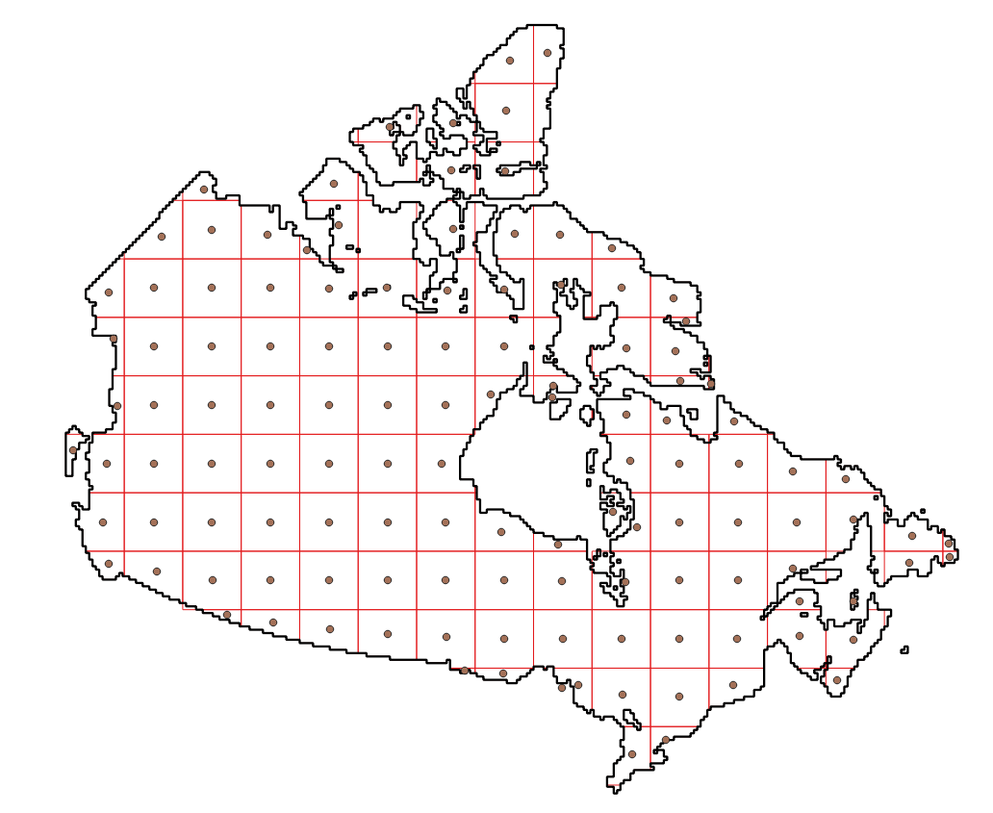
x | y | Population | Demand (Litre) | Demand (tons)
-139.2672084 | 61.18927352 | 1420 | 1811234.9676 | 1267.8644773
-135.4868249 | 59.41397288 | 195 | 248725.92865 | 174.10815006
-130.965743 | 56.58250825 | 875 | 1116077.885 | 781.25451948
-128.6865388 | 53.63731693 | 50904 | 64928947.036 | 45450.262925
-131.942784 | 53.19915789 | 5510 | 7028101.8814 | 4919.671317
-126.2017716 | 50.82879185 | 156066 | 199064927.08 | 139345.44896
-124.0926711 | 49.05462725 | 2513226 | 3205663952.6 | 2243964.7668
-139.1585665 | 65.41959404 | 2221 | 2832924.5515 | 1983.047186
-135.6225387 | 62.98314741 | 2862 | 3650531.322 | 2555.3719254
-131.4681976 | 60.41578276 | 37555 | 47902062.823 | 33531.443976
-127.9527862 | 57.74129679 | 1855 | 2366085.1161 | 1656.2595813
-124.9566563 | 54.99029267 | 134760 | 171888749.46 | 120322.12462
-122.3834263 | 52.18743548 | 108893 | 138894936.15 | 97226.455303
-120.2145001 | 49.87641554 | 1905059 | 2429936250.8 | 1700955.3756
-139.2564159 | 68.92812783 | 32 | 40816.56265 | 28.571593855
-134.4616433 | 67.52943937 | 5901 | 7526829.2563 | 5268.7804794 |  |  |  |  | Scenario | Demand (B Litre)
-129.7190157 | 64.92312512 | 1963 | 2503841.0151 | 1752.6887106 |  |  |  |  | 1 | 1
-125.8327998 | 62.18609237 | 284 | 362246.99352 | 253.57289547 |  |  |  |  | 2 | 2
-122.6115725 | 59.36062092 | 8473 | 10807460.479 | 7565.2223355 |  |  |  |  | 3 | 5
-119.9110759 | 56.47530399 | 231613 | 295426453.91 | 206798.51774 |  |  |  |  | 4 | 10
-117.6222307 | 53.55268419 | 109164 | 139240601.41 | 97468.420988 |  |  |  |  | 5 | 20
-115.6452615 | 50.64113026 | 2109374 | 2690543625.8 | 1883380.538 |  |  |  |  | 6 | 43
-113.4742781 | 49.14230098 | 26460 | 33750195.242 | 23625.136669
-127.2927807 | 69.05009185 | 349 | 445155.63641 | 311.60894548
-122.9701796 | 66.59521179 | 668 | 852045.74533 | 596.43202173
-119.5399727 | 63.69626721 | 2880 | 3673490.6385 | 2571.443447
-116.7554464 | 60.73090842 | 6270 | 7997495.2443 | 5598.246671
-114.4581862 | 57.72398068 | 119138 | 151962613.78 | 106373.82965
-112.5352746 | 54.69486306 | 1767322 | 2254250285.5 | 1577975.1999
-110.9048992 | 51.65912457 | 373568 | 476492552.38 | 333544.78667
-109.6345909 | 49.54683955 | 117042 | 149289128.93 | 104502.39025
-121.7220787 | 73.29984415 | 129 | 164541.76818 | 115.17923773
-120.7747853 | 69.38763008 | 5 | 6377.5879141 | 4.4643115399
-117.6910775 | 71.35516984 | 425 | 542094.9727 | 379.46648089
-115.359402 | 67.90450842 | 1821 | 2322717.5183 | 1625.9022628
-112.6123344 | 64.90109057 | 220 | 280613.86822 | 196.42970776
-110.4194479 | 61.81581104 | 23770 | 30319052.944 | 21223.337061
-108.6360015 | 58.70685262 | 3291 | 4197728.3651 | 2938.4098556
-107.1592804 | 55.5898411 | 42259 | 53902097.533 | 37731.468273
-105.9176751 | 52.47754035 | 609012 | 776805514.15 | 543763.85991
-104.9059942 | 49.92181265 | 430904 | 549625628.51 | 384737.93996
-115.7071599 | 77.32111136 | 12 | 15306.210994 | 10.714347696
-107.1318685 | 68.93547417 | 2125 | 2710474.8635 | 1897.3324045
-105.1362163 | 65.75793793 | 34 | 43367.597816 | 30.357318471
-103.6818432 | 62.58238208 | 6 | 7653.105497 | 5.3571738479
-102.512089 | 59.39799332 | 3349 | 4271708.3849 | 2990.1958694
-101.5514556 | 56.21687319 | 25969 | 33123916.108 | 23186.741276
-100.7488088 | 53.04929885 | 68502 | 87375505.459 | 61162.853821
-100.0621231 | 50.19143321 | 370881 | 473065236.64 | 331145.66565
-100.3313693 | 78.42134104 | 11 | 14030.693411 | 9.8214853878
-99.41964083 | 75.89055274 | 342 | 436227.01333 | 305.35890933
-97.76392402 | 72.69654419 | 1 | 1275.5175828 | 0.89286230798
-97.75882036 | 69.32503278 | 1608 | 2051032.2732 | 1435.7225912
-97.27055117 | 66.2321794 | 2 | 2551.0351657 | 1.785724616
-96.67508533 | 63.00806477 | 2247 | 2866088.0086 | 2006.261606
-96.64032075 | 59.74114036 | 4252 | 5423500.7622 | 3796.4505335
-95.78810253 | 56.5603519 | 21289 | 27154493.821 | 19008.145675
-95.45938023 | 53.36190443 | 31753 | 40501509.807 | 28351.056865
-95.11325153 | 50.28478616 | 1060869 | 1353157062.6 | 947209.9438
-93.51308044 | 48.54515458 | 587 | 748728.82112 | 524.11017478
-82.84013864 | 81.67328349 | 1 | 1275.5175828 | 0.89286230798
-86.02700413 | 79.102053 | 27 | 34438.974736 | 24.107282315
-87.39274364 | 75.90807078 | 168 | 214286.95391 | 150.00086774
-86.50205583 | 72.44452714 | 994 | 1267864.4773 | 887.50513413
-88.92103078 | 69.43397472 | 2119 | 2702821.758 | 1891.9752306
-89.29608506 | 66.3106452 | 1135 | 1447712.4565 | 1013.3987196
-91.2277895 | 63.66752283 | 3672 | 4683700.5641 | 3278.5903949
-90.28840475 | 56.08317569 | 1513 | 1929858.1028 | 1350.900672
-90.11985404 | 53.40825659 | 2629 | 3353335.7252 | 2347.3350077
-90.255176 | 50.23231717 | 29719 | 37907107.044 | 26534.974931
-90.43075454 | 48.34840431 | 127069 | 162078743.73 | 113455.12061
-69.41642184 | 81.60261477 | 42 | 53571.738479 | 37.500216935
-78.57099768 | 72.04909378 | 1923 | 2452820.3118 | 1716.9742182
-79.98108934 | 69.37017551 | 2437 | 3108436.3493 | 2175.9054445
-83.63968356 | 63.26401311 | 1 | 1275.5175828 | 0.89286230798
-83.31579079 | 63.88929988 | 1003 | 1279344.1356 | 895.5408949
-84.8693993 | 55.19327684 | 317 | 404339.07376 | 283.03735163
-84.84694531 | 53.17010308 | 462 | 589289.12327 | 412.50238629
-85.33268339 | 50.04202569 | 27138 | 34614996.163 | 24230.497314
-84.51961965 | 47.49176523 | 94072 | 119990490.05 | 83993.343036
-85.81077722 | 47.39806749 | 3 | 3826.5527485 | 2.6785869239
-70.5632463 | 70.55882905 | 1437 | 1832918.7665 | 1283.0431366
-71.1388721 | 68.36732 | 21 | 26785.869239 | 18.750108468
-73.10343614 | 65.09736723 | 1639 | 2090573.3183 | 1463.4013228
-75.32115238 | 61.54923572 | 2054 | 2619913.1151 | 1833.9391806
-76.18982144 | 58.99470831 | 3821 | 4873752.684 | 3411.6268788
-77.14039242 | 55.3721075 | 2335 | 2978333.5559 | 2084.8334891
-79.06216766 | 56.45049212 | 1075 | 1371181.4015 | 959.82698108
-79.25583121 | 52.5638855 | 17753 | 22644263.648 | 15850.984554
-80.51755561 | 49.5881568 | 162104 | 206766502.25 | 144736.55157
-81.20628623 | 46.64930966 | 473014 | 603337673.92 | 422336.37175
-81.193952 | 43.40956211 | 3518371 | 4487744073.4 | 3141420.8514
-64.7230411 | 66.72667132 | 2338 | 2982160.1086 | 2087.5120761
-64.43985427 | 65.29141409 | 20 | 25510.351657 | 17.85724616
-67.27549641 | 64.02099069 | 8054 | 10273018.612 | 7191.1130285
-68.08169012 | 62.37303132 | 509 | 649238.44966 | 454.46691476
-71.0548692 | 60.57492251 | 1911 | 2437514.1008 | 1706.2598705
-71.33199637 | 58.07053021 | 3865 | 4929875.4576 | 3450.9128203
-73.0282585 | 55.03369467 | 88 | 112245.54729 | 78.571883102
-74.53047395 | 51.96928426 | 5278 | 6732181.8022 | 4712.5272615
-75.81555635 | 48.91443187 | 100076 | 127648697.62 | 89354.088333
-76.96412008 | 45.91784624 | 2204105 | 2811374681.9 | 1967962.2773
-78.61585835 | 43.8636509 | 8284056 | 10566459085 | 7396521.3596
-64.80613182 | 61.57624954 | 1 | 1275.5175828 | 0.89286230798
-64.22171902 | 59.14003327 | 19 | 24234.834074 | 16.964383852
-65.64798095 | 56.91243014 | 27 | 34438.974736 | 24.107282315
-67.83608953 | 53.9744671 | 15465 | 19725879.418 | 13808.115593
-69.68895079 | 50.99846195 | 32068 | 40903297.846 | 28632.308492
-71.34153681 | 48.04149547 | 1528034 | 1949034234.2 | 1364323.9639
-72.73198227 | 45.77814082 | 6254270 | 7977431352.7 | 5584201.9469
-61.11587164 | 55.23760872 | 3839 | 4896712.0005 | 3427.6984003
-62.95924504 | 52.68354495 | 11453 | 14608502.876 | 10225.952013
-65.0270698 | 50.46501412 | 46974 | 59916162.936 | 41941.314055
-65.57538992 | 48.74014579 | 74603 | 95157438.232 | 66610.206762
-66.69477667 | 47.01055898 | 735106 | 937640628.24 | 656348.43977
-57.17277372 | 53.43183553 | 3544 | 4520434.3135 | 3164.3040195
-58.42225292 | 51.35055589 | 32337 | 41246412.076 | 28872.488453
-61.67227718 | 47.47340778 | 13998 | 17854695.124 | 12498.286587
-63.04793156 | 45.63309882 | 1204819 | 1536767818.6 | 1075737.473
-65.37358213 | 44.0482839 | 84244 | 107454703.25 | 75218.292273
-54.96700721 | 48.91159678 | 136129 | 173634933.03 | 121544.45312
-56.3253036 | 47.78555985 | 38764 | 49444163.581 | 34610.914506
-52.90532587 | 47.4946229 | 222821 | 284212103.32 | 198948.47233
-53.41736471 | 46.86242271 | 3357 | 4281912.5255 | 2997.3387679

Methanol
CAPEX |  |  | Fixed OPEX
Interest rate | 0.07 |  | Direct labor cost | 60000 | EUR/perspn/yr
Lifetime | 30 | yr | Overhead | 18000 | EUR/perspn/yr
CRF | 0.080586403511 |  | Number of workers | 112 | persons
Scaling factor | 0.6 |  | Total labour cost | 8.74 | M EUR/yr
CAP (model) | 3,650,000 | t/yr | Annual O&M | 5.9127917662 | M EUR/yr
CAP (REF) | 1,825,000 | t/yr | Insurance | 1.9709305887 | M EUR/yr
HEN | 19.34 | M EUR | Taxes | 1.9709305887 | M EUR/yr
Distillation columns | 4.68 | M EUR | Total | 18.59 | M EUR/yr
Levelized cost (EUR/t Methanol)
Compressors | 17.95 | M EUR
Flash separators | 0.42 | M EUR | Variable OPEX
Reactor | 16.43 | M EUR | CO2 | 1.397 | t CO2/t Methanol
Gas furnace | 1.67 | M EUR | H2 | 0.192 | t H2/t Methanol
PEC (REF) | 60.49 | M EUR | Electricity | 0.175 | MWh/t Methanol
PEC (model) | 91.685695108 | M EUR
CAPEX (model) | 579.45359308 | M EUR
Fixed Capital Investment (FCI) | 394.18611774 | M EUR
Annualized CAPEX | 46.696081068 | M EUR/yr |  | 17.886776442
 |  |  | 100000 | 67.71588406
Levelized costs | 17.886776442 | EUR/t Methanol | 200000 | 51.898591598
Only CAPEX and Fixed OPEX, we need to consider Varial OPEX. Their costs are different in each cell (i.e. H2 and electricity)
 |  |  | 300000 | 44.48682654
 |  |  | 400000 | 39.911325487
 |  |  | 500000 | 36.707675832
 |  |  | 600000 | 34.294257945
 |  |  | 700000 | 32.386659752
 |  |  | 800000 | 30.826676572
 |  |  | 900000 | 29.518160901
 |  |  | 1000000 | 28.398764144
 |  |  | 1100000 | 27.425995481
 |  |  | 1200000 | 26.569735407
 |  |  | 1300000 | 25.807940753
 |  |  | 1400000 | 25.124046315
 |  |  | 1500000 | 24.505322743
 |  |  | 1600000 | 23.941800141
 |  |  | 1700000 | 23.425540206
 |  |  | 1800000 | 22.9501307
 |  |  | 1900000 | 22.510326056
 |  |  | 2000000 | 22.101786596
 |  |  | 2100000 | 21.720885842
 |  |  | 2200000 | 21.364565808
 |  |  | 2300000 | 21.030226743
 |  |  | 2400000 | 20.715642017
 |  |  | 2500000 | 20.418891617
 |  |  | 2600000 | 20.138309629
 |  |  | 2700000 | 19.87244235
 |  |  | 2800000 | 19.620014564
 |  |  | 2900000 | 19.379902169
 |  |  | 3000000 | 19.15110978
 |  |  | 3100000 | 18.932752281
 |  |  | 3200000 | 18.724039508
 |  |  | 3300000 | 18.524263476
 |  |  | 3400000 | 18.332787641
 |  |  | 3500000 | 18.149037841
 |  |  | 3600000 | 17.972494609
 |  |  | 3700000 | 17.802686607
 |  |  | 3800000 | 17.639185016
 |  |  | 3900000 | 17.481598693
 |  |  | 4000000 | 17.329570002

Gasoline
CAPEX |  |  |  | Fixed OPEX
Interest rate | 0.07 |  |  | Direct labor cost | 60000 | EUR/perspn/yr
Lifetime | 30 | yr |  | Overhead | 18000 | EUR/perspn/yr
CRF | 0.080586403511 |  |  | Number of workers | 406.28092814 | persons
Scaling factor | 0.6 |  |  | Total labour cost | 31.69 | M EUR/yr
CAP Gasoline (model) | 200,000 | t Gasoline/yr |  | Annual O&M | 7.4454434851 | M EUR/yr
CAP Diesel (model) | 527,679 | t Diesel/yr |  | Insurance | 2.481814495 | M EUR/yr
CAP Kerosene (model) | 317,857 | t Kerosene/yr |  | Taxes | 2.481814495 | M EUR/yr
CAP Fuel gas (model) | 87,589 | t Fuel gas/yr |  | Total | 44.10 | M EUR/yr
CAP LPG (model) | 52,768 | t LPG/yr
CAP Total (model) | 1,185,893 | t/yr |  | Variable OPEX
CAP Gasoline (REF) | 1,792 | t Gasoline/yr |  | Methanol | 2.2586959795 | t CO2/t
CAP Diesel (REF) | 4,728 | t Diesel/yr |  | H2 | 0.0055413341364 | t H2/t
CAP Kerosene (REF) | 2,848 | t Kerosene/yr
CAP Fuel gas (REF) | 785 | t Fuel gas/yr |  | Other material and energy inputs to be added
CAP LPG (REF) | 473 | t LPG/yr
PEC (REF) | 6.82 | M EUR
PEC (model) | 115.45149708 | M EUR |  |  | 86.769333777
CAPEX (model) | 729.65346154 | M EUR | 118,589 | 20000 | 217.95471218
Fixed Capital Investment (FCI) | 496.36289901 | M EUR | 237,179 | 40000 | 165.178784
Annualized CAPEX | 58.800148275 | M EUR/yr | 355,768 | 60000 | 140.44871207
 |  |  | 474,357 | 80000 | 125.18210968
Levelized costs | 86.769333777 | EUR/t Methanol | 592,946 | 100000 | 114.49282233
 |  |  | 711,536 | 120000 | 106.44021981
Only CAPEX and Fixed OPEX, we need to consider Varial OPEX. Their costs are different in each cell (i.e. H2 and methanol)
 |  |  | 830,125 | 140000 | 100.07533369
 |  |  | 948,714 | 160000 | 94.870298733
 |  |  | 1,067,304 | 180000 | 90.504309468
 |  |  | 1,185,893 | 200000 | 86.769333777
 |  |  | 1,304,482 | 220000 | 83.523596923
 |  |  | 1,423,071 | 240000 | 80.666602257
 |  |  | 1,541,661 | 260000 | 78.124800617
 |  |  | 1,660,250 | 280000 | 75.84292059
 |  |  | 1,778,839 | 300000 | 73.778489468
 |  |  | 1,897,429 | 320000 | 71.898241729
 |  |  | 2,016,018 | 340000 | 70.17569046
 |  |  | 2,134,607 | 360000 | 68.5894406
 |  |  | 2,253,196 | 380000 | 67.121989809
 |  |  | 2,371,786 | 400000 | 65.758858335
 |  |  | 2,490,375 | 420000 | 64.487946079
 |  |  | 2,608,964 | 440000 | 63.299049775
 |  |  | 2,727,554 | 460000 | 62.183495107
 |  |  | 2,846,143 | 480000 | 61.133852702
 |  |  | 2,964,732 | 500000 | 60.143716251
 |  |  | 3,083,321 | 520000 | 59.207527275
 |  |  | 3,201,911 | 540000 | 58.320435351
 |  |  | 3,320,500 | 560000 | 57.478185595
 |  |  | 3,439,089 | 580000 | 56.677027332
 |  |  | 3,557,679 | 600000 | 55.913639369
 |  |  | 3,676,268 | 620000 | 55.185068425
 |  |  | 3,794,857 | 640000 | 54.488678046
 |  |  | 3,913,446 | 660000 | 53.822105967
 |  |  | 4,032,036 | 680000 | 53.183228298
 |  |  | 4,150,625 | 700000 | 52.570129296
 |  |  | 4,269,214 | 720000 | 51.981075703
 |  |  | 4,387,804 | 740000 | 51.41449486
 |  |  | 4,506,393 | 760000 | 50.868955966
 |  |  | 4,624,982 | 780000 | 50.343153939
 |  |  | 4,743,571 | 800000 | 49.835895487

