C3.1
Back to contents
 | Chart 3.1: Policy responses to net borrowing revisions in final year of the forecast

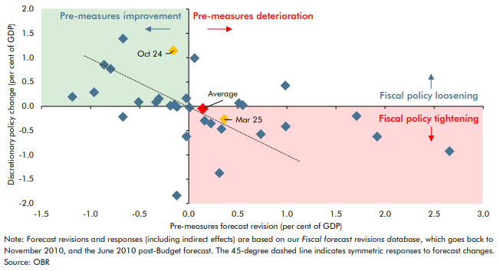

 |  | Underlying | Policy
 | June 2010 | -0.1 | -1.8
 | November 2010 | -0.1 | 0.0
 | March 2011 | 0.6 | 0.0
 | November 2011 | 1.9 | -0.6
 | March 2012 | 0.2 | -0.4
 | December 2012 | 1.7 | -0.2
 | March 2013 | 1.0 | -0.4
 | December 2013 | -0.7 | -0.2
 | March 2014 | -0.3 | 0.2
 | December 2014 | 0.2 | -0.3
 | March 2015 | -0.7 | 1.4
 | July 2015 | 0.3 | -0.5
 | November 2015 | -0.1 | 0.0
 | March 2016 | 0.7 | -0.6
 | November 2016 | 1.0 | 0.4
 | March 2017 | 0.0 | 0.0
 | November 2017 | 0.5 | 0.1
 | March 2018 | -0.2 | 0.0
 | October 2018 | -0.8 | 0.8
 | March 2019 | -0.3 | 0.1
 | March 2020 | 0.1 | 1.0
 | November 2020 | 0.0 | -0.6
 | March 2021 | 0.3 | -1.4
 | October 2021 | -1.2 | 0.2
 | March 2022 | -0.5 | 0.1
 | November 2022 | 2.7 | -0.9
 | March 2023 | -1.0 | 0.3
 | November 2023 | -0.9 | 0.9
 | March 2024 | 0.0 | 0.2
 | October 2024 | -0.2 | 1.1
 | March 2025 | 0.4 | -0.3
 | Average | 0.1 | 0.0

C3.2
Back to contents
 | Chart 3.2: Impact of policy measures on borrowing over the five-year forecast

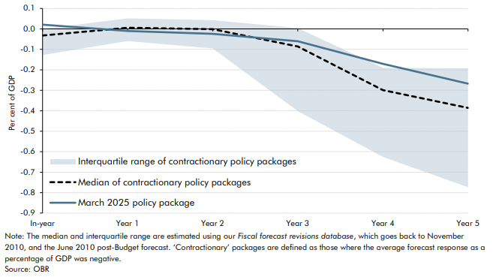

 |  | In-year | Year 1 | Year 2 | Year 3 | Year 4 | Year 5
 | Median of contractionary policy packages | 0.0 | 0.0 | 0.0 | -0.1 | -0.3 | -0.4
 | March 2025 policy package | 0.0 | 0.0 | 0.0 | -0.1 | -0.2 | -0.3
 | Interquartile range of contractionary policy packages | 0.1 | 0.1 | 0.1 | 0.4 | 0.4 | 0.6

C3.A
Back to contents
 | Chart A: Real GDP impact of Government decisions
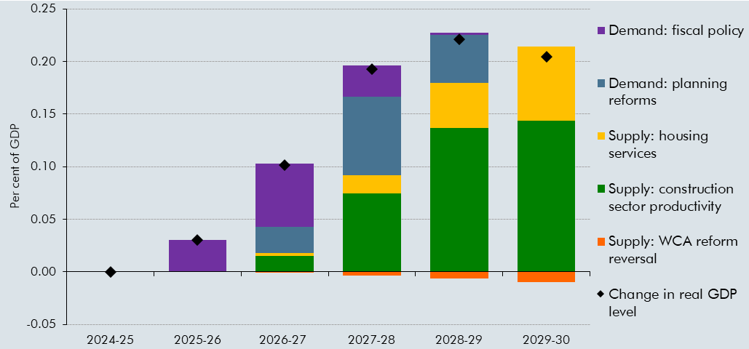

 |  | 2024-25 | 2025-26 | 2026-27 | 2027-28 | 2028-29 | 2029-30
 | Change in real GDP level | 0.0 | 0.0 | 0.1 | 0.2 | 0.2 | 0.2
 | Supply: housing services | 0.0 | 0.0 | 0.0 | 0.0 | 0.0 | 0.1
 | Supply: construction sector productivity | 0.0 | 0.0 | 0.0 | 0.1 | 0.1 | 0.1
 | Supply: WCA reform reversal | 0.0 | 0.0 | 0.0 | 0.0 | 0.0 | 0.0
 | Demand: planning reforms | 0.0 | 0.0 | 0.0 | 0.1 | 0.0 | 0.0
 | Demand: fiscal policy | 0.0 | 0.0 | 0.1 | 0.0 | 0.0 | 0.0

C3.3
Back to contents
 | Chart 3.3: HMRC tax gap as a per cent of theoretical tax liabilities

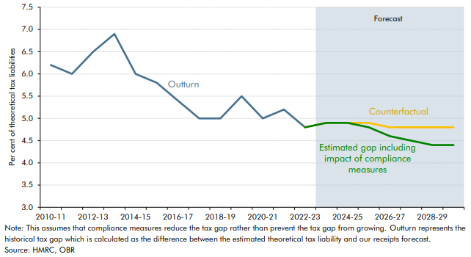

 |  | Historical tax gap | Counterfactual tax gap | Estimated tax gap including impact of compliance measures
 | 2010-11 | 6.2
 | 2011-12 | 6.0
 | 2012-13 | 6.5
 | 2013-14 | 6.9
 | 2014-15 | 6.0
 | 2015-16 | 5.8
 | 2016-17 | 5.4
 | 2017-18 | 5.0
 | 2018-19 | 5.0
 | 2019-20 | 5.5
 | 2020-21 | 5.0
 | 2021-22 | 5.2
 | 2022-23 | 4.8
 | 2023-24 |  | 4.9 | 4.9
 | 2024-25 |  | 4.9 | 4.9
 | 2025-26 |  | 4.9 | 4.8
 | 2026-27 |  | 4.8 | 4.6
 | 2027-28 |  | 4.8 | 4.5
 | 2028-29 |  | 4.8 | 4.4
 | 2029-30 |  | 4.8 | 4.4

C3.4
Back to contents
 | Chart 3.4: Net additions to the UK housing stock

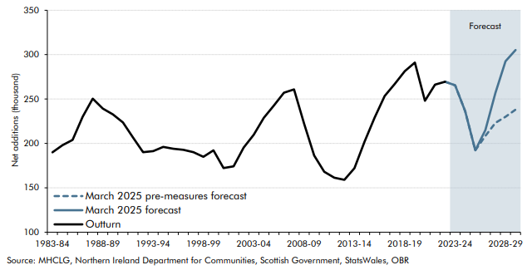

 |  | March 2025 forecast | March 2025 pre-measures forecast
 | 1983-84 | 190
 | 1984-85 | 198
 | 1985-86 | 204
 | 1986-87 | 230
 | 1987-88 | 250
 | 1988-89 | 239
 | 1989-90 | 233
 | 1990-91 | 224
 | 1991-92 | 207
 | 1992-93 | 190
 | 1993-94 | 191
 | 1994-95 | 196
 | 1995-96 | 194
 | 1996-97 | 193
 | 1997-98 | 190
 | 1998-99 | 185
 | 1999-00 | 192
 | 2000-01 | 172
 | 2001-02 | 174
 | 2002-03 | 195
 | 2003-04 | 210
 | 2004-05 | 229
 | 2005-06 | 243
 | 2006-07 | 257
 | 2007-08 | 261
 | 2008-09 | 222
 | 2009-10 | 186
 | 2010-11 | 168
 | 2011-12 | 161
 | 2012-13 | 159
 | 2013-14 | 172
 | 2014-15 | 202
 | 2015-16 | 229
 | 2016-17 | 253
 | 2017-18 | 267
 | 2018-19 | 281
 | 2019-20 | 291
 | 2020-21 | 248
 | 2021-22 | 266
 | 2022-23 | 269
 | 2023-24 | 265 | 265
 | 2024-25 | 236 | 236
 | 2025-26 | 192 | 192
 | 2026-27 | 215 | 208
 | 2027-28 | 257 | 223
 | 2028-29 | 293 | 230
 | 2029-30 | 305 | 238

C3.5
Back to contents
 | Chart 3.5: The economic impacts of planning reform

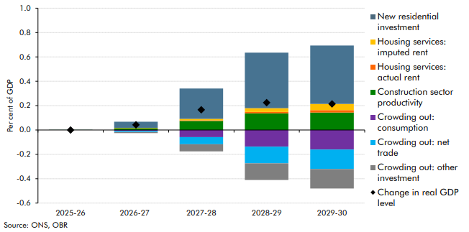

 |  | 2025-26 | 2026-27 | 2027-28 | 2028-29 | 2029-30
 | New residential investment | 0.0 | 0.1 | 0.2 | 0.5 | 0.5
 | Crowding out: consumption | 0.0 | 0.0 | -0.1 | -0.1 | -0.2
 | Crowding out: other investment | 0.0 | 0.0 | -0.1 | -0.1 | -0.2
 | Crowding out: net trade | 0.0 | 0.0 | -0.1 | -0.1 | -0.2
 | Construction sector productivity | 0.0 | 0.0 | 0.1 | 0.1 | 0.1
 | Housing services: imputed rent | 0.0 | 0.0 | 0.0 | 0.0 | 0.1
 | Housing services: actual rent | 0.0 | 0.0 | 0.0 | 0.0 | 0.0
 | Change in real GDP level | 0.0 | 0.0 | 0.2 | 0.2 | 0.2

C3.B
Back to contents
 | Chart B: Alternative housebuilding scenarios and their GDP impacts

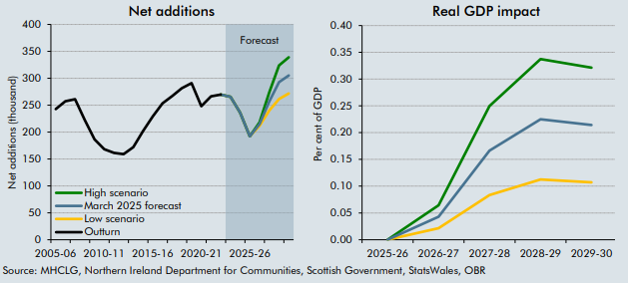

 | Net additions | March 2025 forecast | High scenario | Low scenario | GDP impact | 2025-26 | 2026-27 | 2027-28 | 2028-29 | 2029-30
 | 2005-06 | 243 |  |  | High scenario | 0.0 | 0.1 | 0.2 | 0.3 | 0.3
 | 2006-07 | 257 |  |  | Central | 0.0 | 0.0 | 0.2 | 0.2 | 0.2
 | 2007-08 | 261 |  |  | Low scenario | 0.0 | 0.0 | 0.1 | 0.1 | 0.1
 | 2008-09 | 222
 | 2009-10 | 186
 | 2010-11 | 168
 | 2011-12 | 161
 | 2012-13 | 159
 | 2013-14 | 172
 | 2014-15 | 202
 | 2015-16 | 229
 | 2016-17 | 253
 | 2017-18 | 267
 | 2018-19 | 281
 | 2019-20 | 291
 | 2020-21 | 248
 | 2021-22 | 266
 | 2022-23 | 269
 | 2023-24 | 265 | 265 | 265
 | 2024-25 | 236 | 236 | 236
 | 2025-26 | 192 | 192 | 192
 | 2026-27 | 215 | 218 | 212
 | 2027-28 | 257 | 274 | 240
 | 2028-29 | 293 | 324 | 261
 | 2029-30 | 305 | 339 | 272

C3.6
Back to contents
 | Chart 3.6: The long-term economic impacts of planning reform

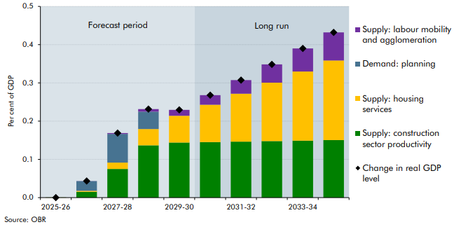

 |  | 2024-25 | 2025-26 | 2026-27 | 2027-28 | 2028-29 | 2029-30 | 2030-31 | 2031-32 | 2032-33 | 2033-34 | 2034-35
 | Demand: planning | 0.0 | 0.0 | 0.0 | 0.1 | 0.0 | 0.0 | 0.0 | 0.0 | 0.0 | 0.0 | 0.0
 | Supply: construction sector productivity | 0.0 | 0.0 | 0.0 | 0.1 | 0.1 | 0.1 | 0.1 | 0.1 | 0.1 | 0.1 | 0.2
 | Supply: housing services | 0.0 | 0.0 | 0.0 | 0.0 | 0.0 | 0.1 | 0.1 | 0.1 | 0.2 | 0.2 | 0.2
 | Supply: labour mobility and agglomeration | 0.0 | 0.0 | 0.0 | 0.0 | 0.0 | 0.0 | 0.0 | 0.0 | 0.0 | 0.1 | 0.1
 | Change in real GDP level |  | 0.0 | 0.0 | 0.2 | 0.2 | 0.2 | 0.3 | 0.3 | 0.3 | 0.4 | 0.4

