C3.A
Back to contents
 | Chart 3.A: Cumulative size of fiscal policy packages, 2010 to 2024
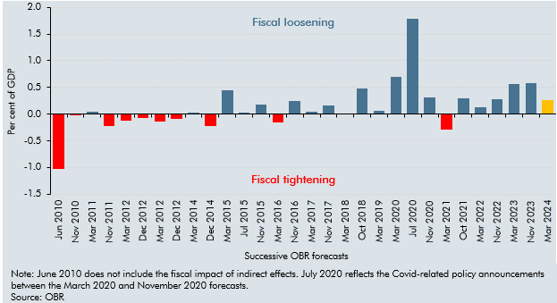

 | Period | Revision as a percentage of GDP over 5 years
 | Jun 2010 | -1.4
 | Nov 2010 | 0.0
 | Mar 2011 | 0.0
 | Nov 2011 | -0.2
 | Mar 2012 | -0.1
 | Dec 2012 | -0.1
 | Mar 2012 | -0.1
 | Dec 2012 | -0.1
 | Mar 2014 | 0.0
 | Dec 2014 | -0.2
 | Mar 2015 | 0.5
 | Jul 2015 | 0.0
 | Nov 2015 | 0.2
 | Mar 2016 | -0.2
 | Nov 2016 | 0.2
 | Mar 2017 | 0.0
 | Nov 2017 | 0.2
 | Mar 2018 | 0.0
 | Oct 2018 | 0.5
 | Mar 2019 | 0.1
 | Mar 2020 | 0.7
 | Jul 2020 | 1.8
 | Nov 2020 | 0.3
 | Mar 2021 | -0.3
 | Oct 2021 | 0.3
 | Mar 2022 | 0.1
 | Nov 2022 | 0.3
 | Mar 2023 | 0.6
 | Nov 2023 | 0.6
 | Mar 2024 | 0.3

C3.B
Back to contents
 | Chart 3.B: Policy responses to underlying fiscal forecast revisions

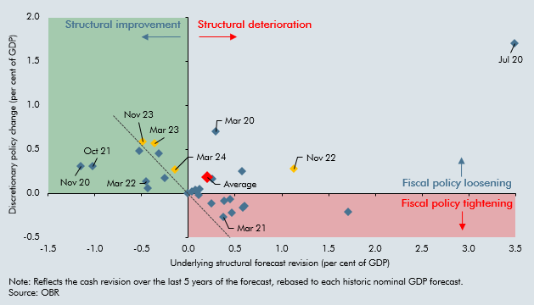

 |  | Underlying change in CA-PSNB | Discretionary package
 | Nov 10 | 0.12 | -0.02
 | Mar 11 | 0.08 | 0.04
 | Nov 11 | 1.72 | -0.22
 | Mar 12 | 0.25 | -0.12
 | Dec 12 | 0.45 | -0.07
 | Mar 13 | 0.60 | -0.14
 | Dec 13 | 0.39 | -0.09
 | Mar 14 | 0.03 | 0.02
 | Dec 14 | 0.46 | -0.22
 | Mar 15 | -0.31 | 0.45
 | Jul 15 | 0.09 | 0.03
 | Nov 15 | -0.25 | 0.17
 | Mar 16 | 0.59 | -0.16
 | Nov 16 | 0.57 | 0.25
 | March 17 | 0.12 | 0.05
 | Nov 17 | 0.25 | 0.16
 | Mar 18 | -0.01 | 0.00
 | Oct 18 | -0.53 | 0.49
 | Mar 19 | -0.44 | 0.06
 | Mar 20 | 0.29 | 0.70
 | Jul 20 | 3.50 | 1.70
 | Nov 20 | -1.15 | 0.30
 | Mar 21 | 0.38 | -0.27
 | Oct 21 | -1.02 | 0.30
 | Mar 22 | -0.45 | 0.13
 | Nov 22 | 1.13 | 0.27
 | Mar 23 | -0.36 | 0.57
 | Nov 23 | -0.49 | 0.59
 | Mar 24 | -0.14 | 0.27
 | Oct 24 | 0.10 | 0.90 | typed in from Oct Budget own est
 | Average | 0.20 | 0.18

C3.1
Back to contents
 | Chart 3.1: HMRC tax debt available for collection

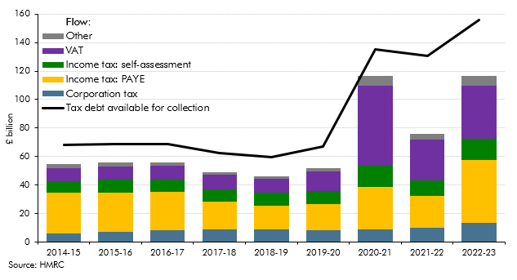

 |  | Flow |  |  |  |  | Tax debt available for collection
 |  | Corporation tax | Income tax: PAYE | Income tax: self-assessment | VAT | Other
 | 2014-15 | 6,174 | 28,504 | 7,889 | 9,212 | 2,901 | £67,961
 | 2015-16 | 7,134 | 27,481 | 9,036 | 9,338 | 2,756 | £68,704
 | 2016-17 | 8,594 | 26,870 | 8,510 | 9,663 | 2,349 | £68,995
 | 2017-18 | 8,700 | 19,823 | 8,447 | 10,433 | 1,863 | £62,478
 | 2018-19 | 9,076 | 16,141 | 9,178 | 10,181 | 1,519 | £59,837
 | 2019-20 | 8,394 | 18,313 | 9,354 | 13,375 | 2,409 | £66,906
 | 2020-21 | 8,782 | 29,629 | 15,101 | 56,368 | 6,545 | £135,380
 | 2021-22 | 10,254 | 22,097 | 10,867 | 28,913 | 4,058 | £130,645
 | 2022-23 | 13,296 | 44,049 | 14,958 | 37,617 | 6,643 | £155,761

C3.2
Back to contents
 | Chart 3.2: Scale of behavioural response for selected tax policy changes
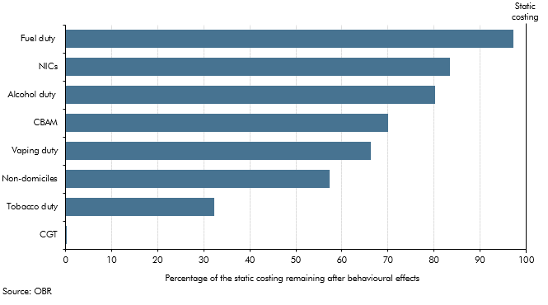

 |  | Percentage of the static costing remaining after behavioural effects
 | CGT | 0
 | Tobacco duty | 32
 | Non-domiciles | 57
 | Vaping duty | 66
 | CBAM | 70
 | Alcohol duty | 80
 | NICs | 83
 | Fuel duty | 97

C3.C
Back to contents
 | Chart 3.C: Number of visits to the UK by overseas residents

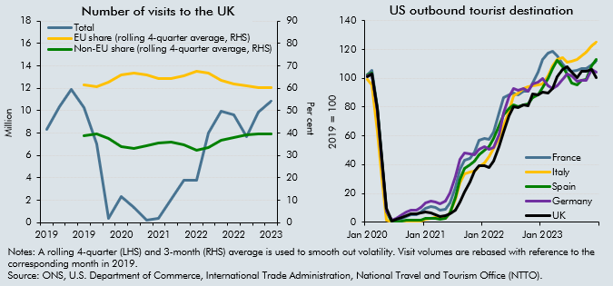

 | Number of visits to the UK |  |  |  | US outbound tourist destination
 |  | Total number of visits to the UK | EU share of visits (rolling 4-quarter average, RHS) | Non-EU share of visits (rolling 4-quarter average, RHS) |  | UK | France | Italy | Spain | Germany
 | 2019 Q1 | 8,332,000 |  |  | 2019-05-31 | 100.0 | 100.0 | 100.0 | 100.0 | 100.0
 | 2019 Q2 | 10,364,000 |  |  | 2019-06-30 | 100.0 | 100.0 | 100.0 | 100.0 | 100.0
 | 2019 Q3 | 11,864,000 |  |  | 2019-07-31 | 100.0 | 100.0 | 100.0 | 100.0 | 100.0
 | 2019 Q4 | 10,297,000 | 61.3 | 38.7 | 2019-08-31 | 100.0 | 100.0 | 100.0 | 100.0 | 100.0
 | 2020 Q1 | 6,994,000 | 60.6 | 39.4 | 2019-09-30 | 100.0 | 100.0 | 100.0 | 100.0 | 100.0
 | 2020 Q2 | 398,000 | 62.5 | 37.5 | 2019-10-31 | 100.0 | 100.0 | 100.0 | 100.0 | 100.0
 | 2020 Q3 | 2,322,000 | 66.0 | 34.0 | 2019-11-30 | 100.0 | 100.0 | 100.0 | 100.0 | 100.0
 | 2020 Q4 | 1,386,000 | 66.7 | 33.3 | 2019-12-31 | 100.0 | 100.0 | 100.0 | 100.0 | 100.0
 | 2021 Q1 | 245,000 | 65.8 | 34.2 | 2020-01-31 | 101.3 | 102.3 | 99.4 | 102.1 | 102.0
 | 2021 Q2 | 346,000 | 64.3 | 35.7 | 2020-02-29 | 103.1 | 105.2 | 95.2 | 103.6 | 103.1
 | 2021 Q3 | 2,040,000 | 64.3 | 35.7 | 2020-03-31 | 78.8 | 79.5 | 63.1 | 78.2 | 77.0
 | 2021 Q4 | 3,753,000 | 65.4 | 34.6 | 2020-04-30 | 44.4 | 43.9 | 30.4 | 42.8 | 41.9
 | 2022 Q1 | 3,743,000 | 67.5 | 32.5 | 2020-05-31 | 9.6 | 7.8 | 1.3 | 7.9 | 7.9
 | 2022 Q2 | 7,957,000 | 66.7 | 33.3 | 2020-06-30 | 1.0 | 0.5 | 0.1 | 0.2 | 1.5
 | 2022 Q3 | 9,946,000 | 63.4 | 36.7 | 2020-07-31 | 1.8 | 1.5 | 0.2 | 0.5 | 3.0
 | 2022 Q4 | 9,598,000 | 61.9 | 38.1 | 2020-08-31 | 3.3 | 3.0 | 0.5 | 1.0 | 5.5
 | 2023 Q1 | 7,692,000 | 60.9 | 39.1 | 2020-09-30 | 4.6 | 4.2 | 0.6 | 1.4 | 7.1
 | 2023 Q2 | 9,882,000 | 60.4 | 39.6 | 2020-10-31 | 5.7 | 5.1 | 0.7 | 1.5 | 8.2
 | 2023 Q3 | 10,869,000 | 60.3 | 39.7 | 2020-11-30 | 5.7 | 5.4 | 0.8 | 1.4 | 8.6
 |  |  |  |  | 2020-12-31 | 6.4 | 7.3 | 1.1 | 1.7 | 10.1
 |  |  |  |  | 2021-01-31 | 6.9 | 9.8 | 2.1 | 2.7 | 13.8
 |  |  |  |  | 2021-02-28 | 6.6 | 11.1 | 2.9 | 2.9 | 14.6
 |  |  |  |  | 2021-03-31 | 5.2 | 10.2 | 3.1 | 2.6 | 14.4
 |  |  |  |  | 2021-04-30 | 4.3 | 8.5 | 2.7 | 2.2 | 12.7
 |  |  |  |  | 2021-05-31 | 4.4 | 8.9 | 3.0 | 2.6 | 14.4
 |  |  |  |  | 2021-06-30 | 5.9 | 13.3 | 6.8 | 6.5 | 20.7
 |  |  |  |  | 2021-07-31 | 8.6 | 24.4 | 16.2 | 17.3 | 31.5
 |  |  |  |  | 2021-08-31 | 13.9 | 36.9 | 27.1 | 29.9 | 43.6
 |  |  |  |  | 2021-09-30 | 20.9 | 43.3 | 33.6 | 37.5 | 47.9
 |  |  |  |  | 2021-10-31 | 27.9 | 44.3 | 34.7 | 39.7 | 47.5
 |  |  |  |  | 2021-11-30 | 35.7 | 48.8 | 35.7 | 42.4 | 46.9
 |  |  |  |  | 2021-12-31 | 39.2 | 56.8 | 39.0 | 46.6 | 50.9
 |  |  |  |  | 2022-01-31 | 39.4 | 58.5 | 41.3 | 50.3 | 52.6
 |  |  |  |  | 2022-02-28 | 38.1 | 57.8 | 45.7 | 52.7 | 50.6
 |  |  |  |  | 2022-03-31 | 42.2 | 62.7 | 51.0 | 58.1 | 52.1
 |  |  |  |  | 2022-04-30 | 52.6 | 75.8 | 58.1 | 67.2 | 60.8
 |  |  |  |  | 2022-05-31 | 62.6 | 86.6 | 67.0 | 74.4 | 76.1
 |  |  |  |  | 2022-06-30 | 74.1 | 88.7 | 76.9 | 79.3 | 86.9
 |  |  |  |  | 2022-07-31 | 80.2 | 89.5 | 87.7 | 81.4 | 93.0
 |  |  |  |  | 2022-08-31 | 79.6 | 88.2 | 89.5 | 80.4 | 91.5
 |  |  |  |  | 2022-09-30 | 81.3 | 90.8 | 92.7 | 81.6 | 92.6
 |  |  |  |  | 2022-10-31 | 81.1 | 90.9 | 94.1 | 82.3 | 91.1
 |  |  |  |  | 2022-11-30 | 88.9 | 96.7 | 95.1 | 86.6 | 95.9
 |  |  |  |  | 2022-12-31 | 88.7 | 104.1 | 95.5 | 88.5 | 97.6
 |  |  |  |  | 2023-01-31 | 90.1 | 112.7 | 96.0 | 93.3 | 99.5
 |  |  |  |  | 2023-02-28 | 90.0 | 117.7 | 101.4 | 100.1 | 94.9
 |  |  |  |  | 2023-03-31 | 92.9 | 118.9 | 108.6 | 106.9 | 93.0
 |  |  |  |  | 2023-04-30 | 101.1 | 115.6 | 112.9 | 112.1 | 94.9
 |  |  |  |  | 2023-05-31 | 106.1 | 109.9 | 114.2 | 108.1 | 99.4
 |  |  |  |  | 2023-06-30 | 108.2 | 106.2 | 110.9 | 103.0 | 102.8
 |  |  |  |  | 2023-07-31 | 104.3 | 104.7 | 111.6 | 96.4 | 102.0
 |  |  |  |  | 2023-08-31 | 100.6 | 105.4 | 113.2 | 95.5 | 97.7
 |  |  |  |  | 2023-09-30 | 104.6 | 106.9 | 115.8 | 98.5 | 98.6
 |  |  |  |  | 2023-10-31 | 105.0 | 107.0 | 118.0 | 99.0 | 98.4
 |  |  |  |  | 2023-11-30 | 106.3 | 109.5 | 122.3 | 108.8 | 105.9
 |  |  |  |  | 2023-12-31 | 100.2 | 112.1 | 124.8 | 113.4 | 104.1

C3.D
Back to contents
 | Table 3.D: Per-visit spending levels of all UK visitors

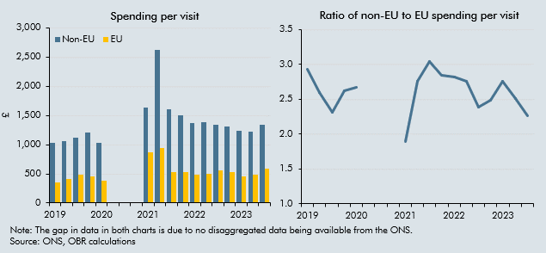

 | Spending per visit
 |  | Spending per visit - non-EU | Spending per visit - EU |  | Ratio of non-EU to EU spending per visit
 | 2019 | 1,026.5 | 350.4 | 2019 | 2.9
 |  | 1,059.1 | 408.5 |  | 2.6
 |  | 1,125.4 | 486.8 |  | 2.3
 |  | 1,203.7 | 459.6 |  | 2.6
 | 2020 | 1,036.1 | 387.1 | 2020 | 2.7

 | 2021 | 1,632.7 | 863.9 | 2021 | 1.9
 |  | 2,623.1 | 949.1 |  | 2.8
 |  | 1,608.7 | 529.7 |  | 3.0
 |  | 1,496.4 | 525.1 |  | 2.8
 | 2022 | 1,368.8 | 484.4 | 2022 | 2.8
 |  | 1,379.4 | 500.5 |  | 2.8
 |  | 1,339.5 | 561.7 |  | 2.4
 |  | 1,313.9 | 529.3 |  | 2.5
 | 2023 | 1,243.3 | 450.3 | 2023 | 2.8
 |  | 1,218.7 | 485.2 |  | 2.5
 |  | 1,334.7 | 590.9 |  | 2.3

