C3.1
Back to contents
 | Chart 3.1: Size of fiscal policy packages since 2010
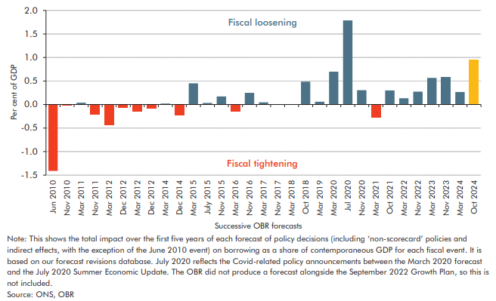

 |  | Revision as a percentage of GDP over 5 years
 | Jun 2010 | -1.4
 | Nov 2010 | 0.0
 | Mar 2011 | 0.0
 | Nov 2011 | -0.2
 | Mar 2012 | -0.4
 | Dec 2012 | -0.1
 | Mar 2012 | -0.1
 | Dec 2012 | -0.1
 | Mar 2014 | 0.0
 | Dec 2014 | -0.2
 | Mar 2015 | 0.5
 | Jul 2015 | 0.0
 | Nov 2015 | 0.2
 | Mar 2016 | -0.2
 | Nov 2016 | 0.2
 | Mar 2017 | 0.0
 | Nov 2017 | 0.0
 | Mar 2018 | 0.0
 | Oct 2018 | 0.5
 | Mar 2019 | 0.1
 | Mar 2020 | 0.7
 | Jul 2020 | 1.8
 | Nov 2020 | 0.3
 | Mar 2021 | -0.3
 | Oct 2021 | 0.3
 | Mar 2022 | 0.1
 | Nov 2022 | 0.3
 | Mar 2023 | 0.6
 | Nov 2023 | 0.6
 | Mar 2024 | 0.3
 | Oct 2024 | 1.0

C3.A
Back to contents
 | Chart A: Highest marginal capital gains tax rate on shares by country

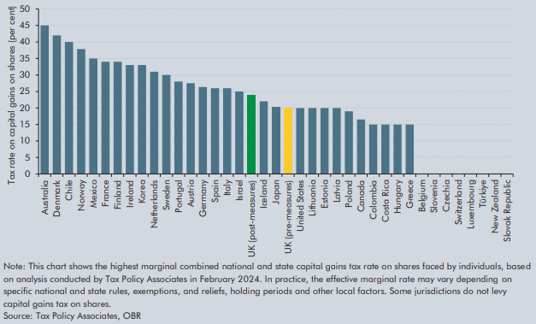

 |  | Marginal capital gains tax rate on shares
 | Australia | 45.0
 | Denmark | 42.0
 | Chile | 40.0
 | Norway | 37.8
 | Mexico | 35.0
 | France | 34.0
 | Finland | 34.0
 | Ireland | 33.0
 | Korea | 33.0
 | Netherlands | 31.0
 | Sweden | 30.0
 | Portugal | 28.0
 | Austria | 27.5
 | Germany | 26.4
 | Spain | 26.0
 | Italy | 26.0
 | Israel | 25.0
 | UK (post-measures) | 24.0
 | Iceland | 22.0
 | Japan | 20.3
 | UK (pre-measures) | 20.0
 | United States | 20.0
 | Lithuania | 20.0
 | Estonia | 20.0
 | Latvia | 20.0
 | Poland | 19.0
 | Canada | 16.5
 | Colombia | 15.0
 | Costa Rica | 15.0
 | Hungary | 15.0
 | Greece | 15.0
 | Belgium | 0.0
 | Slovenia | 0.0
 | Czechia | 0.0
 | Switzerland | 0.0
 | Luxembourg | 0.0
 | Türkiye | 0.0
 | New Zealand | 0.0
 | Slovak Republic | 0.0

C3.2
Back to contents
 | Chart 3.2: HMRC tax debt available for collection

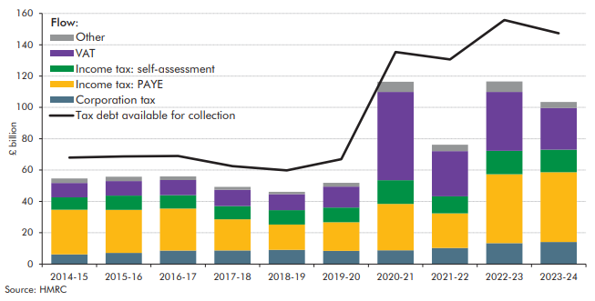

 |  | Corporation tax | Income tax: PAYE | Income tax: self-assessment | VAT | Other | Total Debt Value for Pursuit (£ bil)
 | 2014-15 | 6.2 | 28.5 | 7.9 | 9.2 | 2.9 | 68.0
 | 2015-16 | 7.1 | 27.5 | 9.0 | 9.3 | 2.8 | 68.7
 | 2016-17 | 8.6 | 26.9 | 8.5 | 9.7 | 2.3 | 69.0
 | 2017-18 | 8.7 | 19.8 | 8.4 | 10.4 | 1.9 | 62.5
 | 2018-19 | 9.1 | 16.1 | 9.2 | 10.2 | 1.5 | 59.8
 | 2019-20 | 8.4 | 18.3 | 9.4 | 13.4 | 2.4 | 66.9
 | 2020-21 | 8.8 | 29.6 | 15.1 | 56.4 | 6.5 | 135.4
 | 2021-22 | 10.3 | 22.1 | 10.9 | 28.9 | 4.1 | 130.6
 | 2022-23 | 13.3 | 44.0 | 15.0 | 37.6 | 6.6 | 155.8
 | 2023-24 | 14.1 | 44.5 | 14.4 | 26.6 | 3.9 | 147.4

C3.3
Back to contents
 | Chart 3.3: Long-run impacts of Government policy

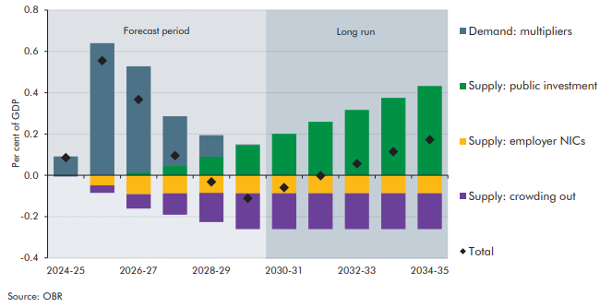

 |  | 2024-25 | 2025-26 | 2026-27 | 2027-28 | 2028-29 | 2029-30 | 2030-31 | 2031-32 | 2032-33 | 2033-34 | 2034-35
 | Demand: multipliers | 0.09 | 0.64 | 0.51 | 0.24 | 0.10 | 0.01 | 0.00 | 0.00 | 0.00 | 0.00 | 0.00
 | Supply: public investment | 0.00 | 0.00 | 0.01 | 0.04 | 0.09 | 0.14 | 0.20 | 0.26 | 0.32 | 0.37 | 0.43
 | Supply: crowding out | -0.01 | -0.04 | -0.07 | -0.10 | -0.14 | -0.17 | -0.17 | -0.17 | -0.17 | -0.17 | -0.17
 | Supply: employer NICs | 0.00 | -0.05 | -0.09 | -0.09 | -0.09 | -0.09 | -0.09 | -0.09 | -0.09 | -0.09 | -0.09
 | Total | 0.09 | 0.56 | 0.37 | 0.10 | -0.03 | -0.11 | -0.06 | 0.00 | 0.06 | 0.11 | 0.17

C3.4
Back to contents
 | Chart 3.4: Long-term implications of higher public investment
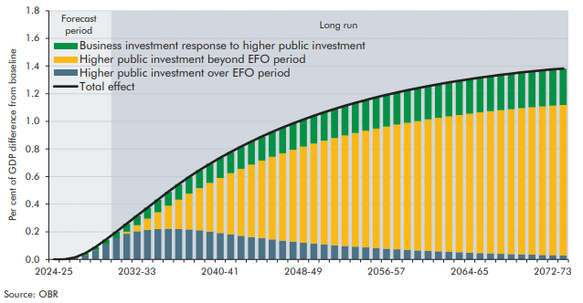

 |  | 2024-25 | 2025-26 | 2026-27 | 2027-28 | 2028-29 | 2029-30 | 2030-31 | 2031-32 | 2032-33 | 2033-34 | 2034-35 | 2035-36 | 2036-37 | 2037-38 | 2038-39 | 2039-40 | 2040-41 | 2041-42 | 2042-43 | 2043-44 | 2044-45 | 2045-46 | 2046-47 | 2047-48 | 2048-49 | 2049-50 | 2050-51 | 2051-52 | 2052-53 | 2053-54 | 2054-55 | 2055-56 | 2056-57 | 2057-58 | 2058-59 | 2059-60 | 2060-61 | 2061-62 | 2062-63 | 2063-64 | 2064-65 | 2065-66 | 2066-67 | 2067-68 | 2068-69 | 2069-70 | 2070-71 | 2071-72 | 2072-73 | 2073-74
 | Higher public investment over EFO period | 0.00 | 0.00 | 0.01 | 0.03 | 0.06 | 0.11 | 0.15 | 0.19 | 0.20 | 0.21 | 0.22 | 0.22 | 0.22 | 0.22 | 0.21 | 0.20 | 0.19 | 0.18 | 0.17 | 0.16 | 0.15 | 0.14 | 0.14 | 0.13 | 0.12 | 0.12 | 0.11 | 0.10 | 0.10 | 0.09 | 0.09 | 0.08 | 0.08 | 0.07 | 0.07 | 0.07 | 0.06 | 0.06 | 0.05 | 0.05 | 0.05 | 0.05 | 0.04 | 0.04 | 0.04 | 0.04 | 0.03 | 0.03 | 0.03 | 0.03
 | Higher public investment beyond EFO period | 0.00 | 0.00 | 0.00 | 0.00 | 0.00 | 0.00 | 0.00 | 0.02 | 0.04 | 0.08 | 0.12 | 0.17 | 0.21 | 0.26 | 0.31 | 0.35 | 0.40 | 0.44 | 0.49 | 0.52 | 0.56 | 0.60 | 0.63 | 0.66 | 0.69 | 0.72 | 0.75 | 0.78 | 0.80 | 0.82 | 0.84 | 0.87 | 0.88 | 0.90 | 0.92 | 0.94 | 0.95 | 0.97 | 0.98 | 0.99 | 1.01 | 1.02 | 1.03 | 1.04 | 1.05 | 1.06 | 1.07 | 1.08 | 1.08 | 1.09
 | Business investment response to higher public investment | 0.00 | 0.00 | 0.01 | 0.02 | 0.03 | 0.04 | 0.05 | 0.06 | 0.07 | 0.08 | 0.09 | 0.10 | 0.11 | 0.12 | 0.13 | 0.14 | 0.15 | 0.15 | 0.16 | 0.17 | 0.17 | 0.18 | 0.19 | 0.19 | 0.20 | 0.20 | 0.21 | 0.21 | 0.21 | 0.22 | 0.22 | 0.23 | 0.23 | 0.23 | 0.24 | 0.24 | 0.24 | 0.24 | 0.25 | 0.25 | 0.25 | 0.25 | 0.25 | 0.26 | 0.26 | 0.26 | 0.26 | 0.26 | 0.26 | 0.26
 | Total effect | 0.00 | 0.00 | 0.01 | 0.04 | 0.09 | 0.14 | 0.20 | 0.26 | 0.32 | 0.37 | 0.43 | 0.49 | 0.54 | 0.60 | 0.65 | 0.69 | 0.74 | 0.78 | 0.82 | 0.85 | 0.89 | 0.92 | 0.95 | 0.98 | 1.01 | 1.04 | 1.07 | 1.09 | 1.11 | 1.13 | 1.15 | 1.17 | 1.19 | 1.21 | 1.23 | 1.24 | 1.25 | 1.27 | 1.28 | 1.29 | 1.31 | 1.32 | 1.33 | 1.34 | 1.35 | 1.35 | 1.36 | 1.37 | 1.38 | 1.38

C3.B
Back to contents
 | Chart B: Impact of higher public investment: different scenarios

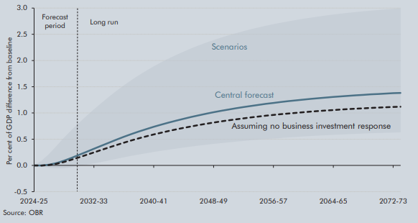

 |  | 2024-25 | 2025-26 | 2026-27 | 2027-28 | 2028-29 | 2029-30 | 2030-31 | 2031-32 | 2032-33 | 2033-34 | 2034-35 | 2035-36 | 2036-37 | 2037-38 | 2038-39 | 2039-40 | 2040-41 | 2041-42 | 2042-43 | 2043-44 | 2044-45 | 2045-46 | 2046-47 | 2047-48 | 2048-49 | 2049-50 | 2050-51 | 2051-52 | 2052-53 | 2053-54 | 2054-55 | 2055-56 | 2056-57 | 2057-58 | 2058-59 | 2059-60 | 2060-61 | 2061-62 | 2062-63 | 2063-64 | 2064-65 | 2065-66 | 2066-67 | 2067-68 | 2068-69 | 2069-70 | 2070-71 | 2071-72 | 2072-73 | 2073-74
 | Central forecast | 0.00 | 0.00 | 0.01 | 0.04 | 0.09 | 0.14 | 0.20 | 0.26 | 0.32 | 0.37 | 0.43 | 0.49 | 0.54 | 0.60 | 0.65 | 0.69 | 0.74 | 0.78 | 0.82 | 0.85 | 0.89 | 0.92 | 0.95 | 0.98 | 1.01 | 1.04 | 1.07 | 1.09 | 1.11 | 1.13 | 1.15 | 1.17 | 1.19 | 1.21 | 1.23 | 1.24 | 1.25 | 1.27 | 1.28 | 1.29 | 1.31 | 1.32 | 1.33 | 1.34 | 1.35 | 1.35 | 1.36 | 1.37 | 1.38 | 1.38
 | Assuming no business investment response | 0.00 | 0.00 | 0.01 | 0.03 | 0.06 | 0.11 | 0.15 | 0.20 | 0.25 | 0.29 | 0.34 | 0.39 | 0.43 | 0.48 | 0.52 | 0.55 | 0.59 | 0.62 | 0.66 | 0.69 | 0.72 | 0.74 | 0.77 | 0.79 | 0.82 | 0.84 | 0.86 | 0.88 | 0.90 | 0.92 | 0.93 | 0.95 | 0.96 | 0.98 | 0.99 | 1.00 | 1.01 | 1.03 | 1.04 | 1.05 | 1.06 | 1.06 | 1.07 | 1.08 | 1.09 | 1.10 | 1.10 | 1.11 | 1.11 | 1.12
 | Higher scenario | 0.00 | 0.09 | 0.22 | 0.37 | 0.53 | 0.67 | 0.81 | 0.94 | 1.07 | 1.19 | 1.31 | 1.42 | 1.53 | 1.62 | 1.72 | 1.81 | 1.89 | 1.97 | 2.04 | 2.11 | 2.17 | 2.23 | 2.29 | 2.34 | 2.39 | 2.44 | 2.48 | 2.52 | 2.56 | 2.60 | 2.63 | 2.66 | 2.69 | 2.72 | 2.75 | 2.77 | 2.80 | 2.82 | 2.84 | 2.86 | 2.88 | 2.89 | 2.91 | 2.92 | 2.94 | 2.95 | 2.96 | 2.97 | 2.99 | 3.00
 | Lower scenario | 0.00 | -0.02 | -0.05 | -0.06 | -0.05 | -0.03 | -0.01 | 0.01 | 0.04 | 0.07 | 0.10 | 0.13 | 0.15 | 0.18 | 0.21 | 0.23 | 0.26 | 0.28 | 0.30 | 0.32 | 0.34 | 0.36 | 0.38 | 0.39 | 0.41 | 0.43 | 0.44 | 0.45 | 0.47 | 0.48 | 0.49 | 0.50 | 0.51 | 0.52 | 0.53 | 0.54 | 0.55 | 0.56 | 0.57 | 0.58 | 0.58 | 0.59 | 0.60 | 0.60 | 0.61 | 0.61 | 0.62 | 0.62 | 0.63 | 0.63

C3.C
Back to contents
 | Chart C: Rates of return on public investment
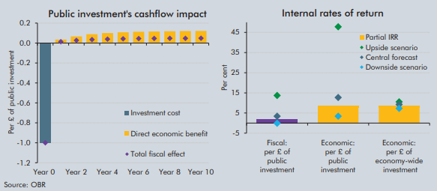

 |  | Year 0 | Year 1 | Year 2 | Year 3 | Year 4 | Year 5 | Year 6 | Year 7 | Year 8 | Year 9 | Year 10
 | Investment cost | -1.0
 | Direct economic benefit |  | 0.0 | 0.1 | 0.1 | 0.1 | 0.1 | 0.1 | 0.1 | 0.1 | 0.1 | 0.1
 | Total economic effect | -1.0 | 0.0 | 0.1 | 0.1 | 0.1 | 0.1 | 0.1 | 0.1 | 0.1 | 0.1 | 0.1
 | Total fiscal effect | -1.0 | 0.0 | 0.0 | 0.0 | 0.0 | 0.0 | 0.0 | 0.0 | 0.0 | 0.0 | 0.0

 |  | Fiscal: per £ of public investment | Economic: per £ of public investment | Economic: per £ of economy-wide investment
 | Partial IRR | 1.9 | 8.7 | 8.7
 | Central forecast | 3.4 | 12.7 | 9.3
 | Downside scenario | -0.1 | 3.4 | 7.3
 | Upside scenario | 13.7 | 47.8 | 10.5

