C4.1
Back to contents
 | Chart 4.1: National Accounts taxes as a share of GDP
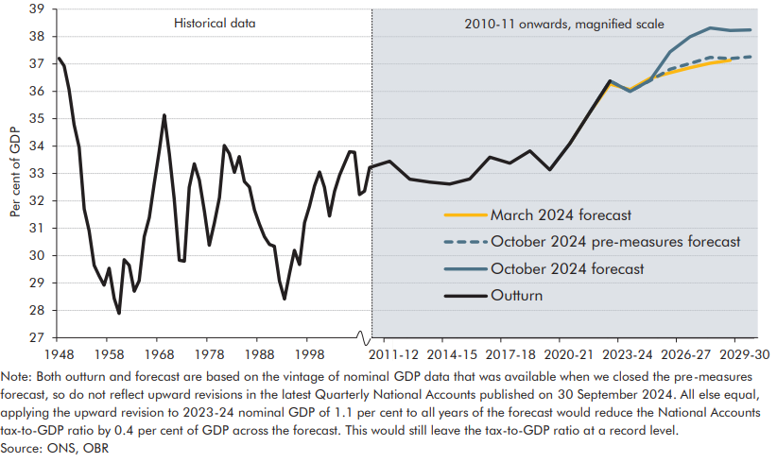

 |  | Outturn | March 2024 forecast | October 2024 forecast | October 2024 pre-measures forecast
 | 1948 | 37.2
 | 1949 | 36.9
 | 1950 | 36.1
 | 1951 | 34.8
 | 1952 | 34.0
 | 1953 | 31.7
 | 1954 | 30.9
 | 1955-56 | 29.6
 | 1956-57 | 29.3
 | 1957-58 | 28.9
 | 1958-59 | 29.5
 | 1959-60 | 28.4
 | 1960-61 | 27.9
 | 1961-62 | 29.8
 | 1962-63 | 29.6
 | 1963-64 | 28.7
 | 1964-65 | 29.1
 | 1965-66 | 30.7
 | 1966-67 | 31.4
 | 1967-68 | 32.6
 | 1968-69 | 33.8
 | 1969-70 | 35.1
 | 1970-71 | 33.7
 | 1971-72 | 32.1
 | 1972-73 | 29.8
 | 1973-74 | 29.8
 | 1974-75 | 32.5
 | 1975-76 | 33.4
 | 1976-77 | 32.8
 | 1977-78 | 31.6
 | 1978-79 | 30.4
 | 1979-80 | 31.2
 | 1980-81 | 32.1
 | 1981-82 | 34.0
 | 1982-83 | 33.7
 | 1983-84 | 33.0
 | 1984-85 | 33.6
 | 1985-86 | 32.7
 | 1986-87 | 32.5
 | 1987-88 | 31.7
 | 1988-89 | 31.2
 | 1989-90 | 30.7
 | 1990-91 | 30.4
 | 1991-92 | 30.3
 | 1992-93 | 29.1
 | 1993-94 | 28.4
 | 1994-95 | 29.4
 | 1995-96 | 30.2
 | 1996-97 | 29.7
 | 1997-98 | 31.2
 | 1998-99 | 31.8
 | 1999-00 | 32.5
 | 2000-01 | 33.1
 | 2001-02 | 32.5
 | 2002-03 | 31.4
 | 2003-04 | 32.4
 | 2004-05 | 32.9
 | 2005-06 | 33.4
 | 2006-07 | 33.8
 | 2007-08 | 33.8
 | 2008-09 | 32.2
 | 2009-10 | 32.4
 | 2010-11 | 33.2
 | 2011-12 | 33.4
 | 2012-13 | 32.8
 | 2013-14 | 32.7
 | 2014-15 | 32.6
 | 2015-16 | 32.8
 | 2016-17 | 33.6
 | 2017-18 | 33.4
 | 2018-19 | 33.8
 | 2019-20 | 33.1
 | 2020-21 | 34.1
 | 2021-22 | 35.2
 | 2022-23 | 36.4 | 36.3 | 36.4 | 36.4
 | 2023-24 |  | 36.1 | 36.0 | 36.0
 | 2024-25 |  | 36.5 | 36.4 | 36.4
 | 2025-26 |  | 36.7 | 37.4 | 36.8
 | 2026-27 |  | 36.9 | 38.0 | 37.0
 | 2027-28 |  | 37.0 | 38.3 | 37.2
 | 2028-29 |  | 37.1 | 38.2 | 37.2
 | 2029-30 |  |  | 38.2 | 37.3

C4.2
Back to contents
 | Chart 4.2: Changes in the composition of the tax take relative to 2010-11

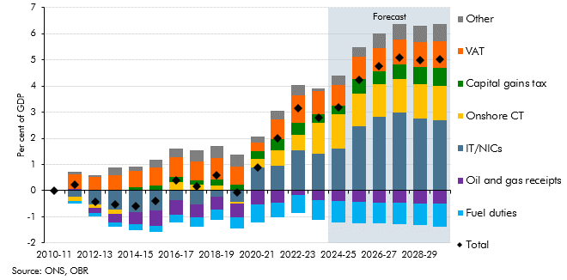

 |  | 2010-11 | 2011-12 | 2012-13 | 2013-14 | 2014-15 | 2015-16 | 2016-17 | 2017-18 | 2018-19 | 2019-20 | 2020-21 | 2021-22 | 2022-23 | 2023-24 | 2024-25 | 2025-26 | 2026-27 | 2027-28 | 2028-29 | 2029-30
 | IT/NICs | 0.0 | -0.2 | -0.5 | -0.7 | -0.8 | -0.8 | -0.4 | -0.5 | -0.2 | -0.4 | 0.9 | 1.0 | 1.5 | 1.4 | 1.6 | 2.5 | 2.8 | 3.0 | 2.8 | 2.7
 | Onshore CT | 0.0 | -0.2 | -0.1 | -0.2 | 0.0 | 0.0 | 0.3 | 0.2 | 0.2 | -0.1 | 0.3 | 0.6 | 0.6 | 1.2 | 1.3 | 1.3 | 1.3 | 1.3 | 1.3 | 1.3
 | Capital gains tax | 0.0 | 0.0 | 0.0 | 0.0 | 0.1 | 0.1 | 0.2 | 0.2 | 0.2 | 0.2 | 0.3 | 0.4 | 0.4 | 0.3 | 0.3 | 0.5 | 0.5 | 0.6 | 0.6 | 0.7
 | Oil and gas receipts | 0.0 | 0.0 | -0.2 | -0.3 | -0.5 | -0.6 | -0.6 | -0.5 | -0.5 | -0.5 | -0.5 | -0.4 | -0.2 | -0.4 | -0.4 | -0.4 | -0.4 | -0.5 | -0.5 | -0.5
 | VAT | 0.0 | 0.6 | 0.5 | 0.6 | 0.6 | 0.7 | 0.8 | 0.7 | 0.8 | 0.7 | 0.3 | 0.8 | 1.0 | 0.9 | 0.8 | 0.8 | 0.9 | 1.0 | 1.0 | 1.0
 | Fuel duties | 0.0 | -0.1 | -0.1 | -0.2 | -0.2 | -0.2 | -0.3 | -0.3 | -0.4 | -0.4 | -0.7 | -0.6 | -0.7 | -0.8 | -0.8 | -0.9 | -0.8 | -0.8 | -0.8 | -0.9
 | Other | 0.0 | 0.1 | 0.0 | 0.3 | 0.2 | 0.3 | 0.3 | 0.4 | 0.5 | 0.5 | 0.2 | 0.3 | 0.4 | 0.1 | 0.4 | 0.4 | 0.5 | 0.6 | 0.6 | 0.7
 | Total | 0.0 | 0.2 | -0.4 | -0.5 | -0.6 | -0.4 | 0.4 | 0.2 | 0.6 | -0.1 | 0.9 | 2.0 | 3.2 | 2.8 | 3.2 | 4.2 | 4.8 | 5.1 | 5.0 | 5.0

C4.3
Back to contents
 | Chart 4.3: Tax take in the advanced economies in 2022
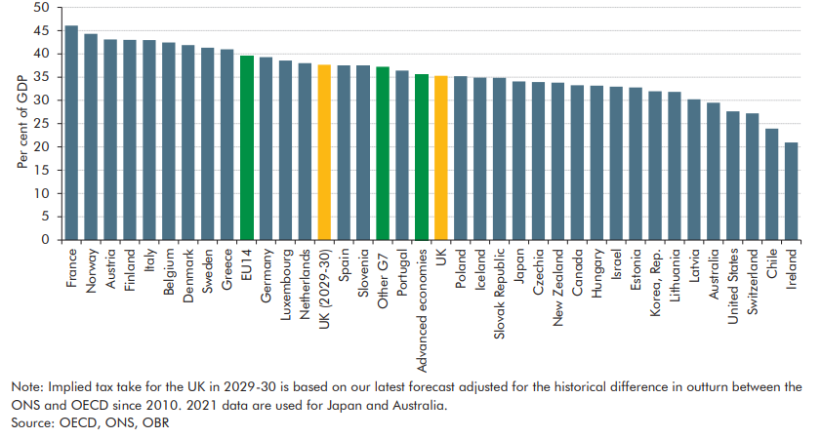

 |  | Tax take (2022)
 | France | 46
 | Norway | 44
 | Austria | 43
 | Finland | 43
 | Italy | 43
 | Belgium | 42
 | Denmark | 42
 | Sweden | 41
 | Greece | 41
 | EU14 | 39
 | Germany | 39
 | Luxembourg | 39
 | Netherlands | 38
 | UK (2029-30) | 38
 | Spain | 38
 | Slovenia | 37
 | Other G7 | 37
 | Portugal | 36
 | Advanced economies | 36
 | UK | 35
 | Poland | 35
 | Iceland | 35
 | Slovak Republic | 35
 | Japan | 34
 | Czechia | 34
 | New Zealand | 34
 | Canada | 33
 | Hungary | 33
 | Israel | 33
 | Estonia | 33
 | Korea, Rep. | 32
 | Lithuania | 32
 | Latvia | 30
 | Australia | 29
 | United States | 28
 | Switzerland | 27
 | Chile | 24
 | Ireland | 21

C4.4
Back to contents
 | Chart 4.4: Tax burdens in the UK, G7, and EU14 since 1965
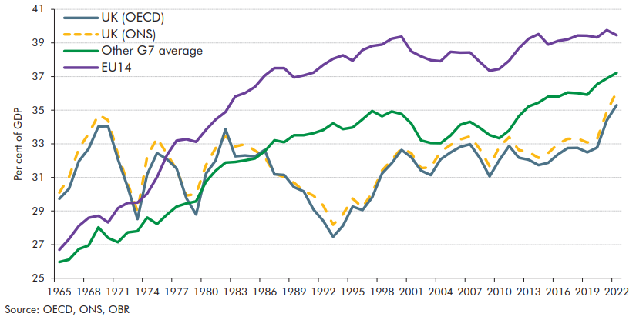

 |  | 1965 | 1966 | 1967 | 1968 | 1969 | 1970 | 1971 | 1972 | 1973 | 1974 | 1975 | 1976 | 1977 | 1978 | 1979 | 1980 | 1981 | 1982 | 1983 | 1984 | 1985 | 1986 | 1987 | 1988 | 1989 | 1990 | 1991 | 1992 | 1993 | 1994 | 1995 | 1996 | 1997 | 1998 | 1999 | 2000 | 2001 | 2002 | 2003 | 2004 | 2005 | 2006 | 2007 | 2008 | 2009 | 2010 | 2011 | 2012 | 2013 | 2014 | 2015 | 2016 | 2017 | 2018 | 2019 | 2020 | 2021 | 2022
 | UK (OECD) | 30 | 30 | 32 | 33 | 34 | 34 | 32 | 30 | 29 | 31 | 32 | 32 | 32 | 30 | 29 | 31 | 32 | 34 | 32 | 32 | 32 | 33 | 31 | 31 | 30 | 30 | 29 | 28 | 27 | 28 | 29 | 29 | 30 | 31 | 32 | 33 | 32 | 31 | 31 | 32 | 32 | 33 | 33 | 32 | 31 | 32 | 33 | 32 | 32 | 32 | 32 | 32 | 33 | 33 | 32 | 33 | 34 | 35
 | United States | 24 | 24 | 25 | 24 | 27 | 26 | 24 | 24 | 24 | 25 | 25 | 24 | 25 | 25 | 25 | 26 | 26 | 26 | 24 | 24 | 25 | 25 | 26 | 25 | 26 | 26 | 26 | 26 | 26 | 26 | 27 | 27 | 27 | 28 | 28 | 28 | 27 | 25 | 24 | 25 | 26 | 27 | 27 | 26 | 23 | 23 | 24 | 24 | 25 | 26 | 26 | 26 | 27 | 25 | 25 | 26 | 26 | 28
 | Canada | 25 | 26 | 27 | 28 | 30 | 30 | 29 | 30 | 30 | 32 | 31 | 31 | 30 | 30 | 29 | 30 | 33 | 32 | 32 | 32 | 32 | 32 | 33 | 33 | 34 | 35 | 36 | 35 | 34 | 34 | 35 | 35 | 36 | 36 | 35 | 35 | 34 | 33 | 33 | 33 | 33 | 33 | 32 | 31 | 32 | 31 | 31 | 31 | 31 | 31 | 33 | 33 | 33 | 33 | 33 | 35 | 34 | 33
 | France | 34 | 33 | 34 | 34 | 35 | 34 | 33 | 34 | 34 | 34 | 35 | 37 | 37 | 37 | 38 | 40 | 40 | 40 | 41 | 42 | 42 | 42 | 42 | 41 | 41 | 41 | 42 | 42 | 43 | 43 | 42 | 44 | 44 | 44 | 44 | 43 | 43 | 42 | 42 | 42 | 43 | 43 | 43 | 42 | 42 | 42 | 43 | 44 | 45 | 45 | 45 | 45 | 46 | 46 | 45 | 45 | 45 | 46
 | Germany | 32 | 32 | 32 | 32 | 34 | 32 | 32 | 34 | 35 | 35 | 34 | 35 | 37 | 37 | 36 | 36 | 36 | 36 | 36 | 36 | 36 | 36 | 36 | 36 | 36 | 35 | 35 | 36 | 36 | 36 | 36 | 36 | 35 | 36 | 36 | 36 | 35 | 35 | 35 | 34 | 34 | 35 | 35 | 36 | 37 | 36 | 36 | 37 | 37 | 37 | 37 | 38 | 38 | 38 | 39 | 38 | 39 | 39
 | Italy | 25 | 24 | 25 | 26 | 25 | 25 | 25 | 25 | 23 | 24 | 24 | 25 | 26 | 26 | 25 | 29 | 30 | 32 | 34 | 33 | 32 | 34 | 34 | 35 | 35 | 36 | 37 | 39 | 41 | 39 | 38 | 40 | 42 | 40 | 41 | 41 | 40 | 40 | 40 | 39 | 39 | 40 | 42 | 42 | 42 | 42 | 42 | 44 | 44 | 43 | 43 | 42 | 42 | 42 | 42 | 43 | 42 | 43
 | Japan | 17 | 17 | 17 | 17 | 18 | 19 | 19 | 20 | 21 | 22 | 20 | 21 | 21 | 23 | 23 | 24 | 25 | 25 | 26 | 26 | 26 | 27 | 28 | 28 | 28 | 28 | 27 | 26 | 26 | 25 | 25 | 25 | 26 | 25 | 25 | 25 | 26 | 25 | 24 | 25 | 26 | 27 | 27 | 27 | 26 | 26 | 27 | 28 | 29 | 30 | 30 | 30 | 31 | 32 | 32 | 33 | 34 | 34
 | Other G7 average | 26 | 26 | 27 | 27 | 28 | 27 | 27 | 28 | 28 | 29 | 28 | 29 | 29 | 29 | 30 | 31 | 31 | 32 | 32 | 32 | 32 | 33 | 33 | 33 | 34 | 34 | 34 | 34 | 34 | 34 | 34 | 34 | 35 | 35 | 35 | 35 | 34 | 33 | 33 | 33 | 33 | 34 | 34 | 34 | 34 | 33 | 34 | 35 | 35 | 35 | 36 | 36 | 36 | 36 | 36 | 37 | 37 | 37
 | UK (ONS) | 30 | 31 | 33 | 34 | 35 | 34 | 32 | 31 | 29 | 32 | 33 | 32 | 31 | 30 | 30 | 32 | 33 | 33 | 33 | 33 | 33 | 32 | 31 | 31 | 31 | 30 | 30 | 29 | 28 | 29 | 30 | 29 | 30 | 31 | 32 | 33 | 32 | 32 | 32 | 33 | 33 | 33 | 33 | 33 | 32 | 33 | 33 | 33 | 33 | 32 | 32 | 33 | 33 | 33 | 33 | 33 | 35 | 36
 | EU14 | 27 | 27 | 28 | 29 | 29 | 28 | 29 | 29 | 29 | 30 | 31 | 32 | 33 | 33 | 33 | 34 | 34 | 35 | 36 | 36 | 36 | 37 | 38 | 38 | 37 | 37 | 37 | 38 | 38 | 38 | 38 | 39 | 39 | 39 | 39 | 39 | 39 | 38 | 38 | 38 | 38 | 38 | 38 | 38 | 37 | 37 | 38 | 39 | 39 | 40 | 39 | 39 | 39 | 39 | 39 | 39 | 40 | 39

C4.5
Back to contents
 | Chart 4.5: The rise in the tax-to-GDP ratio from 2019-20 and 2029-30

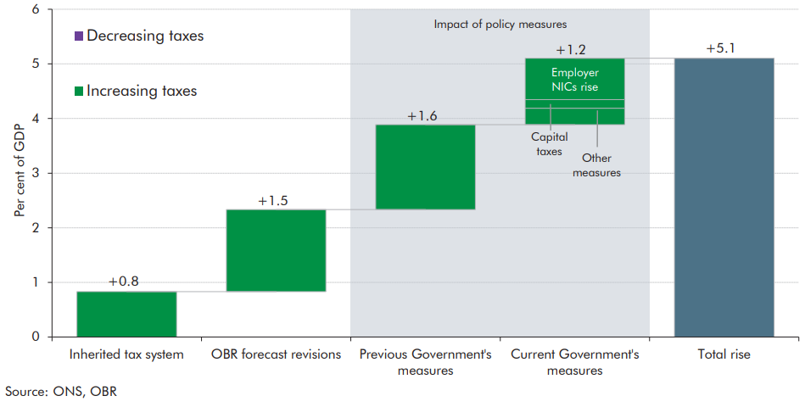

 |  | Change
 | Inherited tax system | 0.8
 | OBR forecast revisions | 1.5
 | Previous Government's measures | 1.6
 | Current Government's measures | 1.2
 | of which:
 | ER NICs rise | 0.8
 | Capital taxes | 0.2
 | Other measures | 0.3
 | Total rise | 5.1

C4.6
Back to contents
 | Chart 4.6: NICs effective tax rate pre- and post-measures

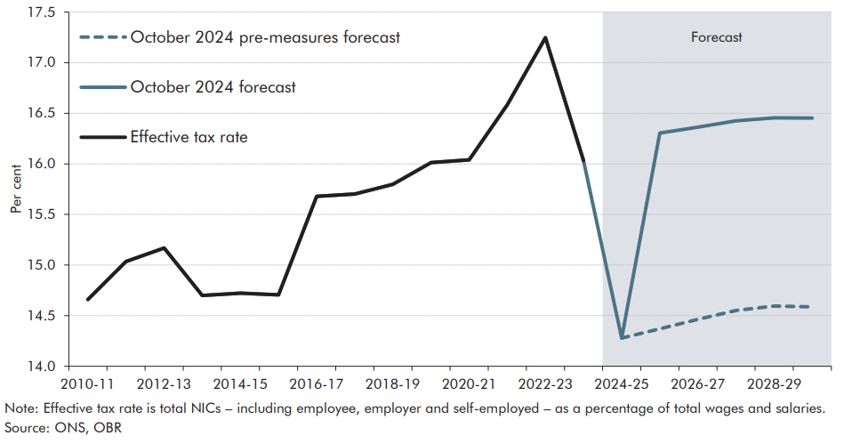

 |  | 2010-11 | 2011-12 | 2012-13 | 2013-14 | 2014-15 | 2015-16 | 2016-17 | 2017-18 | 2018-19 | 2019-20 | 2020-21 | 2021-22 | 2022-23 | 2023-24 | 2024-25 | 2025-26 | 2026-27 | 2027-28 | 2028-29 | 2029-30
 | Effective tax rate | 14.7 | 15.0 | 15.2 | 14.7 | 14.7 | 14.7 | 15.7 | 15.7 | 15.8 | 16.0 | 16.0 | 16.6 | 17.2 | 16.0
 | October 2024 pre-measures forecast |  |  |  |  |  |  |  |  |  |  |  |  |  | 16.0 | 14.3 | 14.4 | 14.5 | 14.6 | 14.6 | 14.6
 | October 2024 forecast | 14.7 | 15.0 | 15.2 | 14.7 | 14.7 | 14.7 | 15.7 | 15.7 | 15.8 | 16.0 | 16.0 | 16.6 | 17.2 | 16.0 | 14.3 | 16.3 | 16.4 | 16.4 | 16.5 | 16.5

C4.7
Back to contents
 | Chart 4.7: Onshore corporation tax as a share of GDP

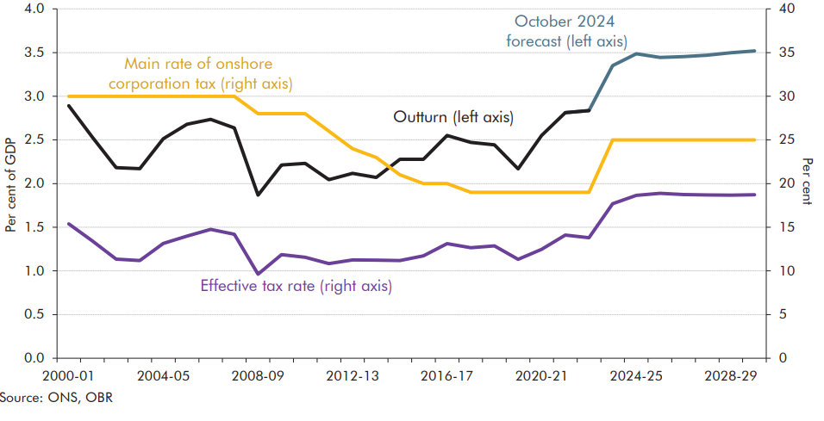

 |  | Outturn receipts (left axis) | October 2024 forecast (left axis) | Main rate of onshore corporation tax (right axis) | Effective tax rate (right axis)
 | 1996-97 | 2.9 |  | 33
 | 1997-98 | 3.0 |  | 31
 | 1998-99 | 2.9 |  | 31
 | 1999-00 | 3.1 |  | 30
 | 2000-01 | 2.9 |  | 30 | 15
 | 2001-02 | 2.5 |  | 30 | 13
 | 2002-03 | 2.2 |  | 30 | 11
 | 2003-04 | 2.2 |  | 30 | 11
 | 2004-05 | 2.5 |  | 30 | 13
 | 2005-06 | 2.7 |  | 30 | 14
 | 2006-07 | 2.7 |  | 30 | 15
 | 2007-08 | 2.6 |  | 30 | 14
 | 2008-09 | 1.9 |  | 28 | 10
 | 2009-10 | 2.2 |  | 28 | 12
 | 2010-11 | 2.2 |  | 28 | 12
 | 2011-12 | 2.0 |  | 26 | 11
 | 2012-13 | 2.1 |  | 24 | 11
 | 2013-14 | 2.1 |  | 23 | 11
 | 2014-15 | 2.3 |  | 21 | 11
 | 2015-16 | 2.3 |  | 20 | 12
 | 2016-17 | 2.6 |  | 20 | 13
 | 2017-18 | 2.5 |  | 19 | 13
 | 2018-19 | 2.4 |  | 19 | 13
 | 2019-20 | 2.2 |  | 19 | 11
 | 2020-21 | 2.6 |  | 19 | 12
 | 2021-22 | 2.8 | 2.8 | 19 | 14
 | 2022-23 | 2.8 | 2.8 | 19 | 14
 | 2023-24 |  | 3.4 | 25 | 18
 | 2024-25 |  | 3.5 | 25 | 19
 | 2025-26 |  | 3.4 | 25 | 19
 | 2026-27 |  | 3.5 | 25 | 19
 | 2027-28 |  | 3.5 | 25 | 19
 | 2028-29 |  | 3.5 | 25 | 19
 | 2029-30 |  | 3.5 | 25 | 19

C4.8
Back to contents
 | Chart 4.8: Fuel duty: forecasts versus outturn
 | Correction on 7 October 2024: In the published Economic and fiscal outlook the annotation incorrected stated the constant duty rate at 52.59p. We have made this correction to the chart below and detailed this correction in the Correction slip within the Economic and fiscal outlook.
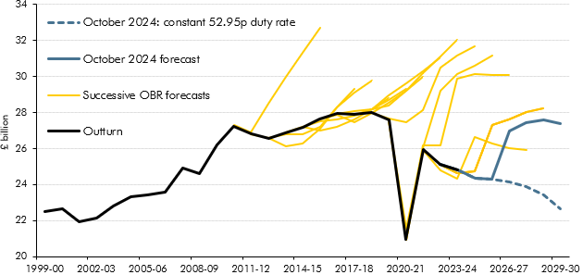

 |  | 1998-99 | 1999-00 | 2000-01 | 2001-02 | 2002-03 | 2003-04 | 2004-05 | 2005-06 | 2006-07 | 2007-08 | 2008-09 | 2009-10 | 2010-11 | 2011-12 | 2012-13 | 2013-14 | 2014-15 | 2015-16 | 2016-17 | 2017-18 | 2018-19 | 2019-20 | 2020-21 | 2021-22 | 2022-23 | 2023-24 | 2024-25 | 2025-26 | 2026-27 | 2027-28 | 2028-29 | 2029-30
 | Outturn | 21,553 | 22,515 | 22,630 | 21,916 | 22,147 | 22,786 | 23,313 | 23,438 | 23,585 | 24,905 | 24,615 | 26,197 | 27,256 | 26,798 | 26,571 | 26,882 | 27,156 | 27,622 | 27,937 | 27,878 | 27,993 | 27,572 | 20,934 | 25,943 | 25,098 | 24,828
 | October 2024 forecast |  |  |  |  |  |  |  |  |  |  |  |  |  |  |  |  |  |  |  |  |  |  |  |  | 25,098 | 24,828 | 24,330 | 24,308 | 26,999 | 27,412 | 27,595 | 27,394
 | Constant Duty Policy Impact |  |  |  |  |  |  |  |  |  |  |  |  |  |  |  |  |  |  |  |  |  |  |  |  |  |  | 0 | 1 | -2,836 | -3,545 | -4,194 | -4,758
 | October 2024: constant 52.95p duty rate |  |  |  |  |  |  |  |  |  |  |  |  |  |  |  |  |  |  |  |  |  |  |  |  | 25,098 | 24,828 | 24,330 | 24,309 | 24,163 | 23,868 | 23,401 | 22,636
 | SB24 |  |  |  |  |  |  |  |  |  |  |  |  |  |  |  |  |  |  |  |  |  |  |  |  | 25,100 | 24,631 | 24,741 | 27,286 | 27,608 | 28,028 | 28,231
 | AS23 |  |  |  |  |  |  |  |  |  |  |  |  |  |  |  |  |  |  |  |  |  |  |  |  | 25,100 | 24,631 | 24,741 | 27,286 | 27,608 | 28,028 | 28,231
 | SB23 |  |  |  |  |  |  |  |  |  |  |  |  |  |  |  |  |  |  |  |  |  |  | 20,932 | 25,943 | 24,799 | 24,349 | 26,621 | 26,262 | 26,034 | 25,897
 | SB22 |  |  |  |  |  |  |  |  |  |  |  |  |  |  |  |  |  |  |  |  |  | 27,572 | 20,934 | 26,177 | 26,174 | 29,858 | 30,160 | 30,073 | 30,101
 | SB21 |  |  |  |  |  |  |  |  |  |  |  |  |  |  |  |  |  |  |  |  |  | 27,572 | 21,538 | 26,032 | 29,225 | 30,145 | 30,594 | 31,188
 | SB20 |  |  |  |  |  |  |  |  |  |  |  |  |  |  |  |  |  |  |  |  | 27,993 | 27,680 | 27,488 | 28,132 | 30,507 | 31,165 | 31,687
 | SB19 |  |  |  |  |  |  |  |  |  |  |  |  |  |  |  |  |  |  |  | 27,878 | 28,203 | 28,401 | 29,234 | 30,170 | 31,120 | 32,059
 | SB18 |  |  |  |  |  |  |  |  |  |  |  |  |  |  |  |  |  |  | 27,937 | 28,068 | 28,198 | 28,949 | 29,636 | 30,312 | 31,049
 | SB17 |  |  |  |  |  |  |  |  |  |  |  |  |  |  |  |  |  | 27,622 | 27,874 | 27,486 | 27,998 | 28,524 | 29,193 | 29,994
 | SB16 |  |  |  |  |  |  |  |  |  |  |  |  |  |  |  |  | 27,200 | 27,500 | 27,600 | 27,800 | 28,200 | 28,700 | 29,300
 | SB15 |  |  |  |  |  |  |  |  |  |  |  |  |  |  |  | 26,900 | 27,200 | 27,000 | 27,200 | 27,600 | 28,200 | 28,800
 | SB14 |  |  |  |  |  |  |  |  |  |  |  |  |  |  | 26,600 | 26,800 | 26,800 | 27,200 | 28,300 | 29,100 | 29,800
 | SB13 |  |  |  |  |  |  |  |  |  |  |  |  |  | 26,800 | 26,600 | 26,100 | 26,300 | 27,100 | 28,300 | 29,300
 | SB12 |  |  |  |  |  |  |  |  |  |  |  |  | 27,300 | 26,900 | 27,300 | 28,100 | 28,900 | 30,100 | 31,300
 | SB11 |  |  |  |  |  |  |  |  |  |  |  |  | 27,300 | 26,900 | 28,500 | 30,000 | 31,300 | 32,700

C4.9
Back to contents
 | Chart 4.9: CGT receipts

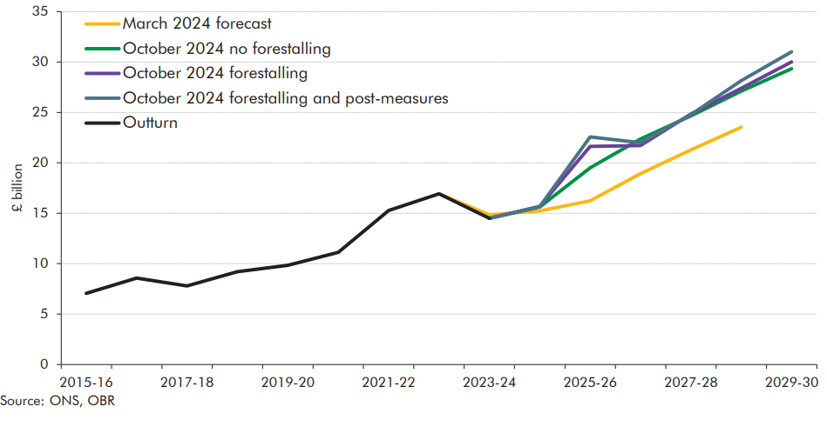

 |  | 2015-16 | 2016-17 | 2017-18 | 2018-19 | 2019-20 | 2020-21 | 2021-22 | 2022-23 | 2023-24 | 2024-25 | 2025-26 | 2026-27 | 2027-28 | 2028-29 | 2029-30
 | Outturn | 7.06 | 8.562 | 7.793 | 9.192 | 9.827 | 11.13 | 15.267 | 16.928 | 14.493
 | March 2024 forecast |  |  |  |  |  |  |  | 16.928 | 14.847 | 15.242 | 16.235 | 18.944 | 21.286 | 23.527
 | October 2024 no forestalling |  |  |  |  |  |  |  |  | 14.493 | 15.629 | 19.513 | 22.364 | 24.665 | 27.110 | 29.346
 | October 2024 forestalling |  |  |  |  |  |  |  |  | 14.493 | 15.680 | 21.640 | 21.712 | 24.844 | 27.402 | 30.018
 | October 2024 forestalling and post-measures |  |  |  |  |  |  |  |  | 14.493 | 15.663 | 22.567 | 22.003 | 24.779 | 28.149 | 31.013

