C5.1
Back to contents
 | Chart 5.1: Public spending as a share of GDP
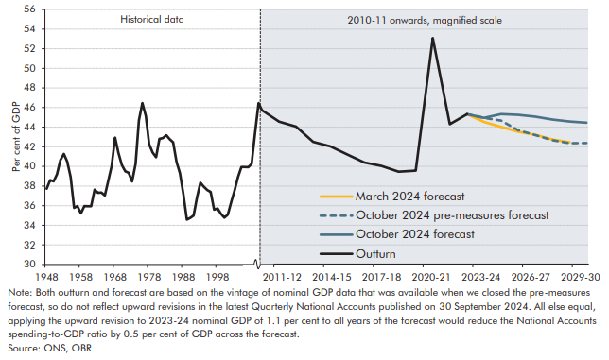

 | Year | TME Outturn | March 2024 forecast | October 2024 pre-measures forecast | October 2024 forecast
 | 1947-48 | 37.7
 | 1948-49 | 38.6
 | 1949-50 | 38.5
 | 1950-51 | 39.2
 | 1951-52 | 40.6
 | 1952-53 | 41.3
 | 1953-54 | 40.5
 | 1954-55 | 38.9
 | 1955-56 | 35.8
 | 1956-57 | 36.0
 | 1957-58 | 35.2
 | 1958-59 | 36.0
 | 1959-60 | 35.9
 | 1960-61 | 35.9
 | 1961-62 | 37.6
 | 1962-63 | 37.3
 | 1963-64 | 37.3
 | 1964-65 | 37.0
 | 1965-66 | 38.5
 | 1966-67 | 40.0
 | 1967-68 | 42.9
 | 1968-69 | 41.4
 | 1969-70 | 40.1
 | 1970-71 | 39.5
 | 1971-72 | 39.4
 | 1972-73 | 38.5
 | 1973-74 | 40.3
 | 1974-75 | 44.7
 | 1975-76 | 46.5
 | 1976-77 | 45.1
 | 1977-78 | 42.3
 | 1978-79 | 41.4
 | 1979-80 | 40.9
 | 1980-81 | 42.8
 | 1981-82 | 42.9
 | 1982-83 | 43.2
 | 1983-84 | 42.8
 | 1984-85 | 42.5
 | 1985-86 | 40.4
 | 1986-87 | 39.3
 | 1987-88 | 37.2
 | 1988-89 | 34.6
 | 1989-90 | 34.7
 | 1990-91 | 35.0
 | 1991-92 | 36.9
 | 1992-93 | 38.3
 | 1993-94 | 37.9
 | 1994-95 | 37.6
 | 1995-96 | 37.4
 | 1996-97 | 35.6
 | 1997-98 | 35.7
 | 1998-99 | 35.2
 | 1999-00 | 34.8
 | 2000-01 | 35.1
 | 2001-02 | 36.3
 | 2002-03 | 37.6
 | 2003-04 | 38.9
 | 2004-05 | 39.9
 | 2005-06 | 39.9
 | 2006-07 | 39.9
 | 2007-08 | 40.3
 | 2008-09 | 43.5
 | 2009-10 | 46.5
 | 2010-11 | 45.7
 | 2011-12 | 44.6
 | 2012-13 | 44.1
 | 2013-14 | 42.5
 | 2014-15 | 42.0
 | 2015-16 | 41.2
 | 2016-17 | 40.4
 | 2017-18 | 40.0
 | 2018-19 | 39.5
 | 2019-20 | 39.6
 | 2020-21 | 53.1
 | 2021-22 | 44.3
 | 2022-23 | 45.3
 | 2023-24 |  | 44.5
 | 2024-25 |  | 44.0 | 44.7 | 45.3
 | 2025-26 |  | 43.5 | 43.7 | 45.3
 | 2026-27 |  | 43.2 | 43.2 | 45.1
 | 2027-28 |  | 42.8 | 42.7 | 44.8
 | 2028-29 |  | 42.5 | 42.4 | 44.6
 | 2029-30 |  |  | 42.4 | 44.5

C5.2
Back to contents
 | Chart 5.2: Spending as a share of GDP by category
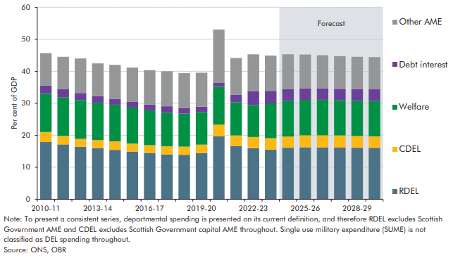

 |  | 2010-11 | 2011-12 | 2012-13 | 2013-14 | 2014-15 | 2015-16 | 2016-17 | 2017-18 | 2018-19 | 2019-20 | 2020-21 | 2021-22 | 2022-23 | 2023-24 | 2024-25 | 2025-26 | 2026-27 | 2027-28 | 2028-29 | 2029-30
 | RDEL | 17.9 | 17.2 | 16.4 | 15.9 | 15.4 | 14.9 | 14.5 | 14.0 | 13.9 | 14.4 | 19.7 | 16.7 | 16.0 | 15.5 | 16.1 | 16.2 | 16.2 | 16.1 | 16.1 | 16.1
 | CDEL | 3.1 | 2.6 | 2.5 | 2.6 | 2.7 | 2.5 | 2.4 | 2.5 | 2.6 | 2.6 | 3.6 | 3.3 | 3.5 | 3.6 | 3.5 | 3.8 | 3.8 | 3.8 | 3.7 | 3.6
 | Welfare | 12.0 | 12.0 | 12.1 | 11.7 | 11.5 | 11.3 | 10.9 | 10.5 | 10.3 | 10.2 | 11.9 | 10.4 | 10.0 | 10.9 | 11.1 | 11.1 | 11.1 | 11.0 | 11.0 | 11.1
 | Debt interest | 2.5 | 2.6 | 2.2 | 2.1 | 1.8 | 1.8 | 1.8 | 2.0 | 1.8 | 1.7 | 1.2 | 2.3 | 4.4 | 3.9 | 3.7 | 3.6 | 3.5 | 3.6 | 3.6 | 3.6
 | Other AME | 10.2 | 10.1 | 10.8 | 10.2 | 10.6 | 10.7 | 10.8 | 10.9 | 10.9 | 10.6 | 16.7 | 11.5 | 11.5 | 11.0 | 10.8 | 10.6 | 10.4 | 10.2 | 10.2 | 10.1

C5.3
Back to contents
 | Chart 5.3: The rise in the spend-to-GDP ratio from 2019-20 to 2029-30
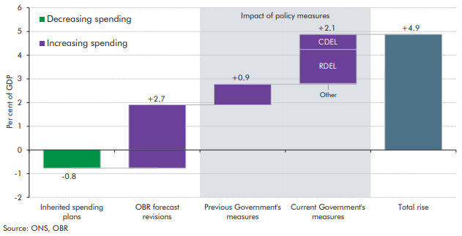

 |  | Per cent | RDEL | CDEL | Other
 | Inherited spending plans | -0.8
 | OBR forecast revisions | 2.7
 | Previous Government's measures | 0.9
 | Current Government's measures | 2.1 | 1.4 | 0.6 | 0.0
 | Total rise | 4.9

C5.4
Back to contents
 | Chart 5.4: Real departmental resource and capital spending
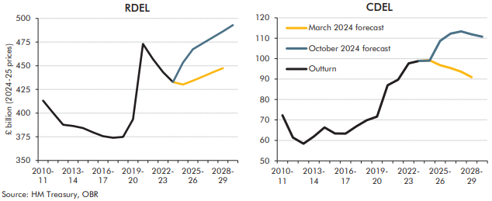

 | RDEL | 2010-11 | 2011-12 | 2012-13 | 2013-14 | 2014-15 | 2015-16 | 2016-17 | 2017-18 | 2018-19 | 2019-20 | 2020-21 | 2021-22 | 2022-23 | 2023-24 | 2024-25 | 2025-26 | 2026-27 | 2027-28 | 2028-29 | 2029-30
 | Outturn | 413.1 | 400.4 | 387.7 | 386.4 | 384.2 | 379.6 | 375.6 | 374.0 | 374.8 | 393.5 | 473.0 | 457.1 | 443.3 | 432.8
 | March 2024 forecast |  |  |  |  |  |  |  |  |  |  |  |  |  | 432.8 | 430.2 | 434.2 | 438.6 | 443.2 | 447.5
 | October 2024 forecast |  |  |  |  |  |  |  |  |  |  |  |  |  |  | 453.4 | 467.4 | 473.9 | 480.1 | 486.2 | 492.9

 | CDEL | 2010-11 | 2011-12 | 2012-13 | 2013-14 | 2014-15 | 2015-16 | 2016-17 | 2017-18 | 2018-19 | 2019-20 | 2020-21 | 2021-22 | 2022-23 | 2023-24 | 2024-25 | 2025-26 | 2026-27 | 2027-28 | 2028-29 | 2029-30
 | Outturn | 72.3 | 61.4 | 58.4 | 61.9 | 66.3 | 63.4 | 63.3 | 66.7 | 69.8 | 71.6 | 87.0 | 89.7 | 97.7 | 98.9
 | March 2024 forecast |  |  |  |  |  |  |  |  |  |  |  |  |  | 98.9 | 99.2 | 96.8 | 95.4 | 93.6 | 90.9
 | October 2024 forecast |  |  |  |  |  |  |  |  |  |  |  |  |  |  | 99.0 | 108.7 | 112.3 | 113.4 | 111.9 | 110.7

C5.5
Back to contents
 | Chart 5.5: Change in 2024-25 RDEL spending since March
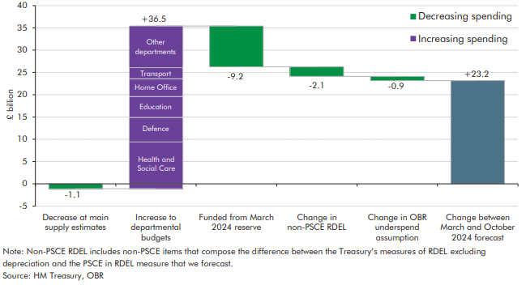

 |  | Spending change | Health and Social Care | Defence | Education | Home Office | Transport | Other departments
 | Decrease at main supply estimates | -1.1
 | Increase to departmental budgets | 36.5 | 10.5 | 5.5 | 4.7 | 4.0 | 2.5 | 9.4
 | Funded from March 2024 reserve | -9.2
 | Change in non-PSCE RDEL | -2.1
 | Change in OBR underspend assumption | -0.9
 | Change between March and October 2024 forecast | 23.2

C5.6
Back to contents
 | Chart 5.6: RDEL reserves set at spending reviews as share of RDEL
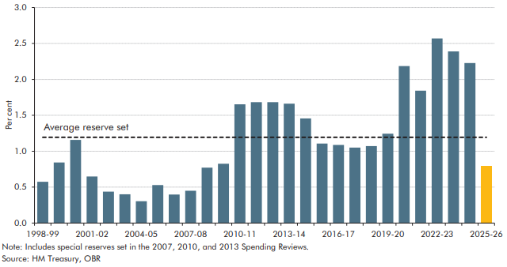

 |  | Reserve incl. special reserve as % of RDEL
 | 1998-99 | 0.6
 | 1999-00 | 0.8
 | 2000-01 | 1.2
 | 2001-02 | 0.6
 | 2002-03 | 0.4
 | 2003-04 | 0.4
 | 2004-05 | 0.3
 | 2005-06 | 0.5
 | 2006-07 | 0.4
 | 2007-08 | 0.5
 | 2008-09 | 0.8
 | 2009-10 | 0.8
 | 2010-11 | 1.7
 | 2011-12 | 1.7
 | 2012-13 | 1.7
 | 2013-14 | 1.7
 | 2014-15 | 1.5
 | 2015-16 | 1.1
 | 2016-17 | 1.1
 | 2017-18 | 1.0
 | 2018-19 | 1.1
 | 2019-20 | 1.2
 | 2020-21 | 2.2
 | 2021-22 | 1.8
 | 2022-23 | 2.6
 | 2023-24 | 2.4
 | 2024-25 | 2.2
 | 2025-26 | 0.8
 | Average reserve set | 1.2

C5.7
Back to contents
 | Chart 5.7: CDEL reserves set at Spending Reviews as share of CDEL
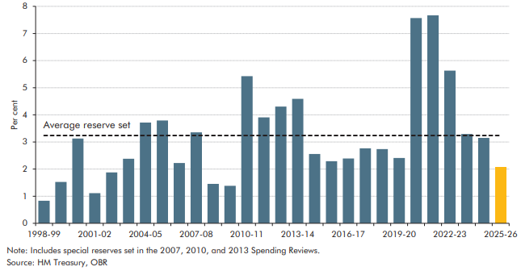

 |  | Reserve incl. special reserve as % of RDEL
 | 1998-99 | 0.8
 | 1999-00 | 1.5
 | 2000-01 | 3.1
 | 2001-02 | 1.1
 | 2002-03 | 1.9
 | 2003-04 | 2.4
 | 2004-05 | 3.7
 | 2005-06 | 3.8
 | 2006-07 | 2.2
 | 2007-08 | 3.4
 | 2008-09 | 1.5
 | 2009-10 | 1.4
 | 2010-11 | 5.4
 | 2011-12 | 3.9
 | 2012-13 | 4.3
 | 2013-14 | 4.6
 | 2014-15 | 2.6
 | 2015-16 | 2.3
 | 2016-17 | 2.4
 | 2017-18 | 2.8
 | 2018-19 | 2.7
 | 2019-20 | 2.4
 | 2020-21 | 7.6
 | 2021-22 | 7.7
 | 2022-23 | 5.6
 | 2023-24 | 3.3
 | 2024-25 | 3.1
 | 2025-26 | 2.1
 | Average reserve set | 3.2

C5.8
Back to contents
 | Chart 5.8: Real resource departmental spending per person

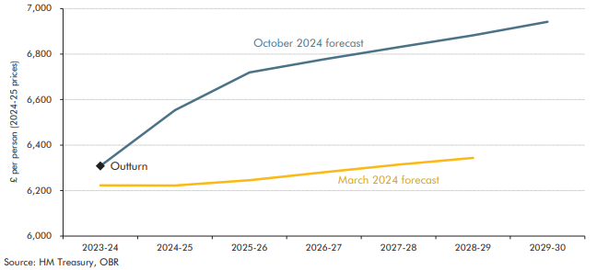

 |  | 2023-24 | 2024-25 | 2025-26 | 2026-27 | 2027-28 | 2028-29 | 2029-30
 | March 2024 forecast | 6223.0 | 6222.3 | 6245.8 | 6280.6 | 6314.6 | 6343.7
 | October 2024 forecast |  | 6553.2 | 6719.2 | 6777.2 | 6830.5 | 6882.3 | 6941.7
 | Outturn | 6308.2

C5.9
Back to contents
 | Chart 5.9: Implied average annual growth in RDEL spending
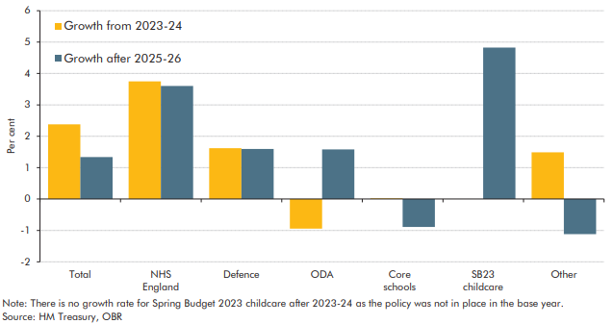

 |  | Growth from 2023-24 | Growth after 2025-26
 | Total | 2.4 | 1.3
 | NHS England | 3.7 | 3.6
 | Defence | 1.6 | 1.6
 | ODA | -0.9 | 1.6
 | Core schools | 0.0 | -0.9
 | SB23 childcare | 0.0 | 4.8
 | Other | 1.5 | -1.1

C5.10
Back to contents
 | Chart 5.10: Special educational needs-related child numbers, spending, and deficits

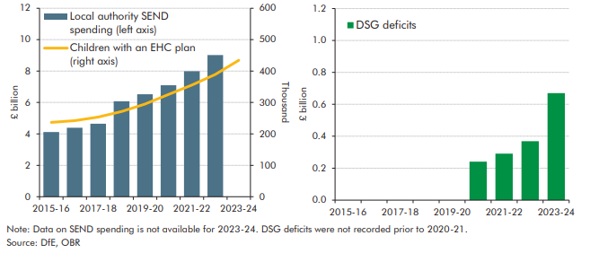

 |  | 2015-16 | 2016-17 | 2017-18 | 2018-19 | 2019-20 | 2020-21 | 2021-22 | 2022-23 | 2023-24
 | DSG deficits | 0.0 | 0.0 | 0.0 | 0.0 | 0.0 | 0.2 | 0.3 | 0.4 | 0.7
 | Local authority SEND spending (left axis) | 4.1 | 4.4 | 4.6 | 6.1 | 6.5 | 7.1 | 8.0 | 9.0 | 0.0
 | Children with an EHC plan (right axis) | 236.8 | 242.2 | 253.7 | 271.2 | 294.8 | 325.6 | 355.6 | 389.2 | 434.4

C5.11
Back to contents
 | Chart 5.11: Debt interest spending relative to GDP and revenues

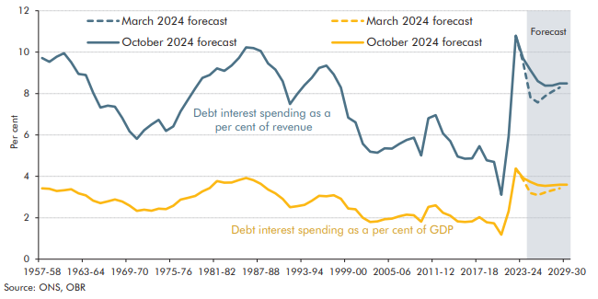

 | Per cent of revenue | October 2024 forecast | March 2024 forecast | Per cent of GDP | October 2024 forecast | March 2024 forecast
 | 1957-58 | 9.7 |  | 1957-58 | 3.4
 | 1958-59 | 9.5 |  | 1958-59 | 3.4
 | 1959-60 | 9.8 |  | 1959-60 | 3.3
 | 1960-61 | 10.0 |  | 1960-61 | 3.3
 | 1961-62 | 9.5 |  | 1961-62 | 3.4
 | 1962-63 | 8.9 |  | 1962-63 | 3.2
 | 1963-64 | 8.9 |  | 1963-64 | 3.1
 | 1964-65 | 8.0 |  | 1964-65 | 2.8
 | 1965-66 | 7.3 |  | 1965-66 | 2.7
 | 1966-67 | 7.4 |  | 1966-67 | 2.8
 | 1967-68 | 7.4 |  | 1967-68 | 2.9
 | 1968-69 | 6.8 |  | 1968-69 | 2.8
 | 1969-70 | 6.2 |  | 1969-70 | 2.6
 | 1970-71 | 5.8 |  | 1970-71 | 2.3
 | 1971-72 | 6.2 |  | 1971-72 | 2.4
 | 1972-73 | 6.5 |  | 1972-73 | 2.3
 | 1973-74 | 6.7 |  | 1973-74 | 2.4
 | 1974-75 | 6.2 |  | 1974-75 | 2.4
 | 1975-76 | 6.4 |  | 1975-76 | 2.6
 | 1976-77 | 7.1 |  | 1976-77 | 2.9
 | 1977-78 | 7.7 |  | 1977-78 | 3.0
 | 1978-79 | 8.2 |  | 1978-79 | 3.0
 | 1979-80 | 8.8 |  | 1979-80 | 3.3
 | 1980-81 | 8.9 |  | 1980-81 | 3.4
 | 1981-82 | 9.2 |  | 1981-82 | 3.8
 | 1982-83 | 9.1 |  | 1982-83 | 3.7
 | 1983-84 | 9.4 |  | 1983-84 | 3.7
 | 1984-85 | 9.7 |  | 1984-85 | 3.8
 | 1985-86 | 10.2 |  | 1985-86 | 3.9
 | 1986-87 | 10.2 |  | 1986-87 | 3.8
 | 1987-88 | 10.1 |  | 1987-88 | 3.6
 | 1988-89 | 9.5 |  | 1988-89 | 3.4
 | 1989-90 | 9.2 |  | 1989-90 | 3.2
 | 1990-91 | 8.6 |  | 1990-91 | 2.9
 | 1991-92 | 7.5 |  | 1991-92 | 2.5
 | 1992-93 | 8.0 |  | 1992-93 | 2.6
 | 1993-94 | 8.4 |  | 1993-94 | 2.6
 | 1994-95 | 8.8 |  | 1994-95 | 2.8
 | 1995-96 | 9.2 |  | 1995-96 | 3.1
 | 1996-97 | 9.3 |  | 1996-97 | 3.0
 | 1997-98 | 8.9 |  | 1997-98 | 3.1
 | 1998-99 | 8.3 |  | 1998-99 | 2.9
 | 1999-00 | 6.8 |  | 1999-00 | 2.4
 | 2000-01 | 6.6 |  | 2000-01 | 2.4
 | 2001-02 | 5.6 |  | 2001-02 | 2.0
 | 2002-03 | 5.2 |  | 2002-03 | 1.8
 | 2003-04 | 5.1 |  | 2003-04 | 1.8
 | 2004-05 | 5.4 |  | 2004-05 | 1.9
 | 2005-06 | 5.3 |  | 2005-06 | 2.0
 | 2006-07 | 5.6 |  | 2006-07 | 2.1
 | 2007-08 | 5.8 |  | 2007-08 | 2.2
 | 2008-09 | 5.9 |  | 2008-09 | 2.1
 | 2009-10 | 5.0 |  | 2009-10 | 1.8
 | 2010-11 | 6.8 |  | 2010-11 | 2.5
 | 2011-12 | 7.0 |  | 2011-12 | 2.6
 | 2012-13 | 6.1 |  | 2012-13 | 2.2
 | 2013-14 | 5.7 |  | 2013-14 | 2.1
 | 2014-15 | 5.0 |  | 2014-15 | 1.8
 | 2015-16 | 4.9 |  | 2015-16 | 1.8
 | 2016-17 | 4.9 |  | 2016-17 | 1.8
 | 2017-18 | 5.5 |  | 2017-18 | 2.0
 | 2018-19 | 4.8 |  | 2018-19 | 1.8
 | 2019-20 | 4.7 |  | 2019-20 | 1.7
 | 2020-21 | 3.1 |  | 2020-21 | 1.2
 | 2021-22 | 5.9 |  | 2021-22 | 2.3
 | 2022-23 | 10.8 |  | 2022-23 | 4.4
 | 2023-24 | 9.7 | 9.5 | 2023-24 | 3.9 | 3.8
 | 2024-25 | 9.1 | 7.8 | 2024-25 | 3.7 | 3.2
 | 2025-26 | 8.6 | 7.6 | 2025-26 | 3.6 | 3.1
 | 2026-27 | 8.4 | 7.9 | 2026-27 | 3.5 | 3.2
 | 2027-28 | 8.4 | 8.1 | 2027-28 | 3.6 | 3.3
 | 2028-29 | 8.5 | 8.3 | 2028-29 | 3.6 | 3.4
 | 2029-30 | 8.5 |  | 2029-30 | 3.6

