C6.1
Back to contents
 | Chart 6.1: Public sector net borrowing
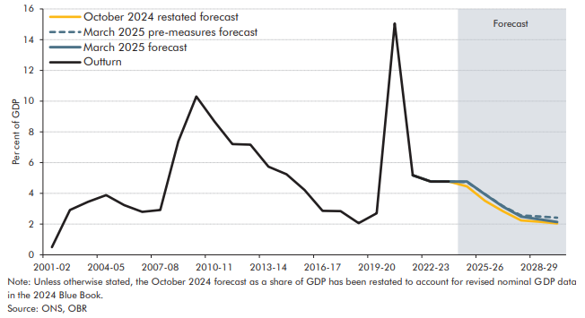

 |  | 2001-02 | 2002-03 | 2003-04 | 2004-05 | 2005-06 | 2006-07 | 2007-08 | 2008-09 | 2009-10 | 2010-11 | 2011-12 | 2012-13 | 2013-14 | 2014-15 | 2015-16 | 2016-17 | 2017-18 | 2018-19 | 2019-20 | 2020-21 | 2021-22 | 2022-23 | 2023-24 | 2024-25 | 2025-26 | 2026-27 | 2027-28 | 2028-29 | 2029-30
 | October 2024 restated forecast |  |  |  |  |  |  |  |  |  |  |  |  |  |  |  |  |  |  |  |  |  |  |  | 4.5 | 3.5 | 2.8 | 2.2 | 2.2 | 2.0
 | March 2025 pre-measures forecast |  |  |  |  |  |  |  |  |  |  |  |  |  |  |  |  |  |  |  |  |  |  |  | 4.7 | 4.0 | 3.2 | 2.6 | 2.5 | 2.4
 | March 2025 forecast |  |  |  |  |  |  |  |  |  |  |  |  |  |  |  |  |  |  |  |  |  |  |  | 4.8 | 3.9 | 3.1 | 2.5 | 2.3 | 2.1
 | Outturn | 0.5 | 2.9 | 3.5 | 3.9 | 3.2 | 2.8 | 2.9 | 7.4 | 10.3 | 8.7 | 7.2 | 7.2 | 5.7 | 5.2 | 4.2 | 2.9 | 2.8 | 2.1 | 2.7 | 15.1 | 5.2 | 4.8 | 4.8

C6.2
Back to contents
 | Chart 6.2: The fall in borrowing as a share of GDP from 2024-25 to 2029-30

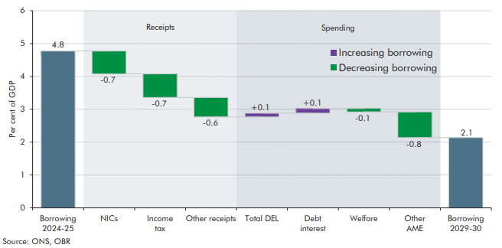

 |  | Level | Change
 | Borrowing 2024-25 | 4.8
 | NICs |  | -0.7
 | Income tax |  | -0.7
 | Other receipts |  | -0.6
 | Total DEL |  | 0.1
 | Debt interest |  | 0.1
 | Welfare |  | -0.1
 | Other AME |  | -0.8
 | Borrowing 2029-30 | 2.1

C6.3
Back to contents
 | Chart 6.3: Public sector net borrowing: changes since October
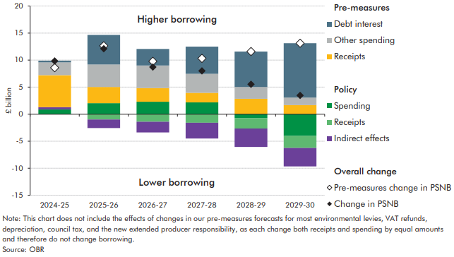

 |  | 2024-25 | 2025-26 | 2026-27 | 2027-28 | 2028-29 | 2029-30
 | Pre-measures debt interest | 0.3 | 5.5 | 3.1 | 5.0 | 6.6 | 10.1
 | Pre-measures other spending | 2.4 | 4.2 | 4.2 | 3.5 | 2.2 | 1.4
 | Pre-measures receipts | 5.9 | 3.0 | 2.5 | 1.8 | 2.8 | 1.7
 | Direct effects of policy: spending | 0.9 | 2.0 | 2.3 | 2.2 | -0.8 | -4.0
 | Direct effects of policy: receipts | -0.1 | -1.0 | -1.4 | -1.6 | -1.9 | -2.2
 | Indirect effects | 0.4 | -1.6 | -2.0 | -2.9 | -3.4 | -3.4
 | Pre-measures change in PSNB | 8.6 | 12.6 | 9.8 | 10.3 | 11.6 | 13.1
 | Change in PSNB | 9.8 | 12.1 | 8.7 | 8.0 | 5.5 | 3.5

C6.A
Back to contents
 | Chart A: Net fiscal saving in 2029-30 from the rise in the state pension age to 67

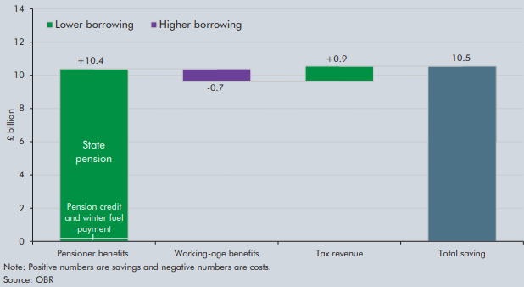

 |  | Change
 | Pensioner benefit | 10.2
 | Working age benefit | 0.7
 | Tax revenue | 0.9
 | Total saving | 10.5

C6.4
Back to contents
 | Chart 6.4: Current budget deficit
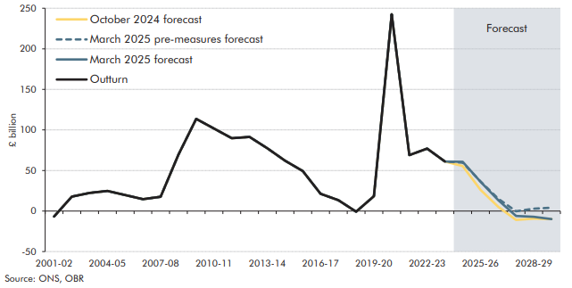

 |  | 2001-02 | 2002-03 | 2003-04 | 2004-05 | 2005-06 | 2006-07 | 2007-08 | 2008-09 | 2009-10 | 2010-11 | 2011-12 | 2012-13 | 2013-14 | 2014-15 | 2015-16 | 2016-17 | 2017-18 | 2018-19 | 2019-20 | 2020-21 | 2021-22 | 2022-23 | 2023-24 | 2024-25 | 2025-26 | 2026-27 | 2027-28 | 2028-29 | 2029-30
 | March 2025 forecast |  |  |  |  |  |  |  |  |  |  |  |  |  |  |  |  |  |  |  |  |  |  |  | 60.7 | 36.1 | 13.4 | -6.0 | -7.1 | -9.9
 | March 2025 pre-measures forecast |  |  |  |  |  |  |  |  |  |  |  |  |  |  |  |  |  |  |  |  |  |  |  | 59.7 | 36.5 | 15.2 | -0.3 | 2.8 | 4.1
 | October 2024 forecast |  |  |  |  |  |  |  |  |  |  |  |  |  |  |  |  |  |  |  |  |  |  |  | 55.5 | 26.2 | 5.2 | -10.9 | -9.3 | -9.9
 | Outturn | -6.9 | 17.8 | 22.4 | 24.7 | 19.7 | 14.6 | 17.6 | 69.4 | 113.7 | 101.7 | 89.8 | 91.4 | 77.3 | 62.2 | 49.4 | 21.2 | 13.4 | -0.8 | 18.3 | 242.6 | 69.0 | 77.0 | 61.1

C6.5
Back to contents
 | Chart 6.5: Current budget deficit: changes since October
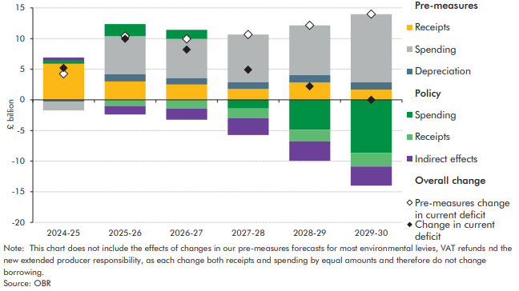

 |  | 2024-25 | 2025-26 | 2026-27 | 2027-28 | 2028-29 | 2029-30
 | Pre-measures receipts | 5.9 | 3.0 | 2.5 | 1.8 | 2.8 | 1.7
 | Pre-measures spending | -1.3 | 6.1 | 6.4 | 7.7 | 8.1 | 11.1
 | Pre-measures depreciation | -0.3 | 1.2 | 1.1 | 1.1 | 1.2 | 1.2
 | Direct effects of policy: spending | 0.5 | 2.0 | 1.5 | -1.4 | -4.9 | -8.6
 | Direct effects of policy: receipts | -0.1 | -1.0 | -1.4 | -1.6 | -1.9 | -2.2
 | Indirect effects | 0.5 | -1.4 | -1.8 | -2.7 | -3.2 | -3.1
 | Pre-measures change in current deficit | 4.2 | 10.4 | 10.0 | 10.7 | 12.2 | 14.0
 | Change in current deficit | 5.2 | 10.0 | 8.2 | 4.9 | 2.2 | 0.0

C6.6
Back to contents
 | Chart 6.6: Forecast of cumulative flows to and from the APF

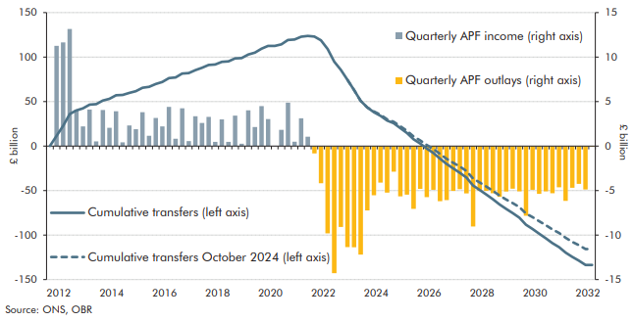

 |  | Quarterly APF income (right axis) | Quarterly APF outlays (right axis) | Cumulative transfers (left axis) | Cumulative transfers October 2024 (left axis)
 | 2012 Q4 | 0.0 |  | 0.0
 | 2013 Q1 | 11.3 |  | 11.3
 | 2013 Q2 | 11.7 |  | 22.9
 | 2013 Q3 | 13.2 |  | 36.1
 | 2013 Q4 | 4.1 |  | 40.2
 | 2014 Q1 | 2.2 |  | 42.4
 | 2014 Q2 | 4.1 |  | 46.5
 | 2014 Q3 | 0.5 |  | 47.0
 | 2014 Q4 | 4.1 |  | 51.1
 | 2015 Q1 | 2.1 |  | 53.1
 | 2015 Q2 | 3.9 |  | 57.0
 | 2015 Q3 | 0.4 |  | 57.4
 | 2015 Q4 | 2.3 |  | 59.7
 | 2016 Q1 | 1.9 |  | 61.6
 | 2016 Q2 | 3.8 |  | 65.4
 | 2016 Q3 | 1.1 |  | 66.6
 | 2016 Q4 | 3.2 |  | 69.8
 | 2017 Q1 | 2.2 |  | 72.0
 | 2017 Q2 | 4.4 |  | 76.4
 | 2017 Q3 | 0.8 |  | 77.2
 | 2017 Q4 | 4.2 |  | 81.4
 | 2018 Q1 | 0.6 |  | 82.0
 | 2018 Q2 | 3.4 |  | 85.3
 | 2018 Q3 | 2.6 |  | 87.9
 | 2018 Q4 | 3.3 |  | 91.2
 | 2019 Q1 | 0.5 |  | 91.7
 | 2019 Q2 | 3.0 |  | 94.7
 | 2019 Q3 | 0.5 |  | 95.1
 | 2019 Q4 | 3.4 |  | 98.6
 | 2020 Q1 | 0.3 |  | 98.8
 | 2020 Q2 | 4.0 |  | 102.8
 | 2020 Q3 | 2.1 |  | 105.0
 | 2020 Q4 | 4.5 |  | 109.4
 | 2021 Q1 | 3.0 |  | 112.5
 | 2021 Q2 | 0.0 |  | 112.5
 | 2021 Q3 | 1.8 |  | 114.3
 | 2021 Q4 | 4.9 |  | 119.2
 | 2022 Q1 | 0.5 |  | 119.7
 | 2022 Q2 | 3.1 |  | 122.8
 | 2022 Q3 | 1.0 |  | 123.9
 | 2022 Q4 |  | -0.8 | 123.0
 | 2023 Q1 |  | -4.2 | 118.8
 | 2023 Q2 |  | -9.8 | 109.0
 | 2023 Q3 |  | -14.3 | 94.7
 | 2023 Q4 |  | -9.1 | 85.6
 | 2024 Q1 |  | -11.4 | 74.3 | 74.3
 | 2024 Q2 |  | -11.4 | 62.9 | 62.9
 | 2024 Q3 |  | -12.2 | 50.7 | 50.7
 | 2024 Q4 |  | -7.2 | 43.5 | 43.5
 | 2025 Q1 |  | -5.5 | 38.0 | 38.9
 | 2025 Q2 |  | -4.1 | 33.9 | 35.1
 | 2025 Q3 |  | -5.2 | 28.6 | 30.1
 | 2025 Q4 |  | -2.9 | 25.8 | 27.3
 | 2026 Q1 |  | -5.6 | 20.1 | 22.1
 | 2026 Q2 |  | -5.5 | 14.7 | 17.2
 | 2026 Q3 |  | -7.1 | 7.6 | 10.7
 | 2026 Q4 |  | -4.8 | 2.8 | 6.4
 | 2027 Q1 |  | -5.7 | -3.0 | 1.2
 | 2027 Q2 |  | -4.9 | -7.9 | -3.2
 | 2027 Q3 |  | -6.2 | -14.1 | -8.8
 | 2027 Q4 |  | -6.1 | -20.2 | -14.4
 | 2028 Q1 |  | -5.0 | -25.2 | -18.8
 | 2028 Q2 |  | -4.8 | -30.0 | -23.1
 | 2028 Q3 |  | -5.3 | -35.4 | -27.9
 | 2028 Q4 |  | -9.0 | -44.4 | -36.4
 | 2029 Q1 |  | -5.0 | -49.5 | -40.9
 | 2029 Q2 |  | -5.0 | -54.5 | -45.5
 | 2029 Q3 |  | -5.3 | -59.8 | -50.3
 | 2029 Q4 |  | -5.7 | -65.5 | -55.5
 | 2030 Q1 |  | -5.1 | -70.6 | -60.2
 | 2030 Q2 |  | -4.8 | -75.4 | -64.2
 | 2030 Q3 |  | -5.1 | -80.5 | -68.6
 | 2030 Q4 |  | -7.8 | -88.3 | -75.7
 | 2031 Q1 |  | -4.9 | -93.2 | -79.9
 | 2031 Q2 |  | -5.4 | -98.6 | -84.5
 | 2031 Q3 |  | -5.1 | -103.7 | -89.0
 | 2031 Q4 |  | -5.3 | -109.0 | -93.6
 | 2032 Q1 |  | -4.6 | -113.6 | -97.7
 | 2032 Q2 |  | -6.2 | -119.8 | -103.2
 | 2032 Q3 |  | -4.7 | -124.5 | -107.6
 | 2032 Q3 |  | -4.7 | -124.5 | -107.6
 | 2032 Q4 |  | -4.3 | -128.7 | -111.4
 | 2033 Q1 |  | -4.9 | -133.6 | -115.7
 | 2033 Q2 |  | -0.1 | -133.7 | -115.7

C6.7
Back to contents
 | Chart 6.7: UK gilt issuance

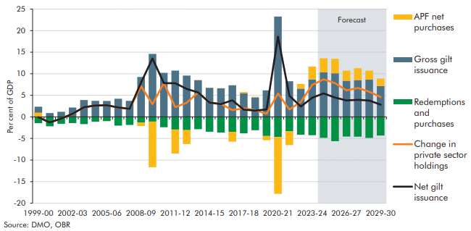

 |  | 1999-00 | 2000-01 | 2001-02 | 2002-03 | 2003-04 | 2004-05 | 2005-06 | 2006-07 | 2007-08 | 2008-09 | 2009-10 | 2010-11 | 2011-12 | 2012-13 | 2013-14 | 2014-15 | 2015-16 | 2016-17 | 2017-18 | 2018-19 | 2019-20 | 2020-21 | 2021-22 | 2022-23 | 2023-24 | 2024-25 | 2025-26 | 2026-27 | 2027-28 | 2028-29 | 2029-30
 | APF net purchases | 0.0 | 0.0 | 0.0 | 0.0 | 0.0 | 0.0 | 0.0 | 0.0 | 0.0 | -0.8 | -10.6 | 0.0 | -5.6 | -3.2 | 0.0 | 0.0 | 0.0 | -2.3 | 0.3 | 0.1 | -1.0 | -13.2 | -3.2 | 1.1 | 3.0 | 3.3 | 3.3 | 2.3 | 2.8 | 2.1 | 1.7
 | Gross gilt issuance | 1.4 | 0.9 | 1.2 | 2.2 | 3.9 | 3.7 | 3.7 | 4.2 | 3.7 | 9.3 | 14.6 | 10.2 | 10.7 | 9.6 | 8.5 | 6.7 | 6.6 | 7.3 | 5.5 | 4.5 | 6.2 | 23.3 | 8.3 | 6.6 | 8.7 | 10.3 | 10.1 | 8.4 | 8.5 | 8.7 | 7.2
 | Redemptions and purchases | -1.5 | -2.2 | -1.6 | -1.4 | -1.7 | -1.1 | -1.0 | -2.0 | -1.9 | -1.3 | -1.1 | -2.4 | -2.9 | -3.1 | -2.9 | -3.4 | -3.6 | -3.5 | -3.8 | -3.1 | -4.4 | -4.7 | -3.4 | -4.1 | -4.3 | -4.9 | -5.6 | -4.6 | -4.6 | -4.9 | -4.3
 | Change in private sector holdings | -0.1 | -1.3 | -0.4 | 0.7 | 2.2 | 2.6 | 2.7 | 2.2 | 1.9 | 7.1 | 2.9 | 7.8 | 2.2 | 3.3 | 5.7 | 3.3 | 3.0 | 1.6 | 2.0 | 1.6 | 0.7 | 5.4 | 1.7 | 3.5 | 7.4 | 8.7 | 7.8 | 6.2 | 6.7 | 5.9 | 4.6
 | Net gilt issuance | -0.1 | -1.3 | -0.4 | 0.7 | 2.2 | 2.6 | 2.7 | 2.2 | 1.9 | 7.9 | 13.5 | 7.8 | 7.8 | 6.5 | 5.7 | 3.3 | 3.0 | 3.9 | 1.7 | 1.5 | 1.7 | 18.6 | 4.9 | 2.4 | 4.4 | 5.5 | 4.5 | 3.8 | 3.9 | 3.8 | 2.8

C6.B
Back to contents
 | Chart B: Gilt issuance by maturity and average maturity of the gilt stock

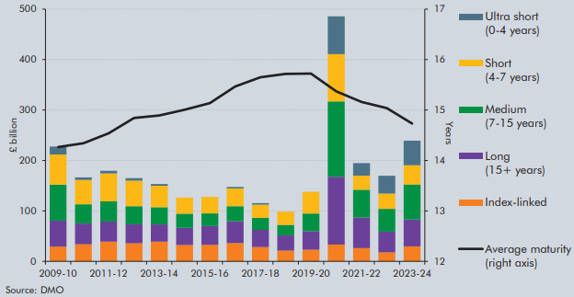

 | Date | 2009-10 | 2010-11 | 2011-12 | 2012-13 | 2013-14 | 2014-15 | 2015-16 | 2016-17 | 2017-18 | 2018-19 | 2019-20 | 2020-21 | 2021-22 | 2022-23 | 2023-24
 | Ultra short (0-4 years) | 15.7 | 4.8 | 5.1 | 5.0 | 3.5 | 0.0 | 0.0 | 3.1 | 3.1 | 0.0 | 0.0 | 75.0 | 24.7 | 35.1 | 48.4
 | Short (4-7 years) | 59.7 | 48.3 | 55.5 | 50.8 | 42.6 | 31.9 | 32.6 | 35.3 | 26.2 | 26.2 | 43.0 | 93.7 | 28.0 | 30.2 | 38.3
 | Medium (7-15 years) | 71.3 | 38.1 | 40.1 | 36.0 | 34.0 | 28.2 | 25.0 | 29.5 | 23.8 | 21.2 | 35.2 | 149.5 | 55.2 | 45.4 | 69.2
 | Long (15+ years) | 51.6 | 41.1 | 39.7 | 37.5 | 34.3 | 34.1 | 37.2 | 43.6 | 34.0 | 29.9 | 36.6 | 134.2 | 60.4 | 41.1 | 53.5
 | Index-linked | 29.3 | 34.0 | 39.0 | 35.9 | 39.0 | 32.3 | 32.8 | 36.2 | 28.5 | 21.4 | 23.1 | 33.4 | 26.3 | 17.7 | 29.7
 | Average maturity | 14.3 | 14.3 | 14.5 | 14.8 | 14.9 | 15.0 | 15.1 | 15.5 | 15.6 | 15.7 | 15.7 | 15.4 | 15.2 | 15.0 | 14.7

C6.8
Back to contents
 | Chart 6.8: Public sector net debt and public sector net debt ex Bank of England

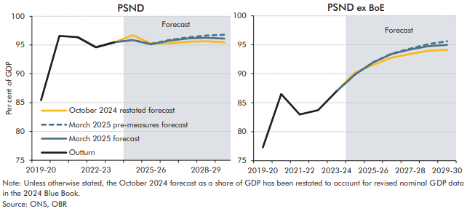

 | PSND | 2019-20 | 2020-21 | 2021-22 | 2022-23 | 2023-24 | 2024-25 | 2025-26 | 2026-27 | 2027-28 | 2028-29 | 2029-30
 | October 2024 restated forecast |  |  |  |  |  | 96.7 | 95.3 | 95.3 | 95.6 | 95.7 | 95.5
 | March 2025 pre-measures forecast |  |  |  |  |  | 95.9 | 95.2 | 95.9 | 96.3 | 96.6 | 96.8
 | March 2025 forecast |  |  |  |  |  | 95.9 | 95.1 | 95.8 | 96.1 | 96.3 | 96.1
 | Outturn | 85.4 | 96.6 | 96.4 | 94.6 | 95.5

 | PSND ex BoE | 2019-20 | 2020-21 | 2021-22 | 2022-23 | 2023-24 | 2024-25 | 2025-26 | 2026-27 | 2027-28 | 2028-29 | 2029-30
 | October 2024 restated forecast |  |  |  |  |  | 90.2 | 91.5 | 92.8 | 93.4 | 94.0 | 94.1
 | March 2025 pre-measures forecast |  |  |  |  |  | 89.9 | 92.0 | 93.5 | 94.3 | 95.1 | 95.6
 | March 2025 forecast |  |  |  |  |  | 89.9 | 92.0 | 93.4 | 94.2 | 94.8 | 95.0
 | Outturn | 77.3 | 86.5 | 83.0 | 83.7 | 87.0

C6.9
Back to contents
 | Chart 6.9: Public sector net financial liabilities
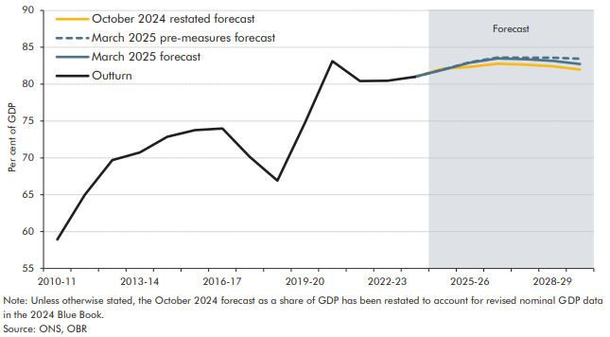

 |  | 2010-11 | 2011-12 | 2012-13 | 2013-14 | 2014-15 | 2015-16 | 2016-17 | 2017-18 | 2018-19 | 2019-20 | 2020-21 | 2021-22 | 2022-23 | 2023-24 | 2024-25 | 2025-26 | 2026-27 | 2027-28 | 2028-29 | 2029-30
 | October 2024 restated forecast |  |  |  |  |  |  |  |  |  |  |  |  |  |  | 82.1 | 82.3 | 82.8 | 82.7 | 82.4 | 82.0
 | March 2025 pre-measures forecast |  |  |  |  |  |  |  |  |  |  |  |  |  |  | 82.0 | 83.0 | 83.6 | 83.6 | 83.6 | 83.4
 | March 2025 forecast |  |  |  |  |  |  |  |  |  |  |  |  |  |  | 81.9 | 82.9 | 83.5 | 83.4 | 83.2 | 82.7
 | Outturn | 58.9 | 65.0 | 69.7 | 70.7 | 72.9 | 73.8 | 74.0 | 70.1 | 66.9 | 74.8 | 83.1 | 80.4 | 80.5 | 81.0

C6.10
Back to contents
 | Chart 6.10: Four measures of the public sector balance sheet
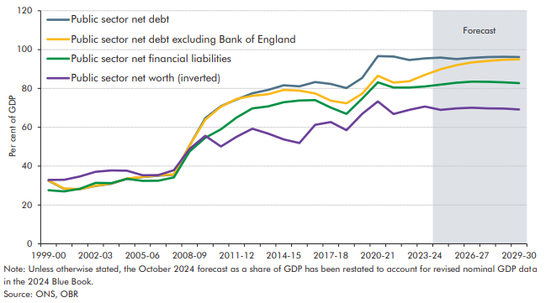

 |  | 1999-00 | 2000-01 | 2001-02 | 2002-03 | 2003-04 | 2004-05 | 2005-06 | 2006-07 | 2007-08 | 2008-09 | 2009-10 | 2010-11 | 2011-12 | 2012-13 | 2013-14 | 2014-15 | 2015-16 | 2016-17 | 2017-18 | 2018-19 | 2019-20 | 2020-21 | 2021-22 | 2022-23 | 2023-24 | 2024-25 | 2025-26 | 2026-27 | 2027-28 | 2028-29 | 2029-30
 | Public sector net debt | 32.5 | 28.3 | 28.1 | 29.8 | 30.9 | 33.5 | 34.3 | 35.1 | 35.6 | 50.6 | 64.7 | 70.9 | 74.3 | 77.5 | 79.2 | 81.6 | 81.1 | 83.3 | 82.3 | 80.2 | 85.4 | 96.6 | 96.4 | 94.6 | 95.5 | 95.9 | 95.1 | 95.8 | 96.1 | 96.3 | 96.1
 | Public sector net debt excluding Bank of England | 32.6 | 28.4 | 28.2 | 29.9 | 31.0 | 33.6 | 34.5 | 35.3 | 35.8 | 50.6 | 63.9 | 70.6 | 74.6 | 76.2 | 77.0 | 79.2 | 78.9 | 77.4 | 73.7 | 72.3 | 77.3 | 86.5 | 83.0 | 83.7 | 87.0 | 89.9 | 92.0 | 93.4 | 94.2 | 94.8 | 95.0
 | Public sector net financial liabilities | 27.6 | 27.0 | 28.4 | 31.4 | 31.2 | 33.4 | 32.4 | 32.4 | 34.2 | 47.5 | 54.6 | 58.9 | 65.0 | 69.7 | 70.7 | 72.9 | 73.8 | 74.0 | 70.1 | 66.9 | 74.8 | 83.1 | 80.5 | 80.5 | 81.0 | 81.9 | 82.9 | 83.5 | 83.4 | 83.2 | 82.7
 | Public sector net worth (inverted) | 32.9 | 33.0 | 34.6 | 37.1 | 37.8 | 37.6 | 35.3 | 35.4 | 37.9 | 48.9 | 55.6 | 50.1 | 55.1 | 59.2 | 56.7 | 53.7 | 51.9 | 61.2 | 62.7 | 58.5 | 66.9 | 73.3 | 66.8 | 69.0 | 70.6 | 68.9 | 69.7 | 70.0 | 69.7 | 69.6 | 69.1

