C1.1
Back to contents
 | Chart 1.1: Real GDP growth and trend productivity level

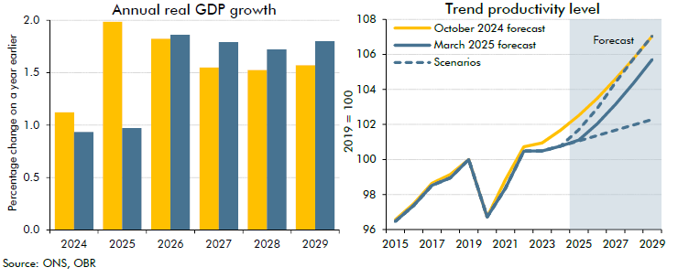

 | Annual real GDP growth | October 2024 forecast | March 2025 forecast | Level | October 2024 forecast | March 2025 forecast | High scenario | Low scenario
 | 2024 | 1.1 | 0.9 | 2015 | 96.6 | 96.5 | 96.5 | 96.5
 | 2025 | 2.0 | 1.0 | 2016 | 97.5 | 97.4 | 97.4 | 97.4
 | 2026 | 1.8 | 1.9 | 2017 | 98.6 | 98.5 | 98.5 | 98.5
 | 2027 | 1.5 | 1.8 | 2018 | 99.1 | 99.0 | 99.0 | 99.0
 | 2028 | 1.5 | 1.7 | 2019 | 100.0 | 100.0 | 100.0 | 100.0
 | 2029 | 1.6 | 1.8 | 2020 | 96.7 | 96.7 | 96.7 | 96.7
 |  |  |  | 2021 | 98.8 | 98.4 | 98.4 | 98.4
 |  |  |  | 2022 | 100.7 | 100.5 | 100.5 | 100.5
 |  |  |  | 2023 | 101.0 | 100.5 | 100.5 | 100.5
 |  |  |  | 2024 | 101.7 | 100.8 | 100.8 | 100.8
 |  |  |  | 2025 | 102.5 | 101.1 | 101.7 | 101.1
 |  |  |  | 2026 | 103.5 | 102.0 | 102.9 | 101.4
 |  |  |  | 2027 | 104.6 | 103.1 | 104.4 | 101.7
 |  |  |  | 2028 | 105.8 | 104.4 | 105.8 | 102.0
 |  |  |  | 2029 | 107.1 | 105.7 | 107.1 | 102.3

C1.2
Back to contents
 | Chart 1.2: Gilt yields and CPI inflation

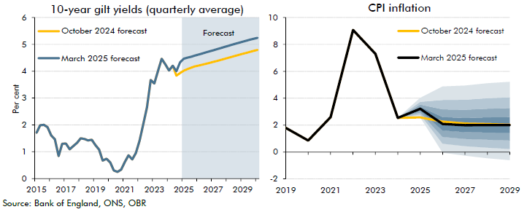

 | 10-year gilt yields | March 2025 forecast | October 2024 forecast | CPI inflation | October 2024 forecast | March 2025 forecast | 0.1 | 0.2 | 0.3 | 0.4 | 0.5 | 0.6 | 0.7 | 0.8 | 0.9
 | 2015Q1 | 1.7 | 1.7 | 2019 | 1.8 | 1.8 | 1.8
 | 2015Q2 | 2.0 | 2.0 | 2020 | 0.9 | 0.9 | 0.9
 | 2015Q3 | 2.0 | 2.0 | 2021 | 2.6 | 2.6 | 2.6
 | 2015Q4 | 1.9 | 1.9 | 2022 | 9.1 | 9.1 | 9.1
 | 2016Q1 | 1.6 | 1.6 | 2023 | 7.3 | 7.3 | 7.3
 | 2016Q2 | 1.5 | 1.5 | 2024 | 2.5 | 2.5 | 2.5
 | 2016Q3 | 0.8 | 0.8 | 2025 | 2.6 | 3.2 | 2.6 | 0.2 | 0.2 | 0.1 | 0.1 | 0.1 | 0.2 | 0.2 | 0.3
 | 2016Q4 | 1.3 | 1.3 | 2026 | 2.3 | 2.1 | -0.1 | 0.7 | 0.5 | 0.5 | 0.5 | 0.5 | 0.6 | 0.7 | 1.0
 | 2017Q1 | 1.3 | 1.3 | 2027 | 2.1 | 2.0 | -0.3 | 0.7 | 0.5 | 0.5 | 0.5 | 0.5 | 0.6 | 0.7 | 1.1
 | 2017Q2 | 1.1 | 1.1 | 2028 | 2.1 | 2.0 | -0.5 | 0.8 | 0.6 | 0.5 | 0.5 | 0.6 | 0.6 | 0.8 | 1.1
 | 2017Q3 | 1.2 | 1.2 | 2029 | 2.0 | 2.0 | -0.6 | 0.8 | 0.6 | 0.6 | 0.6 | 0.6 | 0.7 | 0.8 | 1.1
 | 2017Q4 | 1.3 | 1.3
 | 2018Q1 | 1.5 | 1.5
 | 2018Q2 | 1.5 | 1.5
 | 2018Q3 | 1.4 | 1.4
 | 2018Q4 | 1.4 | 1.4
 | 2019Q1 | 1.3 | 1.3
 | 2019Q2 | 1.1 | 1.1
 | 2019Q3 | 0.7 | 0.7
 | 2019Q4 | 0.7 | 0.7
 | 2020Q1 | 0.6 | 0.6
 | 2020Q2 | 0.3 | 0.3
 | 2020Q3 | 0.3 | 0.3
 | 2020Q4 | 0.3 | 0.3
 | 2021Q1 | 0.6 | 0.6
 | 2021Q2 | 0.9 | 0.9
 | 2021Q3 | 0.7 | 0.7
 | 2021Q4 | 1.0 | 1.0
 | 2022Q1 | 1.4 | 1.4
 | 2022Q2 | 2.0 | 2.0
 | 2022Q3 | 2.7 | 2.7
 | 2022Q4 | 3.7 | 3.7
 | 2023Q1 | 3.5 | 3.5
 | 2023Q2 | 4.0 | 4.0
 | 2023Q3 | 4.5 | 4.5
 | 2023Q4 | 4.3 | 4.3
 | 2024Q1 | 4.0 | 4.0
 | 2024Q2 | 4.2 | 4.2
 | 2024Q3 | 4.0 | 3.8
 | 2024Q4 | 4.3 | 3.9
 | 2025Q1 | 4.5 | 4.0
 | 2025Q2 | 4.5 | 4.1
 | 2025Q3 | 4.5 | 4.1
 | 2025Q4 | 4.6 | 4.2
 | 2026Q1 | 4.6 | 4.2
 | 2026Q2 | 4.7 | 4.2
 | 2026Q3 | 4.7 | 4.3
 | 2026Q4 | 4.7 | 4.3
 | 2027Q1 | 4.8 | 4.3
 | 2027Q2 | 4.8 | 4.4
 | 2027Q3 | 4.9 | 4.4
 | 2027Q4 | 4.9 | 4.5
 | 2028Q1 | 4.9 | 4.5
 | 2028Q2 | 5.0 | 4.5
 | 2028Q3 | 5.0 | 4.6
 | 2028Q4 | 5.1 | 4.6
 | 2029Q1 | 5.1 | 4.6
 | 2029Q2 | 5.1 | 4.7
 | 2029Q3 | 5.2 | 4.7
 | 2029Q4 | 5.2 | 4.8
 | 2030Q1 | 5.2 | 4.8

C1.3
Back to contents
 | Chart 1.3: Net additions to the UK housing stock

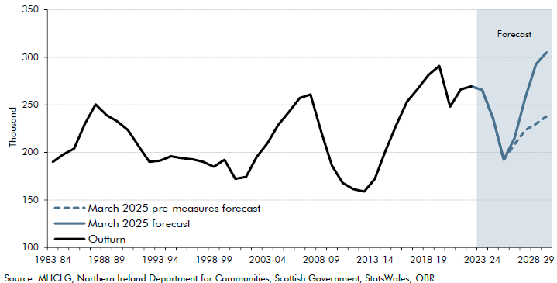

 |  | March 2025 forecast | March 2025 pre-measures forecast
 | 1983-84 | 190.0
 | 1984-85 | 198.0
 | 1985-86 | 204.0
 | 1986-87 | 230.0
 | 1987-88 | 250.5
 | 1988-89 | 239.2
 | 1989-90 | 232.7
 | 1990-91 | 223.6
 | 1991-92 | 206.6
 | 1992-93 | 190.2
 | 1993-94 | 191.3
 | 1994-95 | 196.0
 | 1995-96 | 194.0
 | 1996-97 | 192.8
 | 1997-98 | 190.1
 | 1998-99 | 184.9
 | 1999-00 | 192.2
 | 2000-01 | 172.2
 | 2001-02 | 174.2
 | 2002-03 | 195.3
 | 2003-04 | 209.8
 | 2004-05 | 228.8
 | 2005-06 | 242.6
 | 2006-07 | 257.2
 | 2007-08 | 260.9
 | 2008-09 | 222.2
 | 2009-10 | 186.3
 | 2010-11 | 168.0
 | 2011-12 | 161.3
 | 2012-13 | 158.9
 | 2013-14 | 172.0
 | 2014-15 | 201.8
 | 2015-16 | 229.0
 | 2016-17 | 253.4
 | 2017-18 | 266.9
 | 2018-19 | 281.4
 | 2019-20 | 291.0
 | 2020-21 | 248.0
 | 2021-22 | 266.2
 | 2022-23 | 269.5
 | 2023-24 | 265.4 | 265.4
 | 2024-25 | 236.1 | 236.1
 | 2025-26 | 192.1 | 192.1
 | 2026-27 | 215.0 | 208.4
 | 2027-28 | 257.0 | 223.2
 | 2028-29 | 292.6 | 230.0
 | 2029-30 | 305.2 | 238.1

C1.4
Back to contents
 | Chart 1.4: Public sector net borrowing: changes since October

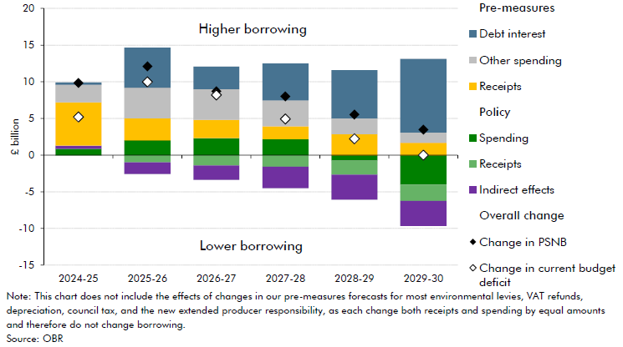

 |  | 2024-25 | 2025-26 | 2026-27 | 2027-28 | 2028-29 | 2029-30
 | Change in current budget deficit | 5.2 | 10.0 | 8.2 | 4.9 | 2.2 | 0.0
 | Change in PSNB | 9.8 | 12.1 | 8.7 | 8.0 | 5.5 | 3.5
 | Policy: spending | 0.9 | 2.0 | 2.3 | 2.2 | -0.8 | -4.0
 | Policy: receipts | -0.1 | -1.0 | -1.4 | -1.6 | -1.9 | -2.2
 | Indirect effects | 0.4 | -1.6 | -2.0 | -2.9 | -3.4 | -3.4
 | Pre-measures: receipts | 5.9 | 3.0 | 2.5 | 1.8 | 2.8 | 1.7
 | Pre-measures: other spending | 2.4 | 4.2 | 4.2 | 3.5 | 2.2 | 1.4
 | Pre-measures: debt interest | 0.3 | 5.5 | 3.1 | 5.0 | 6.6 | 10.1

C1.5
Back to contents
 | Chart 1.5: Public sector net borrowing

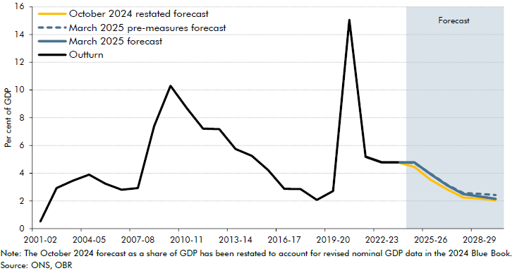

 |  | 2001-02 | 2002-03 | 2003-04 | 2004-05 | 2005-06 | 2006-07 | 2007-08 | 2008-09 | 2009-10 | 2010-11 | 2011-12 | 2012-13 | 2013-14 | 2014-15 | 2015-16 | 2016-17 | 2017-18 | 2018-19 | 2019-20 | 2020-21 | 2021-22 | 2022-23 | 2023-24 | 2024-25 | 2025-26 | 2026-27 | 2027-28 | 2028-29 | 2029-30
 | October 2024 restated forecast |  |  |  |  |  |  |  |  |  |  |  |  |  |  |  |  |  |  |  |  |  |  |  | 4.5 | 3.5 | 2.8 | 2.2 | 2.2 | 2.0
 | March 2025 pre-measures forecast |  |  |  |  |  |  |  |  |  |  |  |  |  |  |  |  |  |  |  |  |  |  |  | 4.7 | 4.0 | 3.2 | 2.6 | 2.5 | 2.4
 | March 2025 forecast |  |  |  |  |  |  |  |  |  |  |  |  |  |  |  |  |  |  |  |  |  |  |  | 4.8 | 3.9 | 3.1 | 2.5 | 2.3 | 2.1
 | Outturn | 0.5 | 2.9 | 3.5 | 3.9 | 3.2 | 2.8 | 2.9 | 7.4 | 10.3 | 8.7 | 7.2 | 7.2 | 5.7 | 5.2 | 4.2 | 2.9 | 2.8 | 2.1 | 2.7 | 15.1 | 5.2 | 4.8 | 4.8

C1.6
Back to contents
 | Chart 1.6: National Accounts taxes as a share of GDP

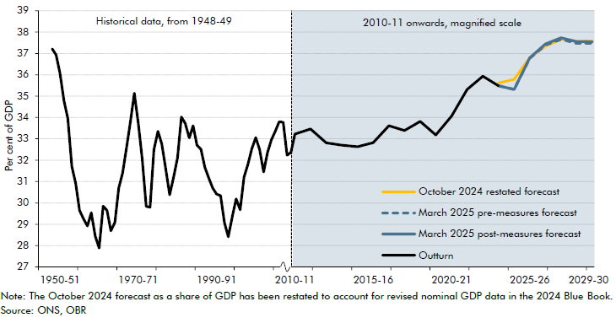

 |  | Outturn | October 2024 restated forecast | March 2025 pre-measures forecast | March 2025 post-measures forecast
 | 1948-49 | 37.2
 | 1949-50 | 36.9
 | 1950-51 | 36.1
 | 1951-52 | 34.8
 | 1952-53 | 34.0
 | 1953-54 | 31.7
 | 1954-55 | 30.9
 | 1955-56 | 29.6
 | 1956-57 | 29.3
 | 1957-58 | 28.9
 | 1958-59 | 29.5
 | 1959-60 | 28.4
 | 1960-61 | 27.9
 | 1961-62 | 29.8
 | 1962-63 | 29.6
 | 1963-64 | 28.7
 | 1964-65 | 29.1
 | 1965-66 | 30.7
 | 1966-67 | 31.4
 | 1967-68 | 32.6
 | 1968-69 | 33.8
 | 1969-70 | 35.1
 | 1970-71 | 33.7
 | 1971-72 | 32.1
 | 1972-73 | 29.8
 | 1973-74 | 29.8
 | 1974-75 | 32.5
 | 1975-76 | 33.4
 | 1976-77 | 32.8
 | 1977-78 | 31.6
 | 1978-79 | 30.4
 | 1979-80 | 31.2
 | 1980-81 | 32.1
 | 1981-82 | 34.0
 | 1982-83 | 33.7
 | 1983-84 | 33.0
 | 1984-85 | 33.6
 | 1985-86 | 32.7
 | 1986-87 | 32.5
 | 1987-88 | 31.7
 | 1988-89 | 31.2
 | 1989-90 | 30.7
 | 1990-91 | 30.4
 | 1991-92 | 30.3
 | 1992-93 | 29.1
 | 1993-94 | 28.4
 | 1994-95 | 29.4
 | 1995-96 | 30.2
 | 1996-97 | 29.7
 | 1997-98 | 31.2
 | 1998-99 | 31.8
 | 1999-00 | 32.5
 | 2000-01 | 33.1
 | 2001-02 | 32.5
 | 2002-03 | 31.4
 | 2003-04 | 32.4
 | 2004-05 | 32.9
 | 2005-06 | 33.4
 | 2006-07 | 33.8
 | 2007-08 | 33.8
 | 2008-09 | 32.2
 | 2009-10 | 32.4
 | 2010-11 | 33.2
 | 2011-12 | 33.5
 | 2012-13 | 32.8
 | 2013-14 | 32.7
 | 2014-15 | 32.6
 | 2015-16 | 32.8
 | 2016-17 | 33.6
 | 2017-18 | 33.4
 | 2018-19 | 33.8
 | 2019-20 | 33.2
 | 2020-21 | 34.1
 | 2021-22 | 35.3
 | 2022-23 | 35.9
 | 2023-24 | 35.5 | 35.6 | 35.5 | 35.5
 | 2024-25 |  | 35.8 | 35.3 | 35.3
 | 2025-26 |  | 36.8 | 36.8 | 36.8
 | 2026-27 |  | 37.3 | 37.4 | 37.4
 | 2027-28 |  | 37.7 | 37.7 | 37.7
 | 2028-29 |  | 37.6 | 37.5 | 37.5
 | 2029-30 |  | 37.6 | 37.5 | 37.5

C1.7
Back to contents
 | Chart 1.7: Public spending as a share of GDP

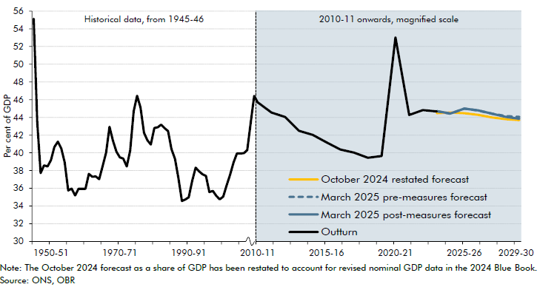

 | Year | Outturn | October 2024 restated forecast | March 2025 pre-measures forecast | March 2025 post-measures forecast
 | 1945-46 | 55.1
 | 1946-47 | 43.5
 | 1947-48 | 37.7
 | 1948-49 | 38.6
 | 1949-50 | 38.5
 | 1950-51 | 39.2
 | 1951-52 | 40.6
 | 1952-53 | 41.3
 | 1953-54 | 40.5
 | 1954-55 | 38.9
 | 1955-56 | 35.8
 | 1956-57 | 36.0
 | 1957-58 | 35.2
 | 1958-59 | 36.0
 | 1959-60 | 35.9
 | 1960-61 | 35.9
 | 1961-62 | 37.6
 | 1962-63 | 37.3
 | 1963-64 | 37.3
 | 1964-65 | 37.0
 | 1965-66 | 38.5
 | 1966-67 | 40.0
 | 1967-68 | 42.9
 | 1968-69 | 41.4
 | 1969-70 | 40.1
 | 1970-71 | 39.5
 | 1971-72 | 39.4
 | 1972-73 | 38.5
 | 1973-74 | 40.3
 | 1974-75 | 44.7
 | 1975-76 | 46.5
 | 1976-77 | 45.1
 | 1977-78 | 42.3
 | 1978-79 | 41.4
 | 1979-80 | 40.9
 | 1980-81 | 42.8
 | 1981-82 | 42.9
 | 1982-83 | 43.2
 | 1983-84 | 42.8
 | 1984-85 | 42.5
 | 1985-86 | 40.4
 | 1986-87 | 39.3
 | 1987-88 | 37.2
 | 1988-89 | 34.6
 | 1989-90 | 34.7
 | 1990-91 | 35.0
 | 1991-92 | 36.9
 | 1992-93 | 38.3
 | 1993-94 | 37.9
 | 1994-95 | 37.6
 | 1995-96 | 37.4
 | 1996-97 | 35.6
 | 1997-98 | 35.7
 | 1998-99 | 35.2
 | 1999-00 | 34.8
 | 2000-01 | 35.1
 | 2001-02 | 36.3
 | 2002-03 | 37.6
 | 2003-04 | 38.9
 | 2004-05 | 39.9
 | 2005-06 | 39.9
 | 2006-07 | 40.0
 | 2007-08 | 40.3
 | 2008-09 | 43.5
 | 2009-10 | 46.4
 | 2010-11 | 45.7
 | 2011-12 | 44.6
 | 2012-13 | 44.0
 | 2013-14 | 42.5
 | 2014-15 | 42.0
 | 2015-16 | 41.2
 | 2016-17 | 40.4
 | 2017-18 | 40.0
 | 2018-19 | 39.5
 | 2019-20 | 39.6
 | 2020-21 | 53.0
 | 2021-22 | 44.3
 | 2022-23 | 44.8
 | 2023-24 | 44.7 | 44.7
 | 2024-25 |  | 44.6 | 44.4 | 44.4
 | 2025-26 |  | 44.5 | 45.0 | 45.0
 | 2026-27 |  | 44.3 | 44.8 | 44.8
 | 2027-28 |  | 44.0 | 44.4 | 44.4
 | 2028-29 |  | 43.8 | 44.2 | 44.1
 | 2029-30 |  | 43.7 | 44.1 | 43.9

C1.8
Back to contents
 | Chart 1.8: Measures of public sector debt

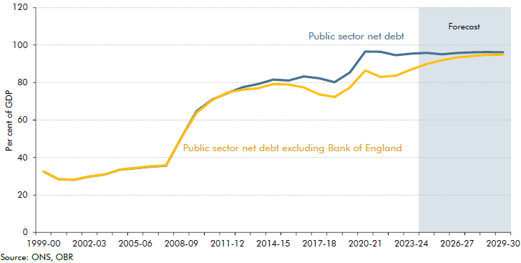

 | Date | 1999-00 | 2000-01 | 2001-02 | 2002-03 | 2003-04 | 2004-05 | 2005-06 | 2006-07 | 2007-08 | 2008-09 | 2009-10 | 2010-11 | 2011-12 | 2012-13 | 2013-14 | 2014-15 | 2015-16 | 2016-17 | 2017-18 | 2018-19 | 2019-20 | 2020-21 | 2021-22 | 2022-23 | 2023-24 | 2024-25 | 2025-26 | 2026-27 | 2027-28 | 2028-29 | 2029-30
 | Public sector net debt | 32.5 | 28.3 | 28.1 | 29.8 | 30.9 | 33.5 | 34.3 | 35.1 | 35.6 | 50.6 | 64.7 | 70.9 | 74.3 | 77.5 | 79.2 | 81.6 | 81.1 | 83.3 | 82.3 | 80.2 | 85.4 | 96.6 | 96.4 | 94.6 | 95.5 | 95.9 | 95.1 | 95.8 | 96.1 | 96.3 | 96.1
 | Public sector net debt excluding Bank of England | 32.6 | 28.4 | 28.2 | 29.9 | 31.0 | 33.6 | 34.5 | 35.3 | 35.8 | 50.6 | 63.9 | 70.6 | 74.6 | 76.2 | 77.0 | 79.2 | 78.9 | 77.4 | 73.7 | 72.3 | 77.3 | 86.5 | 83.0 | 83.7 | 87.0 | 89.9 | 92.0 | 93.4 | 94.2 | 94.8 | 95.0

C1.9
Back to contents
 | Chart 1.9: Current budget deficit fan chart and changes in headroom

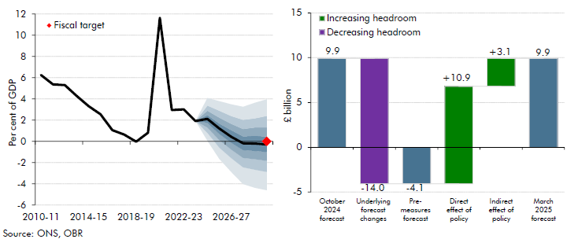

 | Current budget deficit | March 2025 forecast | 10th Percentile | 20th Percentile | 30th Percentile | 40th Percentile | 50th Percentile | 60th Percentile | 70th Percentile | 80th Percentile | 90th Percentile | Fiscal target | Current budget headrooom | £ billion
 | 2010-11 | 6.2 |  |  |  |  |  |  |  |  |  |  | October 2024 forecast | 9.9
 | 2011-12 | 5.4 |  |  |  |  |  |  |  |  |  |  | Underlying forecast changes | 14.0
 | 2012-13 | 5.3 |  |  |  |  |  |  |  |  |  |  | Pre-measures forecast | -4.1
 | 2013-14 | 4.3 |  |  |  |  |  |  |  |  |  |  | Direct effect of policy | 10.9
 | 2014-15 | 3.3 |  |  |  |  |  |  |  |  |  |  | Indirect effect of policy | 3.1
 | 2015-16 | 2.6 |  |  |  |  |  |  |  |  |  |  | March 2025 forecast | 9.9
 | 2016-17 | 1.1
 | 2017-18 | 0.6
 | 2018-19 | 0.0
 | 2019-20 | 0.8
 | 2020-21 | 11.6
 | 2021-22 | 2.9
 | 2022-23 | 3.0
 | 2023-24 | 1.9
 | 2024-25 | 2.1 | 0.1 | 0.8 | 1.3 | 1.7 | 2.1 | 2.5 | 2.9 | 3.4 | 4.1
 | 2025-26 | 1.2 | -1.6 | -0.6 | 0.1 | 0.7 | 1.2 | 1.7 | 2.2 | 2.9 | 3.8
 | 2026-27 | 0.4 | -2.9 | -1.6 | -0.8 | -0.1 | 0.4 | 1.0 | 1.6 | 2.4 | 3.5
 | 2027-28 | -0.2 | -4.0 | -2.4 | -1.6 | -0.8 | -0.2 | 0.5 | 1.2 | 2.0 | 3.2
 | 2028-29 | -0.2 | -4.4 | -2.7 | -1.7 | -0.9 | -0.2 | 0.5 | 1.3 | 2.2 | 3.6
 | 2029-30 | -0.3 | -4.6 | -2.9 | -1.8 | -1.0 | -0.3 | 0.4 | 1.3 | 2.4 | 4.0 | 0.0

 | Correction on 09 April 2025: In the published Economic and fiscal outlook: March 2025 an error in the pasting of the percentile data was found. We have made this correction to the highlighted cells above.

C1.10
Back to contents
 | Chart 1.10: Net financial liabilities fan chart and changes in headroom

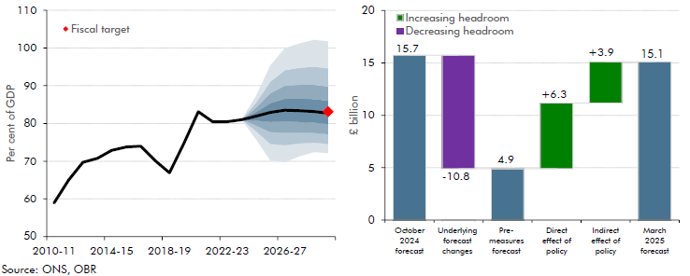

 | Public sector net liabilities | March 2025 forecast | 10th Percentile | 20th Percentile | 30th Percentile | 40th Percentile | 50th Percentile | 60th Percentile | 70th Percentile | 80th Percentile | 90th Percentile | Fiscal target | PSNFL headroom | £ billion
 | 2010-11 | 58.9 |  |  |  |  |  |  |  |  |  |  | October 2024 forecast | 15.7
 | 2011-12 | 65.0 |  |  |  |  |  |  |  |  |  |  | Underlying forecast changes | -10.8
 | 2012-13 | 69.7 |  |  |  |  |  |  |  |  |  |  | Pre-measures forecast | 4.9
 | 2013-14 | 70.7 |  |  |  |  |  |  |  |  |  |  | Direct effect of policy | 6.3
 | 2014-15 | 72.9 |  |  |  |  |  |  |  |  |  |  | Indirect effect of policy | 3.9
 | 2015-16 | 73.8 |  |  |  |  |  |  |  |  |  |  | March 2025 forecast | 15.1
 | 2016-17 | 74.0
 | 2017-18 | 70.1
 | 2018-19 | 66.9
 | 2019-20 | 74.8
 | 2020-21 | 83.1
 | 2021-22 | 80.4
 | 2022-23 | 80.5
 | 2023-24 | 81.0
 | 2024-25 | 81.9 | 75.8 | 2.2 | 1.5 | 1.3 | 1.2 | 1.1 | 1.2 | 1.3 | 1.8
 | 2025-26 | 82.9 | 70.2 | 4.4 | 3.2 | 2.7 | 2.5 | 2.5 | 2.6 | 3.1 | 4.3
 | 2026-27 | 83.5 | 69.8 | 4.5 | 3.3 | 3.0 | 3.0 | 3.1 | 3.4 | 4.1 | 5.8
 | 2027-28 | 83.4 | 71.3 | 3.4 | 2.9 | 2.9 | 3.0 | 3.2 | 3.6 | 4.5 | 6.5
 | 2028-29 | 83.2 | 72.4 | 2.5 | 2.6 | 2.7 | 2.9 | 3.3 | 3.8 | 4.8 | 7.1
 | 2029-30 | 82.7 | 72.1 | 2.4 | 2.5 | 2.7 | 2.9 | 3.3 | 3.8 | 4.8 | 7.2 | 83.2

