DRAFT PLAN
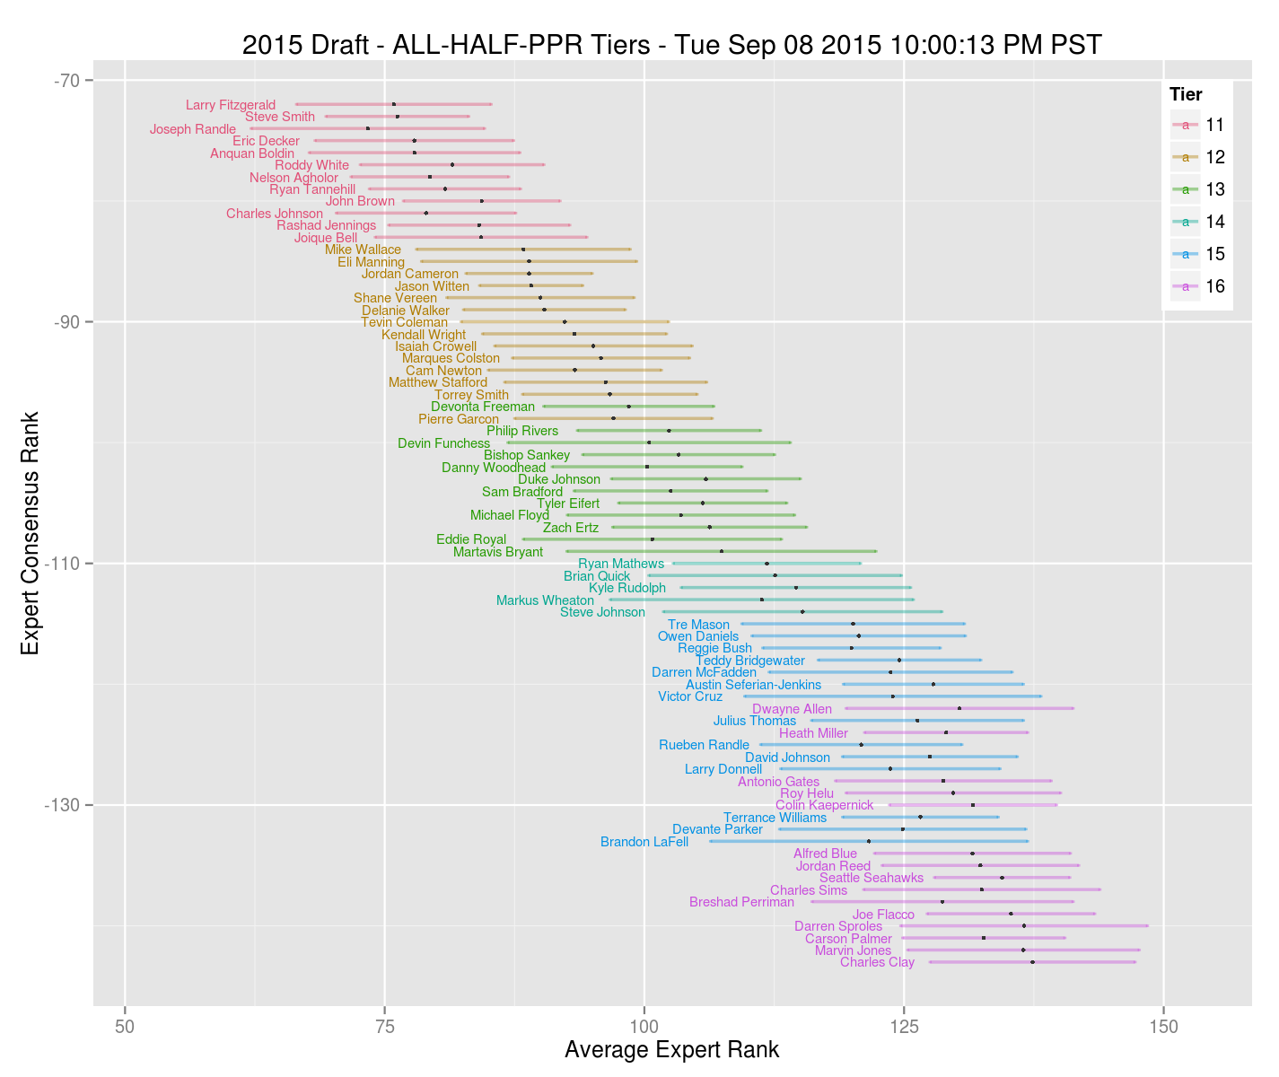
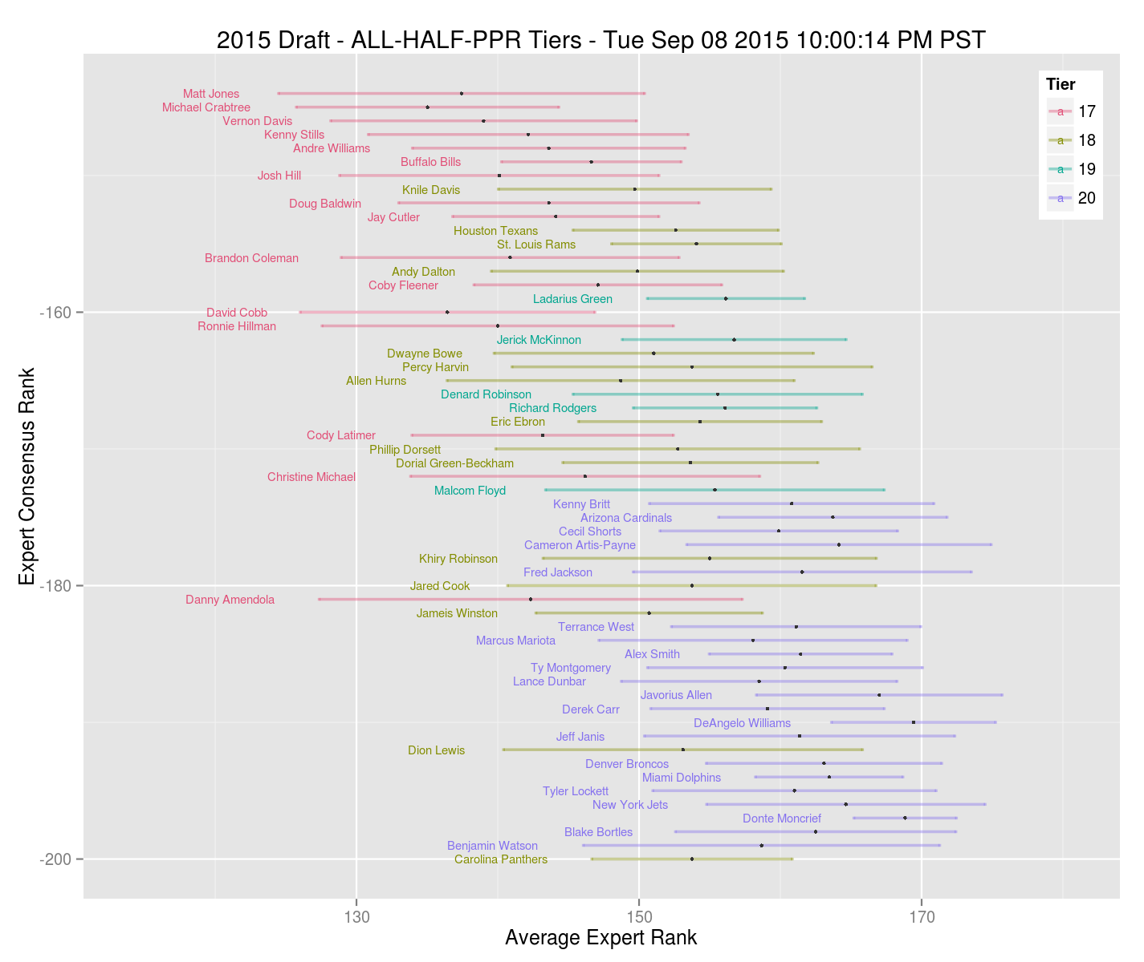
playername | position | team | vor | points | overallECR | overallRank | positionRank | dropoff | AAV | upper | lower | risk | COST |  |  |  | Andrew | Jeff | Steve F | Steve C | Craig | John N | John L | Nathan
Andrew Luck | QB | IND | 66.3 | 327.2 | 20 | 21 | 1 | 15.5 | 39.9 | 340.4 | 304.6 | 5.1 | $46 | 1 | 24 | QB | 12 | 14 | 9 | 7 | 2 | 11 | 30 | 41
Aaron Rodgers | QB | GB | 61.2 | 322.1 | 25 | 24 | 2 | 28.7 | 42.3 | 339.8 | 288.1 | 5.3 | $49 |  |  | RB | 59 | 87 | 132 | 96 | 144 | 93 | 68 | 95
Russell Wilson | QB | SEA | 40.3 | 301.2 | 42 | 34 | 3 | 18.5 | 25.2 | 319.6 | 285.4 | 3.8 | $25 |  |  | WR | 125 | 95 | 55 | 95 | 35 | 79 | 64 | 47
Peyton Manning | QB | DEN | 24.7 | 285.6 | 46 | 52 | 4 | 11.3 | 22.5 | 299.9 | 270.9 | 3.1 | $23 |  |  | DST | 1 | 2 | 1 | 1 | 2 | 1 | 3 | 1
 |  |  |  |  |  |  |  |  |  |  |  |  |  |  |  | K | 1 | 2 | 1 | 1 | 1 | 1 | 2 | 1
playername | position | team | vor | points | overallECR | overallRank | positionRank | dropoff | AAV | upper | lower | risk | COST |  |  | Bench
Antonio Brown | WR | PIT | 129.7 | 280.2 | 6 | 2 | 1 | 20.8 | 50.5 | 299.0 | 260.3 | 5.2 | $58 | 2 | 100 | Bench
Demaryius Thomas | WR | DEN | 112.5 | 263.0 | 11 | 5 | 2 | 7.6 | 45.1 | 276.2 | 243.2 | 5.5 | $52 |  |  | Bench
Julio Jones | WR | ATL | 105.2 | 255.7 | 10 | 7 | 3 | 1.0 | 42.4 | 282.3 | 231.1 | 8.3 | $49 |  |  | Bench
Odell Beckham | WR | NYG | 104.7 | 255.2 | 12 | 8 | 4 | 4.9 | 43.7 | 277.0 | 211.6 | 8.8 | $50 |  |  | Bench
Dez Bryant | WR | DAL | 103.8 | 254.2 | 7 | 9 | 5 | 13.1 | 47.2 | 270.3 | 229.6 | 5.4 | $54 |  |  |  | 2 | 0 | 2 | 0 | 16 | 15 | 33 | 15
Calvin Johnson | WR | DET | 95.7 | 246.2 | 14 | 13 | 6 | 14.1 | 42.9 | 268.7 | 221.8 | 7.3 | $49
Randall Cobb | WR | GB | 85.6 | 236.1 | 18 | 15 | 7 | 13.4 | 35.2 | 251.5 | 217.1 | 5.5 | $40 |  |  |  | Andrew | Jeff | Steve F | Steve C | Craig | John N | John L | Nathan
A.J. Green | WR | CIN | 77.7 | 228.2 | 17 | 17 | 8 | 13.3 | 36.9 | 244.8 | 197.8 | 7.6 | $42 |  |  | QB | 1 | 2 | 1 | 1 | 1 | 1 | 1 | 2
Alshon Jeffery | WR | CHI | 66.6 | 217.1 | 22 | 20 | 9 | 5.6 | 32.8 | 239.8 | 184.0 | 5.4 | $38 |  |  | RB | 4 | 5 | 6 | 4 | 4 | 6 | 3 | 5
Julian Edelman | WR | NE | 37.6 | 188.1 | 50 | 39 | 16 | 5.5 | 16.1 | 196.6 | 172.2 | 6.9 | $16 | 1 | 13 | WR | 6 | 4 | 3 | 6 | 6 | 4 | 5 | 3
Brandon Marshall | WR | NYJ | 25.7 | 176.2 | 45 | 48 | 20 | 0.6 | 11.7 | 188.3 | 162.3 | 4.0 | $12 |  |  | DST | 1 | 1 | 1 | 1 | 1 | 1 | 1 | 1
Jeremy Maclin | WR | KC | 24.8 | 175.3 | 52 | 51 | 23 | 3.7 | 10.0 | 189.7 | 158.3 | 4.3 | $10 |  |  | K | 1 | 1 | 1 | 1 | 1 | 1 | 1 | 1
Golden Tate | WR | DET | 35.3 | 185.8 | 51 | 40 | 17 | 7.1 | 14.2 | 207.2 | 164.8 | 4.1 | $14
DeSean Jackson | WR | WAS | 27.5 | 177.9 | 54 | 45 | 19 | 2.0 | 14.0 | 206.2 | 159.0 | 6.0 | $14
Rob Gronkowski | TE | NE | 93.6 | 222.9 | 8 | 14 | 1 | 52.0 | 46.3 | 250.1 | 187.1 | 8.1 | $53
Jimmy Graham | TE | SEA | 48.5 | 177.8 | 35 | 29 | 2 | 18.1 | 27.0 | 203.0 | 155.1 | 6.9 | $31

ONE STUD AND ONE VALUE OR TWO VALUES - See how things go w/ WR. Sacrifice budget at QB if necessary.
playername | position | team | vor | points | overallECR | overallRank | positionRank | dropoff | AAV | upper | lower | risk | COST
Jamaal Charles | RB | KC | 117.2 | 262.7 | 3 | 3 | 2 | 4.1 | 52.5 | 282.3 | 242.0 | 6.1 | $60 | 2 | 56 | pos | budget | player |  |  |  |  |  |  | actual
Eddie Lacy | RB | GB | 115.1 | 260.5 | 4 | 4 | 3 | 8.5 | 52.8 | 268.3 | 244.8 | 7.4 | $61 |  |  | QB | 12 | Russell Wilson |  |  |  |  |  |  | 12
Adrian Peterson | RB | MIN | 111.1 | 256.5 | 1 | 6 | 4 | 10.2 | 53.3 | 269.5 | 232.9 | 5.0 | $61 |  |  | RB1 | 50 | Matt Forte |  |  |  |  |  |  | 50
Matt Forte | RB | CHI | 102.1 | 247.5 | 16 | 10 | 5 | 4.0 | 43.5 | 263.5 | 221.2 | 5.4 | $50 |  |  | RB2 | 7 | Andre Ellington |  |  |  |  |  |  | 7
Marshawn Lynch | RB | SEA | 99.8 | 245.2 | 5 | 11 | 6 | 11.6 | 52.2 | 266.2 | 223.8 | 4.2 | $60 |  |  | RB/WR | 14 | Julian Edelman |  |  |  |  |  |  | 14
C.J. Anderson | RB | DEN | 96.4 | 241.8 | 9 | 12 | 7 | 19.0 | 42.7 | 260.1 | 214.6 | 5.7 | $49 |  |  | WR1 | 53 | Antonio Brown |  |  |  |  |  |  | 53
DeMarco Murray | RB | PHI | 79.9 | 225.3 | 15 | 16 | 8 | 6.7 | 41.8 | 242.5 | 208.3 | 6.0 | $48 |  |  | WR2 | 52 | Demaryius Thomas |  |  |  |  |  |  | 52
Jeremy Hill | RB | CIN | 74.9 | 220.3 | 13 | 18 | 9 | 7.6 | 41.7 | 236.3 | 202.8 | 4.5 | $48 |  |  | DST | 1 | Arizona Cardinals |  |  |  |  |  |  | 1
Justin Forsett | RB | BAL | 71.5 | 216.9 | 23 | 19 | 10 | 12.3 | 29.3 | 229.1 | 198.3 | 4.8 | $34 |  |  | K | 1 | Justin Tucker |  |  |  |  |  |  | 1
LeSean McCoy | RB | BUF | 63.2 | 208.7 | 19 | 22 | 11 | 14.7 | 40.4 | 232.5 | 170.1 | 4.5 | $46 |  |  | Bench | 1 | T.J. Yeldon |  |  |  |  |  |  | 1
Lamar Miller | RB | MIA | 55.2 | 200.6 | 21 | 27 | 12 | 14.0 | 29.4 | 211.4 | 176.9 | 4.5 | $34 |  |  | Bench | 1 | Brandon LaFell |  |  |  |  |  |  | 1
Frank Gore | RB | IND | 41.8 | 187.2 | 26 | 32 | 13 | 1.5 | 23.5 | 208.4 | 150.0 | 4.0 | $23 |  |  | Bench | 1 | Christine Michael |  |  |  |  |  |  | 1
Mark Ingram | RB | NO | 40.6 | 186.0 | 28 | 33 | 14 | 0.9 | 27.9 | 207.2 | 141.5 | 4.8 | $28 |  |  | Bench | 3 | Davante Adams |  |  |  |  |  |  | 3
Latavius Murray | RB | OAK | 40.1 | 185.5 | 34 | 35 | 15 | 1.0 | 19.9 | 202.7 | 156.1 | 6.0 | $20 |  |  | Bench | 2 | Eric Decker |  |  |  |  |  |  | 2
Melvin Gordon | RB | SD | 39.2 | 184.7 | 37 | 36 | 16 | 0.4 | 25.7 | 208.0 | 162.5 | 4.3 | $26 |  |  |  | 2 |  |  |  |  |  |  |  | 2
Andre Ellington | RB | ARI | 39.0 | 184.4 | 44 | 37 | 17 | 2.5 | 13.2 | 210.3 | 160.9 | 7.6 | $13
Carlos Hyde | RB | SF | 38.7 | 184.2 | 38 | 38 | 18 | 7.6 | 20.5 | 212.0 | 157.7 | 6.1 | $21
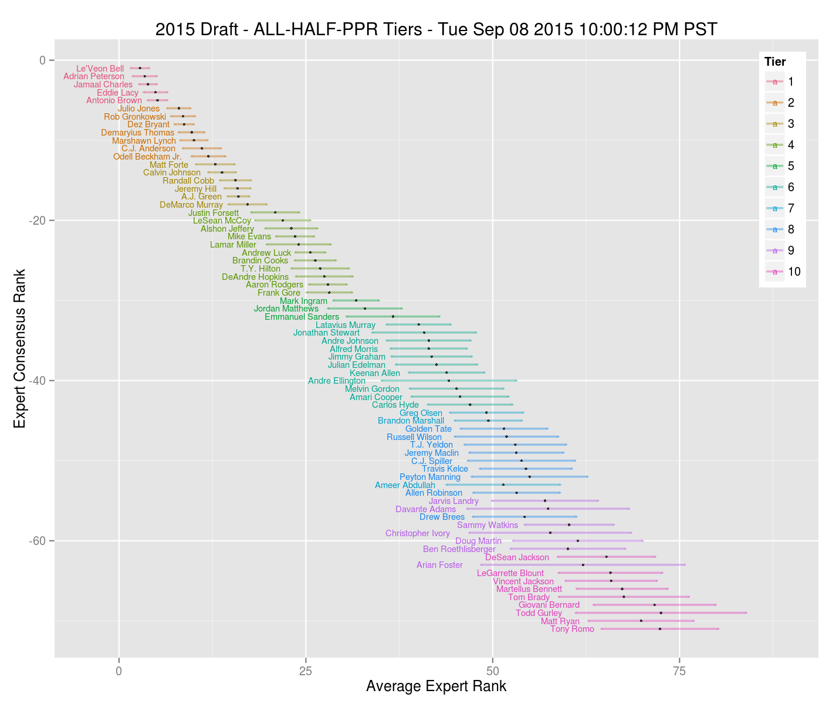
Alfred Morris | RB | WAS | 34.3 | 179.7 | 32 | 42 | 19 | 7.3 | 24.5 | 198.7 | 159.9 | 4.2 | $25
Arian Foster | RB | HOU | 28.0 | 173.4 | 65 | 44 | 20 | 3.8 | 23.2 | 215.5 | 105.9 | 9.6 | $23
Jonathan Stewart | RB | CAR | 26.0 | 171.4 | 36 | 46 | 21 | 5.5 | 18.4 | 186.3 | 138.0 | 6.6 | $18
T.J. Yeldon | RB | JAC | 22.4 | 167.8 | 47 | 54 | 22 | 8.6 | 13.5 | 183.0 | 140.4 | 6.4 | $13
Joseph Randle | RB | DAL | 9.0 | 154.4 | 63 | 63 | 24 | 1.4 | 14.1 | 175.8 | 120.0 | 4.5 | $13
LeGarrette Blount | RB | NE | 8.0 | 153.4 | 56 | 68 | 25 | 0.9 | 8.4 | 169.6 | 107.5 | 4.3 | $8
Ameer Abdullah | RB | DET | 7.2 | 152.7 | 60 | 71 | 26 | 0.7 | 12.0 | 170.8 | 117.1 | 4.7 | $11

playername | position | team | vor | points | overallECR | overallRank | positionRank | dropoff | AAV | upper | lower | risk | COST
Davante Adams | WR | GB | 20.7 | 171.2 | 55 | 56 | 25 | 2.8 | 8.9 | 197.4 | 133.5 | 4.0 | $9
Nelson Agholor | WR | PHI | 0.9 | 151.4 | 75 | 81 | 36 | 1.3 | 6.9 | 167.5 | 134.3 | 6.0 | $6
Devonta Freeman | RB | ATL | -7.9 | 137.6 | 99 | 96 | 32 | 2.9 | 3.5 | 165.5 | 68.5 | 5.5 | $3
Devin Funchess | WR | CAR | -11.2 | 139.3 | 102 | 102 | 43 | 2.4 | 3.1 | 159.1 | 97.5 | 4.7 | $3
Tevin Coleman | RB | ATL | -21.8 | 123.6 | 91 | 122 | 36 | 10.0 | 5.8 | 151.0 | 30.3 | 9.0 | $5
Brandon LaFell | WR | NE | -24.3 | 126.1 | 131 | 131 | 53 | 0.7 | 4.8 | 154.5 | 91.5 | 4.3 | $4
Darren Sproles | RB | PHI | -36.6 | 108.8 | 150 | 161 | 41 | 0.3 | 1.6 | 118.5 | 92.1 | 2.8 | $1
Alfred Blue | RB | HOU | -39.3 | 106.1 | 134 | 170 | 44 | 3.5 | 3.4 | 125.4 | 78.2 | 2.8 | $3
Cameron Artis-Payne | RB | CAR | -93.1 | 52.3 | 184 | 315 | 77 | 0.9 | 0.8 | 68.1 | 4.6 | 1.6 | $1
Christine Michael | RB | SEA | -102.3 | 43.2 | 179 | 350 | 86 | 2.3 | 0.8 | 93.5 | 3.3 | 4.5 | $1
James Jones | WR | NYG | -90.2 | 60.3 | 203 | 301 | 104 | 0.8 | 0.8 | 103.1 | 0.0 | 8.8 | $1

