Original data
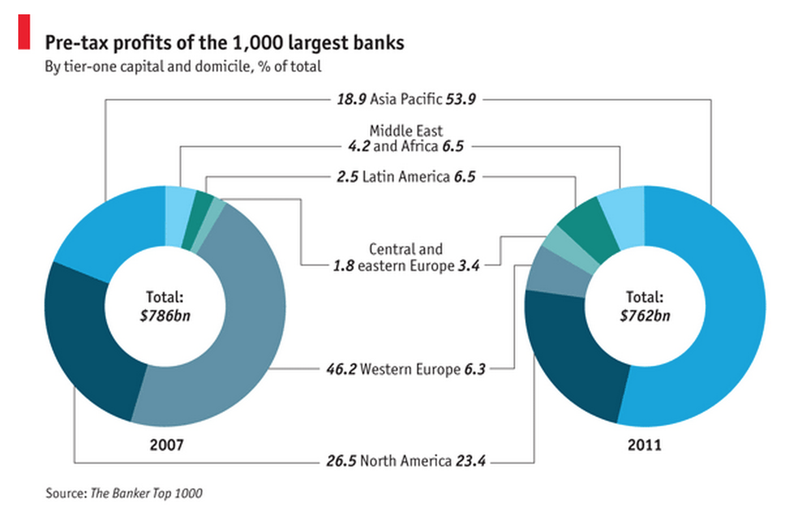
Source: | http://www.economist.com/blogs/graphicdetail/2012/07/daily-chart-0

