Request Prompts
our-3-request-prompts
number | verdict | request-prompt | screenshot
001 |  | Remove the 'Top Stories', 'Trending', 'Lonely Planet', and 'Keeping You Healthy' editorial sections completely, leaving only the main local weather conditions card and the weather map. | 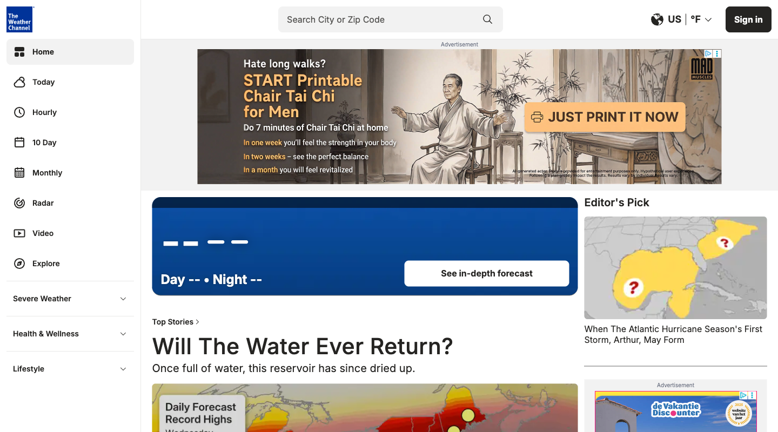
002 | no data | Incorporate a large video carousel directly below the 'Current Conditions' card showcasing the latest national climate news and environmental feature videos.
003 | unclear | Modify the 'Current Conditions' card to display a condensed 5-day forecast inline so I do not have to click through to a separate 'Today' or '10 Day' page.
004 | no data | Add a prominent horizontal category bar just under the main header displaying direct links to 'Travel', 'Science & Space', 'Health', and 'Pets' sections to facilitate seamless browsing.
005 | unrealistic | Completely hide the 'Sponsored Content' (Taboola feed), 'Product Reviews & Deals' list, and all advertisement slots like 'WX_MidLeader' and the sidebar banners.
006 |  | Redesign the 'Product Reviews & Deals' module in the sidebar to be a wider, more visually rich grid format in the main content column to make it easier to browse outdoor gear recommendations.
007 | interaction | Add an option to replace video preview boxes in news grids with text summaries, and disable or hide the autoplaying video player area. | 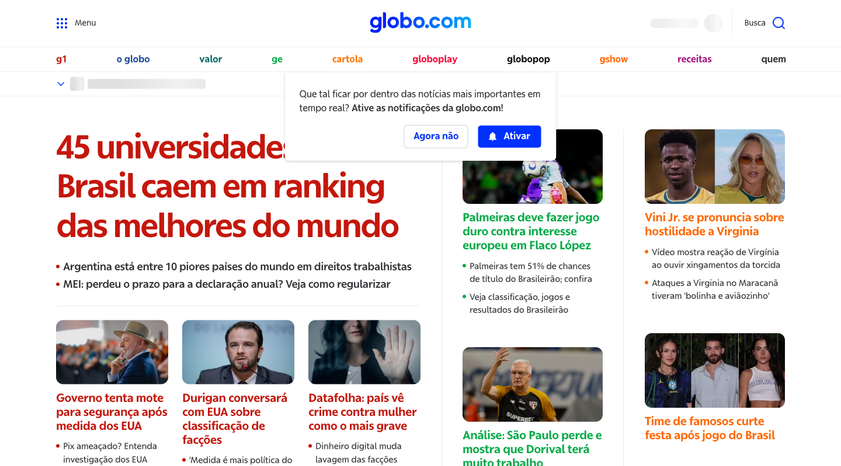
008 |  | Move the video-only section ('Vídeos em alta hoje') to the very top of the page, directly below the header, and make the player take up more screen space.
009 | unclear | Include more interactive widgets in the side columns, such as permanent transit alerts and extended local weather cards, alongside the existing finance and horoscope widgets.
010 |  | Introduce a layout toggle to collapse the multi-column layout into a single, clean vertical feed of chronological headlines, completely hiding the side columns, economy table, and horoscope widgets.
011 |  | Add a filter menu that allows me to completely hide the Entertainment column ('Entretenimento'), the horoscope widget, and celebrity gossip stories from my home page.
012 |  | Promote pop culture and lifestyle content by placing the Entertainment column ('Entretenimento') and the reality TV video updates at the top left of the page layout, ahead of the hard news columns.
013 |  | Move the 'Shorts' grid shelves to the very top of the search results page, above the standard video results, so I can immediately access quick-form clips. | 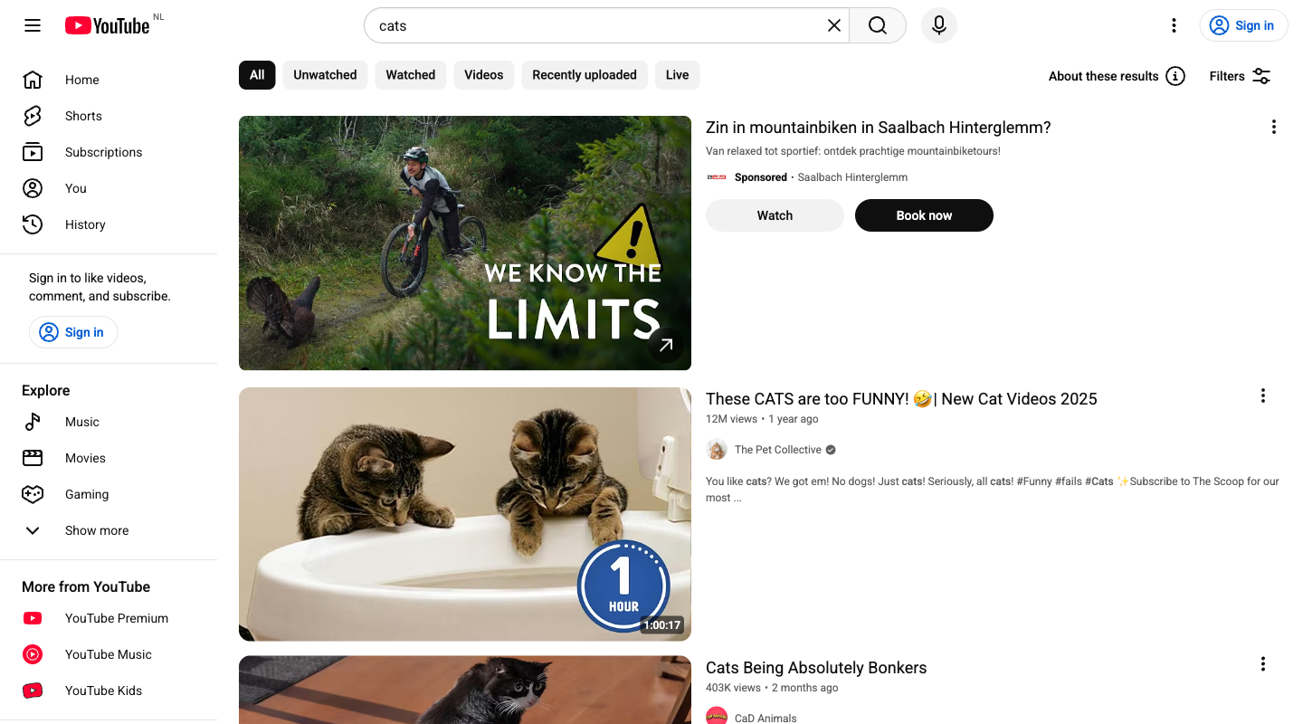
014 |  | Hide the 'Shorts' grid shelves and sections entirely from the search results feed so I only see standard, long-form videos.
015 |  | Keep the search filters panel persistently open on the side of the page rather than hiding it behind a 'Filters' button, and add more advanced filtering chips.
016 |  | Remove the top chip-bar (All, Unwatched, Watched, etc.) and the 'Filters' button completely to maximize the vertical screen space dedicated to the default search results.
017 |  | Add direct 'Subscribe' and 'Add to Playlist' action buttons directly on each video item's metadata area in the search results so I do not have to open the three-dot action menu.
018 |  | Remove the 'Sign in to like videos, comment, and subscribe' promo box from the left navigation drawer and the top right header since I do not wish to log in.
019 | no data | Highlight and add a dedicated section or tab right under the main product image showing how this laptop works and syncs with other Galaxy devices like smartphones and tablets. | 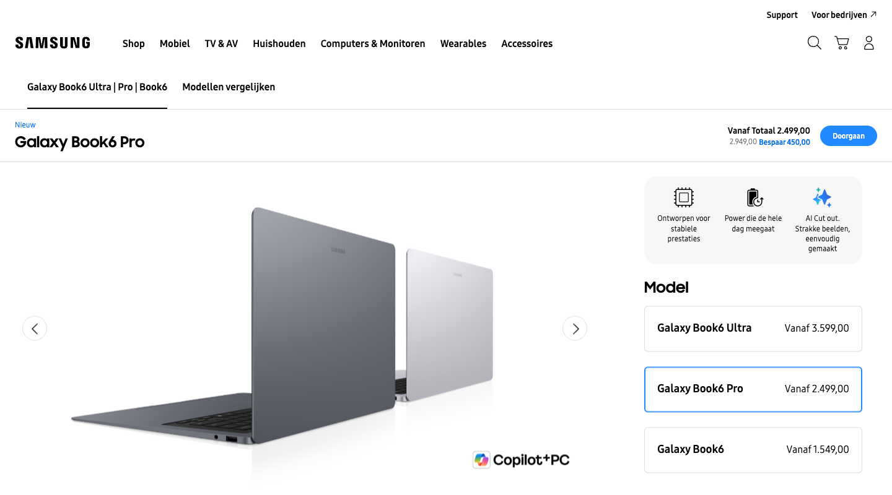
020 |  | De-emphasize the ecosystem and brand-specific marketing banners and bring the raw hardware specs and direct price breakdown higher up on the page.
021 | unrealistic | Add clear badges or cards near the main purchase section highlighting exclusive official manufacturer perks like direct warranty options, official support channels, and official accessories.
022 | no data | Include a price-comparison or retailer-matching widget near the buy button showing options to buy from trusted third-party retail partners with their respective loyalty points or discounts.
023 |  | Add a prominent, expandable 'Compare detailed specifications' matrix directly next to the configuration selector, allowing me to view exact component details and benchmarks side-by-side.
024 | no data | Simplify the configuration selector by showing pre-built model recommendations based on use cases (like 'Everyday Use' or 'Creative Professional') instead of making me choose individual RAM and storage specs.
025 | content edit | Add a prominent, structured 'Event Schedule & Info' box at the top of the article detailing exact rescheduled times, locations, and direct links to official procedure PDFs. | 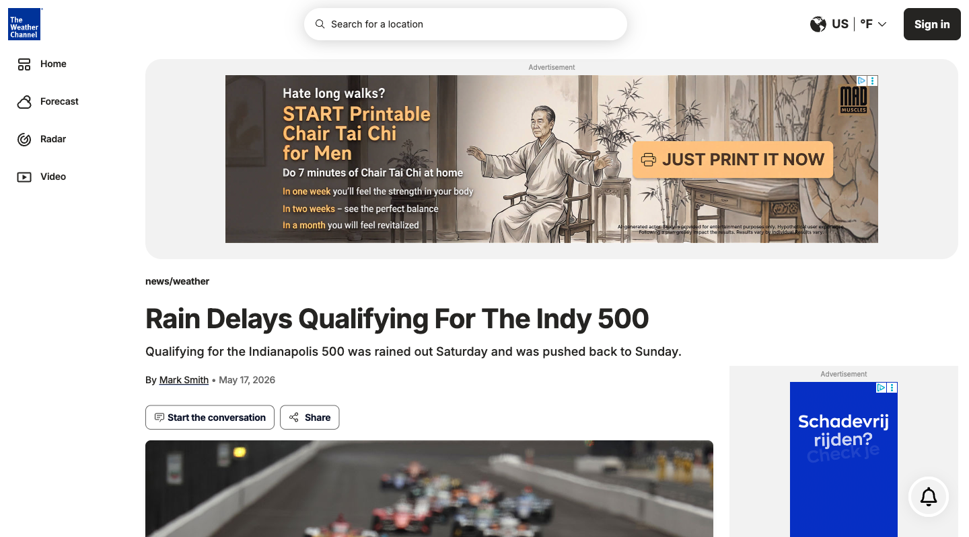
026 | content edit | Insert a brief, high-level summary paragraph or bulleted 'Key Takeaways' section right below the article subheadline to explain the general weather impact without requiring me to read technical sports details.
027 |  | Remove social media embeds, such as the inline Twitter/X post, and the comment/reaction widgets from the article entirely, leaving only verified editorial text and meteorological charts.
028 |  | Move the comments and reactions section from the very bottom of the page up to a prominent position right beneath the article headline to prioritize real-time community feedback.
029 |  | Hide all advertisement containers, sponsored recommendation grids like the Taboola feed, and the sticky sidebar ad slot to create a distraction-free, single-column reading layout.
030 |  | Reposition and expand the sponsored content and trending stories widget into a wider, multi-column layout on the right sidebar so I can easily browse related and sponsored articles while reading.
031 | unrealistic | Make the video player the dominant visual element at the very top of the page, and ensure it auto-plays immediately so I don't have to scroll or click to start watching. | 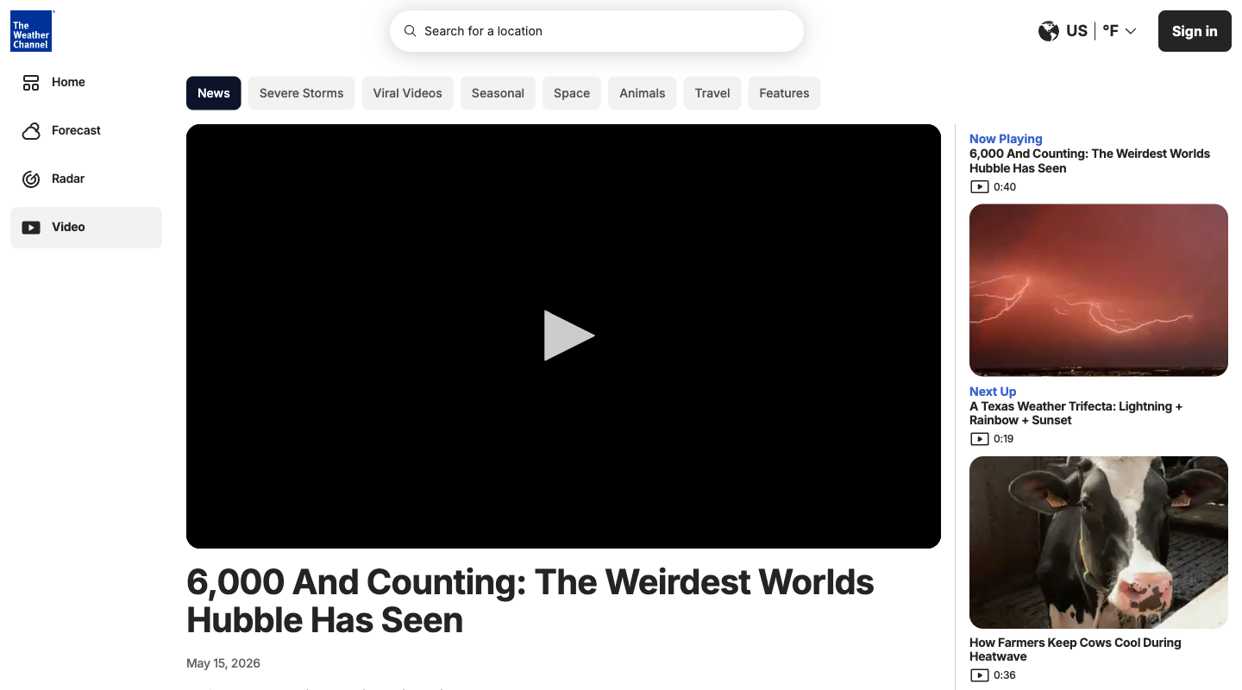
032 | no data | Provide a full text transcript or a detailed article directly beneath the video player, instead of just a one-sentence video description, so I can read the details at my own pace.
033 |  | Add highly visible category tags (like 'Space', 'Astronomy', 'Exoplanets') right under the headline, linking to dedicated curation pages, so I can easily dive deeper into my niche interests.
034 |  | Move the current weather conditions, forecast tabs, and interactive radar widget to the very top of the main content column above the video, so I can see utility weather info instantly without distractions.
035 |  | Integrate the 'Sponsored Content' Taboola card grid seamlessly with the native 'Trending' and 'Home & Garden' video feeds, using matching card styles to make browsing recommended content feel unified.
036 | unrealistic | Completely remove the massive 'Sponsored Content' Taboola feed and the sidebar advertisement units (like the WX_Top300Small banner slot) to create a clean, distraction-free environment focused entirely on the video.
037 |  | Remove the top horizontal scroll bar of keyword suggestion pills so that the masonry grid can start immediately and maximize the endless scrolling area. | 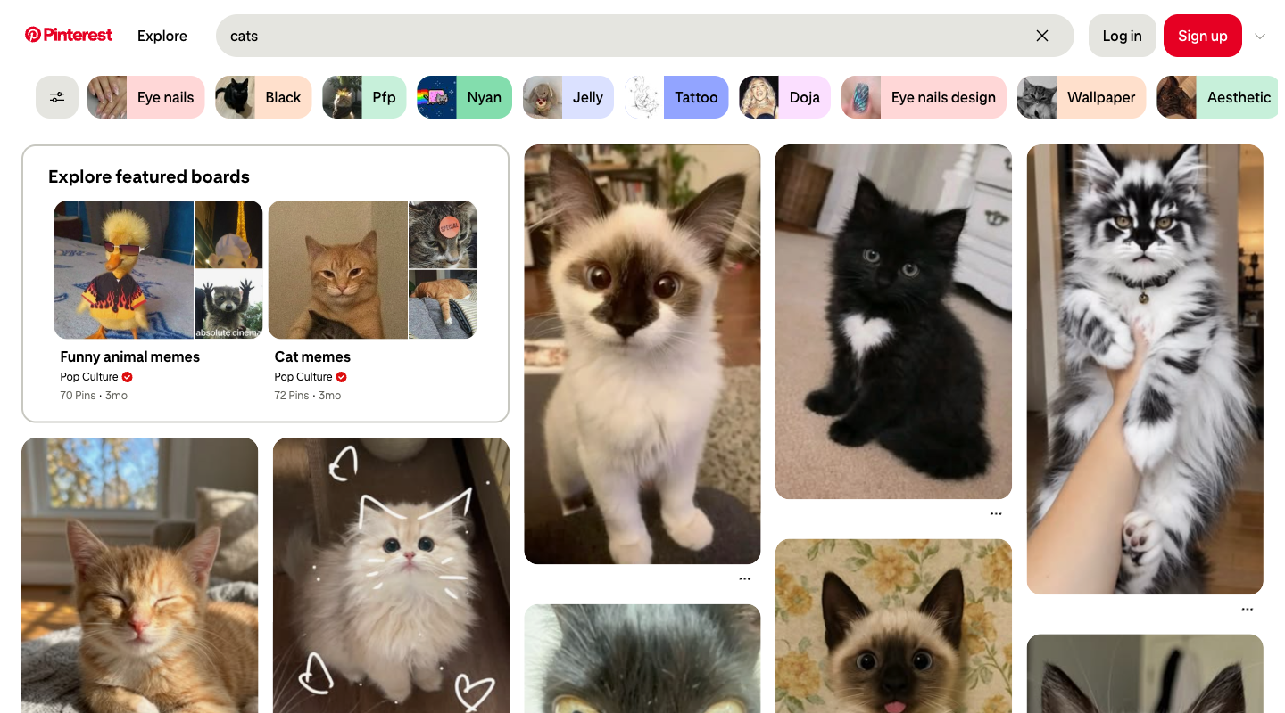
038 |  | Add a prominent sorting drop-down next to the filter button (e.g., 'Sort by: Relevance, Newest, Most Saved') to allow rapid, structured filtering of search results.
039 |  | Add a visible 'Save' button directly on the corner of each image in the grid so I can save pins to my boards in one click without hovering or opening them.
040 |  | Add direct 'Share' and 'Download' icon shortcuts to the bottom of each pin card in the grid to facilitate instant sharing and saving to my device.
041 |  | Hide all grid metadata, group text elements, and the 'Explore featured boards' section to leave only a clean, distraction-free grid of pure images.
042 |  | Show titles, descriptions, and user attribution texts permanently below every single pin card on the grid so I do not have to hover over them or tap to read what they are about.
043 | content edit | Add a prominent 'Go to Registration' or 'Open Preferences' quick-action button at the very top of the article so I can jump straight to doing it myself without scrolling through the text. | 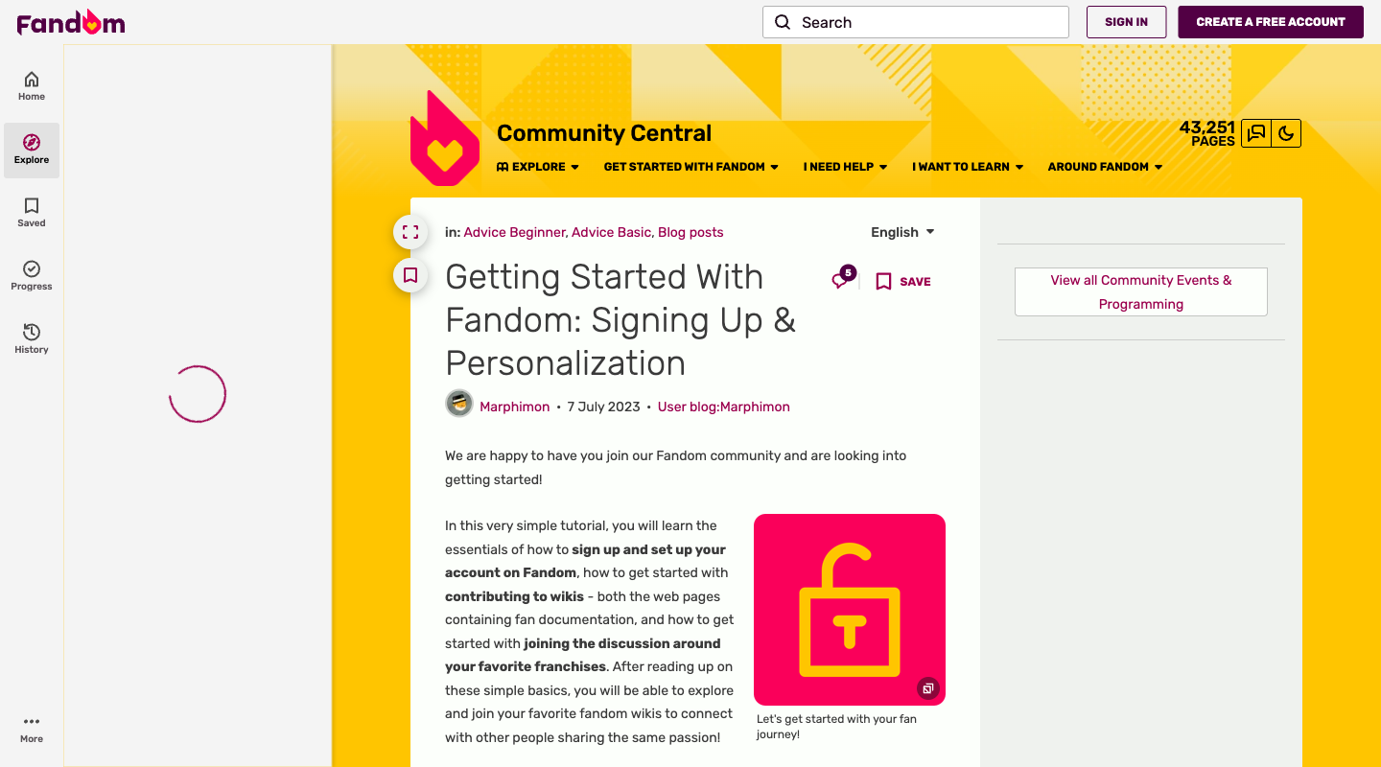
044 |  | Enable a full-screen expandable lightbox mode with high-resolution annotations for all the tutorial screenshots on the page, so I can see exactly where to click on my device.
045 |  | Hide or collapse the persistent call-to-actions, side-rail modules, and header buttons prompting me to 'Create a Free Account' or 'Sign In to Save' so I can focus purely on reading the wiki content.
046 |  | Move the comments section and the 'Discuss' buttons to a more central, prominent location on the page rather than burying them at the bottom, so I can immediately see the community activity.
047 |  | Add an easily accessible quick-settings toolbar directly on the page header (with sliders for font size, layout width, and instant dark mode toggle) so I don't have to navigate into a separate preferences menu.
048 | unclear | Keep the interface simple and remove the theme-switch moon icon and visual layout toggles from the persistent page headers and sidebars, as they clutter the reading experience and I never use them.
049 |  | Remove the large 'Enjoy your favorite videos / Sign in' promo container from the main content area and show trending or general popular videos instead. | 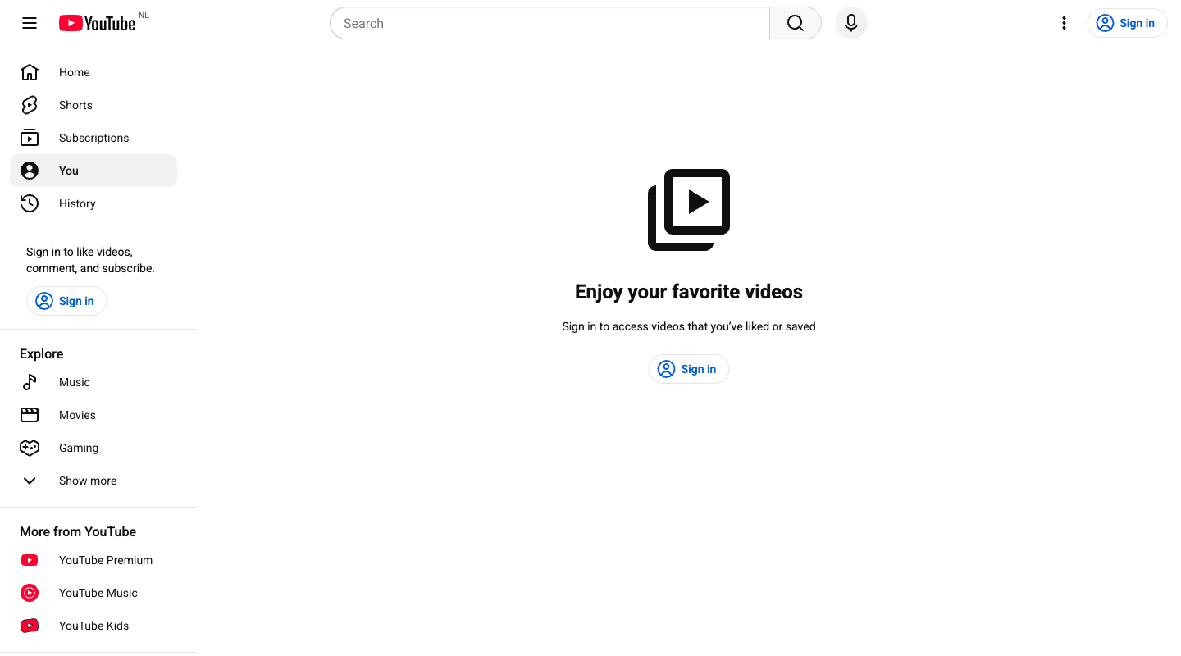
050 | unrealistic | Add a prominent, auto-focusing login modal overlay immediately when visiting this page if I am not signed in, rather than showing a static page with a sign-in button.
051 |  | Enlarge the search bar to span the entire top-center section of the header and completely hide the left sidebar navigation guide.
052 |  | Expand all categories under 'Explore' and remove the 'Show more' button to list all curated topic feeds directly in the sidebar.
053 |  | Completely hide the 'More from YouTube' section in the left sidebar, including links to YouTube Premium, YouTube Music, and YouTube Kids.
054 |  | Move the 'More from YouTube' section featuring YouTube Premium, Music, and Kids to the very top of the left sidebar above the 'Home' and 'Shorts' links.
055 | unclear | Move the Copilot search assistant box to the top of the search results and make it larger so I can immediately ask questions instead of scrolling through web links. | 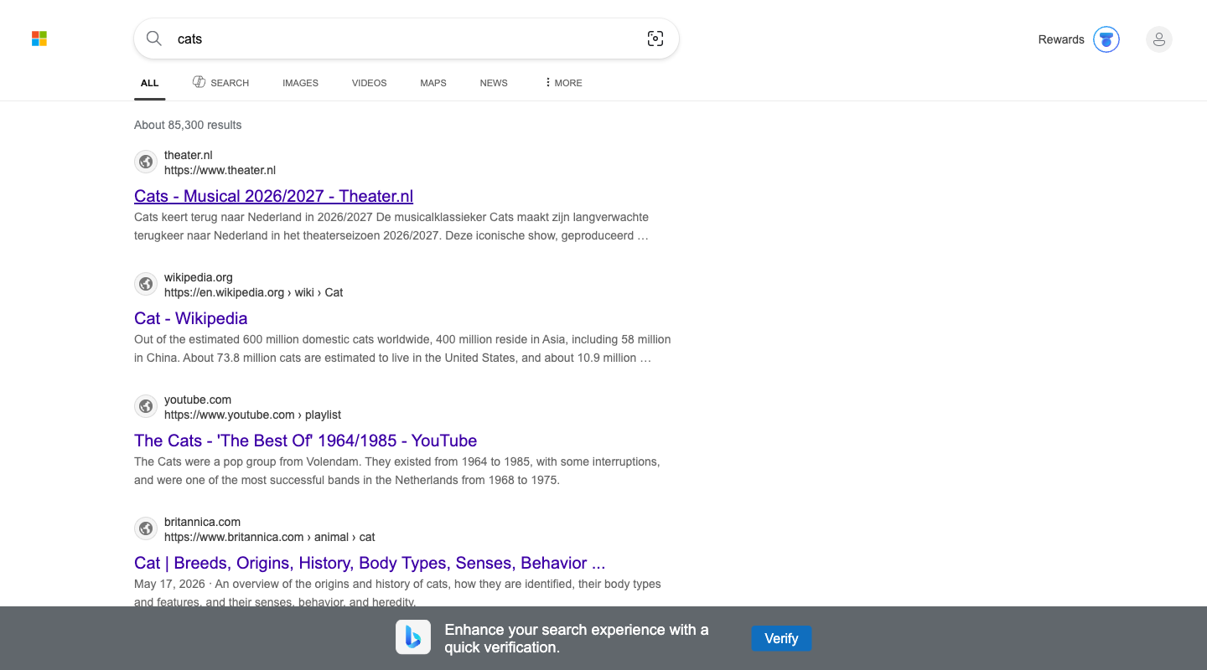
056 |  | Completely remove the Copilot search tab, the collapsed chat container, and the follow-up prompt textarea from the interface to focus entirely on organic web results.
057 |  | Remove the Microsoft Rewards medallion widget from the header, get rid of website icons next to each search result, and hide the bottom verification banner to create a distraction-free, text-only layout.
058 | no data | Integrate interactive media preview widgets and larger image thumbnails directly inside the search results list to make the interface more visual and feature-rich.
059 |  | Completely hide all sponsored ad blocks, such as the Amazon and Beslist sections, from both the middle and bottom of the search results page.
060 |  | Create a highly visible, dedicated shopping carousel for sponsored product deals at the very top of the page above the organic links so I can instantly find purchase options.
061 | unclear | Hide the search bar at the top to allow the visual category and board grids to occupy the full header width and keep the focus purely on visual browsing. | 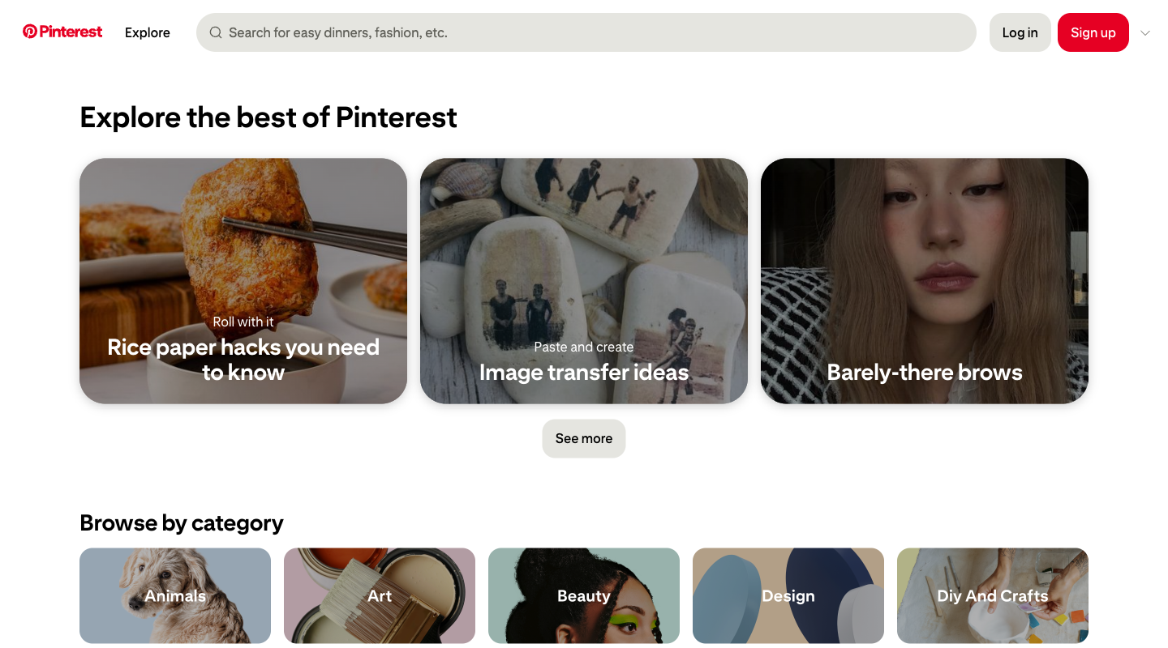
062 | unrealistic | Enlarge the search bar container at the top, making it span the entire width of the header, and add a highly visible 'Search' button next to it.
063 | no data | Add a small hover-triggered 'Save' or '+' icon on the top right corner of each category card (like 'Animals', 'Art') to quickly bookmark them.
064 |  | Remove the login and sign-up buttons from the top right to maximize screen space, as I only want to browse content quickly without ever creating an account.
065 |  | Move the 'What's new on Pinterest' section to the very top of the page, above the editorial board banners, so the absolute latest trends load first.
066 | content edit | Reorder the 'Browse by category' section to display practical, evergreen categories like 'Food And Drink', 'Home Decor', and 'Diy And Crafts' first in the grid.
067 | no data | In the 'In this story' table of contents list, visually group and place all premium brand products (like Apple and Bose) at the top of each category. | 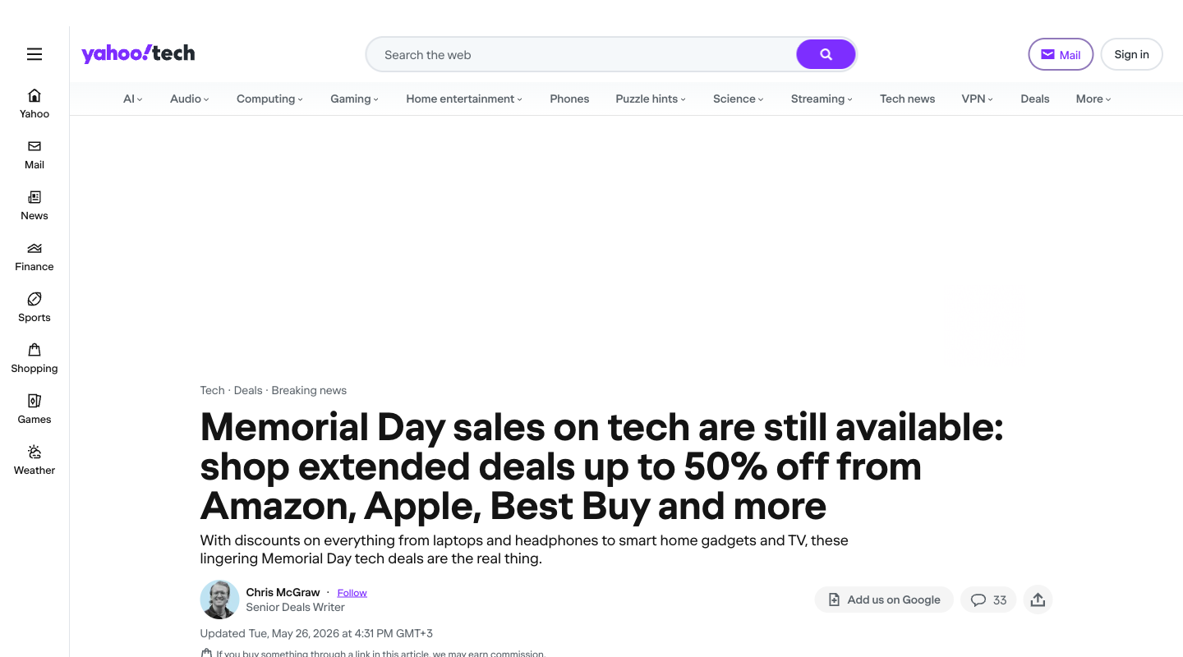
068 |  | In the product modules, make the 'Save $X' discount text significantly larger and highlighted in green to instantly emphasize the monetary value over the product's brand.
069 | unrealistic | Move the author byline card (containing the writer's headshot, credentials, and 'Follow' button) from below the article description to be placed directly above the main title to instantly establish editorial authority.
070 |  | Collapse the written paragraph descriptions under each product module by default, showing only the product name, clean pricing structure, and the direct store link to bypass editorial bias.
071 | unrealistic | Make the 'Trending' subnavigation bar at the very top of the page stick to the top when scrolling, and style the links with bright 'Active Deal' tags to capture impulsive interest.
072 |  | Keep the 'In this story' table of contents box fully expanded by default rather than collapsed under a dropdown menu, allowing for immediate navigation directly to specific price tiers.
073 |  | Hide all content sections below the search bar, including the convenience bar, sidebars, and main feed, leaving only the logo, search bar, and mail link for a clean, distraction-free search experience. | 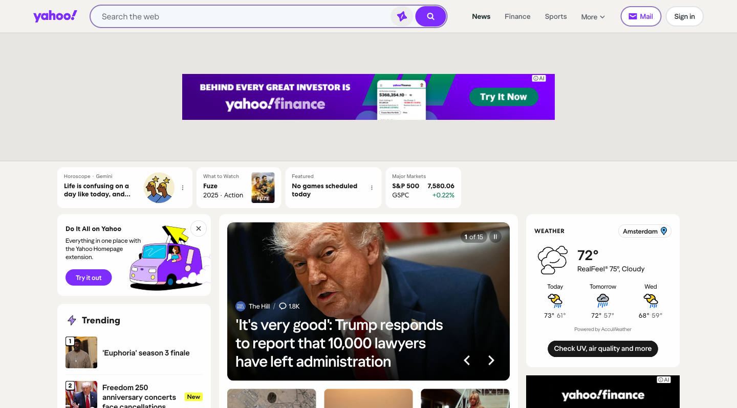
074 | unrealistic | Enable a dense multi-column layout for the feed and keep all dashboard widgets (stocks, weather, horoscopes) expanded simultaneously at the top of the page to maximize information density.
075 |  | Remove lifestyle elements like horoscopes and entertainment recommendations from the top features bar, and automatically prioritize hard news categories like Politics and World news at the top of the 'For You' feed.
076 |  | Position the Daily Horoscope selector and 'From Our Shopping Experts' section at the very top of the page, right below the search bar, and filter out political or military news articles from the main feed.
077 |  | Replace the automated 'For You' feed with a static grid of directory buttons linking to specific categories like News, Finance, Sports, and Weather, so I can choose where to go manually.
078 | unrealistic | Set the feed view to 'Large Cards' by default, hide the 'Explore More' sidebar, and let the infinite-scroll recommendation feed expand across the entire width of the page.
079 | content edit | Move the 'What to do when you get this message' section directly to the very top of the page, above the introductory paragraph, and format it as a simplified 1-2-3 step list. | 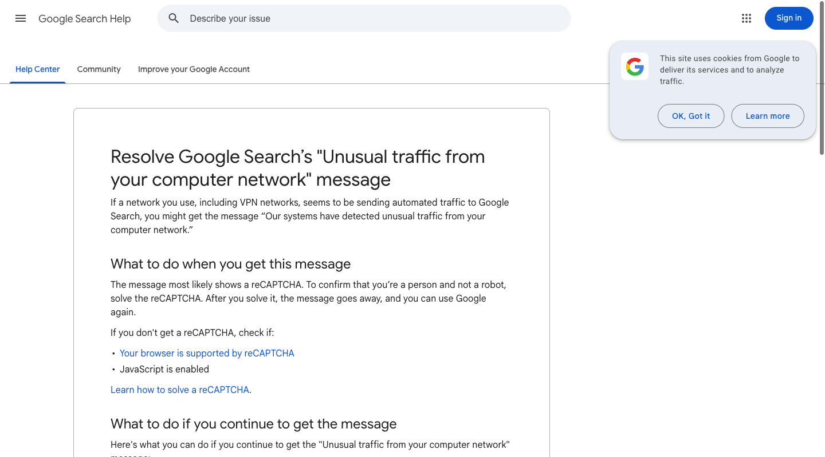
080 | content edit | Move 'What Google considers automated traffic' to the top of the article so I can read the technical background and understand why this is happening before seeing any troubleshooting steps.
081 | content edit | Under the VPN troubleshooting bullet, rewrite and style the text to prioritize 'contacting your VPN provider or changing servers' instead of suggesting to 'uninstall the VPN' as the primary action.
082 | content edit | Place a highly visible, styled callout box right under the main title that lists quick toggle-off actions like 'Turn off VPN' and 'Disable extensions' for an immediate fix.
083 | content edit | Convert the bulleted lists under 'What to do if you continue to get the message' into an interactive, step-by-step diagnostic checklist that I can follow and check off on my own.
084 |  | Move the 'Post to the help community' section from the bottom of the page to the top sidebar next to the article title so I can easily skip reading and ask a person instead.
085 | unclear | Move the 'Gift Registries' section to the very top of the page content, right below the main 'Your Lists' and 'Your Friends' tabs, to let me immediately access my structured event registries. | 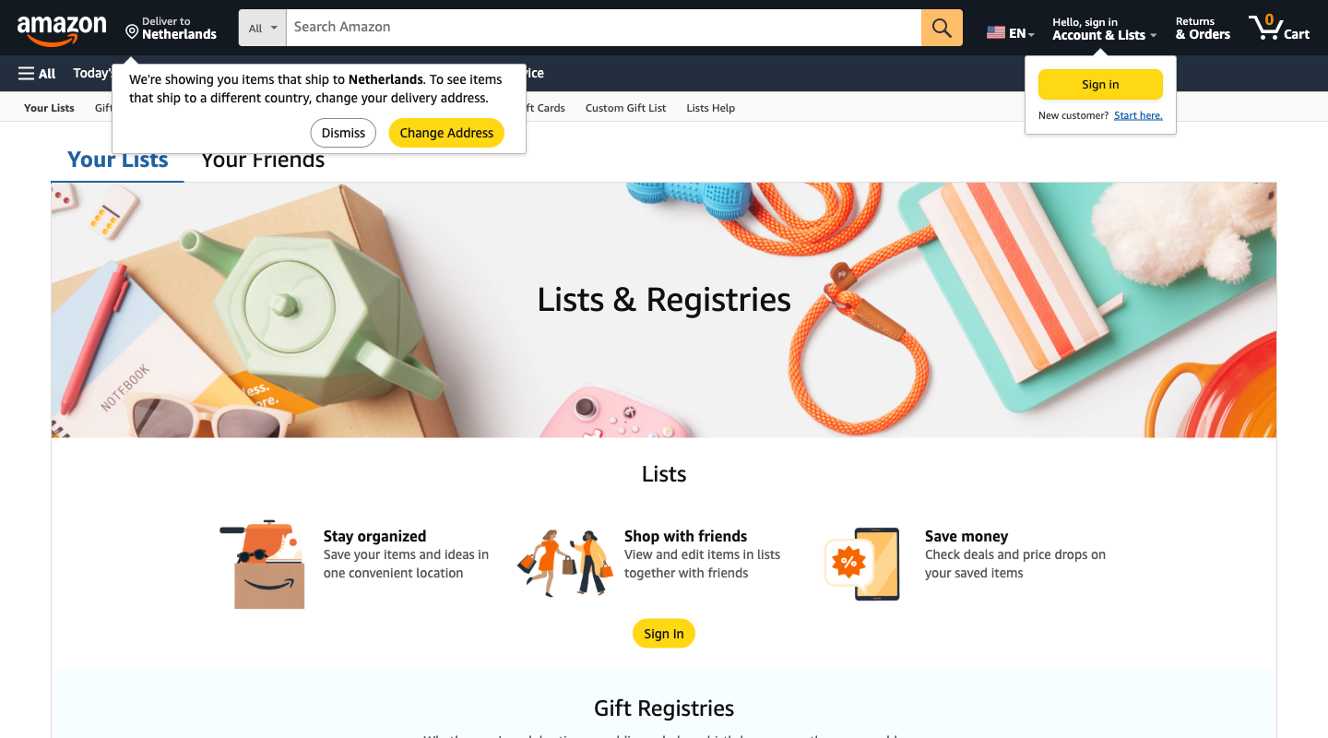
086 | content edit | Replace the main 'Sign In' button on the benefits banner with a direct link to the main Amazon home feed to support quick, spontaneous shopping.
087 |  | Make the 'Your Friends' tab in the top tab-bar stand out visually with a high-contrast color and a collaborative user icon.
088 |  | Remove the 'Your Friends' tab and the 'Shop with friends' card from the page layout to keep my list-making interface entirely private.
089 | unclear | Move the 'Alexa Shopping List' section from the bottom of the page up to the top banner area so I can immediately access voice-integrated lists.
090 | unclear | Remove the 'Alexa Shopping List' section from the page entirely to keep the interface clean and focused strictly on manual list typing.
091 | unrealistic | Place the archive navigation grid with year and month links at the very top of the page, above the page title, to make it easier to discover historical highlights. | 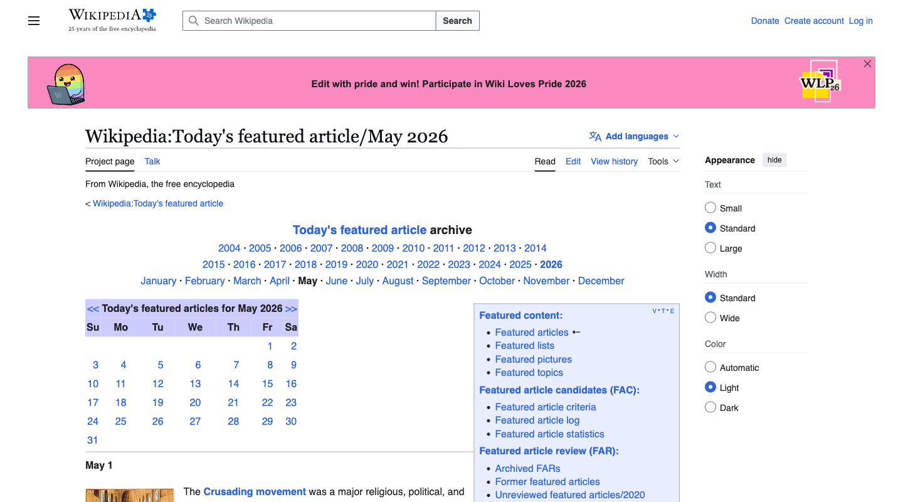
092 |  | Hide the top 'Today's featured article archive' navigation grid entirely and expand the 'Search Wikipedia' bar in the header to take up the full width of the top container.
093 |  | Hide the utility tabs at the top-right of the page ('Talk', 'Edit', 'View history', and 'Tools') to keep the interface purely focused on reading the article.
094 |  | Make the 'Talk' and 'Edit' tabs more visually prominent at the top of the page, perhaps by styling them as solid buttons instead of quiet text links.
095 |  | Keep the right-hand 'Featured content' sidebar pinned to the viewport, and style all archive link lists in a highly condensed layout to maximize information density.
096 |  | Hide the right-hand 'Featured content' sidebar and the calendar tables completely to give the main featured article summary a clean, single-column, distraction-free reading layout.
097 |  | Make the viewer count indicator in the bottom-right corner of each stream thumbnail much larger and colored in a bright contrasting highlight so I can immediately identify the most popular streams. | 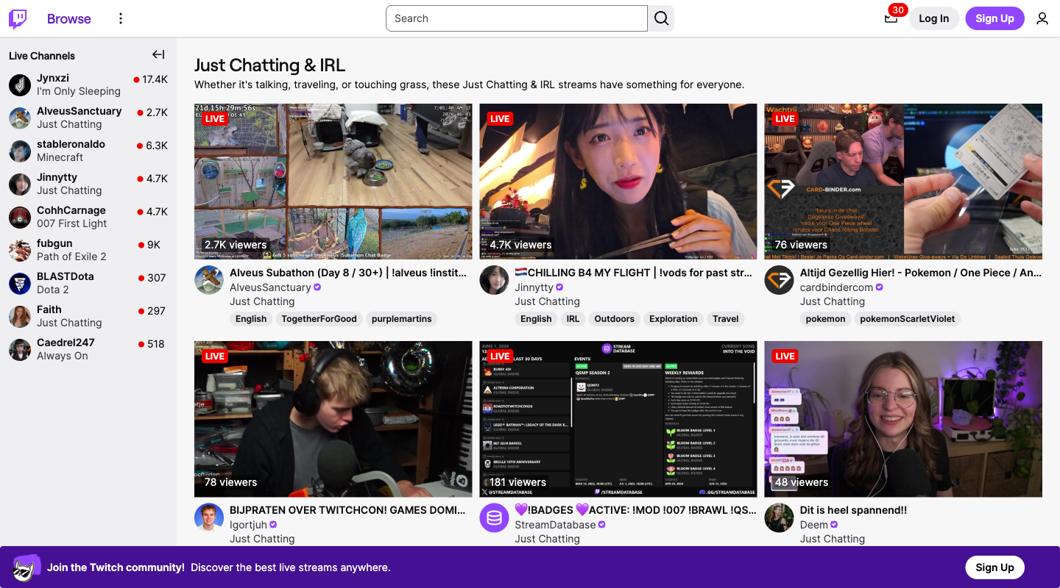
098 |  | Add a prominent filter/sorting dropdown right below the category title that allows me to sort the live streams by lowest viewer count first, helping me discover cozy streams.
099 | interaction | Add a direct 'Join Chat' button on each stream card so I can jump straight into interacting with the community without waiting for the full video page to load.
100 | interaction | Add a quick-play icon on each stream thumbnail that lets me stream the audio in the background directly from this directory page without leaving to open a new channel page.
101 |  | Add a prominent language-filter selector at the top of the stream list to automatically hide all streams that do not match my primary language tag.
102 |  | Highlight the language and regional tags on each stream card by moving them to the top of the card's text details, making it easier to scan for international broadcasters.
103 |  | Move the knowledge panel about the 'Cats' musical (with its description, authors, and character list) from the right sidebar to the top of the main left-hand column, so I can read the quick facts immediately without scanning to the side. | 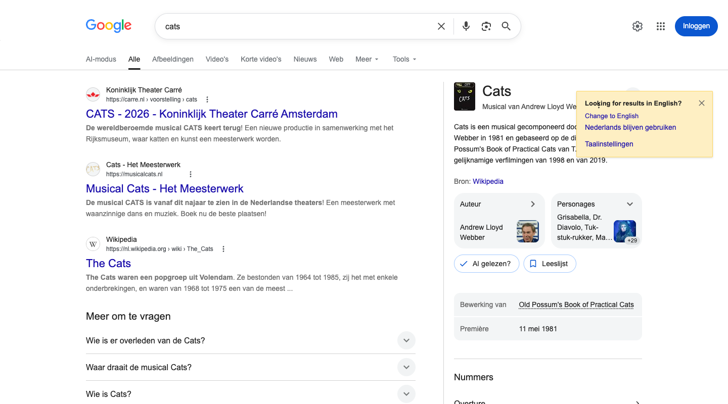
104 |  | Hide all rich cards, 'People also search for' elements, related search carousels, and image rows, leaving only the standard textual organic web links (like Wikipedia and musical site links) directly below the search filters.
105 |  | Remove the 'Looking for results in English?' yellow prompt banner and suppress the English web results (like the IMDb entry) to keep the layout entirely focused on my localized Dutch experience.
106 |  | Make the 'Change to English' option in the notification banner a prominent primary button directly next to the search bar so I can quickly shift to globally available English content.
107 | no data | Move the Wikipedia link and other text-heavy web results above the visual grids, 'Meer om te vragen' sections, and video rows so I can read articles without visual distractions.
108 |  | Place the 'Afbeeldingen' (Images) gallery card and the 'Video's' video carousel at the absolute top of the search results column so I can immediately browse trailers and photos.
109 |  | Hide the right-hand 'Images' (Картинки) widget and the inline 'Video' (Видео) carousel to keep the results page strictly text-focused. | 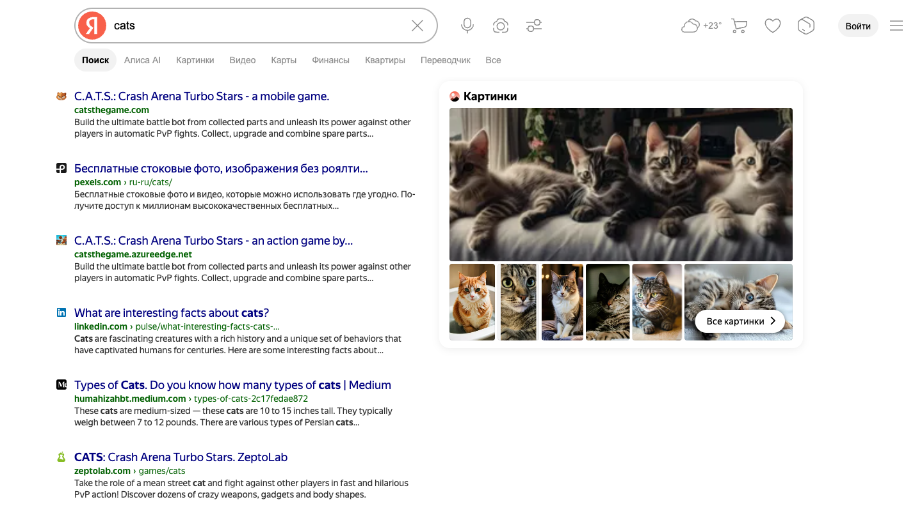
110 |  | Move the right-hand 'Images' (Картинки) widget and the inline 'Video' (Видео) carousel to the absolute top of the main search results column.
111 |  | Move all English-titled snippets (such as the LinkedIn, Medium, and English Wikipedia results) to the bottom of the page, keeping Russian-titled results at the top.
112 |  | Place global English-language resources (like Wikipedia, Medium, and LinkedIn) as the first results right under the search bar.
113 | content edit | Remove the 'C.A.T.S. Crash Arena Turbo Stars' game website and its Telegram channel listings from the organic search results.
114 | content edit | Move the 'C.A.T.S. Crash Arena Turbo Stars' game listings and the video carousel containing funny cat compilations to the top of the search results.
115 | content edit | Move the section about the simple 'Admin Dashboard' and its standard features (Message Wall, Blogs, Comments) to the very top of the article body, above any mention of advanced features. | 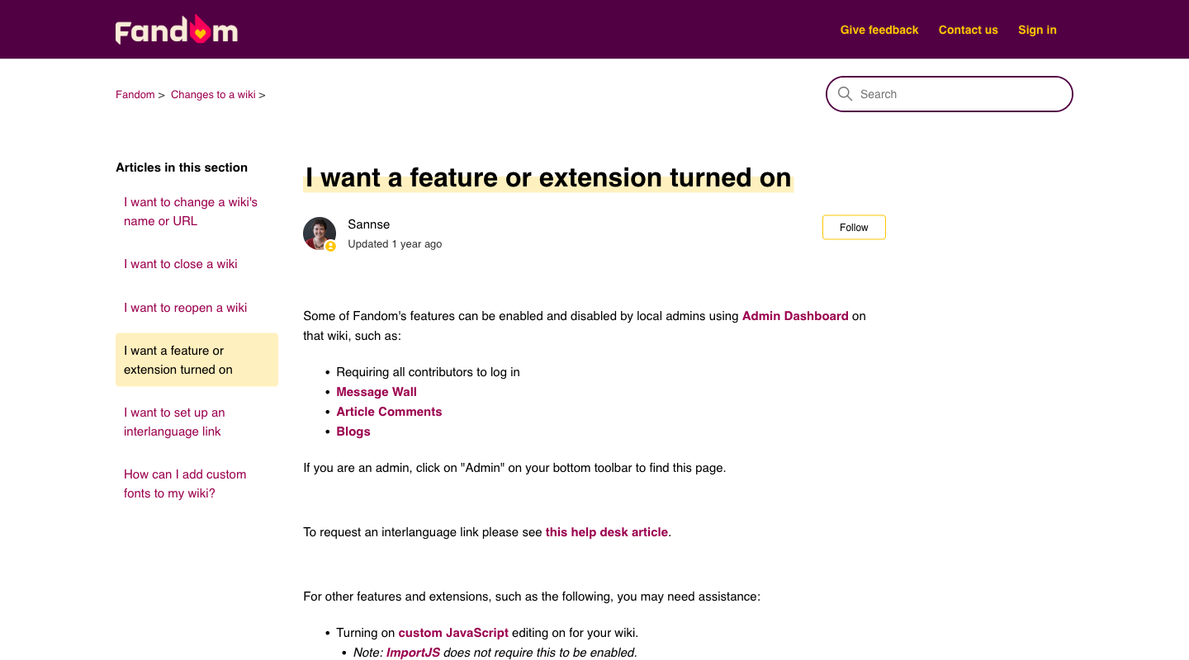
116 | content edit | Highlight the links to advanced extensions like custom JavaScript, DPL, and Variables by placing them in a prominent bulleted list at the top of the article.
117 |  | Move the 'Related articles' links and other self-help links from the bottom and sidebar of the page into a highly visible 'Recommended Self-Help' block right below the main article header.
118 |  | Convert the 'Contact us' link in the top menu and the help desk submission link in the text into a prominent, styled call-to-action button placed right below the article title.
119 |  | Hide the left sidebar listing 'Articles in this section' to reduce visual clutter and let me focus entirely on the main text of the article.
120 | no data | Expand the left sidebar to show brief summary descriptions for each of the 'Articles in this section' instead of just showing their titles.

