Sheet 1 - our-2-request-prompts
our-2-request-prompts |  |  | screenshot
number |  | request-prompt | screenshot
1 |  | 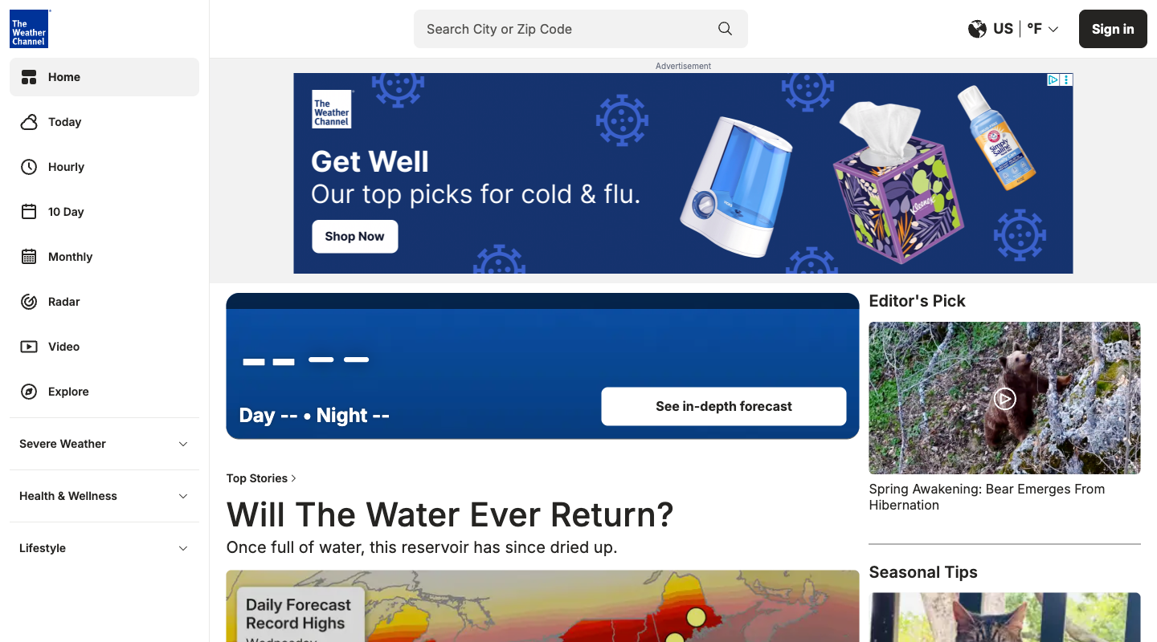 Replace the 'Top Stories' and 'Trending' article cards in the main section with an embedded live weather radar map and direct links to hourly meteorological tables.
2 |  | Increase the size of the video play icons and text on news cards, and auto-play the primary 'Top Stories' video at the top of the feed instead of showing static map graphics.
3 | unclear | Hide all non-weather sections, including 'Sponsored Content', 'Product Reviews & Deals', and 'Lonely Planet', leaving only the search bar and the main current conditions display.
4 | no data | Add a persistent 'Discover' carousel under the main temperature display that suggests local lifestyle and seasonal tips, so I can browse articles without leaving the main page.
5 |  | Completely remove the 'Sponsored Content' (Taboola feed) container from the bottom of the page and eliminate all advertisement banners.
6 | non-viewport | Move the 'Product Reviews & Deals' list and the 'Sponsored Content' section further up the page, perhaps alongside the primary weather forecast, to make those articles easier to find.
7 | unclear | 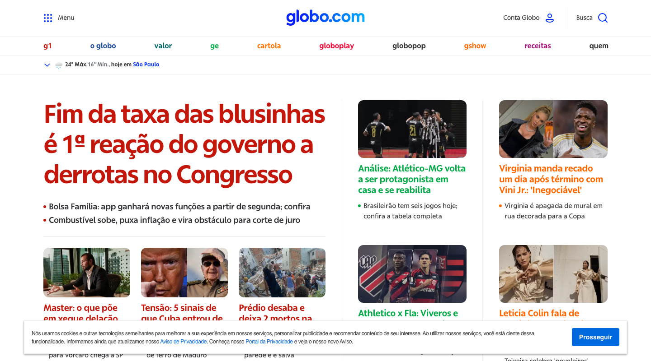 Remove the 'Entretenimento' column, the horoscope widget, and all celebrity gossip articles from the page so I can focus entirely on serious journalism and hard news.
8 | non-viewport | Move the 'Entretenimento' and 'Receitas' sections to the top of the homepage, and hide the main politics headline ('Fim da taxa das blusinhas') and any tragic news reports.
9 | interaction | Disable the auto-playing video frame in the 'Vídeos em alta hoje' section and replace any sliding multimedia carousels with static text headline lists.
10 | non-viewport | Enlarge the 'Vídeos em alta hoje' player section and place it at the very top of the layout, making video clips and live TV features the primary focus of the page.
11 | unclear | Move the 'Esporte' column and the 'Agenda' sports match widget to the top of the page, and add a prominent dropdown to quickly filter all news by my favorite team.
12 | unclear | Completely hide the 'Esporte' column and the 'Agenda' sports match score widget from the homepage layout to free up space for other content.
13 |  | 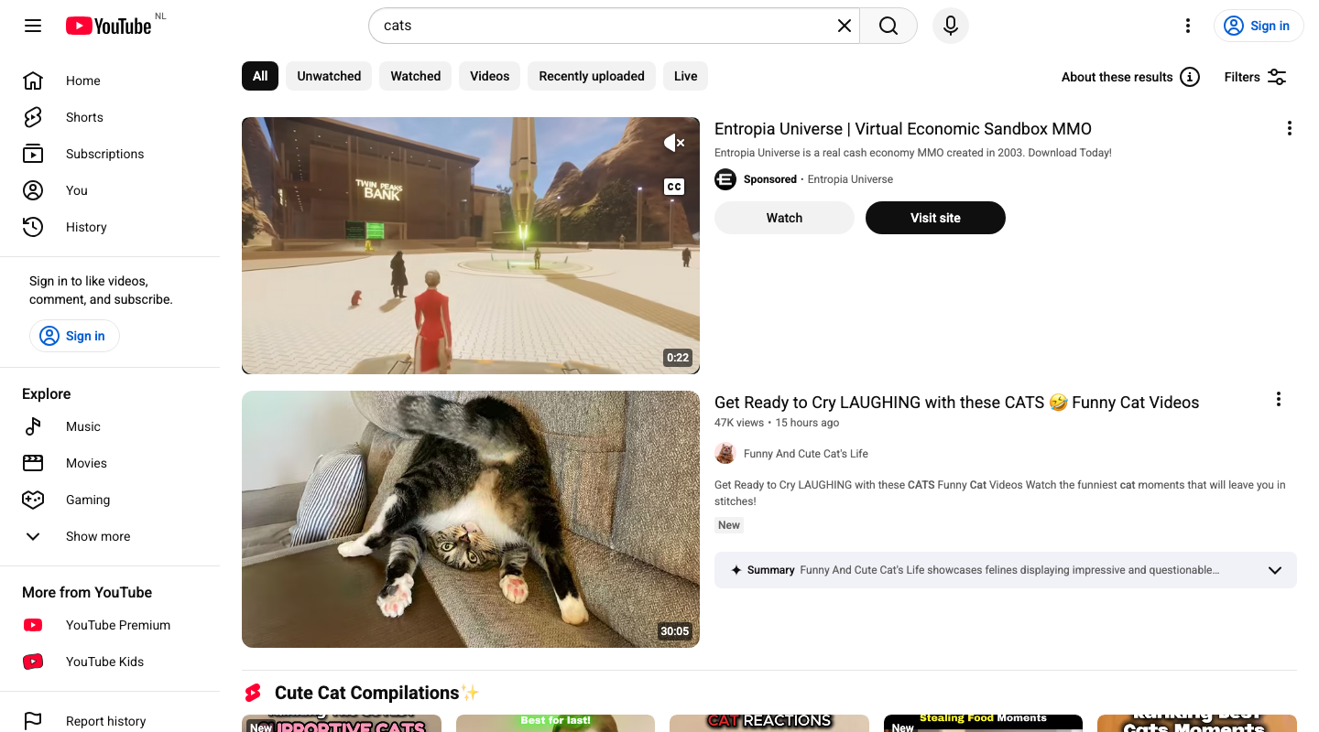 Add a dedicated 'Shorts only' option to the top chip-bar (next to 'All' and 'Unwatched') and move the 'Shorts' horizontal grid shelf to the very top of the search page.
14 |  | Completely hide the horizontal 'Shorts' grid shelves (such as 'Cute Cat Compilations' and 'Funny Cat Videos') from the search results feed so I only see standard, long-form videos.
15 | no data | Add a 'Discover New Channels' filter button next to the existing 'Filters' button in the search header to actively promote and recommend smaller, new creators I haven't watched.
16 | no data | Add a visual tag (like 'Subscribed') on search result cards from channels I already follow, and provide a 'Subscribed Only' filter checkbox in the 'Filters' dropdown menu.
17 | unrealistic | Make the 'Sign in' button in the top right header and the 'Sign in to like videos...' promo box in the left sidebar much more prominent (e.g. with a bright, solid call-to-action color) to easily restore my personalized settings and history.
18 |  | Remove the 'Sign in to like videos, comment, and subscribe' promo banner in the left sidebar completely, along with the 'Sign in' buttons from the header, to keep my casual, anonymous browsing session private and distraction-free.
19 | no data | 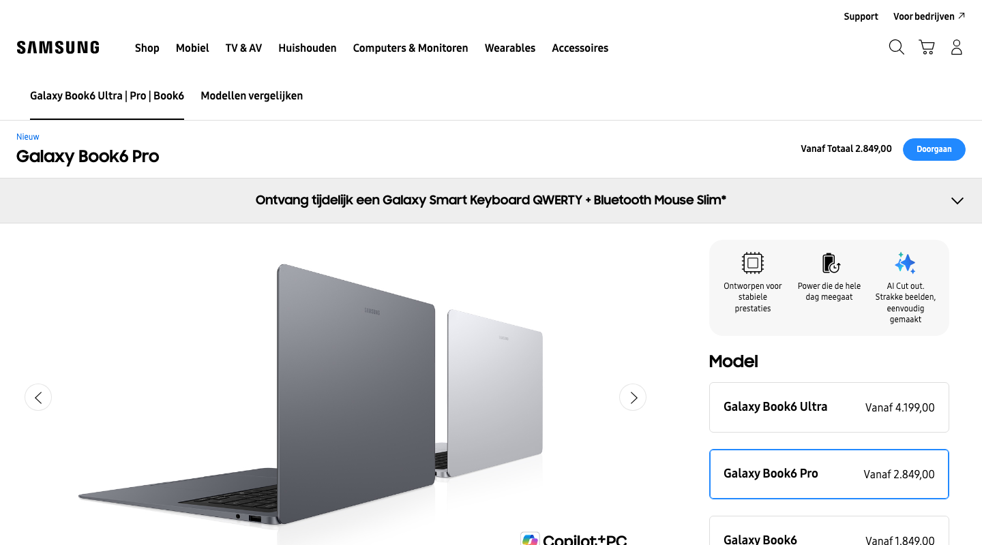 Add a detailed, expandable technical comparison matrix for the processor, RAM, and GPU specifications directly within the main product configuration panel.
20 | no data | Replace the technical specifications overview with an interactive 'Help Me Choose' wizard that recommends a model based on simple daily tasks like studying, office work, or creative projects.
21 | content edit | Add a visual section near the buy button showing how this laptop integrates with the Galaxy ecosystem, specifically highlighting features like phone screen mirroring and quick file sharing.
22 | non-viewport | Include a prominent standalone price-to-performance rating and comparison chart showing how this laptop fares against competitive models in the same price range.
23 | non-viewport | Highlight official Samsung warranty extensions, exclusive member discounts, and a live-chat assistant button directly next to the primary 'Buy Now' button.
24 | no data | Add an interactive 3D/AR product viewer along with a prominent 'Find a store to try in-person' locator button near the purchase configuration options.
25 | no data | 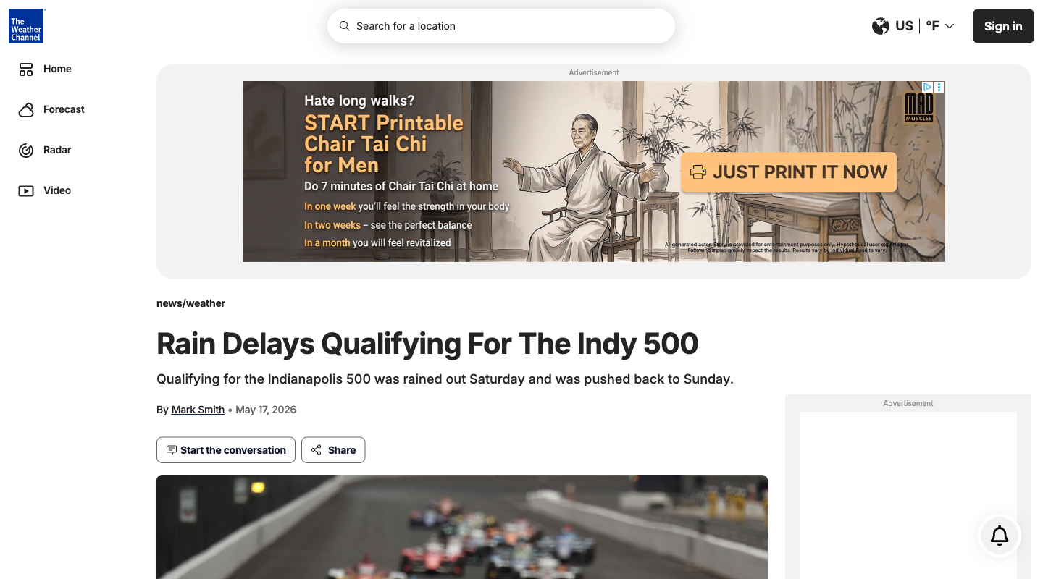 Add a dedicated 'Sports & Events Weather' section in the sidebar or under the header showing live stadium and track conditions so I can quickly track event-specific impacts.
26 | interaction | Provide a filter or toggle on the home feed to hide sports-related weather articles, keeping the focus strictly on general meteorology and severe local updates.
27 | ambiguos | Move the 'Start the conversation' button and the OpenWeb comments section higher up on the page, or provide a floating shortcut button to quickly jump directly to user reactions.
28 |  | Completely hide the 'Start the conversation' button, reactions widget, and OpenWeb comments block below the article body to keep the reading experience clutter-free.
29 | content edit | Add a dedicated 'Reference Links' or 'Official PDFs' sidebar widget that collects and highlights all external source documents linked within the article text.
30 | content edit | Place a bulleted 'Quick Summary' box right below the article headline, and move the key weather infographic/forecast image to the top of the article body above the main text.
31 | no data | 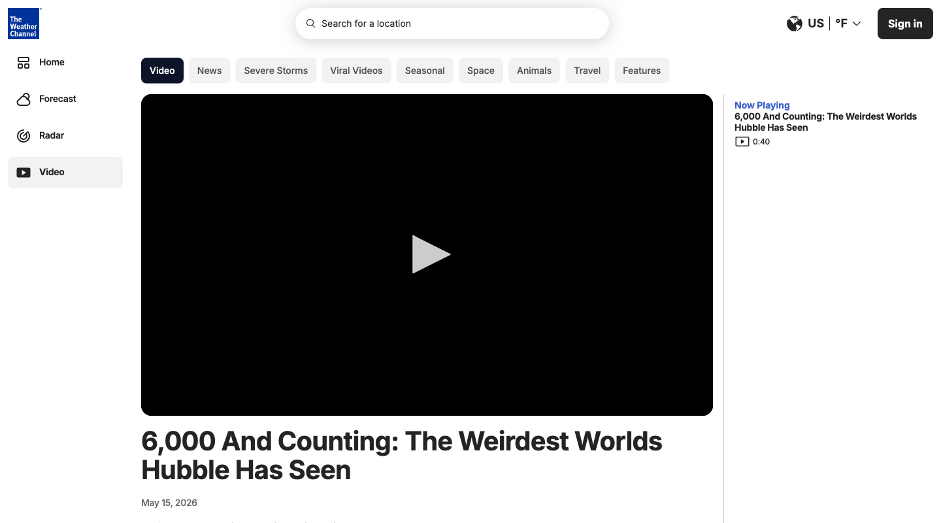 Make the main video player larger and center it on the page, while adding a prominent 'up next' autoplay queue of related videos to keep me watching continuously.
32 | no data | Replace the short video description with a comprehensive, full-text article or detailed bullet-point summary of the exoplanets mentioned, so I can read the information without having to watch the video.
33 | no data | Add a dedicated 'More Space Discoveries' sidebar section featuring deep-dive articles and NASA-related updates, filtering out unrelated viral stories.
34 | non-viewport | Prioritize and expand the 'Trending' and 'Viral Videos' sections right beneath the main video player, so I can easily find lighter, general-interest content.
35 | non-viewport | Style the 'Sponsored Content' Taboola grid at the bottom with larger card layouts and clearer interest-tags to make external discovery easier.
36 | non-viewport | Remove the entire 'Sponsored Content' widget at the bottom and all sidebar banner advertisements to create a completely clean, distraction-free viewing layout.
37 |  | 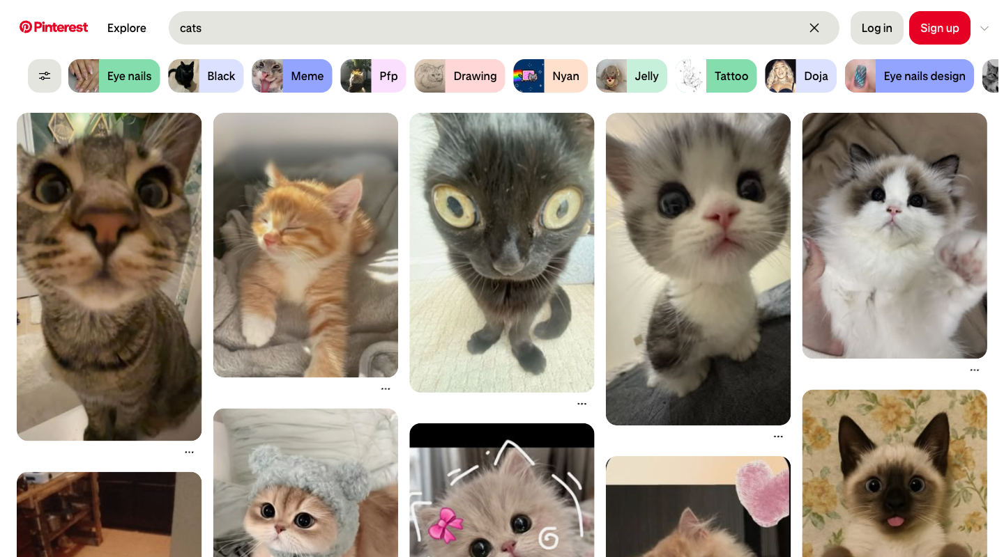 Add a prominent, one-click 'Save to Board' button directly on each pin thumbnail in the search grid so I do not have to hover or open the pin to save it.
38 | unclear | Remove the bottom-right sign-in pop-up and all login/signup prompts entirely to allow a distraction-free, casual browsing experience of the image grid.
39 |  | Hide all text overlays, website attributions, and creator tags beneath the pins in the search grid to create a clean, borderless display of pure images.
40 |  | Show a brief description and the domain name directly under each pin thumbnail in the grid so I can understand the context and origin of each image before clicking it.
41 |  | Remove the horizontal list of suggestion pills (like 'Eye nails', 'Black', 'Meme') beneath the search header to keep the interface focused solely on my exact search query.
42 | unrealistic | Make the horizontal suggestion pills larger and place them at the very top of the page with interactive preview icons, inviting me to explore related subcategories.
43 | unclear | 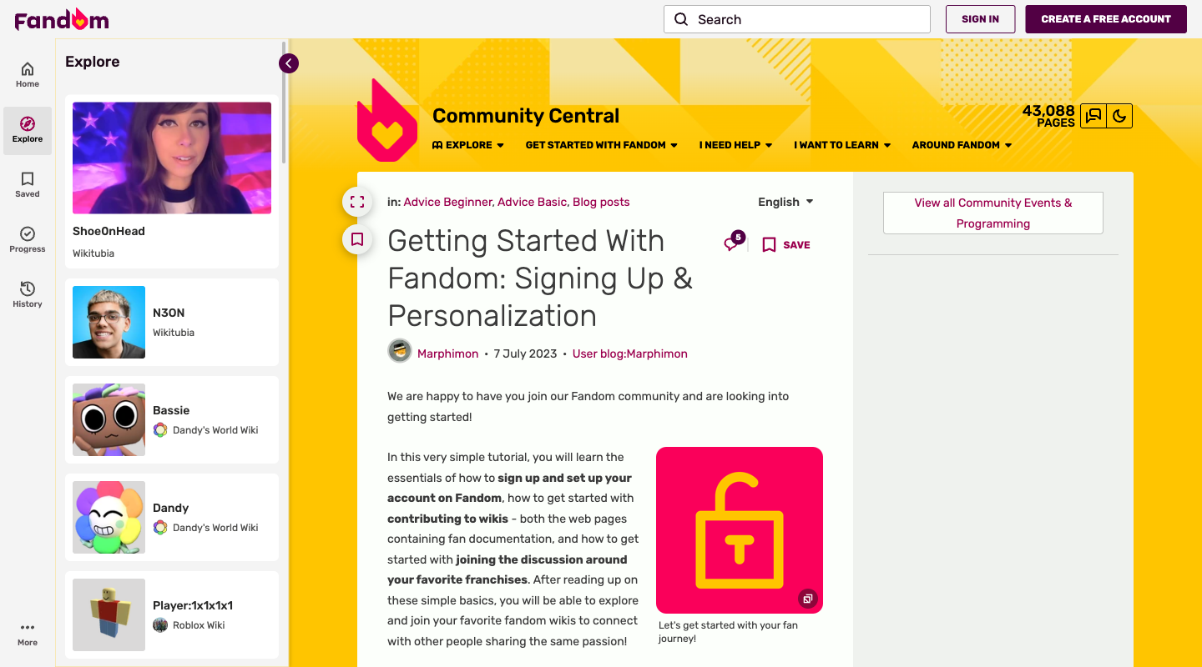 Enlarge the screenshots in the visual galleries so they are fully readable directly on the page without having to click to open them in a lightbox.
44 | unclear | Replace the image galleries with concise, collapsible text-based bullet points to reduce visual clutter and scrolling time.
45 | interaction | Add a highly visible floating theme-toggle button anchored to the top-right corner of the viewport so I can instantly switch to Dark Theme as soon as the page loads.
46 | unclear | Enforce the light theme as the absolute default page background and hide any theme switcher options to prevent accidental layout shifts.
47 |  | Completely remove the intrusive 'Sign In' and 'Register' buttons from the top navigation header and hide the anonymous comments section at the bottom.
48 |  | Add a prominent direct link to the account 'Preferences' panel right next to the registration calls-to-action in the top navigation bar to facilitate faster customization.
49 | interaction | 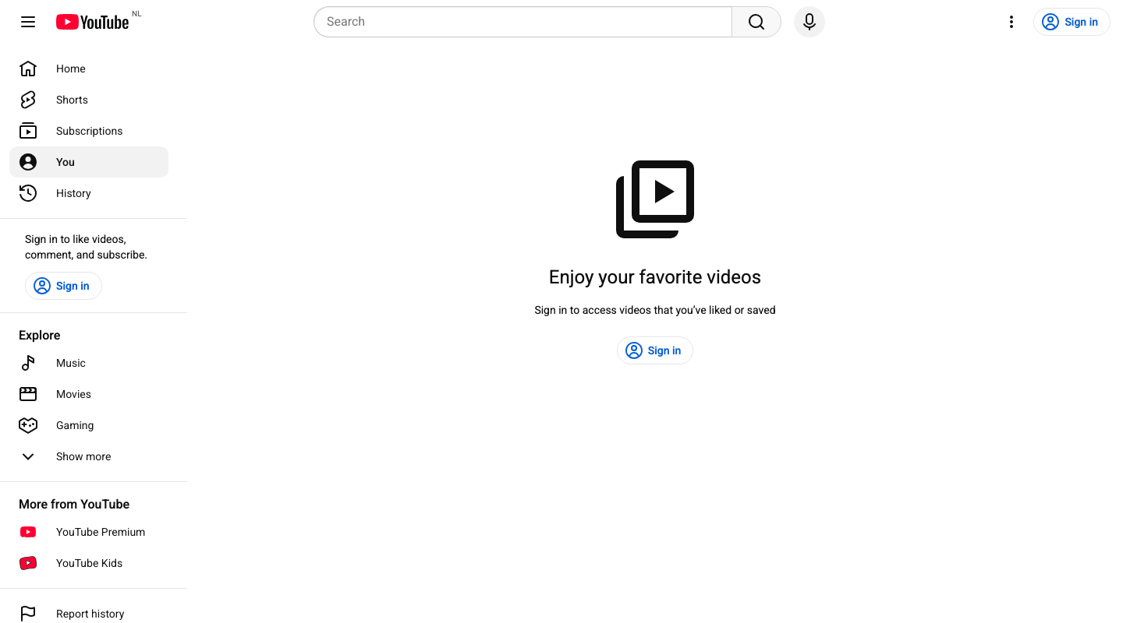 Add a one-click 'Sign in with Google' prompt or a quick-switch account selector directly inside the main promo box to make signing in as fast as possible.
50 | interaction | Add a functional 'Create a local guest playlist' button so I can save videos temporarily in this session without having to sign in.
51 | unrealistic | Show placeholder mockups of lists (like 'Watch Later' and 'Playlists') underneath the sign-in promo so I can see what organizational features will become active once I log in.
52 | no data | Replace the large library sign-in promo card with a grid of trending videos or search suggestions, so I can start watching immediately without needing to sign in.
53 |  | Remove the large decorative icon, promotional text, and background card from the center of the page, leaving only a simple, distraction-free sign-in button.
54 | unrealistic | Keep the sign-in promo but expand the layout to include a side panel of helpful tips or a footer with links to public curated playlists to make the page feel more informative and less empty.
55 | unclear | 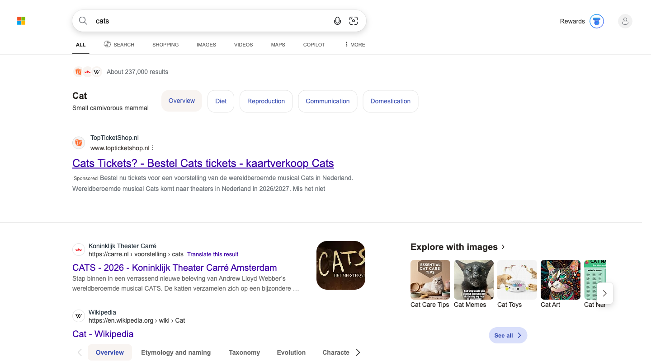 Hide the Copilot conversational sidebar, bottom AI prompt suggestions, and header widgets so that only organic, authoritative links and Wikipedia snippets are visible.
56 | unclear | Expand the bottom Copilot panel and place the text area for asking follow-up questions at the very top of the page, directly under the search bar.
57 | unclear | Completely remove all sponsored ad cards, such as the top ticket-selling ads and bottom pet insurance listings, so that only unpaid results are displayed.
58 | unclear | Create a dedicated 'Sponsored Services' panel or sidebar on the right side of the page to group tickets and insurance ads together for easy comparison.
59 |  | Collapse or remove the large 'Images of Cats' and 'Explore with images' carousels, and replace them with standard text-based article links to maximize readable text density.
60 |  | Move the 'Images of Cats' and 'Explore with images' visual panels to the top of the search results, making the image thumbnails larger and the textual snippets smaller.
61 | non-viewport | 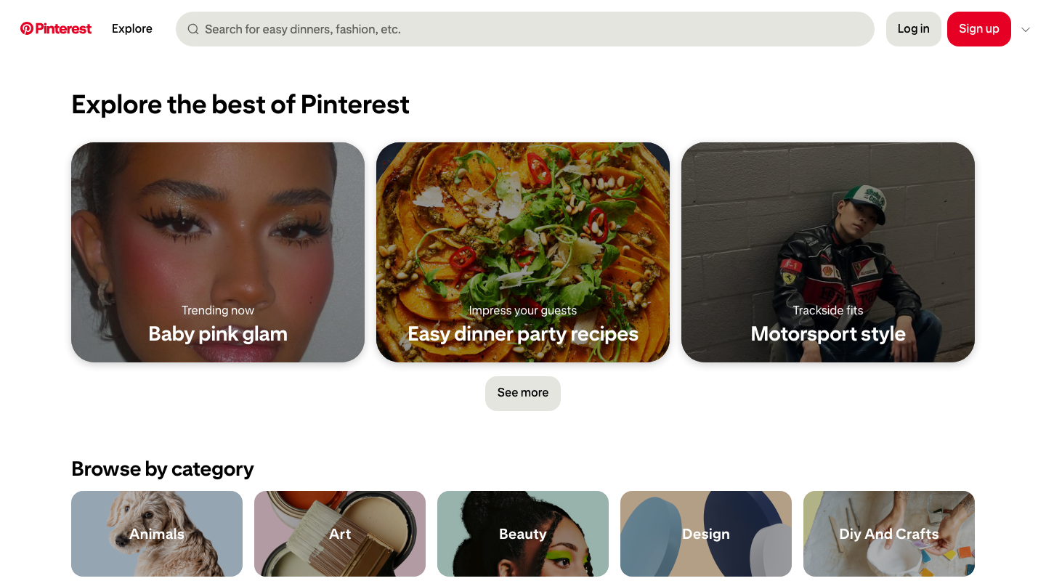 Move the visual photo feed ('What's new on Pinterest') to the very top of the page below the header, ahead of categorized boxes, so I can immediately start scrolling through images.
62 |  | Change the 'Browse by category' layout from a grid of images into a clean, structured, text-only list at the top of the page for easier, structured navigation.
63 | unrealistic | Make the 'Trending now' editorial boards at the top of the page much larger, taking up the full width of the screen, to emphasize current viral aesthetics.
64 |  | Completely hide the top 'Trending now' hero cards ('Baby pink glam', 'Easy dinner party recipes', 'Motorsport style') so I can focus directly on categories and search.
65 | unrealistic | Move the search bar out of the header and display it as a large, centered search box in the middle of the main body area to help me start my goal-oriented search immediately.
66 |  | Shrink the header text and header search bar to maximize the vertical screen space available for displaying the visual image grids.
67 | non-viewport | 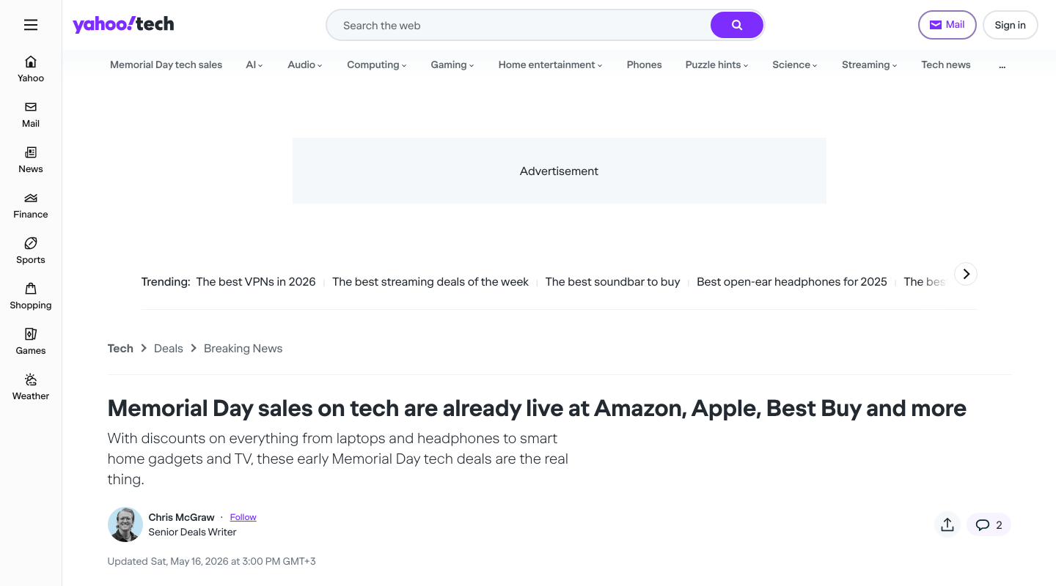 Add quick brand filter tags (such as 'Apple', 'Beats', 'Bose') directly below the main article header so I can instantly filter the deal list by my preferred brands.
68 | non-viewport | Highlight the discount percentage prominently next to the sale price in each product card to easily compare value-for-money ratios across generic and premium options.
69 | non-viewport | Move the editor's review text and personal anecdotes to the very top of each product listing, above the pricing details, so their expert perspective is the first thing I read.
70 | non-viewport | Collapse or remove the editorial description paragraphs under each product card, showing only the product image, the raw discount details, and the direct shopping link button.
71 | non-viewport | Move the 'Best Memorial Day sales under $50' section and its corresponding products to the very top of the article body, ahead of the more expensive premium deals.
72 | non-viewport | Reorder the Table of Contents sidebar to place high-ticket categories (such as 'under $500' and 'under $1,000') at the top of the list, moving cheap accessories to the bottom.
73 |  | 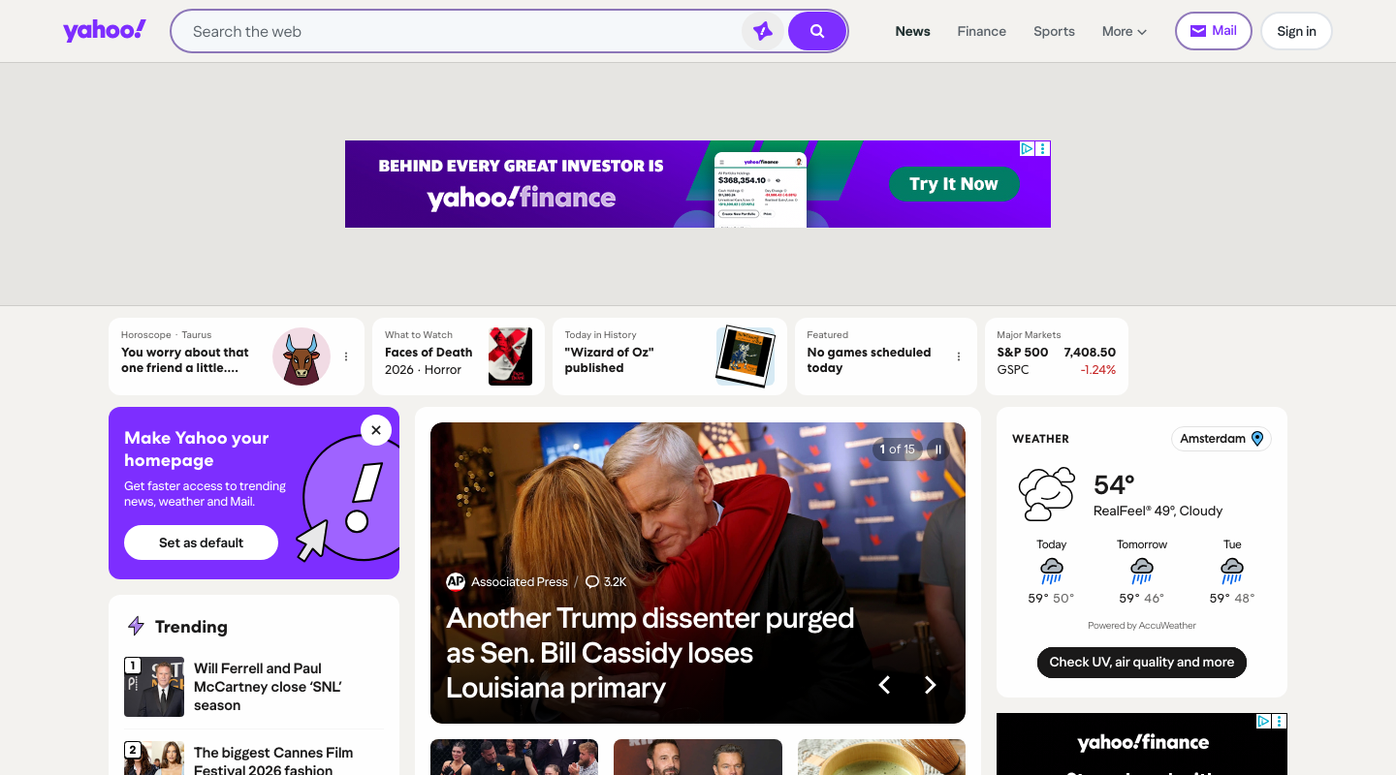 Make the utility shortcuts in the header (like Mail, Finance, Sports, and Weather) much larger and more visually prominent so I can jump to other portals instantly.
74 |  | Remove the features bar (containing Horoscope, What to Watch, and Stock updates) completely from the top of the page to keep the home screen focused and clean.
75 |  | In the 'Trending' sidebar, hide all thumbnail images next to the headlines to create a condensed, text-only list that is faster to scan.
76 |  | In the 'Trending' section, increase the spacing between news items and enlarge the thumbnail images to make the feed feel more spacious and visual.
77 | non-viewport | Move the 'Top Deals' shopping section from the right column to a primary position right below the main search bar so I can instantly see discounts.
78 |  | Hide the large top advertisement banner block and the 'Top Deals' sponsored product widget to focus the screen entirely on organic news and search.
79 | content edit | 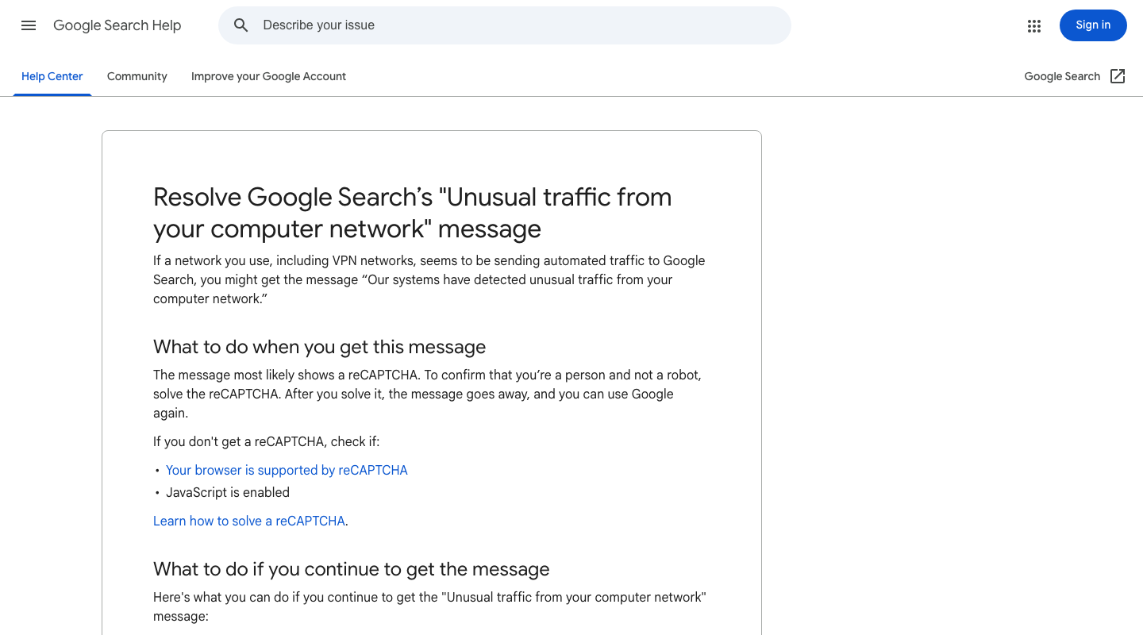 Collapse or hide the bullet points under 'What to do when you get this message' to keep the initial instructions as simple as possible.
80 | content edit | Move the 'What Google considers automated traffic' section from the bottom of the article to the very top, just below the introduction.
81 | non-viewport | Remove the 'Need more help? Post to the help community' section at the bottom to focus purely on the self-service steps in the article.
82 | non-viewport | Move the 'Post to the help community' button from the bottom of the page to the top, right below the main article title.
83 | content edit | Move the bullet point about uninstalling or contacting VPN providers to the top of the 'What to do if you continue to get the message' list.
84 | content edit | Hide the complex troubleshooting bullet points about VPN providers and network administrators to keep the page focused on quick, convenient browser-level fixes.
85 | content edit | 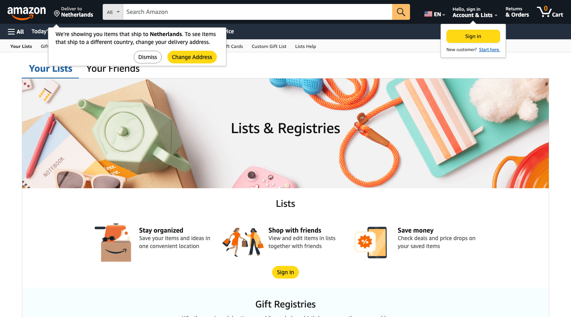 Make the main 'Sign In' button in the benefits section larger and move the 'Save money' and 'Stay organized' benefit cards to the top of the list.
86 | content edit | Add a prominent 'Continue Shopping' button next to the 'Sign In' button to allow immediate browsing instead of list creation.
87 | content edit | Highlight the 'Your Friends' tab at the top of the page and place the 'Shop with friends' benefit card as the first item under the Lists section.
88 | content edit | Hide the 'Your Friends' tab at the top and remove the 'Shop with friends' card from the benefits section to prioritize private list keeping.
89 | non-viewport | Move the 'Alexa Shopping List' card from the bottom 'Other lists' section up to the top, right below the main intro banner.
90 | non-viewport | Remove the 'Other lists' section featuring the Alexa Shopping List entirely to declutter the page for manual on-screen list managers.
91 | non-viewport | 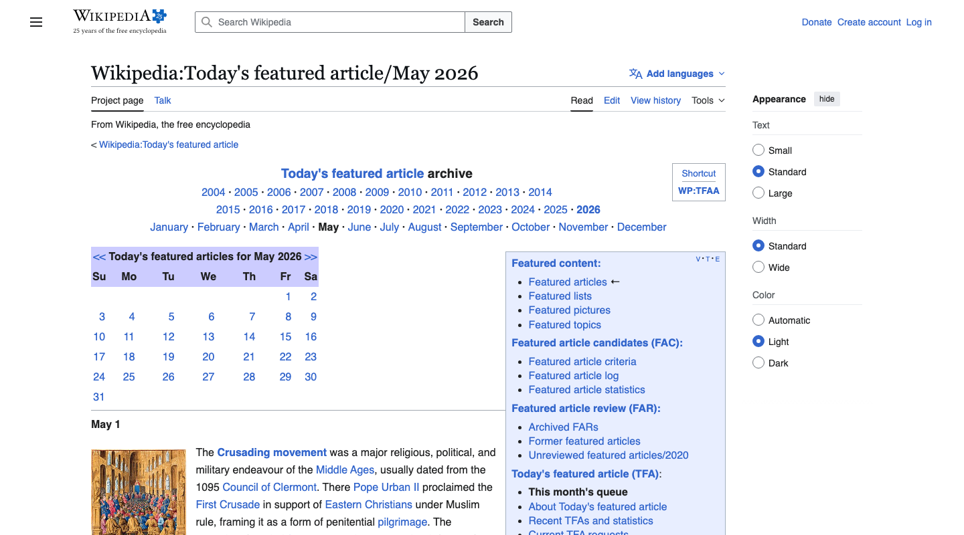 In each daily featured article section, hide the 'Full article...' link to keep the focus purely on reading the brief summaries directly on this page.
92 | non-viewport | In each daily featured article section, make the 'Full article...' link a prominent button placed immediately after the bolded title instead of burying it at the end of the text.
93 | unclear | Make the page editing options more accessible by moving the 'edit', 'talk', and 'history' metadata links from the bottom of each daily blurb to the top next to the date header.
94 | unclear | Hide all maintenance and administrative links on the page, specifically the metadata actions row ('view', 'talk', 'edit', 'history', 'watch') under each daily article and the 'Edit' tab at the top of the page.
95 | unrealistic | Prominently display the calendar grid and the year/month navigation lists by moving them to the absolute top of the page, above the main page title.
96 |  | Completely hide the top year/month navigation header lists and the calendar grid to reduce clutter, letting me jump straight into browsing the articles themselves.
97 | interaction | 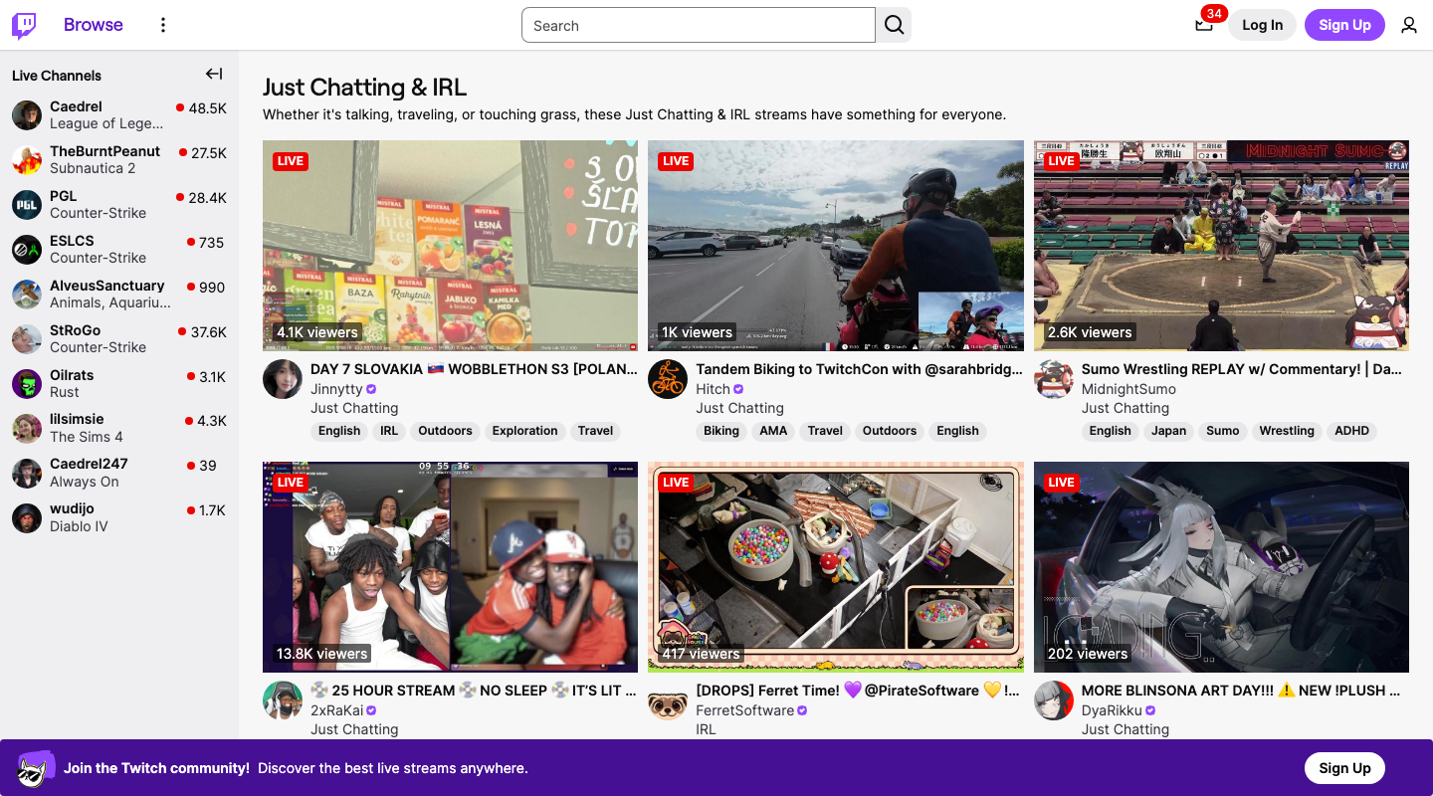 Add a sorting dropdown filter at the top of the stream grid to let me sort streams by 'Lowest Viewers' first so I can easily find smaller communities.
98 |  | Add a prominent 'Top Live' badge on the stream cards with the highest viewer counts to quickly point me to the biggest active streams.
99 |  | Reposition the stream tags (like 'English', 'IRL', 'Travel') to the very top of each stream card, right above the stream title, so I can scan them immediately.
100 |  | Hide all individual stream tags from the cards in the main grid to declutter the interface and make casual browsing less distracting.
101 | unrealistic | Make the live stream preview thumbnails significantly larger on the page and reduce the spacing occupied by text to focus entirely on visual previews.
102 |  | Increase the font size of stream titles and viewer count text, and move the viewer counts from the thumbnail overlay to a clean text line directly below the streamer's name.
103 |  | 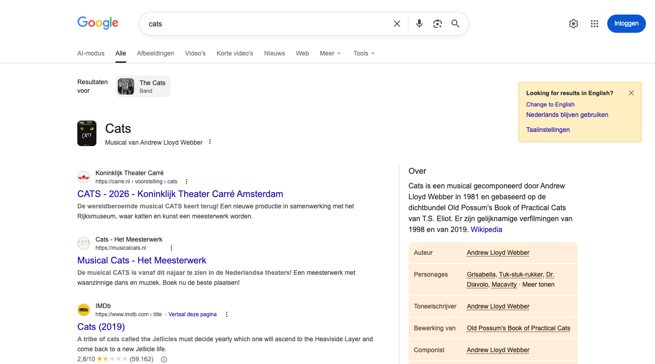 Make the 'Change to English' option in the yellow banner the default primary action, or automatically display English results at the top.
104 |  | Completely remove the yellow 'Looking for results in English?' language suggestion box at the top of the page to keep the focus on local Dutch results.
105 | non-viewport | Move the 'Afbeeldingen' (Images) carousel and 'Video's' section further up the page to sit directly below the search bar.
106 |  | Hide the media thumbnails from the web search results and collapse the right-hand information panels (Knowledge Graph) to provide a clean, distraction-free, text-only list.
107 |  | Move the 'Meer om te vragen' (People also ask) dropdown questions up so they appear directly below the first web result.
108 | non-viewport | Remove the 'Meer om te vragen' (People also ask) and 'Vind gerelateerde producten' sections to keep the interface clean and focused purely on the main search results.
109 |  | 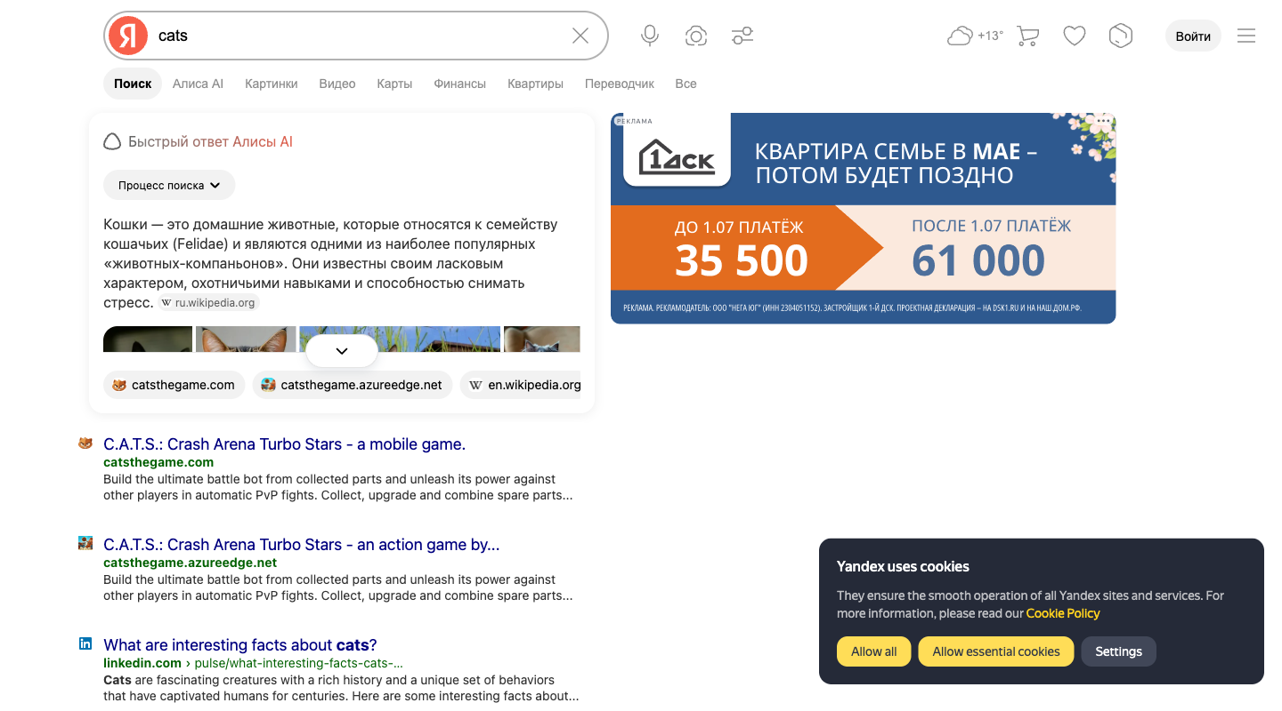 Show the AI-generated 'Быстрый ответ Алисы AI' card fully expanded by default at the very top of the page, rather than collapsed behind a show more button.
110 |  | Completely hide the 'Быстрый ответ Алисы AI' block so that traditional organic search results immediately start from the top of the list.
111 |  | Move the 'Видео' carousel snippet and its video thumbnails to the absolute top of the page, above the AI text answer.
112 |  | Hide all visual elements like the image gallery inside the AI card and the thumbnail previews on the video blocks, displaying only clean text snippets.
113 |  | Enlarge and highlight the header actions at the top right, such as the weather informer, market cart, and favorites buttons, to make them stand out.
114 |  | Remove all secondary portal features from the header, such as the weather informer, market cart, favorites, and the navigation tabs like 'Алиса AI' or 'Финансы', leaving only the basic search input.
115 |  | 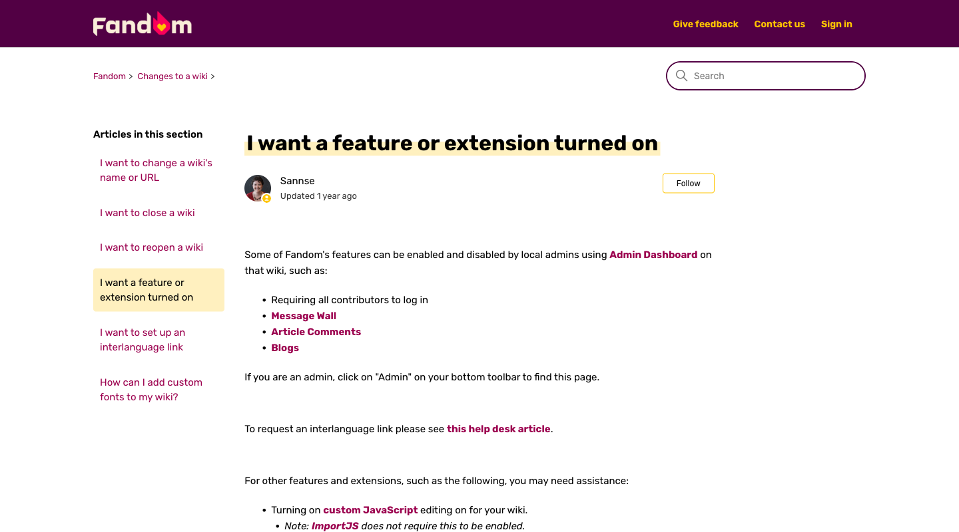 Place the link and instructions for 'Admin Dashboard' in a bold, highlighted box at the very top of the article body so I can immediately go configure settings myself.
116 |  | Add a prominent 'Contact Support to turn on a feature' button directly below the article title, rather than having the contact link buried at the bottom of the page.
117 | content edit | Add a brief descriptive subtext under each of the bulleted items (Message Wall, Article Comments, Blogs) at the top of the article to explain what they do.
118 |  | Remove the introductory text paragraphs above the first bulleted list and display only the clean checklist of features immediately under the main heading.
119 | content edit | Move the bullet points regarding 'custom JavaScript editing' and advanced developer extensions to the very top of the article content, making coding options the primary focus.
120 | content edit | Hide or collapse the technical bullet points about 'custom JavaScript' and complex extensions so I only see simple, non-technical features like Message Wall and Comments.

