Map
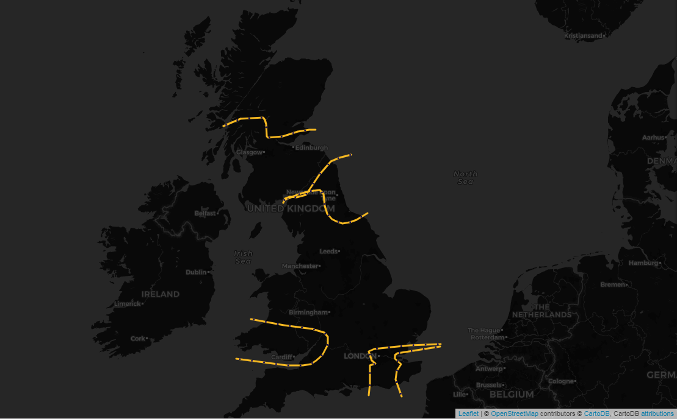

Select a Date | ESTEX | £0
2020-03-28
 | SCOTEX | £10,276
 | SEIMP | £0
Click on the name of the constraint to go to the associated area of the Network Diagram | SSE-SP | £653,229
SSE-SP
 | SSHARN | £0
£653,229
 | SWALEX | £0
SCOTEX
£10,276
SSHARN
£0

SWALEX
£0
ESTEX
£0
SEIMP
£0

Network Diagram E&W
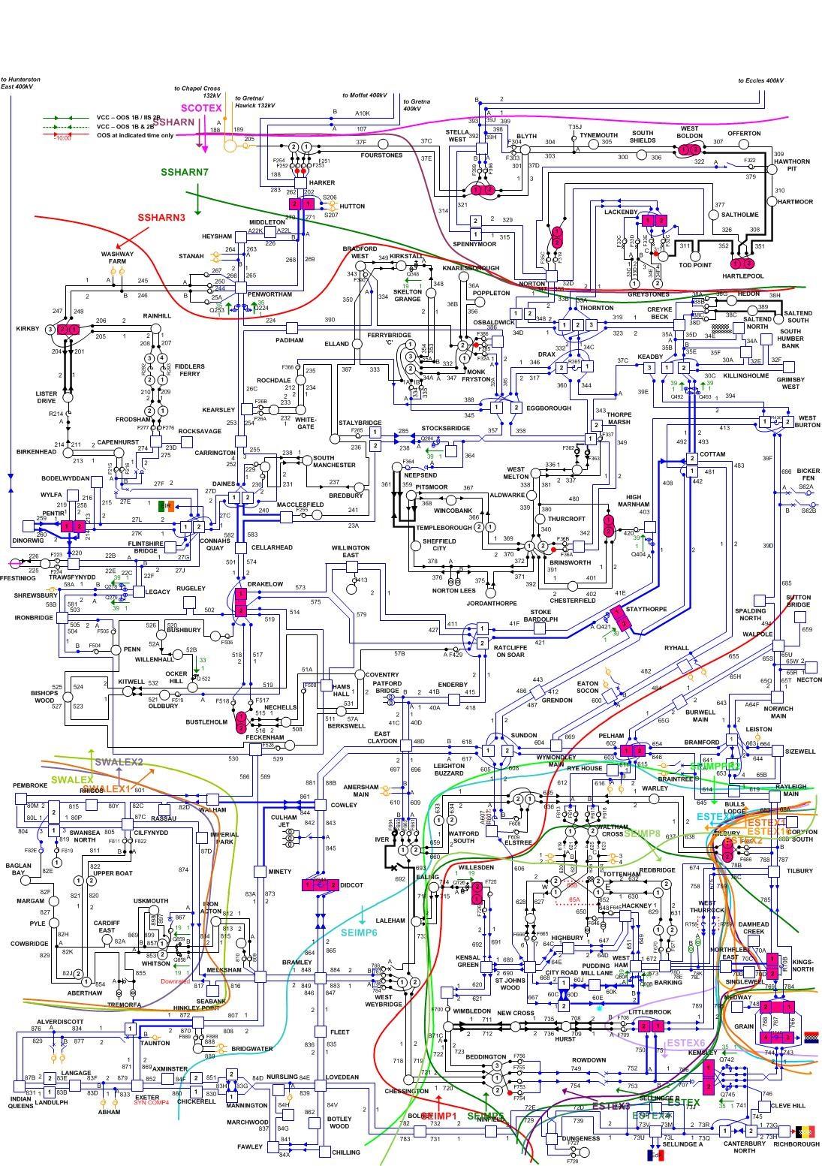

Network Diagram Scot
