Map
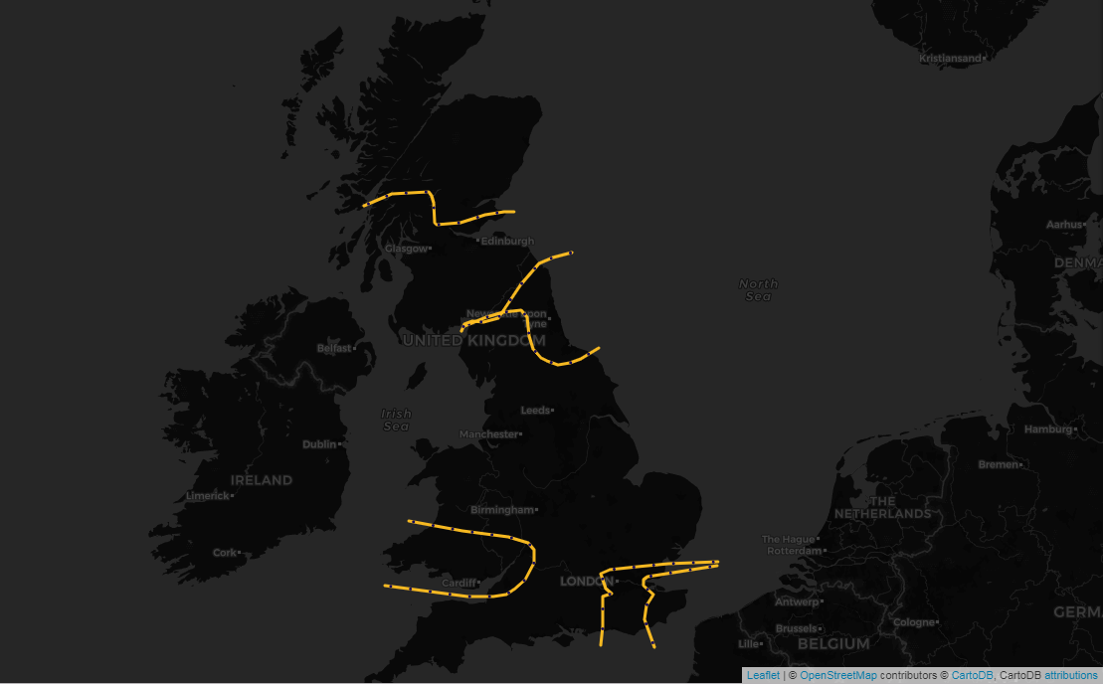

Select a Date | ESTEX | £0
2021-03-31
 | SCOTEX | £0
 | SEIMP | £0
Click on the name of the constraint to go to the associated area of the Network Diagram | SSE-SP | £928,016
SSE-SP
 | SSHARN | £0
£928,016
 | SWALEX | £0
SCOTEX
£0
SSHARN
£0

SWALEX
£0
ESTEX
£0
SEIMP
£0

Network Diagram E&W
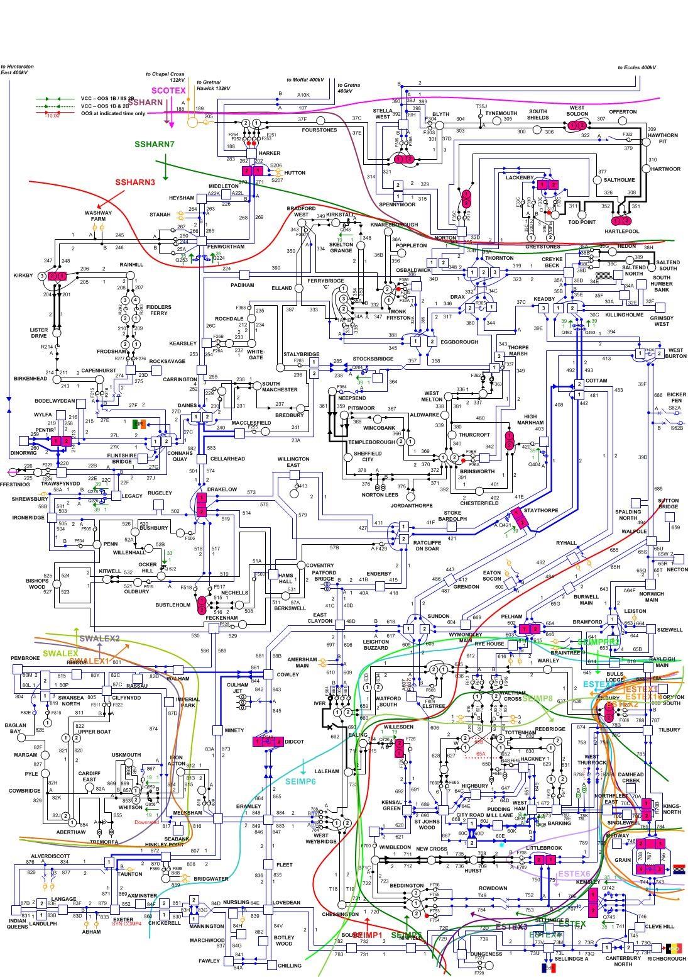

Network Diagram Scot
