Map
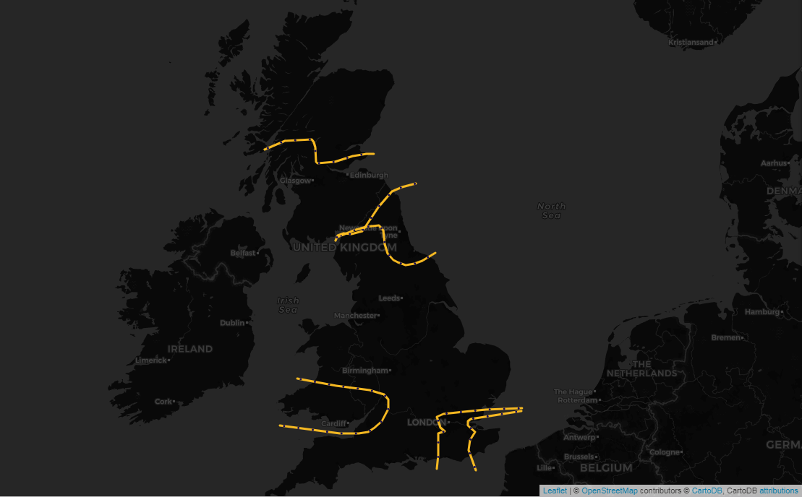

Select a Date | ESTEX | £0
2022-03-20
 | SCOTEX | £851,257
 | SEIMP | £0
Click on the name of the constraint to go to the associated area of the Network Diagram | SSE-SP | £3,800,112
SSE-SP
 | SSHARN | £0
£3,800,112
 | SWALEX | £0
SCOTEX
£851,257
SSHARN
£0

SWALEX
£0
ESTEX
£0
SEIMP
£0

Network Diagram E&W
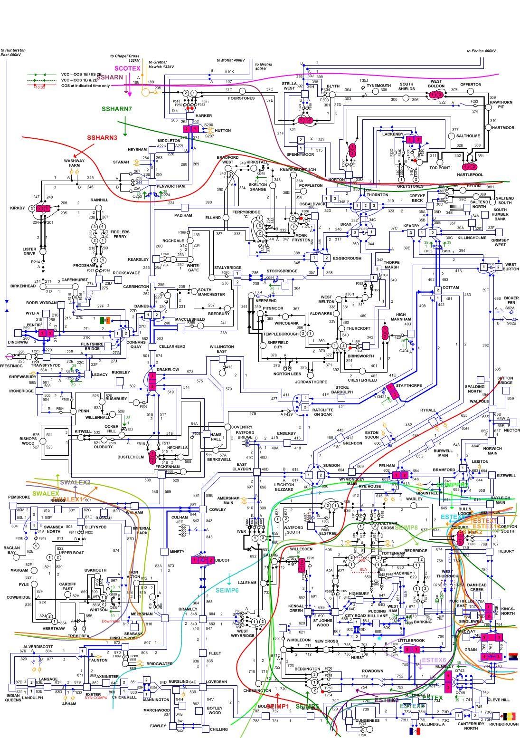

Network Diagram Scot
