first order occurrence
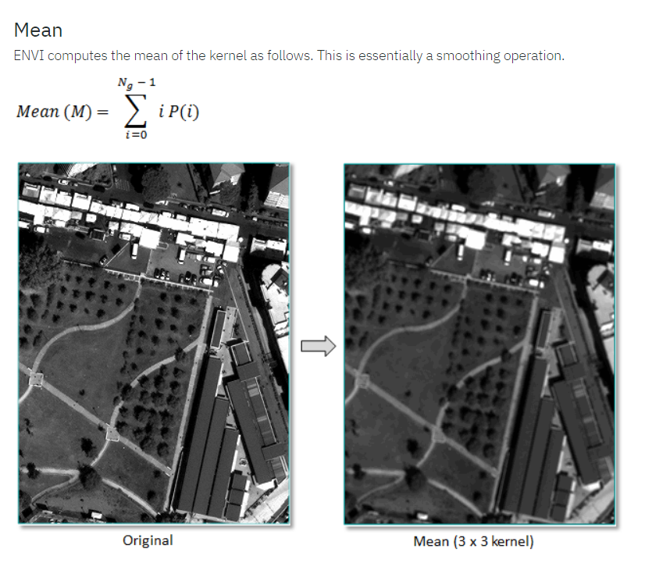
Values
 | 6 | 5 | 2 | 6 | 5
 | 4 | 4 | 3 | 5 | 6
 | 2 | 3 | 5 | 6 | 4
 | 4 | 6 | 4 | 3 | 5
 | 2 | 5 | 3 | 6 | 3

Occurrence values |  |  | Value | Occurrence | Divide values in kernel (9)
 |  |  | 3 | 3 | 0.33333333333
 |  |  | 4 | 2 | 0.22222222222
 |  |  | 5 | 2 | 0.22222222222
 |  |  | 6 | 2 | 0.22222222222

Value * probability |  | 0.88888888889 | 1 | 1.1111111111
 |  | 1 | 1.1111111111 | 1.3333333333
 |  | 1.3333333333 | 0.88888888889 | 1

FIRST ORDER METRICS (mean and variance)
Mean (M) |  | 9.6666666667

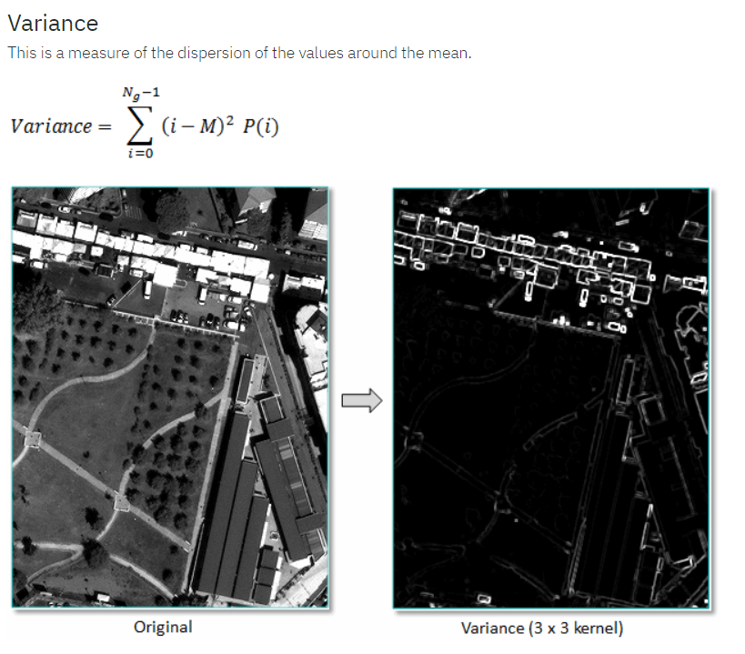
Variance |  | 7.1358024691 | 14.814814815 | 4.8395061728
 |  | 14.814814815 | 4.8395061728 | 2.987654321
 |  | 2.987654321 | 7.1358024691 | 14.814814815

Middle pixel |  | 74.37037037

Where
P(i) | probablity of each pixel value
i | pixel value
M | mean (as per first equation)

see: https://www.nv5geospatialsoftware.com/docs/BackgroundTextureMetrics.html#Mean

second order co-occurence
Values |  |  |  |  |  |  | Values to the right
 | 6 | 5 | 2 | 6 | 5 |  | 6 | 5 | 2 | 6 | 5
 | 4 | 4 | 3 | 5 | 6 |  | 4 | 4 | 3 | 5 | 6
 | 2 | 3 | 5 | 6 | 4 |  | 2 | 3 | 5 | 6 | 4
 | 4 | 6 | 4 | 3 | 5 |  | 4 | 6 | 4 | 3 | 5
 | 2 | 5 | 3 | 6 | 3 |  | 2 | 5 | 3 | 6 | 3

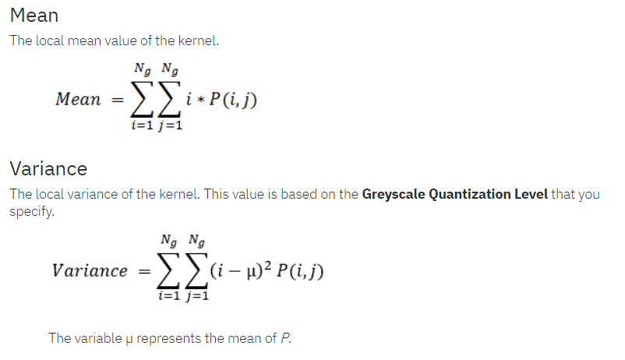
co-occurrence matrix |  | Neighbour pixel (j)
 |  | 3 | 4 | 5 | 6
Reference pixel (i) | 3 | 0 | 0 | 3 | 0
 | 4 | 2 | 0 | 0 | 0
 | 5 | 0 | 0 | 0 | 2 | Sum (9 pixels)
 | 6 | 0 | 2 | 0 | 0 | 9

Probabilities P(i,j) |  | Neighbour pixel (j)
 |  | 3 | 4 | 5 | 6
Reference pixel(i) | 3 | 0 | 0 | 0.33333333333 | 0
 | 4 | 0.22222222222 | 0 | 0 | 0
 | 5 | 0 | 0 | 0 | 0.22222222222 | Sum
 | 6 | 0 | 0.22222222222 | 0 | 0 | 1

Mean
0.88888888889 | 1 | 1.1111111111
1 | 1.1111111111 | 1.3333333333
1.3333333333 | 0.88888888889 | 1

Answer |  | 9.6666666667

Variance |  |  |  |  |  |  |  | Where:
 | Mean of P (u) |  |  |  |  |  |  | i | pixel value
 | 0.0625 |  |  |  |  |  |  | P(i,j) | probablity of pixel i changing to pixel j
 | i-u^2 |  |  |  |  |  |  | u | mean of probabilities
 | 15.50390625 | 8.62890625 | 24.37890625
 | 8.62890625 | 24.37890625 | 35.25390625
 | 35.25390625 | 15.50390625 | 8.62890625
 | i-u^2 * P(I,j)
 | 3.4453125 | 2.8763020833 | 5.4175347222
 | 2.8763020833 | 5.4175347222 | 7.8342013889
 | 7.8342013889 | 1.2038966049 | 2.8763020833

Answer | 39.781587577

