Sheet1
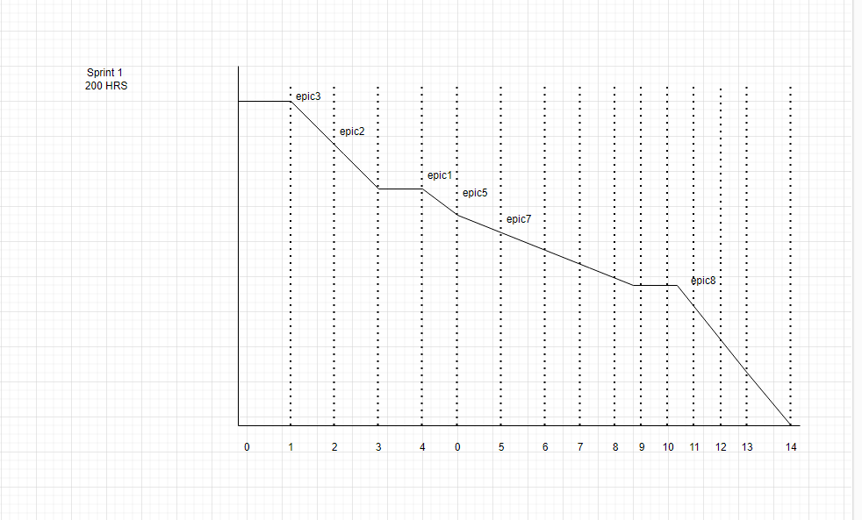
 | Task Board

To DO | In Progress | Testing | Done
Login(create Account)
 | View all Resturants by Team 1
Search Resturants
 |  | View Menu by team3
Add to Cart
Purchase |  |  | Resturant View Order by team 2 and 4

 | Resturant Mark order completed by team 2
 |  | Resturant Cancel Order by team4
 |  |  | User Rate Order by team 1 and 3

 | BurnDown Chart

