NRC
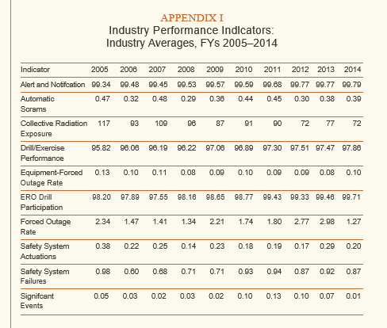
 | Nuclear Industry Averages | 2005 | 2006 | 2007 | 2008 | 2009 | 2010 | 2011 | 2012 | 2013 | 2014
 | Alert and Notification System Reliablility (%) | 99.34 | 99.48 | 99.45 | 99.53 | 99.57 | 99.59 | 99.68 | 99.77 | 99.77 | 99.79
 | Average Radiation Exposuer per plant (per worker) | 117.00 | 93.00 | 109.00 | 96.00 | 87.00 | 91.00 | 90.00 | 72.00 | 77.00 | 72.00
 | Drill Exercise Performance | 95.89 | 96.06 | 96.19 | 96.22 | 97.06 | 96.89 | 97.30 | 97.51 | 97.47 | 97.86
 | Safety System Failures per plant | 0.98 | 0.60 | 0.68 | 0.71 | 0.71 | 0.93 | 0.94 | 0.87 | 0.92 | 0.87
 | Significant Events per plant | 0.05 | 0.03 | 0.02 | 0.03 | 0.02 | 0.10 | 0.13 | 0.10 | 0.07 | 0.01

http://pbadupws.nrc.gov/docs/ML1525/ML15254A460.pdf

CPSC(OLD)
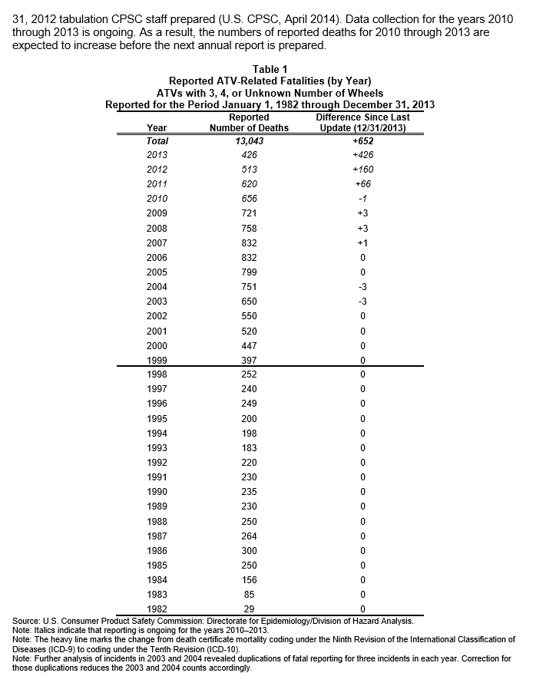
 |  |  |  |  |  | 1990 | 1991 | 1992 | 1993 | 1994 | 1995 | 1996 | 1997 | 1998 | 1999 | 2000 | 2001 | 2002 | 2003 | 2004 | 2005 | 2006 | 2007 | 2008 | 2009 | 2010 | 2011 | 2012 | 2013 | 2014
http://www.cpsc.gov//Global/Research-and-Statistics/Injury-Statistics/Sports-and-Recreation/ATVs/2013-ATV-Annual-Rpt-of-ATV-Related-Deaths--Injuries.pdf |  |  |  |  | ATV Deaths | 235 | 230 | 220 | 183 | 198 | 200 | 249 | 240 | 252 | 397 | 447 | 520 | 550 | 650 | 751 | 799 | 832 | 832 | 758 | 721 | 656 | 620 | 513 | 426 | na
 |  |  |  |  | ER Treamments for Inflatable Amusements (Estimate) | na | na | na | na | na | na | na | na | na | na | na | na | na | 5,311 | 6,101 | 5,371 | 5,938 | 8,348 | 7,470 | 10,554 | 13,470 | 14,492 | 18,841 | 17,377 | na
 |  |  |  |  | CO deaths (engine related) | na | na | na | na | na | na | na | na | na | na | na | na | na | na | 62 | 116 | 109 | 84 | 102 | 76 | 57 | 108 | 53 | 62 | 35
 |  |  | ATV |  | Electrocutions | na | na | na | na | na | na | na | na | na | na | na | na | 432 | 377 | 387 | 394 | 390 | 370 | 306 | 305 | na | na | na | na | na
 |  | 2013 | 426 |  | Residential Structure Fires (Estimated) | na | na | na | na | na | na | na | na | na | na | na | na | na | na | na | na | na | na | na | na | 364,300 | 365,500 | 351,400 | na | na
 |  | 2012 | 513 |  | Fireworks-Related Injuries (Estimates) | na | na | na | na | na | na | na | na | na | 8,500 | 11,000 | 9,500 | 8,800 | 9,300 | 9,600 | 10,800 | 9,200 | 9,800 | 7,000 | 8,800 | 8,600 | 9,600 | 8,700 | 11,400 | 10,500
 |  | 2011 | 620 |  | Nursery Product Related Injuries (Estimate) | na | na | na | na | na | na | na | na | na | na | na | na | na | na | na | na | na | na | na | 77,300 | 81,700 | 74,100 | 77,900 | 47,900 | na
 |  | 2010 | 656 |  | Pediatric Poisoning Fatalaties | 49 | 62 | 42 | 50 | 34 | 29 | 46 | 22 | 26 | 29 | 28 | 31 | 42 | 45 | 22 | 31 | 35 | 39 | 34 | 44 | 28 | 37 | 30 | na | na
 |  | 2009 | 721 |  | Toy Related ER Estimates | na | na | na | na | na | na | na | na | na | na | na | na | na | na | na | na | na | na | na | 250,100 | 251,700 | 262,300 | 265,000 | 256,700 | na
 |  | 2008 | 758 |  | Treadmill Injuries | na | na | na | na | na | na | na | na | na | na | na | na | na | na | na | na | na | na | na | na | na | na | 24,600 | 23,900 | 24,400
 |  | 2007 | 832
 |  | 2006 | 832
 |  | 2005 | 799
 |  | 2004 | 751
 |  | 2003 | 650
 |  | 2002 | 550
 |  | 2001 | 520
 |  | 2000 | 447
 |  | 1999 | 397
 |  | 1998 | 252
 |  | 1997 | 240
 |  | 1996 | 249
 |  | 1995 | 200
 |  | 1994 | 198
 |  | 1993 | 183
 |  | 1992 | 220
 |  | 1991 | 230
 |  | 1990 | 235
 |  | 1989 | 230
 |  | 1988 | 250
 |  | 1987 | 264
 |  | 1986 | 300

http://www.cpsc.gov//Global/Research-and-Statistics/Injury-Statistics/Amusement-Rides/Inflatable_Amusements_Deaths_and_Injuries_2015.pdf
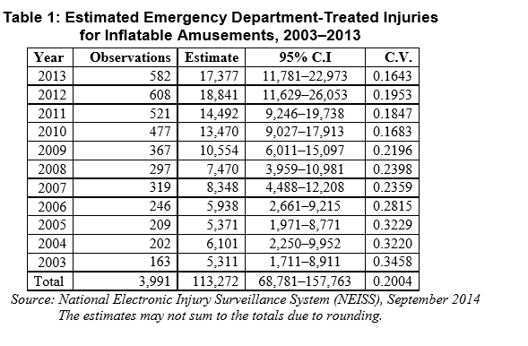
 |  |  | ER Treamments for Inflatable Amusements (Estimate)
 |  | 2013 | 17377
 |  | 2012 | 18841
 |  | 2011 | 14492
 |  | 2010 | 13470
 |  | 2009 | 10554
 |  | 2008 | 7470
 |  | 2007 | 8348
 |  | 2006 | 5938
 |  | 2005 | 5371
 |  | 2004 | 6101
 |  | 2003 | 5311

http://www.cpsc.gov//Global/Research-and-Statistics/Injury-Statistics/Carbon-Monoxide-Posioning/GeneratorsandOEDTFatalities2015.pdf
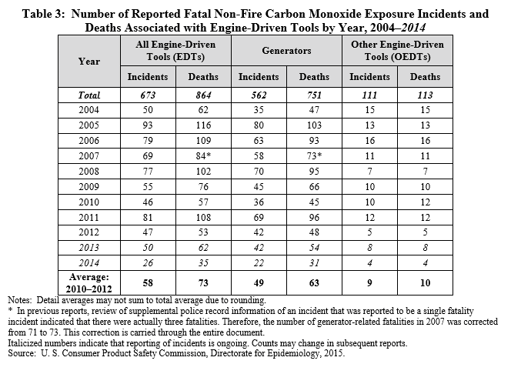

 |  |  |  | CO deaths (engine related)
 |  |  | 2014 | 35
 |  |  | 2013 | 62
 |  |  | 2012 | 53
 |  |  | 2011 | 108
 |  |  | 2010 | 57
 |  |  | 2009 | 76
 |  |  | 2008 | 102
 |  |  | 2007 | 84
 |  |  | 2006 | 109
 |  |  | 2005 | 116
 |  |  | 2004 | 62

http://www.cpsc.gov//PageFiles/136139/2009electrocutions.pdf
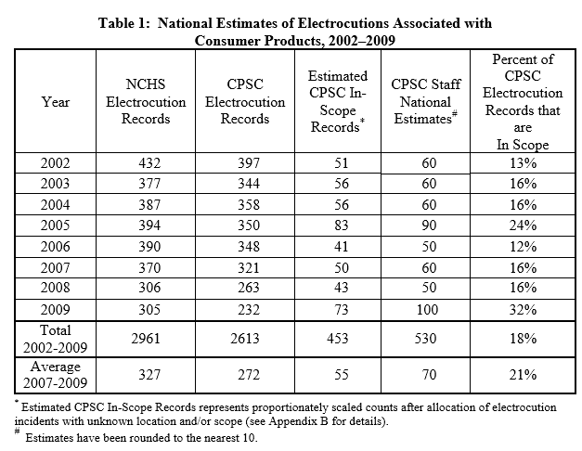

 |  |  |  | Electrocutions
 |  |  | 2009 | 305
 |  |  | 2008 | 306
 |  |  | 2007 | 370
 |  |  | 2006 | 390
 |  |  | 2005 | 394
 |  |  | 2004 | 387
 |  |  | 2003 | 377
 |  |  | 2002 | 432

 |  |  |  |  |  | Residential Structure Fires (Estimated)
 |  |  |  |  | 2012 | 351400
 |  |  |  |  | 2011 | 365500
 |  |  |  |  | 2010 | 364300
http://www.cpsc.gov//Global/Research-and-Statistics/Injury-Statistics/Fuel-Lighters-and-Fireworks/2010-2012-Residential-Fire-Loss-Estimates.pdf
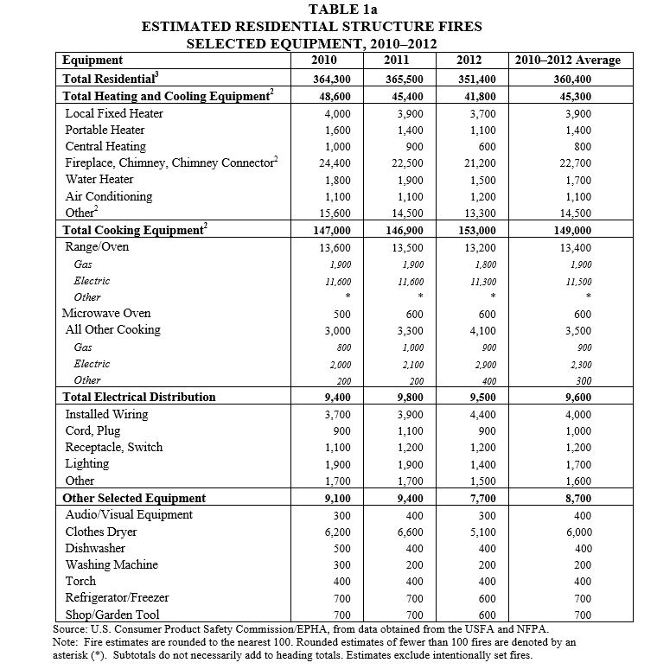

http://www.cpsc.gov//Global/Research-and-Statistics/Injury-Statistics/Fuel-Lighters-and-Fireworks/Fireworks_Report_2014.pdf
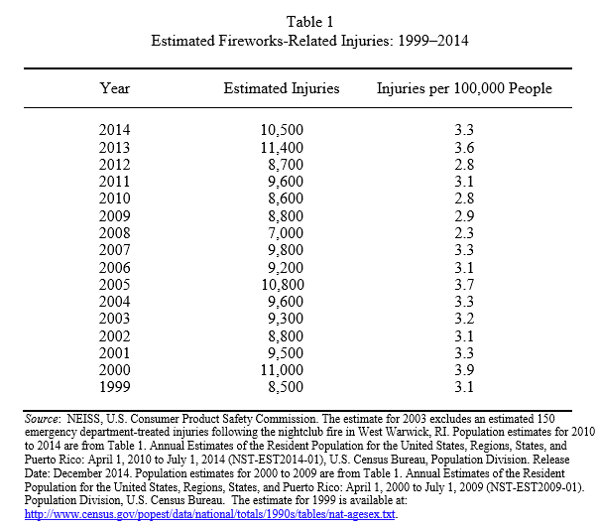

 |  |  |  | Fireworks-Related Injuries (Estimates)
 |  |  | 2014 | 10500
 |  |  | 2013 | 11400
 |  |  | 2012 | 8700
 |  |  | 2011 | 9600
 |  |  | 2010 | 8600
 |  |  | 2009 | 8800
 |  |  | 2008 | 7000
 |  |  | 2007 | 9800
 |  |  | 2006 | 9200
 |  |  | 2005 | 10800
 |  |  | 2004 | 9600
 |  |  | 2003 | 9300
 |  |  | 2002 | 8800
 |  |  | 2001 | 9500
 |  |  | 2000 | 11000
 |  |  | 1999 | 8500

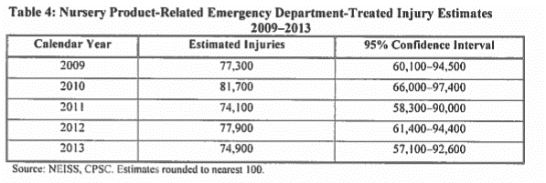
http://www.cpsc.gov//Global/Research-and-Statistics/Injury-Statistics/Toys/Nursery-Products-Annual-Report-2014.pdf
 |  |  |  | Nursery Product Related Injuries
 |  |  | 2013 | 47900
 |  |  | 2012 | 77900
 |  |  | 2011 | 74100
 |  |  | 2010 | 81700
 |  |  | 2009 | 77300

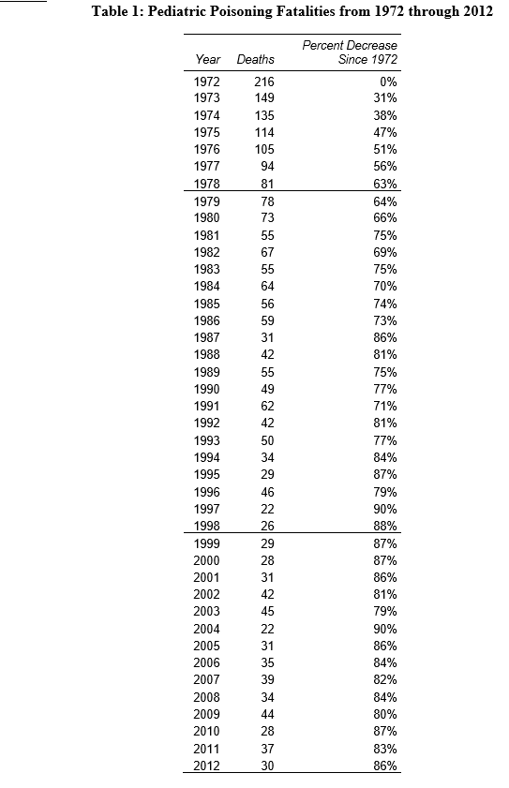
http://www.cpsc.gov//Global/Research-and-Statistics/Injury-Statistics/Pediatric-Poisonings/PPPAMortality2012.pdf
 |  |  |  | Pediatric Poisoning Fatalaties
 |  |  | 2012 | 30
 |  |  | 2011 | 37
 |  |  | 2010 | 28
 |  |  | 2009 | 44
 |  |  | 2008 | 34
 |  |  | 2007 | 39
 |  |  | 2006 | 35
 |  |  | 2005 | 31
 |  |  | 2004 | 22
 |  |  | 2003 | 45
 |  |  | 2002 | 42
 |  |  | 2001 | 31
 |  |  | 2000 | 28
 |  |  | 1999 | 29
 |  |  | 1998 | 26
 |  |  | 1997 | 22
 |  |  | 1996 | 46
 |  |  | 1995 | 29
 |  |  | 1994 | 34
 |  |  | 1993 | 50
 |  |  | 1992 | 42
 |  |  | 1991 | 62
 |  |  | 1990 | 49

http://www.cpsc.gov//Global/Research-and-Statistics/Injury-Statistics/Toys/ToyReport2013.pdf
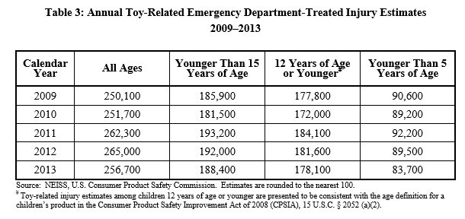

 |  |  |  | Toy Related ER Estimates
 |  |  | 2013 | 256700
 |  |  | 2012 | 265000
 |  |  | 2011 | 262300
 |  |  | 2010 | 251700
 |  |  | 2009 | 250100

http://www.cpsc.gov/Research--Statistics/Injury-Statistics/
Treadmill Injury Statistics

Injuries associated with treadmills seen in hospital emergency departments (ED)

YEAR | Number of Injuries
2014 | 24,400
2013 | 23,900
2012 | 24,600

SEC
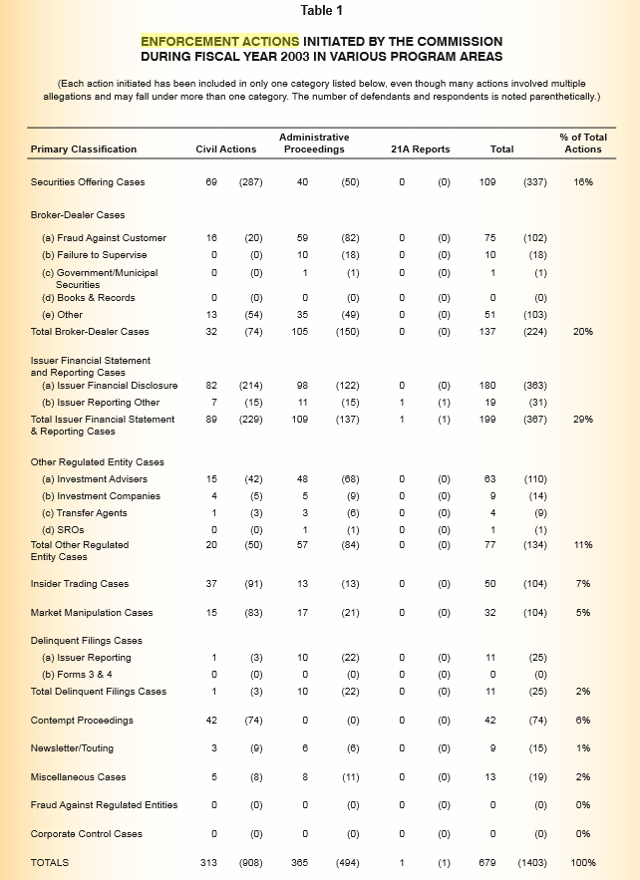
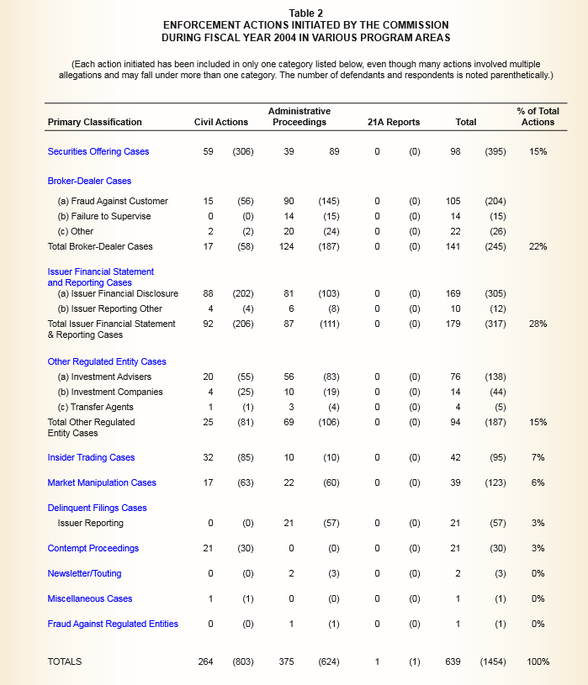
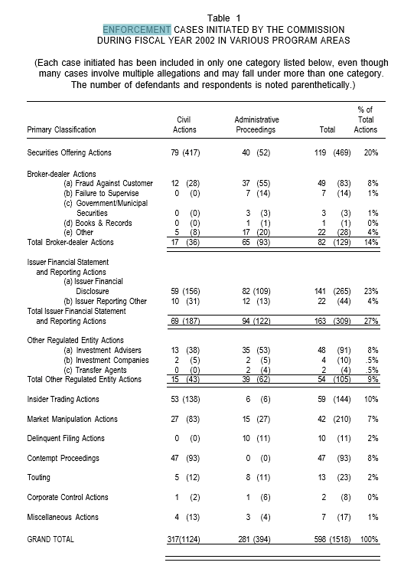
Enforcement Actions by Fiscal Year | 1991 | 1992 | 1993 | 1994 | 1995 | 1996 | 1997 | 1998 | 1999 | 2000 | 2001 | 2002 | 2003 | 2004 | 2005 | 2006 | 2007 | 2008 | 2009 | 2010 | 2011 | 2012 | 2013 | 2014
Enforcement Actions by Fiscal Year | 320 | 394 | 416 | 497 | 486 | 453 | 489 | 477 | 525 | 503 | 484 | 598 | 679 | 639 | 630 | 574 | 655 | 671 | 664 | 681 | 735 | 734 | 676 | 755

https://www.sec.gov/news/newsroom/images/enfstats.pdf

Enforcement Actions by Fiscal Year | 2005 | 2006 | 2007 | 2008 | 2009 | 2010 | 2011 | 2012 | 2013 | 2014
Broker-Dealer | 94 | 75 | 89 | 67 | 109 | 70 | 112 | 134 | 121 | 166
Delinquent Filings | n/a | 91 | 52 | 113 | 92 | 106 | 121 | 127 | 132 | 107
FCPA | n/a | n/a | n/a | n/a | n/a | n/a | * 20 | 15 | 5 | 7
Insider Trading | 50 | 46 | 47 | 61 | 37 | 53 | 57 | 58 | 44 | 52
Investment Adviser/Investment Co. | 97 | 87 | 79 | 87 | 76 | 113 | 146 | 147 | 140 | 130
Issuer Reporting and Disclosure | 185 | 138 | 219 | 154 | 143 | 126 | ** 89 | 79 | 68 | 99
Market Manipulation | 46 | 27 | 36 | 53 | 39 | 34 | 35 | 46 | 50 | 63
Securities Offering | 60 | 61 | 68 | 115 | 141 | 144 | 124 | 89 | 103 | 81
Other | 98 | 49 | 65 | 21 | 27 | 35 | 31 | 39 | 13 | 50
Total Enforcement Actions | 630 | 574 | 655 | 671 | 664 | 681 | 735 | 734 | 676 | 755

* Prior to FY 2011, FCPA was not a distinct category and FCPA actions were classified as Issuer Reporting and Disclosure.
** Prior to FY 2011, this category included FCPA actions, which are now tracked as a distinct category.

https://www.sec.gov/about/annual_report/1995.pdf |  |  |  | http://www.sec.gov/pdf/annrep00/ar00full.pdf |  |  |  |  |  |  | http://www.sec.gov/pdf/annrep01/ar01full.pdf
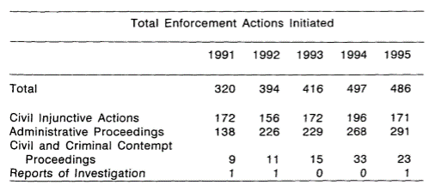
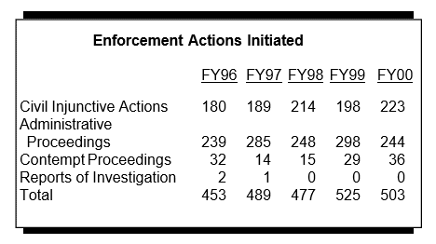
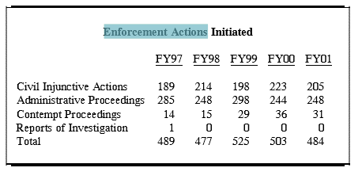

http://www.yalelawjournal.org/comment/sec-monetary-penalties-speak-very-loudly-but-what-do-they-say-a-critical-analysis-of-the-secs-new-enforcement-approach

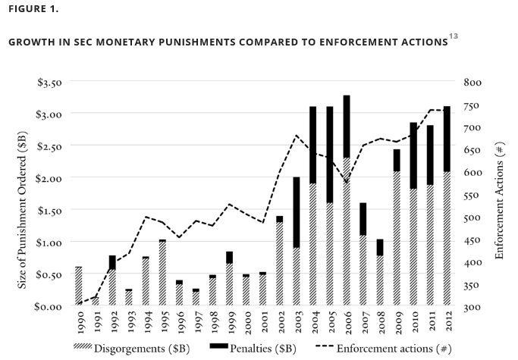

2003 | http://www.sec.gov/pdf/annrep03/ar03full.pdf |  |  |  |  |  | 2004 | https://www.sec.gov/about/secpar/secpar04stats.pdf |  |  |  |  |  |  |  |  |  |  | 2002 | http://www.sec.gov/pdf/annrep02/ar02full.pdf

OSHA
http://www.bls.gov/iif/oshwc/cfoi/cfch0012.pdf
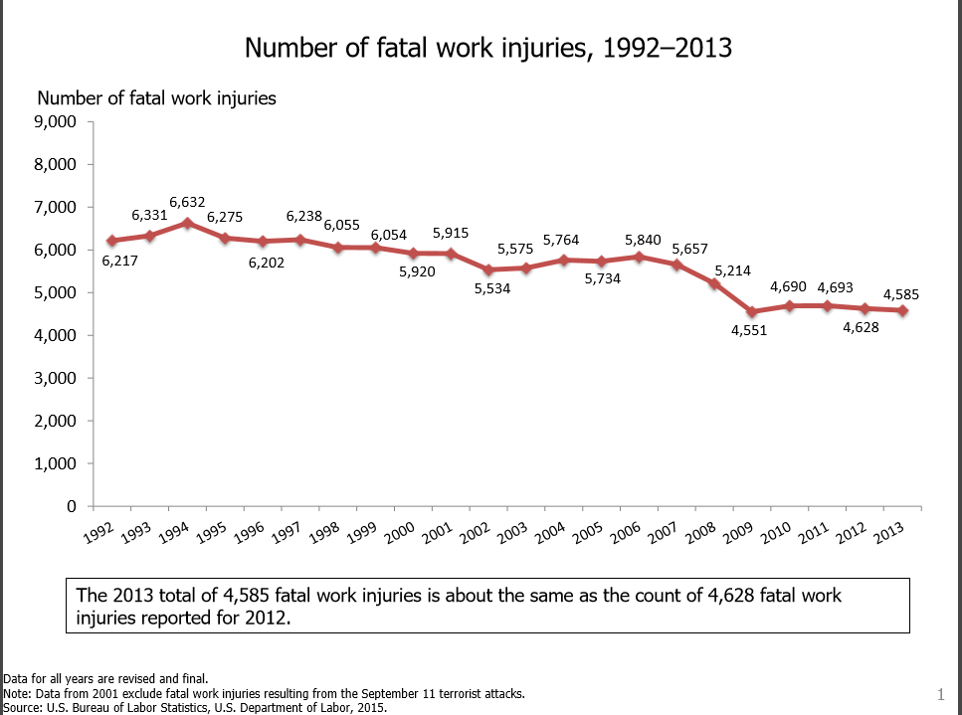

 | 1992 | 1993 | 1994 | 1995 | 1996 | 1997 | 1998 | 1999 | 2000 | 2001 | 2002 | 2003 | 2004 | 2005 | 2006 | 2007 | 2008 | 2009 | 2010 | 2011 | 2012 | 2013
Number of Fatal Work Injuries | 6,217 | 6,331 | 6,632 | 6,275 | 6,202 | 6,238 | 6,055 | 6,054 | 5,920 | 5,915 | 5,534 | 5,575 | 5,764 | 5,734 | 5,840 | 5,657 | 5,214 | 4,551 | 4,690 | 4,693 | 4,628 | 4,585

NLRB
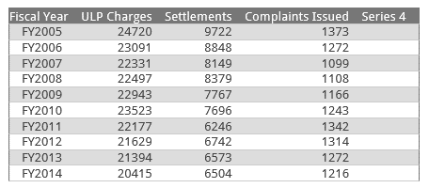
https://www.nlrb.gov/news-outreach/graphs-data/charges-and-complaints/charges-and-complaints

National Labor Review Board | 2005 | 2006 | 2007 | 2008 | 2009 | 2010 | 2011 | 2012 | 2013 | 2014
Charges alleging Unfair Labor Practices (NLRB) | 24,720 | 23,091 | 22,331 | 22,497 | 22,943 | 23,523 | 22,177 | 21,629 | 21,394 | 20,415
Settlements | 9,722 | 8,848 | 8,149 | 8,379 | 7,767 | 7,696 | 6,246 | 6,742 | 6,573 | 6,504
Complaints Issues | 1373 | 1272 | 1099 | 1108 | 1166 | 1243 | 1342 | 1314 | 1272 | 1216

TSA
