BOM
Item | Part Number | Thumbnail | BOM Structure | Unit QTY | QTY | Stock Number | Description | REV
1 | HotBed |  | Normal | Each | 1
2 | 80-20610mm |  | Normal | Each | 2
3 | 80-20570mm |  | Normal | Each | 3
4 | 80-20275mm |  | Normal | Each | 2
5 | 4844N42_T-Slotted Framing Structural Bracket | 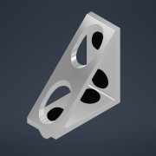 | Normal | Each | 10 |  | STEP AP203 | ANY
6 | HeatBed | 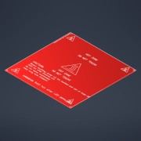 | Normal | Each | 4
11 | BLTouch-Smart V3.1 | 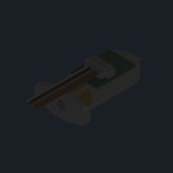 | Normal | Each | 0
13 | QSM-M5-4 | 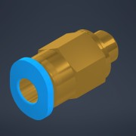 | Normal | Each | 1 |  | SolidWorks IGES file using analytic representation for surfaces
15 | NF-A4x20 | 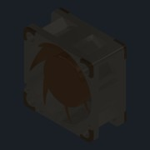 | Normal | Each | 2 |  | STEP AP214
16 | GantryPlate | 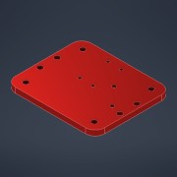 | Normal | Each | 6
17 | GantryBearing | 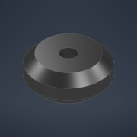 | Normal | Each | 12
18 | UNI 5931 - M 5 x 50 | 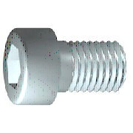 | Purchased | Each | 20 |  | Cylinder Head Cap Screw
20 | AS 1112 - M5 Type 5 | 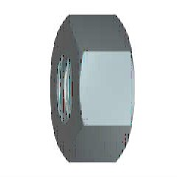 | Purchased | Each | 20 |  | ISO metric hexagon nuts, including thin nuts, slotted nuts and castle nuts
23 | BeltFastener | 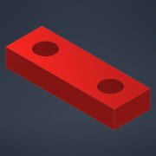 | Normal | Each | 2
24 | UNI 5931 - M 5 x 8 |  | Purchased | Each | 222 |  | Cylinder Head Cap Screw
25 | .25inSpacer | 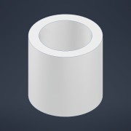 | Normal | Each | 32
26 | 5mmSpacer | 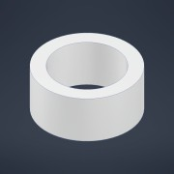 | Normal | Each | 14
27 | 6627T231_Stepper Motor | 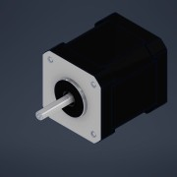 | Normal | Each | 7 |  | STEP AP203 | ANY
28 | 80-20base1 |  | Normal | Each | 2
29 | 80-20base2 |  | Normal | Each | 2
30 | 80-20Upright |  | Normal | Each | 4
31 | topBar1x2 |  | Normal | Each | 2
32 | topBar1x22 |  | Normal | Each | 2
33 | TSlotCornerGusset | 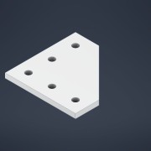 | Normal | Each | 10
34 | TSlotCornerGussetModified | 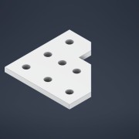 | Normal | Each | 4
35 | LinearRodSupport8020 | 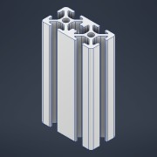 | Normal | Each | 4
36 | CornerBracket |  | Normal | Each | 8
37 | 1277N11_Corrosion-Resistant Timing Belt Pulley | 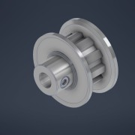 | Normal | Each | 2 |  | STEP AP203 | ANY
38 | 1277N735_Corrosion-Resistant Timing Belt Pulley | 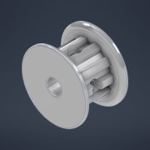 | Normal | Each | 8 |  | STEP AP203 | ANY
42 | 4516T501_Snap-Together Cable and Hose Carrier | 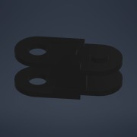 | Normal | Each | 34 |  | STEP AP203 | ANY
44 | SpoolHolder | 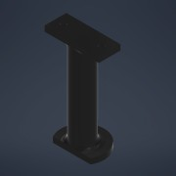 | Normal | Each | 0
45 | LinearRod |  | Normal | Each | 4
46 | Gantryconnect | 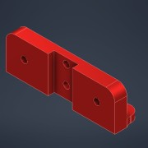 | Normal | Each | 4
47 | GantryBar | 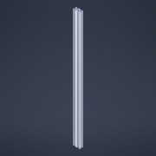 | Normal | Each | 1
48 | Leadscrew nut M8 step2 by prodes | 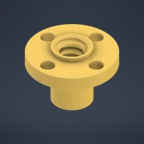 | Normal | Each | 4 |  | STEP AP214 | ANY
49 | SC10 SCS10UU Linear Rail Bearing | 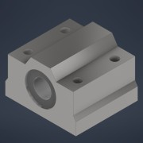 | Normal | Each | 4
50 | RodToBedCoupler | 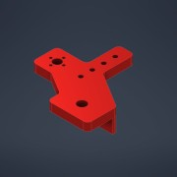 | Normal | Each | 2
51 | 2391N25_Fast-Travel Ultra-Precision Lead Screw |  | Normal | Each | 4 |  | STEP AP203 | ANY
52 | RodToBedCouplerMirror | 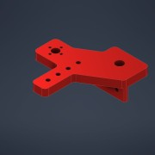 | Normal | Each | 2
53 | Zinc Alloy Pillow Block Flange Bearing KFL08 ID-8mm | 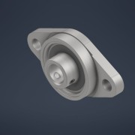 | Normal | Each | 4
54 | UNI 5931 - M 3 x 5 |  | Purchased | Each | 48 |  | Cylinder Head Cap Screw
55 | NEMA17BaseHolder | 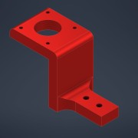 | Normal | Each | 4
56 | SK10 | 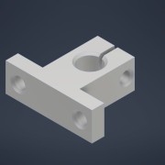 | Normal | Each | 8
57 | AS 1421 - M5 x 12 Cup Point | 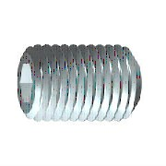 | Purchased | Each | 8 |  | ISO metric hexagon socket set screws
58 | nema17-mount | 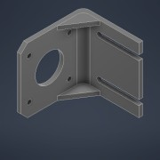 | Normal | Each | 2 |  | FreeCAD Model
59 | CoreXYPullyBlock | 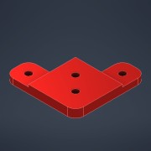 | Normal | Each | 4
60 | RepRapDiscount_Full Graphic Smart Controller | 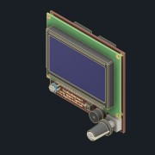 | Normal | Each | 1
61 | FG_lcd_front_Panel | 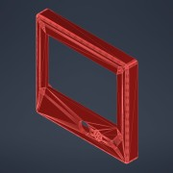 | Normal | Each | 1
62 | FG_lcd_rear_cover | 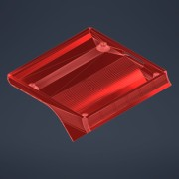 | Normal | Each | 1
63 | FAN | 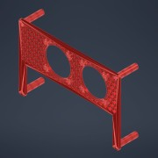 | Normal | Each | 1
64 | SKR-PRO-V1.2 | 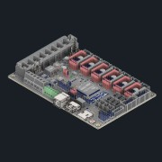 | Normal | Each | 1
65 | SKR Mount | 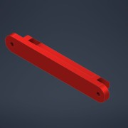 | Normal | Each | 1
66 | UNI 5931 - M 5 x 20 |  | Purchased | Each | 4 |  | Cylinder Head Cap Screw
67 | TMC2209 | 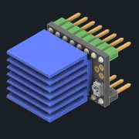 | Normal | Each | 6 |  | FreeCAD Model
68 | Raspberry Pi 4 Model B | 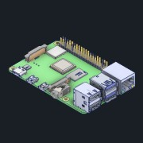 | Normal | Each | 1
69 | Raspberry_Pi_4_Case | 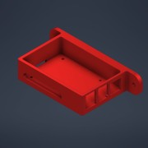 | Normal | Each | 1 |  | STEP AP214 | ANY
70 | UNI 5931 - M 2.5 x 4 |  | Purchased | Each | 4 |  | Cylinder Head Cap Screw
71 | Power Supply Cover Assembly | 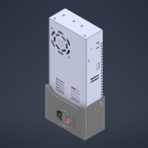 | Normal | Each | 1
74 | 4147N168_Set Screw Precision Flexible Shaft Couplings | 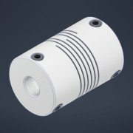 | Normal | Each | 4 |  | STEP AP203 | ANY
75 | 10mmSpacer | 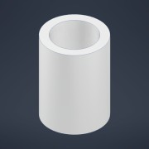 | Normal | Each | 8
76 | makerbase mks hotbed mos v1.1 | 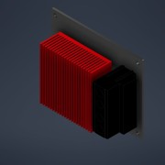 | Normal | Each | 1 |  | CATIA V5 STEP Exchange
77 | HOTBED-MOSHolder |  | Normal | Each | 1
80 | Part2 | *Varies* | Normal | Each | 2
81 | Part1 | *Varies* | Normal | Each | 2
82 | Idler Bearing | 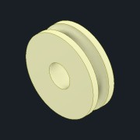 | Normal | Each | 1
83 | MK8 Drive Gear | 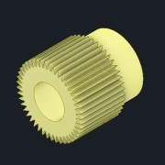 | Normal | Each | 1
84 | MK8_Exruder_004(yay) | 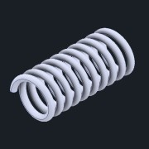 | Normal | Each | 1
85 | Part3 | 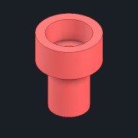 | Normal | Each | 1
86 | extruder motor stand | 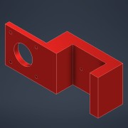 | Normal | Each | 1
87 | FrameCrossBrace |  | Normal | Each | 4
88 | 45CornerGusset |  | Normal | Each | 8
89 | HOTEND ENDER 3 PRO |  | Normal | Each | 1
90 | DUTO DE AR BLOWER FAN DC PB04020MS4 |  | Normal | Each | 1
91 | BLOWER FAN DC PB04020MS4 |  | Normal | Each | 1
92 | Vis BHC 18mm |  | Normal | Each | 3
93 | CableCarrierMount |  | Normal | Each | 1
94 | UNI 5931 - M 5 x 25 |  | Purchased | Each | 1 |  | Cylinder Head Cap Screw

