Child labour II
ILO GLOBAL ESTIMATES OF CHILD LABOUR, 2012-2016

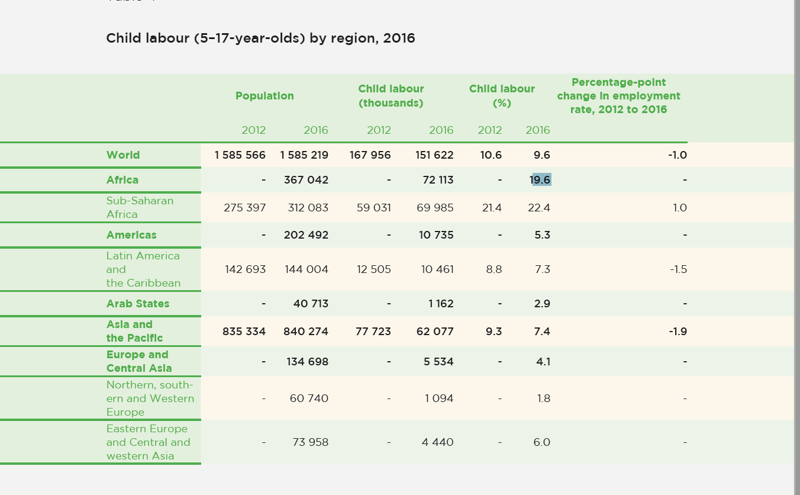

 |  | Country | Child labour 2016 in %
Africa | Northern Africa | Algeria | 19.6
 |  | Egypt | 19.6
 |  | Libya | 19.6
 |  | Morocco | 19.6
 |  | Sudan | 19.6
 |  | Tunisia | 19.6
 |  | Western Sahara | 19.6
 | Sub-Saharan Africa | Angola | 22.4
 |  | Benin | 22.4
 |  | Botswana | 22.4
 |  | Burkina Faso | 22.4
 |  | Burundi | 22.4
 |  | Cameroon | 22.4
 |  | Cape Verde | 22.4
 |  | Central African Republic | 22.4
 |  | Chad | 22.4
 |  | Comoros | 22.4
 |  | Congo, Republic of (Brazzaville) | 22.4
 |  | Congo, Democratic Republic of the (Kinshasa) | 22.4
 |  | Ivory Coast | 22.4
 |  | Djibouti | 22.4
 |  | Equatorial Guinea | 22.4
 |  | Eritrea | 22.4
 |  | Ethiopia | 22.4
 |  | Gabon | 22.4
 |  | Gambia | 22.4
 |  | Ghana | 22.4
 |  | Guinea | 22.4
 |  | Guinea-Bissau | 22.4
 |  | Kenya | 22.4
 |  | Lesotho | 22.4
 |  | Liberia | 22.4
 |  | Madagascar | 22.4
 |  | Malawi | 22.4
 |  | Mali | 22.4
 |  | Mauritania | 22.4
 |  | Mauritius | 22.4
 |  | Mayotte | 22.4
 |  | Mozambique | 22.4
 |  | Namibia | 22.4
 |  | Niger | 22.4
 |  | Nigeria | 22.4
 |  | Réunion | 22.4
 |  | Rwanda | 22.4
 |  | Saint Helena | 22.4
 |  | São Tomé and Príncipe | 22.4
 |  | Senegal | 22.4
 |  | Seychelles | 22.4
 |  | Sierra Leone | 22.4
 |  | Somalia | 22.4
 |  | South Africa | 22.4
 |  | South Sudan | 22.4
 |  | Swaziland | 22.4
 |  | Tanzania | 22.4
 |  | Togo | 22.4
 |  | Uganda | 22.4
 |  | Zambia | 22.4
 |  | Zimbabwe | 22.4

Americas | Latin America and the Caribbean | Anguilla | 7.3
 |  | Antigua and Barbuda | 7.3
 |  | Argentina | 7.3
 |  | Aruba | 7.3
 |  | Bahamas | 7.3
 |  | Barbados | 7.3
 |  | Belize | 7.3
 |  | Bolivia | 7.3
 |  | Brazil | 7.3
 |  | British Virgin Islands | 7.3
 |  | Cayman Islands | 7.3
 |  | Chile | 7.3
 |  | Colombia | 7.3
 |  | Costa Rica | 7.3
 |  | Cuba | 7.3
 |  | Curaçao | 7.3
 |  | Dominica | 7.3
 |  | Dominican Republic | 7.3
 |  | Ecuador | 7.3
 |  | El Salvador | 7.3
 |  | Falkland Islands (Malvinas) | 7.3
 |  | French Guiana | 7.3
 |  | Grenada | 7.3
 |  | Guadeloupe | 7.3
 |  | Guatemala | 7.3
 |  | Guyana | 7.3
 |  | Haiti | 7.3
 |  | Honduras | 7.3
 |  | Jamaica | 7.3
 |  | Martinique | 7.3
 |  | Mexico | 7.3
 |  | Montserrat | 7.3
 |  | Netherlands Antilles | 7.3
 |  | Nicaragua | 7.3
 |  | Panama | 7.3
 |  | Paraguay | 7.3
 |  | Peru | 7.3
 |  | Puerto Rico | 7.3
 |  | Saint Kitts and Nevis | 7.3
 |  | Saint Lucia | 7.3
 |  | Saint Martin (French) | 7.3
 |  | Saint Vincent and the Grenadines | 7.3
 |  | Sint Maarten (Dutch) | 7.3
 |  | Suriname | 7.3
 |  | Trinidad and Tobago | 7.3
 |  | Turks and Caicos Islands | 7.3
 |  | United States Virgin Islands | 7.3
 |  | Uruguay | 7.3
 |  | Venezuela | 7.3
 | Northern America | Bermuda | 5.3
 |  | Canada | 5.3
 |  | Greenland | 5.3
 |  | Saint Pierre and Miquelon | 5.3
 |  | United States | 5.3

Arab States |  | Bahrain | 2.9
 |  | Iraq | 2.9
 |  | Jordan | 2.9
 |  | Kuwait | 2.9
 |  | Lebanon | 2.9
 |  | Oman | 2.9
 |  | Qatar | 2.9
 |  | Saudi Arabia | 2.9
 |  | Syria | 2.9
 |  | United Arab Emirates | 2.9
 |  | West Bank and Gaza Strip | 2.9
 |  | Yemen | 2.9

Asia and the Pacific | Eastern Asia | China | 7.4
 |  | Hong Kong (China) | 7.4
 |  | Japan | 7.4
 |  | Korea, Republic of (South Korea) | 7.4
 |  | North Korea | 7.4
 |  | Macau (China) | 7.4
 |  | Mongolia | 7.4
 |  | Taiwan | 7.4
 | South-Eastern Asia and the Pacific | Brunei Darussalam | 7.4
 |  | Cambodia | 7.4
 |  | Indonesia | 7.4
 |  | Lao | 7.4
 |  | Malaysia | 7.4
 |  | Myanmar oder Burma | 7.4
 |  | Philippines | 7.4
 |  | Singapore | 7.4
 |  | Thailand | 7.4
 |  | East Timor or Timor-Leste | 7.4
 |  | Vietnam | 7.4
 |  | American Samoa | 7.4
 |  | Australia | 7.4
 |  | Cook Islands | 7.4
 |  | Fiji | 7.4
 |  | French Polynesia | 7.4
 |  | Guam | 7.4
 |  | Kiribati | 7.4
 |  | Marshall Islands | 7.4
 |  | Micronesia | 7.4
 |  | Nauru | 7.4
 |  | New Caledonia | 7.4
 |  | New Zealand | 7.4
 |  | Niue | 7.4
 |  | Northern Mariana Islands | 7.4
 |  | Palau | 7.4
 |  | Papua New Guinea | 7.4
 |  | Samoa | 7.4
 |  | Solomon Islands | 7.4
 |  | Tonga | 7.4
 |  | Tuvalu | 7.4
 |  | Vanuatu | 7.4
 | Sothern Asia | Afghanistan | 7.4
 |  | Bangladesh | 7.4
 |  | Bhutan | 7.4
 |  | India | 7.4
 |  | Iran | 7.4
 |  | Maldives | 7.4
 |  | Nepal | 7.4
 |  | Pakistan | 7.4
 |  | Sri Lanka | 7.4

Europe and Central Asia | Northern, Southern and Western Europe | Albania | 1.8
 |  | Andorra | 1.8
 |  | Austria | 1.8
 |  | Belgium | 1.8
 |  | Bosnia and Herzegovina | 1.8
 |  | Channel Islands | 1.8
 |  | Croatia | 1.8
 |  | Denmark | 1.8
 |  | Estonia | 1.8
 |  | Faroe Islands | 1.8
 |  | Finland | 1.8
 |  | France | 1.8
 |  | Germany | 1.8
 |  | Gibraltar | 1.8
 |  | Greece | 1.8
 |  | Iceland | 1.8
 |  | Ireland | 1.8
 |  | Isle of Man | 1.8
 |  | Italy | 1.8
 |  | Kosovo | 1.8
 |  | Latvia | 1.8
 |  | Liechtenstein | 1.8
 |  | Lithuania | 1.8
 |  | Luxembourg | 1.8
 |  | Malta | 1.8
 |  | Monaco | 1.8
 |  | Montenegro | 1.8
 |  | Netherlands | 1.8
 |  | Norway | 1.8
 |  | Portugal | 1.8
 |  | San Marino | 1.8
 |  | Serbia | 1.8
 |  | Slovenia | 1.8
 |  | Spain | 1.8
 |  | Sweden | 1.8
 |  | Switzerland | 1.8
 |  | Macedonia | 1.8
 |  | United Kingdom | 1.8
 | Eastern Europe and Central Asia | Belarus | 6
 |  | Bulgaria | 6
 |  | Czech Republic | 6
 |  | Hungary | 6
 |  | Moldova | 6
 |  | Poland | 6
 |  | Romania | 6
 |  | Russia | 6
 |  | Slovakia | 6
 |  | Ukraine | 6
 | Central and Western Asia | Armenia | 4.1
 |  | Azerbaijan | 4.1
 |  | Cyprus | 4.1
 |  | Georgia | 4.1
 |  | Israel | 4.1
 |  | Kazakhstan | 4.1
 |  | Kyrgyzstan | 4.1
 |  | Tajikistan | 4.1
 |  | Turkey | 4.1
 |  | Turkmenistan | 4.1
 |  | Uzbekistan | 4.1

Equal Opportunities and Discrim
The Global Gender Gap Report 2017 by World Economic Forum
Quelle: http://reports.weforum.org/global-gender-gap-report-2017/dataexplorer/http://reports
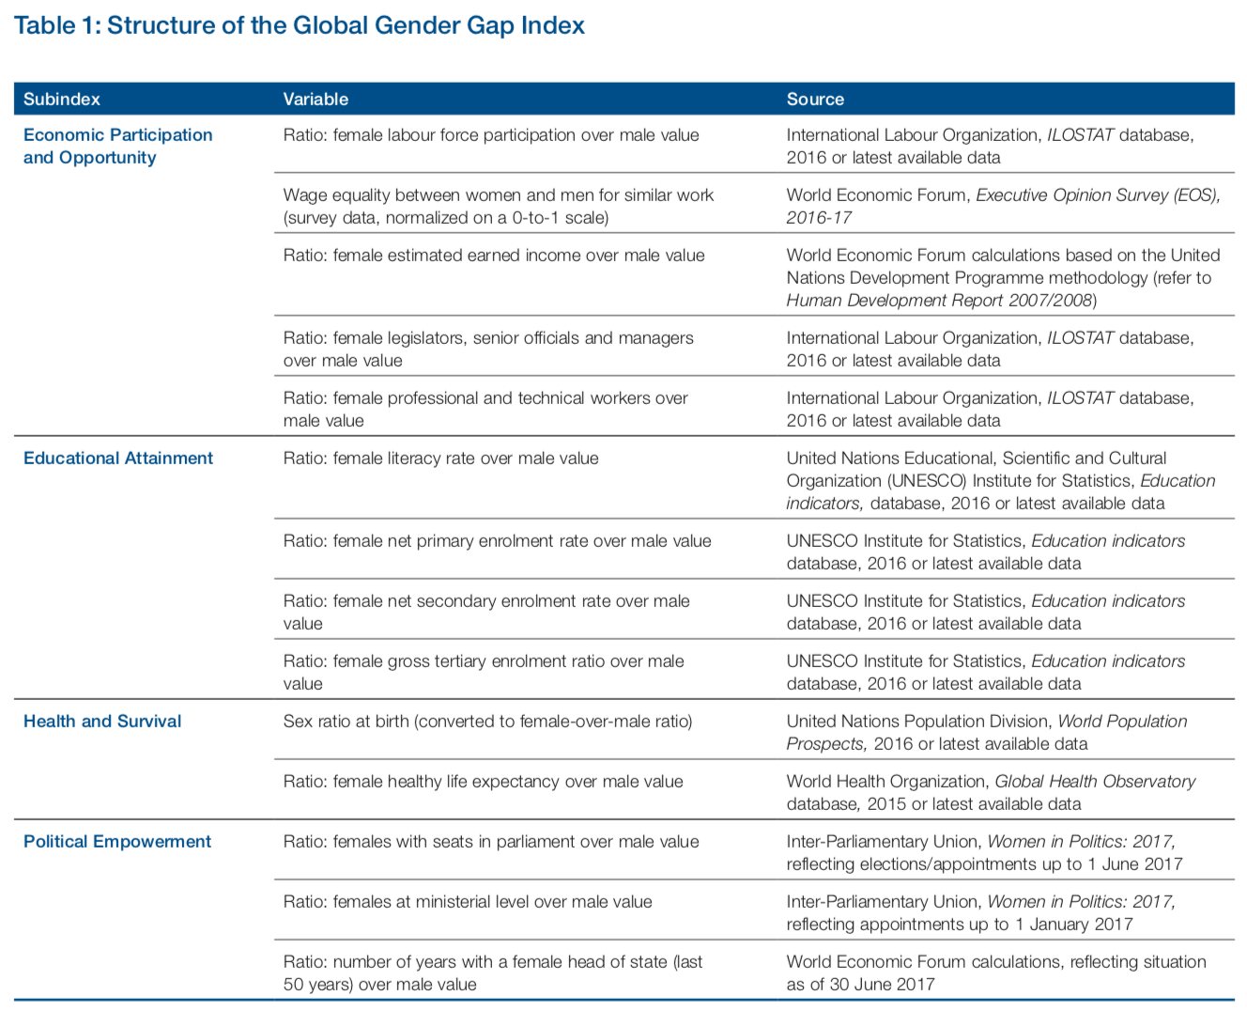

Rank | Country | Index
1 | Iceland | 0.878
2 | Norway | 0.83
3 | Finland | 0.823
4 | Rwanda | 0.822
5 | Sweden | 0.816
6 | Nicaragua | 0.814
7 | Slovenia | 0.805
8 | Ireland | 0.794
9 | New Zealand | 0.791
10 | Philippines | 0.79
11 | France | 0.778
12 | Germany | 0.778
13 | Namibia | 0.777
14 | Denmark | 0.776
15 | United Kingdom | 0.77
16 | Canada | 0.769
17 | Bolivia | 0.758
18 | Bulgaria | 0.756
19 | South Africa | 0.756
20 | Latvia | 0.756
21 | Switzerland | 0.755
22 | Burundi | 0.755
23 | Barbados | 0.75
24 | Spain | 0.746
25 | Cuba | 0.745
26 | Belarus | 0.744
27 | Bahamas | 0.743
28 | Lithuania | 0.742
29 | Mozambique | 0.741
30 | Moldova | 0.74
31 | Belgium | 0.739
32 | Netherlands | 0.737
33 | Portugal | 0.734
34 | Argentina | 0.732
35 | Australia | 0.731
36 | Colombia | 0.731
37 | Estonia | 0.731
38 | Albania | 0.728
39 | Poland | 0.728
40 | Serbia | 0.727
41 | Costa Rica | 0.727
42 | Ecuador | 0.724
43 | Panama | 0.722
44 | Israel | 0.721
45 | Uganda | 0.721
46 | Botswana | 0.72
47 | Bangladesh | 0.719
48 | Peru | 0.719
49 | United States | 0.718
50 | Zimbabwe | 0.717
51 | Jamaica | 0.717
52 | Kazakhstan | 0.713
53 | Mongolia0 | 0.713
54 | Croatia | 0.711
55 | Honduras | 0.711
56 | Uruguay | 0.71
57 | Austria | 0.709
58 | Romania | 0.708
59 | Luxembourg | 0.706
60 | Venezuela | 0.706
61 | Ukraine | 0.705
62 | El Salvador | 0.705
63 | Chile | 0.704
64 | Lao | 0.703
65 | Singapore | 0.702
66 | Bosnia and Herzegovina | 0.702
67 | Macedonia | 0.702
68 | Tanzania | 0.7
69 | Vietnam | 0.698
70 | Dominican Republic | 0.697
71 | Russia | 0.696
72 | Ghana | 0.695
73 | Lesotho | 0.695
74 | Slovakia | 0.694
75 | Thailand | 0.694
76 | Kenya | 0.694
77 | Montenegro | 0.693
78 | Greece | 0.692
79 | Belize | 0.692
80 | Madagascar | 0.692
81 | Mexico | 0.692
82 | Italy | 0.692
83 | Myanmar oder Burma | 0.691
84 | Indonesia | 0.691
85 | Kyrgyz Republic | 0.691
86 | Suriname | 0.689
87 | Cameroon | 0.689
88 | Czech Republic | 0.688
89 | Cape Verde | 0.686
90 | Brazil | 0.684
91 | Senegal | 0.684
92 | Cyprus | 0.684
93 | Malta | 0.682
94 | Georgia | 0.679
95 | Tajikistan | 0.678
96 | Paraguay | 0.678
97 | Armenia | 0.677
98 | Azerbaijan | 0.676
99 | Cambodia | 0.676
100 | China | 0.674
101 | Malawi | 0.672
102 | Brunei Darussalam | 0.671
103 | Hungary | 0.67
104 | Malaysia | 0.67
105 | Swaziland | 0.67
106 | Maldives | 0.669
107 | Liberia | 0.669
108 | India | 0.669
109 | Sri Lanka | 0.669
110 | Guatemala | 0.667
111 | Nepal | 0.664
112 | Mauritius | 0.664
113 | Guinea | 0.659
114 | Japan | 0.657
115 | Ethiopia | 0.656
116 | Benin | 0.652
117 | Tunisia | 0.651
118 | Korea, Republic of (South Korea) | 0.65
119 | Gambia | 0.649
120 | United Arab Emirates | 0.649
121 | Burkina Faso | 0.646
122 | Nigeria | 0.641
123 | Angola | 0.64
124 | Bhutan | 0.638
125 | Fiji | 0.638
126 | Bahrain | 0.632
127 | Algeria | 0.629
128 | East Timor or Timor-Leste | 0.628
129 | Kuwait | 0.628
130 | Qatar | 0.626
131 | Turkey | 0.625
132 | Mauritania | 0.614
133 | Ivory Coast | 0.611
134 | Egypt | 0.608
135 | Jordan | 0.604
136 | Morocco | 0.598
137 | Lebanon | 0.596
138 | Saudi Arabia | 0.584
139 | Mali | 0.583
140 | Iran | 0.583
141 | Chad | 0.575
142 | Syria | 0.568
143 | Pakistan | 0.546
144 | Yemen | 0.516

Social Benefits
