Visual
Program : |  | Lenovo SMB Visual Price List - Singapore ONLY
Eligibility : |  | All authorised LENOVO BPs in SG ONLY
 |  | All prices stated are strictly for country default MOT only, any special MOT request is subject for additional charges
Validity : |  | Valid from FY2425 Q1

 |  |  |  |  | Partner Price |  |  |  | SGD
Series | Product Family | Machine Type Model (MTM) | Description | Warranty | Disti |  | Reseller |  | Suggested Retail Price (SRP) | Order Reason Code | Special Conditions | Additional Information
 |  |  |  |  | Price | Margin% | Price | Margin% | Inc Tax
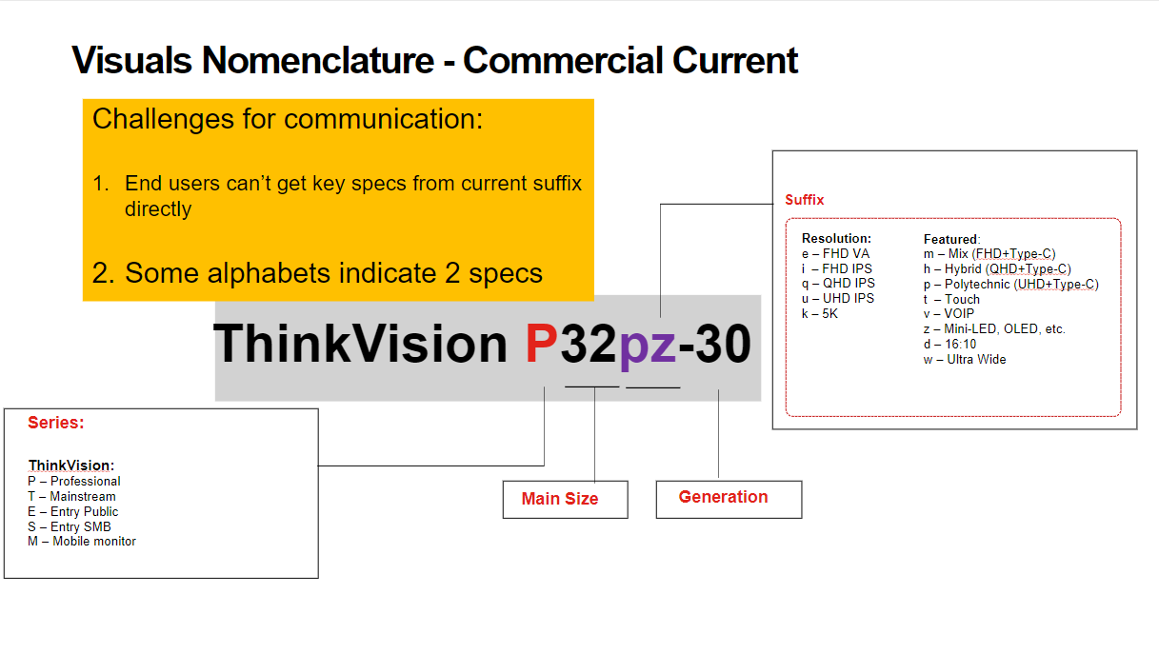
 |  |  | 3D Monitor
ThinkVision | 27 3D | 63F1UAR3MY | ThinkVision 27 3D | 3 Years | $2,276 | 6% | $2,421 | 20.0% | $3,299 | ZB0 |  | Full Specs Here
 |  |  | Mobile Monitor
ThinkVision | M14d | 63AAUAR6WW | ThinkVision M14d | 3 Years | $310 | 6% | $330 | 20.0% | $449 | ZB0 |  | Full Specs Here
ThinkVision | M14t Gen2 | 63FDUAR6WW | ThinkVision M14t Gen 2 | 3 Years | $339 | 6% | $425 | 20.0% | $579 | ZB0 |  | Full Specs Here
ThinkVision | M15 | 62CAUAR1WW | ThinkVision M15 | 3 Years | $172 | 6% | $183 | 20.0% | $249 | ZB0 |  | Full Specs Here
 |  |  | P-Series
ThinkVision | P24h-30 | 63B3GAR6WW | ThinkVision P24h-30 | 3 Years | $241 | 6% | $256 | 20.0% | $349 | ZB0 |  | Full Specs Here
ThinkVision | P24q-30 | 63B4GAR6WW | ThinkVision P24q-30 | 3 Years | $296 | 6% | $315 | 20.0% | $429 | ZB0 |  | Full Specs Here
ThinkVision | P25i-30 | 63F4MAR1WW | ThinkVision P25i-30 | 3 Years | $241 | 6% | $256 | 20.0% | $349 | ZB0 |  | Full Specs Here
ThinkVision | P27h-30 | 63A1GAR1WW | ThinkVision P27h-30 | 3 Years | $427 | 6% | $454 | 20.0% | $619 | ZB0 |  | Full Specs Here
ThinkVision | P27pz-30 | 63E4GAR2MY | ThinkVision P27pz-30 | 3 Years | $1,379 | 6% | $1,467 | 20.0% | $1,999 | ZB0 |  | Full Specs Here
ThinkVision | P27q-30 | 63A2GAR1WW | ThinkVision P27q-30 | 3 Years | $358 | 6% | $381 | 20.0% | $519 | ZB0 |  | Full Specs Here
ThinkVision | P27u-20 | 62CBRAR6MY | ThinkVision P27u-20 | 3 Years | $793 | 6% | $843 | 20.0% | $1,149 | ZB0 |  | Full Specs Here
ThinkVision | P32p-30 | 63D1RAR1WW | ThinkVision P32p-30 | 3 Years | $669 | 6% | $711 | 20.0% | $969 | ZB0 |  | Full Specs Here
ThinkVision | P32pz-30 | 63E5GAR2MY | ThinkVision P32pz-30 | 3 Years | $1,503 | 6% | $1,599 | 20.0% | $2,179 | ZB0 |  | Full Specs Here
ThinkVision | P34w-20 | 63F2RAR3WW | ThinkVision P34w-20 | 3 Years | $731 | 6% | $777 | 20.0% | $1,059 | ZB0 |  | Full Specs Here
ThinkVision | P40w-20 | 62C1GAR6WW | ThinkVision P40w-20 | 3 Years | $1,586 | 6% | $1,687 | 20.0% | $2,299 | ZB0 |  | Full Specs Here
ThinkVision | P49w-30 | 63DBRAR1WW | ThinkVision P49w-30 | 3 Years | $1,821 | 6% | $1,937 | 20.0% | $2,639 | ZB0 |  | Full Specs Here
 |  |  | T-Series
ThinkVision | T22i-30 | 63B0MAR6MY | ThinkVision T22i-30 | 3 Years | $158 | 6% | $168 | 20.0% | $229 | ZB0 |  | Full Specs Here
ThinkVision | T22v-20 | 61FBMAR6WW | ThinkVision T22v-20 | 3 Years | $275 | 6% | $293 | 20.0% | $399 | ZB0 |  | Full Specs Here
ThinkVision | T24d-30 | 63FFMAR1MY | ThinkVision T24d-30 | 3 Years | $248 | 6% | $263 | 20.0% | $359 | ZB0 |  | Full Specs Here
ThinkVision | T24i-30 | 63CFMARXMY | ThinkVision T24i-30 | 3 Years | $151 | 6% | $161 | 20.0% | $219 | ZB0 |  | Full Specs Here
ThinkVision | T24m-20 | 62CDGAR6WW | ThinkVision T24m-20 | 3 Years | $317 | 6% | $337 | 20.0% | $459 | ZB0 |  | Full Specs Here
ThinkVision | T24mv-30 | 63D7UAR3WW | ThinkVision T24mv-30 | 3 Years | $358 | 6% | $381 | 20.0% | $519 | ZB0 |  | Full Specs Here
ThinkVision | T24t-20 | 62C5GAR1WW | ThinkVision T24t-20 | 3 Years | $413 | 6% | $440 | 20.0% | $599 | ZB0 |  | Full Specs Here
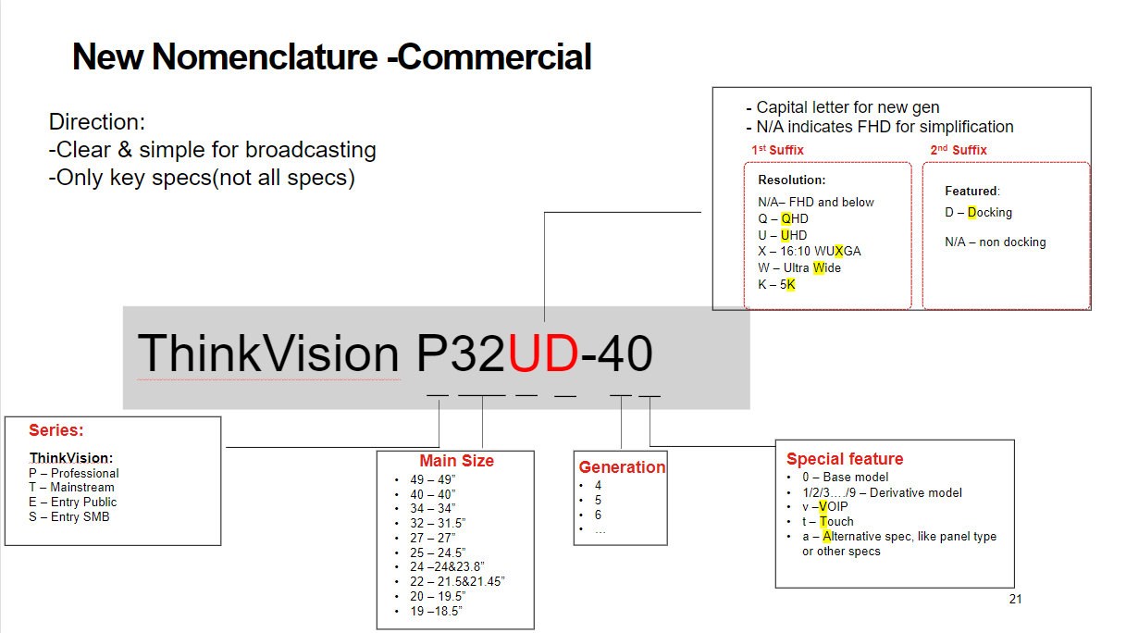
ThinkVision | T24v-30 | 63D8MAR3WW | ThinkVision T24v-30 | 3 Years | $220 | 6% | $234 | 20.0% | $319 | ZB0 |  | Full Specs Here
ThinkVision | T27h-30 | 63A3GAR1WW | ThinkVision T27h-30 | 3 Years | $358 | 6% | $381 | 20.0% | $519 | ZB0 |  | Full Specs Here
ThinkVision | T27hv-30 | 63D6UAR3WW | ThinkVision T27hv-30 | 3 Years | $406 | 6% | $432 | 20.0% | $589 | ZB0 |  | Full Specs Here
ThinkVision | T27i-30 | 63A4MAR1WW | ThinkVision T27i-30 | 3 Years | $234 | 6% | $249 | 20.0% | $339 | ZB0 |  | Full Specs Here
ThinkVision | T27p-30 | 63A9GAR1WW | ThinkVision T27p-30 | 3 Years | $475 | 6% | $506 | 20.0% | $689 | ZB0 |  | Full Specs Here
ThinkVision | T27q-20 | 61EDGAR2WW | ThinkVision T27q-20 | 3 Years | $344 | 6% | $366 | 20.0% | $499 | ZB0 |  | Full Specs Here
ThinkVision | T32h-30 | 63D3GAR1WW | ThinkVision T32h-30 | 3 Years | $420 | 6% | $447 | 20.0% | $609 | ZB0 |  | Full Specs Here
ThinkVision | T32p-30 | 63D2GAR1WW | ThinkVision T32p-30 | 3 Years | $558 | 6% | $594 | 20.0% | $809 | ZB0 |  | Full Specs Here
ThinkVision | T34w-30 | 63D4GAR1WW | ThinkVision T34w-30 | 3 Years | $496 | 6% | $528 | 20.0% | $719 | ZB0 |  | Full Specs Here
 |  |  | E-Series
ThinkVision | E20-30 | 62F7KAR4MY | ThinkVision E20-30 | 3 Years | $110 | 6% | $117 | 20.0% | $159 | ZB0 |  | Full Specs Here
ThinkVision | E22-30 | 63EBMAR2WW | ThinkVision E22-30 | 3 Years | $227 | 6% | $241 | 20.0% | $329 | ZB0 |  | Full Specs Here
ThinkVision | E24-30 | 63EDMAR2WW | ThinkVision E24-30 | 3 Years | $234 | 6% | $249 | 20.0% | $339 | ZB0 |  | Full Specs Here
ThinkVision | E24q-30 | 63ECGAR2WW | ThinkVision E24q-30 | 3 Years | $220 | 6% | $234 | 20.0% | $319 | ZB0 |  | Full Specs Here
ThinkVision | E27q-20 | 62D0GAR1WW | ThinkVision E27q-20 | 3 Years | $337 | 6% | $359 | 20.0% | $489 | ZB0 |  | Full Specs Here
 |  |  | S-Series
ThinkVision | S22i-30 | 63FCKARBWW | ThinkVision S22i-30 | 3 Years | $103 | 6% | $109 | 20.0% | $149 | ZB0 |  | Full Specs Here
 |  |  | C-Series
Lenovo | C24-40 | 63DCKAR6WW | Lenovo C24-40 | 3 Years | $103 | 6% | $109 | 20.0% | $149 | ZB0 |  | Full Specs Here
Lenovo | C27-40 | 63DDKAR6WW | Lenovo C27-40 | 3 Years | $144 | 6% | $153 | 20.0% | $209 | ZB0 |  | Full Specs Here
 |  |  | TIO Series
ThinkVision | TIO22Gen5 NT | 12N8GAR1WW | ThinkCentre Tiny-In-One 22 Gen 5 (Non Touch) | 3 Years | $234 | 6% | $249 | 20.0% | $339 | ZB0 |  | Full Specs Here
ThinkVision | TIO22Gen5Touch | 12N9GAR1WW | ThinkCentre Tiny-In-One 22 Gen 5 (Touch) | 3 Years | $324 | 6% | $344 | 20.0% | $469 | ZB0 |  | Full Specs Here
ThinkVision | TIO24Gen5 NT | 12NAGAR1WW | ThinkCentre Tiny-In-One 24 Gen 5 (Non Touch) | 3 Years | $248 | 6% | $263 | 20.0% | $359 | ZB0 |  | Full Specs Here
ThinkVision | TIO24Gen5Touch | 12NBGAR1WW | ThinkCentre Tiny-In-One 24 Gen 5 (Touch) | 3 Years | $344 | 6% | $366 | 20.0% | $499 | ZB0 |  | Full Specs Here
ThinkVision | TIO27 Refresh | 11JHRAR1WW | ThinkCentre Tiny-In-One 27 | 3 Years | $549 | 6% | $584 | 20.0% | $796 | ZB0 |  | Full Specs Here
 |  |  | iLFD
ThinkVision | T86 | 62F0KNTAMY | ThinkVision T86 | 3 Years | $6,132 | 6% | $6,523 | 20.0% | $8,888 | ZB0 |  | Full Specs Here | 5WS1H89684 | Premier Support to be added to the iLFD
ThinkVision | T75 | 62F4KNTCMY | ThinkVision T75 | 3 Years | $4,752 | 6% | $5,055 | 20.0% | $6,888 | ZB0 |  | Full Specs Here | 5WS1H89685 | Premier Support to be added to the iLFD
ThinkVision | T65 | 62F2KNTCMY | ThinkVision T65 | 3 Years | $2,682 | 6% | $2,854 | 20.0% | $3,888 | ZB0 |  | Full Specs Here | 5WS1H89682 | Premier Support to be added to the iLFD

