Open Points
No. | Date | Department | Reference | Section (Page) | Open Point | Comments by Danieli | Responsible | Status | Comments by TW 1 | Comments by TW 2 | Comments by TW 3
1 | 2024-12-09 |  |  |  | IO Lists for panels C, D, F and electrical diagrams for new ET200s in DRM04 and DRA01 (Noticed problems: unconnected signals, brocken links, analog signals on the drive terminals etc.) |  |  | Open
2 | 2024-12-09 |  |  |  | Making changes the existing programs of the old PLCs (signals from generators). |  |  | Open
3 | 2024-12-09 |  |  |  | MTS PLC controller - analog signals from motors and generators of the main and auxiliary mechanisms. |  |  | Open
4 | 2024-12-09 |  |  |  | HGC controller - has high-speed counter cards with connected incremental encoders. It is not entirely clear whether they affect an ingot only or the shears too (influence on shear's drives replacement). |  |  | Open
5 | 2024-12-09 |  |  |  | Data exchange between existing controllers and old drives via RS485 interface. It is also important, that some drives are controlled by relay contacts at the converter input, and not just via telegram. We need to understand the pinout of the converter terminals. |  |  | Open
6 | 2024-12-09 |  |  |  | Functional description of the technological process. We need to understand the coordinated operation of all drives, sequence of operations, controls (from pulpits and/or from existing PLCs), operating modes (manual, automatic) etc. Example: as we understood from schematics, screwdowns may work only in manual mode, but it seems odd. |  |  | Open
7 | 2024-12-09 |  |  |  | Inconsistency in the existing schematics. For example: in different schematics the same signal uses different groups of relays. |  |  | Open
8 | 2024-12-09 |  |  | 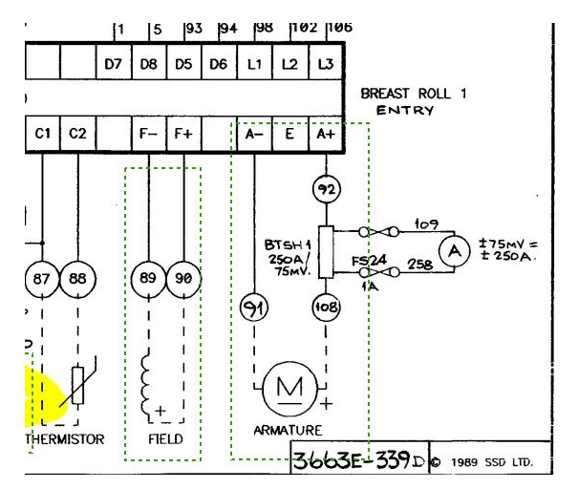 | 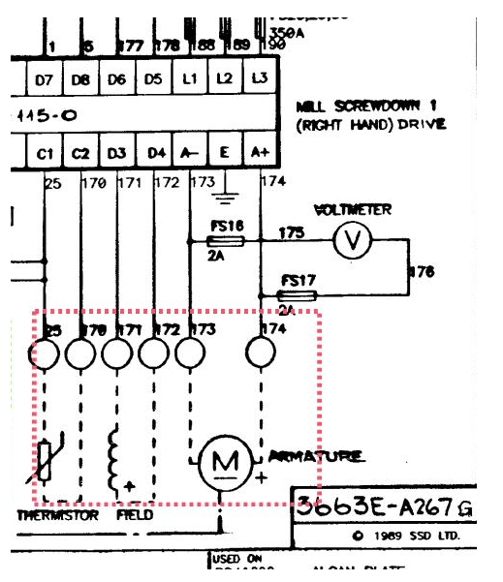 On some schematics the same parts (for ex. field coil) are marked as to be removed (red) and to leave (green). |  |  | Open
9 | 2024-12-09 |  |  |  | We need part numbers, specifications etc. of existing equipment: drives, etc. |  |  | Open
10 | 2024-12-09 |  |  |  | How the coordination between new Sinamics drives and existing drives will be managed? |  |  | Open
11 | 2024-12-09 |  |  |  | There are some signals in C,D,F panels schematics, which are marked as to be removed, but we have them on the pulpits (for ex. Joystics) and they are connected to its ET200s. Please clarify. |  |  | Open
12 | 2024-12-09 |  |  |  | 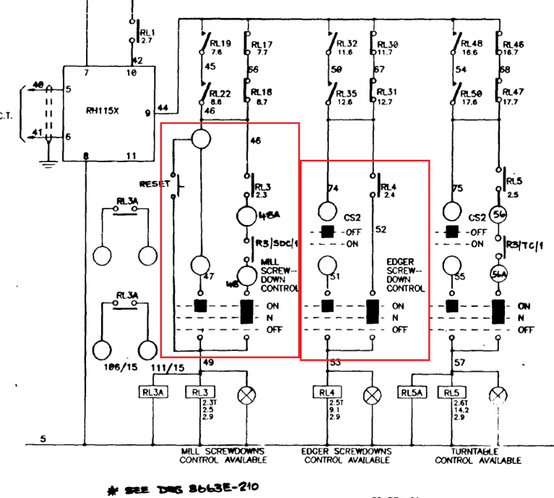 ET200 DRA01, p.95 - digital outputs: DO0 - DO3 - correspond to contacts RL5A, RL3A in the schematics of Panel D, p.2, but the replication logic of the operation of these relays in the new scheme is unclear, because there are no signals in ET200 signals scope (see pic.1 rounded by red color). In the new scheme, only prox.switches and stop buttons are used. There are a lot of similar situations through the new schematics | As indicated in file excel cable list, this part is managed by pulpit, please verify. |  | In review by TW
13 | 2024-12-09 |  |  |  | 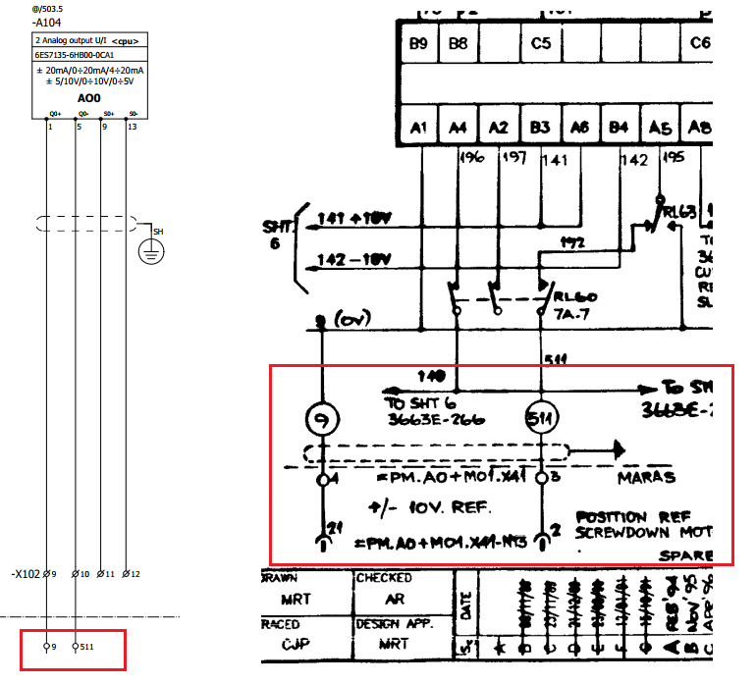 ET200 DRA01 p.97 AO0 A104 - Pan.D p.8 - Is it Reference Gap or Ref. Speed Setpoint? | Wrong indication in previous drawings, In my opinion should be AI +-10V, what is doing MARAS =PM.A0… is not clear. |  | In review by TW
14 | 2024-12-09 |  |  |  | 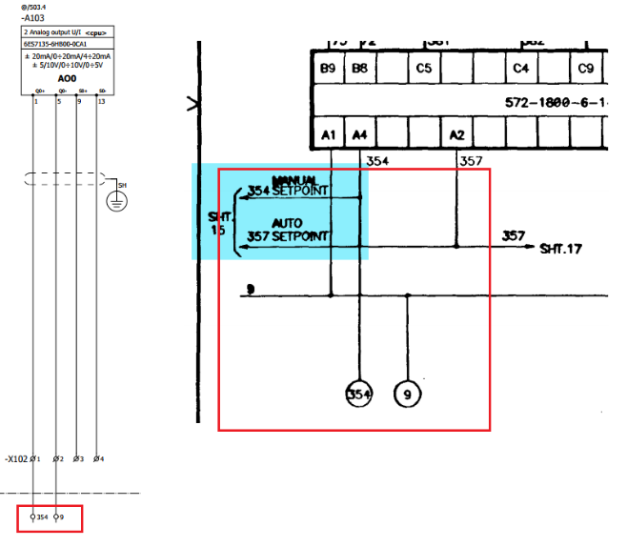 ET200 DRA01 p.97 AO0 A103 - Pan.D p.17 - Is it Manual Setpoint? What kind of setpoint? | I think that this is AI and not as for my preliminary ET200 i/o, we need investigate if it can be eliminate, I’ve not considered at the moment, |  | In review by TW
15 | 2024-12-09 |  |  |  | 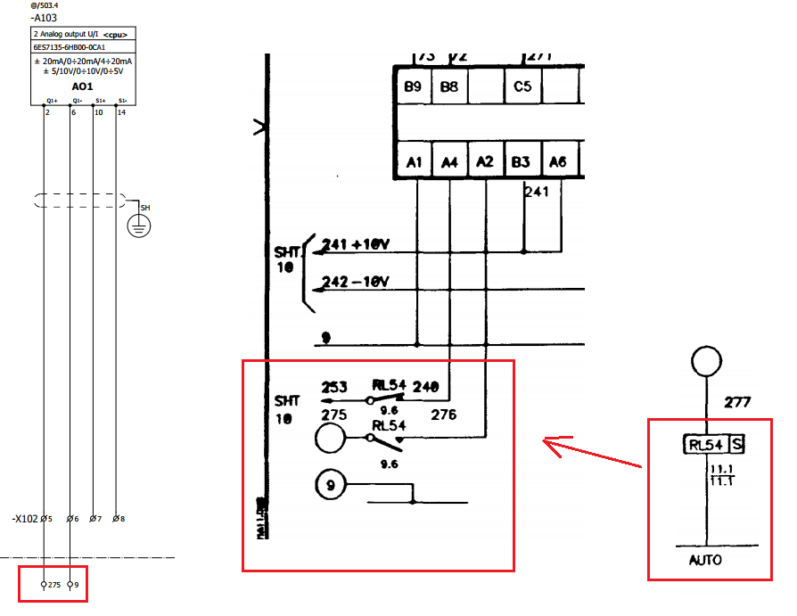 ET200 DRA01 p.97 AO1 A103 - Pan.D p.12 and p.10 (RL54) - Is it Auto Setpoint? | This can be eliminate? In my opinion is AI and can be eliminate the logical will be managed directly to PLC and by profinet to Drive. |  | In review by TW
16 | 2024-12-09 |  |  |  | Why are there Analog Outputs in new schematics? Maybe here must be Analog Inputs? | Yes right, I changed where necessary. |  | In review by TW
17 | 2024-12-09 |  |  |  | 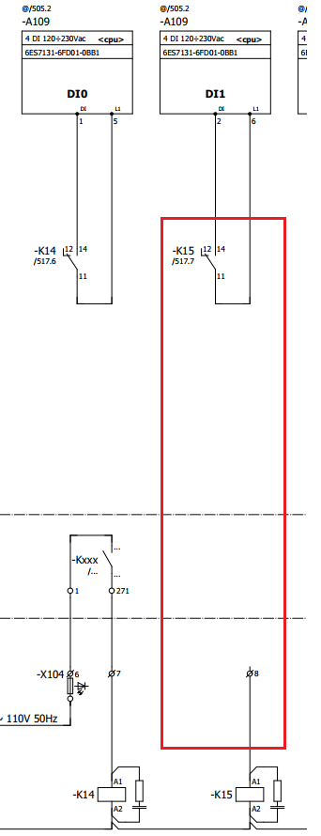 ET200 DRA01, p.100 – purpose of relay K15 (DI1 A109) isn't clear, reference to old schematics is absent. | Probably was only a spare, see io list… |  | In review by TW
18 | 2024-12-09 |  |  |  | 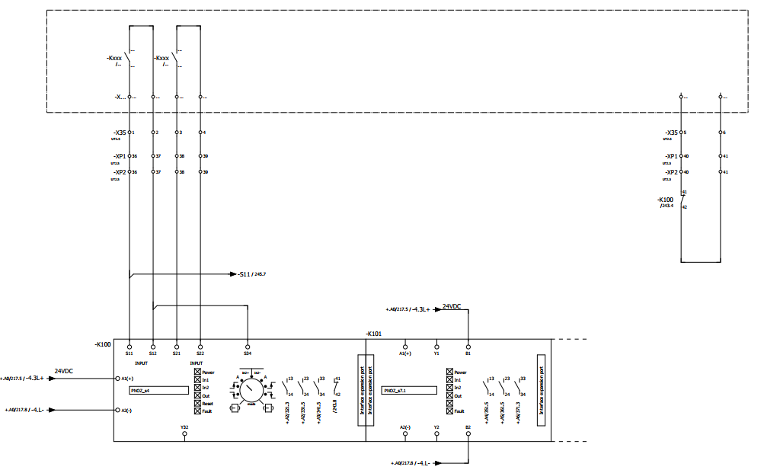 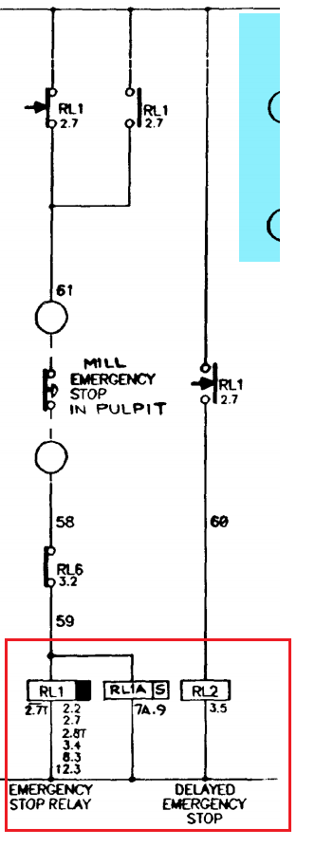 Panel D, p.2 - not clear difference between Emergency Stop Relay and Delayed | Emergency Stop - logic is not clear. The emergency will be only read by DI, the emergency to switchboard drives will be managed as below. |  | In review by TW
19 | 2024-12-09 |  |  |  | 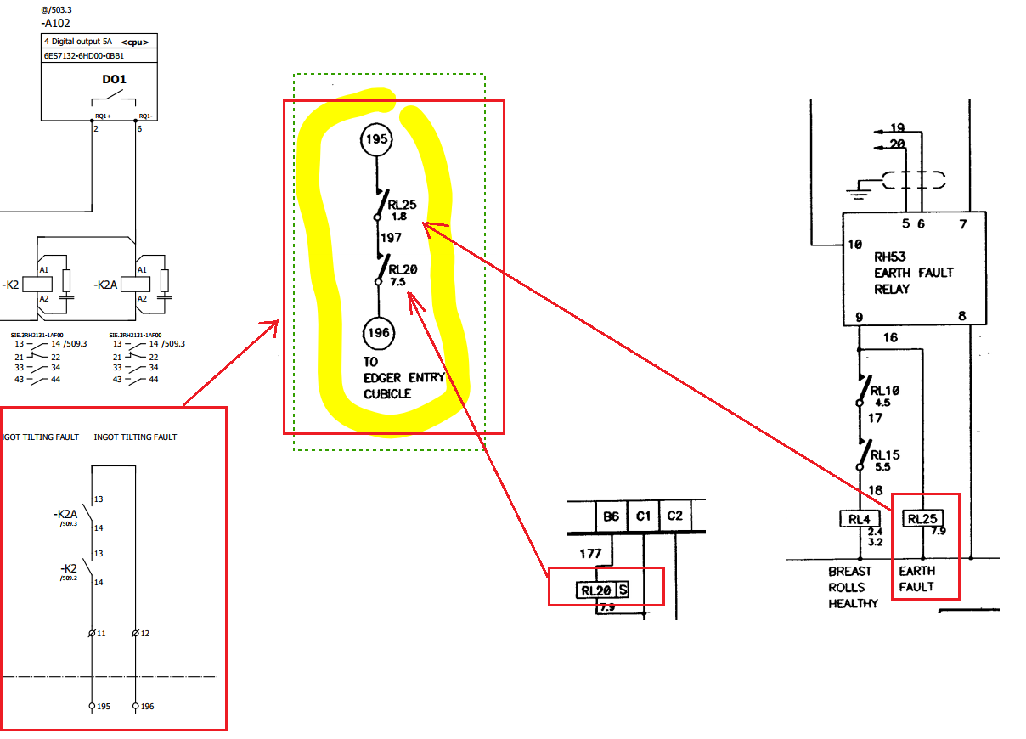 ET200 DRM04, p.31 – DO1 A102 relays K2 and K2A. Do they substitute logic for Panel F, p.7 ? Also the logic for Relay RL25 Panel F, p.1 and for relay RL20 Panel F, p.7 – is unclear. Do we have Earth Fault control in our system? | The logical must be done in the PLC, no logical will be replicate in the drives switchboard. Below I considered I DO from ET200, now we can generate a general fault no earth will be managed now. |  | In review by TW
20 | 2024-12-10 |  |  | Panel F | To build signal RL1(ESTOP) we need the RL5 - door switches but we haven't it. |  |  | Open
21 | 2024-12-10 |  |  | Panel F | After deleting the switch (F, p.2) isn't clear the connection RL26 - should be discussed with customer. |  |  | Open
22 | 2024-12-10 |  |  | Panel F | Accordint the notes RL40 (F, p.2) should be removed, but it's contact used in Panel P - power supply panel F(MES, p.16). | Added in new Casani Sheme. |  | Close
23 | 2024-12-10 |  |  | Panel F | The power supply of the convertes of Breast Roll is controlled by it's own (RL9 - CON1, RL14 - CON2). Logic the energizing the relay isn't clear. | We should have the converter power connection, feed back of the contacts and clearly understand how to control all elements of power circuit (some Safety?) |  | Open
24 | 2024-12-10 |  |  | Panel F | The signals that energized RL39 (F, p.3) aren't found. | Is updated in excel from Casani, but excel file and previous pdf are not the same (different numbers of modules and their orders) |  | Open
25 | 2024-12-10 |  |  | Panel F | After deleting the switch (F, p.3) isn't clear the connection RL11 - should be discussed with customer. |  |  | Open
26 | 2024-12-10 |  |  | Panel F | The signals that energized RL33 (F, p.3) aren't found | Added in new Casani Sheme. |  | Close
27 | 2024-12-10 |  |  | Panel F | The signals that energized RL13 (F, p.3) (F68 ... F62) aren't found. |  |  | Open
28 | 2024-12-10 |  |  | Panel F | The using the contancts of RL13 (F, p.3) aren't found. |  |  | Open
29 | 2024-12-10 |  |  | Panel F | The meaning the contacts on converter. RL10 (F, p.4)- Breast Roll1 Healthy, should be send to MES PLC (P, 16). RL15 (F, p.5)- Breast Roll2 Healthy, should be send to MES PLC (P, 16). RL20 (F, p.7)- Tilt Pot Healthy, should be send to MES PLC (P, 16). | Added in new Casani Sheme. |  | Close
30 | 2024-12-10 |  |  | Panel F | We have the same signals twice F150 - F154 (Galich), 150 - 154 (Casani)... Which should we use? |  |  | Open
31 | 2024-12-10 |  |  | Panel F | In scheme of Alessandro Cassali he used A109.DI1 and A109.DI2 (p.36) but in old sheme this contact aren't responding (F, p.6) | This contacts F155, F157 not found in old sheme, updated in excel file they are spared. |  | Close
32 | 2024-12-15 |  |  | Panel D | The information about power supply control should be send to PLC, we haven't any output. D, p.1 - P, p.16 | The Sheme of DRA should be updated! |  | Open
33 | 15.12.2024 |  |  | Panel D | 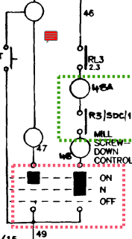 The pult must be clarified: Mill Screwdown Control, Edger Screwdown Control, Turntable Control and many others. Casani said, that they are removed bit from DRA or from everywhere. Reset Button is unfound - D, p.2 |  |  | Open
34 | 15.12.2024 |  |  | Panel D | 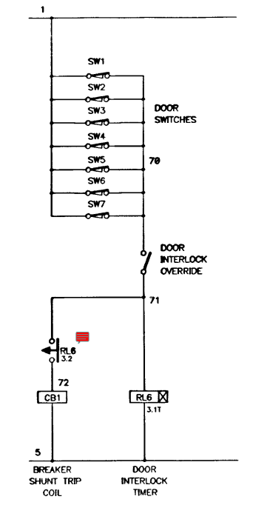 We need any door switches to power panel? D, p.3 |  |  | Open
35 | 15.12.2024 |  |  | Panel D | RL8 isn't found in shema. D, p.4 |  |  | Open
36 | 15.12.2024 |  |  | Panel D | Do we need brakes for aver Screwdowns meachanism? D, p.4 |  |  | Open
37 | 15.12.2024 |  |  | Panel D | 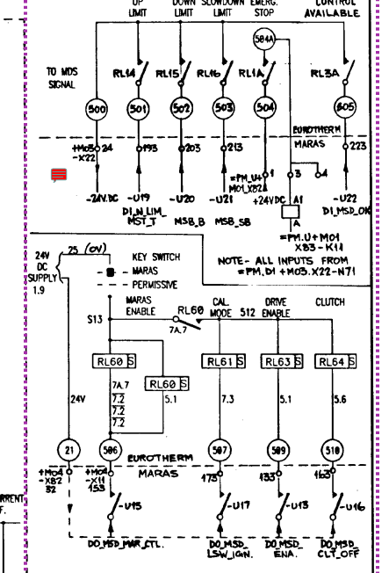 RL63,RL60, RL64 are getting from the logic with MARAS, what is MARAS? External or internal? D, p.5. Also we must know the logic of functionality mill screwdown drives (right hand, left hand and others) |  |  | Open
38 | 15.12.2024 |  |  | Panel D | Do we need use Clutch? What is it? D, p.5 |  |  | Open
39 | 15.12.2024 |  |  | Panel D | We must decide generally, predefined speed comes from Pult or from HMI? For every converter! D, p.6 |  |  | Open
40 | 15.12.2024 |  |  | Panel D | Logic connected with MARAS? D, p.7 |  |  | Open
41 | 15.12.2024 |  |  | Panel D | We need know exactly the meanings terminal of converter ti build converter logic))) The RL17 logic should be clarified may be connected with safety... |  |  | Open
42 | 15.12.2024 |  |  | Panel D | 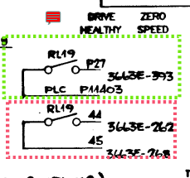 RL19 should be send to Panel P. D, p.8 and P, p.16 |  |  | Open
43 | 15.12.2024 |  |  | Panel D | For RL54 - Auto mode logic isn't found! |  |  | Open
44 | 15.12.2024 |  |  | Panel D | 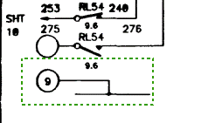 But this terminal 275 are getting from Analog output converter - and control the release valve (for this we have digital output!) D, p.12 |  |  | Open
45 | 15.12.2024 |  |  | Panel D | We must clarified the TMC Mode and MC Mode, and sending data to PLC D, p. 14 | Update DRA! |  | Open
46 | 15.12.2024 |  |  | Panel D | 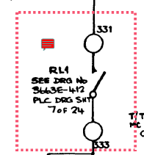 RL1 from 412 isn't found. D, p.15 | The same signal ike in Panel F |  | Close
47 | 15.12.2024 |  |  | Panel D | Isn't found I13.1, but we have it in new shema. |  |  | Open
48
49
50
51
52
53
54
55
56
57
58
59
60
61
62
63
64
65
66
67
68
69
70
71
72
73
74
75
76
77
78
79
80
81
82
83
84
85
86
87
88
89
90
91
92
93
94
95
96
97
98
99

