Budgets 2627
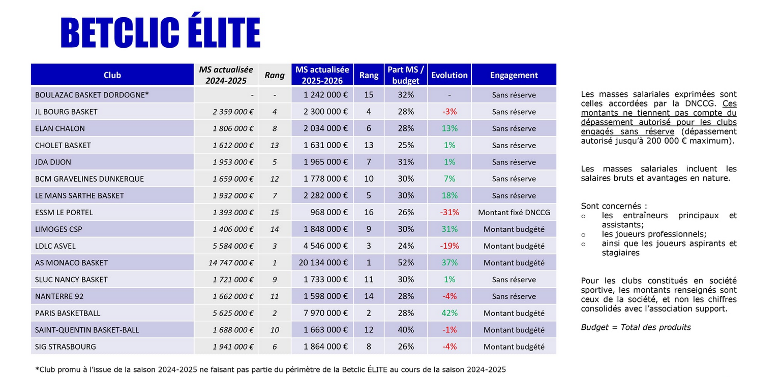

 | French league (Betclic Elite)
 | Nation | Club | Total Budget | Gross salary budget | Salary % from total budget | Budget increase from the last season | Place in the national league after the regular season | Participation in European tournament
 | France | Paris |  |  | #DIV/0! |  | - | -
 | France | Monaco |  |  | #DIV/0! |  | - | -
 | France | Nanterre |  |  | #DIV/0! |  | - | -
 | France | Asvel |  |  | #DIV/0! |  | - | -
 | France | Cholet |  |  | #DIV/0! |  | - | -
 | France | Le Mans |  |  | #DIV/0! |  | - | -
 | France | Bourg-en-Bresse |  |  | #DIV/0! |  | - | -
 | France | Strasbourg |  |  | #DIV/0! |  | - | -
 | France | Chalon |  |  | #DIV/0! |  | - | -
 | France | Nancy |  |  | #DIV/0! |  | - | -
 | France | Dijon |  |  | #DIV/0! |  | - | -
 | France | Boulazac |  |  | #DIV/0! |  | - | -
 | France | Limoges |  |  | #DIV/0! |  | - | -
 | France | Gravelines |  |  | #DIV/0! |  | - | -
 | France | Saint-Quentin |  |  | #DIV/0! |  | - | -
 | France | Le Portel |  |  | #DIV/0! |  | - | -
 |  |  |  | League average | #DIV/0!

 | German league (easyCredit BBL)
 | Nation | Club | Total Budget | Gross salary budget | Salary % from total budget | Budget increase from the last season | Place in the national league after the regular season | Participation in European tournament
 | Germany | FC Bayern |  |  | #DIV/0! |  | - | -
 | Germany | Alba Berlin |  |  | #DIV/0! |  | - | -
 | Germany | Bamberg Baskets |  |  | #DIV/0! |  | - | -
 | Germany | Telekom Baskets Bonn |  |  | #DIV/0! |  | - | -
 | Germany | Wurzburg |  |  | #DIV/0! |  | - | -
 | Germany | Ratiopharm Ulm |  |  | #DIV/0! |  | - | -
 | Germany | Rasta Vechta |  |  | #DIV/0! |  | - | -
 | Germany | Gladiators Trier |  |  | #DIV/0! |  | - | -
 | Germany | Rostock Seawolves |  |  | #DIV/0! |  | - | -
 | Germany | MHP Riesen Ludwigsburg |  |  | #DIV/0! |  | - | -
 | Germany | EWE Baskets Oldenburg |  |  | #DIV/0! |  | - | -
 | Germany | Niners Chemnitz |  |  | #DIV/0! |  | - | -
 | Germany | Syntainics MBC |  |  | #DIV/0! |  | - | -
 | Germany | Hamburg Towers |  |  | #DIV/0! |  | - | -
 | Germany | Frankfurt Skyliners |  |  | #DIV/0! |  | - | -
 | Germany | Science City Jena |  |  | #DIV/0! |  | - | -
 | Germany | Lowen Braunschweig |  |  | #DIV/0! |  | - | -
 | Germany | MLP Academics Heidelberg |  |  | #DIV/0! |  | - | -
 |  |  |  | League average | #DIV/0!

 | Spanish league (liga Endesa)
 | Nation | Club | Total Budget | Gross salary budget | Salary % from total budget | Budget increase from the last season | Place in the national league after the regular season | Participation in European tournament | Source 1 | Source 2 | Source 3
+ | Spain | Real Madrid | 55,000,000 € | 40,000,000 € | 73% | 0% | - | - | https://cronicavasca.elespanol.com/deportes/20260910/baskonia-contara-cuarto-presupuesto-acb-millones-euros/1003742791603_0.html
+ | Spain | Valencia basket | 38,000,000 € | 20,000,000 € | 53% | 9% | - | - | https://www.diariosur.es/unicaja/competencia-nunca-unicaja-20260628120526-nt.html#vca=fixed-btn&vso=rrss&vmc=tw&vli=unicaja | https://www.merchanendirecto.es/presupuesto-de-record-para-unicaja/ | https://cronicavasca.elespanol.com/deportes/20260910/baskonia-contara-cuarto-presupuesto-acb-millones-euros/1003742791603_0.html
 | Spain | Kosner Baskonia | 23,000,000 € | 15,000,000 € | 65% | 35% | - | - | https://www.merchanendirecto.es/presupuesto-de-record-para-unicaja/ | https://cronicavasca.elespanol.com/deportes/20260910/baskonia-contara-cuarto-presupuesto-acb-millones-euros/1003742791603_0.html
 | Spain | UCAM Murcia |  |  | #DIV/0! | -100% | - | -
 | Spain | Barcelona | 43,000,000 € | 35,000,000 € | 81% | 7% | - | - | https://www.lesportiudecatalunya.cat/basquet/article/2659368-aposta-forta-6-5-milions-d-euros-mes.html | https://cronicaglobal.elespanol.com/culemania/palco/20260321/laporta-subira-presupuesto-barca-basket-millones-temporada/1003742743992_0.html | https://www.sport.es/es/noticias/barca/baloncesto/salto-dara-barca-basket-nivel-130299412
 | Spain | Joventut Badalona |  |  | #DIV/0! | -100% | - | -
 | Spain | Surne Bilbao Basket |  |  | #DIV/0! | -100% | - | -
 | Spain | Tenerife |  |  | #DIV/0! | -100% | - | -
 | Spain | Malaga Unicaja | 19,000,000 € | 12,500,000 € | 66% | 17% | - | - | https://www.diariosur.es/unicaja/presupuesto-record-unicaja-baloncesto-2026-2027-20260611183146-nt.html | https://www.merchanendirecto.es/presupuesto-de-record-para-unicaja/ | https://cronicavasca.elespanol.com/deportes/20260910/baskonia-contara-cuarto-presupuesto-acb-millones-euros/1003742791603_0.html
 | Spain | Kids&Us Manresa |  |  | #DIV/0! | -100% | - | -
 | Spain | Rio Breogan |  |  | #DIV/0! | -100% | - | -
 | Spain | FIATC Basquet Girona |  |  | #DIV/0! | -100% | - | -
 | Spain | San Pablo Burgos |  |  | #DIV/0! | -100% | - | -
 | Spain | Ilerna Lleida | 6,500,000 € | 4,000,000 € | 62% | 8% | - | - | https://www.segre.com/es/deportes/260820/empieza-reto_1308642.html
 | Spain | Casademont Zaragoza |  |  | #DIV/0! | -100% | - | -
 | Spain | MoraBanc Andorra |  |  | #DIV/0! | -100% | - | -
 | Spain | Leyma Coruna | 5,500,000 € | 3,250,000 € | 59% | 67% | - | - | https://www.lavozdegalicia.es/noticia/basquetcoruna/2026/06/10/leyma-basquet-coruna-contara-presupuesto-5-6-millones/00031781113228571297171.htm
 | Spain | Monbus Obradoiro | 4,800,000 € | 2,800,000 € | 58% | -% | - | - | https://www.elcorreogallego.es/deportes/2026/09/02/obradoiro-desnuda-regreso-acb-monbus-liga-endesa-diego-epifanio-epi-hector-galan-mercado-fichajes-133867789.html |  |  | taxes expl
 |  |  |  | League average | #DIV/0!

 | Italian league (Lega A)
 | Nation | Club | Total Budget | Gross salary budget | Salary % from total budget | Budget increase from the last season | Place in the national league after the regular season | Participation in European tournament | Source 1 | Source 2 | Source 3 | Source 4
 | Italy | Virtus Bologna | 25,000,000 € | 15,000,000 € | 60% |  | - | - | https://x.com/hizlihucum/status/2070424325295890624
 | Italy | Brescia |  |  | #DIV/0! |  | - | -
 | Italy | Olimpia Milano |  |  | #DIV/0! |  | - | -
 | Italy | Venezia |  |  | #DIV/0! |  | - | -
 | Italy | Tortona |  |  | #DIV/0! |  | - | -
 | Italy | Reggiana |  |  | #DIV/0! |  | - | -
 | Italy | Trieste |  |  | #DIV/0! |  | - | -
 | Italy | Trento |  |  | #DIV/0! |  | - | -
 | Italy | Varese |  |  | #DIV/0! |  | - | -
 | Italy | Napoli |  |  | #DIV/0! |  | - | -
 | Italy | Cremona |  |  | #DIV/0! |  | - | -
 | Italy | Treviso |  |  | #DIV/0! |  | - | -
 | Italy | Udine |  |  | #DIV/0! |  | - | -
 | Italy | Cantu |  |  | #DIV/0! |  | - | -
 | Italy | Sassari |  |  | #DIV/0! |  | - | -
 | Italy | Trapani |  |  | #DIV/0! |  | - | -
 |  |  |  | League average | #DIV/0!

 | Lithuanian league (LKL)
 | Nation | Club | Total Budget | Gross salary budget | Salary % from total budget | Total budget increase from the last season | Place in the national league after the regular season | Participation in European tournament | Source 1 | Source 2
 | Lithuania | Žalgiris | 30,000,000 € | 20,000,000 € | 67% | 38% | - | - | https://www.15min.lt/24sek/naujiena/europa/lkl-klubai-prie-starto-linijos-i-dalis-biudzetai-zvaigzdes-klaustukai-ir-prognozes-874-2527376 | https://www.15min.lt/24sek/naujiena/lietuva/lkl-klubai-prie-starto-linijos-ii-dalis-rekordinis-ryto-biudzetas-ir-neptuno-potencialas-875-2525574
 | Lithuania | Rytas | 10,535,000 € | 5,320,000 € | 50% | 54% | - | - | https://www.15min.lt/24sek/naujiena/europa/lkl-klubai-prie-starto-linijos-i-dalis-biudzetai-zvaigzdes-klaustukai-ir-prognozes-874-2527376 | https://www.15min.lt/24sek/naujiena/lietuva/lkl-klubai-prie-starto-linijos-ii-dalis-rekordinis-ryto-biudzetas-ir-neptuno-potencialas-875-2525574
 | Lithuania | Neptūnas | 3,300,000 € | 1,900,000 € | 58% | 18% | - | - | https://www.15min.lt/24sek/naujiena/europa/lkl-klubai-prie-starto-linijos-i-dalis-biudzetai-zvaigzdes-klaustukai-ir-prognozes-874-2527376 | https://www.15min.lt/24sek/naujiena/lietuva/lkl-klubai-prie-starto-linijos-ii-dalis-rekordinis-ryto-biudzetas-ir-neptuno-potencialas-875-2525574
 | Lithuania | Šiauliai | 2,300,000 € | 1,200,000 € | 52% | 15% | - | - | https://www.15min.lt/24sek/naujiena/europa/lkl-klubai-prie-starto-linijos-i-dalis-biudzetai-zvaigzdes-klaustukai-ir-prognozes-874-2527376 | https://www.15min.lt/24sek/naujiena/lietuva/lkl-klubai-prie-starto-linijos-ii-dalis-rekordinis-ryto-biudzetas-ir-neptuno-potencialas-875-2525574
 | Lithuania | Lietkabelis | 2,600,000 € | 1,200,000 € | 46% | 0% | - | - | https://www.15min.lt/24sek/naujiena/europa/lkl-klubai-prie-starto-linijos-i-dalis-biudzetai-zvaigzdes-klaustukai-ir-prognozes-874-2527376 | https://www.15min.lt/24sek/naujiena/lietuva/lkl-klubai-prie-starto-linijos-ii-dalis-rekordinis-ryto-biudzetas-ir-neptuno-potencialas-875-2525574
 | Lithuania | Gargždai | 1,000,000 € | 650,000 € | 65% | 0% | - | - | https://www.15min.lt/24sek/naujiena/europa/lkl-klubai-prie-starto-linijos-i-dalis-biudzetai-zvaigzdes-klaustukai-ir-prognozes-874-2527376 | https://www.15min.lt/24sek/naujiena/lietuva/lkl-klubai-prie-starto-linijos-ii-dalis-rekordinis-ryto-biudzetas-ir-neptuno-potencialas-875-2525574
 | Lithuania | Juventus | 2,200,000 € | 1,300,000 € | 59% | 38% | - | - | https://www.15min.lt/24sek/naujiena/europa/lkl-klubai-prie-starto-linijos-i-dalis-biudzetai-zvaigzdes-klaustukai-ir-prognozes-874-2527376 | https://www.15min.lt/24sek/naujiena/lietuva/lkl-klubai-prie-starto-linijos-ii-dalis-rekordinis-ryto-biudzetas-ir-neptuno-potencialas-875-2525574
 | Lithuania | Jonava | 1,000,000 € | 580,000 € | 58% | -12% | - | - | https://www.15min.lt/24sek/naujiena/europa/lkl-klubai-prie-starto-linijos-i-dalis-biudzetai-zvaigzdes-klaustukai-ir-prognozes-874-2527376 | https://www.15min.lt/24sek/naujiena/lietuva/lkl-klubai-prie-starto-linijos-ii-dalis-rekordinis-ryto-biudzetas-ir-neptuno-potencialas-875-2525574
 | Lithuania | Nevėžis | 1,000,000 € | 580,000 € | 58% | 0% | - | - | https://www.15min.lt/24sek/naujiena/europa/lkl-klubai-prie-starto-linijos-i-dalis-biudzetai-zvaigzdes-klaustukai-ir-prognozes-874-2527376 | https://www.15min.lt/24sek/naujiena/lietuva/lkl-klubai-prie-starto-linijos-ii-dalis-rekordinis-ryto-biudzetas-ir-neptuno-potencialas-875-2525574
 | Lithuania | Tauragė | 1,200,000 € | 750,000 € | 63% | #DIV/0! | - | - | https://www.15min.lt/24sek/naujiena/europa/lkl-klubai-prie-starto-linijos-i-dalis-biudzetai-zvaigzdes-klaustukai-ir-prognozes-874-2527376 | https://www.15min.lt/24sek/naujiena/lietuva/lkl-klubai-prie-starto-linijos-ii-dalis-rekordinis-ryto-biudzetas-ir-neptuno-potencialas-875-2525574
 |  |  |  | League average | 57%

 | Greek league (GBL)
 | Nation | Club | Total Budget | Gross salary budget | Salary % from total budget | Budget increase from the last season | Place in the national league after the regular season | Participation in European tournament | Source 1
 | Greece | Olympiacos |  |  | #DIV/0! | -100% | - | -
 | Greece | Panathinaikos | 60,000,000 € | 53,500,000 € | 89% | 9% | - | - | https://www.gazzetta.gr/basketball/euroleague/2552984/panathinaikos-giampoysele-o-3os-me-4-ekatommyria-symbolaio-prokalei
 | Greece | PAOK |  |  | #DIV/0! | -100% | - | -
 | Greece | AEK |  |  | #DIV/0! | -100% | - | -
 | Greece | Aris |  |  | #DIV/0! | -100% | - | -
 | Greece | Peristeri |  |  | #DIV/0! | -100% | - | -
 | Greece | Mykonos |  |  | #DIV/0! | -100% | - | -
 | Greece | Kolossos Rhodes |  |  | #DIV/0! | -100% | - | -
 | Greece | Iraklis |  |  | #DIV/0! | -100% | - | -
 | Greece | Promitheas Patras |  |  | #DIV/0! | -100% | - | -
 | Greece | Karditsas |  |  | #DIV/0! | -100% | - | -
 | Greece | Maroussi |  |  | #DIV/0! | -100% | - | -
 | Greece | Panionios |  |  | #DIV/0! | -100% | - | -
 |  |  |  | League average | #DIV/0!

 | Turkish league (Super Ligi)
 | Nation | Club | Total Budget | Gross salary budget | Salary % from total budget | Budget increase from the last season | Place in the national league after the regular season | Participation in European tournament | Source 1 | Source 2 | Source 3
 | Turkey | Fenerbahce | 45,000,000 € | 25,000,000 € | 56% | 25% | - | - | https://basketfaul.com.tr/turkiye/bsl/basketnews-fenerbahcenin-oyuncu-butcesi-gecen-sezonki-gibi-17-milyon-euro/ | https://www.fanatik.com.tr/fenerbahce/basketbol/fenerbahce-basketbolda-aziz-yildirim-ek-butceye-onay-verdi-ama-tek-bir-sartla-2632209 | https://basketnews.com/news-252703-fenerbahce-offseason-expected-budget-full-roster.html
 | Turkey | Besiktas | 25,000,000 € | 17,500,000 € | 70% | 117% | - | - | https://x.com/Andrea__Calzoni/status/2070513497809514614 | https://www.sdna.gr/mpasket/1443738_mpatzet-tis-mpesiktas-den-tha-einai-kato-apo-12-ekat-eyro
 | Turkey | Bahcesehir |  |  | #DIV/0! | -100% | - | -
 | Turkey | Anadolu Efes |  |  | #DIV/0! | -100% | - | -
 | Turkey | Turk Telekom |  |  | #DIV/0! | -100% | - | -
 | Turkey | Trabzonspor |  |  | #DIV/0! | -100% | - | -
 | Turkey | Galatasaray |  |  | #DIV/0! | -100% | - | -
 | Turkey | Esenler Erokspor |  |  | #DIV/0! | -100% | - | -
 | Turkey | Denizli basket |  |  | #DIV/0! | -100% | - | -
 | Turkey | Tofaš |  |  | #DIV/0! | -100% | - | -
 | Turkey | Korfez Basket |  |  | #DIV/0! | -100% | - | -
 | Turkey | Bursaspor |  |  | #DIV/0! | -100% | - | -
 | Turkey | Petkim Spor |  |  | #DIV/0! | -100% | - | -
 | Turkey | Pinar Karsiyaka |  |  | #DIV/0! | -100% | - | -
 | Turkey | Mersin SK |  |  | #DIV/0! | -100% | - | -
 | Turkey | Buyukcekmece |  |  | #DIV/0! | -100% | - | -
 |  |  |  | League average | #DIV/0! | #DIV/0!

 | ABA league
 | Nation | Club | Total Budget | Gross salary budget | Salary % from total budget | Budget increase from the last season | Place in the national league after the regular season | Participation in European tournament | Source 1 | Source 2
 | United Arab Emirates | Dubai |  |  | #DIV/0! | -100% | - | -
 | Serbia | Partizan | 28,000,000 € | 18,000,000 € | 64% | 4% | - | - | https://nova.rs/sport/kosarka/skupstina-kk-partizan-septembar-2026-detalji | https://www.glassrpske.com/cir/sport/kosarka/mijalovic-ostaje-na-celu-partizana/651925
 | Serbia | Crvena Zvezda | 20,000,000 € | 18,500,000 € | 93% | 0% | - | - | https://zurnal.politika.rs/scc/clanak/252853/kosarka/zvezda/drcelic-teodosic-tomic-i-navaro-za-novu-dimenziju
 | Montenegro | Buducnost |  |  | #DIV/0! | -100% | - | -
 | Romania | Cluj Napoca |  |  | #DIV/0! | -100% | - | -
 | Slovenia | Cedevita Olimpia | 5,200,000 € | 3,500,000 € | 67% | -9% | - | - | https://ekipa.svet24.si/sport/kosarka/liga-aba/zvezdan-mitrovic-cedevita-olimpija-proracun-1924093
 | Bosnia and Herzegovina | KK Bosna |  |  | #DIV/0! | -100% | - | -
 | Bosnia and Herzegovina | Igokea |  |  | #DIV/0! | -100% | - | -
 | Serbia | Spartak Subotica |  |  | #DIV/0! | -100% | - | -
 | Croatia | Zadar |  |  | #DIV/0! | -100% | - | -
 | Serbia | Mega Basket |  |  | #DIV/0! | -100% | - | -
 | Serbia | FMP Beograd |  |  | #DIV/0! | -100% | - | -
 | Slovenia | KK Krka |  |  | #DIV/0! | -100% | - | -
 | Slovenia | Perspektiva Illirija |  |  | #DIV/0! | -100% | - | -
 | Montenegro | Studentski Centar Derby |  |  | #DIV/0! | -100% | - | -
 | Austria | Vienna Basket |  |  | #DIV/0! | -100% | - | -
 | Serbia | Borac Mozzart |  |  | #DIV/0! | -100% | - | -
 | Croatia | Split |  |  | #DIV/0! | -100% | - | -
 |  |  |  | League average | #DIV/0!

 | Israeli league (Winner)
 | Nation | Club | Total Budget | Gross salary budget | Salary % from total budget | Budget increase from the last season | Place in the national league after the regular season | Participation in European tournament | Source 1 | Source 2
 | Israel | Maccabi Tel Aviv | 28,160,000 € |  | 0% |  | - | - | https://www.sport5.co.il/articles.aspx?FolderID=11840&docID=559870
 | Israel | Hapoel Tel Aviv |  |  | #DIV/0! |  | - | -
 | Israel | Hapoel Jerusalem |  |  | #DIV/0! |  | - | -
 | Israel | Bnei Herzliya |  |  | #DIV/0! |  | - | -
 | Israel | Hapoel Holon |  |  | #DIV/0! |  | - | -
 | Israel | Hapoel HaEmek |  |  | #DIV/0! |  | - | -
 | Israel | Maccabi Rishon |  |  | #DIV/0! |  | - | -
 | Israel | Hapoel Beer Sheeva |  |  | #DIV/0! |  | - | -
 | Israel | Maccabi Ironi Ramat Gan |  |  | #DIV/0! |  | - | -
 | Israel | Ironi Kiryat Ata |  |  | #DIV/0! |  | - | -
 | Israel | Nes Ziona |  |  | #DIV/0! |  | - | -
 | Israel | Galil Elyon |  |  | #DIV/0! |  | - | -
 | Israel | Elitzur Maccabi Netanya |  |  | #DIV/0! |  | - | -
 | Israel | Maccabi Raanana |  |  | #DIV/0! |  | - | -
 |  |  |  | League average | #DIV/0!

 | Australian league (NBL)
 | Nation | Club | Total Budget | Gross salary budget | Salary % from total budget | Budget increase from the last season | Place in the national league after the regular season | Participation in European tournament | Source 1 | Source 2
 | Australia | Sydney Kings |  |  | #DIV/0! |  | - | -
 | Australia | Adelaide 36ers |  |  | #DIV/0! |  | - | -
 | Australia | SE Melbourne Phoenix |  |  | #DIV/0! |  | - | -
 | Australia | Perth Wildcats |  |  | #DIV/0! |  | - | -
 | Australia | Melbourne United |  |  | #DIV/0! |  | - | -
 | Australia | Tasmania JackJumpers |  |  | #DIV/0! |  | - | -
 | Australia | New Zealand Breakers |  |  | #DIV/0! |  | - | -
 | Australia | Illawarra Hawks |  |  | #DIV/0! |  | - | -
 | Australia | Cairns Taipans |  |  | #DIV/0! |  | - | -
 | Australia | Brisbane Bullets |  |  | #DIV/0! |  | - | -
 |  |  |  | League average | #DIV/0!

 | Japan league (B.league B1 2024/25)
 | Nation | Club | Total Budget | Gross salary budget | Salary % from total budget | Budget increase from the last season | Place in the national league after the regular season | Participation in European tournament | Source 1 | Source 2
 | Japan | Utsonomiya Brex |  |  | #DIV/0! |  | - | - | - | -
 | Japan | San-en |  |  | #DIV/0! |  | - | - | - | -
 | Japan | Ryukyu |  |  | #DIV/0! |  | - | - | - | -
 | Japan | Alvark Tokyo |  |  | #DIV/0! |  | - | - | - | -
 | Japan | Chiba Jets |  |  | #DIV/0! |  | - | - | - | -
 | Japan | Gunma |  |  | #DIV/0! |  | - | - | - | -
 | Japan | Mikawa |  |  | #DIV/0! |  | - | - | - | -
 | Japan | Shimane |  |  | #DIV/0! |  | - | - | - | -
 | Japan | Nagoya D |  |  | #DIV/0! |  | - | - | - | -
 | Japan | Kyoto |  |  | #DIV/0! |  | - | - | - | -
 | Japan | Sunrockers Shibuya |  |  | #DIV/0! |  | - | - | - | -
 | Japan | FE Nagoya |  |  | #DIV/0! |  | - | - | - | -
 | Japan | Osaka |  |  | #DIV/0! |  | - | - | - | -
 | Japan | Akita |  |  | #DIV/0! |  | - | - | - | -
 | Japan | Hiroshima |  |  | #DIV/0! |  | - | - | - | -
 | Japan | Nagasaki Velca |  |  | #DIV/0! |  | - | - | - | -
 | Japan | Yokohama BC |  |  | #DIV/0! |  | - | - | - | -
 | Japan | Saga |  |  | #DIV/0! |  | - | - | - | -
 | Japan | Levanga Hokkaido |  |  | #DIV/0! |  | - | - | - | -
 | Japan | Koshigaya |  |  | #DIV/0! |  | - | - | - | -
 | Japan | Kawasaki |  |  | #DIV/0! |  | - | - | - | -
 | Japan | Ibaraki |  |  | #DIV/0! |  | - | - | - | -
 | Japan | 89ers Sendai |  |  | #DIV/0! |  | - | - | - | -
 | Japan | Shiga |  |  | #DIV/0! |  | - | - | - | -
 |  |  |  | League average | #DIV/0!

 | Other clubs
 | Nation | Club | Total Budget | Gross salary budget | Salary % from total budget | Budget increase from the last season | Place in the national league after the regular season | Participation in European tournament | Source 1 | Source 2
 | Belgium | Antwerp Giants |  |  | #DIV/0! |  | - | -
 | Belgium | Filou Ostende |  |  | #DIV/0! |  | - | -
 | Czech Republic | Era Nymburk |  |  | #DIV/0! |  | - | -
 | Czech Republic | Basket Brno |  |  | #DIV/0! |  | - | -
 | Denmark | Bakken Bears |  |  | #DIV/0! |  | - | -
 | Estonia | BC Kalev/Cramo |  |  | #DIV/0! |  | - | -
 | Estonia | Tartu Ulikool |  |  | #DIV/0! |  | - | -
 | Finland | BC Nokia |  |  | #DIV/0! |  | - | -
 | Finland | Bisons Laimaa |  |  | #DIV/0! |  | - | -
 | Finland | Helsinki Seagulls |  |  | #DIV/0! |  | - | -
 | Finland | Kataja Basket |  |  | #DIV/0! |  | - | -
 | Finland | Kauhajoki |  |  | #DIV/0! |  | - | -
 | Finland | Kobrat |  |  | #DIV/0! |  | - | -
 | Finland | Korihait |  |  | #DIV/0! |  | - | -
 | Finland | Kouvot |  |  | #DIV/0! |  | - | -
 | Finland | KTP Basket |  |  | #DIV/0! |  | - | -
 | Finland | Salon Vilpas |  |  | #DIV/0! |  | - | -
 | Finland | Tampereen Pyrinto |  |  | #DIV/0! |  | - | -
 | Finland | Tampiolan Honka |  |  | #DIV/0! |  | - | -
 | Hungary | Falco Szombatey |  |  | #DIV/0! |  | - | -
 | Hungary | Szolnoki Olaj |  |  | #DIV/0! |  | - | -
 | Hungary | Kaposvari |  |  | #DIV/0! |  | - | -
 | Hungary | Alba-Fehervar |  |  | #DIV/0! |  | - | -
 | Hungary | Atomeromu Paks |  |  | #DIV/0! |  | - | -
 | Latvia | Riga Zelli | 2,500,000 € | 1,600,000 € | 64% |  | - | - | https://sportacentrs.com/basketbols/eirokausi/23072026-rigas_zelli_merke_uz_2_5_miljonu_budzetu_
 | Latvia | Vef Riga | 2,300,000 € | 1,300,000 € | 57% |  | - | - | https://jauns.lv/raksts/sports/728150-vef-riga-atklaj-sis-sezonas-ambiciozos-merkus-un-verienigo-budzetu | https://sportacentrs.com/basketbols/lbl/22052026-jaunups_ieskice_vef_riga_nakamas_sezonas_
 | Latvia | Valmiera Glass/ViA |  |  | #DIV/0! |  | - | -
 | Latvia | Ventspilis |  |  | #DIV/0! |  | - | -
 | Latvia | Ogre |  |  | #DIV/0! |  | - | -
 | Latvia | Liepaja |  |  | #DIV/0! |  | - | -
 | Latvia | Latvijas Universitātes |  |  | #DIV/0! |  | - | -
 | North Macedonia | KK Pelister |  |  | #DIV/0! |  | - | -
 | Poland | Astoria Bydgoszcz |  |  | #DIV/0! |  | - | -
 | Poland | Anwil Wloclawek |  |  | #DIV/0! |  | - | -
 | Poland | Legia Warsaw |  |  | #DIV/0! |  | - | -
 | Poland | Dziki Warszawa | 2,350,000 € | 1,400,000 € | 60% | 17% | - | - | https://zkrainynba.com/michal-szolc-ujawnia-mamy-juz-9-z-11-kontraktow/?fbclid=IwY2xjawTECbBleHRuA2FlbQIxMABicmlkETB5WGRNWXE3bnoxT0ZkdlBMc3J0YwZhcHBfaWQQMjIyMDM5MTc4ODIwMDg5MgABHlNAjiL-w6cuuFoNP6F1doBaSwMgtyFxY1RZcueGYQyiw7MeX3oltHmyYuct_aem_KnbhgEOH2a5M11rMUpac0A
 | Poland | Miasto Szkla Krosno |  |  | #DIV/0! |  | - | -
 | Poland | MKS Dabrowa Gornicza |  |  | #DIV/0! |  | - | -
 | Poland | King Wilki Morskie Szczecin |  |  | #DIV/0! |  | - | -
 | Poland | Arka Gdynia |  |  | #DIV/0! |  | - | -
 | Poland | Slask Wroclaw |  |  | #DIV/0! |  | - | -
 | Poland | Trefl Sopot |  |  | #DIV/0! |  | - | -
 | Portugal | Benfica |  |  | #DIV/0! |  | - | -
 | Portugal | Porto |  |  | #DIV/0! |  | - | -
 | Romania | CS Vâlcea 1924 |  |  | #DIV/0! |  | - | -
 | Romania | CSM Oradea |  |  | #DIV/0! |  | - | -
 | Romania | Sibiu |  |  | #DIV/0! |  | - | -
 | Romania | CS Dinamo Bucharest |  |  | #DIV/0! |  | - | -
 | Slovakia | Levice Patrioti |  |  | #DIV/0! |  | - | -
 | United Kingdom | London Lions |  |  | #DIV/0! |  | - | -

 |  | 26/27
 |  | Klubas | Biudžetas | Biudžetas algoms | Algos / Viso biudžeto | Budget increase from the last season | Vieta nac. čemp. turnyrinėje lentelėje po reg. sezono | Dalyvavimas Europiniame turnyre | Source 1 | Source 2
 |  |  |  |  |  |  |  | -
 |  | Aek (26/27) | 10,000,000 € | 6,000,000 € | 60% |  |  | - | https://www.sportime.gr/basket/aek-basket-to-plano-angelopoulou-gia-na-paramini-ischiri-stin-ellada/
 |  | Aris (26/27) | 16,000,000 € | 10,000,000 € | 63% |  |  | - | https://www.eurohoops.net/en/eurocup/1975801/vassilis-spanoulis-reaches-deal-with-aris-eurocup/
 |  | Paok (26/27) | 18,000,000 € | 12,000,000 € | 67% |  |  | - | https://sportando.basketball/en/paok-approves-e12m-capital-increase-for-the-clubs-basketball-company/

 |  | Astoria Bydgoszcz (26/27) | 1,350,000 € | 880,000 € | 65% |  | - | - | https://sport.interia.pl/koszykowka/liga-mezczyzn/news-prezes-astorii-odslania-karty-po-awansie-cel-milion-dolarow,nId,23490005

 |  |  |  |  |  |  |  |  | https://x.com/hizlihucum/status/2074955667945787879
 |  |  |  |  |  |  |  |  | https://x.com/hizlihucum/status/2070424325295890624
 |  |  |  |  |  |  |  |  | https://x.com/K_Wasiek/status/2077038127659585664
 |  |  |  |  |  |  |  |  | https://www.youtube.com/watch?v=-r-2jUPjnEI
 |  |  |  |  |  |  |  |  | https://encestando.es/el-barcelona-anuncia-a-nebo-y-tiene-cinco-millones-para-los-dos-refuerzos-que-faltan-en-la-pintura/
 |  |  |  |  |  |  |  |  | https://x.com/Eurohoopsnet/status/2053479537191653467
 |  |  |  |  |  |  |  |  | https://basketnews.com/news-252703-fenerbahce-offseason-expected-budget-full-roster.html#:~:text=BasketNews%20sources%20say%20the%20Turkish,of%20nearly%20%E2%82%AC17%20million.&text=Fenerbahce%20Beko%20Istanbul%20have%20completed,27%20season%2C%20BasketNews%20sources%20confirmed. | https://x.com/sercanhamzaolu/status/2081041163759329452
 |  |  |  |  |  |  |  |  | https://www.israelhayom.co.il/sport/israeli-basketball/article/21159863
 |  |  |  |  |  |  |  |  | https://www.diariosur.es/unicaja/presupuesto-record-unicaja-baloncesto-2026-2027-20260611183146-nt.html#:~:text=El%20presupuesto%20m%C3%A1s%20alto%20de,de%20la%20Euroliga%20en%20Atenas.
 |  |  |  |  |  |  |  |  | https://www.pianetabasket.com/legabasket-serie-a/budget-triplicato-in-quattro-anni-cosi-varese-puo-diventare-grande
 |  |  |  |  |  |  |  |  | https://telesport.rs/2026/08/16/kamenjasevic-partizan-je-rekao-zvanicno-da-ima-najveci-budzet-u-istoriji-a-zvezda-zvanicno-ili-nezvanicno-oko-26-do-27-miliona/
 |  |  |  |  |  |  |  |  | https://x.com/XaviCasals_/status/2090010343707750486
 |  |  |  |  |  |  |  |  | https://www.pianetabasket.com/legabasket-serie-a/maxima-roma-il-budget-per-il-mercato-supera-i-5-milioni-di-euro-netti
 |  |  |  |  |  |  |  |  | https://basketballsphere.com/en/eurocup-rejections-bosna-new-budget/
 |  |  |  |  |  |  |  |  | https://basketballsphere.com/en/crvena-zvezda-president-zeljko-drcelic-budget-nikola-vucevic-talks/
 |  |  |  |  |  |  |  |  | https://basketballsphere.com/en/asvel-preparing-major-budget-leap-next-season/
 |  |  |  |  |  |  |  |  | https://basketballsphere.com/en/asvel-budget-cut-59-million-24-million-tony-parker/
 |  |  |  |  |  |  |  |  | https://basketballsphere.com/en/hapoel-tel-aviv-planning-budget-increase/
 |  |  |  |  |  |  |  |  | https://basketballsphere.com/en/high-ambitions-paoks-budget-to-increase-by-12-million-euros-next-season/
 |  |  |  |  |  |  |  |  | https://basketballsphere.com/en/possible-increase-in-barcelona-budget-for-next-season/
 |  |  |  |  |  |  |  |  | https://basketballsphere.com/en/possible-increase-in-barcelona-budget-for-next-season/
 |  |  |  |  |  |  |  |  | https://basketballsphere.com/en/nedim-yucel-besiktas-dusan-alimpijevic/

Budgets 2526
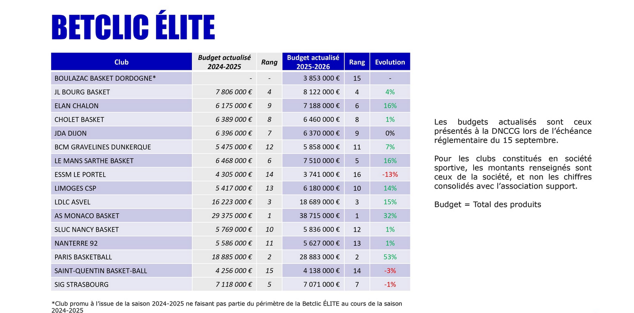

 | French league (Betclic Elite)
 | Nation | Club | Total Budget | Gross salary budget | Salary % from total budget | Place in the national league after the regular season | Participation in European tournament
 | France | Paris | 28,883,000 € | 7,970,000 € | 28% | 1 | Euroleague - regular season 16 place
 | France | Monaco | 38,715,000 € | 20,134,000 € | 52% | 2 | Euroleague - Top 8 / quarter-finals
 | France | Nanterre | 5,627,000 € | 1,598,000 € | 28% | 3 | -
 | France | Asvel | 18,689,000 € | 4,546,000 € | 24% | 4 | Euroleague - regular season 20 place
 | France | Cholet | 6,460,000 € | 1,631,000 € | 25% | 5 | BCL - Play-in round
 | France | Le Mans | 7,510,000 € | 2,282,000 € | 30% | 6 | BCL - Top 16 round
 | France | Bourg-en-Bresse | 8,122,000 € | 2,300,000 € | 28% | 7 | Eurocup - Winners
 | France | Strasbourg | 7,071,000 € | 2,898,000 € | 41% | 8 | -
 | France | Chalon | 7,188,000 € | 2,034,000 € | 28% | 9 | BCL - Top 16 round
 | France | Nancy | 5,836,000 € | 1,733,000 € | 30% | 10 | -
 | France | Dijon | 6,370,000 € | 1,965,000 € | 31% | 11 | Fiba Europe Cup - did not advance from the group to the next round
 | France | Boulazac | 3,853,000 € | 1,242,000 € | 32% | 12 | -
 | France | Limoges | 6,180,000 € | 1,850,000 € | 30% | 13 | -
 | France | Gravelines | 5,858,000 € | 1,778,000 € | 30% | 14 | -
 | France | Saint-Quentin | 4,138,000 € | 1,663,000 € | 40% | 15 | -
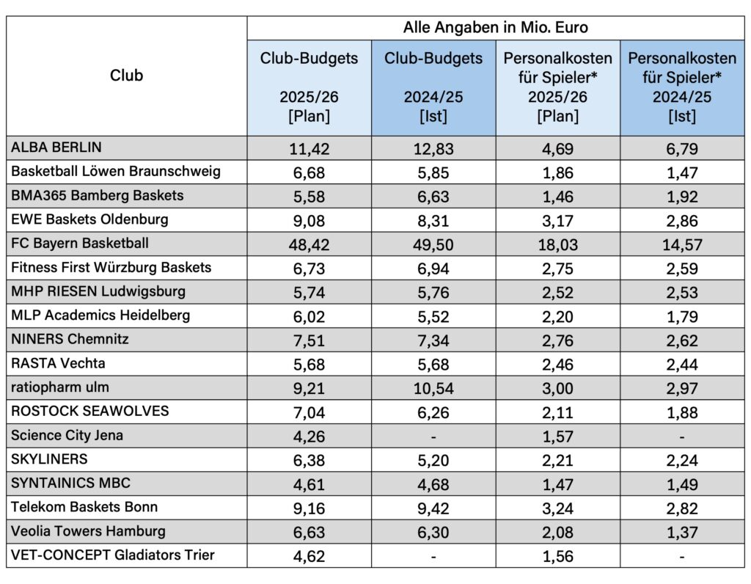
 | France | Le Portel | 3,741,000 € | 968,000 € | 26% | 16 | -
 |  |  |  | League average | 32%

 | German league (easyCredit BBL)
 | Nation | Club | Total Budget | Gross salary budget | Salary % from total budget | Place in the national league after the regular season | Participation in European tournament
 | Germany | FC Bayern | 48,420,000 € | 18,030,000 € | 37% | 1 | Euroleague - regular season 13 place
 | Germany | Alba Berlin | 11,420,000 € | 4,690,000 € | 41% | 2 | BCL- Top 8 / quarter-finals
 | Germany | Bamberg Baskets | 5,580,000 € | 1,460,000 € | 26% | 3 | -
 | Germany | Telekom Baskets Bonn | 9,160,000 € | 3,240,000 € | 35% | 4 | -
 | Germany | Wurzburg | 6,730,000 € | 2,750,000 € | 41% | 5 | BCL - Top 16
 | Germany | Ratiopharm Ulm | 9,210,000 € | 3,000,000 € | 33% | 6 | Eurocup - regular season 7 place
 | Germany | Rasta Vechta | 5,680,000 € | 2,460,000 € | 43% | 7 | Fiba Europe Cup - did not advance from the group to the next round
 | Germany | Gladiators Trier | 4,620,000 € | 1,560,000 € | 34% | 8 | -
 | Germany | Rostock Seawolves | 7,040,000 € | 2,110,000 € | 30% | 9 | Fiba Europe Cup - Top 16
 | Germany | MHP Riesen Ludwigsburg | 5,740,000 € | 2,520,000 € | 44% | 10 | -
 | Germany | EWE Baskets Oldenburg | 9,080,000 € | 3,170,000 € | 35% | 11 | -
 | Germany | Niners Chemnitz | 7,510,000 € | 2,760,000 € | 37% | 12 | Eurocup - 1/8 finals
 | Germany | Syntainics MBC | 4,610,000 € | 1,470,000 € | 32% | 13 | ENBL - F4 / third place
 | Germany | Hamburg Towers | 6,630,000 € | 2,080,000 € | 31% | 14 | Eurocup - regular season 10 place
 | Germany | Frankfurt Skyliners | 6,380,000 € | 2,210,000 € | 35% | 15 | -
 | Germany | Science City Jena | 4,260,000 € | 1,570,000 € | 37% | 16 | -
 | Germany | Lowen Braunschweig | 6,680,000 € | 1,860,000 € | 28% | 17 | Fiba Europe Cup - did not advance from the group to the next round
 | Germany | MLP Academics Heidelberg | 6,020,000 € | 2,200,000 € | 37% | 18 | BCL - Play-in round |  |  |  |  | Unicaja - šiek tiek virš 16 mln bendras (algoms ~9-10), (penktas didžiausias ACB, prezidento žodžiai) Tenerifė - 11-12 mln. (algoms apie 6-6.5 mln) AEK- 6-7 mln (algoms 3.5-4.5 mln) Kitos komandos TOP 8: Joventut ~9 mln (Algoms apie ~6 mln) Galatasaray - 7.7 eur (5.3 mln algoms) oficialūs skaičiai Alba Berlin - 11.4 mln (4.7 mln algoms) Nymburk - ~3 mln eur (1,5-2 mln algoms) Kitos komandos TOP16: Würzburg - 6.73 mln (algoms 2.8mln. ) Gran Canaria - ~11 mln (algoms 5-5.5 mln.) Le Mans - 7.5 mln (algoms 2.3 mln) Chalon - 7.2 mln (algoms 2 mln.) Trieste - 6-7.5 mln (algoms 3,5-4,5 mln) Tofaš - 6-8 mln. (algoms 4-5.5 mln) Holon - 4.5-6 mln (algoms 3-4 mln) Karditsas- 2.5-4 mln (algoms 1.5-2.5 mln) Rytas -6.6 mln (algoms 3.2 mln)
 |  |  |  | League average | 35%

 | Spanish league (liga Endesa)
 | Nation | Club | Total Budget | Gross salary budget | Salary % from total budget | Place in the national league after the regular season | Participation in European tournament | Source 1 | Source 2 | Source 3
+ | Spain | Real Madrid | 55,000,000 € | 34,300,000 € | 62% | 1 | Euroleague - F4 / second place | https://www.2playbook.com/clubes/real-madrid-perdera-38-millones-con-baloncesto-en-2025-2026-como-paso-previo-su-apuesta-nba_20577_102.html | https://encestando.es/el-real-madrid-facturo-25-millones-la-pasada-temporada-y-perdio-195-este-ano-preve-38 | https://cronicaglobal.elespanol.com/culemania/palco/20251115/barca-basket-millones-real-madrid-jugadores-laporta/1003742707818_0.html
+ | Spain | Valencia | 35,000,000 € | 19,000,000 € | 54% | 2 | Euroleague - F4 / semi-finals | https://as.com/baloncesto/el-bilbao-basket-empieza-a-crecer-f202512-n/ | https://www.basketeurope.com/euroleague-valence-booste-son-budget-a-35-millions-deuros/ | https://www.lasprovincias.es/deportes/valencia-bc/valencia-basket-aprueba-presupuesto-record-millones-temporada-20251211191149-nt.html
 | Spain | Baskonia | 17,000,000 € | 12,000,000 € | 71% | 3 | Euroleague - regular season 18 place | https://cronicavasca.elespanol.com/deportes/20250727/baskonia-seguira-potente-acb-contara-millones-presupuesto/1003742675823_0.html | https://www.elcorreo.com/baskonia/baskonia-pablo-laso-costo-113-millones-euros-20251130000753-nt.html | https://cronicavasca.elespanol.com/deportes/20260227/baskonia-cuarto-presupuesto-salarial-euroliga-millones-euros/1003742736078_0.html
 | Spain | UCAM Murcia | 6,000,000 € | 3,900,000 € | 65% | 4 | Fiba Europe Cup - F4 / semi-finals | https://www.marca.com/baloncesto/acb/playoffs/2024/06/06/665de632268e3e39178b4602.html | https://cadenaser.com/murcia/2025/05/14/alejandro-gomez-presupuesto-de-ucam-murcia-y-planificacion-de-la-proxima-temporada-radio-murcia/ | https://palco23.mundodeportivo.com/clubes/ucam-murcia-refuerza-su-estructura-con-una-ampliacion-de-capital-de-970000-euros
 | Spain | Barcelona | 40,200,000 € | 29,250,000 € | 73% | 5 | Euroleague - play-in round | https://www.eurohoops.net/en/euroleague/1941681/joan-laporta-talks-budget-barcelona-euroleague/ | -
 | Spain | Joventut Badalona | 9,000,000 € | 6,000,000 € | 67% | 6 | BCL- Top 8 / quarter-finals | https://www.2playbook.com/clubes/joventut-badalona-formaliza-ampliacion-capital-717685-euros_17599_102.html | https://palco23.mundodeportivo.com/clubes/joventut-de-badalona-perdio-46-millones-en-un-complicado-2023-2024 | https://palco23.mundodeportivo.com/clubes/joventut-de-badalona-engorda-su-agujero-pese-a-recortar-casi-un-30-sus-perdidas-en-2024-2025
 | Spain | Bibao Basket | 5,400,000 € | 2,392,576 € | 44% | 7 | Fiba Europe Cup - Winner | https://www.naiz.eus/info/noticia/20251230/bilbao-basket-aprueba-un-presupuesto-de-5-4-millones-de-euros-para-cerrar-un-curso-historico | https://radiopopular.com/2025/12/el-bilbao-basket-pasa-de-resistir-a-construir-futuro | https://www.elcorreo.com/bilbaobasket/surne-bilbao-fija-presupuesto-millones-destina-brutos-20251229212548-nt.html?ref=https%3A%2F%2Fwww.elcorreo.com%2Fbilbaobasket%2Fsurne-bilbao-fija-presupuesto-millones-destina-brutos-20251229212548-nt.html
 | Spain | Tenerife | 10,700,000 € | 7,800,000 € | 73% | 8 | BCL - F4 / fourth place | https://www.eldia.es/deportes/cb-canarias/2026/01/19/canarias-cierra-pasado-ejercicio-200-125859060.html | https://www.2playbook.com/clubes/laguna-tenerife-cierra-en-beneficios-factura-114-millones-euros-en-2024-2025_21196_102.html
 | Spain | Unicaja | 16,200,000 € | 11,000,000 € | 68% | 9 | BCL - F4 / third place | https://www.malagahoy.es/unicaja/presupuestos-euroliga-24-25-estaria-unicaja_0_2003407564.html | https://www.malagahoy.es/unicaja/estaria-unicaja-ranking-gasto-neto_0_2005999254.html
 | Spain | Baxi Manresa | 4,100,000 € | 2,800,000 € | 68% | 10 | Eurocup - 1/8 finals | https://palco23.mundodeportivo.com/clubes/baxi-manresa-busca-la-permanencia-con-41-millones-de-presupuesto-en-2025-2026 | -
 | Spain | Rio Breogan | 4,500,000 € | 3,025,000 € | 67% | 11 | - | https://www.cbbreogan.com/jgo/INFORME_DE_GESTION_24_25.pdf | https://www.2playbook.com/clubes/rio-breogan-cierra-2023-2024-con-beneficio-600000-euros-presupuesta-417-millones_17233_102.html
 | Spain | Basquet Girona | 4,200,000 € | 2,400,000 € | 57% | 12 | - | https://www.2playbook.com/clubes/marc-gasol-inyectara-24-millones-en-basquet-girona-convertir-club-en-sad_14882_102.html | https://palco23.mundodeportivo.com/clubes/basquet-girona-objetivo-cumplido-en-2022-2023-con-hasta-cuatro-millones-de-presupuesto
 | Spain | San Pablo Burgos | 4,200,000 € | 2,600,000 € | 62% | 13 | - | - | -
 | Spain | Lleida | 6,000,000 € | 3,500,000 € | 58% | 14 | - | https://diaricatalunya.cat/es/segria/lleida/el-forca-lleida-roza-los-seis-millones-de-euros-de-presupuesto-cifra-record | https://www.segre.com/es/opinion/editorial/250802/el-gran-coste-de-competir-en-la-elite-deportiva_913619.html
 | Spain | Casademont Zaragoza | 3,900,000 € | 2,500,000 € | 64% | 15 | Fiba Europe Cup - Top 16 | https://foros.acb.com/forum/index.php?thread/521107-casademont-zaragoza-2025-2026-confiamos-en-plaza-si-se-puede/&postID=33965944 | -
 | Spain | Andorra | 5,900,000 € | 3,500,000 € | 59% | 16 | - | https://www.bca.ad/es/el-bc-morabanc-andorra-reafirma-su-solidez-economica-y-su-compromiso-con-la-transparencia/ | -
 | Spain | CB Gran Canaria | 10,800,000 € | 6,200,000 € | 57% | 17 | BCL - Top 16 | https://www.atlanticohoy.com/deportes-sa/cb-gran-canaria-aprueba-presupuesto-103-millones-mitad-procede-erario-publico_1538123_102.html | -
 | Spain | Granada | 4,650,000 € | 2,100,000 € | 45% | 18 | - | https://www.ideal.es/deportes/fundacioncbgranada/coviran-invierte-poco-dos-millones-euros-jugadores-20251022095748-nt.html?ref=https%3A%2F%2Fwww.ideal.es%2Fdeportes%2Ffundacioncbgranada%2Fcoviran-invierte-poco-dos-millones-euros-jugadores-20251022095748-nt.html | - | https://www.basketnews.lt/news-180219-brangiausiu-eurolygos-zaideju-penkioliktukas.html | taxes expl
 |  |  |  | League average | 62%

 | Italian league (Lega A)
 | Nation | Club | Total Budget | Gross salary budget | Salary % from total budget | Place in the national league after the regular season | Participation in European tournament | Source 1 | Source 2 | Source 3 | Source 4
 | Italy | Virtus Bologna | 21,000,000 € | 13,300,000 € | 63% | 1 | Euroleague - regular season 17 place | https://basketnews.com/news-204932-euroleague-teams-clubs-budgets.html | https://www.sportefinanza.it/2025/12/06/virtus-bologna-bilancio-perdita-zanetti/ | https://basketnews.com/news-233398-euroleague-budgets-payrolls-2026-biggest-spenders.html | https://www.reportaziende.it/virtus_pallacanestro_bologna_societa_per_azioni_bo_00584700371
 | Italy | Brescia | 9,090,000 € | 4,600,000 € | 51% | 2 | - | https://www.ufficiocamerale.it/3138/pallacanestro-brescia-srl#:~:text=Indirizzo%3A%20VIA%20CAPRERA%205%20%2D%2025125,Dipendenti%20%3A%2021%20(2026) | https://www.reportaziende.it/pallacanestro_brescia_srl_bs_02800370989 | https://obiettivolavoro.it/stipendi-basket-serie-a-quanto-guadagnano-i-giocatori-cestisti/ | -
 | Italy | Olimpia Milano | 40,511,000 € | 22,500,000 € | 56% | 3 | Euroleague - regular season 14 place | https://realolimpiamilano.com/2025/06/10/bilancio-olimpia-milano-2024-22-3-milioni-in-salari-e-stipendi/?utm_source=chatgpt.com | https://basketnews.com/news-233398-euroleague-budgets-payrolls-2026-biggest-spenders.html | https://basketnews.com/news-204932-euroleague-teams-clubs-budgets.html | https://www.reportaziende.it/pallacanestro_olimpia_milano_societa_sportiva_a_responsabilita_limitata_o_pallacanestro_ol_mi_01852920154
 | Italy | Venezia | 12,000,000 € | 7,800,000 € | 65% | 4 | Eurocup - 1/8 finals | https://sport.888casino.it/blog/stipendi-venezia-basket | https://www.reportaziende.it/societa_sportiva_professionistica_reyer_venezia_mestre_srl_in_sigla_ssp_reyer_venezi_ve_03849670272 | https://www.pianetabasket.com/olimpia-milano/lera-armani-vale-253-milioni-i-conti-di-olimpia-milano-nellanno-del-triplete | -
 | Italy | Tortona | 13,100,000 € | 8,000,000 € | 61% | 5 | - | https://www.gazzetta.it/Basket/SerieA/16-01-2026/basket-tortona-e-il-report-semestrale-il-palasport-i-partner-la-visione-il-territorio.shtml | https://www.reportaziende.it/derthona_basket_societa_sportiva_a_responsabilita_limitata_al_02224170064 | - | -
 | Italy | Reggiana | 8,690,000 € | 3,550,000 € | 41% | 6 | Fiba Europe Cup - quarter-finals (Top 8) | https://www.reportaziende.it/pallacanestro_reggiana_srl_re_00532610359 | - | - | -
 | Italy | Trieste | 9,450,000 € | 3,800,000 € | 40% | 7 | BCL - Top 16 | https://www.reportaziende.it/pallacanestro_trieste_2004_societa_sportiva_dilettantistica_srl_ts_01072900325 | - | - | -
 | Italy | Trento | 6,350,000 € | 2,650,000 € | 42% | 8 | Eurocup -quarter-finals (Top 8) | https://www.backdoorpodcast.com/virtus-rosso-da-euroleague-trento-e-venezia-bilanci-lba/ | https://www.reportaziende.it/aquila_basket_trento_2013_srl_tn_02125690228 | - | -
 | Italy | Varese | 6,880,000 € | 2,550,000 € | 37% | 9 | - | https://sportando.basketball/openjobmetis-varese-redbird-budget-25-milioni/#goog_rewarded | https://www.reportaziende.it/pallacanestro_varese_srl_va_00338980121 | - | -
 | Italy | Napoli | 9,080,000 € | 3,150,000 € | 35% | 10 | - | https://www.reportaziende.it/ss_napolibasket_srl_na_07000361217 | - | - | -
 | Italy | Cremona | 4,140,000 € | 1,700,000 € | 41% | 11 | - | https://www.reportaziende.it/guerino_vanoli_basket_societa_a_responsabilita_limitata_cr_01192650198 | - | - | -
 | Italy | Treviso | 5,395,000 € | 2,550,000 € | 47% | 12 | - | https://www.reportaziende.it/universo_treviso_basket_srl_tv_07362590726 | - | - | -
 | Italy | Udine | 4,350,000 € | 2,050,000 € | 47% | 13 | - | https://www.reportaziende.it/amici_pallacanestro_udinese_societa_sportiva_dilettantistica_a_responsabilita_limitata_ud_02665760308 | https://www.messaggeroveneto.it/sport/ap-la-forza-sono-le-idee-in-serie-a-con-un-budget-di-fascia-medio-bassa-prlv26jt | - | -
 | Italy | Cantu | 4,676,000 € | 2,350,000 € | 50% | 14 | - | https://www.reportaziende.it/pallacanestro_cantu_spa_societa_sportiva_dilettantistica_co_00254400138 | - | - | -
 | Italy | Sassari | 7,830,000 € | 2,900,000 € | 37% | 15 | Fiba Europe Cup - Top 16 | https://www.reportaziende.it/polisportiva_dinamo_srl_ss_01166920908 | - | - | -
 | Italy | Trapani | 7,000,000 € | 3,400,000 € | 49% | 16 | BCL - Play-in round | https://www.reportaziende.it/trapani_shark_ssd_a_rl_tp_02539490819 | - | - | -
 |  |  |  | League average | 48%

 | Lithuanian league (LKL)
 | Nation | Club | Total Budget | Gross salary budget | Salary % from total budget | Place in the national league after the regular season | Participation in European tournament | Source 1 | Source 2
 | Lithuania | Žalgiris | 21,700,000 € | 14,400,000 € | 66% | 1 | Euroleague - Top 8 / quarter-finals | https://www.lrt.lt/naujienos/sportas/10/2700152/kauno-zalgiris-pristate-rekordini-2025-2026-m-sezono-biudzeta?srsltid=AfmBOopGXyxC169tMhv2TU5SXOKXuuENL1itZs6SqKyjpXQEabWp8QfG
 | Lithuania | Rytas | 6,834,000 € | 3,211,000 € | 47% | 2 | BCL - Winner | https://www.delfi.lt/krepsinis/naujienos/rytas-pristate-rekordini-biudzeta-sieks-beveik-7-milijonus-euru-120178053 | https://www.lrt.lt/naujienos/sportas/10/2942193/ryto-vadovas-giga-tikisi-kad-ateityje-klubo-biudzetas-sieks-20-mln-euru#:~:text=Gigos%20teigimu%2C%20klubo%20biud%C5%BEetas%20%C5%A1%C4%AF,tur%C4%97t%C5%B3%20pasiekti%209%20mln.%20eur%C5%B3.
 | Lithuania | Neptūnas | 2,800,000 € | 1,220,000 € | 44% | 3 | Eurocup - regular season 8 place | https://www.basketnews.lt/news-230665-neptunas-pristate-padidejusi-biudzeta-ir-skiriama-suma-krepsininkams.html
 | Lithuania | Šiauliai | 2,000,000 € | 1,100,000 € | 55% | 4 | - | https://www.15min.lt/24sek/naujiena/europa/lkl-klubai-prie-starto-linijos-i-dalis-biudzetai-zvaigzdes-klaustukai-ir-prognozes-874-2527376 | https://www.15min.lt/24sek/naujiena/lietuva/po-kosmarisko-siauliu-starto-direktoriaus-zinute-pazadas-ir-atskleistas-biudzetas-875-2142054
 | Lithuania | Lietkabelis | 2,600,000 € | 1,200,000 € | 46% | 5 | Eurocup - regular season 9 place | https://www.basketnews.lt/news-243778-panevezys-9-tukst-euru-padidino-lietkabelio-finansavima.html#google_vignette | https://www.15min.lt/24sek/naujiena/lietuva/maciulis-apie-lietkabelio-sudeti-tikslus-biudzeta-ir-isgaravusia-baime-del-canako-875-2501070
 | Lithuania | Gargždai | 1,000,000 € | 700,000 € | 70% | 6 | - | https://www.15min.lt/24sek/naujiena/europa/lkl-klubai-prie-starto-linijos-i-dalis-biudzetai-zvaigzdes-klaustukai-ir-prognozes-874-2527376
 | Lithuania | Juventus | 1,600,000 € | 950,000 € | 59% | 7 | - | https://www.15min.lt/24sek/naujiena/europa/lkl-klubai-prie-starto-linijos-i-dalis-biudzetai-zvaigzdes-klaustukai-ir-prognozes-874-2527376
 | Lithuania | Jonava | 1,135,000 € | 666,863 € | 59% | 8 | - | https://www.basketnews.lt/news-246157-jonavos-biudzetas-augantis-bet-ne-zaidejams.html#google_vignette
 | Lithuania | Nevėžis | 1,000,000 € | 540,000 € | 54% | 9 | - | https://www.15min.lt/24sek/naujiena/europa/lkl-klubai-prie-starto-linijos-i-dalis-biudzetai-zvaigzdes-klaustukai-ir-prognozes-874-2527376 | https://www.basketnews.lt/news-231646-nevezis-atskleide-biudzeta-desimtadalis-skolu-grazinimui.html
 |  |  |  | League average | 56%

 | Greek league (GBL)
 | Nation | Club | Total Budget | Gross salary budget | Salary % from total budget | Place in the national league after the regular season | Participation in European tournament | Source 1
 | Greece | Olympiacos | 45,000,000 € | 30,205,330 € | 67% | 1 | Euroleague - Winner | https://basketnews.com/news-233398-euroleague-budgets-payrolls-2026-biggest-spenders.html | https://www.foxbet.gr/315873/mpatzet-omadon-mpasket-a1 | https://www.sport24.gr/basket/euroleague-basketball/olimpiakos-i-pio-akrivi-omada-olon-ton-epoxon-afta-einai-ta-xrisa-simvolaia-ton-erithrolefkon/
 | Greece | Panathinaikos | 55,000,000 € | 37,217,761 € | 68% | 2 | Euroleague - Top 8 / quarter-finals | https://as.com/baloncesto/euroliga/el-panathinaikos-el-que-mas-gasta-en-la-euroliga-f202602-n | https://www.foxbet.gr/315873/mpatzet-omadon-mpasket-a1 | https://www.sport24.gr/basket/euroleague-basketball/panathinaikos-aktor-i-axia-ton-prasinon-simvolaion-apogeiothike-kai-angizei-ta-25-ekatommiria/ | https://www.protothema.gr/sports/article/1772720/panathinaikos-to-muthiko-sumvolaio-pou-tha-parei-heiz-devis-stin-ellada-den-xepernaei-to-kase-tou-nan/
 | Greece | PAOK | 6,000,000 € | 4,000,000 € | 67% | 3 | Fiba Europe Cup - Final (second place) | https://www.gazzetta.gr/basketball/basket-league/2454961/aris-me-ena-smparo-dyo-trygonia-se-protathlima-kai-euroleague | https://www.foxbet.gr/315873/mpatzet-omadon-mpasket-a1
 | Greece | AEK | 6,000,000 € | 3,800,000 € | 63% | 4 | BCL - F4 / Final (second place) | https://www.gazzetta.gr/basketball/basket-league/2454961/aris-me-ena-smparo-dyo-trygonia-se-protathlima-kai-euroleague | https://www.foxbet.gr/315873/mpatzet-omadon-mpasket-a1 | https://www.superbasket.gr/basket-league/115461-angelopoulos-prin-tria-chronia-me-eiche-plesiasei-fund-gia-na-agorasei-tis-metoches-tes-aek.html
 | Greece | Aris | 6,500,000 € | 4,000,000 € | 62% | 5 | Eurocup - regular season 7 place | https://www.gazzetta.gr/basketball/basket-league/2454961/aris-me-ena-smparo-dyo-trygonia-se-protathlima-kai-euroleague | https://www.foxbet.gr/315873/mpatzet-omadon-mpasket-a1 | https://www.gazzetta.gr/basketball/eurocup/2454951/aris-sta-25-ekatommyria-eyro-o-proypologismos-tis-neas-sezon
 | Greece | Peristeri | 2,200,000 € | 1,380,000 € | 63% | 6 | Fiba Europe Cup - Top 8 / quarter-finals | https://www.gazzetta.gr/basketball/basket-league/2454961/aris-me-ena-smparo-dyo-trygonia-se-protathlima-kai-euroleague | https://www.foxbet.gr/315873/mpatzet-omadon-mpasket-a1 | https://www.sport24.gr/basket/oloi-oi-anthropoi-tou-spanouli-sto-peristeri-to-batzet-to-simvolaio-kai-oi-metagrafes/
 | Greece | Mykonos | 2,000,000 € | 1,380,000 € | 69% | 7 | - | https://www.gazzetta.gr/basketball/basket-league/2454961/aris-me-ena-smparo-dyo-trygonia-se-protathlima-kai-euroleague | https://www.foxbet.gr/315873/mpatzet-omadon-mpasket-a1
 | Greece | Kolossos Rhodes | 2,200,000 € | 1,500,000 € | 68% | 8 | - | https://www.gazzetta.gr/basketball/basket-league/2454961/aris-me-ena-smparo-dyo-trygonia-se-protathlima-kai-euroleague | https://www.foxbet.gr/315873/mpatzet-omadon-mpasket-a1
 | Greece | Iraklis | 2,200,000 € | 1,400,000 € | 64% | 9 | ENBL - Top 8 / quarter-finals | https://www.gazzetta.gr/basketball/basket-league/2454961/aris-me-ena-smparo-dyo-trygonia-se-protathlima-kai-euroleague | https://www.foxbet.gr/315873/mpatzet-omadon-mpasket-a1
 | Greece | Promitheas Patras | 2,500,000 € | 1,600,000 € | 64% | 10 | BCL - Play-in round | https://www.gazzetta.gr/basketball/basket-league/2454961/aris-me-ena-smparo-dyo-trygonia-se-protathlima-kai-euroleague | https://www.foxbet.gr/315873/mpatzet-omadon-mpasket-a1 | https://www.sdna.gr/mpasket/1425204_promitheas-i-heiroteri-hronia-tis-istorias-toy-bathmologika-agonistika-dioikitika | https://www.sdna.gr/mpasket/976562_o-promitheas-dilose-proypologismo-800000-ston-esake-eno-eurocup-apaitei-25
 | Greece | Karditsas | 1,500,000 € | 1,000,000 € | 67% | 11 | BCL - Top 16 | https://www.gazzetta.gr/basketball/basket-league/2454961/aris-me-ena-smparo-dyo-trygonia-se-protathlima-kai-euroleague | https://www.foxbet.gr/315873/mpatzet-omadon-mpasket-a1
 | Greece | Maroussi | 3,200,000 € | 2,300,000 € | 72% | 12 | - | https://www.gazzetta.gr/basketball/basket-league/2454961/aris-me-ena-smparo-dyo-trygonia-se-protathlima-kai-euroleague | https://www.foxbet.gr/315873/mpatzet-omadon-mpasket-a1
 | Greece | Panionios | 4,000,000 € | 2,700,000 € | 68% | 13 | Eurocup - regular season 10 place | https://www.gazzetta.gr/basketball/basket-league/2454961/aris-me-ena-smparo-dyo-trygonia-se-protathlima-kai-euroleague | https://www.foxbet.gr/315873/mpatzet-omadon-mpasket-a1 | https://www.enwsi.gr/1682640/aek/aek-basket/ta-mpatzet-toy-antagonismoy-tha-anevoyn-simantika-kai-i-aek-tha-prepei-na-einai-etoimi.html
 |  |  |  | League average | 66%

 | Turkish league (Super Ligi)
 | Nation | Club | Total Budget | Gross salary budget | Salary % from total budget | Place in the national league after the regular season | Participation in European tournament | Source 1 | Source 2
 | Turkey | Fenerbahce | 36,000,000 € | 24,000,000 € | 67% | 1 | Euroleague - F4 / semi-finals | https://x.com/sercanhamzaolu/status/2081041163759329452 | https://basketnews.com/news-233398-euroleague-budgets-payrolls-2026-biggest-spenders.html
 | Turkey | Besiktas | 11,500,000 € | 7,500,000 € | 65% | 2 | Eurocup - Final (second place) | https://www.bebasket.fr/le-president-du-besiktas-en-est-sur-son-club-va-remporter-leurocup-et-selon-lui-ca-montrera-que-largent-ne-fait-pas-tout | https://medyasiyahbeyaz.com/besiktas-fibabankanin-takim-butcesi-ne-kadar
 | Turkey | Bahcesehir | 12,000,000 € | 8,000,000 € | 67% | 3 | Eurocup - F4 / semi-finals | https://www.eurohoops.net/tr/eurocup-tr/1892517/igor-milicic-bahcesehirin-butcesi-cok-yuksek-ama-sahada-para-oynamiyor/ | -
 | Turkey | Anadolu Efes | 35,000,000 € | 26,000,000 € | 74% | 4 | Euroleague - regular season 19 place | https://x.com/ErayOzer/status/1933976353847558266
 | Turkey | Turk Telekom | 10,500,000 € | 7,000,000 € | 67% | 5 | Eurocup - F4 / semi-finals | https://www.bursahakimiyet.com.tr/yazarlar/suha-gursoy-35/butce-dusuk-emek-buyuk-27597 | -
 | Turkey | Trabzonspor | 5,000,000 € | 3,500,000 € | 70% | 6 | - | https://www.eurohoops.net/tr/tbl-tr/1838799/ertugrul-dogan-trabzonun-basketbol-butcesi-5-milyon-euro/ | https://www.kuzeyekspres.com.tr/haber/24719791/trabzonsporda-son-dakika-yuksek-butce-icin-harekete-gecildi
 | Turkey | Galatasaray | 10,000,000 € | 6,400,000 € | 64% | 7 | BCL - Top 8 / quarter-finals | https://x.com/GsYanBranslar/status/1916097564161483115?lang=en | https://x.com/EskiAcikOnline/status/2048008401834127503
 | Turkey | Esenler Erokspor | 4,200,000 € | 2,900,000 € | 69% | 8 | - | - | -
 | Turkey | Merkezefendi | 2,500,000 € | 1,700,000 € | 68% | 9 | - | https://basketfaul.com.tr/turkiye/bsl/deveciler-merkeszefendi-kadrodaki-yerliler-ve-1-2-yabanciyla-devam-edecek/ | -
 | Turkey | Tofaš | 7,000,000 € | 4,800,000 € | 69% | 10 | BCL - Top 16 | - | -
 | Turkey | Manisa | 3,200,000 € | 2,200,000 € | 69% | 11 | - | https://www.manisa.bel.tr/Haberler/42692_baskan-hasgor-basketbol-bransinin-butcesinde-artik.aspx | https://www.eurohoops.net/tr/tbl-tr/1708689/manisanin-eski-baskani-konustu-bir-kurus-borc-yokken-takimi-bedavaya-ozel-sirkete-sattilar/
 | Turkey | Bursaspor | 2,800,000 € | 1,900,000 € | 68% | 12 | BCL - did not advance from the group to the next round | https://www.bursahakimiyet.com.tr/yazarlar/suha-gursoy-35/butce-dusuk-emek-buyuk-27597 | https://basketdergisi.com/alimpijevic-agresif-ve-sert-savunma-yaptik.html
 | Turkey | Petkim Spor | 4,300,000 € | 2,900,000 € | 67% | 13 | Fiba Europe Cup - Top 8 / quarter-finals | - | -
 | Turkey | Pinar Karsiyaka | 3,500,000 € | 2,500,000 € | 71% | 14 | - | https://trendbasket.net/pinar-karsiyakanin-onumuzdeki-sezon-butcesi-belli-oldu/ | -
 | Turkey | Mersin SK | 6,500,000 € | 4,300,000 € | 66% | 15 | BCL - Play-in round | - | -
 | Turkey | Buyukcekmece | 2,200,000 € | 1,500,000 € | 68% | 16 | - | - | -
 |  |  |  | League average | 68%

 | ABA league
 | Nation | Club | Total Budget | Gross salary budget | Salary % from total budget | Place in the national league after the regular season | Participation in European tournament | Source 1 | Source 2
 | United Arab Emirates | Dubai | 30,000,000 € | 18,500,000 € | 62% | 1 | Euroleague - regular season 11 place | https://basketnews.com/news-228333-dubai-basketball-budget-revealed.html
 | Serbia | Partizan | 27,000,000 € | 18,000,000 € | 67% | 2 | Euroleague - regular season 15 place | https://basketnews.com/news-233398-euroleague-budgets-payrolls-2026-biggest-spenders.html | https://basketnews.com/news-231943-partizan-budget-for-2025-26-season-revealed.html#:~:text=Team%20president%20Ostoja%20Mijailovic%20has,he%20said%2C%20via%20Mozzart%20Sport.
 | Serbia | Crvena Zvezda | 20,000,000 € | 18,500,000 € | 93% | 3 | Euroleague - regular season 10 place | https://basketnews.com/news-233398-euroleague-budgets-payrolls-2026-biggest-spenders.html | https://www.eurohoops.net/en/euroleague/1873724/zeljko-drcelic-talks-crvena-zvezda-budget-euroleague/
 | Montenegro | Buducnost | 6,500,000 € | 3,500,000 € | 54% | 4 | Eurocup - 1/8 finals |  | https://en.vijesti.me/sports-e/basketball/771237/Dragan-Bokan--the-future-has-no-problems-with-business-because-it-has-serious-management--the-European-Cup-is-the-most-important-competition
 | Romania | Cluj Napoca | 5,000,000 € | 3,300,000 € | 66% | 5 | Eurocup - Top 8 / quarter-finals | https://www.gsp.ro/sporturi/baschet/nimic-fara-bani-publici-noua-forta-din-sportul-romanesc-793363.html | https://baschet.ro/liga-nationala-de-baschet-masculin/stiri/ce-salariu-i-a-oferit-u-bt-cluj-napoca-lui-sasu-salin-in-sezonul-2024-2025
 | Slovenia | Cedevita Olimpia | 5,700,000 € | 3,800,000 € | 67% | 6 | Eurocup - Top 8 / quarter-finals | https://www.dnevnik.si/sport/kosarka/bruto-proracun-visji-od-buducnosti-neto-pa-2796508/ | https://ekipa.svet24.si/sport/kosarka/mednarodna-kosarka/cedevita-olimpija-denar-proracun-evroliga-2025-1798233
 | Bosnia and Herzegovina | KK Bosna | 2,100,000 € | 1,500,000 € | 71% | 7 | Fiba Europe Cup - Top 8 / quarter-finals | https://x.com/Kemp40S/status/1935283038860231093
 | Bosnia and Herzegovina | Igokea | 3,500,000 € | 2,300,000 € | 66% | 8 | BCL - did not advance from the group to the next round | https://www.bhbasket.ba/dubravko-barbaric-da-bismo-igrali-aba-ligu-potrebno-nam-je-4-5-miliona-eura/
 | Serbia | Spartak Subotica | 4,000,000 € | 2,600,000 € | 65% | 9 | BCL - Play-in round | https://www.dnevnik.rs/sport/kosarka/ove-sezone-budzet-oko-2-2-miliona-evra-predsednik-kosarkaskog-kluba-spartak-slobodan-jaramazovic-obelodanio-2025-04-23 | https://www.companywall.rs/firma/kosarkaski-klub-spartak/MMDENuVD?utm_source=chatgpt.com
 | Croatia | Zadar | 3,034,805 € | 1,360,000 € | 45% | 10 | - | https://slobodnadalmacija.hr/dalmacija/zadar/kalelarga/dio-novca-iz-proracuna-za-kk-zadar-ide-visnjiku-gradonacelnik-pojasnio-raspodjelu-sredstava-i-otplatu-dugova-1500927 | https://infobiz.fina.hr/tvrtka/kk-zadar-s-d-d/OIB-69533397083 | https://www.companywall.hr/tvrtka/kk-zadar-sdd/MMEt9uTY | https://www.antenazadar.hr/clanak/2025/08/nema-rasipanja-novca-davor-karlovic-budzet-kk-zadar-se-nece-probijati-moramo-paziti-na-financijsku-stabilnost/
 | Serbia | Mega Basket | 2,000,000 € | 1,300,000 € | 65% | 11 | -
 | Serbia | FMP Beograd | 1,850,000 € | 1,200,000 € | 65% | 12 | - | https://www.companywall.rs/firma/kk-fmp/MMePuGWR
 | Slovenia | KK Krka | 2,000,000 € | 1,500,000 € | 75% | 13 | -
 | Slovenia | Perspektiva Illirija | 957,423 € | 600,000 € | 63% | 14 | - | https://www.companywall.si/podjetje/kosarkarski-klub-ilirija/MMxD7CWDD
 | Montenegro | Studentski Centar Derby | 1,000,000 € | 650,000 € | 65% | 15 | -
 | Austria | Vienna Basket | 2,200,000 € | 1,500,000 € | 68% | 16 | - | https://www.derstandard.at/story/2000135718833/der-hoehenflug-des-bc-vienna-wien-ist-wieder-wer
 | Serbia | Borac Mozzart | 1,000,000 € | 650,000 € | 65% | 17 | - | https://www.ozonpress.net/sport/todorovic-ove-godine-nije-dao-ni-dinara-za-kk-borac-pantovic-napusta-klub/ | https://www.companywall.rs/firma/kk-borac/MMrNkZ60
 | Croatia | Split | 2,737,831 € | 1,700,000 € | 62% | 18 | - | https://infobiz.fina.hr/tvrtka/kosarkaski-klub-split-sportsko-dionicko-drustvo-za-obavljanje-sportskih-djelatnos/OIB-93265708320
 |  |  |  | League average | 66%

 | Israeli league (Winner)
 | Nation | Club | Total Budget | Gross salary budget | Salary % from total budget | Place in the national league after the regular season | Participation in European tournament | Source 1 | Source 2
 | Israel | Maccabi Tel Aviv | 26,623,908 € | 16,400,000 € | 62% | 1 | Euroleague - regular season 12 place | https://www.sport5.co.il/articles.aspx?FolderID=11840&docID=518857 | https://www.one.co.il/Article/506791.html
 | Israel | Hapoel Tel Aviv | 48,514,677 € | 30,300,000 € | 62% | 2 | Eurolyga - Top 8 / quarter-finals | - | https://www.one.co.il/Article/506791.html
 | Israel | Hapoel Jerusalem | 16,300,000 € | 7,817,000 € | 48% | 3 | Eurocup - Top 8 / quarter-finals | https://www.sport5.co.il/articles.aspx?FolderID=11840&docID=518857 | https://www.sport5.co.il/articles.aspx?FolderID=274&docID=547545
 | Israel | Bnei Herzliya | 3,106,123 € | 1,900,000 € | 61% | 4 | BCL - did not advance from the group to the next round | https://www.one.co.il/Article/506791.html | -
 | Israel | Hapoel Holon | 6,508,066 € | 3,900,000 € | 60% | 5 | BCL - Top 16 | https://www.israelhayom.co.il/sport/israeli-basketball/article/18930694 | -
 | Israel | Hapoel HaEmek | 5,078,576 € | 3,200,000 € | 63% | 6 | - | https://www.israelhayom.co.il/sport/israeli-basketball/article/18274420 | https://www.israelhayom.co.il/sport/israeli-basketball/article/18109241
 | Israel | Maccabi Rishon | 3,106,123 € | 1,900,000 € | 61% | 7 | - | https://www.one.co.il/Article/506791.html | -
 | Israel | Hapoel Beer Sheeva | 2,662,391 € | 1,600,000 € | 60% | 8 | - | https://www.one.co.il/Article/506791.html | -
 | Israel | Maccabi Ironi Ramat Gan | 2,810,301 € | 1,700,000 € | 60% | 9 | - | https://www.one.co.il/Article/506791.html | -
 | Israel | Ironi Kiryat Ata | 2,366,570 € | 1,450,000 € | 61% | 10 | - | https://www.one.co.il/Article/506791.html | -
 | Israel | Nes Ziona | 4,141,497 € | 2,500,000 € | 60% | 11 | - | https://www.one.co.il/Article/506791.html | -
 | Israel | Galil Elyon | 2,366,570 € | 1,450,000 € | 61% | 12 | - | https://www.one.co.il/Article/506791.html | -
 | Israel | Elitzur Maccabi Netanya | 2,662,391 € | 1,600,000 € | 60% | 13 | - | https://www.one.co.il/Article/506791.html | -
 | Israel | Maccabi Raanana | 2,366,570 € | 1,450,000 € | 61% | 14 | - | https://www.one.co.il/Article/506791.html | -
 |  |  |  | League average | 60%

 | Australian league (NBL)
 | Nation | Club | Total Budget | Gross salary budget | Salary % from total budget | Place in the national league after the regular season | Participation in European tournament | Source 1 | Source 2
 | Australia | Sydney Kings | 5,800,000 € | 2,702,752 € | 47% | 1 | - | https://www.espn.com.au/nbl/story/_/id/49150036/how-much-nbl-team-spent-2025-26 | -
 | Australia | Adelaide 36ers | 5,600,000 € | 2,614,065 € | 47% | 2 | - | https://www.espn.com.au/nbl/story/_/id/49150036/how-much-nbl-team-spent-2025-26 | -
 | Australia | SE Melbourne Phoenix | 3,550,000 € | 1,664,902 € | 47% | 3 | - | https://www.espn.com.au/nbl/story/_/id/49150036/how-much-nbl-team-spent-2025-26 | -
 | Australia | Perth Wildcats | 5,700,000 € | 2,706,020 € | 47% | 4 | - | https://www.espn.com.au/nbl/story/_/id/49150036/how-much-nbl-team-spent-2025-26 | -
 | Australia | Melbourne United | 4,550,000 € | 2,138,124 € | 47% | 5 | - | https://www.espn.com.au/nbl/story/_/id/49150036/how-much-nbl-team-spent-2025-26 | -
 | Australia | Tasmania JackJumpers | 3,900,000 € | 1,822,675 € | 47% | 6 | - | https://www.espn.com.au/nbl/story/_/id/49150036/how-much-nbl-team-spent-2025-26 | -
 | Australia | New Zealand Breakers | 3,400,000 € | 1,581,052 € | 47% | 7 | - | https://www.espn.com.au/nbl/story/_/id/49150036/how-much-nbl-team-spent-2025-26 | -
 | Australia | Illawarra Hawks | 3,700,000 € | 1,732,994 € | 47% | 8 | - | https://www.espn.com.au/nbl/story/_/id/49150036/how-much-nbl-team-spent-2025-26 | -
 | Australia | Cairns Taipans | 4,000,000 € | 1,887,638 € | 47% | 9 | - | https://www.espn.com.au/nbl/story/_/id/49150036/how-much-nbl-team-spent-2025-26 | -
 | Australia | Brisbane Bullets | 3,600,000 € | 1,693,701 € | 47% | 10 | - | https://www.espn.com.au/nbl/story/_/id/49150036/how-much-nbl-team-spent-2025-26 | -
 |  |  |  | League average | 47%

 | Japan league (B.league B1 2024/25)
 | Nation | Club | Total Budget | Gross salary budget | Salary % from total budget | Place in the national league after the regular season | Participation in European tournament | Source 1 | Source 2
 | Japan | Utsonomiya Brex | 14,800,000 € | 7,300,000 € | 49% | 1 | - | https://www.bleague.jp/files/user/about/pdf/financial_settlement_2024.pdf | -
 | Japan | San-en | 12,200,000 € | 4,000,000 € | 33% | 2 | - | https://www.bleague.jp/files/user/about/pdf/financial_settlement_2024.pdf | -
 | Japan | Ryukyu | 11,100,000 € | 5,400,000 € | 49% | 3 | - | https://www.bleague.jp/files/user/about/pdf/financial_settlement_2024.pdf | -
 | Japan | Alvark Tokyo | 22,100,000 € | 8,800,000 € | 40% | 4 | - | https://www.bleague.jp/files/user/about/pdf/financial_settlement_2024.pdf | -
 | Japan | Chiba Jets | 28,600,000 € | 9,300,000 € | 33% | 5 | - | https://www.bleague.jp/files/user/about/pdf/financial_settlement_2024.pdf | -
 | Japan | Gunma | 15,500,000 € | 6,700,000 € | 43% | 6 | - | https://www.bleague.jp/files/user/about/pdf/financial_settlement_2024.pdf | -
 | Japan | Mikawa | 18,400,000 € | 7,700,000 € | 42% | 7 | - | https://www.bleague.jp/files/user/about/pdf/financial_settlement_2024.pdf | -
 | Japan | Shimane | 11,500,000 € | 4,100,000 € | 36% | 8 | - | https://www.bleague.jp/files/user/about/pdf/financial_settlement_2024.pdf | -
 | Japan | Nagoya D | 12,200,000 € | 5,900,000 € | 48% | 9 | - | https://www.bleague.jp/files/user/about/pdf/financial_settlement_2024.pdf | -
 | Japan | Kyoto | 8,900,000 € | 3,700,000 € | 42% | 10 | - | https://www.bleague.jp/files/user/about/pdf/financial_settlement_2024.pdf | -
 | Japan | Sunrockers Shibuya | 14,700,000 € | 6,200,000 € | 42% | 11 | - | https://www.bleague.jp/files/user/about/pdf/financial_settlement_2024.pdf | -
 | Japan | FE Nagoya | 10,500,000 € | 4,700,000 € | 45% | 12 | - | https://www.bleague.jp/files/user/about/pdf/financial_settlement_2024.pdf | -
 | Japan | Osaka | 9,400,000 € | 3,300,000 € | 35% | 13 | - | https://www.bleague.jp/files/user/about/pdf/financial_settlement_2024.pdf | -
 | Japan | Akita | 9,100,000 € | 4,200,000 € | 46% | 14 | - | https://www.bleague.jp/files/user/about/pdf/financial_settlement_2024.pdf | -
 | Japan | Hiroshima | 14,900,000 € | 4,700,000 € | 32% | 15 | - | https://www.bleague.jp/files/user/about/pdf/financial_settlement_2024.pdf | -
 | Japan | Nagasaki Velca | 19,000,000 € | 6,600,000 € | 35% | 16 | - | https://www.bleague.jp/files/user/about/pdf/financial_settlement_2024.pdf | -
 | Japan | Yokohama BC | 14,500,000 € | 6,100,000 € | 42% | 17 | - | https://www.bleague.jp/files/user/about/pdf/financial_settlement_2024.pdf | -
 | Japan | Saga | 9,300,000 € | 2,400,000 € | 26% | 18 | - | https://www.bleague.jp/files/user/about/pdf/financial_settlement_2024.pdf | -
 | Japan | Levanga Hokkaido | 7,700,000 € | 3,000,000 € | 39% | 19 | - | https://www.bleague.jp/files/user/about/pdf/financial_settlement_2024.pdf | -
 | Japan | Koshigaya | 10,000,000 € | 3,300,000 € | 33% | 20 | - | https://www.bleague.jp/files/user/about/pdf/financial_settlement_2024.pdf | -
 | Japan | Kawasaki | 11,000,000 € | 4,700,000 € | 43% | 21 | - | https://www.bleague.jp/files/user/about/pdf/financial_settlement_2024.pdf | -
 | Japan | Ibaraki | 10,300,000 € | 4,000,000 € | 39% | 22 | - | https://www.bleague.jp/files/user/about/pdf/financial_settlement_2024.pdf | -
 | Japan | 89ers Sendai | 7,800,000 € | 1,900,000 € | 24% | 23 | - | https://www.bleague.jp/files/user/about/pdf/financial_settlement_2024.pdf | -
 | Japan | Shiga | 8,200,000 € | 1,800,000 € | 22% | 24 | - | https://www.bleague.jp/files/user/about/pdf/financial_settlement_2024.pdf | -
 |  |  |  | League average | 38%

 | Other clubs
 | Nation | Club | Total Budget | Gross salary budget | Salary % from total budget | Place in the national league after the regular season | Participation in European tournament | Source 1 | Source 2
 | Belgium | Antwerp Giants | 2,800,000 € | 1,719,552 € | 61% | 1 | Fiba Europe Cup - did not advance from the group to the next round | https://consult.cbso.nbb.be/consult-enterprise/0455284247
 | Belgium | Filou Ostende | 4,000,000 € | 2,400,000 € | 60% | 2 | BCL - did not advance from the group to the next round | https://consult.cbso.nbb.be/consult-enterprise/04552842477
 | Czech Republic | Era Nymburk | 2,000,000 € | 1,300,000 € | 65% | 1 | BCL - Top 8 / quarter-finals | https://forbes.cz/atak-na-olymp-slavia-a-nymburk-se-spojuji-novy-klub-chce-do-evropske-nba/
 | Czech Republic | Basket Brno | 587,238 € | 400,000 € | 68% | 3 | Fiba Europe Cup - did not advance from the group to the next round | https://www.idnes.cz/sport/basket/pumpa-basket-brno-sezona-kvalifikace-eurocup-pulpan-farsky.A250923_123013_sport-basket_coch
 | Denmark | Bakken Bears | 2,000,000 € | 1,480,000 € | 74% | 1 | Fiba Europe Cup - did not advance from the group to the next round | https://datacvr.virk.dk/gateway/dokument/downloadDokumentForVirksomhed?dokumentId=amNsb3VkczovLzAzLzNjL2NiLzgyLzJjL2ZjMjgtNGQ3OC04ZGVmLTAxNTczMDgyMDhlNQ&cvrNummer=287169588
 | Estonia | BC Kalev/Cramo | 1,500,000 € | 800,000 € | 53% | 4 | Fiba Europe Cup - did not advance from the group to the next round | https://sport.err.ee/1609475339/kalev-cramo-manedzer-me-ei-suuda-eelarvet-tosta-muu-maailm-laheb-eest-ara
 | Estonia | Tartu Ulikool | 1,200,000 € | 650,000 € | 54% | 1 | Fiba Europe Cup - did not advance from the group to the next round | reddit
 | Finland | BC Nokia | 761,500 € | 515,000 € | 68% | - | - | https://basket.fi/site/assets/files/33531/pahkina2024.pdf
 | Finland | Bisons Laimaa | 325,800 € | 255,000 € | 78% | 9 | - | https://basket.fi/site/assets/files/33531/pahkina2024.pdf
 | Finland | Helsinki Seagulls | 1,142,200 € | 600,800 € | 53% | 6 | - | https://basket.fi/site/assets/files/33531/pahkina2024.pdf
 | Finland | Kataja Basket | 890,900 € | 467,000 € | 52% | 7 | - | https://basket.fi/site/assets/files/33531/pahkina2024.pdf
 | Finland | Kauhajoki | 816,000 € | 514,000 € | 63% | 2 | - | https://basket.fi/site/assets/files/33531/pahkina2024.pdf
 | Finland | Kobrat | 352,000 € | 305,000 € | 87% | 12 | - | https://basket.fi/site/assets/files/33531/pahkina2024.pdf
 | Finland | Korihait | 345,000 € | 203,500 € | 59% | 4 | - | https://basket.fi/site/assets/files/33531/pahkina2024.pdf
 | Finland | Kouvot | 611,800 € | 287,000 € | 47% | 11 | - | https://basket.fi/site/assets/files/33531/pahkina2024.pdf
 | Finland | KTP Basket | 442,500 € | 307,500 € | 69% | 3 | - | https://basket.fi/site/assets/files/33531/pahkina2024.pdf
 | Finland | Salon Vilpas | 699,600 € | 413,600 € | 59% | 1 | - | https://basket.fi/site/assets/files/33531/pahkina2024.pdf
 | Finland | Tampereen Pyrinto | 402,900 € | 275,900 € | 68% | 8 | - | https://basket.fi/site/assets/files/33531/pahkina2024.pdf
 | Finland | Tampiolan Honka | 340,000 € | 313,300 € | 92% | 5 | - | https://basket.fi/site/assets/files/33531/pahkina2024.pdf
 | Hungary | Falco Szombatey | 2,506,276 € | 1,600,000 € | 64% | 2 | Fiba Europe Cup - F4 / semifinals | https://www.companywall.hu/v%C3%A1llalat/falco-kc-szombathely-kft/MMFLZkdD
 | Hungary | Szolnoki Olaj | 2,308,344 € | 1,500,000 € | 65% | 1 | BCL - Play-in round
 | Hungary | Kaposvari | 1,726,451 € | 1,100,000 € | 64% | 3 | -
 | Hungary | Alba-Fehervar | 930,292 € | 650,000 € | 70% | 5 | - | https://www.companywall.hu/v%C3%A1llalat/alba-fehervar-kosarlabda-kft/MM986hAC
 | Hungary | Atomeromu Paks | 2,254,593 € | 1,450,000 € | 64% | 4 | - | https://www.companywall.hu/v%C3%A1llalat/ase-kosar-kft/MM9sa4DC
 | Latvia | Riga Zelli | 950,000 € | 560,000 € | 59% | 5 | ENBL - Top 8 / quarter-finals | https://x.com/intars91/status/2064439747976523858https://x.com/intars91/status/2064439747976523858 | https://www.delfi.lv/sports/17012608/basketbols/120088762/rigas-zellu-budzets-jaunaja-sezona-bus-lielakais-kluba-pastavesanas-vesture
 | Latvia | Vef Riga | 1,500,000 € | 675,000 € | 45% | 2 | BCL - did not advance from the group to the next round | https://sportnet.sme.sk/spravy/basketbal-riga-levice-preview-skupina-f-liga-majstrov-2025-2026/ | https://www.diena.lv/raksts/sports/basketbols/_vef-riga_-budzets-gaidamaja-sezona-bus-aptuveni-pusotrs-miljons-eiro-14341957 | https://sportacentrs.com/(bez)maksas_sports/21042026-vef_riga_speletaju_algu_budzets_bija_plan
 | Latvia | Valmiera Glass/ViA | 1,100,000 € | 600,000 € | 55% | 3 | ENBL - Top 16 | https://sportacentrs.com/basketbols/lbl/05052026-pa_punktiem_jauna_lbl_kluba_minimalais_bu
 | Latvia | Ventspilis | 650,000 € | 400,000 € | 62% | 7 | - | https://sportacentrs.com/basketbols/lbl/05052026-pa_punktiem_jauna_lbl_kluba_minimalais_bu
 | Latvia | Ogre | 550,000 € | 350,000 € | 64% | 9 | - | https://sportacentrs.com/basketbols/lbl/05052026-pa_punktiem_jauna_lbl_kluba_minimalais_bu
 | Latvia | Liepaja | 400,000 € | 250,000 € | 63% | 11 | - | https://sportacentrs.com/basketbols/lbl/05052026-pa_punktiem_jauna_lbl_kluba_minimalais_bu
 | Latvia | Latvijas Universitātes | 100,000 € | 70,000 € | 70% | 13 | - | https://sportacentrs.com/basketbols/lbl/05052026-pa_punktiem_jauna_lbl_kluba_minimalais_bu
 | North Macedonia | KK Pelister | 591,904 € | 400,000 € | 68% | 3 | Fiba Europe Cup - did not advance from the group to the next round | https://www.companywall.com.mk/kompanija/%D0%BA%D0%BE%D1%88%D0%B0%D1%80%D0%BA%D0%B0%D1%80%D1%81%D0%BA%D0%B8-%D0%BA%D0%BB%D1%83%D0%B1-%D0%BF%D0%B5%D0%BB%D0%B8%D1%81%D1%82%D0%B5%D1%80-%D0%B0%D0%B4-%D0%B1%D0%B8%D1%82%D0%BE%D0%BB%D0%B0/MM1zPdJC
 | Poland | Astoria Bydgoszcz | 880,000 € | 550,000 € | 63% | - | - | https://sport.interia.pl/koszykowka/liga-mezczyzn/news-prezes-astorii-odslania-karty-po-awansie-cel-milion-dolarow,nId,23490005
 | Poland | Anwil Wloclawek | 3,300,000 € | 1,800,000 € | 55% | 7 | Fiba Europe Cup - did not advance from the group to the next round | https://zkrainynba.com/prezes-anwilu-wloclawek-ujawnil-kwote-budzetu/
 | Poland | Legia Warsaw | 3,300,000 € | 1,800,000 € | 55% | 1 | BCL - did not advance from the group to the next round | https://sport.interia.pl/koszykowka/mistrzostwa-swiata/news-szef-legii-ujawnia-budzet-zapowiada-tez-walke-o-polakow,nId,23325911#google_vignette
 | Poland | Dziki Warszawa | 2,000,944 € | 1,200,000 € | 60% | 5 | ENBL - Winner | https://xyz.pl/klub-sportowy-jest-jak-startup-dziki-warszawa-na-drodze-do-euroligi-inba/ | https://zkrainynba.com/michal-szolc-ujawnia-mamy-juz-9-z-11-kontraktow/?fbclid=IwY2xjawTECbBleHRuA2FlbQIxMABicmlkETB5WGRNWXE3bnoxT0ZkdlBMc3J0YwZhcHBfaWQQMjIyMDM5MTc4ODIwMDg5MgABHlNAjiL-w6cuuFoNP6F1doBaSwMgtyFxY1RZcueGYQyiw7MeX3oltHmyYuct_aem_KnbhgEOH2a5M11rMUpac0A
 | Poland | Miasto Szkla Krosno | 941,621 € | 600,000 € | 64% | 16 | - | https://zkrainynba.com/michal-baran-celujemy-w-budzet-na-poziomie-4-mln-zl/
 | Poland | MKS Dabrowa Gornicza | 1,100,000 € | 700,000 € | 64% | 9 | - | https://www.youtube.com/watch?v=glsspD6e0gs
 | Poland | King Wilki Morskie Szczecin | 1,765,539 € | 1,100,000 € | 62% | 2 | - | https://gs24.pl/szczecin-podzielil-pieniadze-dla-klubow-miliony-dla-pogoni-i-wilkow-morskich/ar/c2p2-28713671
 | Poland | Arka Gdynia | 2,354,052 € | 1,300,000 € | 55% | 6 | - | https://dziendobrypomorze.pl/pl/13_sport/76688_ekstraklasa-koszykarzy-amw-arka-postawilismy-na-doswiadczonych-polskich.html | https://www.youtube.com/watch?v=-r-2jUPjnEI
 | Poland | Slask Wroclaw | 2,500,000 € | 1,400,000 € | 56% | 3 | Eurocup - regular season 9 place
 | Poland | Trefl Sopot | 1,900,000 € | 1,200,000 € | 63% | 4 | Fiba Europe Cup - Top 16
 | Portugal | Benfica | 3,600,000 € | 1,800,000 € | 50% | 1 | BCL - did not advance from the group to the next round | https://www.record.pt/futebol/futebol-nacional/liga-betclic/benfica/detalhe/saiba-quanto-e-que-o-benfica-gastou-em-cada-modalidade-na-epoca-passada
...

Attendance
Season 25/26

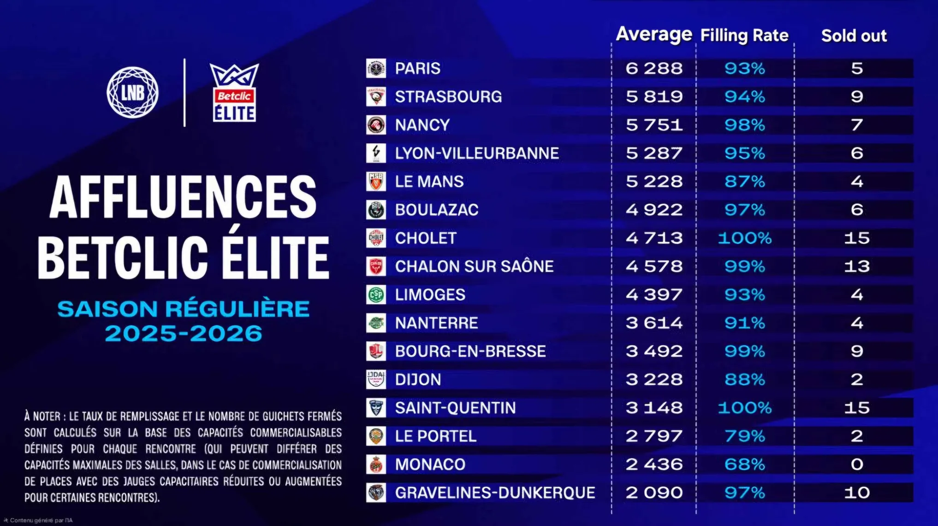
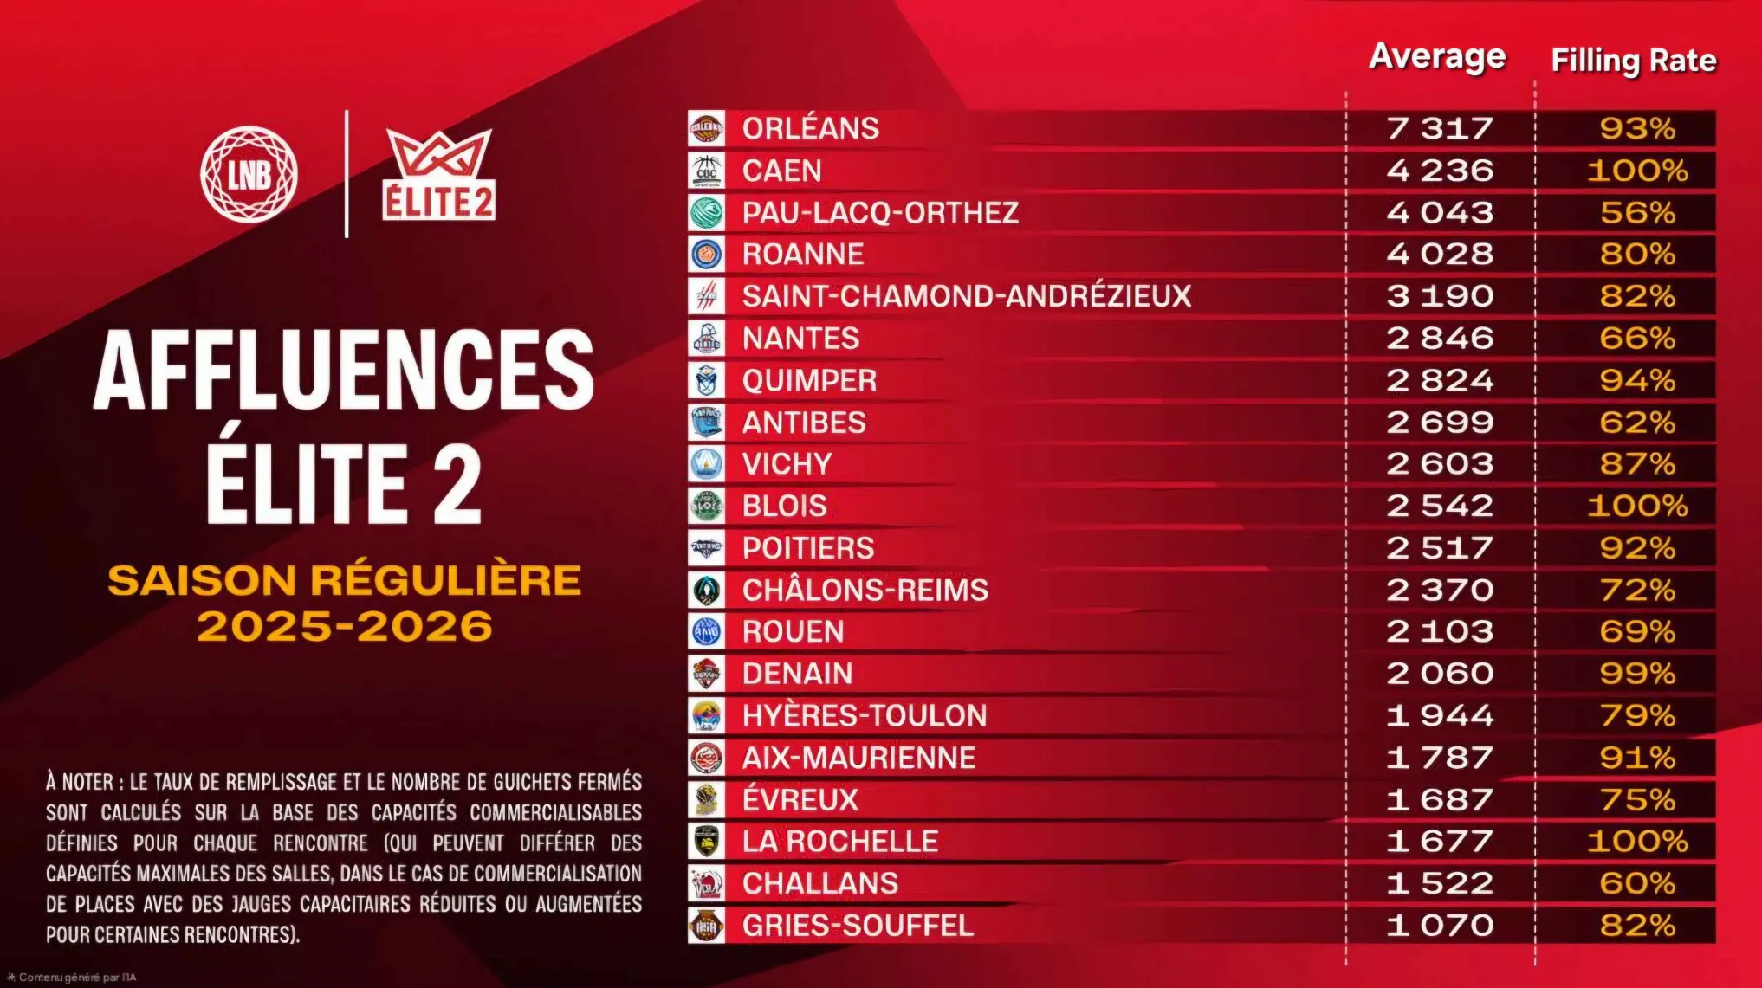
Prancūzijos lyga (Betclic Elite)
Klubas | Vidutinis žiūrovų skaičius | Arena talpina | Užpildymas | Vieta nac. čemp. turnyrinėje lentelėje po reg. sezono
Paris | 6288 | 6750 | 93% | 1
Strasbourg | 5819 | 6200 | 94% | 8
Nancy | 5751 | 5850 | 98% | 10
Asvel | 5287 | 5550 | 95% | 4
Le Mans | 5228 | 6000 | 87% | 6
Boulazac | 4922 | 5100 | 97% | 12
Cholet | 4713 | 4720 | 100% | 5
Chalon | 4578 | 4620 | 99% | 9
Limoges | 4397 | 4750 | 93% | 13
Nanterre | 3614 | 3950 | 91% | 3
Bourg-en-Bresse | 3492 | 3500 | 100% | 7
Dijon | 3228 | 3650 | 88% | 11
Saint-Quentin | 3148 | 3160 | 100% | 15
Le Portel | 2797 | 3550 | 79% | 16
Monaco | 2436 | 3600 | 68% | 2
Gravelines | 2090 | 2150 | 97% | 14

Vidurkis | 4237

Vokietijos lyga (easyCredit BBL)
Klubas | Vidutinis žiūrovų skaičius | Arena talpina | Užpildymas | Vieta nac. čemp. turnyrinėje lentelėje po reg. sezono | https://easycredit-bbl.de/statistiken/zuschauer
Alba Berlin | 8616 | 13488 / 8780 | #VALUE! | 2
Telekom Baskets Bonn | 6471 | 18500 / 6000 | #VALUE! | 4
FC Bayern | 6452 | 11500 / 6731 | #VALUE! | 1
EWE Baskets Oldenburg | 6256 | 6335 / 3148 | #VALUE! | 11
Ratiopharm Ulm | 5584 | 6000 | 93% | 6
Gladiators Trier | 5351 | 5400 | 99% | 8
Bamberg Baskets | 5096 | 5700 | 89% | 3
...
Rostock Seawolves | 4112 | 5000 | 82% | 9
MHP Riesen Ludwigsburg | 3908 | 4000 | 98% | 10
Hamburg Towers | 3844 | 12015 / 3400 | #VALUE! | 14
Rasta Vechta | 3129 | 3140 | 100% | 7
Wurzburg | 3106 | 3140 | 99% | 5
Science City Jena | 2900 | 3125 | 93% | 16
Syntainics MBC | 2788 | 12000 / 3000 | #VALUE! | 13

Vidurkis | 4742

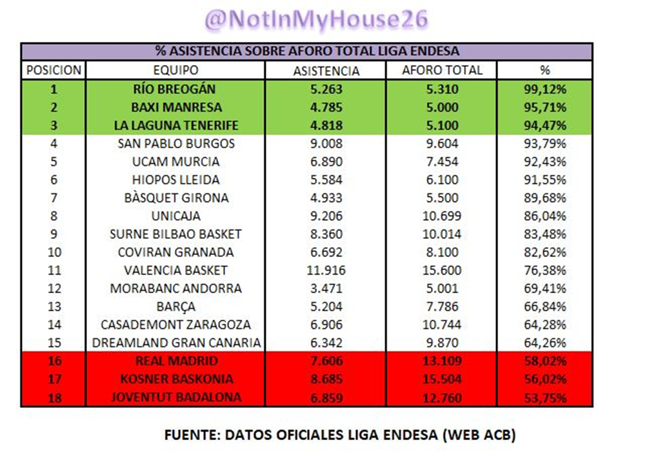
Ispanijos lyga (liga Endesa)
Klubas | Vidutinis žiūrovų skaičius | Arena talpina | Užpildymas | Vieta nac. čemp. turnyrinėje lentelėje po reg. sezono
Valencia | 11916 | 15600 | 76% | 2
Unicaja | 9206 | 10699 | 86% | 9
San Pablo Burgos | 9008 | 9604 | 94% | 13
Baskonia | 8685 | 15504 | 56% | 3
Bibao Basket | 8360 | 10014 | 83% | 7
Real Madrid | 7606 | 13109 | 58% | 1
Basket Zaragoza | 6906 | 10744 | 64% | 15
UCAM Murcia | 6890 | 7454 | 92% | 4
Joventut Badalona | 6859 | 12760 | 54% | 6
Granada | 6692 | 8100 | 83% | 18
CB Gran Canaria | 6342 | 9870 | 64% | 17
Lleida | 5584 | 6100 | 92% | 14
Breogan | 5263 | 5310 | 99% | 11
Barcelona | 5204 | 7786 | 67% | 5
Basquet Girona | 4933 | 5500 | 90% | 12
Tenerife | 4818 | 5100 | 94% | 8
Baxi Manresa | 4785 | 5000 | 96% | 10
Andorra | 3471 | 5001 | 69% | 16

Vidurkis | 6807

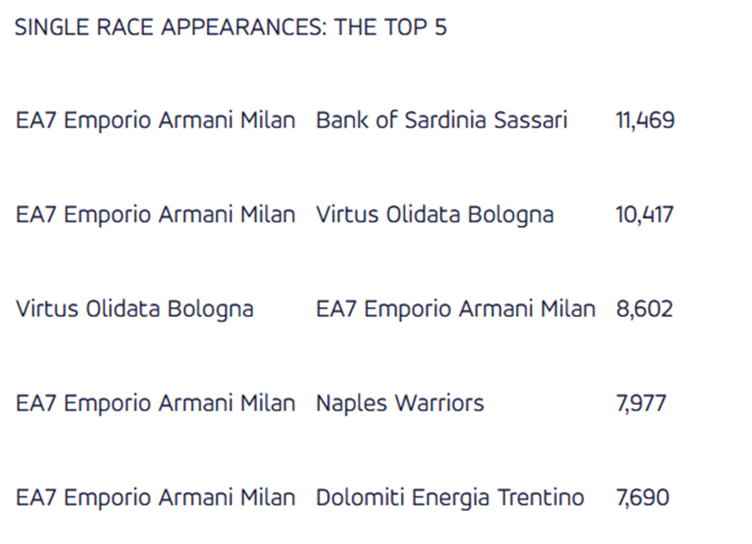
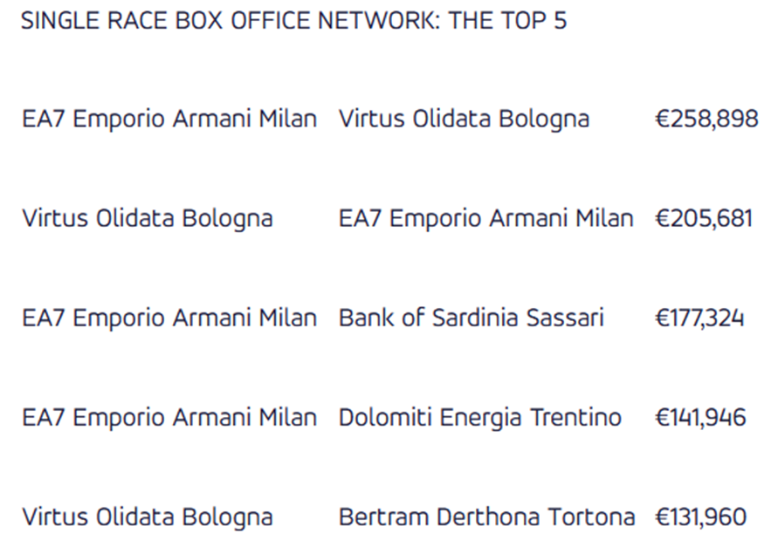
Italijos lyga (Lega A)
Klubas | Vidutinis žiūrovų skaičius | Arena talpina | Užpildymas | Vieta nac. čemp. turnyrinėje lentelėje po reg. sezono | Vidutinės rungtynių pajamos | https://www.legabasket.it/news/138712/pubblico-regular-season-2025-26
Trapani | - | - | #VALUE! | 16 | -
Olimpia Milano | 6519 | 10060 | 65% | 3 | 122 878 € | Dvi arenos. 9 rungtynės talpinančioj 12700 ;5 rungt 5309 talpinančioje
 |  |  |  | 1 | 115 943 € | Dvi arenos. 10 rungtynių talpinančioj 10220 ;4 rungt 5570 talpinančioje
 |  |  |  | 7 | 104 377 €
 |  |  |  | 14 | 57 140 €
 |  |  |  | 2 | 71 097 €
 |  |  |  | 9 | 88 022 €
 |  |  |  | 8 | 36 607 €
 |  |  |  | 12 | 41 805 €
 |  |  |  | 6 | 76 998 €
 |  |  |  | 5 | 70 572 €
 |  |  |  | 13 | 40 609 €
 |  |  |  | 4 | 23 138 €
 |  |  |  | 15 | 50 247 €
 |  |  |  | 10 | 34 334 €
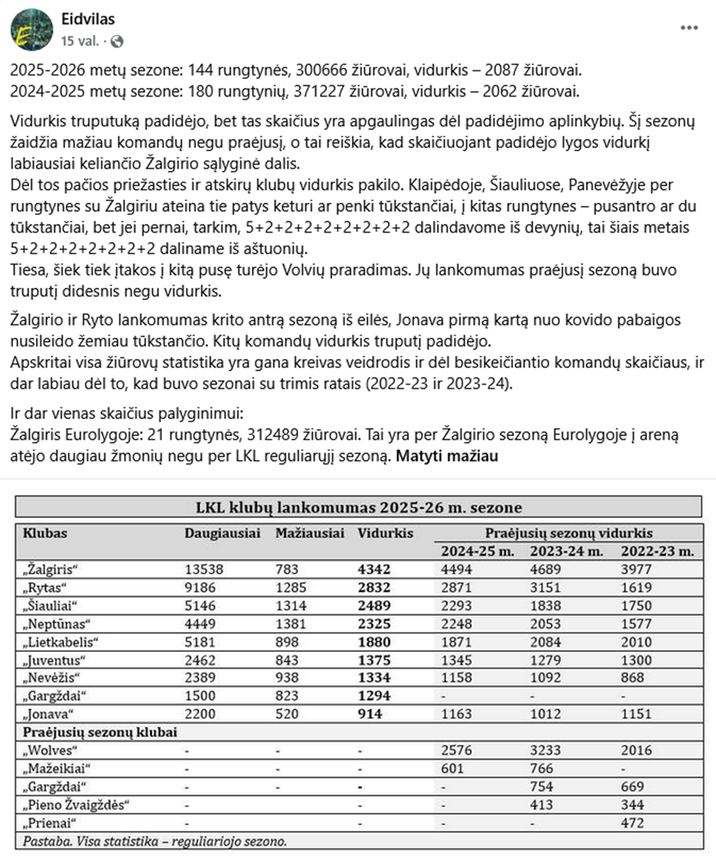
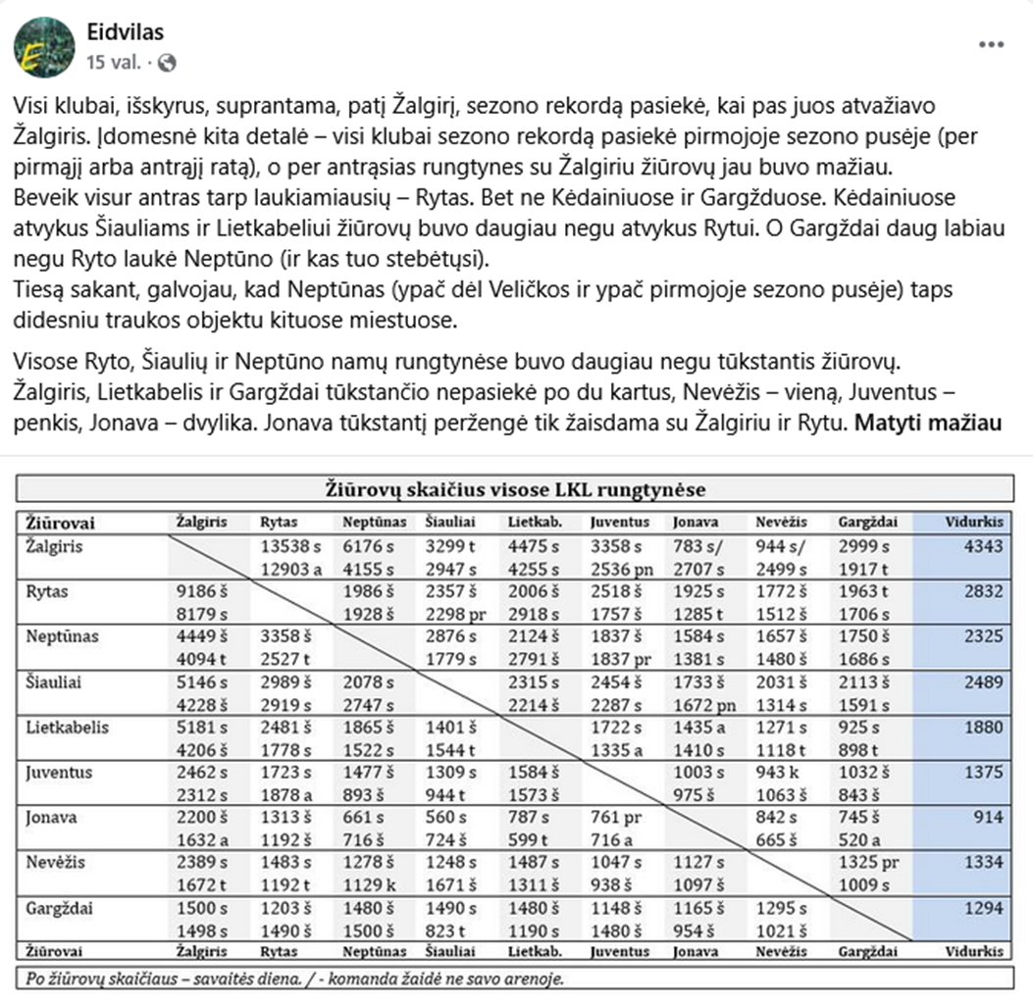
 |  |  |  | 11 | 22 338 €
...
 |  |  |  | Vieta nac. čemp. turnyrinėje lentelėje po reg. sezono
 |  |  |  | 1
 |  |  |  | 2
 |  |  |  | 4
 |  |  |  | 3
 |  |  |  | 5
 |  |  |  | 7
 |  |  |  | 9
 |  |  |  | 6
 |  |  |  | 8
...

