GiftCertificates
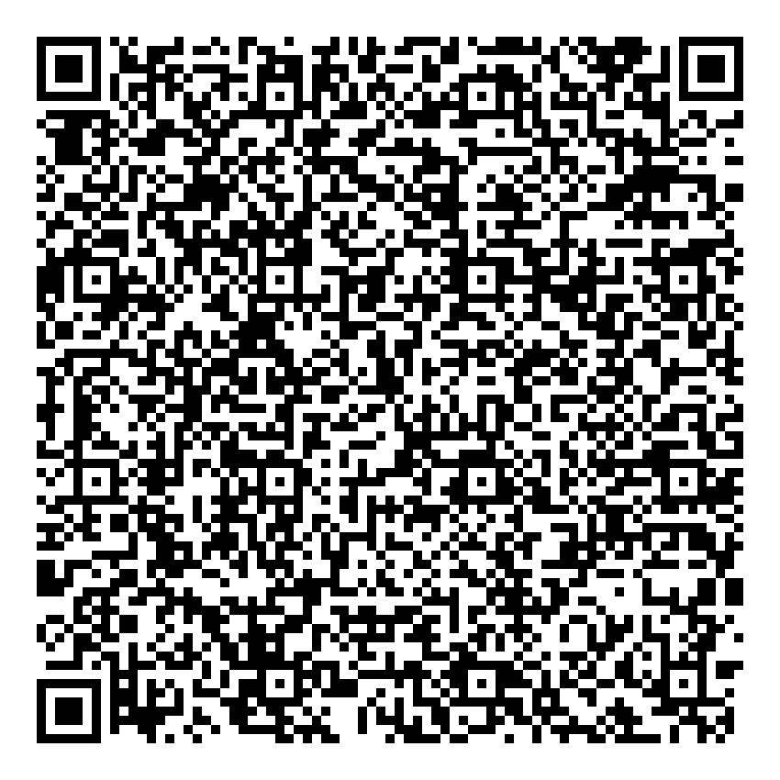
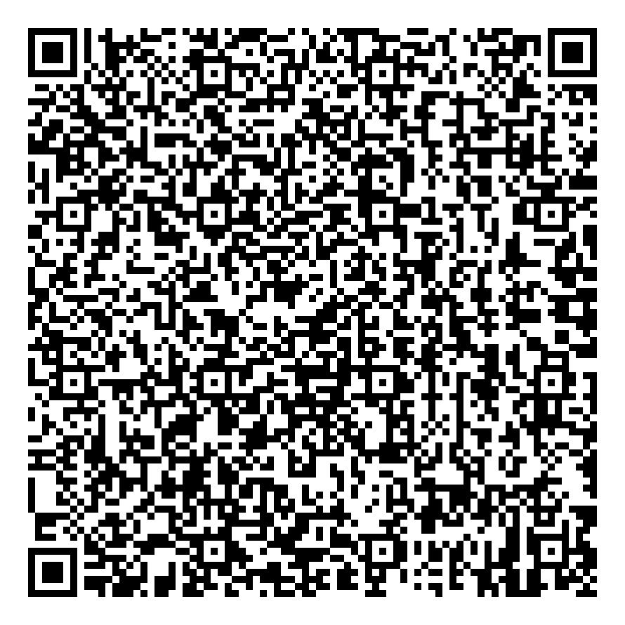
GCNumber | Recipient | Entitlement | Description | DateOfIssue | Validity | GCType | ChargeTo | Status | Quantity | PrivacyHash | BatchIdentifier | HotelBranch | SequenceInfo | QRCodeImagePath
70AB16AADFA8 | hj | Free Lunch Buffet | jbhjh | 2024-07-03 | 2024-07-31 | Complimentary | hjh | Available | 5 | 8575dffcddb0fe94247cfa8fTheBellevueResort | SUGDLNNP | The Bellevue Resort | 1 out of 5 | C:\Users\Angel\Downloads\Telegram Desktop\DMS\DMS\DMS\App_Data\QRCodeImages\70AB16AADFA8.jpg
F2CF933AAD25 | hj | Free Lunch Buffet | jbhjh | 2024-07-03 | 2024-07-31 | Complimentary | hjh | Available | 5 | 01a3ef7fa6c9bdfbe552067aTheBellevueResort | SUGDLNNP | The Bellevue Resort | 2 out of 5 | C:\Users\Angel\Downloads\Telegram Desktop\DMS\DMS\DMS\App_Data\QRCodeImages\F2CF933AAD25.jpg
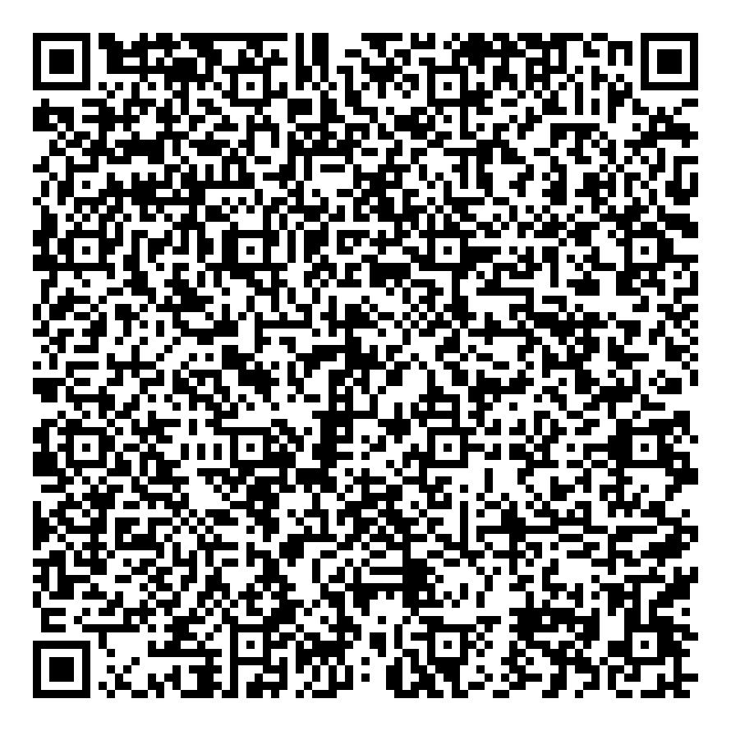
4B32D1C08DFC | hj | Free Lunch Buffet | jbhjh | 2024-07-03 | 2024-07-31 | Complimentary | hjh | Available | 5 | 18fe8bb5ad8a27f4891140a7TheBellevueResort | SUGDLNNP | The Bellevue Resort | 3 out of 5 | C:\Users\Angel\Downloads\Telegram Desktop\DMS\DMS\DMS\App_Data\QRCodeImages\4B32D1C08DFC.jpg
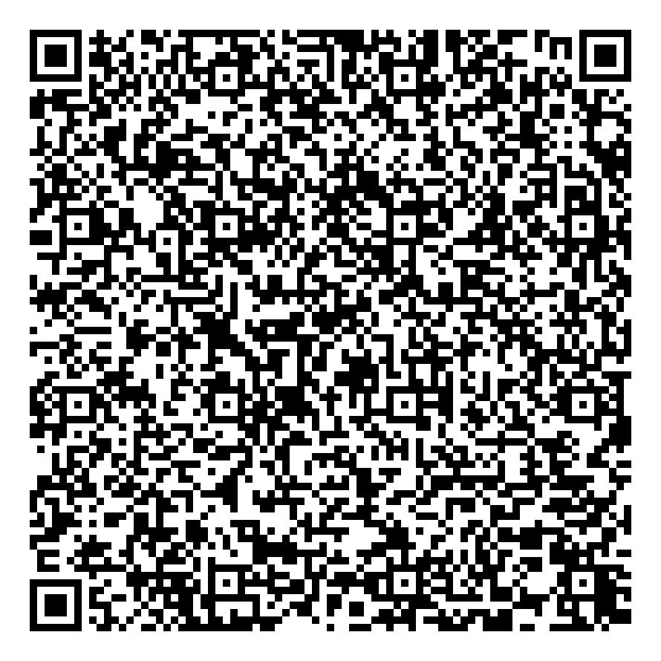
F68F8E7CCF25 | hj | Free Lunch Buffet | jbhjh | 2024-07-03 | 2024-07-31 | Complimentary | hjh | Available | 5 | 45aaec40c87ffe0f4233f148TheBellevueResort | SUGDLNNP | The Bellevue Resort | 4 out of 5 | C:\Users\Angel\Downloads\Telegram Desktop\DMS\DMS\DMS\App_Data\QRCodeImages\F68F8E7CCF25.jpg
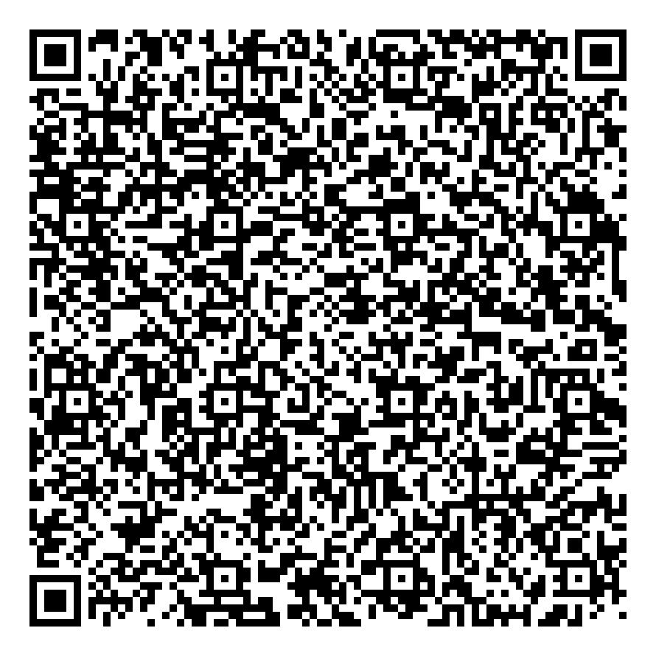
DA790A47DB6C | hj | Free Lunch Buffet | jbhjh | 2024-07-03 | 2024-07-31 | Complimentary | hjh | Available | 5 | 2d0b9b29f744ea788fc229dfTheBellevueResort | SUGDLNNP | The Bellevue Resort | 5 out of 5 | C:\Users\Angel\Downloads\Telegram Desktop\DMS\DMS\DMS\App_Data\QRCodeImages\DA790A47DB6C.jpg
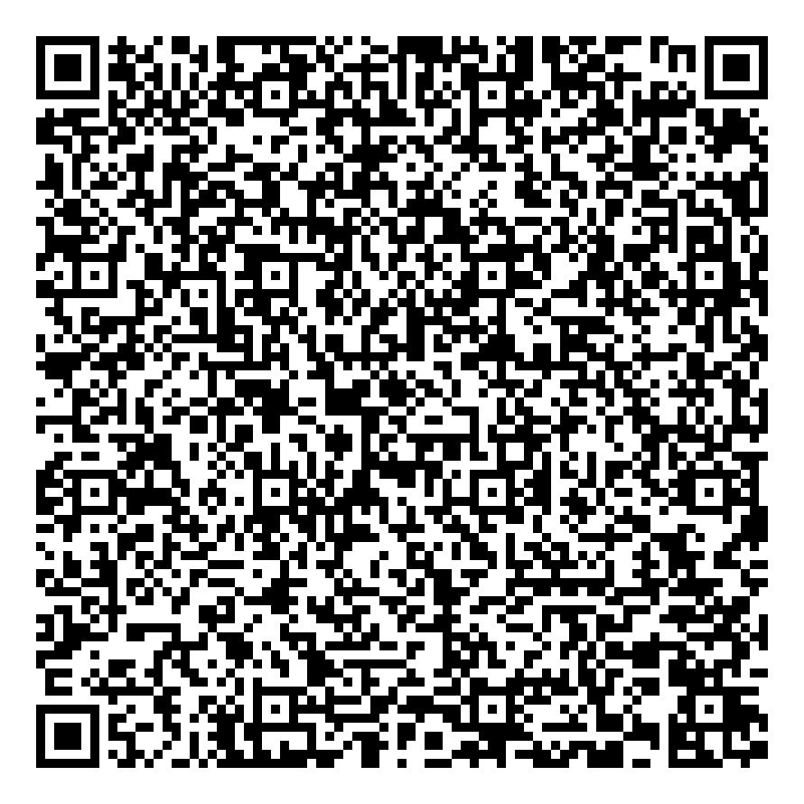
C94AC538A7E2 | ands | Free Accommodation | adsasf | 2024-07-28 | 2024-07-30 | Complimentary | ands | Available | 1 | e764ed490c7d32af36065f7dHotel1 | 8R76U36O | Hotel 1 | 1 out of 1 | C:\c#\C# - DMS\DMS\App_Data\QRCodeImages\C94AC538A7E2.jpg
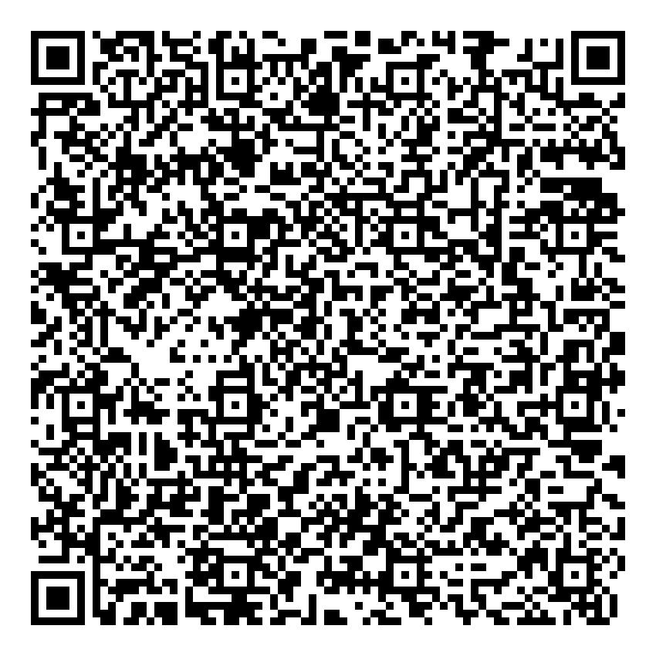
2D34EA67D9FD | ands | Free Dinner Buffet | dsfsdfgvdsfg | 2024-07-28 | 2024-07-28 | Complimentary | ands | Available | 2 | 0b0008014a972b4adecd02b0Hotel1 | ETGM09GR | Hotel 1 | 1 out of 2 | C:\c#\C# - DMS\DMS\App_Data\QRCodeImages\2D34EA67D9FD.jpg
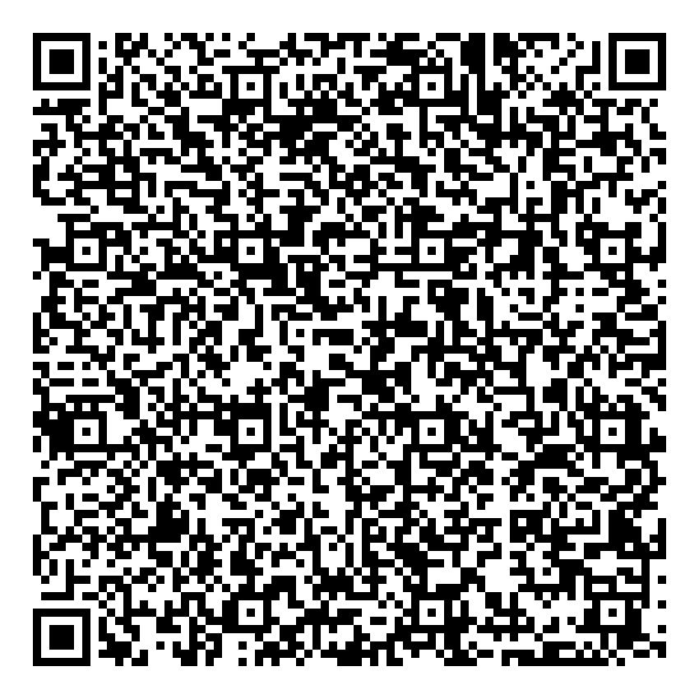
0171BC6FCC31 | ands | Free Dinner Buffet | dsfsdfgvdsfg | 2024-07-28 | 2024-07-28 | Complimentary | ands | Available | 2 | 9aaba822e7e38a3ae553ac93Hotel1 | ETGM09GR | Hotel 1 | 2 out of 2 | C:\c#\C# - DMS\DMS\App_Data\QRCodeImages\0171BC6FCC31.jpg
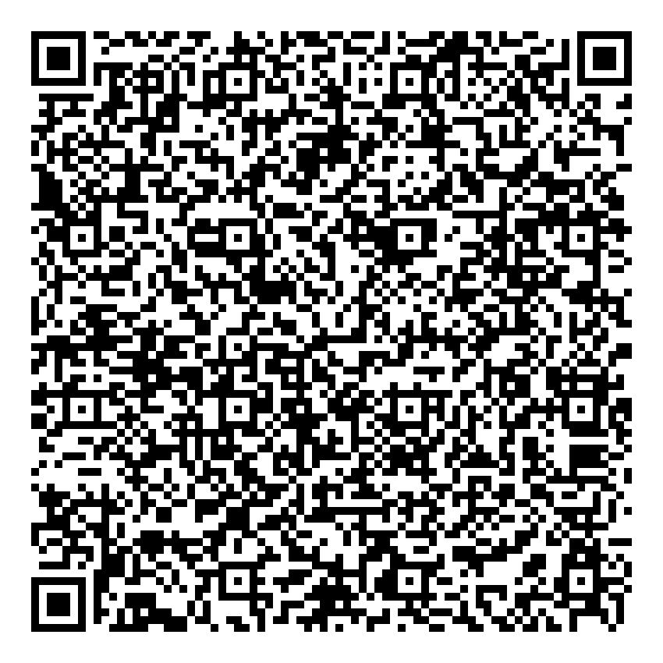
50D18521DC40 | ands | Free Accommodation | dfsvgdsg | 2024-07-28 | 2024-07-29 | Complimentary | ands | Available | 1 | fe370fcdb48db8020cd68d95Hotel1 | KKWJZLHV | Hotel 1 | 1 out of 1 | C:\c#\C# - DMS\DMS\App_Data\QRCodeImages\50D18521DC40.jpg
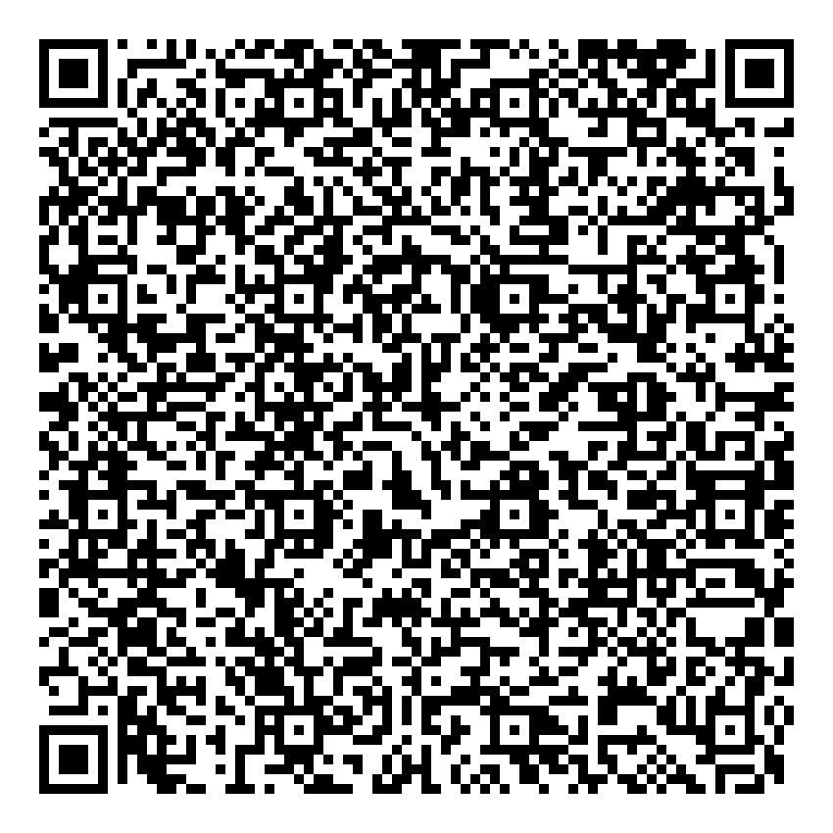
F070D9464BCC | ands | Free Accommodation | asdakjgdfjhsgdf | 2024-07-28 | 2024-07-31 | Complimentary | ands | Available | 10 | ff02f576dfe966ff9a985ca8Hotel1 | O608L6SI | Hotel 1 | 1 out of 10 | C:\c#\C# - DMS\DMS\App_Data\QRCodeImages\F070D9464BCC.jpg
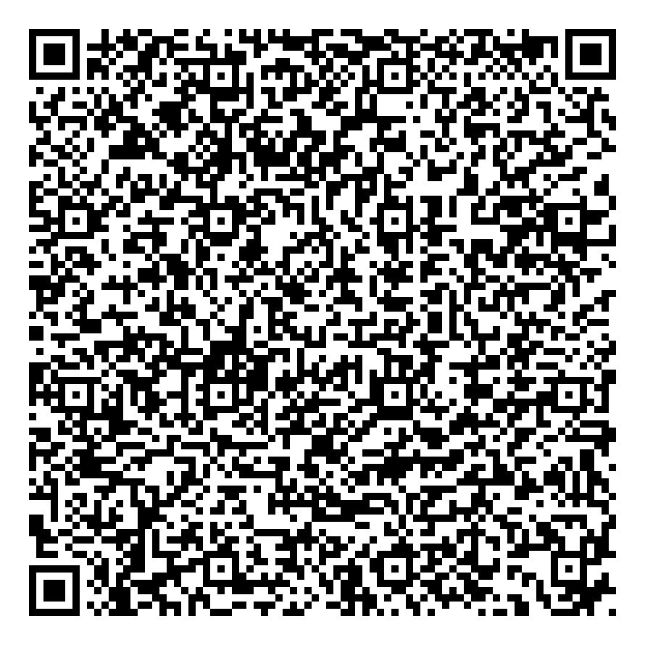
7C8B1C4C3BF0 | ands | Free Accommodation | asdakjgdfjhsgdf | 2024-07-28 | 2024-07-31 | Complimentary | ands | Available | 10 | be25e71a88523a4df1330191Hotel1 | O608L6SI | Hotel 1 | 2 out of 10 | C:\c#\C# - DMS\DMS\App_Data\QRCodeImages\7C8B1C4C3BF0.jpg
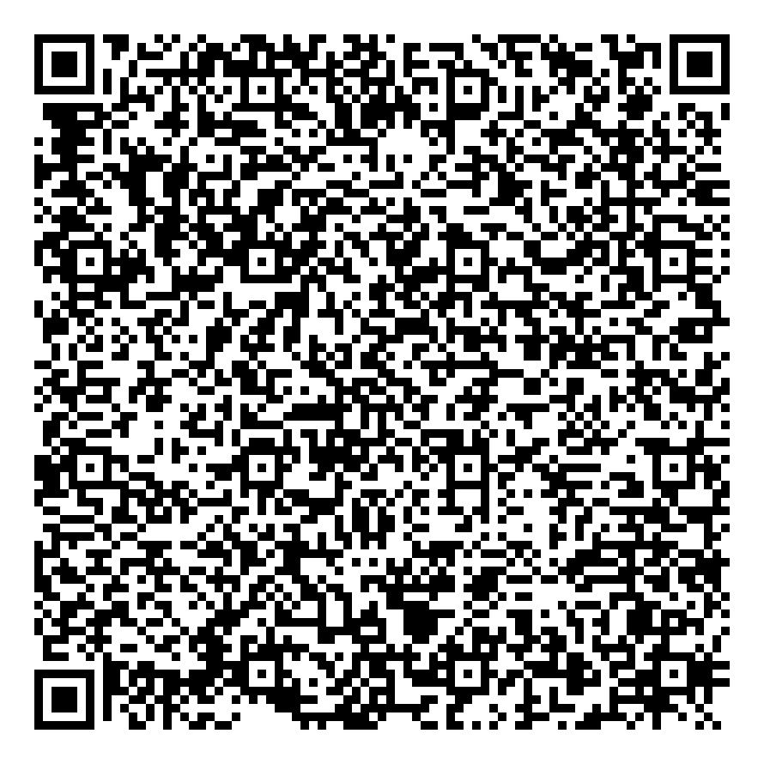
6513D15B25D8 | ands | Free Accommodation | asdakjgdfjhsgdf | 2024-07-28 | 2024-07-31 | Complimentary | ands | Available | 10 | 64984c5fd54ec9f5debd30a1Hotel1 | O608L6SI | Hotel 1 | 3 out of 10 | C:\c#\C# - DMS\DMS\App_Data\QRCodeImages\6513D15B25D8.jpg
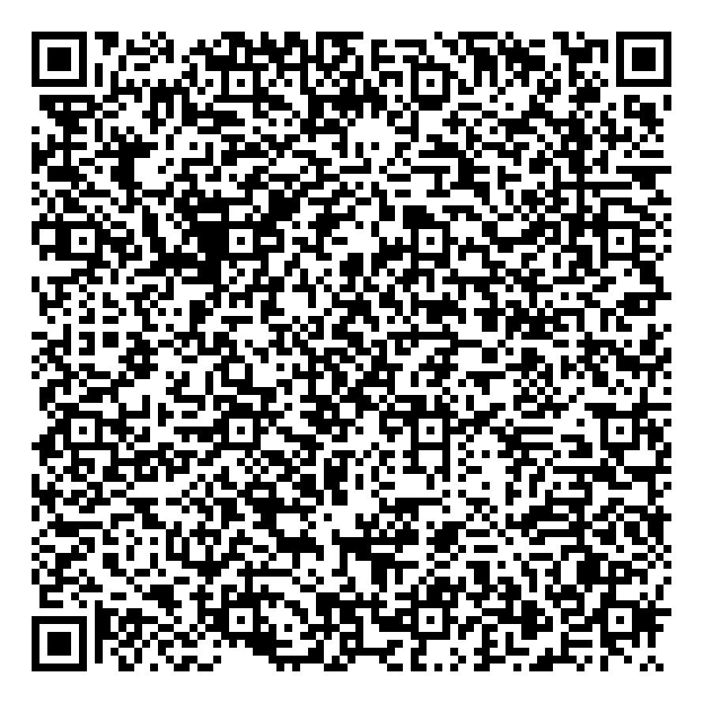
F6336F24C81A | ands | Free Accommodation | asdakjgdfjhsgdf | 2024-07-28 | 2024-07-31 | Complimentary | ands | Available | 10 | bf001d76676332c5141d33a1Hotel1 | O608L6SI | Hotel 1 | 4 out of 10 | C:\c#\C# - DMS\DMS\App_Data\QRCodeImages\F6336F24C81A.jpg
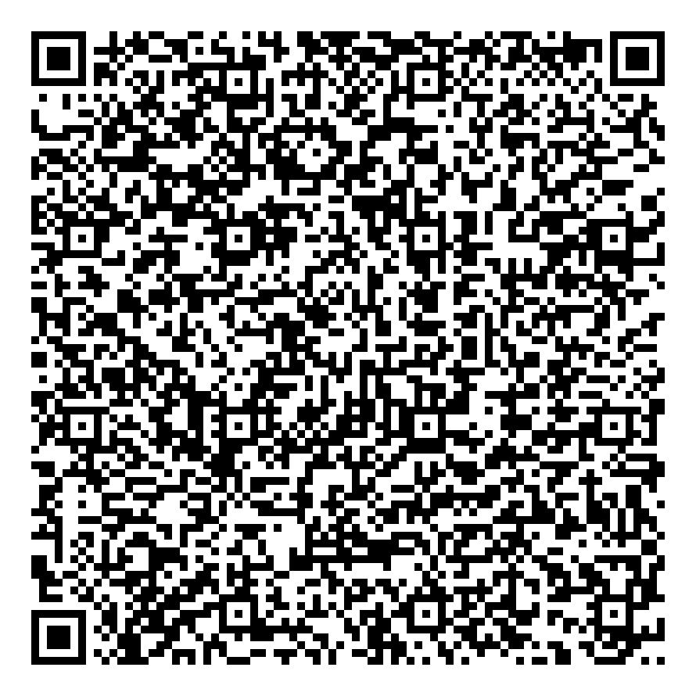
0361D5B5A648 | ands | Free Accommodation | asdakjgdfjhsgdf | 2024-07-28 | 2024-07-31 | Complimentary | ands | Available | 10 | 5749a227b5b0857da91d23c5Hotel1 | O608L6SI | Hotel 1 | 5 out of 10 | C:\c#\C# - DMS\DMS\App_Data\QRCodeImages\0361D5B5A648.jpg
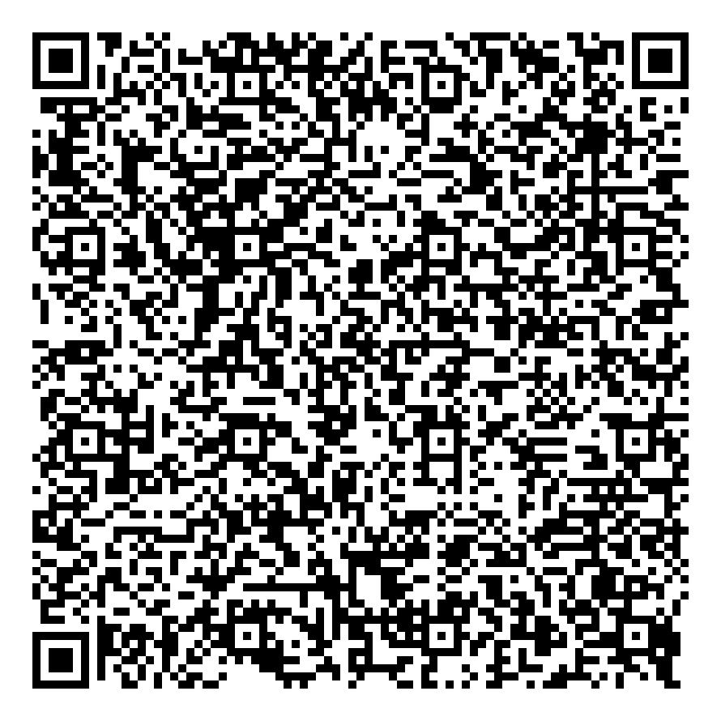
EE0B95DD388D | ands | Free Accommodation | asdakjgdfjhsgdf | 2024-07-28 | 2024-07-31 | Complimentary | ands | Available | 10 | e7f56ba7474b5fece0374967Hotel1 | O608L6SI | Hotel 1 | 6 out of 10 | C:\c#\C# - DMS\DMS\App_Data\QRCodeImages\EE0B95DD388D.jpg
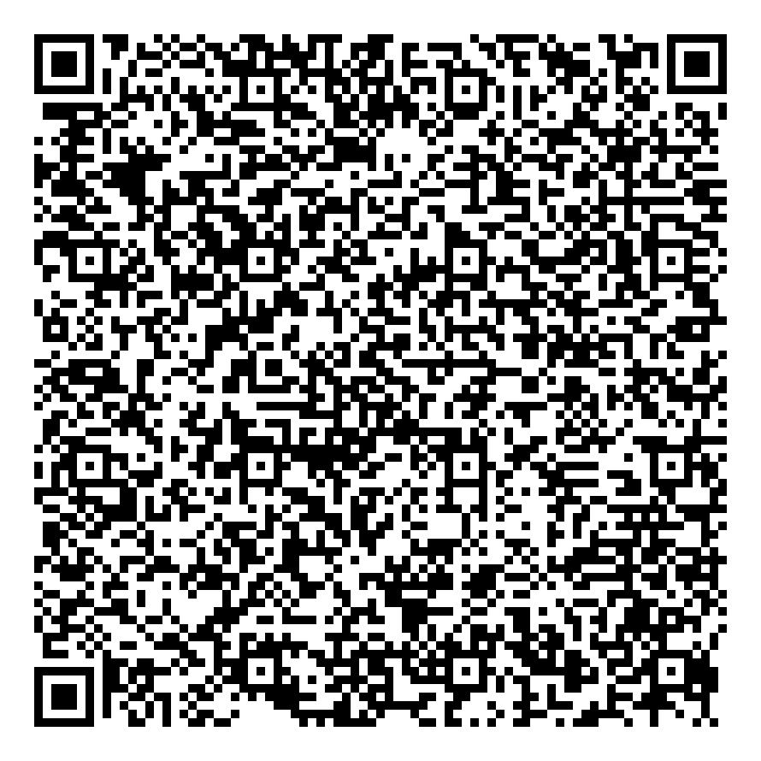
32B05E1DC498 | ands | Free Accommodation | asdakjgdfjhsgdf | 2024-07-28 | 2024-07-31 | Complimentary | ands | Available | 10 | 9b9c1006a713ce283d1d3f8dHotel1 | O608L6SI | Hotel 1 | 7 out of 10 | C:\c#\C# - DMS\DMS\App_Data\QRCodeImages\32B05E1DC498.jpg
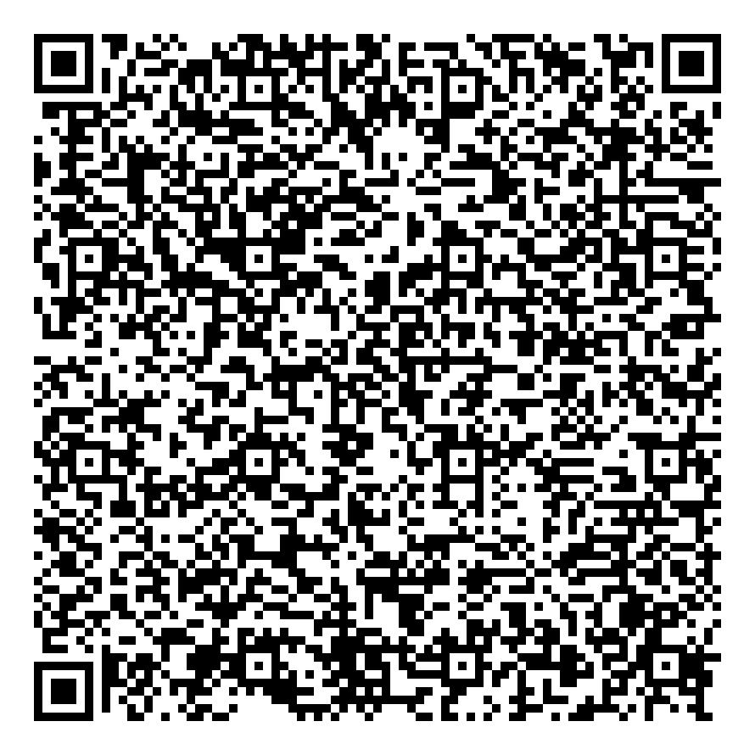
DA181C225D35 | ands | Free Accommodation | asdakjgdfjhsgdf | 2024-07-28 | 2024-07-31 | Complimentary | ands | Available | 10 | 92bef115e75e45fcbef30507Hotel1 | O608L6SI | Hotel 1 | 8 out of 10 | C:\c#\C# - DMS\DMS\App_Data\QRCodeImages\DA181C225D35.jpg
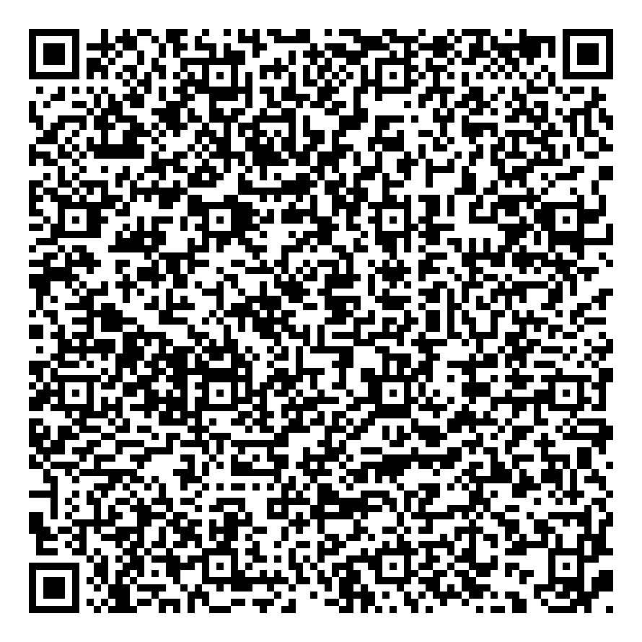
44753AC532BA | ands | Free Accommodation | asdakjgdfjhsgdf | 2024-07-28 | 2024-07-31 | Complimentary | ands | Available | 10 | 8850f74fc7b25aa7f203e733Hotel1 | O608L6SI | Hotel 1 | 9 out of 10 | C:\c#\C# - DMS\DMS\App_Data\QRCodeImages\44753AC532BA.jpg
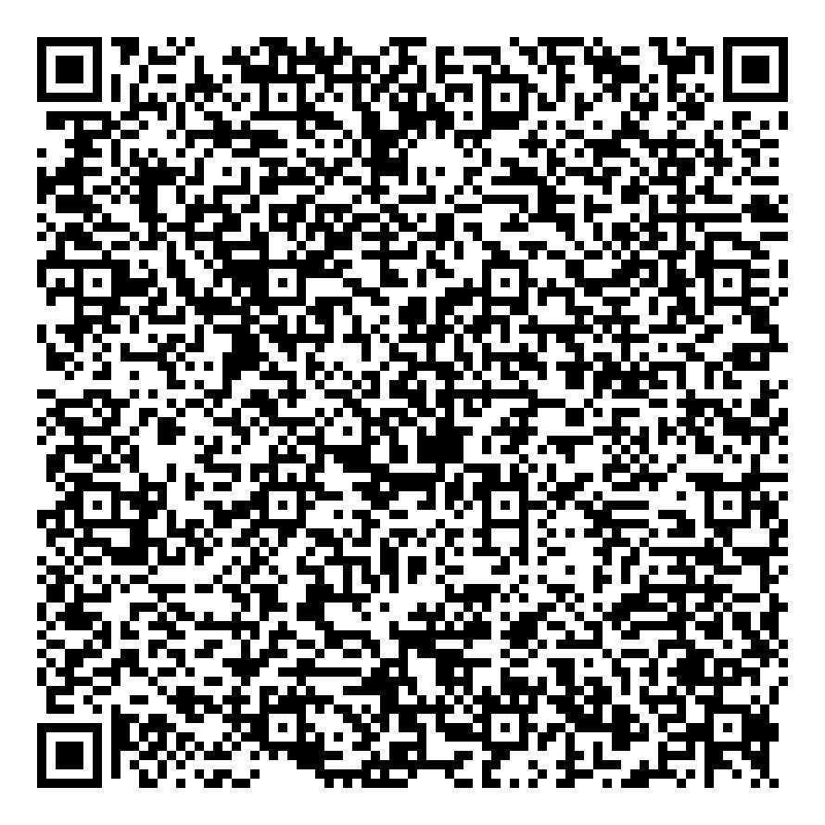
B96D952FAADB | ands | Free Accommodation | asdakjgdfjhsgdf | 2024-07-28 | 2024-07-31 | Complimentary | ands | Available | 10 | a63a2c1ea04b7bb2a0781c4fHotel1 | O608L6SI | Hotel 1 | 10 out of 10 | C:\c#\C# - DMS\DMS\App_Data\QRCodeImages\B96D952FAADB.jpg
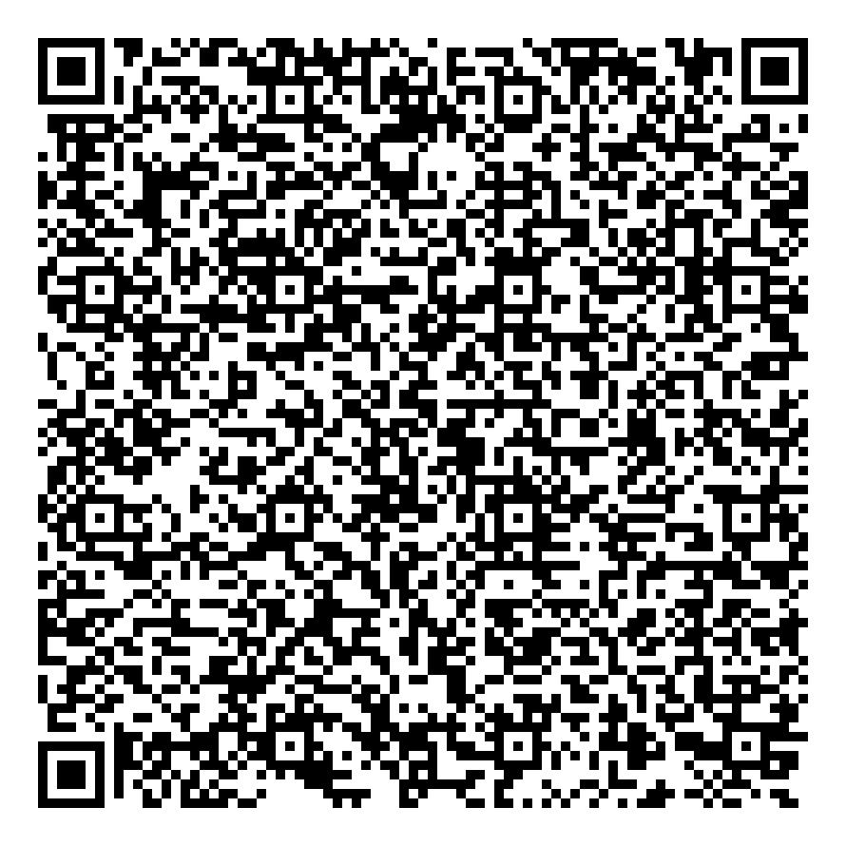
D120B582A0C7 | ands | Free Accommodation | Hotel Gift Certificate | 2024-07-28 | 2024-08-03 | Complimentary | ands | Available | 20 | 8229a5734d00c56e47ac6e6aHotel2 | WHGGZYDZ | Hotel 2 | 1 out of 20 | C:\c#\C# - DMS\DMS\App_Data\QRCodeImages\D120B582A0C7.jpg
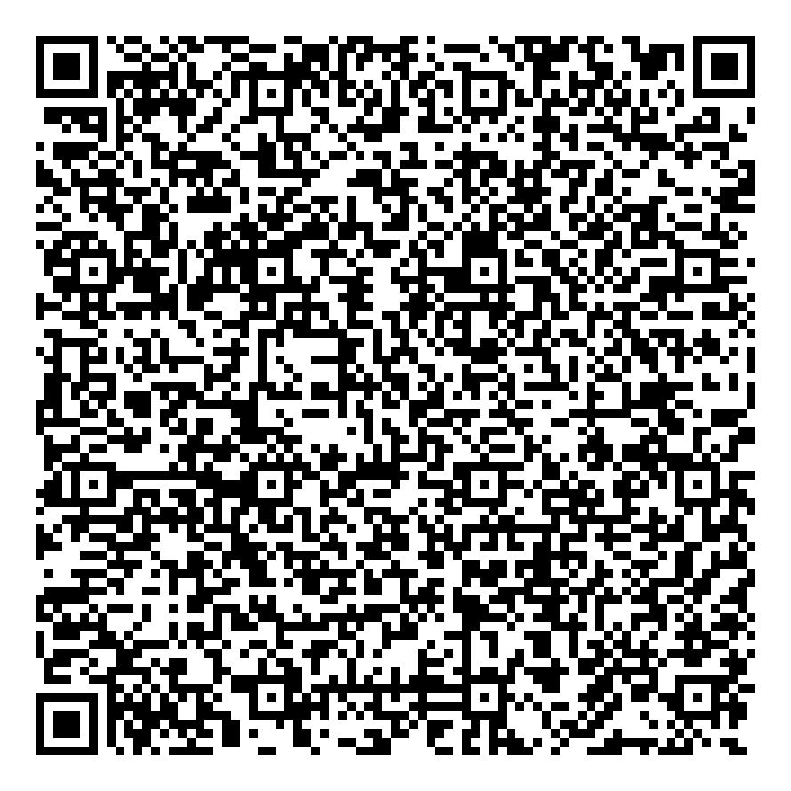
0D67E54E32A0 | ands | Free Accommodation | Hotel Gift Certificate | 2024-07-28 | 2024-08-03 | Complimentary | ands | Available | 20 | 96c6625a98ef2b78924d6a93Hotel2 | WHGGZYDZ | Hotel 2 | 2 out of 20 | C:\c#\C# - DMS\DMS\App_Data\QRCodeImages\0D67E54E32A0.jpg
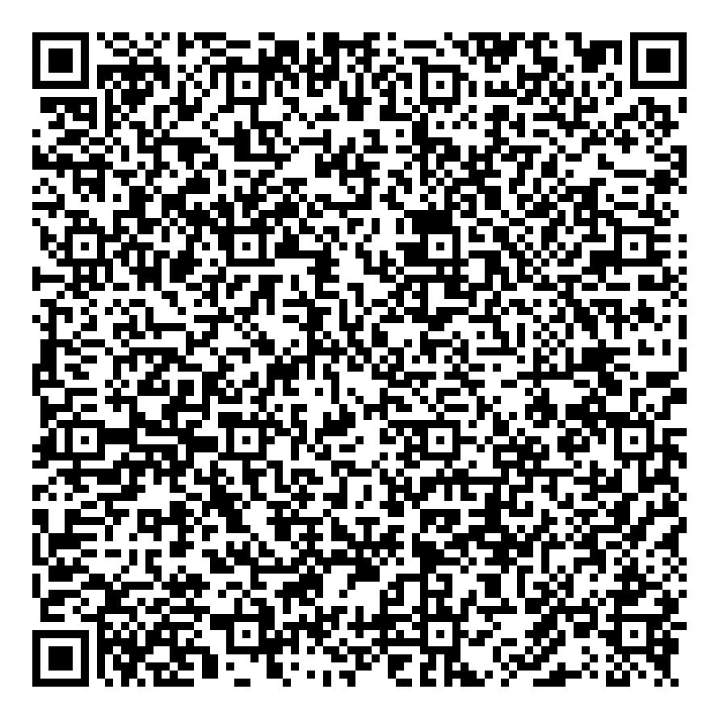
4A2F7F70EB36 | ands | Free Accommodation | Hotel Gift Certificate | 2024-07-28 | 2024-08-03 | Complimentary | ands | Available | 20 | 47725c30814ea7e3c7df014fHotel2 | WHGGZYDZ | Hotel 2 | 3 out of 20 | C:\c#\C# - DMS\DMS\App_Data\QRCodeImages\4A2F7F70EB36.jpg
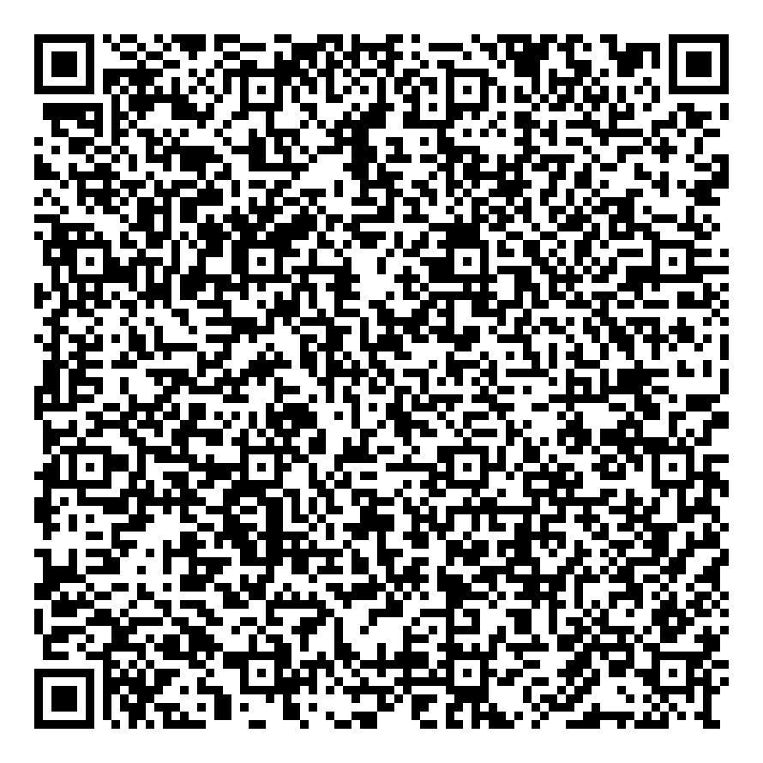
5F92C8DA6656 | ands | Free Accommodation | Hotel Gift Certificate | 2024-07-28 | 2024-08-03 | Complimentary | ands | Available | 20 | 311b9fafe4dea6e5df9f41f2Hotel2 | WHGGZYDZ | Hotel 2 | 4 out of 20 | C:\c#\C# - DMS\DMS\App_Data\QRCodeImages\5F92C8DA6656.jpg
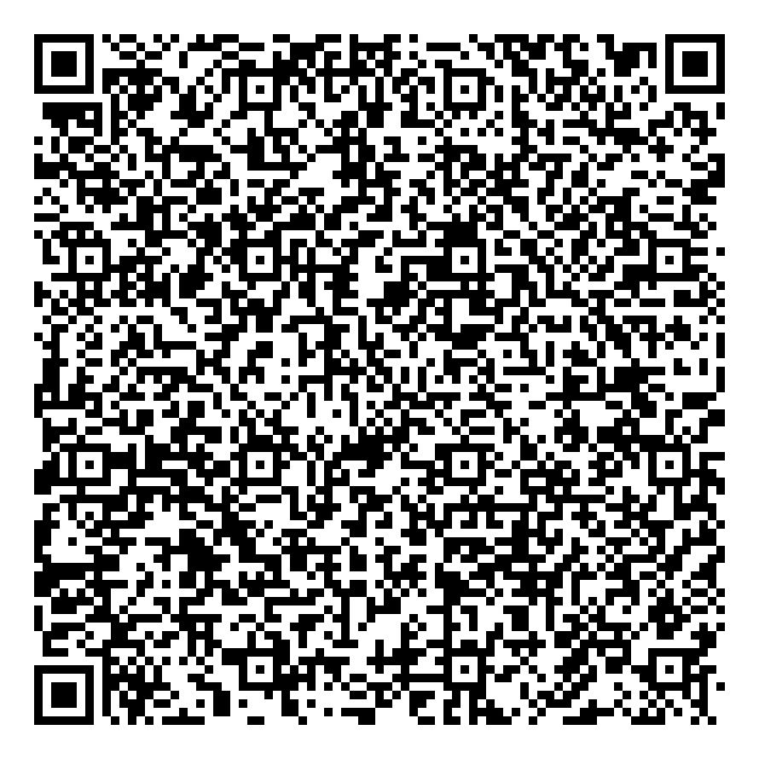
79394664FA04 | ands | Free Accommodation | Hotel Gift Certificate | 2024-07-28 | 2024-08-03 | Complimentary | ands | Available | 20 | fa15f60f53b1b33cc47f62aeHotel2 | WHGGZYDZ | Hotel 2 | 5 out of 20 | C:\c#\C# - DMS\DMS\App_Data\QRCodeImages\79394664FA04.jpg
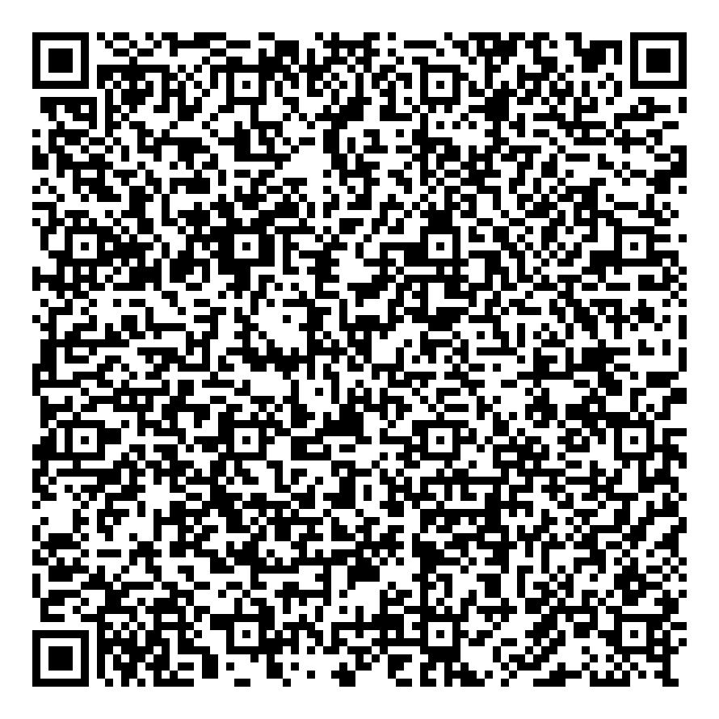
0FFC62E255F9 | ands | Free Accommodation | Hotel Gift Certificate | 2024-07-28 | 2024-08-03 | Complimentary | ands | Available | 20 | ef55b521526046bc8316faaeHotel2 | WHGGZYDZ | Hotel 2 | 6 out of 20 | C:\c#\C# - DMS\DMS\App_Data\QRCodeImages\0FFC62E255F9.jpg
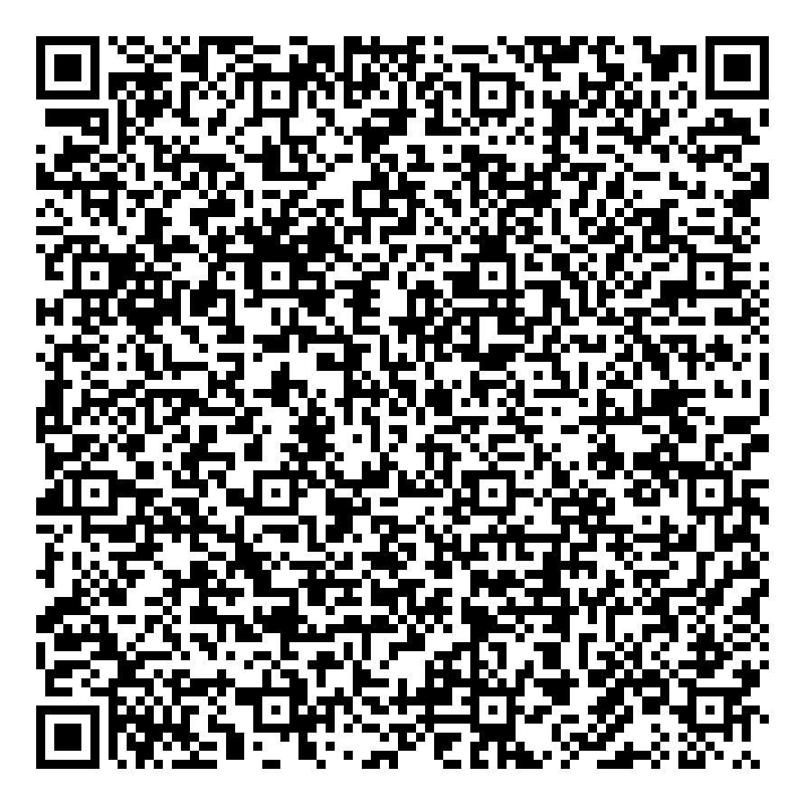
A1244B87DD1C | ands | Free Accommodation | Hotel Gift Certificate | 2024-07-28 | 2024-08-03 | Complimentary | ands | Available | 20 | aed9152150800a0004c5f3b9Hotel2 | WHGGZYDZ | Hotel 2 | 7 out of 20 | C:\c#\C# - DMS\DMS\App_Data\QRCodeImages\A1244B87DD1C.jpg
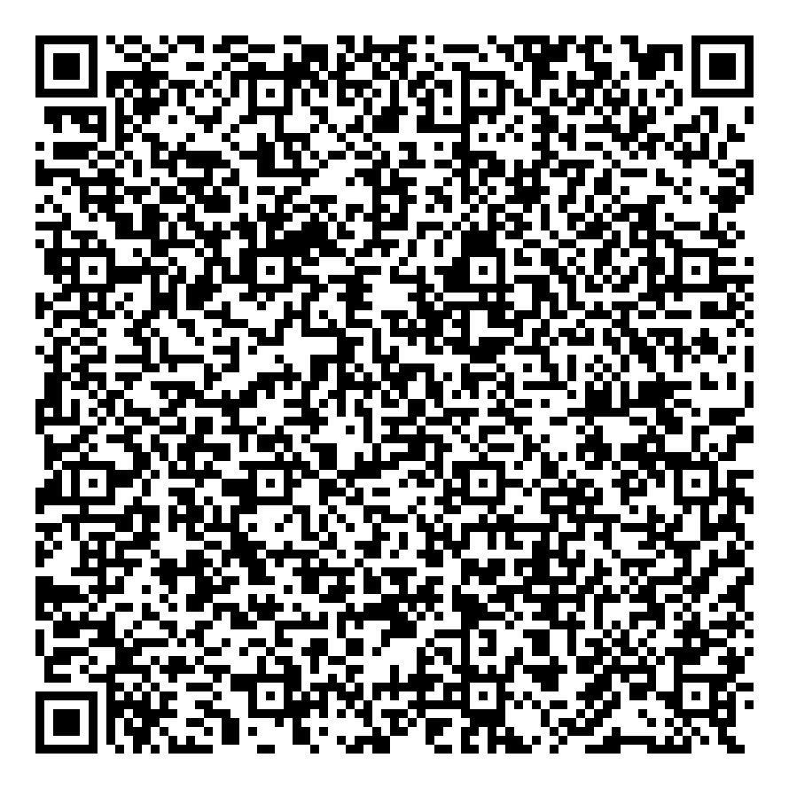
C889E2FC8A7F | ands | Free Accommodation | Hotel Gift Certificate | 2024-07-28 | 2024-08-03 | Complimentary | ands | Available | 20 | 62f2fb5bf3229e6a8af7b17bHotel2 | WHGGZYDZ | Hotel 2 | 8 out of 20 | C:\c#\C# - DMS\DMS\App_Data\QRCodeImages\C889E2FC8A7F.jpg
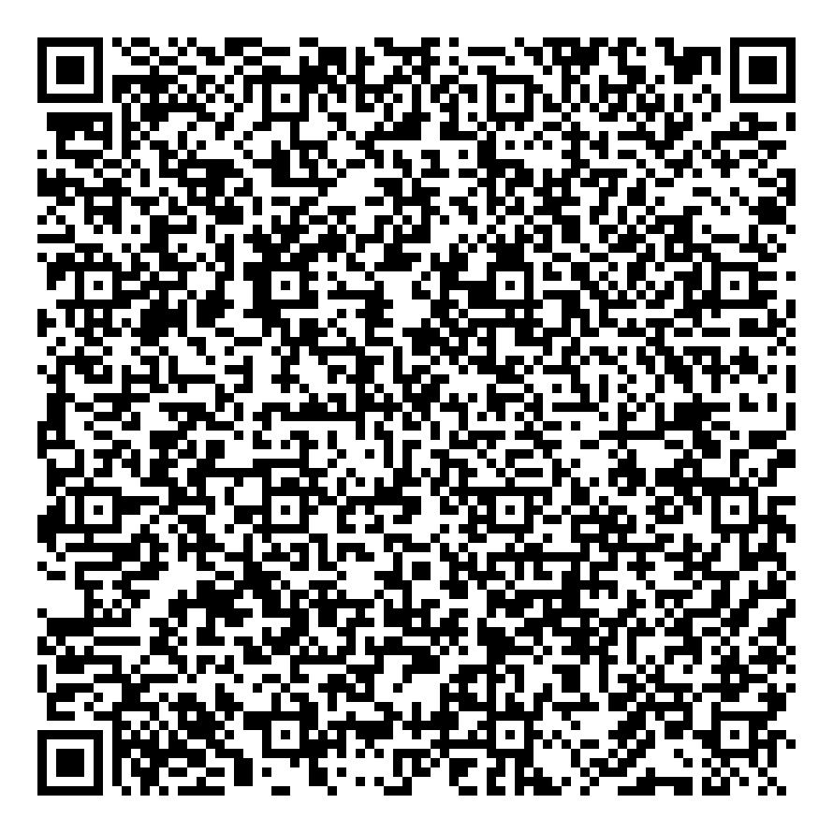
92D8360F1AE1 | ands | Free Accommodation | Hotel Gift Certificate | 2024-07-28 | 2024-08-03 | Complimentary | ands | Available | 20 | 0b39359f6309f76350758ac7Hotel2 | WHGGZYDZ | Hotel 2 | 9 out of 20 | C:\c#\C# - DMS\DMS\App_Data\QRCodeImages\92D8360F1AE1.jpg
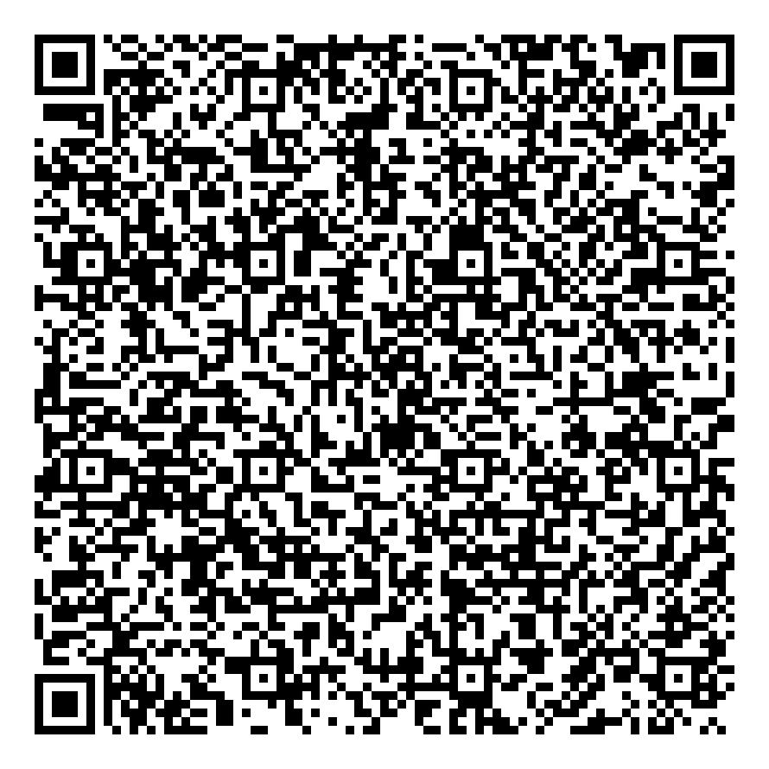
CDD05F9D0A2E | ands | Free Accommodation | Hotel Gift Certificate | 2024-07-28 | 2024-08-03 | Complimentary | ands | Available | 20 | 516b8bb4356ab7e10e41d503Hotel2 | WHGGZYDZ | Hotel 2 | 10 out of 20 | C:\c#\C# - DMS\DMS\App_Data\QRCodeImages\CDD05F9D0A2E.jpg
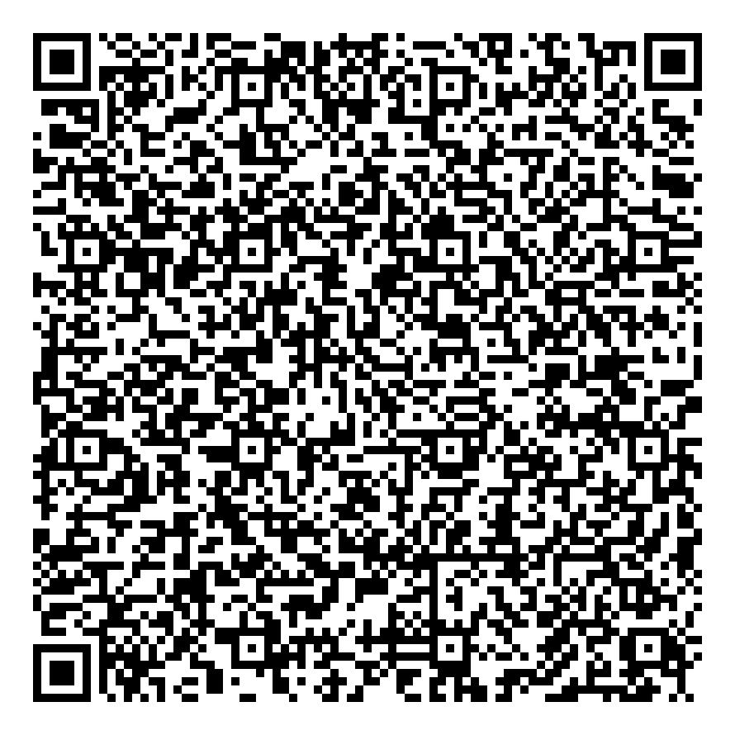
50E57B8BC36D | ands | Free Accommodation | Hotel Gift Certificate | 2024-07-28 | 2024-08-03 | Complimentary | ands | Available | 20 | 3d1c8ad15f7ec32f9c68e828Hotel2 | WHGGZYDZ | Hotel 2 | 11 out of 20 | C:\c#\C# - DMS\DMS\App_Data\QRCodeImages\50E57B8BC36D.jpg
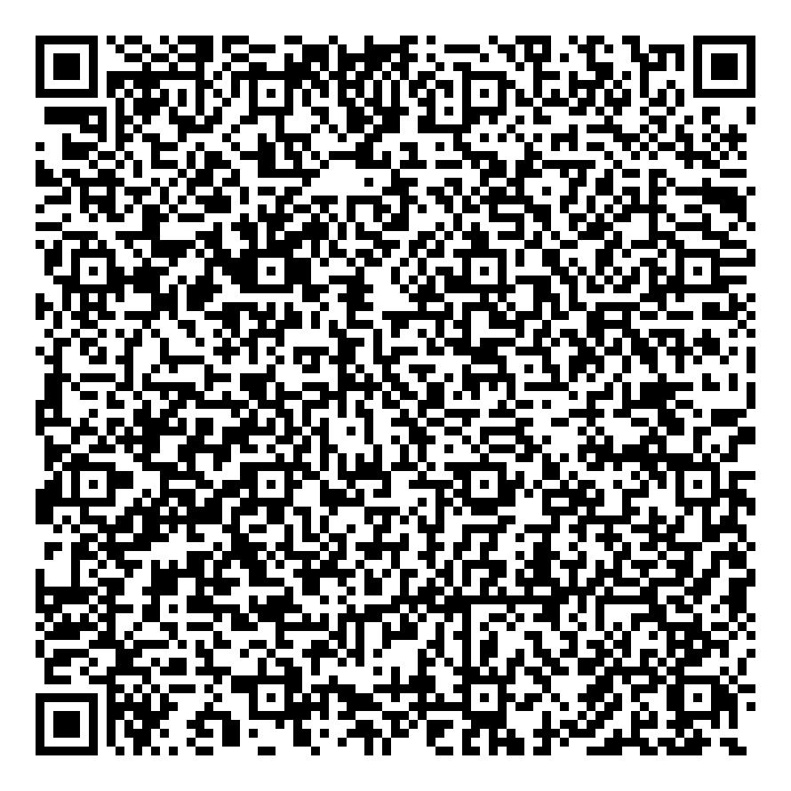
E8B23B2056F3 | ands | Free Accommodation | Hotel Gift Certificate | 2024-07-28 | 2024-08-03 | Complimentary | ands | Available | 20 | 3aa20e4e4d53cd5d0ea3fa9eHotel2 | WHGGZYDZ | Hotel 2 | 12 out of 20 | C:\c#\C# - DMS\DMS\App_Data\QRCodeImages\E8B23B2056F3.jpg
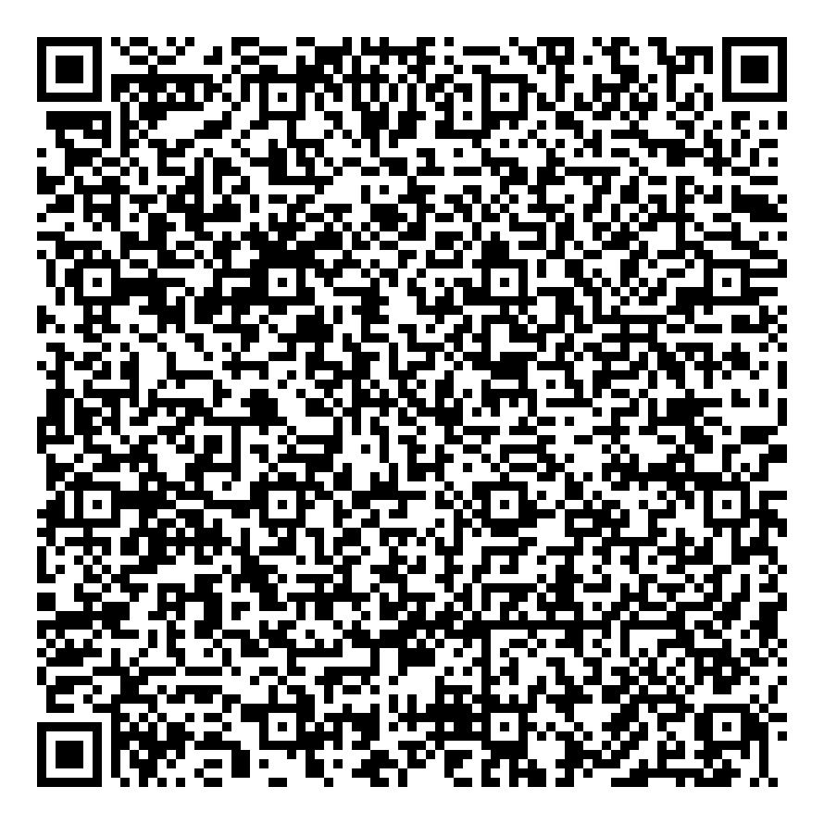
EB40DA0343CB | ands | Free Accommodation | Hotel Gift Certificate | 2024-07-28 | 2024-08-03 | Complimentary | ands | Available | 20 | 16c32eb8ae60f818e47f37d7Hotel2 | WHGGZYDZ | Hotel 2 | 13 out of 20 | C:\c#\C# - DMS\DMS\App_Data\QRCodeImages\EB40DA0343CB.jpg
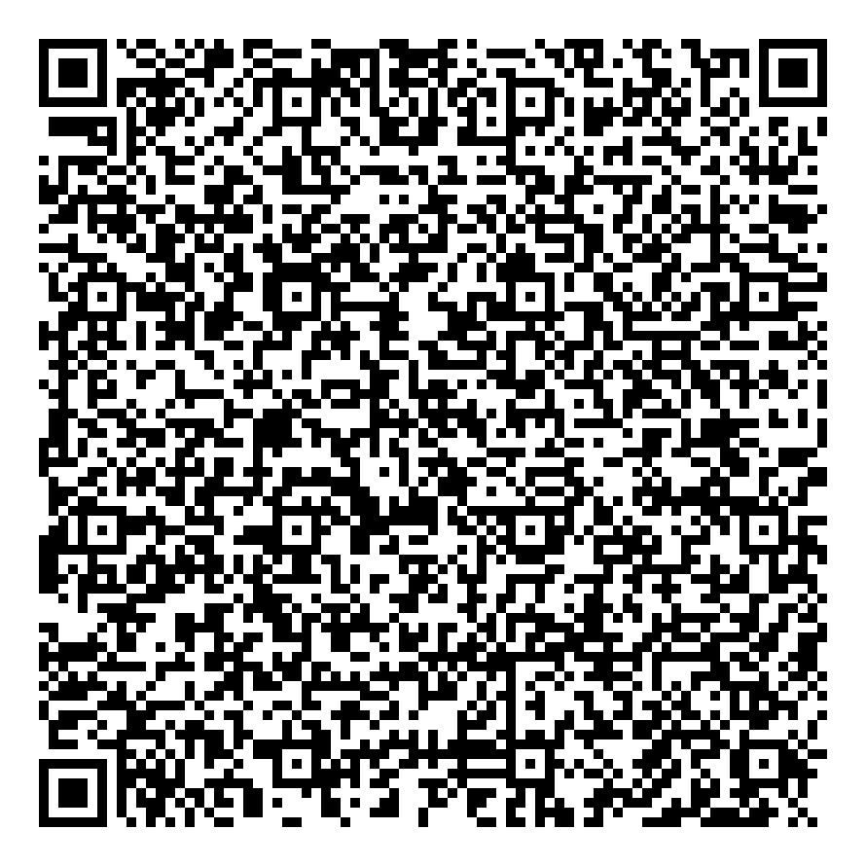
1D4F91A2E907 | ands | Free Accommodation | Hotel Gift Certificate | 2024-07-28 | 2024-08-03 | Complimentary | ands | Available | 20 | 190e2cf8f422d12e72f4134fHotel2 | WHGGZYDZ | Hotel 2 | 14 out of 20 | C:\c#\C# - DMS\DMS\App_Data\QRCodeImages\1D4F91A2E907.jpg
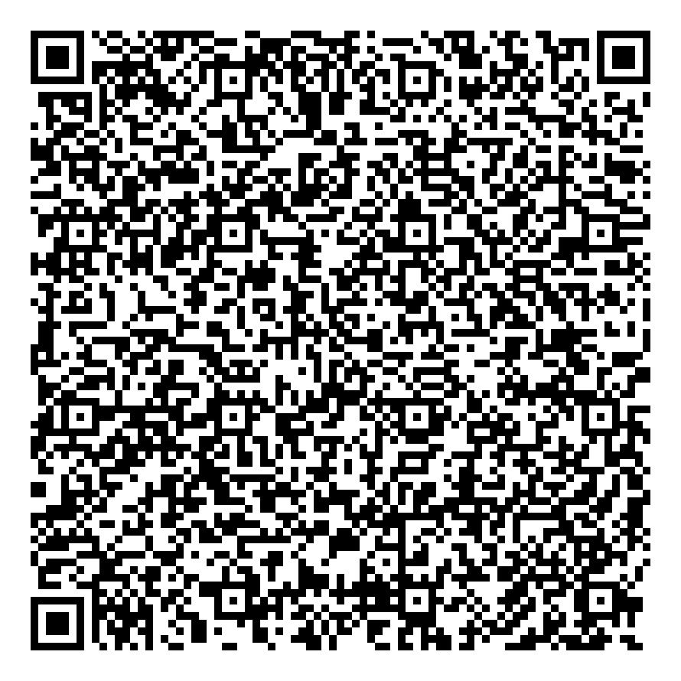
4BC0F562D4D3 | ands | Free Accommodation | Hotel Gift Certificate | 2024-07-28 | 2024-08-03 | Complimentary | ands | Available | 20 | fe580b9cdf4fac4fc3370575Hotel2 | WHGGZYDZ | Hotel 2 | 15 out of 20 | C:\c#\C# - DMS\DMS\App_Data\QRCodeImages\4BC0F562D4D3.jpg
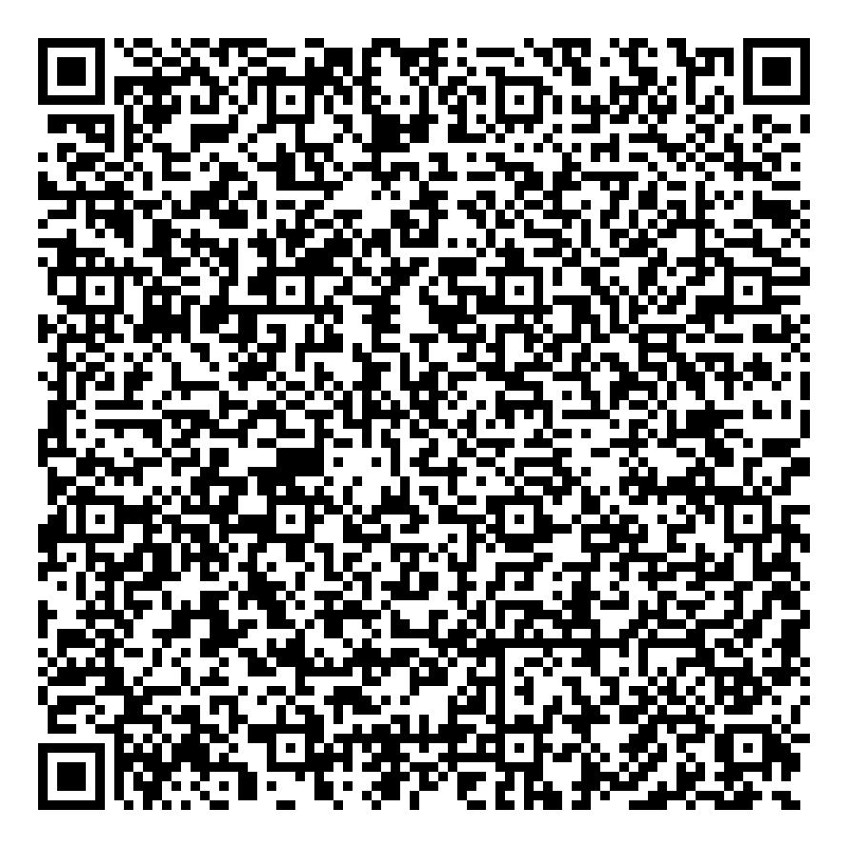
170B114AC64C | ands | Free Accommodation | Hotel Gift Certificate | 2024-07-28 | 2024-08-03 | Complimentary | ands | Available | 20 | fbb3c05d81681acf14c9b7f4Hotel2 | WHGGZYDZ | Hotel 2 | 16 out of 20 | C:\c#\C# - DMS\DMS\App_Data\QRCodeImages\170B114AC64C.jpg
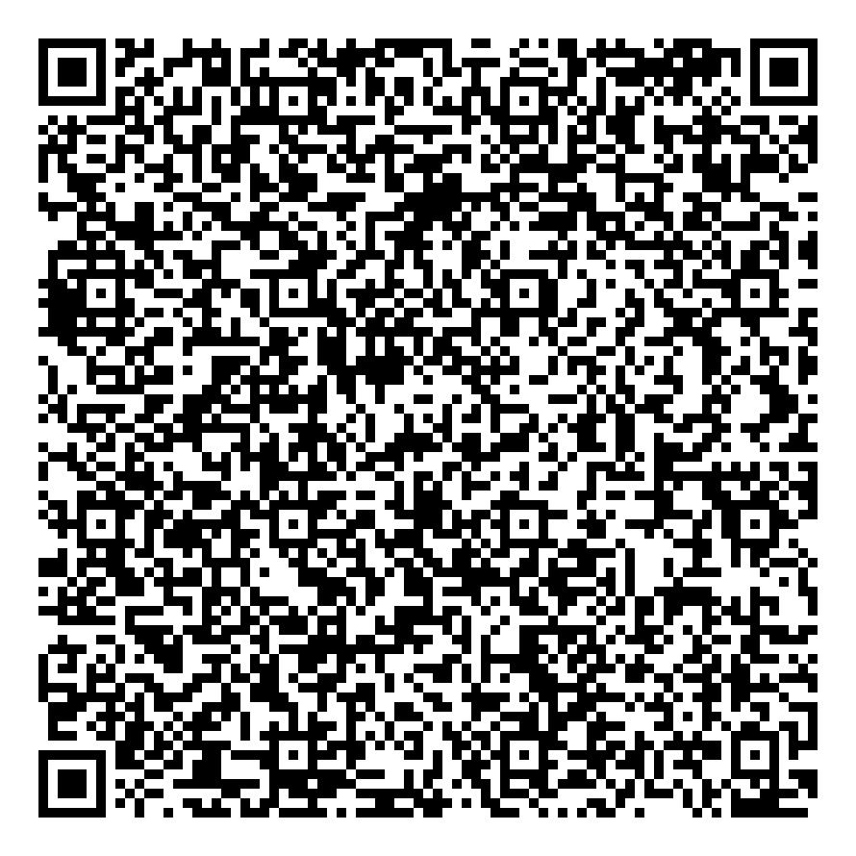
9319DA576E7B | ands | Free Accommodation | Hotel Gift Certificate | 2024-07-28 | 2024-08-03 | Complimentary | ands | Available | 20 | 6d1ca2673cf0c6fb86c7d855Hotel2 | WHGGZYDZ | Hotel 2 | 17 out of 20 | C:\c#\C# - DMS\DMS\App_Data\QRCodeImages\9319DA576E7B.jpg
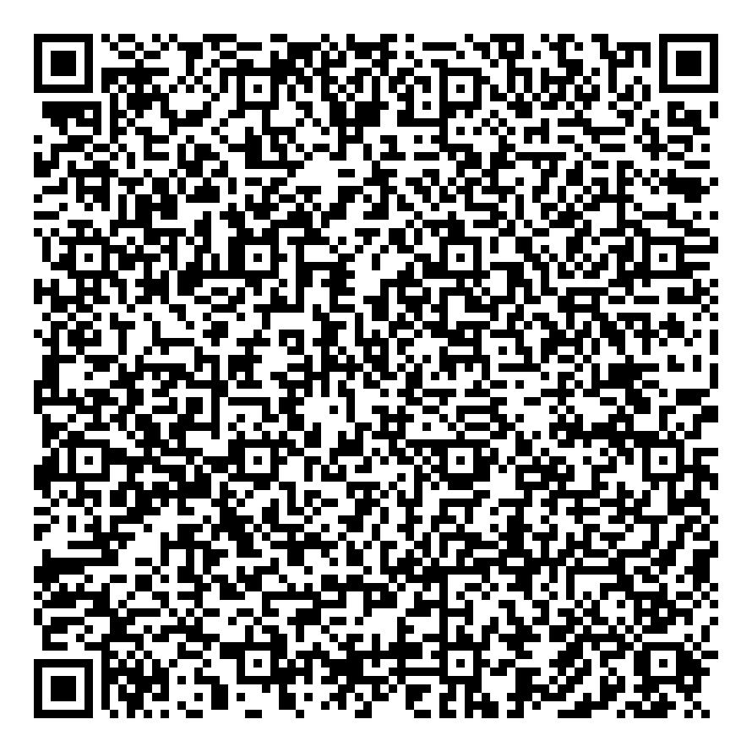
0E1F55804BAA | ands | Free Accommodation | Hotel Gift Certificate | 2024-07-28 | 2024-08-03 | Complimentary | ands | Available | 20 | f7baf16e48ab8b0b67654d68Hotel2 | WHGGZYDZ | Hotel 2 | 18 out of 20 | C:\c#\C# - DMS\DMS\App_Data\QRCodeImages\0E1F55804BAA.jpg
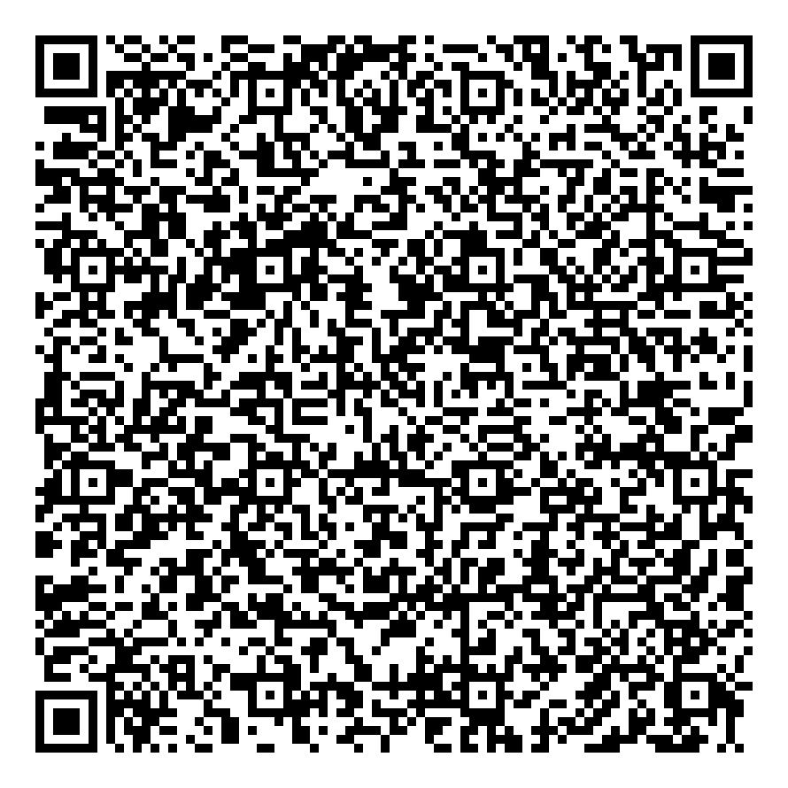
EBE8CEDE43BE | ands | Free Accommodation | Hotel Gift Certificate | 2024-07-28 | 2024-08-03 | Complimentary | ands | Available | 20 | 6682d8794ace1ed618bf87a9Hotel2 | WHGGZYDZ | Hotel 2 | 19 out of 20 | C:\c#\C# - DMS\DMS\App_Data\QRCodeImages\EBE8CEDE43BE.jpg
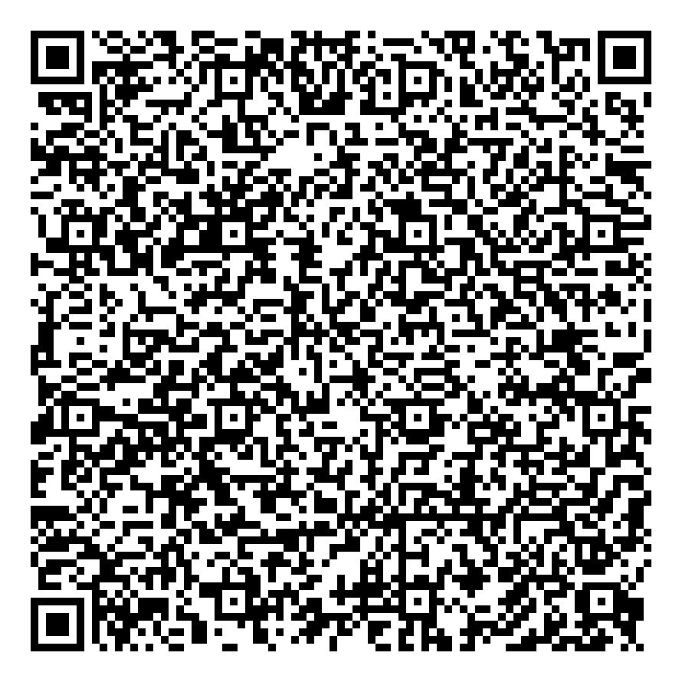
2BD45A1C4574 | ands | Free Accommodation | Hotel Gift Certificate | 2024-07-28 | 2024-08-03 | Complimentary | ands | Available | 20 | 158f11fcff593eeec82df6fbHotel2 | WHGGZYDZ | Hotel 2 | 20 out of 20 | C:\c#\C# - DMS\DMS\App_Data\QRCodeImages\2BD45A1C4574.jpg
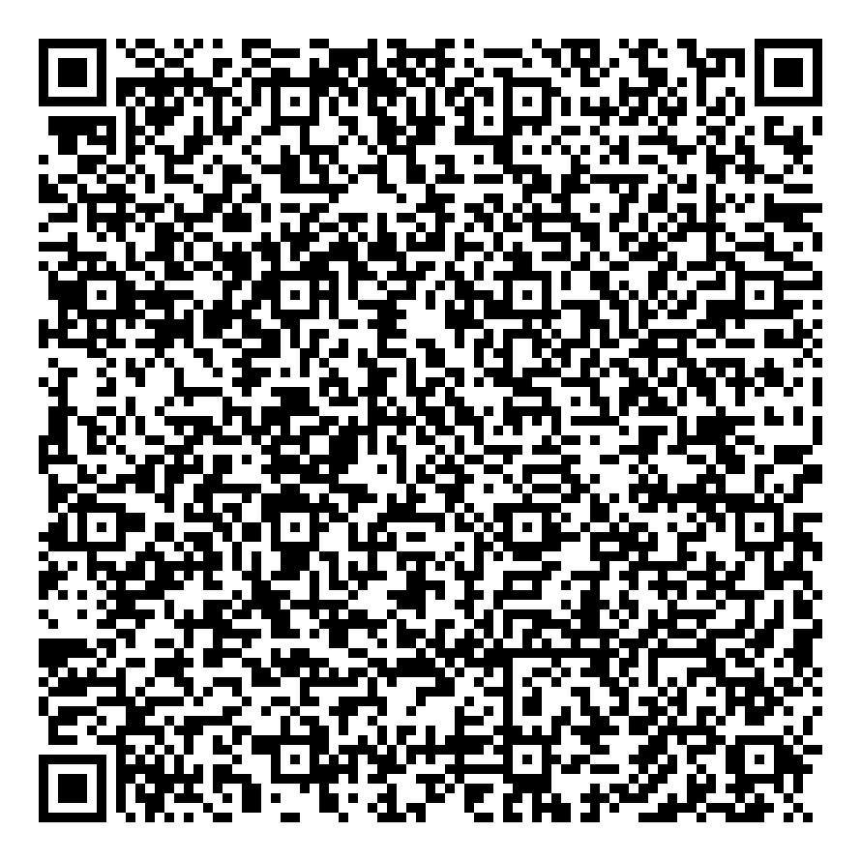
9D345A263084 | ands | Free Accommodation | Gift Cert | 2024-07-29 | 2024-08-03 | Complimentary | ands | Available | 15 | 3a4954a91c47383804a435c2Hotel1 | R6BB9DMV | Hotel 1 | 1 out of 15 | C:\Csharp\C# - DMS\DMS\App_Data\QRCodeImages\9D345A263084.jpg
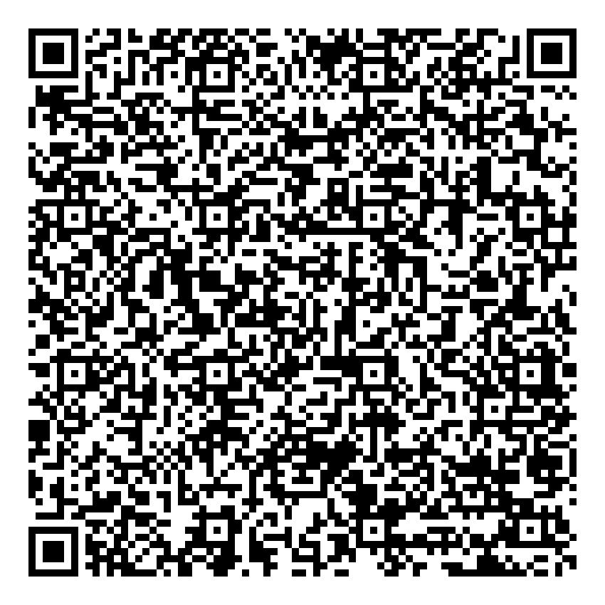
3F714F45D57B | ands | Free Accommodation | Gift Cert | 2024-07-29 | 2024-08-03 | Complimentary | ands | Available | 15 | 531ea15f83c228e9f7110a05Hotel1 | R6BB9DMV | Hotel 1 | 2 out of 15 | C:\Csharp\C# - DMS\DMS\App_Data\QRCodeImages\3F714F45D57B.jpg
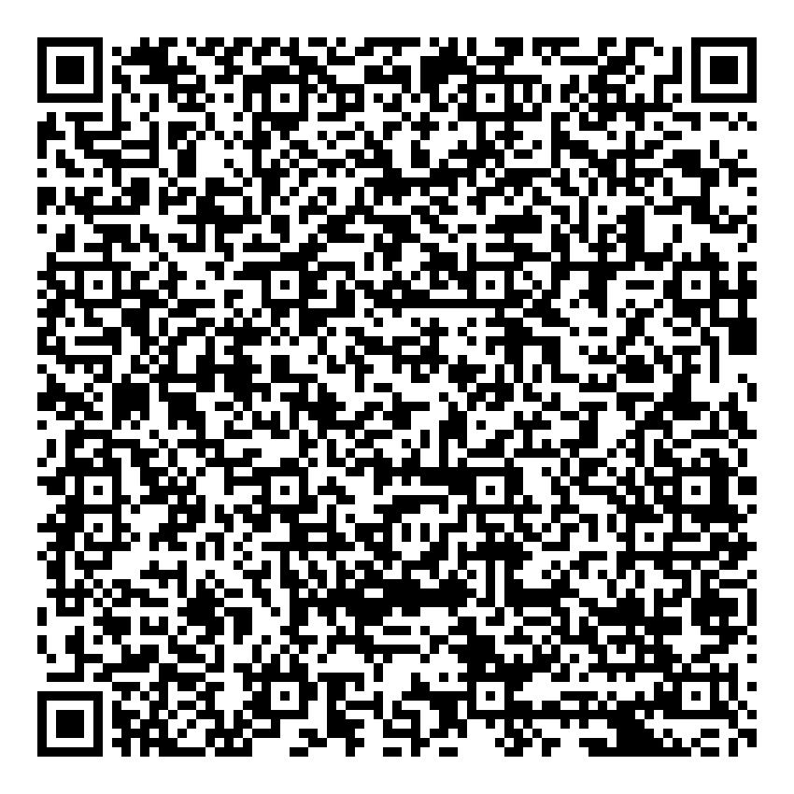
C80871F2B33D | ands | Free Accommodation | Gift Cert | 2024-07-29 | 2024-08-03 | Complimentary | ands | Available | 15 | 8c4bdc598d60c7cb0d1c08d5Hotel1 | R6BB9DMV | Hotel 1 | 3 out of 15 | C:\Csharp\C# - DMS\DMS\App_Data\QRCodeImages\C80871F2B33D.jpg
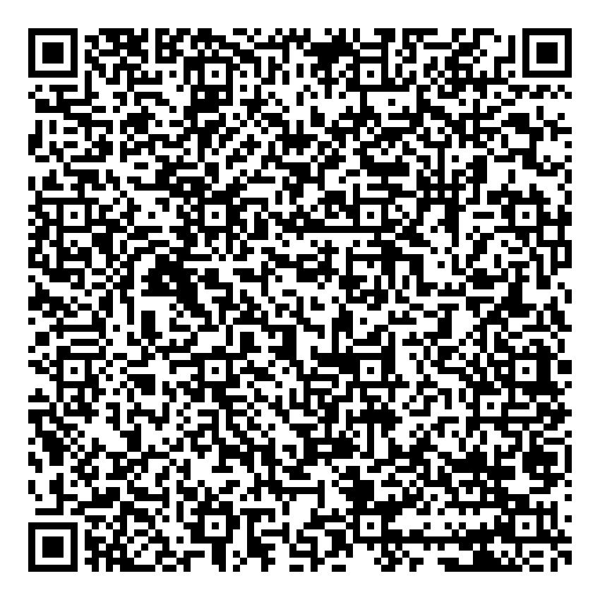
895D8830CA0E | ands | Free Accommodation | Gift Cert | 2024-07-29 | 2024-08-03 | Complimentary | ands | Available | 15 | 8966612152df65fafb9f1f9eHotel1 | R6BB9DMV | Hotel 1 | 4 out of 15 | C:\Csharp\C# - DMS\DMS\App_Data\QRCodeImages\895D8830CA0E.jpg
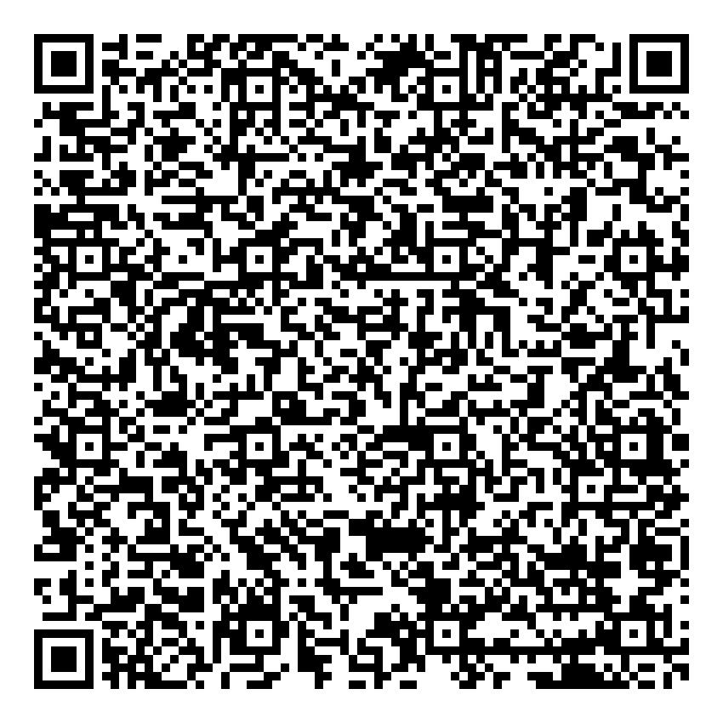
3DE0B46C25A8 | ands | Free Accommodation | Gift Cert | 2024-07-29 | 2024-08-03 | Complimentary | ands | Available | 15 | 1adcff1b981cb91964f27162Hotel1 | R6BB9DMV | Hotel 1 | 5 out of 15 | C:\Csharp\C# - DMS\DMS\App_Data\QRCodeImages\3DE0B46C25A8.jpg
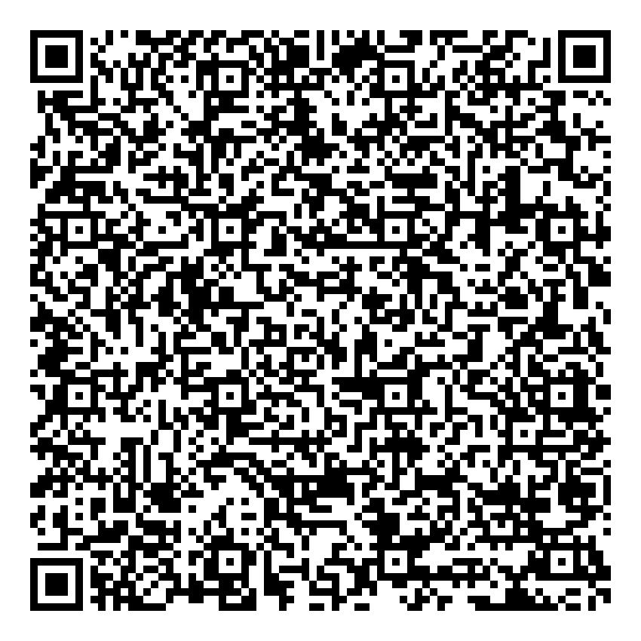
ABF622037FD1 | ands | Free Accommodation | Gift Cert | 2024-07-29 | 2024-08-03 | Complimentary | ands | Available | 15 | 49e683270c84c00e248e79faHotel1 | R6BB9DMV | Hotel 1 | 6 out of 15 | C:\Csharp\C# - DMS\DMS\App_Data\QRCodeImages\ABF622037FD1.jpg
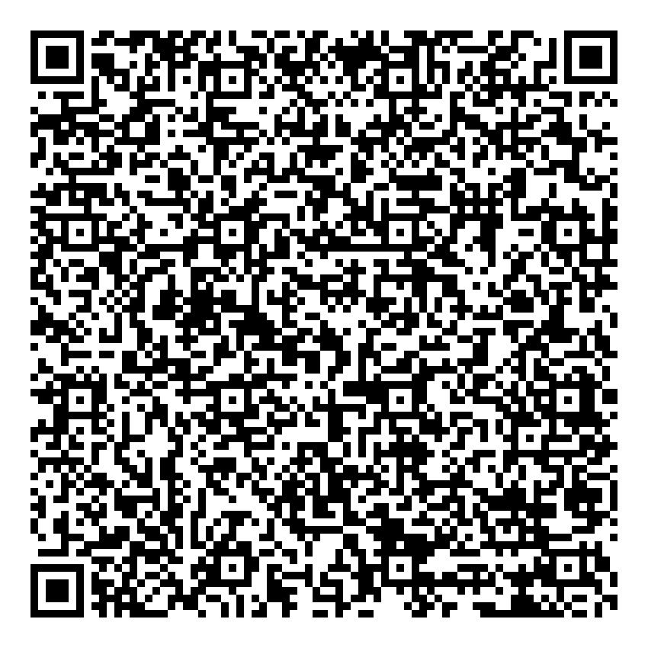
BDDE6D305778 | ands | Free Accommodation | Gift Cert | 2024-07-29 | 2024-08-03 | Complimentary | ands | Available | 15 | 4600bb563512598ffd6be8acHotel1 | R6BB9DMV | Hotel 1 | 7 out of 15 | C:\Csharp\C# - DMS\DMS\App_Data\QRCodeImages\BDDE6D305778.jpg
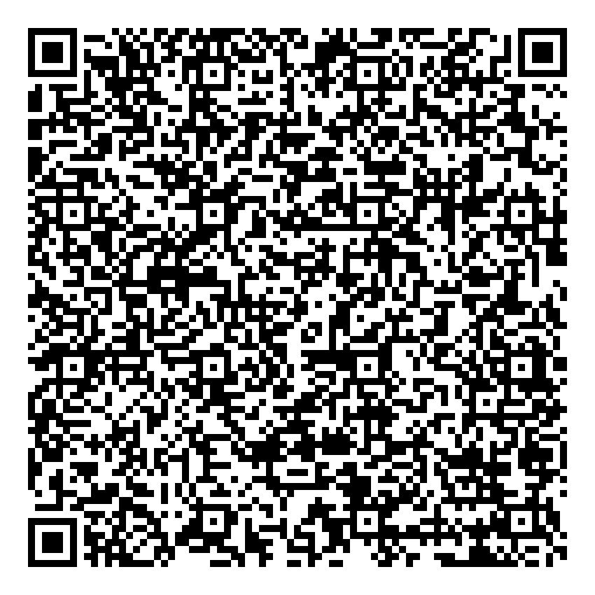
7E64B32A385C | ands | Free Accommodation | Gift Cert | 2024-07-29 | 2024-08-03 | Complimentary | ands | Available | 15 | ea0dc93e4665927a03b76cd3Hotel1 | R6BB9DMV | Hotel 1 | 8 out of 15 | C:\Csharp\C# - DMS\DMS\App_Data\QRCodeImages\7E64B32A385C.jpg
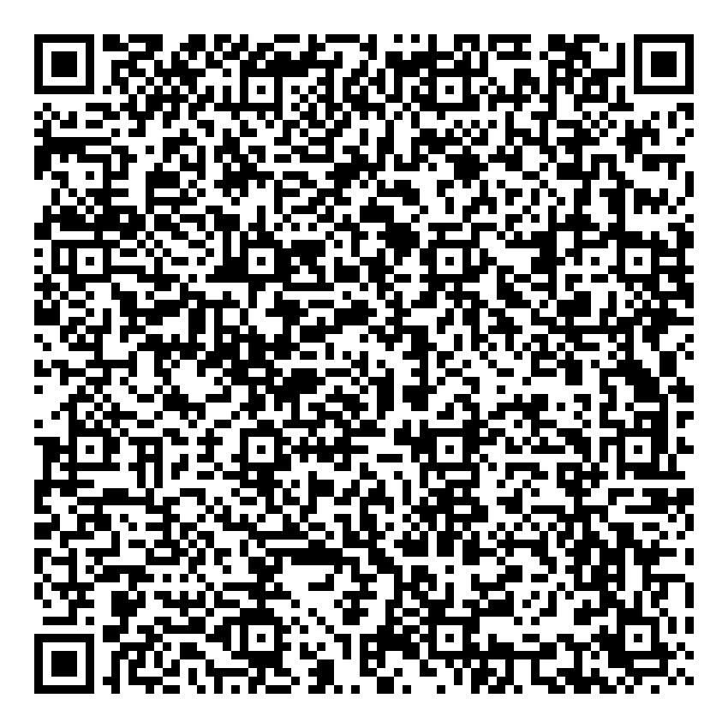
920474135562 | ands | Free Accommodation | Gift Cert | 2024-07-29 | 2024-08-03 | Complimentary | ands | Available | 15 | e30eac1823c90dd21c808dfeHotel1 | R6BB9DMV | Hotel 1 | 9 out of 15 | C:\Csharp\C# - DMS\DMS\App_Data\QRCodeImages\920474135562.jpg
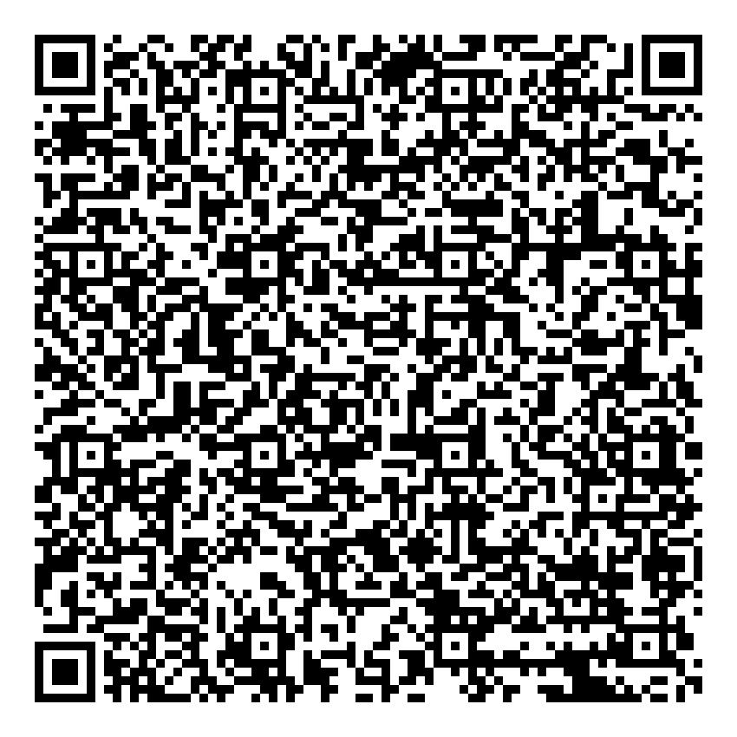
3C8572C0F86F | ands | Free Accommodation | Gift Cert | 2024-07-29 | 2024-08-03 | Complimentary | ands | Available | 15 | 38c12860928982da02817ef7Hotel1 | R6BB9DMV | Hotel 1 | 10 out of 15 | C:\Csharp\C# - DMS\DMS\App_Data\QRCodeImages\3C8572C0F86F.jpg
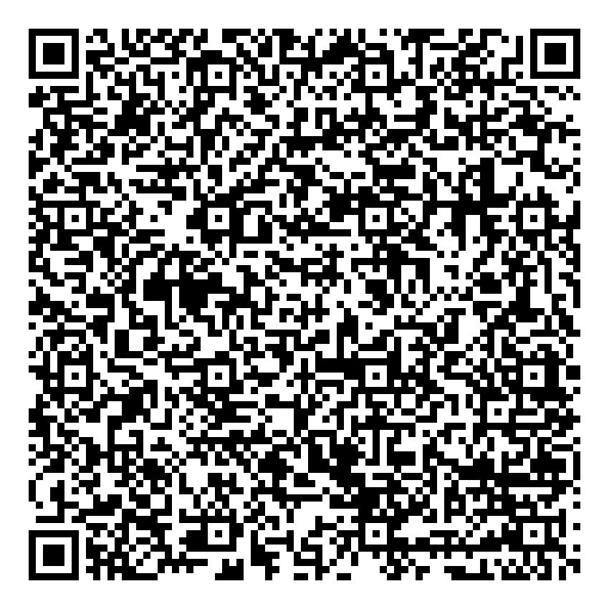
345CCFCE03C5 | ands | Free Accommodation | Gift Cert | 2024-07-29 | 2024-08-03 | Complimentary | ands | Available | 15 | 9664b0e960a7b83958dd2f62Hotel1 | R6BB9DMV | Hotel 1 | 11 out of 15 | C:\Csharp\C# - DMS\DMS\App_Data\QRCodeImages\345CCFCE03C5.jpg

0EB788644957 | ands | Free Accommodation | Gift Cert | 2024-07-29 | 2024-08-03 | Complimentary | ands | Available | 15 | d789719b28e1177087846d20Hotel1 | R6BB9DMV | Hotel 1 | 12 out of 15 | C:\Csharp\C# - DMS\DMS\App_Data\QRCodeImages\0EB788644957.jpg

F122E963C24C | ands | Free Accommodation | Gift Cert | 2024-07-29 | 2024-08-03 | Complimentary | ands | Available | 15 | 2ff1ecbcab40ae926510455eHotel1 | R6BB9DMV | Hotel 1 | 13 out of 15 | C:\Csharp\C# - DMS\DMS\App_Data\QRCodeImages\F122E963C24C.jpg

B1049C253EFB | ands | Free Accommodation | Gift Cert | 2024-07-29 | 2024-08-03 | Complimentary | ands | Available | 15 | dd99dad13cd3b89fc578efb1Hotel1 | R6BB9DMV | Hotel 1 | 14 out of 15 | C:\Csharp\C# - DMS\DMS\App_Data\QRCodeImages\B1049C253EFB.jpg

422E364F14CF | ands | Free Accommodation | Gift Cert | 2024-07-29 | 2024-08-03 | Complimentary | ands | Available | 15 | 820d468dce415aedb7fca193Hotel1 | R6BB9DMV | Hotel 1 | 15 out of 15 | C:\Csharp\C# - DMS\DMS\App_Data\QRCodeImages\422E364F14CF.jpg

0D66D510EB17 | zxcvxv | Free Accommodation | fdbdfb | 2024-07-29 | 2024-07-30 | Complimentary | fdbdbdf | Available | 2 | 2c69d9d1fa8dcb8b0f8c35c5Hotel1 | 8247Q6N8 | Hotel 1 | 1 out of 2 | C:\Csharp\C# - DMS\DMS\App_Data\QRCodeImages\0D66D510EB17.jpg

FC6664D4D3DC | zxcvxv | Free Accommodation | fdbdfb | 2024-07-29 | 2024-07-30 | Complimentary | fdbdbdf | Available | 2 | e7d3d8f61c3a375d402a7785Hotel1 | 8247Q6N8 | Hotel 1 | 2 out of 2 | C:\Csharp\C# - DMS\DMS\App_Data\QRCodeImages\FC6664D4D3DC.jpg

